BANDHAN OF
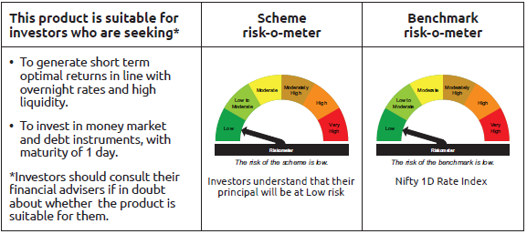
INDEX | Portfolio Statement as on April 30,2025
 | Bandhan Overnight Fund

 | Name of the Instrument | ISIN | Industry / Rating | Quantity | Market/Fair Value ( Rs. in Lacs) | % to NAV | YTM
 | Money Market Instruments
 | Treasury Bill
TBIL2443 | 364 Days Tbill | IN002024Z081 | SOVEREIGN | 3,000,000 | 2,989.46 | 3.45% | 5.85%
TBIL2470 | 91 Days Tbill | IN002024X458 | SOVEREIGN | 1,000,000 | 997.74 | 1.15% | 5.90%
 | Collateralised Borrowing & Lending Obligation / Reverse Repo Instrument
 | Reverse Repo |  |  |  | 62,599.00 | 72.23% | 6.10%
TRP_020525 | CBLO TRP_020525 |  |  |  | 19,934.05 | 23.00% | 5.87%
 | Total |  |  |  | 86,520.25 | 99.83%
 | OTHERS
 | Cash Margin - CCIL |  |  |  | 142.67 | 0.16%
 | Subtotal |  |  |  | 142.67 | 0.16%
 | Net Current Assets |  |  |  | 5.61 | 0.01%
 | GRAND TOTAL |  |  |  | 86,668.53 | 100.00%

 | Pursuant to SEBI circular no. SEBI/HO/IMD/DF2/CIR/P/2021/683 dated December 10, 2021 (“the Circular”), SEBI has notified that with respect to the margin or collateral requirement for execution of certain transactions, overnight funds can deploy not exceeding 5% of the net assets of the scheme in Government Securities and/or Treasury bills with a residual maturity of upto 30 days for the purpose of placing the same as margin and collateral for certain transactions.

BANDHAN LF
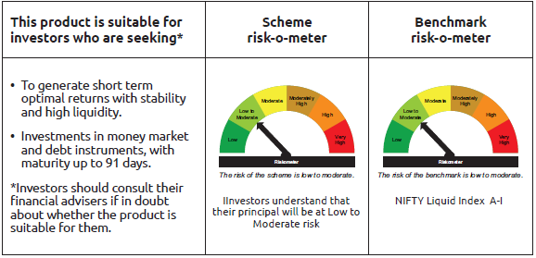
INDEX | Portfolio Statement as on April 30,2025
 | Bandhan Liquid Fund

 | Name of the Instrument | ISIN | Industry / Rating | Quantity | Market/Fair Value ( Rs. in Lacs) | % to NAV | YTM
 | Debt Instruments
 | (a) Listed / awaiting listing on Stock Exchange
 | Government Securities
GOI1299 | 8.14% State Government Securities | IN2220150022 | SOVEREIGN | 6,000,000 | 6,008.81 | 0.45% | 5.98%
GOI2392 | 8.15% State Government Securities | IN1620150020 | SOVEREIGN | 2,500,000 | 2,503.55 | 0.19% | 6.05%
GOI3479 | 8.22% State Government Securities | IN3120150039 | SOVEREIGN | 2,500,000 | 2,501.75 | 0.19% | 5.98%
 | Non Convertible Debentures
HDFB915 | 7.8% HDFC Bank Limited ** | INE040A08922 | CRISIL AAA | 15,000,000 | 15,007.52 | 1.11% | 6.75%
TWAT24 | 7.75% Titan Company Limited ** | INE280A08023 | CRISIL AAA | 6,000,000 | 6,000.39 | 0.44% | 6.89%
KOMP1662 | 7.8779% Kotak Mahindra Prime Limited ** | INE916DA7SC2 | CRISIL AAA | 5,000,000 | 5,001.75 | 0.37% | 6.71%
POWF173 | 8.7% Power Finance Corporation Limited ** | INE134E08CY2 | CRISIL AAA | 440,000 | 440.22 | 0.03% | 6.71%
 | Subtotal |  |  |  | 37,463.99 | 2.78%
 | (b) Privately placed / Unlisted |  |  |  | NIL | NIL | NIL
 | Subtotal |  |  |  | NIL | NIL | NIL
 | Total |  |  |  | 37,463.99 | 2.78%
 | Money Market Instruments
 | Certificate of Deposit
BKBA483 | Bank of Baroda ** | INE028A16HU4 | FITCH A1+ | 50,000,000 | 49,699.10 | 3.68% | 6.50%
PUBA1077 | Punjab National Bank ** | INE160A16QZ5 | CRISIL A1+ | 40,000,000 | 39,950.04 | 2.96% | 6.52%
BKBA479 | Bank of Baroda ** | INE028A16HS8 | FITCH A1+ | 40,000,000 | 39,943.08 | 2.96% | 6.50%
PUBA1078 | Punjab National Bank ** | INE160A16RA6 | CRISIL A1+ | 35,000,000 | 34,950.06 | 2.59% | 6.52%
BKBA484 | Bank of Baroda | INE028A16HV2 | FITCH A1+ | 35,000,000 | 34,783.21 | 2.58% | 6.50%
SIDB563 | Small Industries Dev Bank of India ** | INE556F16AS2 | CRISIL A1+ | 32,500,000 | 32,271.27 | 2.39% | 6.47%
INBK473 | Indian Bank ** | INE562A16OK9 | CRISIL A1+ | 20,000,000 | 19,836.94 | 1.47% | 6.52%
CANB1044 | Canara Bank ** | INE476A16B56 | CRISIL A1+ | 20,000,000 | 19,834.24 | 1.47% | 6.49%
HDFB994 | HDFC Bank Limited ** | INE040A16GQ9 | CRISIL A1+ | 20,000,000 | 19,834.18 | 1.47% | 6.49%
KMBK866 | Kotak Mahindra Bank Limited ** | INE237A168X4 | CRISIL A1+ | 17,500,000 | 17,389.09 | 1.29% | 6.47%
UNBI419 | Union Bank of India ** | INE692A16IR1 | FITCH A1+ | 10,000,000 | 9,989.41 | 0.74% | 6.45%
BKBA456 | Bank of Baroda ** | INE028A16GV4 | FITCH A1+ | 10,000,000 | 9,936.30 | 0.74% | 6.50%
HDFB993 | HDFC Bank Limited ** | INE040A16GO4 | CRISIL A1+ | 10,000,000 | 9,927.63 | 0.74% | 6.49%
BKBA454 | Bank of Baroda | INE028A16GS0 | FITCH A1+ | 7,500,000 | 7,470.74 | 0.55% | 6.50%
FEBA331 | The Federal Bank Limited ** | INE171A16MD8 | CRISIL A1+ | 6,920,000 | 6,902.53 | 0.51% | 6.60%
CANB1011 | Canara Bank | INE476A16ZL6 | CRISIL A1+ | 5,000,000 | 4,976.14 | 0.37% | 6.48%
UTIB1323 | Axis Bank Limited | INE238AD6835 | CRISIL A1+ | 5,000,000 | 4,968.15 | 0.37% | 6.50%
BKBA462 | Bank of Baroda | INE028A16HA6 | FITCH A1+ | 5,000,000 | 4,965.52 | 0.37% | 6.50%
KMBK878 | Kotak Mahindra Bank Limited ** | INE237A169X2 | CRISIL A1+ | 5,000,000 | 4,963.94 | 0.37% | 6.47%
 | Commercial Paper
INBS495 | Reliance Jio Infocomm Limited ** | INE110L14TI2 | CRISIL A1+ | 75,000,000 | 74,515.28 | 5.52% | 6.60%
NBAR834 | National Bank For Agriculture and Rural Development ** | INE261F14NJ6 | ICRA A1+ | 70,000,000 | 69,487.39 | 5.15% | 6.57%
EXIM801 | Export Import Bank of India ** | INE514E14SS1 | CRISIL A1+ | 70,000,000 | 69,479.34 | 5.15% | 6.51%
NBAR841 | National Bank For Agriculture and Rural Development ** | INE261F14NO6 | CRISIL A1+ | 52,500,000 | 52,003.88 | 3.85% | 6.57%
RIND473 | Reliance Industries Limited ** | INE002A14LF7 | CRISIL A1+ | 50,000,000 | 49,509.50 | 3.67% | 6.57%
SIDB595 | Small Industries Dev Bank of India ** | INE556F14KY4 | CARE A1+ | 40,000,000 | 39,750.44 | 2.95% | 6.55%
EXIM796 | Export Import Bank of India ** | INE514E14SP7 | CRISIL A1+ | 30,000,000 | 29,967.93 | 2.22% | 6.51%
BAFL958 | Bajaj Finance Limited ** | INE296A14ZS8 | ICRA A1+ | 30,000,000 | 29,863.17 | 2.21% | 6.69%
ICBR559 | ICICI Securities Limited ** | INE763G14WV5 | CRISIL A1+ | 25,000,000 | 24,976.98 | 1.85% | 6.73%
AXSL105 | Axis Securities Limited ** | INE110O14FB0 | ICRA A1+ | 25,000,000 | 24,839.23 | 1.84% | 6.75%
SIDB567 | Small Industries Dev Bank of India ** | INE556F14KM9 | CRISIL A1+ | 22,500,000 | 22,276.15 | 1.65% | 6.55%
KOMP1707 | Kotak Mahindra Prime Limited ** | INE916D143Q6 | CRISIL A1+ | 20,000,000 | 19,985.46 | 1.48% | 6.64%
BAFL970 | Bajaj Finance Limited ** | INE296A14ZQ2 | ICRA A1+ | 20,000,000 | 19,923.32 | 1.48% | 6.69%
HDFS267 | HDFC Securities Limited ** | INE700G14NJ1 | ICRA A1+ | 20,000,000 | 19,904.58 | 1.47% | 6.73%
NBAR833 | National Bank For Agriculture and Rural Development ** | INE261F14NI8 | ICRA A1+ | 20,000,000 | 19,857.08 | 1.47% | 6.57%
RIND472 | Reliance Industries Limited ** | INE002A14LD2 | CRISIL A1+ | 20,000,000 | 19,810.86 | 1.47% | 6.58%
LTFH80 | L&T Finance Limited ** | INE498L14BK5 | CRISIL A1+ | 17,500,000 | 17,487.17 | 1.30% | 6.69%
TMFL88 | Tata Motors Finance Limited ** | INE477S14CY3 | CARE A1+ | 15,000,000 | 14,947.29 | 1.11% | 6.78%
RIND475 | Reliance Industries Limited ** | INE002A14LG5 | CRISIL A1+ | 15,000,000 | 14,855.51 | 1.10% | 6.57%
KOSE304 | Kotak Securities Limited ** | INE028E14QF3 | ICRA A1+ | 12,500,000 | 12,483.84 | 0.93% | 6.75%
RRVL174 | Reliance Retail Ventures Limited ** | INE929O14DD4 | CRISIL A1+ | 12,500,000 | 12,450.10 | 0.92% | 6.65%
INBS500 | Reliance Jio Infocomm Limited ** | INE110L14TP7 | CRISIL A1+ | 12,500,000 | 12,434.90 | 0.92% | 6.59%
NBAR819 | National Bank For Agriculture and Rural Development | INE261F14MY7 | ICRA A1+ | 10,000,000 | 9,991.00 | 0.74% | 6.57%
BAFL955 | Bajaj Finance Limited ** | INE296A14ZP4 | CRISIL A1+ | 10,000,000 | 9,972.58 | 0.74% | 6.69%
TMFL90 | Tata Motors Finance Limited ** | INE477S14DB9 | CARE A1+ | 10,000,000 | 9,951.98 | 0.74% | 6.77%
ICBR547 | ICICI Securities Limited ** | INE763G14WH4 | CRISIL A1+ | 10,000,000 | 9,926.73 | 0.74% | 6.74%
BAFL963 | Bajaj Finance Limited ** | INE296A14ZZ3 | CRISIL A1+ | 10,000,000 | 9,925.52 | 0.74% | 6.68%
GOSL415 | Godrej Industries Limited ** | INE233A14Z13 | CRISIL A1+ | 7,500,000 | 7,498.70 | 0.56% | 6.35%
BAFL957 | Bajaj Finance Limited ** | INE296A14ZR0 | CRISIL A1+ | 5,000,000 | 4,979.92 | 0.37% | 6.69%
BAFS81 | Bajaj Financial Securities Limited ** | INE01C314BH8 | CRISIL A1+ | 5,000,000 | 4,958.14 | 0.37% | 6.70%
 | Treasury Bill
TBIL2479 | 91 Days Tbill | IN002024X482 | SOVEREIGN | 210,000,000 | 208,824.63 | 15.47% | 5.87%
TBIL2476 | 91 Days Tbill | IN002024X474 | SOVEREIGN | 34,500,000 | 34,341.33 | 2.54% | 5.82%
TBIL2470 | 91 Days Tbill | IN002024X458 | SOVEREIGN | 27,500,000 | 27,437.91 | 2.03% | 5.90%
TBIL2430 | 182 Days Tbill | IN002024Y316 | SOVEREIGN | 5,000,000 | 4,988.71 | 0.37% | 5.90%
 | Collateralised Borrowing & Lending Obligation / Reverse Repo Instrument
TRP_020525 | CBLO TRP_020525 |  |  |  | 297.91 | 0.02% | 5.87%
 | Total |  |  |  | 1,386,496.03 | 102.76%
 | Corporate Debt Market Development Fund
CDMD50ME | Corporate Debt Market Development Fund | INF0RQ622028 |  | 32,792 | 3,645.81 | 0.27%
 | Total |  |  |  | 3,645.81 | 0.27%
 | OTHERS
 | Cash Margin - CCIL |  |  |  | 61.40 | $
 | Subtotal |  |  |  | 61.40 | $
 | Net Current Assets |  |  |  | (78,099.01) | -5.81%
 | GRAND TOTAL |  |  |  | 1,349,568.22 | 100.00%

 | $ Less Than 0.01% of NAV
 | ** Thinly Traded/Non Traded Securities/Illiquid Securities

 | As per the requirement of regulation 43A of SEBI (Mutual Funds) Regulations, 1996, SEBI circular no. SEBI/HO/IMD/PoD2/P/CIR/2023/128 dated July 27, 2023 on framework for Corporate Debt Market Development Fund and SEBI circular no. SEBI/HO/IMD/PoD2 /P/CIR/2023/129 dated July 27, 2023 on investment by mutual fund schemes and Asset Management Companies (AMCs) in units of Corporate Debt Market Development Fund (“CDMDF”), specified open ended debt-oriented schemes of Bandhan Mutual Fund and Bandhan AMC Limited (‘AMC’) shall invest percentage of net assets in the units of the CDMDF.

BANDHAN LDF
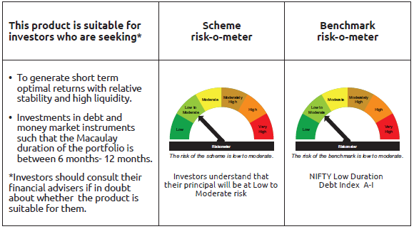
INDEX | Portfolio Statement as on April 30,2025
 | Bandhan Low Duration Fund

 | Name of the Instrument | ISIN | Industry / Rating | Quantity | Market/Fair Value ( Rs. in Lacs) | % to NAV | YTM
 | Debt Instruments
 | (a) Listed / awaiting listing on Stock Exchange
 | Government Securities
GOI3566 | 6.1% State Government Securities | IN2920210084 | SOVEREIGN | 6,500,000 | 6,490.39 | 1.05% | 6.24%
GOI1917 | 7.35% State Government Securities | IN2120170039 | SOVEREIGN | 5,000,000 | 5,112.67 | 0.83% | 6.31%
GOI4847 | 7.57% State Government Securities | IN1520220154 | SOVEREIGN | 5,000,000 | 5,095.04 | 0.83% | 6.24%
GOI6670 | 6.93% State Government Securities | IN2720240141 | SOVEREIGN | 5,000,000 | 5,090.60 | 0.83% | 6.32%
GOI6674 | 5.82% State Government Securities | IN2920200556 | SOVEREIGN | 5,000,000 | 4,963.34 | 0.81% | 6.28%
GOI3237 | 8.53% State Government Securities | IN2920180170 | SOVEREIGN | 4,500,000 | 4,788.68 | 0.78% | 6.36%
GOI4096 | 8.16% State Government Securities | IN2920180030 | SOVEREIGN | 4,500,000 | 4,721.95 | 0.77% | 6.34%
GOI1785 | 7.86% State Government Securities | IN1920160117 | SOVEREIGN | 3,500,000 | 3,595.55 | 0.58% | 6.29%
GOI1756 | 7.8% State Government Securities | IN1620160276 | SOVEREIGN | 3,000,000 | 3,075.38 | 0.50% | 6.32%
GOI2184 | 8.19% State Government Securities | IN1920180149 | SOVEREIGN | 2,500,000 | 2,640.80 | 0.43% | 6.46%
GOI2032 | 8.13% State Government Securities | IN2920170205 | SOVEREIGN | 2,500,000 | 2,616.41 | 0.42% | 6.35%
GOI1840 | 7.78% State Government Securities | IN3320160325 | SOVEREIGN | 2,500,000 | 2,562.58 | 0.42% | 6.31%
GOI3753 | 7.38% State Government Securities | IN2120160030 | SOVEREIGN | 2,500,000 | 2,536.59 | 0.41% | 6.24%
GOI3532 | 6.82% State Government Securities | IN1320210041 | SOVEREIGN | 2,500,000 | 2,535.00 | 0.41% | 6.33%
GOI4586 | 6.39% State Government Securities | IN1020200136 | SOVEREIGN | 2,500,000 | 2,503.65 | 0.41% | 6.24%
GOI1999 | 8.34% State Government Securities | IN3120170136 | SOVEREIGN | 2,000,000 | 2,102.75 | 0.34% | 6.32%
GOI1959 | 7.86% State Government Securities | IN2920170122 | SOVEREIGN | 2,000,000 | 2,073.48 | 0.34% | 6.33%
GOI4160 | 8.09% State Government Securities | IN2920180279 | SOVEREIGN | 1,000,000 | 1,055.97 | 0.17% | 6.35%
GOI1996 | 8.28% State Government Securities | IN2920170155 | SOVEREIGN | 1,000,000 | 1,048.84 | 0.17% | 6.35%
GOI1880 | 7.59% State Government Securities | IN1620160268 | SOVEREIGN | 1,000,000 | 1,021.04 | 0.17% | 6.32%
GOI4485 | 7.38% Government of India | IN0020220037 | SOVEREIGN | 700,000 | 718.76 | 0.12% | 6.02%
GOI2192 | 8.32% State Government Securities | IN1920180164 | SOVEREIGN | 500,000 | 530.54 | 0.09% | 6.46%
GOI1320 | 8.28% State Government Securities | IN2220150055 | SOVEREIGN | 500,000 | 502.51 | 0.08% | 6.08%
GOI2207 | 8.38% State Government Securities | IN1520180309 | SOVEREIGN | 200,000 | 212.80 | 0.03% | 6.46%
GOI2211 | 8.35% State Government Securities | IN1520180317 | SOVEREIGN | 150,000 | 159.51 | 0.03% | 6.46%
GOI3899 | 7.88% State Government Securities | IN2120170070 | SOVEREIGN | 100,000 | 103.80 | 0.02% | 6.34%
 | Non Convertible Debentures
NBAR796 | 7.44% National Bank For Agriculture and Rural Development | INE261F08EK5 | CRISIL AAA | 22,500,000 | 22,777.47 | 3.70% | 6.93%
BHFL96 | 7.9237% Bajaj Housing Finance Limited ** | INE377Y07375 | CRISIL AAA | 18,900,000 | 19,022.62 | 3.09% | 7.07%
BHFL91 | 7.42% Bajaj Housing Finance Limited ** | INE377Y07334 | CRISIL AAA | 19,000,000 | 19,008.85 | 3.09% | 6.89%
BAFL967 | 7.7215% Bajaj Finance Limited ** | INE296A07TG0 | CRISIL AAA | 17,500,000 | 17,631.58 | 2.86% | 7.27%
POWF487 | 7.13% Power Finance Corporation Limited ** | INE134E08LP1 | CRISIL AAA | 17,500,000 | 17,547.86 | 2.85% | 6.86%
NBAR684 | 7.2% National Bank For Agriculture and Rural Development ** | INE261F08DR2 | ICRA AAA | 16,000,000 | 16,005.18 | 2.60% | 6.81%
NBAR650 | 5.7% National Bank For Agriculture and Rural Development ** | INE261F08DK7 | CRISIL AAA | 15,500,000 | 15,449.32 | 2.51% | 6.75%
HDFB905 | 7.7% HDFC Bank Limited ** | INE040A08641 | CRISIL AAA | 15,000,000 | 15,031.47 | 2.44% | 7.06%
SIDB468 | 7.25% Small Industries Dev Bank of India ** | INE556F08KA6 | ICRA AAA | 15,000,000 | 15,002.60 | 2.44% | 6.81%
LICH612 | 6.65% LIC Housing Finance Limited ** | INE115A07PR7 | CRISIL AAA | 15,000,000 | 14,872.16 | 2.41% | 7.15%
POWF517 | 7.64% Power Finance Corporation Limited ** | INE134E08MT1 | CRISIL AAA | 14,000,000 | 14,125.66 | 2.29% | 6.86%
SIDB472 | 7.11% Small Industries Dev Bank of India ** | INE556F08KB4 | ICRA AAA | 12,500,000 | 12,523.65 | 2.03% | 6.88%
LICH697 | 7.73% LIC Housing Finance Limited ** | INE115A07RE1 | CRISIL AAA | 10,000,000 | 10,095.94 | 1.64% | 7.15%
NBAR680 | 7.25% National Bank For Agriculture and Rural Development | INE261F08DQ4 | CRISIL AAA | 9,500,000 | 9,502.94 | 1.54% | 6.75%
POWF372 | 7.6% Power Finance Corporation Limited ** | INE134E08IT9 | CRISIL AAA | 6,500,000 | 6,596.30 | 1.07% | 6.82%
KOMP1650 | 7.475% Kotak Mahindra Prime Limited ** | INE916DA7RS0 | CRISIL AAA | 6,000,000 | 6,017.32 | 0.98% | 7.19%
BHFL121 | 7.98% Bajaj Housing Finance Limited ** | INE377Y07490 | CRISIL AAA | 5,500,000 | 5,557.90 | 0.90% | 7.09%
NBAR701 | 7.58% National Bank For Agriculture and Rural Development | INE261F08DX0 | CRISIL AAA | 5,500,000 | 5,539.44 | 0.90% | 6.92%
BHFL119 | 8.1% Bajaj Housing Finance Limited ** | INE377Y07482 | CRISIL AAA | 5,000,000 | 5,090.97 | 0.83% | 7.15%
RECL443 | 7.77% REC Limited ** | INE020B08EP3 | CRISIL AAA | 5,000,000 | 5,056.50 | 0.82% | 6.86%
RECL462 | 7.55% REC Limited | INE020B08FH7 | CRISIL AAA | 5,000,000 | 5,044.56 | 0.82% | 6.86%
MUFL400 | 8.65% Muthoot Finance Limited ** | INE414G07HU2 | ICRA AA+ | 5,000,000 | 5,025.46 | 0.82% | 7.71%
LICH289 | 8.48% LIC Housing Finance Limited ** | INE115A07HW4 | CRISIL AAA | 5,000,000 | 5,018.97 | 0.81% | 6.91%
SIDB479 | 7.23% Small Industries Dev Bank of India ** | INE556F08KC2 | ICRA AAA | 5,000,000 | 5,014.34 | 0.81% | 6.88%
CHOL1035 | 8.5% Cholamandalam Investment and Finance Company Ltd ** | INE121A07RT7 | ICRA AA+ | 4,500,000 | 4,562.31 | 0.74% | 7.59%
LICH285 | 8.58% LIC Housing Finance Limited ** | INE115A07HT0 | CRISIL AAA | 3,500,000 | 3,510.66 | 0.57% | 6.91%
CHOL1067 | 8.5% Cholamandalam Investment and Finance Company Ltd ** | INE121A07SG2 | ICRA AA+ | 2,500,000 | 2,541.18 | 0.41% | 7.66%
BAFL906 | 8.1167% Bajaj Finance Limited ** | INE296A07SX7 | CRISIL AAA | 2,500,000 | 2,538.35 | 0.41% | 7.27%
LICH622 | 7.9% LIC Housing Finance Limited | INE115A07PV9 | CRISIL AAA | 2,500,000 | 2,535.26 | 0.41% | 7.15%
KOMP1691 | 8.2% Kotak Mahindra Prime Limited ** | INE916DA7SN9 | CRISIL AAA | 2,500,000 | 2,534.48 | 0.41% | 7.27%
HDFB866 | 8.35% HDFC Bank Limited ** | INE040A08500 | CRISIL AAA | 2,500,000 | 2,528.66 | 0.41% | 7.15%
TCHF371 | 7.75% Tata Capital Housing Finance Limited ** | INE033L07HQ8 | CRISIL AAA | 2,500,000 | 2,523.14 | 0.41% | 7.24%
BHFL102 | 7.78% Bajaj Housing Finance Limited ** | INE377Y07425 | CRISIL AAA | 2,500,000 | 2,517.12 | 0.41% | 7.08%
BHFL98 | 7.83% Bajaj Housing Finance Limited ** | INE377Y07391 | CRISIL AAA | 2,500,000 | 2,509.28 | 0.41% | 7.00%
MUFL398 | 8.6% Muthoot Finance Limited ** | INE414G07HT4 | CRISIL AA+ | 2,500,000 | 2,504.67 | 0.41% | 7.56%
LICH628 | 7.38% LIC Housing Finance Limited ** | INE115A07PZ0 | CRISIL AAA | 2,500,000 | 2,500.82 | 0.41% | 6.91%
MUFL389 | 7.75% Muthoot Finance Limited ** | INE414G07GS8 | CRISIL AA+ | 2,500,000 | 2,500.52 | 0.41% | 7.56%
POWF459 | 7.17% Power Finance Corporation Limited ** | INE134E08KT5 | CRISIL AAA | 2,500,000 | 2,500.01 | 0.41% | 6.71%
RECL405 | 5.85% REC Limited ** | INE020B08DF6 | CRISIL AAA | 2,500,000 | 2,483.12 | 0.40% | 6.81%
RECL407 | 5.81% REC Limited ** | INE020B08DH2 | CRISIL AAA | 100,000 | 99.28 | 0.02% | 6.81%
 | Zero Coupon Bonds
CHOL1065 | Cholamandalam Investment and Finance Company Ltd ** | INE121A07QQ5 | ICRA AA+ | 10,000,000 | 12,421.71 | 2.02% | 7.13%
 | Subtotal |  |  |  | 393,728.26 | 63.96%
 | (b) Privately placed / Unlisted |  |  |  | NIL | NIL | NIL
 | Subtotal |  |  |  | NIL | NIL | NIL
 | Total |  |  |  | 393,728.26 | 63.96%
 | Money Market Instruments
 | Certificate of Deposit
UTIB1336 | Axis Bank Limited ** | INE238AD6900 | CRISIL A1+ | 37,500,000 | 36,657.26 | 5.95% | 6.66%
SIDB578 | Small Industries Dev Bank of India ** | INE556F16AW4 | CARE A1+ | 22,500,000 | 21,740.09 | 3.53% | 6.72%
HDFB966 | HDFC Bank Limited | INE040A16FM0 | CARE A1+ | 20,500,000 | 19,986.58 | 3.24% | 6.65%
INBK450 | Indian Bank ** | INE562A16NQ8 | CRISIL A1+ | 20,000,000 | 19,236.60 | 3.12% | 6.68%
UTIB1334 | Axis Bank Limited ** | INE238AD6942 | CRISIL A1+ | 10,000,000 | 9,710.38 | 1.58% | 6.72%
BKBA497 | Bank of Baroda ** | INE028A16IH9 | FITCH A1+ | 10,000,000 | 9,707.30 | 1.58% | 6.67%
UTIB1340 | Axis Bank Limited ** | INE238AD6991 | CRISIL A1+ | 10,000,000 | 9,654.18 | 1.57% | 6.71%
UNBI410 | Union Bank of India | INE692A16IF6 | FITCH A1+ | 10,000,000 | 9,606.75 | 1.56% | 6.70%
CANB1005 | Canara Bank | INE476A16ZA9 | CRISIL A1+ | 7,500,000 | 7,333.49 | 1.19% | 6.63%
CANB1002 | Canara Bank | INE476A16YY2 | CRISIL A1+ | 5,000,000 | 4,889.87 | 0.79% | 6.63%
SIDB575 | Small Industries Dev Bank of India ** | INE556F16AU8 | CARE A1+ | 5,000,000 | 4,856.16 | 0.79% | 6.72%
CANB1016 | Canara Bank ** | INE476A16ZP7 | CRISIL A1+ | 5,000,000 | 4,807.89 | 0.78% | 6.69%
HDFB967 | HDFC Bank Limited | INE040A16FN8 | CARE A1+ | 2,500,000 | 2,439.09 | 0.40% | 6.65%
HDFB971 | HDFC Bank Limited ** | INE040A16FR9 | CARE A1+ | 2,500,000 | 2,417.03 | 0.39% | 6.70%
PUBA1064 | Punjab National Bank | INE160A16QM3 | CRISIL A1+ | 2,500,000 | 2,404.22 | 0.39% | 6.67%
 | Commercial Paper
RRVL173 | Reliance Retail Ventures Limited ** | INE929O14DC6 | CRISIL A1+ | 10,000,000 | 9,965.50 | 1.62% | 6.65%
ICBR577 | ICICI Securities Limited ** | INE763G14XZ4 | CRISIL A1+ | 7,500,000 | 7,089.19 | 1.15% | 7.17%
EXIM789 | Export Import Bank of India | INE514E14SJ0 | CRISIL A1+ | 2,500,000 | 2,411.47 | 0.39% | 6.70%
 | Treasury Bill
TBIL2470 | 91 Days Tbill | IN002024X458 | SOVEREIGN | 15,000,000 | 14,966.13 | 2.43% | 5.90%
 | Collateralised Borrowing & Lending Obligation / Reverse Repo Instrument
TRP_020525 | CBLO TRP_020525 |  |  |  | 35,017.53 | 5.68% | 5.87%
 | Total |  |  |  | 234,896.71 | 38.13%
 | Corporate Debt Market Development Fund
CDMD50ME | Corporate Debt Market Development Fund | INF0RQ622028 |  | 15,087 | 1,677.39 | 0.27%
 | Total |  |  |  | 1,677.39 | 0.27%
 | OTHERS
 | Cash Margin - CCIL |  |  |  | 114.40 | 0.02%
 | Subtotal |  |  |  | 114.40 | 0.02%
 | Net Current Assets |  |  |  | (14,347.61) | -2.38%
 | GRAND TOTAL |  |  |  | 616,069.15 | 100.00%

 | ** Thinly Traded/Non Traded Securities/Illiquid Securities

 | As per the requirement of regulation 43A of SEBI (Mutual Funds) Regulations, 1996, SEBI circular no. SEBI/HO/IMD/PoD2/P/CIR/2023/128 dated July 27, 2023 on framework for Corporate Debt Market Development Fund and SEBI circular no. SEBI/HO/IMD/PoD2 /P/CIR/2023/129 dated July 27, 2023 on investment by mutual fund schemes and Asset Management Companies (AMCs) in units of Corporate Debt Market Development Fund (“CDMDF”), specified open ended debt-oriented schemes of Bandhan Mutual Fund and Bandhan AMC Limited (‘AMC’) shall invest percentage of net assets in the units of the CDMDF.

BANDHAN MMF
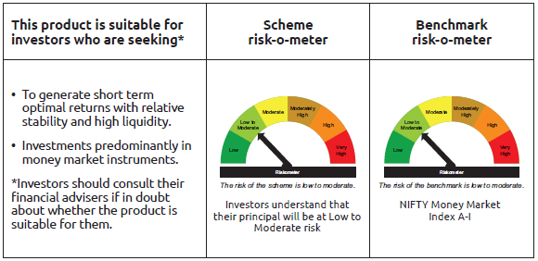
INDEX | Portfolio Statement as on April 30,2025
 | Bandhan Money Manager Fund

 | Name of the Instrument | ISIN | Industry / Rating | Quantity | Market/Fair Value ( Rs. in Lacs) | % to NAV | YTM
 | Debt Instruments
 | (a) Listed / awaiting listing on Stock Exchange
 | Government Securities
GOI1321 | 8.29% State Government Securities | IN2020150065 | SOVEREIGN | 16,000,000 | 16,079.46 | 1.43% | 6.11%
GOI1304 | 8.17% State Government Securities | IN3420150028 | SOVEREIGN | 1,000,000 | 1,001.46 | 0.09% | 6.01%
 | Subtotal |  |  |  | 17,080.92 | 1.52%
 | (b) Privately placed / Unlisted |  |  |  | NIL | NIL | NIL
 | Subtotal |  |  |  | NIL | NIL | NIL
 | Total |  |  |  | 17,080.92 | 1.52%
 | Money Market Instruments
 | Certificate of Deposit
NBAR806 | National Bank For Agriculture and Rural Development ** | INE261F16892 | CRISIL A1+ | 45,000,000 | 42,920.10 | 3.81% | 6.70%
UTIB1347 | Axis Bank Limited ** | INE238AD6AL4 | CRISIL A1+ | 45,000,000 | 42,796.62 | 3.80% | 6.71%
NBAR821 | National Bank For Agriculture and Rural Development ** | INE261F16934 | CRISIL A1+ | 42,500,000 | 40,422.39 | 3.59% | 6.70%
KMBK871 | Kotak Mahindra Bank Limited | INE237A168Y2 | CRISIL A1+ | 40,000,000 | 38,474.32 | 3.42% | 6.67%
HDFB990 | HDFC Bank Limited ** | INE040A16GJ4 | CRISIL A1+ | 40,000,000 | 37,912.24 | 3.37% | 6.70%
CANB1031 | Canara Bank ** | INE476A16A24 | CRISIL A1+ | 37,500,000 | 35,683.16 | 3.17% | 6.69%
INBK458 | Indian Bank ** | INE562A16OA0 | CRISIL A1+ | 35,000,000 | 33,302.12 | 2.96% | 6.67%
HDFB979 | HDFC Bank Limited ** | INE040A16FY5 | CRISIL A1+ | 30,000,000 | 28,850.79 | 2.56% | 6.70%
BKBA487 | Bank of Baroda | INE028A16HY6 | FITCH A1+ | 30,000,000 | 28,815.21 | 2.56% | 6.67%
HDFB992 | HDFC Bank Limited ** | INE040A16GN6 | CRISIL A1+ | 30,000,000 | 28,360.17 | 2.52% | 6.70%
KMBK873 | Kotak Mahindra Bank Limited ** | INE237A160Z6 | CRISIL A1+ | 27,500,000 | 26,418.59 | 2.35% | 6.67%
IIBL981 | IndusInd Bank Limited ** | INE095A16X93 | CRISIL A1+ | 27,500,000 | 26,150.91 | 2.32% | 7.13%
CANB1018 | Canara Bank | INE476A16ZQ5 | CRISIL A1+ | 25,000,000 | 24,009.85 | 2.13% | 6.69%
NBAR823 | National Bank For Agriculture and Rural Development ** | INE261F16959 | ICRA A1+ | 25,000,000 | 23,728.18 | 2.11% | 6.70%
UTIB1340 | Axis Bank Limited ** | INE238AD6991 | CRISIL A1+ | 22,500,000 | 21,721.91 | 1.93% | 6.71%
UNBI406 | Union Bank of India ** | INE692A16IC3 | ICRA A1+ | 20,000,000 | 19,233.86 | 1.71% | 6.70%
KMBK875 | Kotak Mahindra Bank Limited ** | INE237A162Z2 | CRISIL A1+ | 20,000,000 | 19,096.84 | 1.70% | 6.67%
UNBI418 | Union Bank of India ** | INE692A16IP5 | ICRA A1+ | 20,000,000 | 19,029.64 | 1.69% | 6.70%
SIDB596 | Small Industries Dev Bank of India ** | INE556F16BD2 | CRISIL A1+ | 20,000,000 | 18,908.52 | 1.68% | 6.71%
IIBL990 | IndusInd Bank Limited ** | INE095A16Z34 | CRISIL A1+ | 20,000,000 | 18,847.24 | 1.67% | 7.13%
HDFB971 | HDFC Bank Limited ** | INE040A16FR9 | CARE A1+ | 17,500,000 | 16,919.23 | 1.50% | 6.70%
NBAR810 | National Bank For Agriculture and Rural Development ** | INE261F16900 | CRISIL A1+ | 15,000,000 | 14,301.69 | 1.27% | 6.70%
UTIB1330 | Axis Bank Limited ** | INE238AD6892 | CRISIL A1+ | 12,500,000 | 12,216.91 | 1.09% | 6.66%
KMBK876 | Kotak Mahindra Bank Limited ** | INE237A163Z0 | CRISIL A1+ | 12,500,000 | 11,908.53 | 1.06% | 6.67%
BKIN467 | Bank of India ** | INE084A16DC4 | CRISIL A1+ | 12,500,000 | 11,883.24 | 1.06% | 6.74%
SIDB578 | Small Industries Dev Bank of India ** | INE556F16AW4 | CARE A1+ | 10,000,000 | 9,662.26 | 0.86% | 6.72%
CANB1015 | Canara Bank | INE476A16ZO0 | CRISIL A1+ | 10,000,000 | 9,617.47 | 0.85% | 6.69%
CANB1023 | Canara Bank | INE476A16ZU7 | CRISIL A1+ | 10,000,000 | 9,592.12 | 0.85% | 6.69%
BKIN466 | Bank of India ** | INE084A16CY0 | CRISIL A1+ | 10,000,000 | 9,577.92 | 0.85% | 6.73%
UNBI413 | Union Bank of India ** | INE692A16IJ8 | FITCH A1+ | 10,000,000 | 9,554.84 | 0.85% | 6.70%
UNBI414 | Union Bank of India ** | INE692A16IK6 | ICRA A1+ | 10,000,000 | 9,544.80 | 0.85% | 6.70%
UTIB1349 | Axis Bank Limited ** | INE238AD6AN0 | CRISIL A1+ | 10,000,000 | 9,465.67 | 0.84% | 6.71%
UNBI427 | Union Bank of India ** | INE692A16IY7 | ICRA A1+ | 10,000,000 | 9,465.26 | 0.84% | 6.70%
FEBA349 | The Federal Bank Limited ** | INE171A16MW8 | CRISIL A1+ | 10,000,000 | 9,448.05 | 0.84% | 6.81%
UTIB1331 | Axis Bank Limited ** | INE238AD6918 | CRISIL A1+ | 7,500,000 | 7,324.92 | 0.65% | 6.66%
BKIN460 | Bank of India | INE084A16CS2 | CRISIL A1+ | 5,000,000 | 4,812.76 | 0.43% | 6.73%
INBK450 | Indian Bank ** | INE562A16NQ8 | CRISIL A1+ | 5,000,000 | 4,809.15 | 0.43% | 6.68%
CANB1016 | Canara Bank ** | INE476A16ZP7 | CRISIL A1+ | 5,000,000 | 4,807.89 | 0.43% | 6.69%
BKIN463 | Bank of India ** | INE084A16CV6 | CRISIL A1+ | 5,000,000 | 4,806.79 | 0.43% | 6.73%
UNBI410 | Union Bank of India | INE692A16IF6 | FITCH A1+ | 5,000,000 | 4,803.38 | 0.43% | 6.70%
EXIM793 | Export Import Bank of India | INE514E16CI1 | CRISIL A1+ | 5,000,000 | 4,787.11 | 0.43% | 6.68%
SIDB592 | Small Industries Dev Bank of India ** | INE556F16BB6 | CRISIL A1+ | 5,000,000 | 4,737.01 | 0.42% | 6.71%
NBAR835 | National Bank For Agriculture and Rural Development ** | INE261F16983 | CRISIL A1+ | 5,000,000 | 4,725.88 | 0.42% | 6.70%
SIDB599 | Small Industries Dev Bank of India | INE556F16BG5 | CRISIL A1+ | 5,000,000 | 4,714.84 | 0.42% | 6.71%
UTIB1327 | Axis Bank Limited ** | INE238AD6884 | CRISIL A1+ | 2,500,000 | 2,449.50 | 0.22% | 6.66%
UTIB1339 | Axis Bank Limited | INE238AD6983 | CRISIL A1+ | 2,500,000 | 2,413.18 | 0.21% | 6.70%
INBK460 | Indian Bank ** | INE562A16NX4 | CRISIL A1+ | 2,500,000 | 2,380.79 | 0.21% | 6.67%
HDFB986 | HDFC Bank Limited ** | INE040A16GF2 | CRISIL A1+ | 2,500,000 | 2,377.37 | 0.21% | 6.70%
CANB1021 | Canara Bank ** | INE476A16ZT9 | CRISIL A1+ | 1,500,000 | 1,439.07 | 0.13% | 6.69%
KMBK874 | Kotak Mahindra Bank Limited ** | INE237A161Z4 | CRISIL A1+ | 1,500,000 | 1,433.76 | 0.13% | 6.67%
CANB1019 | Canara Bank ** | INE476A16ZR3 | CRISIL A1+ | 50,000 | 49.88 | $ | 6.49%
 | Commercial Paper
KOMP1721 | Kotak Mahindra Prime Limited ** | INE916D144I1 | CRISIL A1+ | 30,000,000 | 28,950.96 | 2.57% | 7.04%
PAFI43 | Panatone Finvest Limited ** | INE116F14216 | CRISIL A1+ | 25,000,000 | 23,792.95 | 2.11% | 7.21%
KOMP1730 | Kotak Mahindra Prime Limited ** | INE916D144V4 | CRISIL A1+ | 25,000,000 | 23,655.28 | 2.10% | 7.06%
LICH692 | LIC Housing Finance Limited ** | INE115A14FJ1 | CRISIL A1+ | 20,000,000 | 18,966.24 | 1.69% | 6.79%
RICL197 | Barclays Investments & Loans (India) Private Limited ** | INE704I14JU4 | ICRA A1+ | 15,000,000 | 14,642.76 | 1.30% | 7.24%
ICBR569 | ICICI Securities Limited ** | INE763G14XP5 | CRISIL A1+ | 15,000,000 | 14,128.53 | 1.26% | 7.17%
LICH690 | LIC Housing Finance Limited ** | INE115A14FI3 | CRISIL A1+ | 10,000,000 | 9,530.19 | 0.85% | 6.79%
AXSL103 | Axis Securities Limited ** | INE110O14EW9 | ICRA A1+ | 10,000,000 | 9,451.17 | 0.84% | 7.19%
MUFL444 | Muthoot Finance Limited ** | INE414G14UA3 | CRISIL A1+ | 5,000,000 | 4,748.43 | 0.42% | 7.33%
 | Treasury Bill
TBIL2483 | 364 Days Tbill | IN002024Z487 | SOVEREIGN | 30,000,000 | 28,545.42 | 2.54% | 5.90%
TBIL2475 | 364 Days Tbill | IN002024Z453 | SOVEREIGN | 25,000,000 | 23,863.28 | 2.12% | 5.89%
TBIL2477 | 364 Days Tbill | IN002024Z461 | SOVEREIGN | 25,000,000 | 23,837.55 | 2.12% | 5.89%
TBIL2487 | 364 Days Tbill | IN002024Z495 | SOVEREIGN | 22,500,000 | 21,384.29 | 1.90% | 5.91%
TBIL2481 | 364 Days Tbill | IN002024Z479 | SOVEREIGN | 20,000,000 | 19,050.80 | 1.69% | 5.90%
TBIL2472 | 182 Days Tbill | IN002024Y449 | SOVEREIGN | 15,000,000 | 14,750.06 | 1.31% | 5.89%
TBIL2480 | 182 Days Tbill | IN002024Y472 | SOVEREIGN | 12,500,000 | 12,249.85 | 1.09% | 5.92%
TBIL2353 | 364 Days Tbill | IN002024Z057 | SOVEREIGN | 500,000 | 499.92 | 0.04% | 5.88%
 | Collateralised Borrowing & Lending Obligation / Reverse Repo Instrument
TRP_020525 | CBLO TRP_020525 |  |  |  | 38,377.46 | 3.41% | 5.87%
 | Total |  |  |  | 1,121,139.07 | 99.62%
 | Corporate Debt Market Development Fund
CDMD50ME | Corporate Debt Market Development Fund | INF0RQ622028 |  | 20,189 | 2,244.61 | 0.20%
 | Total |  |  |  | 2,244.61 | 0.20%
 | OTHERS
 | Cash Margin - CCIL |  |  |  | 0.90 | $
 | Subtotal |  |  |  | 0.90 | $
 | Net Current Assets |  |  |  | (14,987.29) | -1.34%
 | GRAND TOTAL |  |  |  | 1,125,478.21 | 100.00%

 | $ Less Than 0.01% of NAV
 | ** Thinly Traded/Non Traded Securities/Illiquid Securities

 | As per the requirement of regulation 43A of SEBI (Mutual Funds) Regulations, 1996, SEBI circular no. SEBI/HO/IMD/PoD2/P/CIR/2023/128 dated July 27, 2023 on framework for Corporate Debt Market Development Fund and SEBI circular no. SEBI/HO/IMD/PoD2 /P/CIR/2023/129 dated July 27, 2023 on investment by mutual fund schemes and Asset Management Companies (AMCs) in units of Corporate Debt Market Development Fund (“CDMDF”), specified open ended debt-oriented schemes of Bandhan Mutual Fund and Bandhan AMC Limited (‘AMC’) shall invest percentage of net assets in the units of the CDMDF.

BANDHAN USTF
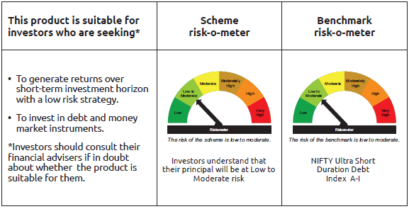
INDEX | Portfolio Statement as on April 30,2025
 | Bandhan Ultra Short Term Fund

 | Name of the Instrument | ISIN | Industry / Rating | Quantity | Market/Fair Value ( Rs. in Lacs) | % to NAV | YTM
 | Debt Instruments
 | (a) Listed / awaiting listing on Stock Exchange
 | Government Securities
GOI6176 | 6.48% State Government Securities | IN2920210506 | SOVEREIGN | 6,000,000 | 6,019.85 | 1.39% | 6.28%
GOI1785 | 7.86% State Government Securities | IN1920160117 | SOVEREIGN | 5,000,000 | 5,136.50 | 1.18% | 6.29%
GOI1893 | 7.59% State Government Securities | IN1920160125 | SOVEREIGN | 5,000,000 | 5,115.37 | 1.18% | 6.29%
GOI2089 | 8.15% State Government Securities | IN3120180036 | SOVEREIGN | 500,000 | 524.79 | 0.12% | 6.32%
GOI1607 | 8.25% State Government Securities | IN2220150030 | SOVEREIGN | 500,000 | 501.05 | 0.12% | 6.04%
 | Non Convertible Debentures
SIDB468 | 7.25% Small Industries Dev Bank of India ** | INE556F08KA6 | ICRA AAA | 20,000,000 | 20,003.46 | 4.61% | 6.81%
BHFL91 | 7.42% Bajaj Housing Finance Limited ** | INE377Y07334 | CRISIL AAA | 19,750,000 | 19,759.20 | 4.55% | 6.89%
TCHF380 | 7.97% Tata Capital Housing Finance Limited ** | INE033L07HV8 | CRISIL AAA | 12,500,000 | 12,540.28 | 2.89% | 7.04%
NBAR680 | 7.25% National Bank For Agriculture and Rural Development | INE261F08DQ4 | CRISIL AAA | 12,500,000 | 12,503.86 | 2.88% | 6.75%
NBAR650 | 5.7% National Bank For Agriculture and Rural Development ** | INE261F08DK7 | CRISIL AAA | 12,500,000 | 12,459.13 | 2.87% | 6.75%
NBAR701 | 7.58% National Bank For Agriculture and Rural Development | INE261F08DX0 | CRISIL AAA | 10,000,000 | 10,071.71 | 2.32% | 6.92%
LICH628 | 7.38% LIC Housing Finance Limited ** | INE115A07PZ0 | CRISIL AAA | 10,000,000 | 10,003.29 | 2.30% | 6.91%
BHFL96 | 7.9237% Bajaj Housing Finance Limited ** | INE377Y07375 | CRISIL AAA | 9,000,000 | 9,058.39 | 2.09% | 7.07%
TCFS644 | 7.89% Tata Capital Limited ** | INE306N07NF5 | CRISIL AAA | 9,000,000 | 9,022.58 | 2.08% | 7.16%
NBAR684 | 7.2% National Bank For Agriculture and Rural Development ** | INE261F08DR2 | ICRA AAA | 9,000,000 | 9,002.92 | 2.07% | 6.81%
POWF488 | 7.15% Power Finance Corporation Limited ** | INE134E08LR7 | CRISIL AAA | 7,500,000 | 7,500.97 | 1.73% | 6.80%
POWF486 | 7.13% Power Finance Corporation Limited ** | INE134E08LO4 | CRISIL AAA | 7,500,000 | 7,500.11 | 1.73% | 6.78%
TCFS658 | 8.3% Tata Capital Limited ** | INE306N07NL3 | ICRA AAA | 7,000,000 | 7,057.69 | 1.63% | 7.21%
POWF470 | 6.5% Power Finance Corporation Limited ** | INE134E08LD7 | CRISIL AAA | 6,000,000 | 5,987.22 | 1.38% | 6.80%
MUFL394 | 8.5% Muthoot Finance Limited ** | INE414G07HK3 | CRISIL AA+ | 5,500,000 | 5,520.32 | 1.27% | 7.81%
RECL428 | 7.56% REC Limited ** | INE020B08ED9 | CRISIL AAA | 5,000,000 | 5,037.30 | 1.16% | 6.84%
NBAR677 | 7.4% National Bank For Agriculture and Rural Development ** | INE261F08DO9 | CRISIL AAA | 5,000,000 | 5,013.67 | 1.15% | 6.89%
HDFB905 | 7.7% HDFC Bank Limited ** | INE040A08641 | CRISIL AAA | 5,000,000 | 5,010.49 | 1.15% | 7.06%
SIDB472 | 7.11% Small Industries Dev Bank of India ** | INE556F08KB4 | ICRA AAA | 5,000,000 | 5,009.46 | 1.15% | 6.88%
SUFI737 | 7.74% Sundaram Finance Limited ** | INE660A07RM9 | ICRA AAA | 5,000,000 | 5,002.67 | 1.15% | 6.77%
CHOL1067 | 8.5% Cholamandalam Investment and Finance Company Ltd ** | INE121A07SG2 | ICRA AA+ | 2,500,000 | 2,541.18 | 0.59% | 7.66%
CHOL1035 | 8.5% Cholamandalam Investment and Finance Company Ltd ** | INE121A07RT7 | ICRA AA+ | 2,500,000 | 2,534.62 | 0.58% | 7.59%
BAFL883 | 8.1% Bajaj Finance Limited ** | INE296A07SR9 | CRISIL AAA | 2,500,000 | 2,530.42 | 0.58% | 7.27%
BAFL934 | 8.1% Bajaj Finance Limited ** | INE296A07TA3 | CRISIL AAA | 2,500,000 | 2,522.52 | 0.58% | 7.17%
RECL439 | 7.64% REC Limited | INE020B08EM0 | CRISIL AAA | 2,500,000 | 2,520.81 | 0.58% | 6.84%
KOMP1668 | 7.97% Kotak Mahindra Prime Limited ** | INE916DA7SH1 | CRISIL AAA | 2,500,000 | 2,519.33 | 0.58% | 7.17%
BHFL117 | 8% Bajaj Housing Finance Limited ** | INE377Y07466 | CRISIL AAA | 2,500,000 | 2,515.48 | 0.58% | 7.07%
POWF459 | 7.17% Power Finance Corporation Limited ** | INE134E08KT5 | CRISIL AAA | 2,500,000 | 2,500.01 | 0.58% | 6.71%
RECL405 | 5.85% REC Limited ** | INE020B08DF6 | CRISIL AAA | 2,500,000 | 2,483.12 | 0.57% | 6.81%
BHFL121 | 7.98% Bajaj Housing Finance Limited ** | INE377Y07490 | CRISIL AAA | 500,000 | 505.26 | 0.12% | 7.09%
PGCI285 | 9.35% Power Grid Corporation of India Limited ** | INE752E07IV6 | CRISIL AAA | 500,000 | 503.65 | 0.12% | 6.67%
MUFL397 | 8.65% Muthoot Finance Limited ** | INE414G07HS6 | CRISIL AA+ | 500,000 | 503.12 | 0.12% | 8.00%
TCHF374 | 7.55% Tata Capital Housing Finance Limited ** | INE033L07HT2 | CRISIL AAA | 500,000 | 500.30 | 0.12% | 6.93%
 | Subtotal |  |  |  | 225,042.10 | 51.85%
 | (b) Privately placed / Unlisted |  |  |  | NIL | NIL | NIL
 | Subtotal |  |  |  | NIL | NIL | NIL
 | Total |  |  |  | 225,042.10 | 51.85%
 | Money Market Instruments
 | Certificate of Deposit
HDFB966 | HDFC Bank Limited | INE040A16FM0 | CARE A1+ | 37,000,000 | 36,073.34 | 8.31% | 6.65%
UTIB1331 | Axis Bank Limited ** | INE238AD6918 | CRISIL A1+ | 17,500,000 | 17,091.48 | 3.94% | 6.66%
HDFB967 | HDFC Bank Limited | INE040A16FN8 | CARE A1+ | 12,500,000 | 12,195.45 | 2.81% | 6.65%
UTIB1330 | Axis Bank Limited ** | INE238AD6892 | CRISIL A1+ | 7,500,000 | 7,330.15 | 1.69% | 6.66%
UTIB1336 | Axis Bank Limited ** | INE238AD6900 | CRISIL A1+ | 5,000,000 | 4,887.64 | 1.13% | 6.66%
BKBA481 | Bank of Baroda ** | INE028A16GQ4 | FITCH A1+ | 5,000,000 | 4,881.46 | 1.12% | 6.61%
SIDB575 | Small Industries Dev Bank of India ** | INE556F16AU8 | CARE A1+ | 5,000,000 | 4,856.16 | 1.12% | 6.72%
UTIB1335 | Axis Bank Limited | INE238AD6959 | CRISIL A1+ | 5,000,000 | 4,855.85 | 1.12% | 6.73%
UTIB1334 | Axis Bank Limited ** | INE238AD6942 | CRISIL A1+ | 5,000,000 | 4,855.19 | 1.12% | 6.72%
BKBA497 | Bank of Baroda ** | INE028A16IH9 | FITCH A1+ | 5,000,000 | 4,853.65 | 1.12% | 6.67%
UTIB1340 | Axis Bank Limited ** | INE238AD6991 | CRISIL A1+ | 5,000,000 | 4,827.09 | 1.11% | 6.71%
UNBI410 | Union Bank of India | INE692A16IF6 | FITCH A1+ | 5,000,000 | 4,803.38 | 1.11% | 6.70%
IIBL972 | IndusInd Bank Limited ** | INE095A16X10 | CRISIL A1+ | 2,500,000 | 2,449.26 | 0.56% | 6.88%
CANB1002 | Canara Bank | INE476A16YY2 | CRISIL A1+ | 2,500,000 | 2,444.93 | 0.56% | 6.63%
CANB1016 | Canara Bank ** | INE476A16ZP7 | CRISIL A1+ | 2,500,000 | 2,403.95 | 0.55% | 6.69%
PUBA1034 | Punjab National Bank | INE160A16PF9 | CRISIL A1+ | 290,000 | 289.28 | 0.07% | 6.52%
KMBK857 | Kotak Mahindra Bank Limited ** | INE237A162X7 | CRISIL A1+ | 150,000 | 149.79 | 0.03% | 6.47%
BKBA452 | Bank of Baroda | INE028A16GR2 | FITCH A1+ | 150,000 | 149.63 | 0.03% | 6.50%
 | Commercial Paper
RRVL180 | Reliance Retail Ventures Limited ** | INE929O14DJ1 | CRISIL A1+ | 17,500,000 | 17,288.34 | 3.98% | 6.67%
ICBR580 | ICICI Securities Limited ** | INE763G14YC1 | CRISIL A1+ | 10,000,000 | 9,876.49 | 2.27% | 6.81%
SUFI756 | Sundaram Finance Limited | INE660A14YK5 | ICRA A1+ | 10,000,000 | 9,833.05 | 2.26% | 6.81%
BAFS58 | Bajaj Financial Securities Limited ** | INE01C314981 | CRISIL A1+ | 5,000,000 | 4,951.83 | 1.14% | 6.70%
EXIM789 | Export Import Bank of India | INE514E14SJ0 | CRISIL A1+ | 2,500,000 | 2,411.47 | 0.56% | 6.70%
LICH677 | LIC Housing Finance Limited | INE115A14FA0 | CRISIL A1+ | 290,000 | 289.32 | 0.07% | 6.58%
 | Treasury Bill
TBIL2470 | 91 Days Tbill | IN002024X458 | SOVEREIGN | 12,000,000 | 11,972.90 | 2.76% | 5.90%
TBIL2469 | 182 Days Tbill | IN002024Y431 | SOVEREIGN | 8,338,500 | 8,208.47 | 1.89% | 5.90%
 | Collateralised Borrowing & Lending Obligation / Reverse Repo Instrument
TRP_020525 | CBLO TRP_020525 |  |  |  | 24,745.86 | 5.70% | 5.87%
 | Total |  |  |  | 208,975.41 | 48.13%
 | Corporate Debt Market Development Fund
CDMD50ME | Corporate Debt Market Development Fund | INF0RQ622028 |  | 10,017 | 1,113.70 | 0.26%
 | Total |  |  |  | 1,113.70 | 0.26%
 | OTHERS
 | Cash Margin - CCIL |  |  |  | 8.67 | $
 | Subtotal |  |  |  | 8.67 | $
 | Net Current Assets |  |  |  | (823.62) | -0.24%
 | GRAND TOTAL |  |  |  | 434,316.26 | 100.00%

 | $ Less Than 0.01% of NAV
 | ** Thinly Traded/Non Traded Securities/Illiquid Securities

 | As per the requirement of regulation 43A of SEBI (Mutual Funds) Regulations, 1996, SEBI circular no. SEBI/HO/IMD/PoD2/P/CIR/2023/128 dated July 27, 2023 on framework for Corporate Debt Market Development Fund and SEBI circular no. SEBI/HO/IMD/PoD2 /P/CIR/2023/129 dated July 27, 2023 on investment by mutual fund schemes and Asset Management Companies (AMCs) in units of Corporate Debt Market Development Fund (“CDMDF”), specified open ended debt-oriented schemes of Bandhan Mutual Fund and Bandhan AMC Limited (‘AMC’) shall invest percentage of net assets in the units of the CDMDF.

BANDHAN DBF
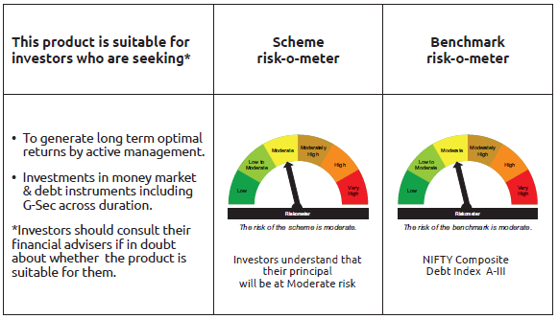
INDEX | Portfolio Statement as on April 30,2025
 | Bandhan Dynamic Bond Fund

 | Name of the Instrument | ISIN | Industry / Rating | Quantity | Market/Fair Value ( Rs. in Lacs) | % to NAV | YTM
 | Debt Instruments
 | (a) Listed / awaiting listing on Stock Exchange
 | Government Securities
GOI5152 | 7.3% Government of India | IN0020230051 | SOVEREIGN | 268,000,000 | 285,347.91 | 97.32% | 6.78%
GOI1973 | 7.17% Government of India | IN0020170174 | SOVEREIGN | 10,000 | 10.27 | $ | 6.05%
GOI922 | 8.2% Government of India | IN0020120047 | SOVEREIGN | 10,000 | 10.08 | $ | 6.03%
 | Subtotal |  |  |  | 285,368.26 | 97.32%
 | (b) Privately placed / Unlisted |  |  |  | NIL | NIL | NIL
 | Subtotal |  |  |  | NIL | NIL | NIL
 | Total |  |  |  | 285,368.26 | 97.32%
 | Money Market Instruments
 | Collateralised Borrowing & Lending Obligation / Reverse Repo Instrument
TRP_020525 | CBLO TRP_020525 |  |  |  | 634.82 | 0.22% | 5.87%
 | Total |  |  |  | 634.82 | 0.22%
 | Corporate Debt Market Development Fund
CDMD50ME | Corporate Debt Market Development Fund | INF0RQ622028 |  | 7,534 | 837.61 | 0.29%
 | Total |  |  |  | 837.61 | 0.29%
 | OTHERS
 | Cash Margin - CCIL |  |  |  | 1.25 | $
 | Subtotal |  |  |  | 1.25 | $
 | Net Current Assets |  |  |  | 6,352.38 | 2.17%
 | GRAND TOTAL |  |  |  | 293,194.32 | 100.00%

 | $ Less Than 0.01% of NAV

 | As per the requirement of regulation 43A of SEBI (Mutual Funds) Regulations, 1996, SEBI circular no. SEBI/HO/IMD/PoD2/P/CIR/2023/128 dated July 27, 2023 on framework for Corporate Debt Market Development Fund and SEBI circular no. SEBI/HO/IMD/PoD2 /P/CIR/2023/129 dated July 27, 2023 on investment by mutual fund schemes and Asset Management Companies (AMCs) in units of Corporate Debt Market Development Fund (“CDMDF”), specified open ended debt-oriented schemes of Bandhan Mutual Fund and Bandhan AMC Limited (‘AMC’) shall invest percentage of net assets in the units of the CDMDF.

BANDHAN BF-IP
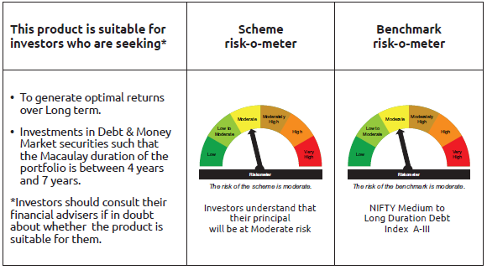
INDEX | Portfolio Statement as on April 30,2025
 | Bandhan Bond Fund - Income Plan

 | Name of the Instrument | ISIN | Industry / Rating | Quantity | Market/Fair Value ( Rs. in Lacs) | % to NAV | YTM
 | Debt Instruments
 | (a) Listed / awaiting listing on Stock Exchange
 | Government Securities
GOI5152 | 7.3% Government of India | IN0020230051 | SOVEREIGN | 24,000,000 | 25,553.54 | 51.79% | 6.78%
GOI1864 | 6.79% Government of India | IN0020170026 | SOVEREIGN | 100,000 | 101.41 | 0.21% | 6.04%
GOI1364 | 7.73% Government of India | IN0020150051 | SOVEREIGN | 37,500 | 41.10 | 0.08% | 6.38%
 | Non Convertible Debentures
NBAR677 | 7.4% National Bank For Agriculture and Rural Development ** | INE261F08DO9 | CRISIL AAA | 5,000,000 | 5,013.67 | 10.16% | 6.89%
TCFS680 | 8.098% Tata Capital Limited ** | INE306N07NS8 | CRISIL AAA | 4,200,000 | 4,247.74 | 8.61% | 7.35%
BHFL114 | 8.04% Bajaj Housing Finance Limited ** | INE377Y07441 | CRISIL AAA | 2,500,000 | 2,532.82 | 5.13% | 7.17%
RECL405 | 5.85% REC Limited ** | INE020B08DF6 | CRISIL AAA | 200,000 | 198.65 | 0.40% | 6.81%
 | Subtotal |  |  |  | 37,688.93 | 76.38%
 | (b) Privately placed / Unlisted |  |  |  | NIL | NIL | NIL
 | Subtotal |  |  |  | NIL | NIL | NIL
 | Total |  |  |  | 37,688.93 | 76.38%
 | Money Market Instruments
 | Certificate of Deposit
HDFB961 | HDFC Bank Limited | INE040A16FF4 | CARE A1+ | 3,400,000 | 3,348.92 | 6.79% | 6.55%
BKBA481 | Bank of Baroda ** | INE028A16GQ4 | FITCH A1+ | 2,500,000 | 2,440.73 | 4.95% | 6.61%
CANB1002 | Canara Bank | INE476A16YY2 | CRISIL A1+ | 2,400,000 | 2,347.14 | 4.76% | 6.63%
UNBI412 | Union Bank of India | INE692A16II0 | FITCH A1+ | 1,000,000 | 959.32 | 1.94% | 6.70%
 | Commercial Paper
BAFL946 | Bajaj Finance Limited ** | INE296A14ZD0 | ICRA A1+ | 1,400,000 | 1,347.89 | 2.73% | 7.02%
 | Collateralised Borrowing & Lending Obligation / Reverse Repo Instrument
TRP_020525 | CBLO TRP_020525 |  |  |  | 210.64 | 0.43% | 5.87%
 | Total |  |  |  | 10,654.64 | 21.60%
 | Corporate Debt Market Development Fund
CDMD50ME | Corporate Debt Market Development Fund | INF0RQ622028 |  | 1,254 | 139.44 | 0.28%
 | Total |  |  |  | 139.44 | 0.28%
 | OTHERS
 | Cash Margin - CCIL |  |  |  | 0.01 | $
 | Subtotal |  |  |  | 0.01 | $
 | Net Current Assets |  |  |  | 855.92 | 1.74%
 | GRAND TOTAL |  |  |  | 49,338.94 | 100.00%

 | $ Less Than 0.01% of NAV
 | ** Thinly Traded/Non Traded Securities/Illiquid Securities

 | As per the requirement of regulation 43A of SEBI (Mutual Funds) Regulations, 1996, SEBI circular no. SEBI/HO/IMD/PoD2/P/CIR/2023/128 dated July 27, 2023 on framework for Corporate Debt Market Development Fund and SEBI circular no. SEBI/HO/IMD/PoD2 /P/CIR/2023/129 dated July 27, 2023 on investment by mutual fund schemes and Asset Management Companies (AMCs) in units of Corporate Debt Market Development Fund (“CDMDF”), specified open ended debt-oriented schemes of Bandhan Mutual Fund and Bandhan AMC Limited (‘AMC’) shall invest percentage of net assets in the units of the CDMDF.

BANDHAN BF-MTP
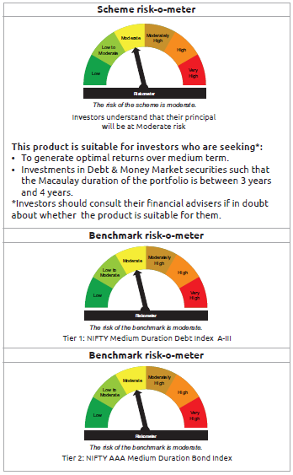
INDEX | Portfolio Statement as on April 30,2025
 | Bandhan Bond Fund - Medium Term Plan

 | Name of the Instrument | ISIN | Industry / Rating | Quantity | Market/Fair Value ( Rs. in Lacs) | % to NAV | YTM
 | Debt Instruments
 | (a) Listed / awaiting listing on Stock Exchange
 | Government Securities
GOI4976 | 7.26% Government of India | IN0020220151 | SOVEREIGN | 47,000,000 | 49,621.24 | 33.55% | 6.34%
GOI5713 | 7.1% Government of India | IN0020240019 | SOVEREIGN | 23,700,000 | 24,869.48 | 16.82% | 6.37%
GOI4986 | 7.68% State Government Securities | IN1520220238 | SOVEREIGN | 500,000 | 522.79 | 0.35% | 6.55%
GOI2153 | 8.37% State Government Securities | IN3120180176 | SOVEREIGN | 194,600 | 207.18 | 0.14% | 6.33%
GOI1864 | 6.79% Government of India | IN0020170026 | SOVEREIGN | 20,000 | 20.28 | 0.01% | 6.04%
GOI536 | 8.24% Government of India | IN0020060078 | SOVEREIGN | 11,000 | 11.40 | 0.01% | 6.05%
 | Non Convertible Debentures
TCHF371 | 7.75% Tata Capital Housing Finance Limited ** | INE033L07HQ8 | CRISIL AAA | 10,500,000 | 10,597.20 | 7.17% | 7.24%
BHFL114 | 8.04% Bajaj Housing Finance Limited ** | INE377Y07441 | CRISIL AAA | 10,000,000 | 10,131.27 | 6.85% | 7.17%
NBAR805 | 7.53% National Bank For Agriculture and Rural Development | INE261F08EM1 | ICRA AAA | 9,500,000 | 9,643.47 | 6.52% | 6.93%
BHFL121 | 7.98% Bajaj Housing Finance Limited ** | INE377Y07490 | CRISIL AAA | 5,000,000 | 5,052.64 | 3.42% | 7.09%
HDFB889 | 6% HDFC Bank Limited | INE040A08708 | CRISIL AAA | 5,000,000 | 4,941.64 | 3.34% | 7.15%
TCFS633 | 7.89% Tata Capital Limited ** | INE306N07MX0 | CRISIL AAA | 4,500,000 | 4,546.20 | 3.07% | 7.35%
NBAR796 | 7.44% National Bank For Agriculture and Rural Development | INE261F08EK5 | CRISIL AAA | 4,000,000 | 4,049.33 | 2.74% | 6.93%
NBAR677 | 7.4% National Bank For Agriculture and Rural Development ** | INE261F08DO9 | CRISIL AAA | 2,500,000 | 2,506.83 | 1.70% | 6.89%
TCFS658 | 8.3% Tata Capital Limited ** | INE306N07NL3 | ICRA AAA | 2,000,000 | 2,016.48 | 1.36% | 7.21%
BAFL826 | 7.9% Bajaj Finance Limited ** | INE296A07SF4 | CRISIL AAA | 1,500,000 | 1,504.24 | 1.02% | 7.11%
TCFS654 | 8.1165% Tata Capital Limited ** | INE306N07NK5 | CRISIL AAA | 900,000 | 907.61 | 0.61% | 7.24%
TCFS680 | 8.098% Tata Capital Limited ** | INE306N07NS8 | CRISIL AAA | 800,000 | 809.09 | 0.55% | 7.35%
BAFL943 | 7.7951% Bajaj Finance Limited ** | INE296A07TF2 | CRISIL AAA | 500,000 | 505.72 | 0.34% | 7.27%
NBAR650 | 5.7% National Bank For Agriculture and Rural Development ** | INE261F08DK7 | CRISIL AAA | 500,000 | 498.37 | 0.34% | 6.75%
 | Subtotal |  |  |  | 132,962.46 | 89.91%
 | (b) Privately placed / Unlisted |  |  |  | NIL | NIL | NIL
 | Subtotal |  |  |  | NIL | NIL | NIL
 | Total |  |  |  | 132,962.46 | 89.91%
 | Money Market Instruments
 | Certificate of Deposit
PUBA1075 | Punjab National Bank ** | INE160A16QV4 | CARE A1+ | 7,500,000 | 7,159.34 | 4.84% | 6.68%
BKBA487 | Bank of Baroda | INE028A16HY6 | FITCH A1+ | 2,000,000 | 1,921.01 | 1.30% | 6.67%
HDFB961 | HDFC Bank Limited | INE040A16FF4 | CARE A1+ | 600,000 | 590.99 | 0.40% | 6.55%
CANB1002 | Canara Bank | INE476A16YY2 | CRISIL A1+ | 600,000 | 586.78 | 0.40% | 6.63%
HDFB986 | HDFC Bank Limited ** | INE040A16GF2 | CRISIL A1+ | 500,000 | 475.47 | 0.32% | 6.70%
 | Collateralised Borrowing & Lending Obligation / Reverse Repo Instrument
TRP_020525 | CBLO TRP_020525 |  |  |  | 566.93 | 0.38% | 5.87%
 | Total |  |  |  | 11,300.52 | 7.64%
 | Corporate Debt Market Development Fund
CDMD50ME | Corporate Debt Market Development Fund | INF0RQ622028 |  | 5,086 | 565.50 | 0.38%
 | Total |  |  |  | 565.50 | 0.38%
 | OTHERS
 | Cash Margin - CCIL |  |  |  | 92.04 | 0.06%
 | Subtotal |  |  |  | 92.04 | 0.06%
 | Net Current Assets |  |  |  | 2,971.63 | 2.01%
 | GRAND TOTAL |  |  |  | 147,892.15 | 100.00%

 | ** Thinly Traded/Non Traded Securities/Illiquid Securities

 | As per the requirement of regulation 43A of SEBI (Mutual Funds) Regulations, 1996, SEBI circular no. SEBI/HO/IMD/PoD2/P/CIR/2023/128 dated July 27, 2023 on framework for Corporate Debt Market Development Fund and SEBI circular no. SEBI/HO/IMD/PoD2 /P/CIR/2023/129 dated July 27, 2023 on investment by mutual fund schemes and Asset Management Companies (AMCs) in units of Corporate Debt Market Development Fund (“CDMDF”), specified open ended debt-oriented schemes of Bandhan Mutual Fund and Bandhan AMC Limited (‘AMC’) shall invest percentage of net assets in the units of the CDMDF.

BANDHAN BF-STP
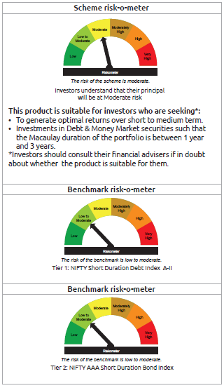
INDEX | Portfolio Statement as on April 30,2025
 | Bandhan Bond Fund - Short Term Plan

 | Name of the Instrument | ISIN | Industry / Rating | Quantity | Market/Fair Value ( Rs. in Lacs) | % to NAV | YTM
 | Debt Instruments
 | (a) Listed / awaiting listing on Stock Exchange
 | Government Securities
GOI4976 | 7.26% Government of India | IN0020220151 | SOVEREIGN | 115,500,000 | 121,941.55 | 12.42% | 6.34%
GOI5713 | 7.1% Government of India | IN0020240019 | SOVEREIGN | 72,800,000 | 76,392.32 | 7.78% | 6.37%
GOI5228 | 7.18% Government of India | IN0020230085 | SOVEREIGN | 29,000,000 | 30,527.00 | 3.11% | 6.35%
GOI4444 | 7.63% State Government Securities | IN2220220049 | SOVEREIGN | 19,945,600 | 20,853.62 | 2.12% | 6.55%
GOI6046 | 7.5% State Government Securities | IN3120240020 | SOVEREIGN | 10,000,000 | 10,433.98 | 1.06% | 6.61%
GOI6565 | 7.03% State Government Securities | IN3520240026 | SOVEREIGN | 6,097,100 | 6,223.65 | 0.63% | 6.57%
GOI4304 | 7.1% State Government Securities | IN3320190264 | SOVEREIGN | 5,000,000 | 5,110.00 | 0.52% | 6.56%
GOI2714 | 6.33% State Government Securities | IN3120200222 | SOVEREIGN | 5,000,000 | 4,955.30 | 0.50% | 6.53%
GOI6427 | 7.17% State Government Securities | IN1020240686 | SOVEREIGN | 3,000,000 | 3,077.39 | 0.31% | 6.69%
GOI6542 | 7.04% State Government Securities | IN3120240707 | SOVEREIGN | 3,000,000 | 3,061.94 | 0.31% | 6.54%
GOI2255 | 7.39% State Government Securities | IN2220190036 | SOVEREIGN | 2,500,000 | 2,592.01 | 0.26% | 6.54%
GOI4185 | 7.18% State Government Securities | IN3320190199 | SOVEREIGN | 2,500,000 | 2,561.62 | 0.26% | 6.56%
GOI536 | 8.24% Government of India | IN0020060078 | SOVEREIGN | 100,000 | 103.64 | 0.01% | 6.05%
GOI3103 | 5.63% Government of India | IN0020210012 | SOVEREIGN | 100,000 | 99.68 | 0.01% | 5.98%
GOI1864 | 6.79% Government of India | IN0020170026 | SOVEREIGN | 85,000 | 86.20 | 0.01% | 6.04%
 | Non Convertible Debentures
RECL471 | 7.44% REC Limited | INE020B08FR6 | CRISIL AAA | 85,000,000 | 86,176.32 | 8.78% | 6.88%
BHFL114 | 8.04% Bajaj Housing Finance Limited ** | INE377Y07441 | CRISIL AAA | 47,500,000 | 48,123.53 | 4.90% | 7.17%
TCFS654 | 8.1165% Tata Capital Limited ** | INE306N07NK5 | CRISIL AAA | 44,100,000 | 44,472.95 | 4.53% | 7.24%
NBAR838 | 7.48% National Bank For Agriculture and Rural Development | INE261F08EO7 | CRISIL AAA | 37,500,000 | 38,137.09 | 3.89% | 6.91%
EXIM792 | 7.14% Export Import Bank of India ** | INE514E08GD0 | CRISIL AAA | 35,000,000 | 35,452.10 | 3.61% | 6.79%
BAFL826 | 7.9% Bajaj Finance Limited ** | INE296A07SF4 | CRISIL AAA | 29,000,000 | 29,082.01 | 2.96% | 7.11%
LICH680 | 7.74% LIC Housing Finance Limited ** | INE115A07QW5 | CRISIL AAA | 27,000,000 | 27,400.90 | 2.79% | 7.12%
NBAR796 | 7.44% National Bank For Agriculture and Rural Development | INE261F08EK5 | CRISIL AAA | 26,000,000 | 26,320.63 | 2.68% | 6.93%
TCHF375 | 7.8% Tata Capital Housing Finance Limited ** | INE033L07HU0 | CRISIL AAA | 25,000,000 | 25,277.00 | 2.58% | 7.23%
LICH676 | 7.9265% LIC Housing Finance Limited ** | INE115A07QS3 | CRISIL AAA | 24,500,000 | 24,879.28 | 2.53% | 7.12%
NBAR805 | 7.53% National Bank For Agriculture and Rural Development | INE261F08EM1 | ICRA AAA | 23,500,000 | 23,854.90 | 2.43% | 6.93%
BHFL121 | 7.98% Bajaj Housing Finance Limited ** | INE377Y07490 | CRISIL AAA | 17,500,000 | 17,684.22 | 1.80% | 7.09%
RECL426 | 7.55% REC Limited ** | INE020B08EA5 | CRISIL AAA | 14,500,000 | 14,746.15 | 1.50% | 6.88%
NBAR689 | 7.5% National Bank For Agriculture and Rural Development | INE261F08DT8 | CRISIL AAA | 12,500,000 | 12,529.99 | 1.28% | 6.90%
NBAR684 | 7.2% National Bank For Agriculture and Rural Development ** | INE261F08DR2 | ICRA AAA | 12,500,000 | 12,504.05 | 1.27% | 6.81%
TCHF397 | 8.0409% Tata Capital Housing Finance Limited ** | INE033L07ID4 | CRISIL AAA | 10,000,000 | 10,133.62 | 1.03% | 7.24%
LICH697 | 7.73% LIC Housing Finance Limited ** | INE115A07RE1 | CRISIL AAA | 10,000,000 | 10,095.94 | 1.03% | 7.15%
BAFL943 | 7.7951% Bajaj Finance Limited ** | INE296A07TF2 | CRISIL AAA | 8,500,000 | 8,597.28 | 0.88% | 7.27%
TCHF371 | 7.75% Tata Capital Housing Finance Limited ** | INE033L07HQ8 | CRISIL AAA | 5,000,000 | 5,046.29 | 0.51% | 7.24%
BHFL102 | 7.78% Bajaj Housing Finance Limited ** | INE377Y07425 | CRISIL AAA | 5,000,000 | 5,034.24 | 0.51% | 7.08%
BHFL117 | 8% Bajaj Housing Finance Limited ** | INE377Y07466 | CRISIL AAA | 5,000,000 | 5,030.96 | 0.51% | 7.07%
LICH622 | 7.9% LIC Housing Finance Limited | INE115A07PV9 | CRISIL AAA | 4,000,000 | 4,056.41 | 0.41% | 7.15%
BAFL967 | 7.7215% Bajaj Finance Limited ** | INE296A07TG0 | CRISIL AAA | 3,500,000 | 3,526.32 | 0.36% | 7.27%
BAFL934 | 8.1% Bajaj Finance Limited ** | INE296A07TA3 | CRISIL AAA | 3,000,000 | 3,027.02 | 0.31% | 7.17%
NBAR803 | 7.4% National Bank For Agriculture and Rural Development | INE261F08EL3 | CRISIL AAA | 2,500,000 | 2,549.23 | 0.26% | 6.92%
TCHF414 | 7.712% Tata Capital Housing Finance Limited ** | INE033L07IK9 | CRISIL AAA | 2,500,000 | 2,526.67 | 0.26% | 7.24%
BHFL98 | 7.83% Bajaj Housing Finance Limited ** | INE377Y07391 | CRISIL AAA | 2,500,000 | 2,509.28 | 0.26% | 7.00%
NBAR680 | 7.25% National Bank For Agriculture and Rural Development | INE261F08DQ4 | CRISIL AAA | 1,000,000 | 1,000.31 | 0.10% | 6.75%
 | Subtotal |  |  |  | 817,794.59 | 83.27%
 | (b) Privately placed / Unlisted |  |  |  | NIL | NIL | NIL
 | Subtotal |  |  |  | NIL | NIL | NIL
 | Total |  |  |  | 817,794.59 | 83.27%
 | Money Market Instruments
 | Certificate of Deposit
HDFB966 | HDFC Bank Limited | INE040A16FM0 | CARE A1+ | 35,000,000 | 34,123.43 | 3.48% | 6.65%
UTIB1336 | Axis Bank Limited ** | INE238AD6900 | CRISIL A1+ | 27,500,000 | 26,881.99 | 2.74% | 6.66%
CANB1023 | Canara Bank | INE476A16ZU7 | CRISIL A1+ | 15,000,000 | 14,388.18 | 1.47% | 6.69%
HDFB967 | HDFC Bank Limited | INE040A16FN8 | CARE A1+ | 10,000,000 | 9,756.36 | 0.99% | 6.65%
UTIB1340 | Axis Bank Limited ** | INE238AD6991 | CRISIL A1+ | 10,000,000 | 9,654.18 | 0.98% | 6.71%
CANB1021 | Canara Bank ** | INE476A16ZT9 | CRISIL A1+ | 10,000,000 | 9,593.80 | 0.98% | 6.69%
HDFB971 | HDFC Bank Limited ** | INE040A16FR9 | CARE A1+ | 5,000,000 | 4,834.07 | 0.49% | 6.70%
BKBA487 | Bank of Baroda | INE028A16HY6 | FITCH A1+ | 3,000,000 | 2,881.52 | 0.29% | 6.67%
CANB1005 | Canara Bank | INE476A16ZA9 | CRISIL A1+ | 2,500,000 | 2,444.50 | 0.25% | 6.63%
BKBA481 | Bank of Baroda ** | INE028A16GQ4 | FITCH A1+ | 2,500,000 | 2,440.73 | 0.25% | 6.61%
UTIB1334 | Axis Bank Limited ** | INE238AD6942 | CRISIL A1+ | 2,500,000 | 2,427.60 | 0.25% | 6.72%
CANB1002 | Canara Bank | INE476A16YY2 | CRISIL A1+ | 2,000,000 | 1,955.95 | 0.20% | 6.63%
HDFB986 | HDFC Bank Limited ** | INE040A16GF2 | CRISIL A1+ | 2,000,000 | 1,901.90 | 0.19% | 6.70%
UNBI412 | Union Bank of India | INE692A16II0 | FITCH A1+ | 1,500,000 | 1,438.98 | 0.15% | 6.70%
 | Commercial Paper
EXIM804 | Export Import Bank of India ** | INE514E14ST9 | CRISIL A1+ | 15,000,000 | 14,530.56 | 1.48% | 6.70%
BAFL946 | Bajaj Finance Limited ** | INE296A14ZD0 | ICRA A1+ | 1,100,000 | 1,059.06 | 0.11% | 7.02%
 | Collateralised Borrowing & Lending Obligation / Reverse Repo Instrument
TRP_020525 | CBLO TRP_020525 |  |  |  | 1,187.35 | 0.12% | 5.87%
 | Total |  |  |  | 141,500.16 | 14.42%
 | Corporate Debt Market Development Fund
CDMD50ME | Corporate Debt Market Development Fund | INF0RQ622028 |  | 24,280 | 2,699.47 | 0.28%
 | Total |  |  |  | 2,699.47 | 0.28%
 | OTHERS
 | Cash Margin - CCIL |  |  |  | 188.76 | 0.02%
 | Subtotal |  |  |  | 188.76 | 0.02%
 | Net Current Assets |  |  |  | 19,387.67 | 2.01%
 | GRAND TOTAL |  |  |  | 981,570.65 | 100.00%

 | ** Thinly Traded/Non Traded Securities/Illiquid Securities

 | As per the requirement of regulation 43A of SEBI (Mutual Funds) Regulations, 1996, SEBI circular no. SEBI/HO/IMD/PoD2/P/CIR/2023/128 dated July 27, 2023 on framework for Corporate Debt Market Development Fund and SEBI circular no. SEBI/HO/IMD/PoD2 /P/CIR/2023/129 dated July 27, 2023 on investment by mutual fund schemes and Asset Management Companies (AMCs) in units of Corporate Debt Market Development Fund (“CDMDF”), specified open ended debt-oriented schemes of Bandhan Mutual Fund and Bandhan AMC Limited (‘AMC’) shall invest percentage of net assets in the units of the CDMDF.

BANDHAN BPSU
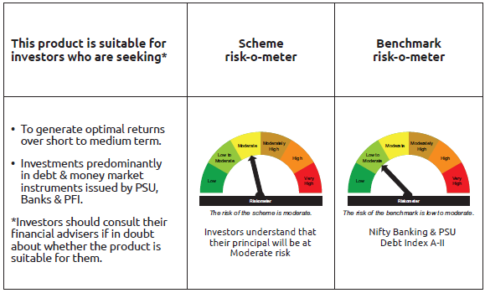
INDEX | Portfolio Statement as on April 30,2025
 | Bandhan Banking & PSU Debt Fund

 | Name of the Instrument | ISIN | Industry / Rating | Quantity | Market/Fair Value ( Rs. in Lacs) | % to NAV | YTM
 | Debt Instruments
 | (a) Listed / awaiting listing on Stock Exchange
 | Government Securities
GOI5228 | 7.18% Government of India | IN0020230085 | SOVEREIGN | 141,100,000 | 148,529.62 | 10.95% | 6.35%
GOI5713 | 7.1% Government of India | IN0020240019 | SOVEREIGN | 94,000,000 | 98,638.43 | 7.27% | 6.37%
GOI6526 | 7.17% State Government Securities | IN2720240158 | SOVEREIGN | 28,000,000 | 28,749.87 | 2.12% | 6.57%
GOI6156 | 6.79% Government of India | IN0020240126 | SOVEREIGN | 20,000,000 | 20,604.00 | 1.52% | 6.36%
GOI6527 | 7.09% State Government Securities | IN3120240657 | SOVEREIGN | 20,000,000 | 20,491.58 | 1.51% | 6.54%
GOI1908 | 7.18% State Government Securities | IN3120170078 | SOVEREIGN | 120,000 | 122.19 | 0.01% | 6.29%
 | Non Convertible Debentures
HDFB889 | 6% HDFC Bank Limited | INE040A08708 | CRISIL AAA | 78,500,000 | 77,583.67 | 5.72% | 7.15%
NBAR780 | 7.7% National Bank For Agriculture and Rural Development | INE261F08EI9 | ICRA AAA | 71,000,000 | 72,181.37 | 5.32% | 6.90%
IRLY366 | 7.4% Indian Railway Finance Corporation Limited | INE053F08239 | CRISIL AAA | 52,500,000 | 52,797.36 | 3.89% | 6.77%
IRLY369 | 7.51% Indian Railway Finance Corporation Limited | INE053F08288 | CRISIL AAA | 41,500,000 | 41,762.78 | 3.08% | 6.80%
HDFB913 | 7.7% HDFC Bank Limited | INE040A08955 | CRISIL AAA | 37,000,000 | 37,634.48 | 2.78% | 7.05%
NUCL133 | 7.7% Nuclear Power Corporation Of India Limited ** | INE206D08501 | ICRA AAA | 36,000,000 | 36,867.56 | 2.72% | 6.74%
NTPC112 | 7.58% NTPC Limited ** | INE733E07KE8 | CRISIL AAA | 35,000,000 | 35,343.35 | 2.61% | 6.73%
RECL411 | 5.94% REC Limited ** | INE020B08DK6 | CRISIL AAA | 31,500,000 | 31,283.37 | 2.31% | 6.80%
NBAR741 | 7.8% National Bank For Agriculture and Rural Development | INE261F08EF5 | ICRA AAA | 29,000,000 | 29,435.58 | 2.17% | 6.90%
RECL405 | 5.85% REC Limited ** | INE020B08DF6 | CRISIL AAA | 24,300,000 | 24,135.88 | 1.78% | 6.81%
RECL429 | 7.6% REC Limited | INE020B08EF4 | CRISIL AAA | 23,500,000 | 23,631.11 | 1.74% | 6.80%
HPEC303 | 7.74% Hindustan Petroleum Corporation Limited ** | INE094A08150 | CRISIL AAA | 23,000,000 | 23,574.75 | 1.74% | 6.73%
IOIC654 | 7.44% Indian Oil Corporation Limited ** | INE242A08544 | CRISIL AAA | 23,000,000 | 23,365.68 | 1.72% | 6.72%
POWF517 | 7.64% Power Finance Corporation Limited ** | INE134E08MT1 | CRISIL AAA | 22,500,000 | 22,701.96 | 1.67% | 6.86%
EXIM731 | 7.32% Export Import Bank of India ** | INE514E08FZ5 | CRISIL AAA | 20,000,000 | 20,113.06 | 1.48% | 6.75%
SIDB472 | 7.11% Small Industries Dev Bank of India ** | INE556F08KB4 | ICRA AAA | 18,500,000 | 18,535.00 | 1.37% | 6.88%
NBAR805 | 7.53% National Bank For Agriculture and Rural Development | INE261F08EM1 | ICRA AAA | 17,500,000 | 17,764.29 | 1.31% | 6.93%
IRLY371 | 7.23% Indian Railway Finance Corporation Limited ** | INE053F08304 | CRISIL AAA | 17,500,000 | 17,611.76 | 1.30% | 6.79%
NHBA331 | 7.59% National Housing Bank ** | INE557F08FZ1 | CRISIL AAA | 15,000,000 | 15,266.69 | 1.13% | 6.75%
NHBA329 | 7.59% National Housing Bank ** | INE557F08FY4 | CRISIL AAA | 15,000,000 | 15,250.86 | 1.12% | 6.75%
NHBA319 | 7.77% National Housing Bank ** | INE557F08FP2 | CRISIL AAA | 15,000,000 | 15,125.99 | 1.12% | 6.75%
POWF487 | 7.13% Power Finance Corporation Limited ** | INE134E08LP1 | CRISIL AAA | 12,500,000 | 12,534.19 | 0.92% | 6.86%
EXIM794 | 7.35% Export Import Bank of India | INE514E08GE8 | CRISIL AAA | 10,000,000 | 10,158.40 | 0.75% | 6.79%
HDFB463 | 7.95% HDFC Bank Limited ** | INE040A08369 | CRISIL AAA | 10,000,000 | 10,091.90 | 0.74% | 7.18%
NBAR677 | 7.4% National Bank For Agriculture and Rural Development ** | INE261F08DO9 | CRISIL AAA | 10,000,000 | 10,027.33 | 0.74% | 6.89%
NHBA317 | 7.34% National Housing Bank | INE557F08FN7 | CRISIL AAA | 9,000,000 | 9,011.15 | 0.66% | 6.90%
PGCI422 | 8.24% Power Grid Corporation of India Limited ** | INE752E08551 | CRISIL AAA | 7,500,000 | 7,897.81 | 0.58% | 6.74%
NUCL124 | 7.25% Nuclear Power Corporation Of India Limited ** | INE206D08410 | CRISIL AAA | 5,500,000 | 5,584.14 | 0.41% | 6.71%
PGCI407 | 7.89% Power Grid Corporation of India Limited ** | INE752E07OE0 | CRISIL AAA | 5,000,000 | 5,095.63 | 0.38% | 6.74%
NTPC251 | 7.47% NTPC Limited ** | INE733E07KF5 | CRISIL AAA | 5,000,000 | 5,044.46 | 0.37% | 6.73%
EXIM718 | 7.25% Export Import Bank of India ** | INE514E08FJ9 | CRISIL AAA | 5,000,000 | 5,037.19 | 0.37% | 6.76%
RECL433 | 7.51% REC Limited ** | INE020B08EI8 | CRISIL AAA | 5,000,000 | 5,035.47 | 0.37% | 6.86%
IBCL973 | 8.4% ICICI Bank Limited ** | INE090A08TT8 | ICRA AAA | 4,500,000 | 4,559.46 | 0.34% | 7.02%
RECL462 | 7.55% REC Limited | INE020B08FH7 | CRISIL AAA | 4,000,000 | 4,035.64 | 0.30% | 6.86%
PGCI344 | 8.7% Power Grid Corporation of India Limited ** | INE752E07LC0 | CRISIL AAA | 2,650,000 | 2,791.62 | 0.21% | 6.77%
NTPC166 | 7.32% NTPC Limited ** | INE733E07KL3 | CRISIL AAA | 2,500,000 | 2,545.25 | 0.19% | 6.80%
NTPC105 | 8.19% NTPC Limited ** | INE733E07JX0 | CRISIL AAA | 2,500,000 | 2,519.19 | 0.19% | 6.70%
NHPC126 | 7.5% NHPC Limited ** | INE848E07AO4 | ICRA AAA | 2,500,000 | 2,505.30 | 0.18% | 6.72%
EXIM685 | 5.85% Export Import Bank of India ** | INE514E08FV4 | CRISIL AAA | 2,500,000 | 2,490.00 | 0.18% | 6.72%
RECL407 | 5.81% REC Limited ** | INE020B08DH2 | CRISIL AAA | 2,500,000 | 2,481.92 | 0.18% | 6.81%
IOIC622 | 6.14% Indian Oil Corporation Limited ** | INE242A08502 | CRISIL AAA | 2,500,000 | 2,475.34 | 0.18% | 6.72%
NUCL111 | 8.4% Nuclear Power Corporation Of India Limited ** | INE206D08238 | CRISIL AAA | 2,000,000 | 2,084.17 | 0.15% | 6.70%
NBAR689 | 7.5% National Bank For Agriculture and Rural Development | INE261F08DT8 | CRISIL AAA | 1,500,000 | 1,503.60 | 0.11% | 6.90%
NUCL119 | 8.13% Nuclear Power Corporation Of India Limited ** | INE206D08360 | CRISIL AAA | 1,000,000 | 1,026.81 | 0.08% | 6.71%
NBAR838 | 7.48% National Bank For Agriculture and Rural Development | INE261F08EO7 | CRISIL AAA | 1,000,000 | 1,016.99 | 0.07% | 6.91%
PGCI355 | 8.93% Power Grid Corporation of India Limited ** | INE752E07LZ1 | CRISIL AAA | 1,000,000 | 1,008.64 | 0.07% | 6.72%
NHPC97 | 7.52% NHPC Limited ** | INE848E07AB1 | CARE AAA | 1,000,000 | 1,007.78 | 0.07% | 6.74%
PGCI326 | 8.85% Power Grid Corporation of India Limited ** | INE752E07KK5 | CRISIL AAA | 500,000 | 504.11 | 0.04% | 6.72%
POWF174 | 8.75% Power Finance Corporation Limited ** | INE134E08DA0 | CRISIL AAA | 500,000 | 500.94 | 0.04% | 6.70%
 | Subtotal |  |  |  | 1,089,676.67 | 80.33%
 | (b) Privately placed / Unlisted |  |  |  | NIL | NIL | NIL
 | Subtotal |  |  |  | NIL | NIL | NIL
 | Total |  |  |  | 1,089,676.67 | 80.33%
 | Money Market Instruments
 | Certificate of Deposit
PUBA1075 | Punjab National Bank ** | INE160A16QV4 | CARE A1+ | 57,500,000 | 54,888.24 | 4.05% | 6.68%
KMBK873 | Kotak Mahindra Bank Limited ** | INE237A160Z6 | CRISIL A1+ | 37,500,000 | 36,025.35 | 2.66% | 6.67%
CANB1046 | Canara Bank ** | INE476A16B64 | CRISIL A1+ | 33,200,000 | 31,356.54 | 2.31% | 6.69%
BKBA487 | Bank of Baroda | INE028A16HY6 | FITCH A1+ | 10,000,000 | 9,605.07 | 0.71% | 6.67%
UTIB1349 | Axis Bank Limited ** | INE238AD6AN0 | CRISIL A1+ | 10,000,000 | 9,465.67 | 0.70% | 6.71%
NBAR829 | National Bank For Agriculture and Rural Development ** | INE261F16975 | CRISIL A1+ | 10,000,000 | 9,456.68 | 0.70% | 6.70%
UNBI404 | Union Bank of India ** | INE692A16HY9 | ICRA A1+ | 5,000,000 | 4,815.27 | 0.36% | 6.70%
UNBI408 | Union Bank of India ** | INE692A16ID1 | ICRA A1+ | 5,000,000 | 4,807.62 | 0.35% | 6.70%
BKBA467 | Bank of Baroda ** | INE028A16HJ7 | FITCH A1+ | 5,000,000 | 4,779.21 | 0.35% | 6.67%
 | Commercial Paper
EXIM788 | Export Import Bank of India ** | INE514E14SI2 | CRISIL A1+ | 50,000,000 | 48,289.25 | 3.56% | 6.70%
 | Collateralised Borrowing & Lending Obligation / Reverse Repo Instrument
TRP_020525 | CBLO TRP_020525 |  |  |  | 26,989.01 | 1.99% | 5.87%
 | Total |  |  |  | 240,477.91 | 17.74%
 | Corporate Debt Market Development Fund
CDMD50ME | Corporate Debt Market Development Fund | INF0RQ622028 |  | 36,432 | 4,050.59 | 0.30%
 | Total |  |  |  | 4,050.59 | 0.30%
 | OTHERS
 | Cash Margin - CCIL |  |  |  | 65.65 | $
 | Subtotal |  |  |  | 65.65 | $
 | Net Current Assets |  |  |  | 21,748.32 | 1.63%
 | GRAND TOTAL |  |  |  | 1,356,019.14 | 100.00%

 | $ Less Than 0.01% of NAV
 | ** Thinly Traded/Non Traded Securities/Illiquid Securities

 | As per the requirement of regulation 43A of SEBI (Mutual Funds) Regulations, 1996, SEBI circular no. SEBI/HO/IMD/PoD2/P/CIR/2023/128 dated July 27, 2023 on framework for Corporate Debt Market Development Fund and SEBI circular no. SEBI/HO/IMD/PoD2 /P/CIR/2023/129 dated July 27, 2023 on investment by mutual fund schemes and Asset Management Companies (AMCs) in units of Corporate Debt Market Development Fund (“CDMDF”), specified open ended debt-oriented schemes of Bandhan Mutual Fund and Bandhan AMC Limited (‘AMC’) shall invest percentage of net assets in the units of the CDMDF.

BANDHAN CBF
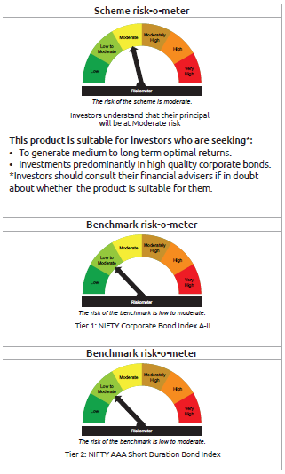
INDEX | Portfolio Statement as on April 30,2025
 | Bandhan Corporate Bond Fund

 | Name of the Instrument | ISIN | Industry / Rating | Quantity | Market/Fair Value ( Rs. in Lacs) | % to NAV | YTM
 | Debt Instruments
 | (a) Listed / awaiting listing on Stock Exchange
 | Government Securities
GOI5228 | 7.18% Government of India | IN0020230085 | SOVEREIGN | 242,000,000 | 254,742.51 | 16.98% | 6.35%
GOI5713 | 7.1% Government of India | IN0020240019 | SOVEREIGN | 86,000,000 | 90,243.67 | 6.01% | 6.37%
GOI4976 | 7.26% Government of India | IN0020220151 | SOVEREIGN | 21,000,000 | 22,171.19 | 1.48% | 6.34%
GOI5721 | 7.23% Government of India | IN0020240027 | SOVEREIGN | 20,000,000 | 21,408.20 | 1.43% | 6.46%
GOI2476 | 5.75% State Government Securities | IN3120200081 | SOVEREIGN | 250,000 | 249.95 | 0.02% | 5.95%
 | Non Convertible Debentures
BHFL102 | 7.78% Bajaj Housing Finance Limited ** | INE377Y07425 | CRISIL AAA | 97,500,000 | 98,167.68 | 6.54% | 7.08%
NHBA319 | 7.77% National Housing Bank ** | INE557F08FP2 | CRISIL AAA | 62,000,000 | 62,520.74 | 4.17% | 6.75%
LARS419 | 7.725% Larsen & Toubro Limited ** | INE018A08BE9 | CRISIL AAA | 55,500,000 | 56,853.26 | 3.79% | 6.80%
NBAR699 | 7.57% National Bank For Agriculture and Rural Development ** | INE261F08DW2 | CRISIL AAA | 50,000,000 | 50,257.20 | 3.35% | 6.89%
RIND263 | 8.65% Reliance Industries Limited ** | INE002A08567 | CRISIL AAA | 47,000,000 | 49,583.07 | 3.30% | 6.86%
TCAL511 | 8.098% Tata Capital Limited ** | INE976I07CY9 | CRISIL AAA | 40,000,000 | 40,655.44 | 2.71% | 7.35%
IRLY371 | 7.23% Indian Railway Finance Corporation Limited ** | INE053F08304 | CRISIL AAA | 39,500,000 | 39,752.25 | 2.65% | 6.79%
NUCL133 | 7.7% Nuclear Power Corporation Of India Limited ** | INE206D08501 | ICRA AAA | 35,000,000 | 35,843.47 | 2.39% | 6.74%
...
 | GRAND TOTAL |  |  |  | 1,500,450.18 | 100.00%

 | $ Less Than 0.01% of NAV
 | ** Thinly Traded/Non Traded Securities/Illiquid Securities

 | As per the requirement of regulation 43A of SEBI (Mutual Funds) Regulations, 1996, SEBI circular no. SEBI/HO/IMD/PoD2/P/CIR/2023/128 dated July 27, 2023 on framework for Corporate Debt Market Development Fund and SEBI circular no. SEBI/HO/IMD/PoD2 /P/CIR/2023/129 dated July 27, 2023 on investment by mutual fund schemes and Asset Management Companies (AMCs) in units of Corporate Debt Market Development Fund (“CDMDF”), specified open ended debt-oriented schemes of Bandhan Mutual Fund and Bandhan AMC Limited (‘AMC’) shall invest percentage of net assets in the units of the CDMDF.

BANDHAN CRF
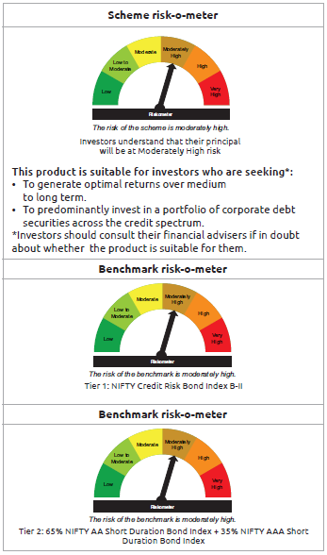
...
Name of the Instrument | ISIN | Industry / Rating | Quantity | Market/Fair Value ( Rs. in Lacs) | % to NAV | YTM
GRAND TOTAL |  |  |  | 28,592.05 | 100.00%

$ Less Than 0.01% of NAV
** Thinly Traded/Non Traded Securities/Illiquid Securities

As per the requirement of regulation 43A of SEBI (Mutual Funds) Regulations, 1996, SEBI circular no. SEBI/HO/IMD/PoD2/P/CIR/2023/128 dated July 27, 2023 on framework for Corporate Debt Market Development Fund and SEBI circular no. SEBI/HO/IMD/PoD2 /P/CIR/2023/129 dated July 27, 2023 on investment by mutual fund schemes and Asset Management Companies (AMCs) in units of Corporate Debt Market Development Fund (“CDMDF”), specified open ended debt-oriented schemes of Bandhan Mutual Fund and Bandhan AMC Limited (‘AMC’) shall invest percentage of net assets in the units of the CDMDF.

BANDHAN LONG DUR
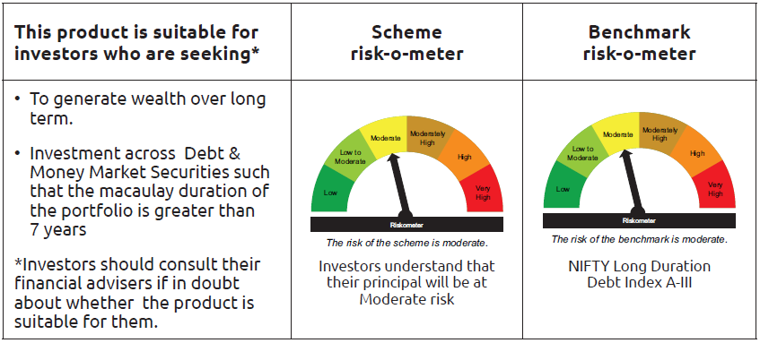
...
Name of the Instrument | ISIN | Industry / Rating | Quantity | Market/Fair Value ( Rs. in Lacs) | % to NAV | YTM
Subtotal |  |  |  | 1.97 | 0.01%
Net Current Assets |  |  |  | 390.51 | 2.28%
GRAND TOTAL |  |  |  | 17,201.06 | 100.00%

As per the requirement of regulation 43A of SEBI (Mutual Funds) Regulations, 1996, SEBI circular no. SEBI/HO/IMD/PoD2/P/CIR/2023/128 dated July 27, 2023 on framework for Corporate Debt Market Development Fund and SEBI circular no. SEBI/HO/IMD/PoD2 /P/CIR/2023/129 dated July 27, 2023 on investment by mutual fund schemes and Asset Management Companies (AMCs) in units of Corporate Debt Market Development Fund (“CDMDF”), specified open ended debt-oriented schemes of Bandhan Mutual Fund and Bandhan AMC Limited (‘AMC’) shall invest percentage of net assets in the units of the CDMDF.

BANDHAN GSEC-IP
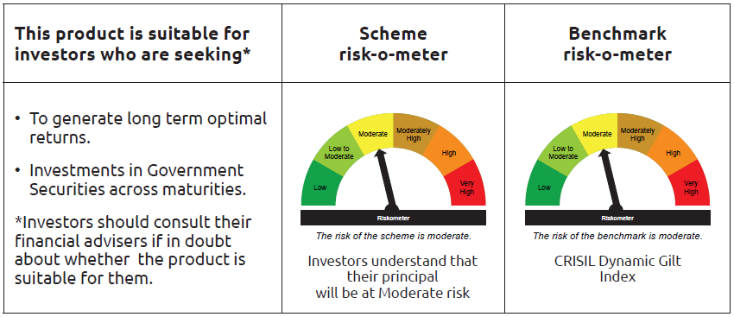
...
 | Name of the Instrument | ISIN | Industry / Rating | Quantity | Market/Fair Value ( Rs. in Lacs) | % to NAV | YTM
TRP_020525 | CBLO TRP_020525 |  |  |  | 707.69 | 0.23% | 5.87%
 | Total |  |  |  | 707.69 | 0.23%
 | OTHERS
 | Cash Margin - CCIL |  |  |  | 3.98 | $
 | Subtotal |  |  |  | 3.98 | $
 | Net Current Assets |  |  |  | 6,432.44 | 2.07%
 | GRAND TOTAL |  |  |  | 310,598.92 | 100.00%

 | $ Less Than 0.01% of NAV

BANDHAN GSEC-CMP
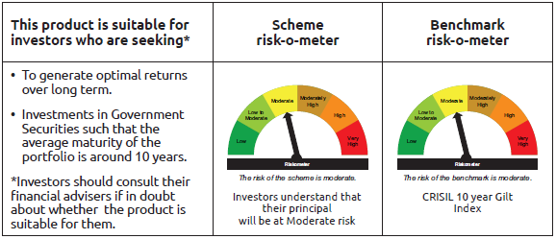
...
 | Name of the Instrument | ISIN | Industry / Rating | Quantity | Market/Fair Value ( Rs. in Lacs) | % to NAV | YTM
 | Collateralised Borrowing & Lending Obligation / Reverse Repo Instrument
TRP_020525 | CBLO TRP_020525 |  |  |  | 132.74 | 0.37% | 5.87%
 | Total |  |  |  | 132.74 | 0.37%
 | OTHERS
 | Cash Margin - CCIL |  |  |  | 29.49 | 0.08%
 | Subtotal |  |  |  | 29.49 | 0.08%
 | Net Current Assets |  |  |  | 376.42 | 1.07%
 | GRAND TOTAL |  |  |  | 35,595.90 | 100.00%

BANDHAN CRISIL IBX APR 2026
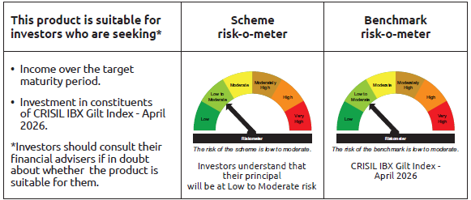
...
 | Name of the Instrument | ISIN | Industry / Rating | Quantity | Market/Fair Value ( Rs. in Lacs) | % to NAV | YTM
TRP_020525 | CBLO TRP_020525 |  |  |  | 1,331.83 | 3.02% | 5.87%
 | Total |  |  |  | 1,331.83 | 3.02%
 | OTHERS
 | Cash Margin - CCIL |  |  |  | 0.04 | $
 | Subtotal |  |  |  | 0.04 | $
 | Net Current Assets |  |  |  | 382.29 | 0.86%
 | GRAND TOTAL |  |  |  | 44,156.74 | 100.00%

 | $ Less Than 0.01% of NAV

BANDHAN CRISIL IBX JUN 2027
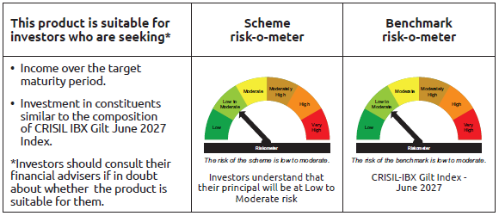
...
 | Name of the Instrument | ISIN | Industry / Rating | Quantity | Market/Fair Value ( Rs. in Lacs) | % to NAV | YTM
TRP_020525 | CBLO TRP_020525 |  |  |  | 1,658.93 | 0.24% | 5.87%
 | Total |  |  |  | 1,658.93 | 0.24%
 | OTHERS
 | Cash Margin - CCIL |  |  |  | 8.15 | $
 | Subtotal |  |  |  | 8.15 | $
 | Net Current Assets |  |  |  | 16,805.52 | 2.45%
 | GRAND TOTAL |  |  |  | 684,670.86 | 100.00%

 | $ Less Than 0.01% of NAV

BANDHAN CRISIL IBX APR 2028
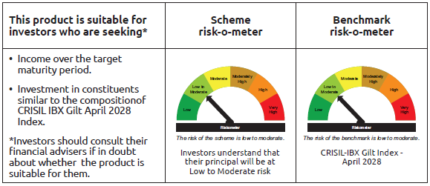
...
 | Name of the Instrument | ISIN | Industry / Rating | Quantity | Market/Fair Value ( Rs. in Lacs) | % to NAV | YTM
TRP_020525 | CBLO TRP_020525 |  |  |  | 4,804.05 | 1.03% | 5.87%
 | Total |  |  |  | 4,804.05 | 1.03%
 | OTHERS
 | Cash Margin - CCIL |  |  |  | 0.12 | $
 | Subtotal |  |  |  | 0.12 | $
 | Net Current Assets |  |  |  | 7,381.92 | 1.59%
 | GRAND TOTAL |  |  |  | 465,763.88 | 100.00%

 | $ Less Than 0.01% of NAV

BANDHAN CRISIL IBX APR 2032
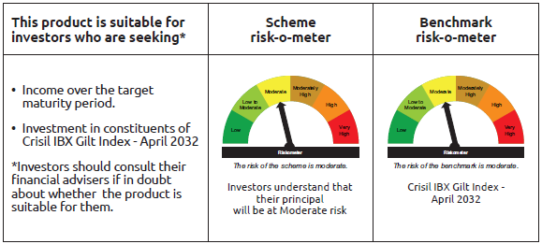
...
 | Name of the Instrument | ISIN | Industry / Rating | Quantity | Market/Fair Value ( Rs. in Lacs) | % to NAV | YTM
TRP_020525 | CBLO TRP_020525 |  |  |  | 599.72 | 1.30% | 5.87%
 | Total |  |  |  | 599.72 | 1.30%
 | OTHERS
 | Cash Margin - CCIL |  |  |  | 0.02 | $
 | Subtotal |  |  |  | 0.02 | $
 | Net Current Assets |  |  |  | 814.08 | 1.78%
 | GRAND TOTAL |  |  |  | 46,004.10 | 100.00%

 | $ Less Than 0.01% of NAV

BANDHAN CRISIL IBX SDL NOV 2026
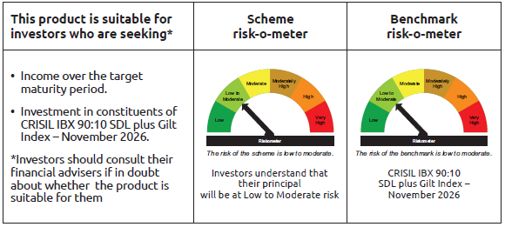
...
 | Name of the Instrument | ISIN | Industry / Rating | Quantity | Market/Fair Value ( Rs. in Lacs) | % to NAV | YTM
TRP_020525 | CBLO TRP_020525 |  |  |  | 59.91 | 0.53% | 5.87%
 | Total |  |  |  | 59.91 | 0.53%
 | OTHERS
 | Cash Margin - CCIL |  |  |  | 0.01 | $
 | Subtotal |  |  |  | 0.01 | $
 | Net Current Assets |  |  |  | 219.79 | 1.94%
 | GRAND TOTAL |  |  |  | 11,264.90 | 100.00%

 | $ Less Than 0.01% of NAV

BANDHAN CRISIL IBX SDL SEP 2027
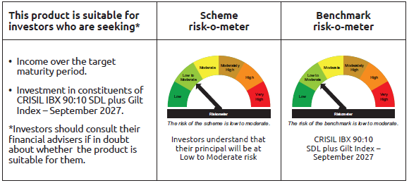
...
 | Name of the Instrument | ISIN | Industry / Rating | Quantity | Market/Fair Value ( Rs. in Lacs) | % to NAV | YTM
TRP_020525 | CBLO TRP_020525 |  |  |  | 319.92 | 2.12% | 5.87%
 | Total |  |  |  | 319.92 | 2.12%
 | OTHERS
 | Cash Margin - CCIL |  |  |  | 0.01 | $
 | Subtotal |  |  |  | 0.01 | $
 | Net Current Assets |  |  |  | 232.97 | 1.52%
 | GRAND TOTAL |  |  |  | 15,108.68 | 100.00%

 | $ Less Than 0.01% of NAV

BANDHAN CRISIL IBX SDL APR 2032
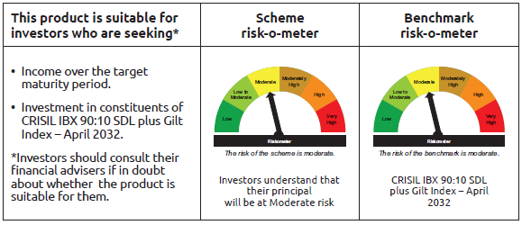
...
Name of the Instrument | ISIN | Industry / Rating | Quantity | Market/Fair Value ( Rs. in Lacs) | % to NAV | YTM
Subtotal |  |  |  | 52,915.85 | 98.75%
(b) Privately placed / Unlisted |  |  |  | NIL | NIL | NIL
Subtotal |  |  |  | NIL | NIL | NIL
Total |  |  |  | 52,915.85 | 98.75%
OTHERS
Cash Margin - CCIL |  |  |  | 28.95 | 0.05%
Subtotal |  |  |  | 28.95 | 0.05%
Net Current Assets |  |  |  | 657.97 | 1.20%
GRAND TOTAL |  |  |  | 53,602.77 | 100.00%

BANDHAN CRISIL IBX SDL DEC 2029
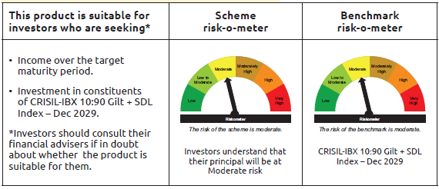
...
 | Name of the Instrument | ISIN | Industry / Rating | Quantity | Market/Fair Value ( Rs. in Lacs) | % to NAV | YTM
 | Collateralised Borrowing & Lending Obligation / Reverse Repo Instrument
TRP_020525 | CBLO TRP_020525 |  |  |  | 217.93 | 15.92% | 5.87%
 | Total |  |  |  | 217.93 | 15.92%
 | OTHERS
 | Cash Margin - CCIL |  |  |  | 1.42 | 0.10%
 | Subtotal |  |  |  | 1.42 | 0.10%
 | Net Current Assets |  |  |  | (185.37) | -13.52%
 | GRAND TOTAL |  |  |  | 1,369.19 | 100.00%

BANDHAN CRISIL IBX Fin Serv3-6M
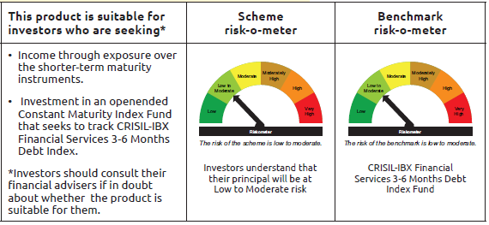
...
 | Name of the Instrument | ISIN | Industry / Rating | Quantity | Market/Fair Value ( Rs. in Lacs) | % to NAV | YTM
TRP_020525 | CBLO TRP_020525 |  |  |  | 634.23 | 1.45% | 5.87%
 | Total |  |  |  | 22,122.35 | 50.60%
 | OTHERS
 | Cash Margin - CCIL |  |  |  | 3.54 | 0.01%
 | Subtotal |  |  |  | 3.54 | 0.01%
 | Net Current Assets |  |  |  | 1,089.96 | 2.49%
 | GRAND TOTAL |  |  |  | 43,714.15 | 100.00%

 | ** Thinly Traded/Non Traded Securities/Illiquid Securities

