Bandhan ON
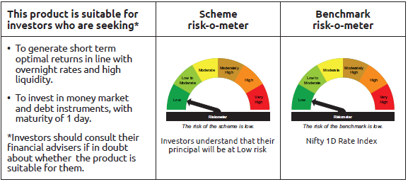
INDEX | Portfolio Statement as on August 31,2025
 | Bandhan Overnight Fund

 | Name of the Instrument | ISIN | Industry / Rating | Quantity | Market/Fair Value ( Rs. in Lacs) | % to NAV | YTM
 | Money Market Instruments
 | Treasury Bill
TBIL2412 | 364 Days Tbill | IN002024Z248 | SOVEREIGN | 2,000,000 | 1,997.02 | 2.22% | 5.44%
TBIL2515 | 91 Days Tbill | IN002025X109 | SOVEREIGN | 1,500,000 | 1,499.33 | 1.67% | 5.41%
TBIL2486 | 182 Days Tbill | IN002024Y498 | SOVEREIGN | 1,500,000 | 1,496.22 | 1.66% | 5.42%
TBIL2480 | 182 Days Tbill | IN002024Y472 | SOVEREIGN | 500,000 | 499.78 | 0.56% | 5.40%
 | TREPS / Reverse Repo Instrument
 | Reverse Repo |  |  |  | 64,999.04 | 72.27% | 5.44%
TRP_010925 | Triparty Repo TRP_010925 |  |  |  | 19,158.20 | 21.30% | 5.40%
 | Total |  |  |  | 89,649.59 | 99.68%
 | OTHERS
 | Cash Margin - CCIL |  |  |  | 267.31 | 0.30%
 | Subtotal |  |  |  | 267.31 | 0.30%
 | Net Current Assets |  |  |  | 22.68 | 0.02%
 | GRAND TOTAL |  |  |  | 89,939.58 | 100.00%

 | Notes :
 | (1) The provision made for Non Performing Assets as of August 31,2025 is Rs.Nil and its percentage to Net Asset Value is Nil.
 | (2) Aggregate value of illiquid equity shares of the fund amounts to Rs.Nil and their percentage to Net Asset value is Nil.

 | "Mutual Fund investments are subject to market risks, read all scheme related documents carefully"

 | Pursuant to SEBI circular no. SEBI/HO/IMD/DF2/CIR/P/2021/683 dated December 10, 2021 (“the Circular”), SEBI has notified that with respect to the margin or collateral requirement for execution of certain transactions, overnight funds can deploy not exceeding 5% of the net assets of the scheme in Government Securities and/or Treasury bills with a residual maturity of upto 30 days for the purpose of placing the same as margin and collateral for certain transactions.

Bandhan LF
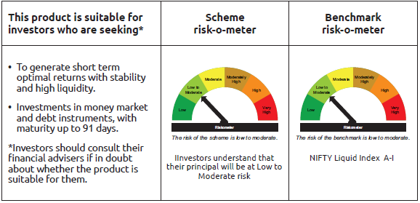
INDEX | Portfolio Statement as on August 31,2025
 | Bandhan Liquid Fund

 | Name of the Instrument | ISIN | Industry / Rating | Quantity | Market/Fair Value ( Rs. in Lacs) | % to NAV | YTM
 | Debt Instruments
 | (a) Listed / awaiting listing on Stock Exchange
 | Non Convertible Debentures
TWAT25 | 7.75% Titan Company Limited ** | INE280A08015 | CRISIL AAA | 25,000,000 | 25,054.00 | 1.83% | 6.09%
TCHF380 | 7.97% Tata Capital Housing Finance Limited ** | INE033L07HV8 | CRISIL AAA | 7,500,000 | 7,519.15 | 0.55% | 6.08%
POWF492 | 7.59% Power Finance Corporation Limited ** | INE134E08LU1 | CRISIL AAA | 7,500,000 | 7,515.96 | 0.55% | 5.97%
NBAR684 | 7.2% National Bank For Agriculture and Rural Development ** | INE261F08DR2 | ICRA AAA | 5,000,000 | 5,002.55 | 0.37% | 5.94%
SIDB483 | 7.75% Small Industries Dev Bank of India ** | INE556F08KD0 | ICRA AAA | 2,500,000 | 2,505.64 | 0.18% | 6.12%
 | Subtotal |  |  |  | 47,597.30 | 3.48%
 | (b) Privately placed / Unlisted |  |  |  | NIL | NIL | NIL
 | Subtotal |  |  |  | NIL | NIL | NIL
 | Total |  |  |  | 47,597.30 | 3.48%
 | Money Market Instruments
 | Certificate of Deposit
HDFB1003 | HDFC Bank Limited ** | INE040A16GX5 | CARE A1+ | 90,000,000 | 89,873.10 | 6.57% | 5.73%
UTIB1340 | Axis Bank Limited ** | INE238AD6991 | CRISIL A1+ | 52,500,000 | 51,905.12 | 3.80% | 5.81%
BKBA510 | Bank of Baroda | INE028A16IX6 | FITCH A1+ | 30,000,000 | 29,990.76 | 2.19% | 5.62%
UTIB1336 | Axis Bank Limited | INE238AD6900 | CRISIL A1+ | 28,000,000 | 27,986.90 | 2.05% | 5.70%
BKBA522 | Bank of Baroda ** | INE028A16JK1 | FITCH A1+ | 25,000,000 | 24,752.20 | 1.81% | 5.80%
SIDB578 | Small Industries Dev Bank of India ** | INE556F16AW4 | CARE A1+ | 20,000,000 | 19,789.32 | 1.45% | 5.80%
CANB1005 | Canara Bank | INE476A16ZA9 | CRISIL A1+ | 19,000,000 | 18,994.19 | 1.39% | 5.58%
CANB1002 | Canara Bank | INE476A16YY2 | CRISIL A1+ | 10,000,000 | 9,998.42 | 0.73% | 5.75%
UTIB1331 | Axis Bank Limited ** | INE238AD6918 | CRISIL A1+ | 10,000,000 | 9,987.42 | 0.73% | 5.75%
HDFB971 | HDFC Bank Limited ** | INE040A16FR9 | CARE A1+ | 10,000,000 | 9,899.07 | 0.72% | 5.81%
 | Commercial Paper
RRVL183 | Reliance Retail Ventures Limited ** | INE929O14DN3 | CRISIL A1+ | 75,000,000 | 74,964.15 | 5.48% | 5.82%
EXIM807 | Export Import Bank of India ** | INE514E14SV5 | CRISIL A1+ | 55,000,000 | 54,974.37 | 4.02% | 5.68%
IOIC681 | Indian Oil Corporation Limited | INE242A14XX7 | CRISIL A1+ | 50,000,000 | 49,976.40 | 3.65% | 5.75%
IOIC684 | Indian Oil Corporation Limited ** | INE242A14YA3 | CRISIL A1+ | 45,000,000 | 44,871.66 | 3.28% | 5.80%
TCAL527 | Tata Capital Limited ** | INE976I14QC1 | CRISIL A1+ | 44,000,000 | 43,978.18 | 3.22% | 6.04%
SIDB608 | Small Industries Dev Bank of India ** | INE556F14LE4 | CRISIL A1+ | 40,000,000 | 39,981.32 | 2.92% | 5.69%
KOSE336 | Kotak Securities Limited ** | INE028E14SC6 | CRISIL A1+ | 40,000,000 | 39,554.04 | 2.89% | 6.43%
RIND478 | Reliance Industries Limited ** | INE002A14LJ9 | CRISIL A1+ | 35,000,000 | 34,961.22 | 2.56% | 5.78%
NBAR849 | National Bank For Agriculture and Rural Development | INE261F14NU3 | CRISIL A1+ | 30,000,000 | 29,990.55 | 2.19% | 5.75%
BAFL986 | Bajaj Finance Limited ** | INE296A14B49 | ICRA A1+ | 30,000,000 | 29,784.09 | 2.18% | 6.30%
HDFS299 | HDFC Securities Limited ** | INE700G14PG2 | CRISIL A1+ | 30,000,000 | 29,634.57 | 2.17% | 6.43%
RRVL185 | Reliance Retail Ventures Limited ** | INE929O14DS2 | CRISIL A1+ | 25,000,000 | 24,916.28 | 1.82% | 5.84%
IOIC689 | Indian Oil Corporation Limited ** | INE242A14YF2 | CRISIL A1+ | 25,000,000 | 24,746.83 | 1.81% | 5.83%
TISC275 | Tata Steel Limited ** | INE081A14GB0 | CARE A1+ | 25,000,000 | 24,730.58 | 1.81% | 5.94%
IOIC690 | Indian Oil Corporation Limited ** | INE242A14YG0 | CRISIL A1+ | 22,500,000 | 22,261.57 | 1.63% | 5.83%
IOIC688 | Indian Oil Corporation Limited ** | INE242A14YE5 | CRISIL A1+ | 20,000,000 | 19,800.60 | 1.45% | 5.83%
NBAR862 | National Bank For Agriculture and Rural Development ** | INE261F14OI6 | CRISIL A1+ | 20,000,000 | 19,749.94 | 1.44% | 5.85%
LTFH133 | L&T Finance Limited ** | INE498L14EO1 | CRISIL A1+ | 20,000,000 | 19,723.38 | 1.44% | 6.32%
RRVL191 | Reliance Retail Ventures Limited ** | INE929O14DW4 | CRISIL A1+ | 17,500,000 | 17,279.54 | 1.26% | 5.90%
INBS505 | Reliance Jio Infocomm Limited ** | INE110L14TT9 | CRISIL A1+ | 15,000,000 | 14,992.91 | 1.10% | 5.76%
ICBR596 | ICICI Securities Limited ** | INE763G14YY5 | CRISIL A1+ | 15,000,000 | 14,979.78 | 1.10% | 6.16%
TWAT34 | Titan Company Limited ** | INE280A14468 | ICRA A1+ | 15,000,000 | 14,957.27 | 1.09% | 5.79%
HDFS295 | HDFC Securities Limited ** | INE700G14PA5 | CRISIL A1+ | 15,000,000 | 14,887.23 | 1.09% | 6.43%
BAFL946 | Bajaj Finance Limited ** | INE296A14ZD0 | ICRA A1+ | 12,500,000 | 12,333.95 | 0.90% | 6.30%
KOMP1739 | Kotak Mahindra Prime Limited ** | INE916D145G2 | CRISIL A1+ | 10,000,000 | 9,988.37 | 0.73% | 6.07%
MMFS1208 | Mahindra & Mahindra Financial Services Limited ** | INE774D14TB7 | CRISIL A1+ | 10,000,000 | 9,874.84 | 0.72% | 6.34%
BACR22 | Bajaj Auto Credit Limited ** | INE18UV14034 | CRISIL A1+ | 10,000,000 | 9,868.23 | 0.72% | 6.33%
KOSE340 | Kotak Securities Limited ** | INE028E14SF9 | ICRA A1+ | 10,000,000 | 9,862.74 | 0.72% | 6.43%
AXSL117 | Axis Securities Limited ** | INE110O14GF9 | CRISIL A1+ | 10,000,000 | 9,862.32 | 0.72% | 6.45%
KOSE341 | Kotak Securities Limited ** | INE028E14SH5 | ICRA A1+ | 10,000,000 | 9,859.31 | 0.72% | 6.43%
RICL202 | Barclays Investments & Loans (India) Private Limited ** | INE704I14KF3 | CRISIL A1+ | 7,500,000 | 7,419.38 | 0.54% | 6.61%
GOSL446 | Godrej Industries Limited ** | INE233A143K8 | ICRA A1+ | 7,500,000 | 7,418.50 | 0.54% | 5.99%
ICBR609 | ICICI Securities Limited ** | INE763G14ZV8 | CRISIL A1+ | 7,500,000 | 7,416.77 | 0.54% | 6.40%
JOIC23 | JIO Credit Limited ** | INE282H14048 | CRISIL A1+ | 5,000,000 | 4,936.50 | 0.36% | 6.35%
 | Treasury Bill
TBIL2531 | 91 Days Tbill | IN002025X158 | SOVEREIGN | 45,000,000 | 44,746.56 | 3.27% | 5.44%
TBIL2547 | 91 Days Tbill | IN002025X208 | SOVEREIGN | 30,000,000 | 29,678.28 | 2.17% | 5.42%
TBIL2515 | 91 Days Tbill | IN002025X109 | SOVEREIGN | 25,500,000 | 25,488.68 | 1.86% | 5.41%
TBIL2524 | 91 Days Tbill | IN002025X133 | SOVEREIGN | 22,500,000 | 22,420.19 | 1.64% | 5.41%
TBIL2544 | 91 Days Tbill | IN002025X190 | SOVEREIGN | 20,000,000 | 19,805.18 | 1.45% | 5.44%
TBIL2486 | 182 Days Tbill | IN002024Y498 | SOVEREIGN | 19,500,000 | 19,450.92 | 1.42% | 5.42%
TBIL2489 | 182 Days Tbill | IN002024Y506 | SOVEREIGN | 18,500,000 | 18,433.94 | 1.35% | 5.45%
TBIL2541 | 91 Days Tbill | IN002025X182 | SOVEREIGN | 15,000,000 | 14,868.77 | 1.09% | 5.46%
TBIL2522 | 91 Days Tbill | IN002025X125 | SOVEREIGN | 14,000,000 | 13,964.76 | 1.02% | 5.42%
TBIL2480 | 182 Days Tbill | IN002024Y472 | SOVEREIGN | 1,500,000 | 1,499.33 | 0.11% | 5.40%
 | TREPS / Reverse Repo Instrument
TRP_010925 | Triparty Repo TRP_010925 |  |  |  | 80,416.51 | 5.88% | 5.40%
 | Total |  |  |  | 1,388,486.99 | 101.51%
 | Corporate Debt Market Development Fund
CDMD50ME | Corporate Debt Market Development Fund Class A2 | INF0RQ622028 |  | 32,791.571 | 3,715.68 | 0.27%
 | Total |  |  |  | 3,715.68 | 0.27%
 | OTHERS
 | Cash Margin - CCIL |  |  |  | 64.03 | $
 | Subtotal |  |  |  | 64.03 | $
 | Net Current Assets |  |  |  | (72,166.48) | -5.26%
 | GRAND TOTAL |  |  |  | 1,367,697.52 | 100.00%

 | $ Less Than 0.01% of NAV
 | ** Thinly Traded/Non Traded Securities/Illiquid Securities

 | Notes :
 | (1) The provision made for Non Performing Assets as of August 31,2025 is Rs.Nil and its percentage to Net Asset Value is Nil.
 | (2) Aggregate value of illiquid equity shares of the fund amounts to Rs.Nil and their percentage to Net Asset value is Nil.

 | "Mutual Fund investments are subject to market risks, read all scheme related documents carefully"

 | As per the requirement of regulation 43A of SEBI (Mutual Funds) Regulations, 1996, SEBI circular no. SEBI/HO/IMD/PoD2/P/CIR/2023/128 dated July 27, 2023 on framework for Corporate Debt Market Development Fund and SEBI circular no. SEBI/HO/IMD/PoD2 /P/CIR/2023/129 dated July 27, 2023 on investment by mutual fund schemes and Asset Management Companies (AMCs) in units of Corporate Debt Market Development Fund (“CDMDF”), specified open ended debt-oriented schemes of Bandhan Mutual Fund and Bandhan AMC Limited (‘AMC’) shall invest percentage of net assets in the units of the CDMDF.

Bandhan LDF
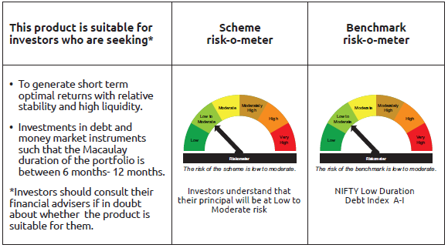
INDEX | Portfolio Statement as on August 31,2025
 | Bandhan Low Duration Fund

 | Name of the Instrument | ISIN | Industry / Rating | Quantity | Market/Fair Value ( Rs. in Lacs) | % to NAV | YTM
 | Debt Instruments
 | (a) Listed / awaiting listing on Stock Exchange
 | Government Securities
GOI4847 | 7.57% State Government Securities | IN1520220154 | SOVEREIGN | 13,500,200 | 13,733.55 | 2.08% | 6.12%
GOI4123 | 8.16% State Government Securities | IN1520180044 | SOVEREIGN | 9,500,000 | 9,841.15 | 1.49% | 6.78%
GOI2174 | 8.26% State Government Securities | IN2220180060 | SOVEREIGN | 5,000,000 | 5,214.62 | 0.79% | 6.91%
GOI6674 | 5.82% State Government Securities | IN2920200556 | SOVEREIGN | 5,000,000 | 4,976.61 | 0.75% | 6.28%
GOI1992 | 8.28% State Government Securities | IN3120170128 | SOVEREIGN | 4,000,000 | 4,144.43 | 0.63% | 6.78%
GOI3237 | 8.53% State Government Securities | IN2920180170 | SOVEREIGN | 3,500,000 | 3,671.86 | 0.56% | 6.80%
GOI1756 | 7.8% State Government Securities | IN1620160276 | SOVEREIGN | 3,000,000 | 3,067.76 | 0.46% | 6.30%
GOI2201 | 8.28% State Government Securities | IN1520180283 | SOVEREIGN | 2,500,000 | 2,612.32 | 0.40% | 6.91%
GOI2184 | 8.19% State Government Securities | IN1920180149 | SOVEREIGN | 2,500,000 | 2,603.86 | 0.39% | 6.91%
GOI2008 | 8.44% State Government Securities | IN2920170189 | SOVEREIGN | 2,500,000 | 2,599.90 | 0.39% | 6.80%
GOI2032 | 8.13% State Government Securities | IN2920170205 | SOVEREIGN | 2,500,000 | 2,583.74 | 0.39% | 6.80%
GOI3221 | 7.92% State Government Securities | IN3320170175 | SOVEREIGN | 2,500,000 | 2,566.81 | 0.39% | 6.80%
GOI1760 | 7.75% State Government Securities | IN1920160109 | SOVEREIGN | 2,500,000 | 2,555.42 | 0.39% | 6.28%
GOI1759 | 7.74% State Government Securities | IN3120161309 | SOVEREIGN | 2,500,000 | 2,555.06 | 0.39% | 6.28%
GOI1840 | 7.78% State Government Securities | IN3320160325 | SOVEREIGN | 2,500,000 | 2,554.69 | 0.39% | 6.33%
GOI1878 | 7.6% State Government Securities | IN2120160097 | SOVEREIGN | 2,500,000 | 2,547.72 | 0.39% | 6.30%
GOI3753 | 7.38% State Government Securities | IN2120160030 | SOVEREIGN | 2,500,000 | 2,533.08 | 0.38% | 6.13%
GOI2940 | 7.14% State Government Securities | IN1520160178 | SOVEREIGN | 2,500,000 | 2,530.77 | 0.38% | 6.27%
GOI3648 | 6.98% State Government Securities | IN4520200044 | SOVEREIGN | 2,500,000 | 2,518.95 | 0.38% | 6.77%
GOI2421 | 6.97% State Government Securities | IN1920190189 | SOVEREIGN | 2,500,000 | 2,518.59 | 0.38% | 6.75%
GOI3532 | 6.82% State Government Securities | IN1320210041 | SOVEREIGN | 2,500,000 | 2,508.09 | 0.38% | 6.80%
GOI4076 | 7.65% State Government Securities | IN2920170106 | SOVEREIGN | 2,000,000 | 2,056.04 | 0.31% | 6.38%
GOI2192 | 8.32% State Government Securities | IN1920180164 | SOVEREIGN | 1,500,000 | 1,568.83 | 0.24% | 6.91%
GOI6017 | 7.17% State Government Securities | IN3320160291 | SOVEREIGN | 1,500,000 | 1,518.06 | 0.23% | 6.32%
GOI4160 | 8.09% State Government Securities | IN2920180279 | SOVEREIGN | 1,000,000 | 1,040.69 | 0.16% | 6.81%
GOI1996 | 8.28% State Government Securities | IN2920170155 | SOVEREIGN | 1,000,000 | 1,035.71 | 0.16% | 6.80%
GOI1880 | 7.59% State Government Securities | IN1620160268 | SOVEREIGN | 1,000,000 | 1,019.02 | 0.15% | 6.30%
GOI4485 | 7.38% Government of India | IN0020220037 | SOVEREIGN | 700,000 | 718.02 | 0.11% | 5.93%
GOI1974 | 8% State Government Securities | IN1920170157 | SOVEREIGN | 505,800 | 520.42 | 0.08% | 6.77%
GOI1999 | 8.34% State Government Securities | IN3120170136 | SOVEREIGN | 500,000 | 518.88 | 0.08% | 6.78%
GOI4096 | 8.16% State Government Securities | IN2920180030 | SOVEREIGN | 500,000 | 517.49 | 0.08% | 6.82%
GOI1596 | 7.84% State Government Securities | IN2220160039 | SOVEREIGN | 300,000 | 304.66 | 0.05% | 6.05%
GOI2211 | 8.35% State Government Securities | IN1520180317 | SOVEREIGN | 150,000 | 157.18 | 0.02% | 6.91%
GOI3899 | 7.88% State Government Securities | IN2120170070 | SOVEREIGN | 100,000 | 102.63 | 0.02% | 6.78%
 | Non Convertible Debentures
SIDB472 | 7.11% Small Industries Dev Bank of India ** | INE556F08KB4 | ICRA AAA | 32,500,000 | 32,614.63 | 4.94% | 6.35%
POWF500 | 7.77% Power Finance Corporation Limited ** | INE134E08MC7 | CRISIL AAA | 30,000,000 | 30,291.81 | 4.58% | 6.57%
NBAR719 | 7.5% National Bank For Agriculture and Rural Development | INE261F08EA6 | CRISIL AAA | 27,500,000 | 27,716.98 | 4.19% | 6.66%
SIDB479 | 7.23% Small Industries Dev Bank of India ** | INE556F08KC2 | ICRA AAA | 25,500,000 | 25,624.19 | 3.88% | 6.35%
NBAR677 | 7.4% National Bank For Agriculture and Rural Development | INE261F08DO9 | CRISIL AAA | 23,000,000 | 23,078.59 | 3.49% | 6.28%
BHFL96 | 7.9237% Bajaj Housing Finance Limited ** | INE377Y07375 | CRISIL AAA | 22,000,000 | 22,149.01 | 3.35% | 6.39%
RECL443 | 7.77% REC Limited ** | INE020B08EP3 | CRISIL AAA | 17,500,000 | 17,705.40 | 2.68% | 6.59%
BHFL133 | 7.14% Bajaj Housing Finance Limited ** | INE377Y07557 | CRISIL AAA | 17,500,000 | 17,573.52 | 2.66% | 6.82%
LICH622 | 7.9% LIC Housing Finance Limited ** | INE115A07PV9 | CRISIL AAA | 15,000,000 | 15,242.25 | 2.31% | 6.90%
BAFL974 | 7.3763% Bajaj Finance Limited | INE296A07TJ4 | CRISIL AAA | 15,000,000 | 15,047.88 | 2.28% | 7.20%
CHOL1035 | 8.5% Cholamandalam Investment and Finance Company Ltd ** | INE121A07RT7 | ICRA AA+ | 13,000,000 | 13,195.82 | 2.00% | 7.29%
BHFL135 | 7.02% Bajaj Housing Finance Limited ** | INE377Y07565 | CRISIL AAA | 12,500,000 | 12,488.16 | 1.89% | 7.04%
RECL423 | 7.32% REC Limited ** | INE020B08DW1 | CRISIL AAA | 11,000,000 | 11,044.42 | 1.67% | 6.24%
POWF507 | 7.7% Power Finance Corporation Limited ** | INE134E08MK0 | CRISIL AAA | 10,000,000 | 10,109.20 | 1.53% | 6.58%
RECL433 | 7.51% REC Limited ** | INE020B08EI8 | CRISIL AAA | 10,000,000 | 10,077.19 | 1.52% | 6.57%
RECL411 | 5.94% REC Limited | INE020B08DK6 | CRISIL AAA | 10,000,000 | 9,976.53 | 1.51% | 6.30%
RECL462 | 7.55% REC Limited ** | INE020B08FH7 | CRISIL AAA | 7,500,000 | 7,575.75 | 1.15% | 6.59%
SIDB488 | 7.54% Small Industries Dev Bank of India ** | INE556F08KF5 | ICRA AAA | 7,500,000 | 7,527.57 | 1.14% | 6.43%
BAFL826 | 7.9% Bajaj Finance Limited | INE296A07SF4 | CRISIL AAA | 7,100,000 | 7,115.96 | 1.08% | 6.42%
MUFL464 | 8.05% Muthoot Finance Limited | INE414G07JQ6 | CRISIL AA+ | 6,500,000 | 6,526.20 | 0.99% | 7.86%
RECL429 | 7.6% REC Limited | INE020B08EF4 | CRISIL AAA | 6,000,000 | 6,031.97 | 0.91% | 6.24%
KOMP1699 | 8.135% Kotak Mahindra Prime Limited ** | INE916DA7SR0 | CRISIL AAA | 5,000,000 | 5,071.83 | 0.77% | 7.00%
NBAR796 | 7.44% National Bank For Agriculture and Rural Development | INE261F08EK5 | CRISIL AAA | 5,000,000 | 5,059.04 | 0.77% | 6.88%
LICH678 | 7.865% LIC Housing Finance Limited | INE115A07QT1 | CRISIL AAA | 5,000,000 | 5,049.82 | 0.76% | 6.75%
BHFL102 | 7.78% Bajaj Housing Finance Limited | INE377Y07425 | CRISIL AAA | 5,000,000 | 5,036.36 | 0.76% | 6.60%
BHFL117 | 8% Bajaj Housing Finance Limited ** | INE377Y07466 | CRISIL AAA | 5,000,000 | 5,030.77 | 0.76% | 6.35%
MUFL400 | 8.65% Muthoot Finance Limited ** | INE414G07HU2 | ICRA AA+ | 5,000,000 | 5,017.76 | 0.76% | 7.10%
LICH666 | 7.835% LIC Housing Finance Limited ** | INE115A07QO2 | CRISIL AAA | 4,500,000 | 4,562.89 | 0.69% | 6.90%
HDFB869 | 8.46% HDFC Bank Limited | INE040A08757 | CRISIL AAA | 3,500,000 | 3,538.85 | 0.54% | 6.85%
TCHF375 | 7.8% Tata Capital Housing Finance Limited ** | INE033L07HU0 | CRISIL AAA | 2,500,000 | 2,534.46 | 0.38% | 7.00%
TCHF371 | 7.75% Tata Capital Housing Finance Limited ** | INE033L07HQ8 | CRISIL AAA | 2,500,000 | 2,530.89 | 0.38% | 6.93%
LICH403 | 7.56% LIC Housing Finance Limited ** | INE115A07MC6 | CRISIL AAA | 2,500,000 | 2,525.98 | 0.38% | 6.90%
NBAR699 | 7.57% National Bank For Agriculture and Rural Development | INE261F08DW2 | CRISIL AAA | 2,500,000 | 2,512.51 | 0.38% | 6.40%
LICH650 | 7.82% LIC Housing Finance Limited ** | INE115A07QE3 | CRISIL AAA | 2,500,000 | 2,510.65 | 0.38% | 6.33%
RECL405 | 5.85% REC Limited ** | INE020B08DF6 | CRISIL AAA | 2,500,000 | 2,496.15 | 0.38% | 6.12%
LICH659 | 6.4% LIC Housing Finance Limited | INE115A07PN6 | CRISIL AAA | 2,500,000 | 2,488.02 | 0.38% | 6.78%
TCHF401 | 8.1% Tata Capital Housing Finance Limited ** | INE033L07IE2 | CRISIL AAA | 2,000,000 | 2,030.45 | 0.31% | 6.93%
BHFL125 | 7.66% Bajaj Housing Finance Limited ** | INE377Y07532 | CRISIL AAA | 2,000,000 | 2,026.75 | 0.31% | 7.04%
KOMP1668 | 7.97% Kotak Mahindra Prime Limited | INE916DA7SH1 | CRISIL AAA | 2,000,000 | 2,013.55 | 0.30% | 6.83%
SIDB486 | 7.47% Small Industries Dev Bank of India ** | INE556F08KE8 | ICRA AAA | 1,000,000 | 1,002.73 | 0.15% | 6.12%
 | Zero Coupon Bonds
BAFL840 | Bajaj Finance Limited ** | INE296A07RY7 | CRISIL AAA | 2,500,000 | 3,111.27 | 0.47% | 6.61%
 | Subtotal |  |  |  | 486,380.37 | 73.63%
 | (b) Privately placed / Unlisted |  |  |  | NIL | NIL | NIL
 | Subtotal |  |  |  | NIL | NIL | NIL
 | Total |  |  |  | 486,380.37 | 73.63%
 | Money Market Instruments
 | Certificate of Deposit
HDFB979 | HDFC Bank Limited | INE040A16FY5 | CRISIL A1+ | 35,000,000 | 34,477.59 | 5.22% | 5.88%
NBAR812 | National Bank For Agriculture and Rural Development | INE261F16918 | CRISIL A1+ | 15,000,000 | 14,647.50 | 2.22% | 6.10%
SIDB581 | Small Industries Dev Bank of India ** | INE556F16AX2 | CRISIL A1+ | 10,000,000 | 9,848.93 | 1.49% | 5.89%
UTIB1361 | Axis Bank Limited ** | INE238AD6AX9 | CRISIL A1+ | 10,000,000 | 9,830.89 | 1.49% | 5.92%
INBK456 | Indian Bank ** | INE562A16NV8 | CRISIL A1+ | 10,000,000 | 9,790.65 | 1.48% | 6.05%
UNBI414 | Union Bank of India ** | INE692A16IK6 | ICRA A1+ | 10,000,000 | 9,777.96 | 1.48% | 6.05%
PUBA1074 | Punjab National Bank ** | INE160A16QT8 | CRISIL A1+ | 9,500,000 | 9,300.48 | 1.41% | 6.07%
UTIB1366 | Axis Bank Limited ** | INE238AD6AY7 | CRISIL A1+ | 5,000,000 | 4,914.66 | 0.74% | 5.92%
UTIB1369 | Axis Bank Limited ** | INE238AD6BD9 | CRISIL A1+ | 5,000,000 | 4,715.36 | 0.71% | 6.41%
INBK449 | Indian Bank | INE562A16NM7 | CRISIL A1+ | 2,500,000 | 2,474.06 | 0.37% | 5.80%
BKBA467 | Bank of Baroda ** | INE028A16HJ7 | FITCH A1+ | 2,500,000 | 2,447.14 | 0.37% | 6.07%
IBCL1176 | ICICI Bank Limited ** | INE090AD6204 | ICRA A1+ | 800,000 | 790.77 | 0.12% | 5.76%
PUBA1090 | Punjab National Bank ** | INE160A16RK5 | CRISIL A1+ | 500,000 | 483.99 | 0.07% | 6.10%
UTIB1339 | Axis Bank Limited | INE238AD6983 | CRISIL A1+ | 200,000 | 197.70 | 0.03% | 5.81%
 | Commercial Paper
SUFI767 | Sundaram Finance Limited ** | INE660A14YS8 | ICRA A1+ | 10,000,000 | 9,385.85 | 1.42% | 6.69%
ICBR554 | ICICI Securities Limited ** | INE763G14WP7 | CRISIL A1+ | 7,500,000 | 7,309.67 | 1.11% | 6.60%
ICBR577 | ICICI Securities Limited ** | INE763G14XZ4 | CRISIL A1+ | 7,500,000 | 7,273.78 | 1.10% | 6.60%
INBS512 | Reliance Jio Infocomm Limited ** | INE110L14UE9 | CRISIL A1+ | 5,000,000 | 4,963.38 | 0.75% | 5.85%
ICBR610 | ICICI Securities Limited ** | INE763G14ZL9 | CRISIL A1+ | 5,000,000 | 4,867.11 | 0.74% | 6.60%
IOIC690 | Indian Oil Corporation Limited ** | INE242A14YG0 | CRISIL A1+ | 2,500,000 | 2,473.51 | 0.37% | 5.83%
 | TREPS / Reverse Repo Instrument
TRP_010925 | Triparty Repo TRP_010925 |  |  |  | 10,061.76 | 1.52% | 5.40%
 | Total |  |  |  | 160,032.74 | 24.21%
 | Corporate Debt Market Development Fund
CDMD50ME | Corporate Debt Market Development Fund Class A2 | INF0RQ622028 |  | 17,342.405 | 1,965.10 | 0.30%
 | Total |  |  |  | 1,965.10 | 0.30%
 | OTHERS
 | Cash Margin - CCIL |  |  |  | 13.47 | $
 | Subtotal |  |  |  | 13.47 | $
 | Net Current Assets |  |  |  | 12,452.25 | 1.86%
 | GRAND TOTAL |  |  |  | 660,843.93 | 100.00%

 | $ Less Than 0.01% of NAV
 | ** Thinly Traded/Non Traded Securities/Illiquid Securities

 | Notes :
 | (1) The provision made for Non Performing Assets as of August 31,2025 is Rs.Nil and its percentage to Net Asset Value is Nil.
 | (2) Aggregate value of illiquid equity shares of the fund amounts to Rs.Nil and their percentage to Net Asset value is Nil.

 | "Mutual Fund investments are subject to market risks, read all scheme related documents carefully"

 | As per the requirement of regulation 43A of SEBI (Mutual Funds) Regulations, 1996, SEBI circular no. SEBI/HO/IMD/PoD2/P/CIR/2023/128 dated July 27, 2023 on framework for Corporate Debt Market Development Fund and SEBI circular no. SEBI/HO/IMD/PoD2 /P/CIR/2023/129 dated July 27, 2023 on investment by mutual fund schemes and Asset Management Companies (AMCs) in units of Corporate Debt Market Development Fund (“CDMDF”), specified open ended debt-oriented schemes of Bandhan Mutual Fund and Bandhan AMC Limited (‘AMC’) shall invest percentage of net assets in the units of the CDMDF.

Bandhan MMF
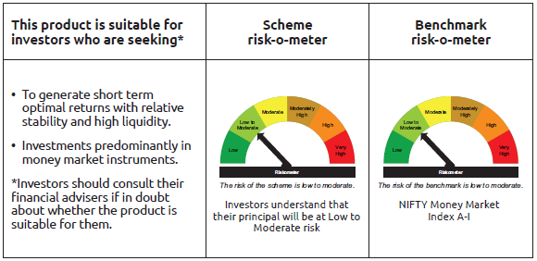
INDEX | Portfolio Statement as on August 31,2025
 | Bandhan Money Market Fund

 | Name of the Instrument | ISIN | Industry / Rating | Quantity | Market/Fair Value ( Rs. in Lacs) | % to NAV | YTM
 | Debt Instruments
 | (a) Listed / awaiting listing on Stock Exchange
 | Government Securities
GOI5801 | Government of India | IN001025C047 | SOVEREIGN | 12,000,000 | 11,907.55 | 0.94% | 5.56%
GOI1566 | 8.08% State Government Securities | IN2220160013 | SOVEREIGN | 5,000,000 | 5,082.12 | 0.40% | 5.99%
GOI4439 | 6.2% State Government Securities | IN2920210464 | SOVEREIGN | 5,000,000 | 5,007.41 | 0.39% | 5.78%
GOI1472 | 8.6% State Government Securities | IN1320150056 | SOVEREIGN | 2,500,000 | 2,534.86 | 0.20% | 5.93%
GOI3535 | 8.55% State Government Securities | IN2920150264 | SOVEREIGN | 2,500,000 | 2,534.81 | 0.20% | 5.88%
 | Subtotal |  |  |  | 27,066.75 | 2.13%
 | (b) Privately placed / Unlisted |  |  |  | NIL | NIL | NIL
 | Subtotal |  |  |  | NIL | NIL | NIL
 | Total |  |  |  | 27,066.75 | 2.13%
 | Money Market Instruments
 | Certificate of Deposit
SIDB604 | Small Industries Dev Bank of India ** | INE556F16BH3 | CRISIL A1+ | 65,000,000 | 62,334.35 | 4.90% | 6.35%
UTIB1347 | Axis Bank Limited ** | INE238AD6AL4 | CRISIL A1+ | 45,000,000 | 43,855.92 | 3.45% | 6.07%
NBAR821 | National Bank For Agriculture and Rural Development ** | INE261F16934 | CRISIL A1+ | 42,500,000 | 41,409.03 | 3.25% | 6.13%
UTIB1358 | Axis Bank Limited ** | INE238AD6AU5 | CRISIL A1+ | 42,500,000 | 40,508.07 | 3.18% | 6.32%
NBAR817 | National Bank For Agriculture and Rural Development ** | INE261F16926 | CRISIL A1+ | 40,000,000 | 38,979.60 | 3.06% | 6.13%
HDFB990 | HDFC Bank Limited ** | INE040A16GJ4 | CRISIL A1+ | 40,000,000 | 38,850.80 | 3.05% | 6.10%
CANB1031 | Canara Bank ** | INE476A16A24 | CRISIL A1+ | 37,500,000 | 36,558.45 | 2.87% | 6.06%
HDFB992 | HDFC Bank Limited ** | INE040A16GN6 | CRISIL A1+ | 32,500,000 | 31,490.39 | 2.47% | 6.09%
IIBL981 | IndusInd Bank Limited ** | INE095A16X93 | CRISIL A1+ | 27,500,000 | 26,829.44 | 2.11% | 6.47%
NBAR823 | National Bank For Agriculture and Rural Development ** | INE261F16959 | ICRA A1+ | 25,000,000 | 24,310.58 | 1.91% | 6.13%
HDFB1002 | HDFC Bank Limited ** | INE040A16GW7 | CRISIL A1+ | 25,000,000 | 23,922.18 | 1.88% | 6.33%
NBAR810 | National Bank For Agriculture and Rural Development ** | INE261F16900 | CRISIL A1+ | 22,500,000 | 21,974.83 | 1.73% | 6.10%
UTIB1365 | Axis Bank Limited ** | INE238AD6BA5 | CRISIL A1+ | 22,500,000 | 21,544.99 | 1.69% | 6.32%
SIDB590 | Small Industries Dev Bank of India ** | INE556F16BA8 | CRISIL A1+ | 20,000,000 | 19,483.02 | 1.53% | 6.13%
SIDB596 | Small Industries Dev Bank of India | INE556F16BD2 | CRISIL A1+ | 20,000,000 | 19,377.40 | 1.52% | 6.14%
SIDB603 | Small Industries Dev Bank of India ** | INE556F16BE0 | CRISIL A1+ | 20,000,000 | 19,358.48 | 1.52% | 6.14%
IIBL990 | IndusInd Bank Limited ** | INE095A16Z34 | CRISIL A1+ | 20,000,000 | 19,345.44 | 1.52% | 6.50%
HDFB1008 | HDFC Bank Limited ** | INE040A16HC7 | CRISIL A1+ | 20,000,000 | 19,288.08 | 1.52% | 6.33%
BKBA523 | Bank of Baroda ** | INE028A16JJ3 | FITCH A1+ | 17,500,000 | 17,001.57 | 1.34% | 6.08%
INBK467 | Indian Bank ** | INE562A16OG7 | CRISIL A1+ | 17,500,000 | 16,974.09 | 1.33% | 6.08%
KMBK876 | Kotak Mahindra Bank Limited ** | INE237A163Z0 | CRISIL A1+ | 12,500,000 | 12,199.70 | 0.96% | 6.03%
INBK458 | Indian Bank ** | INE562A16OA0 | CRISIL A1+ | 12,500,000 | 12,184.16 | 0.96% | 6.07%
UTIB1344 | Axis Bank Limited | INE238AD6AE9 | CRISIL A1+ | 10,000,000 | 9,790.65 | 0.77% | 6.05%
UNBI414 | Union Bank of India ** | INE692A16IK6 | ICRA A1+ | 10,000,000 | 9,777.96 | 0.77% | 6.05%
NBAR806 | National Bank For Agriculture and Rural Development ** | INE261F16892 | CRISIL A1+ | 10,000,000 | 9,769.78 | 0.77% | 6.10%
UNBI418 | Union Bank of India ** | INE692A16IP5 | ICRA A1+ | 10,000,000 | 9,748.92 | 0.77% | 6.06%
UTIB1346 | Axis Bank Limited ** | INE238AD6AM2 | CRISIL A1+ | 10,000,000 | 9,747.33 | 0.77% | 6.07%
UNBI427 | Union Bank of India ** | INE692A16IY7 | ICRA A1+ | 10,000,000 | 9,701.06 | 0.76% | 6.08%
FEBA349 | The Federal Bank Limited ** | INE171A16MW8 | CRISIL A1+ | 10,000,000 | 9,686.82 | 0.76% | 6.21%
HDFB996 | HDFC Bank Limited | INE040A16GS5 | CRISIL A1+ | 10,000,000 | 9,669.79 | 0.76% | 6.11%
SIDB599 | Small Industries Dev Bank of India ** | INE556F16BG5 | CRISIL A1+ | 10,000,000 | 9,665.07 | 0.76% | 6.14%
BKBA530 | Bank of Baroda ** | INE028A16JR6 | FITCH A1+ | 10,000,000 | 9,561.70 | 0.75% | 6.29%
UTIB1363 | Axis Bank Limited ** | INE238AD6AZ4 | CRISIL A1+ | 10,000,000 | 9,510.90 | 0.75% | 6.32%
UTIB1369 | Axis Bank Limited ** | INE238AD6BD9 | CRISIL A1+ | 10,000,000 | 9,430.72 | 0.74% | 6.41%
HDFB979 | HDFC Bank Limited | INE040A16FY5 | CRISIL A1+ | 7,500,000 | 7,388.06 | 0.58% | 5.88%
CANB1032 | Canara Bank ** | INE476A16A32 | CRISIL A1+ | 7,500,000 | 7,310.50 | 0.57% | 6.07%
PUBA1092 | Punjab National Bank ** | INE160A16RP4 | CRISIL A1+ | 7,500,000 | 7,251.56 | 0.57% | 6.10%
SIDB605 | Small Industries Dev Bank of India ** | INE556F16BI1 | CARE A1+ | 7,500,000 | 7,174.49 | 0.56% | 6.35%
KMBK871 | Kotak Mahindra Bank Limited ** | INE237A168Y2 | CRISIL A1+ | 5,000,000 | 4,925.94 | 0.39% | 5.84%
EXIM793 | Export Import Bank of India ** | INE514E16CI1 | CRISIL A1+ | 5,000,000 | 4,905.41 | 0.39% | 5.87%
HDFB986 | HDFC Bank Limited ** | INE040A16GF2 | CRISIL A1+ | 5,000,000 | 4,871.37 | 0.38% | 6.10%
BKBA527 | Bank of Baroda ** | INE028A16JN5 | FITCH A1+ | 5,000,000 | 4,869.41 | 0.38% | 6.08%
SIDB592 | Small Industries Dev Bank of India ** | INE556F16BB6 | CRISIL A1+ | 5,000,000 | 4,854.08 | 0.38% | 6.13%
INBK469 | Indian Bank ** | INE562A16OI3 | CRISIL A1+ | 5,000,000 | 4,845.05 | 0.38% | 6.08%
NBAR835 | National Bank For Agriculture and Rural Development | INE261F16983 | CRISIL A1+ | 5,000,000 | 4,842.53 | 0.38% | 6.15%
KMBK874 | Kotak Mahindra Bank Limited ** | INE237A161Z4 | CRISIL A1+ | 3,000,000 | 2,936.93 | 0.23% | 6.03%
KMBK873 | Kotak Mahindra Bank Limited ** | INE237A160Z6 | CRISIL A1+ | 2,500,000 | 2,460.26 | 0.19% | 5.84%
SIDB589 | Small Industries Dev Bank of India | INE556F16AZ7 | CRISIL A1+ | 2,500,000 | 2,436.17 | 0.19% | 6.13%
BKIN467 | Bank of India ** | INE084A16DC4 | CRISIL A1+ | 2,500,000 | 2,435.69 | 0.19% | 6.10%
PUBA1090 | Punjab National Bank ** | INE160A16RK5 | CRISIL A1+ | 2,500,000 | 2,419.93 | 0.19% | 6.10%
CANB1021 | Canara Bank ** | INE476A16ZT9 | CRISIL A1+ | 1,500,000 | 1,474.31 | 0.12% | 5.89%
CANB1049 | Canara Bank ** | INE476A16A16 | CRISIL A1+ | 1,000,000 | 975.58 | 0.08% | 6.05%
 | Commercial Paper
PAFI43 | Panatone Finvest Limited ** | INE116F14216 | CRISIL A1+ | 30,000,000 | 29,298.18 | 2.30% | 6.53%
KOMP1735 | Kotak Mahindra Prime Limited ** | INE916D145C1 | CRISIL A1+ | 30,000,000 | 28,713.09 | 2.26% | 6.65%
LICH692 | LIC Housing Finance Limited ** | INE115A14FJ1 | CRISIL A1+ | 20,000,000 | 19,442.20 | 1.53% | 6.16%
CHOL1086 | Cholamandalam Investment and Finance Company Ltd ** | INE121A14XM6 | CRISIL A1+ | 20,000,000 | 19,324.08 | 1.52% | 6.76%
ICBR582 | ICICI Securities Limited ** | INE763G14XI0 | CRISIL A1+ | 17,500,000 | 16,951.34 | 1.33% | 6.60%
BACR21 | Bajaj Auto Credit Limited ** | INE18UV14026 | CRISIL A1+ | 15,000,000 | 14,749.34 | 1.16% | 6.53%
TCAL530 | Tata Capital Limited ** | INE976I14QJ6 | CRISIL A1+ | 15,000,000 | 14,543.36 | 1.14% | 6.47%
TCAL522 | Tata Capital Limited ** | INE976I14PW1 | CRISIL A1+ | 15,000,000 | 14,540.85 | 1.14% | 6.48%
ICBR569 | ICICI Securities Limited ** | INE763G14XP5 | CRISIL A1+ | 15,000,000 | 14,499.24 | 1.14% | 6.60%
RECL480 | REC Limited ** | INE020B14698 | CRISIL A1+ | 15,000,000 | 14,302.73 | 1.12% | 6.31%
BAFL946 | Bajaj Finance Limited ** | INE296A14ZD0 | ICRA A1+ | 10,000,000 | 9,867.16 | 0.78% | 6.30%
RICL204 | Barclays Investments & Loans (India) Private Limited ** | INE704I14KH9 | ICRA A1+ | 10,000,000 | 9,835.70 | 0.77% | 6.70%
LICH690 | LIC Housing Finance Limited ** | INE115A14FI3 | CRISIL A1+ | 10,000,000 | 9,765.96 | 0.77% | 6.16%
KOSE344 | Kotak Securities Limited ** | INE028E14SK9 | CRISIL A1+ | 10,000,000 | 9,747.35 | 0.77% | 6.57%
ICBR562 | ICICI Securities Limited ** | INE763G14XA7 | CRISIL A1+ | 10,000,000 | 9,722.24 | 0.76% | 6.60%
AXSL103 | Axis Securities Limited ** | INE110O14EW9 | ICRA A1+ | 10,000,000 | 9,697.48 | 0.76% | 6.62%
RICL209 | Barclays Investments & Loans (India) Private Limited ** | INE704I14KL1 | ICRA A1+ | 10,000,000 | 9,650.71 | 0.76% | 6.74%
NBAR857 | National Bank For Agriculture and Rural Development ** | INE261F14OD7 | CRISIL A1+ | 7,000,000 | 6,791.07 | 0.53% | 6.17%
MUFL440 | Muthoot Finance Limited ** | INE414G14TY5 | CRISIL A1+ | 5,000,000 | 4,917.73 | 0.39% | 6.71%
POWF547 | Power Finance Corporation Limited ** | INE134E14AT4 | CRISIL A1+ | 5,000,000 | 4,916.72 | 0.39% | 5.89%
MUFL438 | Muthoot Finance Limited ** | INE414G14TV1 | CRISIL A1+ | 5,000,000 | 4,910.63 | 0.39% | 6.71%
MUFL444 | Muthoot Finance Limited ** | INE414G14UA3 | CRISIL A1+ | 5,000,000 | 4,872.57 | 0.38% | 6.77%
ICBR554 | ICICI Securities Limited ** | INE763G14WP7 | CRISIL A1+ | 2,500,000 | 2,436.56 | 0.19% | 6.60%
NTPC255 | NTPC Limited ** | INE733E14BU9 | CRISIL A1+ | 2,500,000 | 2,423.46 | 0.19% | 6.07%
KOMP1732 | Kotak Mahindra Prime Limited ** | INE916D144Z5 | CRISIL A1+ | 2,500,000 | 2,411.78 | 0.19% | 6.45%
 | Treasury Bill
TBIL2548 | 182 Days Tbill | IN002025Y206 | SOVEREIGN | 80,000,000 | 78,045.28 | 6.13% | 5.57%
TBIL2475 | 364 Days Tbill | IN002024Z453 | SOVEREIGN | 15,000,000 | 14,616.06 | 1.15% | 5.57%
TBIL2481 | 364 Days Tbill | IN002024Z479 | SOVEREIGN | 10,000,000 | 9,726.21 | 0.76% | 5.55%
TBIL2541 | 91 Days Tbill | IN002025X182 | SOVEREIGN | 8,000,000 | 7,930.01 | 0.62% | 5.46%
TBIL2483 | 364 Days Tbill | IN002024Z487 | SOVEREIGN | 7,500,000 | 7,287.11 | 0.57% | 5.55%
TBIL2526 | 182 Days Tbill | IN002025Y115 | SOVEREIGN | 5,500,000 | 5,417.63 | 0.43% | 5.49%
TBIL2477 | 364 Days Tbill | IN002024Z461 | SOVEREIGN | 5,000,000 | 4,866.95 | 0.38% | 5.57%
TBIL2429 | 364 Days Tbill | IN002024Z305 | SOVEREIGN | 2,500,000 | 2,475.65 | 0.19% | 5.44%
TBIL2442 | 364 Days Tbill | IN002024Z347 | SOVEREIGN | 2,500,000 | 2,465.15 | 0.19% | 5.49%
 | TREPS / Reverse Repo Instrument
TRP_010925 | Triparty Repo TRP_010925 |  |  |  | 20,680.46 | 1.62% | 5.40%
 | Total |  |  |  | 1,244,060.58 | 97.73%
 | Corporate Debt Market Development Fund
CDMD50ME | Corporate Debt Market Development Fund Class A2 | INF0RQ622028 |  | 26,955.261 | 3,054.35 | 0.24%
 | Total |  |  |  | 3,054.35 | 0.24%
 | OTHERS
 | Cash Margin - CCIL |  |  |  | 0.40 | $
 | Subtotal |  |  |  | 0.40 | $
 | Net Current Assets |  |  |  | (1,353.31) | -0.10%
 | GRAND TOTAL |  |  |  | 1,272,828.77 | 100.00%

 | $ Less Than 0.01% of NAV
 | ** Thinly Traded/Non Traded Securities/Illiquid Securities

 | Notes :
 | (1) The provision made for Non Performing Assets as of August 31,2025 is Rs.Nil and its percentage to Net Asset Value is Nil.
 | (2) Aggregate value of illiquid equity shares of the fund amounts to Rs.Nil and their percentage to Net Asset value is Nil.

 | "Mutual Fund investments are subject to market risks, read all scheme related documents carefully"

 | As per the requirement of regulation 43A of SEBI (Mutual Funds) Regulations, 1996, SEBI circular no. SEBI/HO/IMD/PoD2/P/CIR/2023/128 dated July 27, 2023 on framework for Corporate Debt Market Development Fund and SEBI circular no. SEBI/HO/IMD/PoD2 /P/CIR/2023/129 dated July 27, 2023 on investment by mutual fund schemes and Asset Management Companies (AMCs) in units of Corporate Debt Market Development Fund (“CDMDF”), specified open ended debt-oriented schemes of Bandhan Mutual Fund and Bandhan AMC Limited (‘AMC’) shall invest percentage of net assets in the units of the CDMDF.

Bandhan USTF
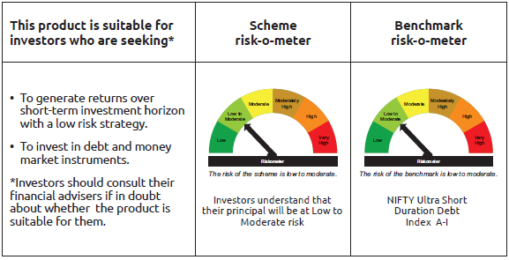
INDEX | Portfolio Statement as on August 31,2025
 | Bandhan Ultra Short Duration Fund

 | Name of the Instrument | ISIN | Industry / Rating | Quantity | Market/Fair Value ( Rs. in Lacs) | % to NAV | YTM
 | Debt Instruments
 | (a) Listed / awaiting listing on Stock Exchange
 | Government Securities
GOI6176 | 6.48% State Government Securities | IN2920210506 | SOVEREIGN | 6,000,000 | 6,025.45 | 1.43% | 6.28%
GOI4006 | 7.2% State Government Securities | IN3320160309 | SOVEREIGN | 5,000,000 | 5,063.97 | 1.20% | 6.32%
GOI1788 | 7.88% State Government Securities | IN3520160034 | SOVEREIGN | 2,500,000 | 2,559.91 | 0.61% | 6.32%
GOI5480 | 7.43% State Government Securities | IN1520230161 | SOVEREIGN | 2,500,000 | 2,539.43 | 0.60% | 6.27%
GOI4871 | 7.49% State Government Securities | IN1520220097 | SOVEREIGN | 1,500,000 | 1,522.60 | 0.36% | 6.11%
GOI1403 | 8.17% State Government Securities | IN3120150146 | SOVEREIGN | 1,000,000 | 1,005.55 | 0.24% | 5.68%
GOI2089 | 8.15% State Government Securities | IN3120180036 | SOVEREIGN | 500,000 | 517.83 | 0.12% | 6.78%
GOI1875 | 7.61% State Government Securities | IN3120160194 | SOVEREIGN | 500,000 | 509.79 | 0.12% | 6.28%
GOI2070 | 7.27% State Government Securities | IN1920160067 | SOVEREIGN | 500,000 | 507.82 | 0.12% | 6.11%
GOI1686 | 7.25% State Government Securities | IN2220160120 | SOVEREIGN | 500,000 | 507.69 | 0.12% | 6.11%
GOI6974 | 6.86% State Government Securities | IN1620160235 | SOVEREIGN | 500,000 | 504.86 | 0.12% | 6.11%
 | Non Convertible Debentures
NBAR677 | 7.4% National Bank For Agriculture and Rural Development | INE261F08DO9 | CRISIL AAA | 34,000,000 | 34,116.18 | 8.09% | 6.28%
BAFL826 | 7.9% Bajaj Finance Limited | INE296A07SF4 | CRISIL AAA | 26,500,000 | 26,559.57 | 6.30% | 6.42%
BHFL96 | 7.9237% Bajaj Housing Finance Limited ** | INE377Y07375 | CRISIL AAA | 21,500,000 | 21,645.62 | 5.13% | 6.39%
SIDB472 | 7.11% Small Industries Dev Bank of India ** | INE556F08KB4 | ICRA AAA | 15,000,000 | 15,052.91 | 3.57% | 6.35%
RECL411 | 5.94% REC Limited | INE020B08DK6 | CRISIL AAA | 12,500,000 | 12,470.66 | 2.96% | 6.30%
POWF512 | 7.37% Power Finance Corporation Limited ** | INE134E08MO2 | CRISIL AAA | 10,000,000 | 10,045.73 | 2.38% | 6.57%
RECL448 | 7.79% REC Limited ** | INE020B08ET5 | ICRA AAA | 7,500,000 | 7,524.96 | 1.78% | 6.05%
RECL428 | 7.56% REC Limited | INE020B08ED9 | CRISIL AAA | 7,000,000 | 7,049.67 | 1.67% | 6.57%
POWF500 | 7.77% Power Finance Corporation Limited ** | INE134E08MC7 | CRISIL AAA | 5,500,000 | 5,553.50 | 1.32% | 6.57%
TCFS658 | 8.3% Tata Capital Limited ** | INE306N07NL3 | ICRA AAA | 5,500,000 | 5,538.51 | 1.31% | 6.67%
MUFL394 | 8.5% Muthoot Finance Limited ** | INE414G07HK3 | CRISIL AA+ | 5,500,000 | 5,521.69 | 1.31% | 7.15%
TCHF401 | 8.1% Tata Capital Housing Finance Limited ** | INE033L07IE2 | CRISIL AAA | 5,000,000 | 5,076.14 | 1.20% | 6.93%
NBAR723 | 7.49% National Bank For Agriculture and Rural Development ** | INE261F08EB4 | CRISIL AAA | 5,000,000 | 5,041.62 | 1.20% | 6.67%
NBAR719 | 7.5% National Bank For Agriculture and Rural Development | INE261F08EA6 | CRISIL AAA | 5,000,000 | 5,039.45 | 1.20% | 6.66%
BHFL117 | 8% Bajaj Housing Finance Limited ** | INE377Y07466 | CRISIL AAA | 5,000,000 | 5,030.77 | 1.19% | 6.35%
RECL429 | 7.6% REC Limited | INE020B08EF4 | CRISIL AAA | 5,000,000 | 5,026.64 | 1.19% | 6.24%
SIDB479 | 7.23% Small Industries Dev Bank of India ** | INE556F08KC2 | ICRA AAA | 5,000,000 | 5,024.35 | 1.19% | 6.35%
SIDB488 | 7.54% Small Industries Dev Bank of India ** | INE556F08KF5 | ICRA AAA | 5,000,000 | 5,018.38 | 1.19% | 6.43%
CHOL989 | 7.9217% Cholamandalam Investment and Finance Company Ltd ** | INE121A07QR3 | ICRA AA+ | 5,000,000 | 5,013.74 | 1.19% | 6.82%
NBAR701 | 7.58% National Bank For Agriculture and Rural Development | INE261F08DX0 | CRISIL AAA | 4,500,000 | 4,534.68 | 1.08% | 6.64%
LICH635 | 7.7201% LIC Housing Finance Limited ** | INE115A07QB9 | CRISIL AAA | 3,500,000 | 3,517.14 | 0.83% | 6.33%
LICH622 | 7.9% LIC Housing Finance Limited ** | INE115A07PV9 | CRISIL AAA | 2,500,000 | 2,540.38 | 0.60% | 6.90%
CHOL1035 | 8.5% Cholamandalam Investment and Finance Company Ltd ** | INE121A07RT7 | ICRA AA+ | 2,500,000 | 2,537.66 | 0.60% | 7.29%
RECL443 | 7.77% REC Limited ** | INE020B08EP3 | CRISIL AAA | 2,500,000 | 2,529.34 | 0.60% | 6.59%
BHFL121 | 7.98% Bajaj Housing Finance Limited ** | INE377Y07490 | CRISIL AAA | 2,500,000 | 2,528.31 | 0.60% | 6.79%
RECL458 | 7.7% REC Limited ** | INE020B08FC8 | ICRA AAA | 2,500,000 | 2,525.94 | 0.60% | 6.59%
BHFL102 | 7.78% Bajaj Housing Finance Limited | INE377Y07425 | CRISIL AAA | 2,500,000 | 2,518.18 | 0.60% | 6.60%
BHFL133 | 7.14% Bajaj Housing Finance Limited ** | INE377Y07557 | CRISIL AAA | 2,500,000 | 2,510.50 | 0.60% | 6.82%
KOMP1661 | 7.7968% Kotak Mahindra Prime Limited ** | INE916DA7SA6 | CRISIL AAA | 2,500,000 | 2,506.94 | 0.59% | 6.43%
RECL407 | 5.81% REC Limited ** | INE020B08DH2 | CRISIL AAA | 2,500,000 | 2,495.55 | 0.59% | 6.12%
RECL405 | 5.85% REC Limited ** | INE020B08DF6 | CRISIL AAA | 2,000,000 | 1,996.92 | 0.47% | 6.12%
POWF246 | 8.9% Power Finance Corporation Limited ** | INE134E08FO6 | CRISIL AAA | 1,500,000 | 1,569.73 | 0.37% | 6.82%
BAFL934 | 8.1% Bajaj Finance Limited ** | INE296A07TA3 | CRISIL AAA | 1,000,000 | 1,007.84 | 0.24% | 6.81%
LICH666 | 7.835% LIC Housing Finance Limited ** | INE115A07QO2 | CRISIL AAA | 500,000 | 506.99 | 0.12% | 6.90%
IRLY371 | 7.23% Indian Railway Finance Corporation Limited ** | INE053F08304 | CRISIL AAA | 500,000 | 503.65 | 0.12% | 6.53%
POWF470 | 6.5% Power Finance Corporation Limited ** | INE134E08LD7 | CRISIL AAA | 500,000 | 500.04 | 0.12% | 5.95%
 | Zero Coupon Bonds
BAFL840 | Bajaj Finance Limited ** | INE296A07RY7 | CRISIL AAA | 5,000,000 | 6,222.54 | 1.48% | 6.61%
 | Subtotal |  |  |  | 255,667.32 | 60.62%
 | (b) Privately placed / Unlisted |  |  |  | NIL | NIL | NIL
 | Subtotal |  |  |  | NIL | NIL | NIL
 | Total |  |  |  | 255,667.32 | 60.62%
 | Money Market Instruments
 | Certificate of Deposit
HDFB983 | HDFC Bank Limited | INE040A16GA3 | CARE A1+ | 15,000,000 | 14,742.20 | 3.50% | 5.91%
UTIB1361 | Axis Bank Limited ** | INE238AD6AX9 | CRISIL A1+ | 12,500,000 | 12,288.61 | 2.91% | 5.92%
SIDB581 | Small Industries Dev Bank of India ** | INE556F16AX2 | CRISIL A1+ | 10,000,000 | 9,848.93 | 2.34% | 5.89%
BKBA467 | Bank of Baroda ** | INE028A16HJ7 | FITCH A1+ | 7,500,000 | 7,341.41 | 1.74% | 6.07%
UTIB1362 | Axis Bank Limited ** | INE238AD6AB5 | CRISIL A1+ | 5,000,000 | 4,963.69 | 1.18% | 5.80%
HDFB979 | HDFC Bank Limited | INE040A16FY5 | CRISIL A1+ | 5,000,000 | 4,925.37 | 1.17% | 5.88%
HDFB990 | HDFC Bank Limited ** | INE040A16GJ4 | CRISIL A1+ | 5,000,000 | 4,856.35 | 1.15% | 6.10%
BKBA468 | Bank of Baroda ** | INE028A16HK5 | FITCH A1+ | 2,500,000 | 2,445.55 | 0.58% | 6.07%
 | Commercial Paper
EXIM789 | Export Import Bank of India ** | INE514E14SJ0 | CRISIL A1+ | 17,500,000 | 17,287.39 | 4.10% | 5.83%
INBS512 | Reliance Jio Infocomm Limited ** | INE110L14UE9 | CRISIL A1+ | 15,000,000 | 14,890.14 | 3.53% | 5.85%
IOIC683 | Indian Oil Corporation Limited ** | INE242A14XZ2 | ICRA A1+ | 10,000,000 | 9,985.72 | 2.37% | 5.80%
KOSE344 | Kotak Securities Limited ** | INE028E14SK9 | CRISIL A1+ | 10,000,000 | 9,747.35 | 2.31% | 6.57%
ICBR610 | ICICI Securities Limited ** | INE763G14ZL9 | CRISIL A1+ | 10,000,000 | 9,734.22 | 2.31% | 6.60%
EXIM804 | Export Import Bank of India | INE514E14ST9 | CRISIL A1+ | 2,500,000 | 2,479.02 | 0.59% | 5.83%
 | TREPS / Reverse Repo Instrument
TRP_010925 | Triparty Repo TRP_010925 |  |  |  | 30,345.54 | 7.20% | 5.40%
 | Total |  |  |  | 155,881.49 | 36.98%
 | Corporate Debt Market Development Fund
CDMD50ME | Corporate Debt Market Development Fund Class A2 | INF0RQ622028 |  | 11,243.587 | 1,274.03 | 0.30%
 | Total |  |  |  | 1,274.03 | 0.30%
 | OTHERS
 | Cash Margin - CCIL |  |  |  | 105.24 | 0.02%
 | Subtotal |  |  |  | 105.24 | 0.02%
 | Net Current Assets |  |  |  | 8,726.19 | 2.08%
 | GRAND TOTAL |  |  |  | 421,654.27 | 100.00%

 | ** Thinly Traded/Non Traded Securities/Illiquid Securities

 | Notes :
 | (1) The provision made for Non Performing Assets as of August 31,2025 is Rs.Nil and its percentage to Net Asset Value is Nil.
 | (2) Aggregate value of illiquid equity shares of the fund amounts to Rs.Nil and their percentage to Net Asset value is Nil.

 | "Mutual Fund investments are subject to market risks, read all scheme related documents carefully"

 | As per the requirement of regulation 43A of SEBI (Mutual Funds) Regulations, 1996, SEBI circular no. SEBI/HO/IMD/PoD2/P/CIR/2023/128 dated July 27, 2023 on framework for Corporate Debt Market Development Fund and SEBI circular no. SEBI/HO/IMD/PoD2 /P/CIR/2023/129 dated July 27, 2023 on investment by mutual fund schemes and Asset Management Companies (AMCs) in units of Corporate Debt Market Development Fund (“CDMDF”), specified open ended debt-oriented schemes of Bandhan Mutual Fund and Bandhan AMC Limited (‘AMC’) shall invest percentage of net assets in the units of the CDMDF.

Bandhan DBF
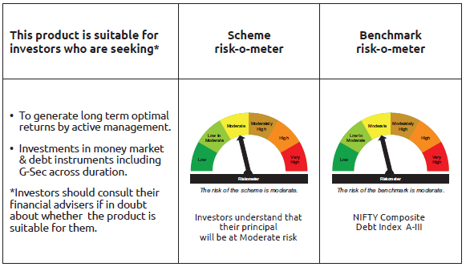
INDEX | Portfolio Statement as on August 31,2025
 | Bandhan Dynamic Bond Fund

 | Name of the Instrument | ISIN | Industry / Rating | Quantity | Market/Fair Value ( Rs. in Lacs) | % to NAV | YTM
 | Debt Instruments
 | (a) Listed / awaiting listing on Stock Exchange
 | Government Securities
GOI6889 | 6.68% GOI (MD 07/07/2040) | IN0020250042 | SOVEREIGN | 164,000,000 | 159,373.07 | 58.64% | 7.11%
GOI6226 | 6.92% GOI (MD 18/11/2039) | IN0020240134 | SOVEREIGN | 103,800,000 | 103,163.60 | 37.96% | 7.11%
GOI5721 | 7.23% GOI (MD 15/04/2039) | IN0020240027 | SOVEREIGN | 4,500,000 | 4,598.99 | 1.69% | 7.10%
GOI1973 | 7.17% GOI (MD 08/01/2028) | IN0020170174 | SOVEREIGN | 10,000 | 10.26 | $ | 6.07%
GOI922 | 8.20% GOI (MD 24/09/2025) | IN0020120047 | SOVEREIGN | 10,000 | 10.02 | $ | 5.51%
 | Subtotal |  |  |  | 267,155.94 | 98.29%
 | (b) Privately placed / Unlisted |  |  |  | NIL | NIL | NIL
 | Subtotal |  |  |  | NIL | NIL | NIL
 | Total |  |  |  | 267,155.94 | 98.29%
 | Money Market Instruments
 | TREPS / Reverse Repo Instrument
TRP_010925 | Triparty Repo TRP_010925 |  |  |  | 299.48 | 0.11% | 5.40%
 | Total |  |  |  | 299.48 | 0.11%
 | Corporate Debt Market Development Fund
CDMD50ME | Corporate Debt Market Development Fund Class A2 | INF0RQ622028 |  | 7,533.694 | 853.66 | 0.31%
 | Total |  |  |  | 853.66 | 0.31%
 | OTHERS
 | Cash Margin - CCIL |  |  |  | 87.58 | 0.03%
 | Subtotal |  |  |  | 87.58 | 0.03%
 | Net Current Assets |  |  |  | 3,384.48 | 1.26%
 | GRAND TOTAL |  |  |  | 271,781.14 | 100.00%

 | $ Less Than 0.01% of NAV

 | Notes :
 | (1) The provision made for Non Performing Assets as of August 31,2025 is Rs.Nil and its percentage to Net Asset Value is Nil.
 | (2) Aggregate value of illiquid equity shares of the fund amounts to Rs.Nil and their percentage to Net Asset value is Nil.

 | "Mutual Fund investments are subject to market risks, read all scheme related documents carefully"

 | As per the requirement of regulation 43A of SEBI (Mutual Funds) Regulations, 1996, SEBI circular no. SEBI/HO/IMD/PoD2/P/CIR/2023/128 dated July 27, 2023 on framework for Corporate Debt Market Development Fund and SEBI circular no. SEBI/HO/IMD/PoD2 /P/CIR/2023/129 dated July 27, 2023 on investment by mutual fund schemes and Asset Management Companies (AMCs) in units of Corporate Debt Market Development Fund (“CDMDF”), specified open ended debt-oriented schemes of Bandhan Mutual Fund and Bandhan AMC Limited (‘AMC’) shall invest percentage of net assets in the units of the CDMDF.

Bandhan BF-IP
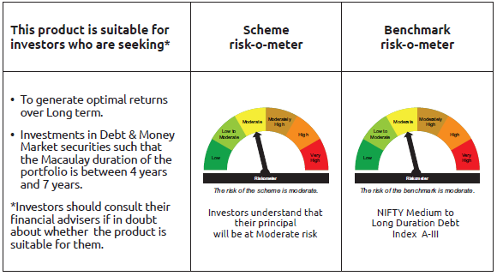
INDEX | Portfolio Statement as on August 31,2025
 | Bandhan Bond Fund - Income Plan

 | Name of the Instrument | ISIN | Industry / Rating | Quantity | Market/Fair Value ( Rs. in Lacs) | % to NAV | YTM
 | Debt Instruments
 | (a) Listed / awaiting listing on Stock Exchange
 | Government Securities
GOI6889 | 6.68% Government of India | IN0020250042 | SOVEREIGN | 19,500,000 | 18,949.85 | 39.25% | 7.11%
GOI5833 | 7.02% Government of India | IN0020240076 | SOVEREIGN | 7,400,000 | 7,578.59 | 15.70% | 6.62%
GOI6226 | 6.92% Government of India | IN0020240134 | SOVEREIGN | 6,000,000 | 5,963.21 | 12.35% | 7.11%
GOI5228 | 7.18% Government of India | IN0020230085 | SOVEREIGN | 5,000,000 | 5,150.30 | 10.67% | 6.80%
GOI5152 | 7.3% Government of India | IN0020230051 | SOVEREIGN | 1,200,000 | 1,196.76 | 2.48% | 7.46%
GOI3734 | 6.54% Government of India | IN0020210244 | SOVEREIGN | 500,000 | 499.00 | 1.03% | 6.69%
GOI3528 | 6.1% Government of India | IN0020210095 | SOVEREIGN | 500,000 | 490.75 | 1.02% | 6.59%
GOI1864 | 6.79% Government of India | IN0020170026 | SOVEREIGN | 100,000 | 101.54 | 0.21% | 5.90%
GOI1364 | 7.73% Government of India | IN0020150051 | SOVEREIGN | 37,500 | 39.99 | 0.08% | 6.87%
 | Non Convertible Debentures
TCFS680 | 8.098% Tata Capital Limited ** | INE306N07NS8 | CRISIL AAA | 4,200,000 | 4,252.13 | 8.81% | 7.12%
BHFL114 | 8.04% Bajaj Housing Finance Limited ** | INE377Y07441 | CRISIL AAA | 2,500,000 | 2,537.38 | 5.26% | 6.82%
RECL405 | 5.85% REC Limited ** | INE020B08DF6 | CRISIL AAA | 200,000 | 199.69 | 0.41% | 6.12%
 | Subtotal |  |  |  | 46,959.19 | 97.27%
 | (b) Privately placed / Unlisted |  |  |  | NIL | NIL | NIL
 | Subtotal |  |  |  | NIL | NIL | NIL
 | Total |  |  |  | 46,959.19 | 97.27%
 | Money Market Instruments
 | TREPS / Reverse Repo Instrument
TRP_010925 | Triparty Repo TRP_010925 |  |  |  | 394.70 | 0.82% | 5.40%
 | Total |  |  |  | 394.70 | 0.82%
 | Corporate Debt Market Development Fund
CDMD50ME | Corporate Debt Market Development Fund Class A2 | INF0RQ622028 |  | 1,254.137 | 142.11 | 0.29%
 | Total |  |  |  | 142.11 | 0.29%
 | OTHERS
 | Cash Margin - CCIL |  |  |  | 25.90 | 0.05%
 | Subtotal |  |  |  | 25.90 | 0.05%
 | Net Current Assets |  |  |  | 758.27 | 1.57%
 | GRAND TOTAL |  |  |  | 48,280.17 | 100.00%

 | ** Thinly Traded/Non Traded Securities/Illiquid Securities

 | Notes :
 | (1) The provision made for Non Performing Assets as of August 31,2025 is Rs.Nil and its percentage to Net Asset Value is Nil.
 | (2) Aggregate value of illiquid equity shares of the fund amounts to Rs.Nil and their percentage to Net Asset value is Nil.

 | "Mutual Fund investments are subject to market risks, read all scheme related documents carefully"

 | As per the requirement of regulation 43A of SEBI (Mutual Funds) Regulations, 1996, SEBI circular no. SEBI/HO/IMD/PoD2/P/CIR/2023/128 dated July 27, 2023 on framework for Corporate Debt Market Development Fund and SEBI circular no. SEBI/HO/IMD/PoD2 /P/CIR/2023/129 dated July 27, 2023 on investment by mutual fund schemes and Asset Management Companies (AMCs) in units of Corporate Debt Market Development Fund (“CDMDF”), specified open ended debt-oriented schemes of Bandhan Mutual Fund and Bandhan AMC Limited (‘AMC’) shall invest percentage of net assets in the units of the CDMDF.

Bandhan BF-MTP
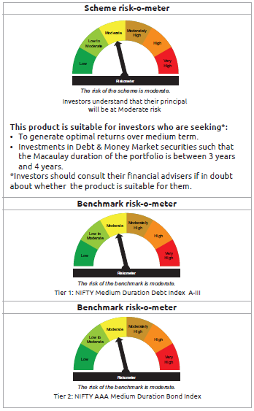
INDEX | Portfolio Statement as on August 31,2025
 | Bandhan Bond Fund - Medium Term Plan

 | Name of the Instrument | ISIN | Industry / Rating | Quantity | Market/Fair Value ( Rs. in Lacs) | % to NAV | YTM
 | Debt Instruments
 | (a) Listed / awaiting listing on Stock Exchange
 | Government Securities
GOI5833 | 7.02% Government of India | IN0020240076 | SOVEREIGN | 53,600,000 | 54,893.58 | 38.09% | 6.62%
GOI4976 | 7.26% Government of India | IN0020220151 | SOVEREIGN | 40,800,000 | 42,223.92 | 29.30% | 6.77%
GOI4986 | 7.68% State Government Securities | IN1520220238 | SOVEREIGN | 500,000 | 516.43 | 0.36% | 6.93%
GOI3734 | 6.54% Government of India | IN0020210244 | SOVEREIGN | 500,000 | 499.00 | 0.35% | 6.69%
GOI2153 | 8.37% State Government Securities | IN3120180176 | SOVEREIGN | 194,600 | 204.12 | 0.14% | 6.78%
GOI1864 | 6.79% Government of India | IN0020170026 | SOVEREIGN | 20,000 | 20.31 | 0.01% | 5.90%
GOI536 | 8.24% Government of India | IN0020060078 | SOVEREIGN | 11,000 | 11.35 | 0.01% | 5.98%
 | Non Convertible Debentures
TCHF371 | 7.75% Tata Capital Housing Finance Limited ** | INE033L07HQ8 | CRISIL AAA | 10,500,000 | 10,629.72 | 7.38% | 6.93%
BHFL114 | 8.04% Bajaj Housing Finance Limited ** | INE377Y07441 | CRISIL AAA | 10,000,000 | 10,149.50 | 7.04% | 6.82%
BHFL121 | 7.98% Bajaj Housing Finance Limited ** | INE377Y07490 | CRISIL AAA | 5,000,000 | 5,056.62 | 3.51% | 6.79%
HDFB889 | 6% HDFC Bank Limited ** | INE040A08708 | CRISIL AAA | 5,000,000 | 4,974.93 | 3.45% | 6.61%
TCFS633 | 7.89% Tata Capital Limited | INE306N07MX0 | CRISIL AAA | 4,500,000 | 4,552.21 | 3.16% | 7.20%
TCFS658 | 8.3% Tata Capital Limited ** | INE306N07NL3 | ICRA AAA | 2,000,000 | 2,014.00 | 1.40% | 6.67%
BAFL826 | 7.9% Bajaj Finance Limited | INE296A07SF4 | CRISIL AAA | 1,000,000 | 1,002.25 | 0.70% | 6.42%
TCFS654 | 8.1165% Tata Capital Limited ** | INE306N07NK5 | CRISIL AAA | 900,000 | 906.92 | 0.63% | 6.84%
TCFS680 | 8.098% Tata Capital Limited ** | INE306N07NS8 | CRISIL AAA | 800,000 | 809.93 | 0.56% | 7.12%
BAFL943 | 7.7951% Bajaj Finance Limited ** | INE296A07TF2 | CRISIL AAA | 500,000 | 506.60 | 0.35% | 7.12%
 | Subtotal |  |  |  | 138,971.39 | 96.44%
 | (b) Privately placed / Unlisted |  |  |  | NIL | NIL | NIL
 | Subtotal |  |  |  | NIL | NIL | NIL
 | Total |  |  |  | 138,971.39 | 96.44%
 | Money Market Instruments
 | Certificate of Deposit
CANB1018 | Canara Bank ** | INE476A16ZQ5 | CRISIL A1+ | 1,000,000 | 983.81 | 0.68% | 5.89%
 | Commercial Paper
EXIM804 | Export Import Bank of India | INE514E14ST9 | CRISIL A1+ | 1,000,000 | 991.61 | 0.69% | 5.83%
 | TREPS / Reverse Repo Instrument
TRP_010925 | Triparty Repo TRP_010925 |  |  |  | 418.79 | 0.29% | 5.40%
 | Total |  |  |  | 2,394.21 | 1.66%
 | Corporate Debt Market Development Fund
CDMD50ME | Corporate Debt Market Development Fund Class A2 | INF0RQ622028 |  | 5,086.246 | 576.33 | 0.40%
 | Total |  |  |  | 576.33 | 0.40%
 | OTHERS
 | Cash Margin - CCIL |  |  |  | 0.83 | $
 | Subtotal |  |  |  | 0.83 | $
 | Net Current Assets |  |  |  | 2,157.93 | 1.50%
 | GRAND TOTAL |  |  |  | 144,100.69 | 100.00%

 | $ Less Than 0.01% of NAV
 | ** Thinly Traded/Non Traded Securities/Illiquid Securities

 | Notes :
 | (1) The provision made for Non Performing Assets as of August 31,2025 is Rs.Nil and its percentage to Net Asset Value is Nil.
 | (2) Aggregate value of illiquid equity shares of the fund amounts to Rs.Nil and their percentage to Net Asset value is Nil.

 | "Mutual Fund investments are subject to market risks, read all scheme related documents carefully"

 | As per the requirement of regulation 43A of SEBI (Mutual Funds) Regulations, 1996, SEBI circular no. SEBI/HO/IMD/PoD2/P/CIR/2023/128 dated July 27, 2023 on framework for Corporate Debt Market Development Fund and SEBI circular no. SEBI/HO/IMD/PoD2 /P/CIR/2023/129 dated July 27, 2023 on investment by mutual fund schemes and Asset Management Companies (AMCs) in units of Corporate Debt Market Development Fund (“CDMDF”), specified open ended debt-oriented schemes of Bandhan Mutual Fund and Bandhan AMC Limited (‘AMC’) shall invest percentage of net assets in the units of the CDMDF.

Bandhan BF-STP
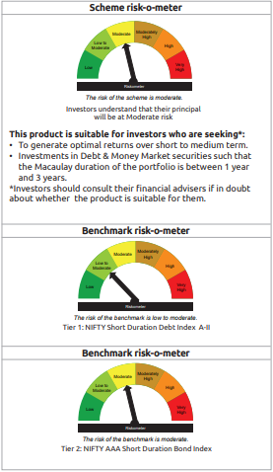
INDEX | Portfolio Statement as on August 31,2025
 | Bandhan Bond Fund - Short Term Plan

 | Name of the Instrument | ISIN | Industry / Rating | Quantity | Market/Fair Value ( Rs. in Lacs) | % to NAV | YTM
 | Debt Instruments
 | (a) Listed / awaiting listing on Stock Exchange
 | Government Securities
GOI5833 | 7.02% Government of India | IN0020240076 | SOVEREIGN | 395,500,000 | 405,045.00 | 37.64% | 6.62%
GOI3528 | 6.1% Government of India | IN0020210095 | SOVEREIGN | 49,500,000 | 48,584.20 | 4.52% | 6.59%
GOI3664 | 6.83% State Government Securities | IN3120210262 | SOVEREIGN | 30,000,000 | 29,747.31 | 2.76% | 7.12%
GOI4193 | 6.88% State Government Securities | IN3320210013 | SOVEREIGN | 25,000,000 | 24,827.63 | 2.31% | 7.15%
GOI4194 | 6.99% State Government Securities | IN3320210039 | SOVEREIGN | 21,500,000 | 21,463.26 | 1.99% | 7.15%
GOI4152 | 6.89% State Government Securities | IN2220210156 | SOVEREIGN | 11,000,000 | 10,941.51 | 1.02% | 7.12%
GOI3511 | 6.83% State Government Securities | IN2220210131 | SOVEREIGN | 10,000,000 | 9,918.66 | 0.92% | 7.12%
GOI3734 | 6.54% Government of India | IN0020210244 | SOVEREIGN | 9,500,000 | 9,481.00 | 0.88% | 6.69%
GOI3616 | 6.96% State Government Securities | IN1920210037 | SOVEREIGN | 7,500,000 | 7,484.54 | 0.70% | 7.12%
GOI6922 | 7.01% State Government Securities | IN1520240111 | SOVEREIGN | 2,500,000 | 2,499.69 | 0.23% | 7.13%
GOI4976 | 7.26% Government of India | IN0020220151 | SOVEREIGN | 1,700,000 | 1,759.33 | 0.16% | 6.77%
GOI536 | 8.24% Government of India | IN0020060078 | SOVEREIGN | 100,000 | 103.23 | 0.01% | 5.98%
GOI3103 | 5.63% Government of India | IN0020210012 | SOVEREIGN | 100,000 | 100.00 | 0.01% | 5.70%
GOI1864 | 6.79% Government of India | IN0020170026 | SOVEREIGN | 85,000 | 86.31 | 0.01% | 5.90%
 | Non Convertible Debentures
BHFL114 | 8.04% Bajaj Housing Finance Limited ** | INE377Y07441 | CRISIL AAA | 47,500,000 | 48,210.13 | 4.48% | 6.82%
TCFS654 | 8.1165% Tata Capital Limited ** | INE306N07NK5 | CRISIL AAA | 44,100,000 | 44,439.17 | 4.13% | 6.84%
BAFL974 | 7.3763% Bajaj Finance Limited | INE296A07TJ4 | CRISIL AAA | 27,500,000 | 27,587.78 | 2.56% | 7.20%
LICH680 | 7.74% LIC Housing Finance Limited ** | INE115A07QW5 | CRISIL AAA | 27,000,000 | 27,429.92 | 2.55% | 6.98%
TCHF375 | 7.8% Tata Capital Housing Finance Limited ** | INE033L07HU0 | CRISIL AAA | 25,000,000 | 25,344.63 | 2.36% | 7.00%
LICH676 | 7.9265% LIC Housing Finance Limited ** | INE115A07QS3 | CRISIL AAA | 24,500,000 | 24,908.61 | 2.31% | 6.93%
BHFL121 | 7.98% Bajaj Housing Finance Limited ** | INE377Y07490 | CRISIL AAA | 17,500,000 | 17,698.15 | 1.64% | 6.79%
HDFB887 | 5.78% HDFC Bank Limited ** | INE040A08856 | CRISIL AAA | 15,000,000 | 14,970.69 | 1.39% | 6.35%
TCHF397 | 8.0409% Tata Capital Housing Finance Limited ** | INE033L07ID4 | CRISIL AAA | 10,000,000 | 10,151.87 | 0.94% | 6.93%
LICH697 | 7.73% LIC Housing Finance Limited ** | INE115A07RE1 | CRISIL AAA | 10,000,000 | 10,118.46 | 0.94% | 6.85%
BAFL943 | 7.7951% Bajaj Finance Limited ** | INE296A07TF2 | CRISIL AAA | 6,000,000 | 6,079.16 | 0.56% | 7.12%
TCHF371 | 7.75% Tata Capital Housing Finance Limited ** | INE033L07HQ8 | CRISIL AAA | 5,000,000 | 5,061.77 | 0.47% | 6.93%
NBAR719 | 7.5% National Bank For Agriculture and Rural Development | INE261F08EA6 | CRISIL AAA | 5,000,000 | 5,039.45 | 0.47% | 6.66%
BHFL102 | 7.78% Bajaj Housing Finance Limited | INE377Y07425 | CRISIL AAA | 5,000,000 | 5,036.36 | 0.47% | 6.60%
BHFL117 | 8% Bajaj Housing Finance Limited ** | INE377Y07466 | CRISIL AAA | 5,000,000 | 5,030.77 | 0.47% | 6.35%
JOIC20 | 7.19% JIO Credit Limited ** | INE282H07018 | CRISIL AAA | 5,000,000 | 4,992.64 | 0.46% | 7.25%
LICH622 | 7.9% LIC Housing Finance Limited ** | INE115A07PV9 | CRISIL AAA | 4,000,000 | 4,064.60 | 0.38% | 6.90%
BAFL826 | 7.9% Bajaj Finance Limited | INE296A07SF4 | CRISIL AAA | 4,000,000 | 4,008.99 | 0.37% | 6.42%
BAFL934 | 8.1% Bajaj Finance Limited ** | INE296A07TA3 | CRISIL AAA | 3,000,000 | 3,023.51 | 0.28% | 6.81%
BHFL98 | 7.83% Bajaj Housing Finance Limited ** | INE377Y07391 | CRISIL AAA | 2,500,000 | 2,508.45 | 0.23% | 6.25%
KOMP1661 | 7.7968% Kotak Mahindra Prime Limited ** | INE916DA7SA6 | CRISIL AAA | 2,500,000 | 2,506.94 | 0.23% | 6.43%
 | Subtotal |  |  |  | 870,253.72 | 80.85%
 | (b) Privately placed / Unlisted |  |  |  | NIL | NIL | NIL
 | Subtotal |  |  |  | NIL | NIL | NIL
 | Total |  |  |  | 870,253.72 | 80.85%
 | Money Market Instruments
 | Certificate of Deposit
EXIM793 | Export Import Bank of India ** | INE514E16CI1 | CRISIL A1+ | 35,000,000 | 34,337.87 | 3.19% | 5.87%
UNBI412 | Union Bank of India ** | INE692A16II0 | FITCH A1+ | 22,500,000 | 22,115.03 | 2.06% | 5.88%
NBAR823 | National Bank For Agriculture and Rural Development ** | INE261F16959 | ICRA A1+ | 20,000,000 | 19,448.46 | 1.81% | 6.13%
CANB1016 | Canara Bank ** | INE476A16ZP7 | CRISIL A1+ | 17,500,000 | 17,235.84 | 1.60% | 5.89%
SIDB576 | Small Industries Dev Bank of India ** | INE556F16AV6 | CRISIL A1+ | 15,000,000 | 14,877.08 | 1.38% | 5.80%
HDFB983 | HDFC Bank Limited | INE040A16GA3 | CARE A1+ | 12,500,000 | 12,285.16 | 1.14% | 5.91%
UNBI410 | Union Bank of India ** | INE692A16IF6 | FITCH A1+ | 10,000,000 | 9,841.37 | 0.91% | 5.88%
UTIB1340 | Axis Bank Limited ** | INE238AD6991 | CRISIL A1+ | 7,500,000 | 7,415.02 | 0.69% | 5.81%
IBCL1176 | ICICI Bank Limited ** | INE090AD6204 | ICRA A1+ | 7,500,000 | 7,413.43 | 0.69% | 5.76%
HDFB971 | HDFC Bank Limited ** | INE040A16FR9 | CARE A1+ | 5,000,000 | 4,949.54 | 0.46% | 5.81%
NBAR817 | National Bank For Agriculture and Rural Development ** | INE261F16926 | CRISIL A1+ | 5,000,000 | 4,872.45 | 0.45% | 6.13%
KMBK870 | Kotak Mahindra Bank Limited | INE237A167Y4 | CRISIL A1+ | 2,500,000 | 2,465.62 | 0.23% | 5.78%
CANB1015 | Canara Bank | INE476A16ZO0 | CRISIL A1+ | 2,000,000 | 1,970.12 | 0.18% | 5.89%
 | Commercial Paper
EXIM804 | Export Import Bank of India | INE514E14ST9 | CRISIL A1+ | 25,500,000 | 25,285.95 | 2.35% | 5.83%
 | TREPS / Reverse Repo Instrument
TRP_010925 | Triparty Repo TRP_010925 |  |  |  | 864.77 | 0.08% | 5.40%
 | Total |  |  |  | 185,377.71 | 17.22%
 | Interest Rate Swaps
IRS1074FL | Interest Rate Swaps (26/12/2025) Receive Floating |  |  | 50,000,000 | 50,000.00 | 4.65% | 5.54%
IRS1057FL | Interest Rate Swaps (10/03/2026) Receive Floating |  |  | 25,000,000 | 25,000.00 | 2.32% | 5.54%
IRS1058FL | Interest Rate Swaps (10/03/2026) Receive Floating |  |  | 25,000,000 | 25,000.00 | 2.32% | 5.54%
IRS1070FL | Interest Rate Swaps (26/03/2026) Receive Floating |  |  | 25,000,000 | 25,000.00 | 2.32% | 5.54%
IRS1072FL | Interest Rate Swaps (26/03/2026) Receive Floating |  |  | 25,000,000 | 25,000.00 | 2.32% | 5.54%
IRS1073FL | Interest Rate Swaps (26/12/2025) Receive Floating |  |  | 25,000,000 | 25,000.00 | 2.32% | 5.54%
IRS1057FX | Interest Rate Swaps (10/03/2026) Pay Fixed |  |  | -25,000,000 | (24,988.43) | -2.32% | 5.49%
IRS1058FX | Interest Rate Swaps (10/03/2026) Pay Fixed |  |  | -25,000,000 | (24,988.75) | -2.32% | 5.49%
IRS1070FX | Interest Rate Swaps (26/03/2026) Pay Fixed |  |  | -25,000,000 | (24,997.48) | -2.32% | 5.49%
IRS1072FX | Interest Rate Swaps (26/03/2026) Pay Fixed |  |  | -25,000,000 | (24,997.83) | -2.32% | 5.49%
IRS1073FX | Interest Rate Swaps (26/12/2025) Pay Fixed |  |  | -25,000,000 | (24,997.95) | -2.32% | 5.48%
IRS1074FX | Interest Rate Swaps (26/12/2025) Pay Fixed |  |  | -50,000,000 | (49,995.50) | -4.65% | 5.48%
 | Total |  |  |  | 34.06 | 0.00%
 | Corporate Debt Market Development Fund
CDMD50ME | Corporate Debt Market Development Fund Class A2 | INF0RQ622028 |  | 26,590.928 | 3,013.07 | 0.28%
 | Total |  |  |  | 3,013.07 | 0.28%
 | OTHERS
 | Cash Margin - CCIL |  |  |  | 108.59 | 0.01%
 | Subtotal |  |  |  | 108.59 | 0.01%
 | Net Current Assets |  |  |  | 17,286.98 | 1.64%
 | GRAND TOTAL |  |  |  | 1,076,074.13 | 100.00%

 | ** Thinly Traded/Non Traded Securities/Illiquid Securities

 | Notes :
 | (1) The provision made for Non Performing Assets as of August 31,2025 is Rs.Nil and its percentage to Net Asset Value is Nil.
 | (2) Aggregate value of illiquid equity shares of the fund amounts to Rs.Nil and their percentage to Net Asset value is Nil.

 | "Mutual Fund investments are subject to market risks, read all scheme related documents carefully"

 | “This scheme has exposure to floating rate instruments and / or interest rate derivatives. The duration of these instruments is linked to the interest rate reset period. The interest rate risk in a floating rate instrument or in a fixed rate instrument hedged with derivatives is likely to be lesser than that in an equivalent maturity fixed rate instrument. Under some market circumstances the volatility may be of an order greater than what may ordinarily be expected considering only its duration. Hence investors are recommended to consider the unadjusted portfolio maturity of the scheme as well and exercise adequate due diligence when deciding to make their investments”.

 | As per the requirement of regulation 43A of SEBI (Mutual Funds) Regulations, 1996, SEBI circular no. SEBI/HO/IMD/PoD2/P/CIR/2023/128 dated July 27, 2023 on framework for Corporate Debt Market Development Fund and SEBI circular no. SEBI/HO/IMD/PoD2 /P/CIR/2023/129 dated July 27, 2023 on investment by mutual fund schemes and Asset Management Companies (AMCs) in units of Corporate Debt Market Development Fund (“CDMDF”), specified open ended debt-oriented schemes of Bandhan Mutual Fund and Bandhan AMC Limited (‘AMC’) shall invest percentage of net assets in the units of the CDMDF.

Bandhan BPSU
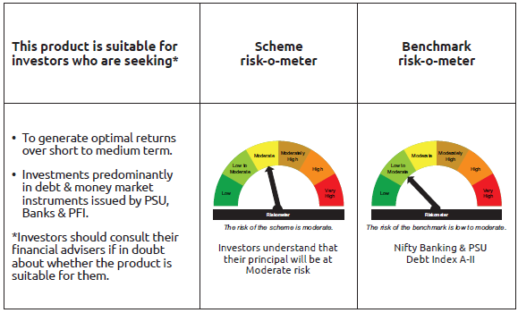
INDEX | Portfolio Statement as on August 31,2025
 | Bandhan Banking and PSU Fund

 | Name of the Instrument | ISIN | Industry / Rating | Quantity | Market/Fair Value ( Rs. in Lacs) | % to NAV | YTM
 | Debt Instruments
 | (a) Listed / awaiting listing on Stock Exchange
 | Government Securities
GOI5228 | 7.18% Government of India | IN0020230085 | SOVEREIGN | 139,100,000 | 143,281.21 | 10.81% | 6.80%
GOI4976 | 7.26% Government of India | IN0020220151 | SOVEREIGN | 50,500,000 | 52,262.45 | 3.94% | 6.77%
GOI6889 | 6.68% Government of India | IN0020250042 | SOVEREIGN | 45,000,000 | 43,730.42 | 3.30% | 7.11%
GOI6526 | 7.17% State Government Securities | IN2720240158 | SOVEREIGN | 28,000,000 | 28,421.06 | 2.14% | 6.93%
GOI5833 | 7.02% Government of India | IN0020240076 | SOVEREIGN | 27,500,000 | 28,163.69 | 2.13% | 6.62%
GOI2462 | 5.79% Government of India | IN0020200070 | SOVEREIGN | 20,000,000 | 19,554.02 | 1.48% | 6.44%
GOI3734 | 6.54% Government of India | IN0020210244 | SOVEREIGN | 15,000,000 | 14,970.00 | 1.13% | 6.69%
GOI6972 | 7% State Government Securities | IN2720240034 | SOVEREIGN | 12,919,100 | 13,010.12 | 0.98% | 6.93%
GOI3528 | 6.1% Government of India | IN0020210095 | SOVEREIGN | 500,000 | 490.75 | 0.04% | 6.59%
GOI1908 | 7.18% State Government Securities | IN3120170078 | SOVEREIGN | 120,000 | 121.95 | 0.01% | 6.35%
 | Non Convertible Debentures
NHBA319 | 7.77% National Housing Bank ** | INE557F08FP2 | CRISIL AAA | 62,000,000 | 62,371.81 | 4.71% | 6.48%
IRLY366 | 7.4% Indian Railway Finance Corporation Limited ** | INE053F08239 | CRISIL AAA | 52,500,000 | 52,815.16 | 3.99% | 6.45%
NBAR701 | 7.58% National Bank For Agriculture and Rural Development | INE261F08DX0 | CRISIL AAA | 50,000,000 | 50,385.30 | 3.80% | 6.64%
IRLY369 | 7.51% Indian Railway Finance Corporation Limited ** | INE053F08288 | CRISIL AAA | 44,000,000 | 44,289.61 | 3.34% | 6.45%
HDFB913 | 7.7% HDFC Bank Limited ** | INE040A08955 | CRISIL AAA | 42,000,000 | 42,705.10 | 3.22% | 6.97%
NUCL133 | 7.7% Nuclear Power Corporation Of India Limited ** | INE206D08501 | ICRA AAA | 41,000,000 | 41,921.93 | 3.16% | 6.69%
HDFB463 | 7.95% HDFC Bank Limited ** | INE040A08369 | CRISIL AAA | 38,000,000 | 38,414.24 | 2.90% | 6.83%
NTPC112 | 7.58% NTPC Limited ** | INE733E07KE8 | CRISIL AAA | 35,000,000 | 35,362.04 | 2.67% | 6.44%
RECL411 | 5.94% REC Limited | INE020B08DK6 | CRISIL AAA | 31,500,000 | 31,426.07 | 2.37% | 6.30%
IOIC659 | 7.36% Indian Oil Corporation Limited ** | INE242A08551 | CRISIL AAA | 29,838,000 | 30,477.64 | 2.30% | 6.71%
NBAR796 | 7.44% National Bank For Agriculture and Rural Development | INE261F08EK5 | CRISIL AAA | 28,000,000 | 28,330.60 | 2.14% | 6.88%
SIDB479 | 7.23% Small Industries Dev Bank of India ** | INE556F08KC2 | ICRA AAA | 28,000,000 | 28,136.36 | 2.12% | 6.35%
NBAR719 | 7.5% National Bank For Agriculture and Rural Development | INE261F08EA6 | CRISIL AAA | 27,500,000 | 27,716.98 | 2.09% | 6.66%
RECL429 | 7.6% REC Limited | INE020B08EF4 | CRISIL AAA | 26,000,000 | 26,138.53 | 1.97% | 6.24%
HDFB871 | 7.9% HDFC Bank Limited ** | INE040A08484 | CRISIL AAA | 21,000,000 | 21,195.26 | 1.60% | 6.88%
EXIM731 | 7.32% Export Import Bank of India ** | INE514E08FZ5 | CRISIL AAA | 20,000,000 | 20,119.12 | 1.52% | 6.39%
HPEC303 | 7.74% Hindustan Petroleum Corporation Limited ** | INE094A08150 | CRISIL AAA | 19,000,000 | 19,479.26 | 1.47% | 6.58%
NHBA331 | 7.59% National Housing Bank ** | INE557F08FZ1 | CRISIL AAA | 18,500,000 | 18,831.37 | 1.42% | 6.61%
IRLY371 | 7.23% Indian Railway Finance Corporation Limited ** | INE053F08304 | CRISIL AAA | 18,000,000 | 18,131.47 | 1.37% | 6.53%
SIDB472 | 7.11% Small Industries Dev Bank of India ** | INE556F08KB4 | ICRA AAA | 18,000,000 | 18,063.49 | 1.36% | 6.35%
HDFB795 | 6.44% HDFC Bank Limited ** | INE040A08401 | CRISIL AAA | 15,500,000 | 15,259.44 | 1.15% | 7.01%
HDFB901 | 7.77% HDFC Bank Limited ** | INE040A08823 | CRISIL AAA | 12,500,000 | 12,675.29 | 0.96% | 6.92%
NHBA329 | 7.59% National Housing Bank ** | INE557F08FY4 | CRISIL AAA | 10,000,000 | 10,164.58 | 0.77% | 6.61%
IRLY383 | 7.37% Indian Railway Finance Corporation Limited | INE053F08411 | CRISIL AAA | 10,000,000 | 10,144.52 | 0.77% | 6.93%
RECL478 | 6.6% REC Limited ** | INE020B08FZ9 | ICRA AAA | 10,000,000 | 9,984.95 | 0.75% | 6.67%
RECL454 | 7.59% REC Limited ** | INE020B08FA2 | CRISIL AAA | 9,000,000 | 9,128.13 | 0.69% | 6.67%
NUCL111 | 8.4% Nuclear Power Corporation Of India Limited ** | INE206D08238 | CRISIL AAA | 8,000,000 | 8,304.98 | 0.63% | 6.64%
POWF506 | 7.77% Power Finance Corporation Limited ** | INE134E08MJ2 | CRISIL AAA | 8,000,000 | 8,173.47 | 0.62% | 6.82%
PGCI422 | 8.24% Power Grid Corporation of India Limited ** | INE752E08551 | CRISIL AAA | 7,500,000 | 7,880.06 | 0.59% | 6.68%
RECL443 | 7.77% REC Limited ** | INE020B08EP3 | CRISIL AAA | 7,500,000 | 7,588.03 | 0.57% | 6.59%
PGCI344 | 8.7% Power Grid Corporation of India Limited ** | INE752E07LC0 | CRISIL AAA | 5,650,000 | 5,940.43 | 0.45% | 6.66%
NUCL124 | 7.25% Nuclear Power Corporation Of India Limited ** | INE206D08410 | CRISIL AAA | 5,500,000 | 5,580.62 | 0.42% | 6.65%
HDFB875 | 9.05% HDFC Bank Limited ** | INE040A08732 | CRISIL AAA | 5,000,000 | 5,275.15 | 0.40% | 7.01%
NHPC117 | 8.12% NHPC Limited ** | INE848E08136 | CARE AAA | 5,000,000 | 5,227.47 | 0.39% | 6.77%
HDFB631 | 8.44% HDFC Bank Limited ** | INE040A08393 | CRISIL AAA | 5,000,000 | 5,201.20 | 0.39% | 7.02%
NHAI65 | 7.49% National Highways Authority Of India ** | INE906B07HG7 | CRISIL AAA | 5,000,000 | 5,112.56 | 0.39% | 6.81%
HPEC305 | 7.22% Hindustan Petroleum Corporation Limited ** | INE094A08168 | CRISIL AAA | 5,000,000 | 5,089.23 | 0.38% | 6.69%
IOIC654 | 7.44% Indian Oil Corporation Limited ** | INE242A08544 | CRISIL AAA | 5,000,000 | 5,088.14 | 0.38% | 6.55%
NBAR805 | 7.53% National Bank For Agriculture and Rural Development | INE261F08EM1 | ICRA AAA | 5,000,000 | 5,080.12 | 0.38% | 6.80%
NTPC251 | 7.47% NTPC Limited ** | INE733E07KF5 | CRISIL AAA | 5,000,000 | 5,048.49 | 0.38% | 6.47%
...
 | Notes :
 | (1) The provision made for Non Performing Assets as of August 31,2025 is Rs.Nil and its percentage to Net Asset Value is Nil.
 | (2) Aggregate value of illiquid equity shares of the fund amounts to Rs.Nil and their percentage to Net Asset value is Nil.

 | "Mutual Fund investments are subject to market risks, read all scheme related documents carefully"

 | As per the requirement of regulation 43A of SEBI (Mutual Funds) Regulations, 1996, SEBI circular no. SEBI/HO/IMD/PoD2/P/CIR/2023/128 dated July 27, 2023 on framework for Corporate Debt Market Development Fund and SEBI circular no. SEBI/HO/IMD/PoD2 /P/CIR/2023/129 dated July 27, 2023 on investment by mutual fund schemes and Asset Management Companies (AMCs) in units of Corporate Debt Market Development Fund (“CDMDF”), specified open ended debt-oriented schemes of Bandhan Mutual Fund and Bandhan AMC Limited (‘AMC’) shall invest percentage of net assets in the units of the CDMDF.

Bandhan CBF
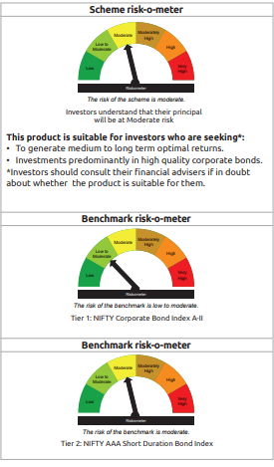
...
Notes :
(1) The provision made for Non Performing Assets as of August 31,2025 is Rs.Nil and its percentage to Net Asset Value is Nil.
(2) Aggregate value of illiquid equity shares of the fund amounts to Rs.Nil and their percentage to Net Asset value is Nil.

"Mutual Fund investments are subject to market risks, read all scheme related documents carefully"

As per the requirement of regulation 43A of SEBI (Mutual Funds) Regulations, 1996, SEBI circular no. SEBI/HO/IMD/PoD2/P/CIR/2023/128 dated July 27, 2023 on framework for Corporate Debt Market Development Fund and SEBI circular no. SEBI/HO/IMD/PoD2 /P/CIR/2023/129 dated July 27, 2023 on investment by mutual fund schemes and Asset Management Companies (AMCs) in units of Corporate Debt Market Development Fund (“CDMDF”), specified open ended debt-oriented schemes of Bandhan Mutual Fund and Bandhan AMC Limited (‘AMC’) shall invest percentage of net assets in the units of the CDMDF.

Bandhan CRF
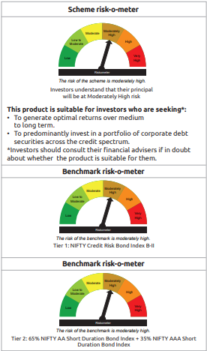
...
Notes :
(1) The provision made for Non Performing Assets as of August 31,2025 is Rs.Nil and its percentage to Net Asset Value is Nil.
(2) Aggregate value of illiquid equity shares of the fund amounts to Rs.Nil and their percentage to Net Asset value is Nil.

"Mutual Fund investments are subject to market risks, read all scheme related documents carefully"

As per the requirement of regulation 43A of SEBI (Mutual Funds) Regulations, 1996, SEBI circular no. SEBI/HO/IMD/PoD2/P/CIR/2023/128 dated July 27, 2023 on framework for Corporate Debt Market Development Fund and SEBI circular no. SEBI/HO/IMD/PoD2 /P/CIR/2023/129 dated July 27, 2023 on investment by mutual fund schemes and Asset Management Companies (AMCs) in units of Corporate Debt Market Development Fund (“CDMDF”), specified open ended debt-oriented schemes of Bandhan Mutual Fund and Bandhan AMC Limited (‘AMC’) shall invest percentage of net assets in the units of the CDMDF.

Bandhan FRF
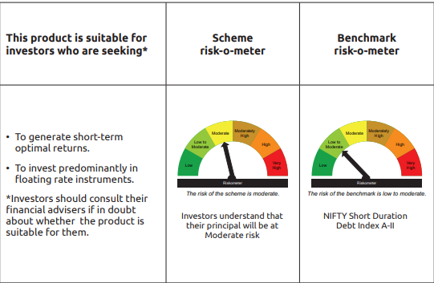
...
"Mutual Fund investments are subject to market risks, read all scheme related documents carefully"

“This scheme has exposure to floating rate instruments and / or interest rate derivatives. The duration of these instruments is linked to the interest rate reset period. The interest rate risk in a floating rate instrument or in a fixed rate instrument hedged with derivatives is likely to be lesser than that in an equivalent maturity fixed rate instrument. Under some market circumstances the volatility may be of an order greater than what may ordinarily be expected considering only its duration. Hence investors are recommended to consider the unadjusted portfolio maturity of the scheme as well and exercise adequate due diligence when deciding to make their investments”.

As per the requirement of regulation 43A of SEBI (Mutual Funds) Regulations, 1996, SEBI circular no. SEBI/HO/IMD/PoD2/P/CIR/2023/128 dated July 27, 2023 on framework for Corporate Debt Market Development Fund and SEBI circular no. SEBI/HO/IMD/PoD2 /P/CIR/2023/129 dated July 27, 2023 on investment by mutual fund schemes and Asset Management Companies (AMCs) in units of Corporate Debt Market Development Fund (“CDMDF”), specified open ended debt-oriented schemes of Bandhan Mutual Fund and Bandhan AMC Limited (‘AMC’) shall invest percentage of net assets in the units of the CDMDF.

Bandhan G-Sec IP
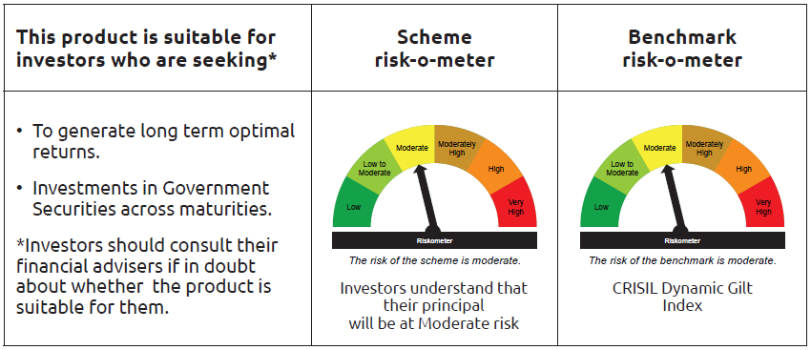
...
$ Less Than 0.01% of NAV

Notes :
(1) The provision made for Non Performing Assets as of August 31,2025 is Rs.Nil and its percentage to Net Asset Value is Nil.
(2) Aggregate value of illiquid equity shares of the fund amounts to Rs.Nil and their percentage to Net Asset value is Nil.

"Mutual Fund investments are subject to market risks, read all scheme related documents carefully"

Bandhan G-Sec CMP
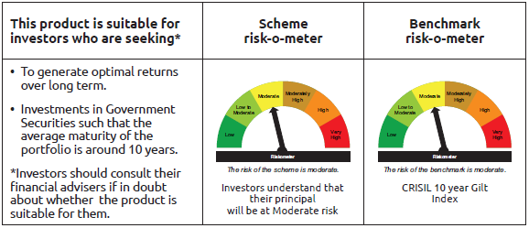
...
Name of the Instrument | ISIN | Industry / Rating | Quantity | Market/Fair Value ( Rs. in Lacs) | % to NAV | YTM
GRAND TOTAL |  |  |  | 34,560.76 | 100.00%

Notes :
(1) The provision made for Non Performing Assets as of August 31,2025 is Rs.Nil and its percentage to Net Asset Value is Nil.
(2) Aggregate value of illiquid equity shares of the fund amounts to Rs.Nil and their percentage to Net Asset value is Nil.

"Mutual Fund investments are subject to market risks, read all scheme related documents carefully"

Bandhan Long Dur
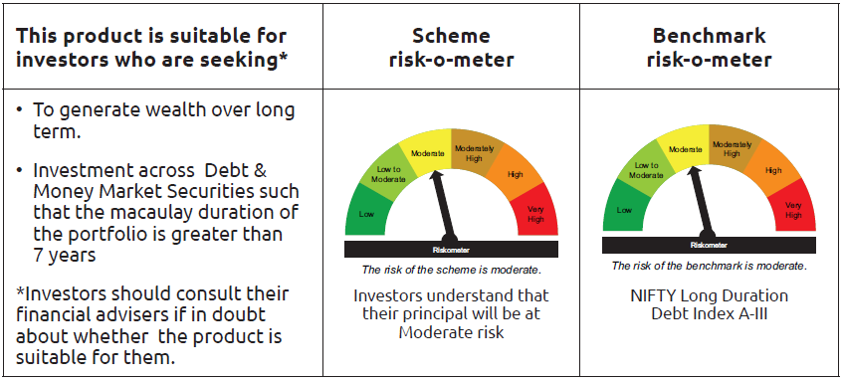
...
Notes :
(1) The provision made for Non Performing Assets as of August 31,2025 is Rs.Nil and its percentage to Net Asset Value is Nil.
(2) Aggregate value of illiquid equity shares of the fund amounts to Rs.Nil and their percentage to Net Asset value is Nil.

"Mutual Fund investments are subject to market risks, read all scheme related documents carefully"

As per the requirement of regulation 43A of SEBI (Mutual Funds) Regulations, 1996, SEBI circular no. SEBI/HO/IMD/PoD2/P/CIR/2023/128 dated July 27, 2023 on framework for Corporate Debt Market Development Fund and SEBI circular no. SEBI/HO/IMD/PoD2 /P/CIR/2023/129 dated July 27, 2023 on investment by mutual fund schemes and Asset Management Companies (AMCs) in units of Corporate Debt Market Development Fund (“CDMDF”), specified open ended debt-oriented schemes of Bandhan Mutual Fund and Bandhan AMC Limited (‘AMC’) shall invest percentage of net assets in the units of the CDMDF.

Bandhan CRISIL IBX April 2026
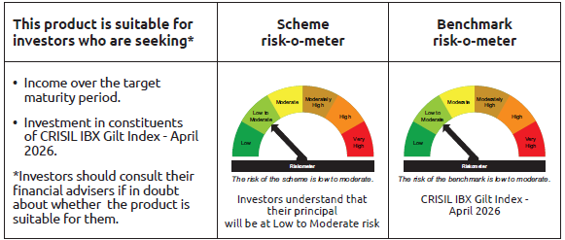
...
Name of the Instrument | ISIN | Industry / Rating | Quantity | Market/Fair Value ( Rs. in Lacs) | % to NAV | YTM
GRAND TOTAL |  |  |  | 40,835.37 | 100.00%

Notes :
(1) The provision made for Non Performing Assets as of August 31,2025 is Rs.Nil and its percentage to Net Asset Value is Nil.
(2) Aggregate value of illiquid equity shares of the fund amounts to Rs.Nil and their percentage to Net Asset value is Nil.

"Mutual Fund investments are subject to market risks, read all scheme related documents carefully"

Bandhan CRISIL IBX June 2027
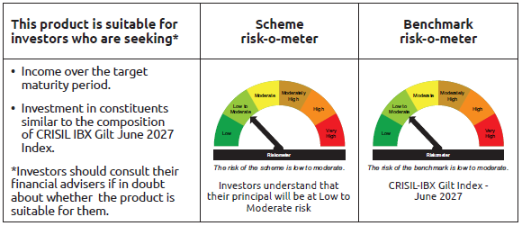
...
$ Less Than 0.01% of NAV

Notes :
(1) The provision made for Non Performing Assets as of August 31,2025 is Rs.Nil and its percentage to Net Asset Value is Nil.
(2) Aggregate value of illiquid equity shares of the fund amounts to Rs.Nil and their percentage to Net Asset value is Nil.

"Mutual Fund investments are subject to market risks, read all scheme related documents carefully"

Bandhan CRISIL IBX April 2028
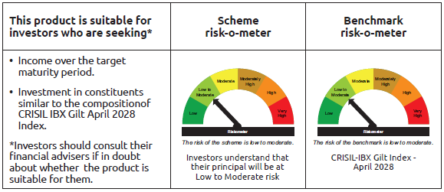
...
Name of the Instrument | ISIN | Industry / Rating | Quantity | Market/Fair Value ( Rs. in Lacs) | % to NAV | YTM
GRAND TOTAL |  |  |  | 429,699.19 | 100.00%

Notes :
(1) The provision made for Non Performing Assets as of August 31,2025 is Rs.Nil and its percentage to Net Asset Value is Nil.
(2) Aggregate value of illiquid equity shares of the fund amounts to Rs.Nil and their percentage to Net Asset value is Nil.

"Mutual Fund investments are subject to market risks, read all scheme related documents carefully"

Bandhan CRISIL IBX April 2032
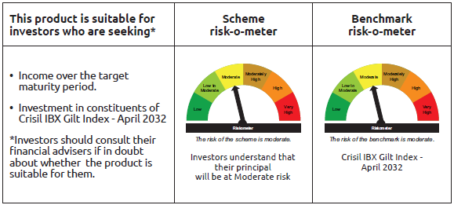
...
$ Less Than 0.01% of NAV

Notes :
(1) The provision made for Non Performing Assets as of August 31,2025 is Rs.Nil and its percentage to Net Asset Value is Nil.
(2) Aggregate value of illiquid equity shares of the fund amounts to Rs.Nil and their percentage to Net Asset value is Nil.

"Mutual Fund investments are subject to market risks, read all scheme related documents carefully"

BANDHAN CRISIL IBX SDL NOV 2026
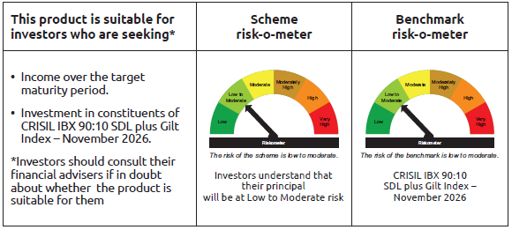
...
$ Less Than 0.01% of NAV

Notes :
(1) The provision made for Non Performing Assets as of August 31,2025 is Rs.Nil and its percentage to Net Asset Value is Nil.
(2) Aggregate value of illiquid equity shares of the fund amounts to Rs.Nil and their percentage to Net Asset value is Nil.

"Mutual Fund investments are subject to market risks, read all scheme related documents carefully"

BANDHAN CRISIL IBX SDL APR 2032
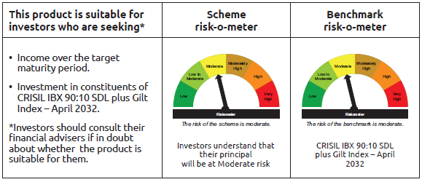
...
$ Less Than 0.01% of NAV

Notes :
(1) The provision made for Non Performing Assets as of August 31,2025 is Rs.Nil and its percentage to Net Asset Value is Nil.
(2) Aggregate value of illiquid equity shares of the fund amounts to Rs.Nil and their percentage to Net Asset value is Nil.

"Mutual Fund investments are subject to market risks, read all scheme related documents carefully"

BANDHAN CRISIL IBX SDL DEC 2029
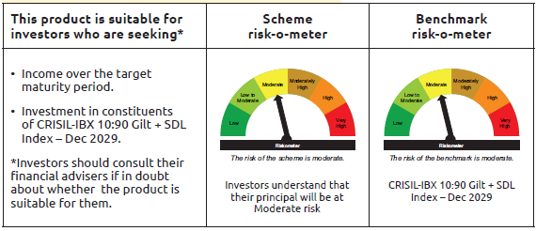
...
Name of the Instrument | ISIN | Industry / Rating | Quantity | Market/Fair Value ( Rs. in Lacs) | % to NAV | YTM
Net Current Assets |  |  |  | 9.74 | 1.31%
GRAND TOTAL |  |  |  | 739.48 | 100.00%

Notes :
(1) The provision made for Non Performing Assets as of August 31,2025 is Rs.Nil and its percentage to Net Asset Value is Nil.
(2) Aggregate value of illiquid equity shares of the fund amounts to Rs.Nil and their percentage to Net Asset value is Nil.

"Mutual Fund investments are subject to market risks, read all scheme related documents carefully"

BANDHAN CRISIL IBX Fin Serv3-6M
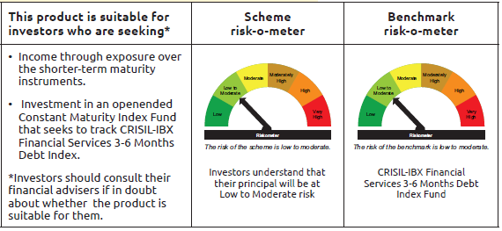
...
** Thinly Traded/Non Traded Securities/Illiquid Securities

Notes :
(1) The provision made for Non Performing Assets as of August 31,2025 is Rs.Nil and its percentage to Net Asset Value is Nil.
(2) Aggregate value of illiquid equity shares of the fund amounts to Rs.Nil and their percentage to Net Asset value is Nil.

"Mutual Fund investments are subject to market risks, read all scheme related documents carefully"

