Bandhan ON
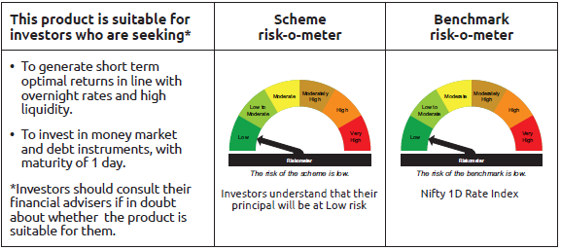
IDF265 | Portfolio Statement as on November 28,2025
 | Bandhan Overnight Fund

 | Name of the Instrument | ISIN | Industry / Rating | Quantity | Market/Fair Value ( Rs. in Lacs) | % to NAV | YTM
 | Money Market Instruments
 | Treasury Bill
TBIL2558 | 91 Days Tbill (MD 11/12/2025) | IN002025X240 | SOVEREIGN | 3,000,000 | 2,994.83 | 3.52% | 5.25%
TBIL2556 | 91 Days Tbill (MD 04/12/2025) | IN002025X232 | SOVEREIGN | 2,500,000 | 2,498.19 | 2.93% | 5.30%
TBIL2561 | 91 Days Tbill (MD 18/12/2025) | IN002025X257 | SOVEREIGN | 2,500,000 | 2,493.15 | 2.93% | 5.28%
 | TREPS / Reverse Repo Instrument
 | Reverse Repo |  |  |  | 67,899.33 | 79.70% | 5.40%
TRP_011225 | Triparty Repo TRP_011225 |  |  |  | 9,094.04 | 10.67% | 5.39%
 | Total |  |  |  | 84,979.54 | 99.75%
 | OTHERS
 | Cash Margin - CCIL |  |  |  | 324.45 | 0.38%
 | Subtotal |  |  |  | 324.45 | 0.38%
 | Net Current Assets |  |  |  | (108.97) | -0.13%
 | GRAND TOTAL |  |  |  | 85,195.02 | 100.00%

 | Pursuant to SEBI circular no. SEBI/HO/IMD/DF2/CIR/P/2021/683 dated December 10, 2021 (“the Circular”), SEBI has notified that with respect to the margin or collateral requirement for execution of certain transactions, overnight funds can deploy not exceeding 5% of the net assets of the scheme in Government Securities and/or Treasury bills with a residual maturity of upto 30 days for the purpose of placing the same as margin and collateral for certain transactions.

Bandhan LF
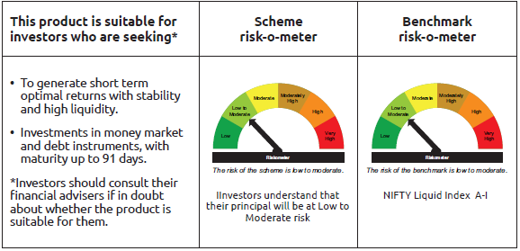
IDF001 | Portfolio Statement as on November 28,2025
 | Bandhan Liquid Fund

 | Name of the Instrument | ISIN | Industry / Rating | Quantity | Market/Fair Value ( Rs. in Lacs) | % to NAV | YTM
 | Money Market Instruments
 | Certificate of Deposit
HDFB979 | HDFC Bank Limited ** | INE040A16FY5 | CRISIL A1+ | 73,500,000 | 73,441.57 | 4.22% | 5.81%
PUBA1122 | Punjab National Bank ** | INE160A16SX6 | CRISIL A1+ | 35,000,000 | 34,949.15 | 2.01% | 5.90%
CANB1021 | Canara Bank ** | INE476A16ZT9 | CRISIL A1+ | 35,000,000 | 34,893.74 | 2.01% | 5.85%
HDFB1017 | HDFC Bank Limited ** | INE040A16HQ7 | CARE A1+ | 35,000,000 | 34,871.45 | 2.00% | 5.85%
UNBI449 | Union Bank of India ** | INE692A16JY5 | FITCH A1+ | 35,000,000 | 34,832.53 | 2.00% | 5.85%
UTIB1347 | Axis Bank Limited ** | INE238AD6AL4 | CRISIL A1+ | 20,000,000 | 19,777.28 | 1.14% | 6.05%
BKBA531 | Bank of Baroda ** | INE028A16JO3 | FITCH A1+ | 20,000,000 | 19,725.68 | 1.13% | 5.90%
SIDB581 | Small Industries Dev Bank of India ** | INE556F16AX2 | CRISIL A1+ | 18,000,000 | 17,982.56 | 1.03% | 5.90%
HDFB1012 | HDFC Bank Limited ** | INE040A16HI4 | CRISIL A1+ | 17,500,000 | 17,488.87 | 1.00% | 5.81%
CANB1023 | Canara Bank ** | INE476A16ZU7 | CRISIL A1+ | 15,000,000 | 14,952.08 | 0.86% | 5.85%
UNBI406 | Union Bank of India ** | INE692A16IC3 | ICRA A1+ | 12,500,000 | 12,490.08 | 0.72% | 5.80%
EXIM793 | Export Import Bank of India ** | INE514E16CI1 | CRISIL A1+ | 12,500,000 | 12,438.20 | 0.71% | 5.85%
SIDB588 | Small Industries Dev Bank of India ** | INE556F16AY0 | CARE A1+ | 12,500,000 | 12,406.78 | 0.71% | 6.09%
UNBI418 | Union Bank of India ** | INE692A16IP5 | ICRA A1+ | 12,500,000 | 12,365.00 | 0.71% | 6.04%
CANB1018 | Canara Bank ** | INE476A16ZQ5 | CRISIL A1+ | 11,500,000 | 11,476.09 | 0.66% | 5.85%
UTIB1361 | Axis Bank Limited ** | INE238AD6AX9 | CRISIL A1+ | 10,000,000 | 9,972.82 | 0.57% | 5.85%
CANB1027 | Canara Bank ** | INE476A16ZW3 | CRISIL A1+ | 7,500,000 | 7,467.68 | 0.43% | 5.85%
CANB1031 | Canara Bank ** | INE476A16A24 | CRISIL A1+ | 7,500,000 | 7,419.17 | 0.43% | 6.02%
INBK450 | Indian Bank ** | INE562A16NQ8 | CRISIL A1+ | 5,000,000 | 4,996.03 | 0.29% | 5.81%
BKBA487 | Bank of Baroda ** | INE028A16HY6 | FITCH A1+ | 5,000,000 | 4,989.61 | 0.29% | 5.85%
HDFB983 | HDFC Bank Limited ** | INE040A16GA3 | CARE A1+ | 5,000,000 | 4,984.82 | 0.29% | 5.85%
KMBK879 | Kotak Mahindra Bank Limited ** | INE237A164Z8 | CRISIL A1+ | 5,000,000 | 4,949.23 | 0.28% | 6.04%
UTIB1346 | Axis Bank Limited ** | INE238AD6AM2 | CRISIL A1+ | 3,000,000 | 2,967.08 | 0.17% | 6.05%
UNBI410 | Union Bank of India ** | INE692A16IF6 | FITCH A1+ | 2,500,000 | 2,495.60 | 0.14% | 5.85%
UNBI412 | Union Bank of India ** | INE692A16II0 | FITCH A1+ | 2,500,000 | 2,492.41 | 0.14% | 5.85%
SIDB589 | Small Industries Dev Bank of India ** | INE556F16AZ7 | CRISIL A1+ | 2,500,000 | 2,472.54 | 0.14% | 6.05%
CANB1016 | Canara Bank ** | INE476A16ZP7 | CRISIL A1+ | 500,000 | 499.52 | 0.03% | 5.85%
 | Commercial Paper
INBS517 | Reliance Jio Infocomm Limited ** | INE110L14UG4 | CRISIL A1+ | 75,000,000 | 74,807.18 | 4.30% | 5.88%
EXIM809 | Export Import Bank of India ** | INE514E14SW3 | CRISIL A1+ | 50,000,000 | 49,896.05 | 2.87% | 5.85%
SIDB620 | Small Industries Dev Bank of India ** | INE556F14LM7 | CRISIL A1+ | 50,000,000 | 49,624.65 | 2.85% | 6.14%
BAFL1007 | Bajaj Finance Limited ** | INE296A14D47 | ICRA A1+ | 50,000,000 | 49,343.00 | 2.84% | 6.48%
IOIC693 | Indian Oil Corporation Limited ** | INE242A14YI6 | CRISIL A1+ | 40,000,000 | 39,968.24 | 2.30% | 5.80%
EXIM811 | Export Import Bank of India ** | INE514E14SX1 | CRISIL A1+ | 40,000,000 | 39,503.60 | 2.27% | 6.04%
BAFL1008 | Bajaj Finance Limited ** | INE296A14D70 | CRISIL A1+ | 36,000,000 | 35,457.84 | 2.04% | 6.42%
GRAS223 | Grasim Industries Limited ** | INE047A14AM1 | CRISIL A1+ | 35,000,000 | 34,932.42 | 2.01% | 5.88%
RIND482 | Reliance Industries Limited ** | INE002A14LN1 | CRISIL A1+ | 35,000,000 | 34,859.02 | 2.00% | 5.91%
RRVL201 | Reliance Retail Ventures Limited ** | INE929O14EH3 | CRISIL A1+ | 35,000,000 | 34,572.09 | 1.99% | 6.11%
RRVL204 | Reliance Retail Ventures Limited ** | INE929O14EK7 | CRISIL A1+ | 35,000,000 | 34,509.76 | 1.98% | 5.96%
HDFS323 | HDFC Securities Limited ** | INE700G14QY3 | CRISIL A1+ | 30,000,000 | 29,576.37 | 1.70% | 6.54%
NBAR864 | National Bank For Agriculture and Rural Development ** | INE261F14OL0 | CRISIL A1+ | 27,500,000 | 27,416.02 | 1.58% | 5.88%
SIDB633 | Small Industries Dev Bank of India ** | INE556F14LS4 | CRISIL A1+ | 27,500,000 | 27,117.26 | 1.56% | 5.92%
TISC276 | Tata Steel Limited ** | INE081A14GD6 | ICRA A1+ | 25,000,000 | 24,964.00 | 1.43% | 5.85%
ULCC175 | UltraTech Cement Limited ** | INE481G14FM8 | CRISIL A1+ | 25,000,000 | 24,935.40 | 1.43% | 5.91%
GCPL95 | Godrej Consumer Products Limited ** | INE102D14BI4 | CRISIL A1+ | 25,000,000 | 24,930.58 | 1.43% | 5.98%
HDFS319 | HDFC Securities Limited ** | INE700G14QT3 | CRISIL A1+ | 25,000,000 | 24,691.93 | 1.42% | 6.60%
KOSE368 | Kotak Securities Limited ** | INE028E14TU6 | ICRA A1+ | 25,000,000 | 24,608.18 | 1.41% | 6.53%
IOIC697 | Indian Oil Corporation Limited ** | INE242A14YO4 | ICRA A1+ | 22,500,000 | 22,437.97 | 1.29% | 5.94%
CHOL1098 | Cholamandalam Investment and Finance Company Ltd ** | INE121A14XZ8 | CRISIL A1+ | 22,500,000 | 22,205.57 | 1.28% | 6.63%
RRVL196 | Reliance Retail Ventures Limited ** | INE929O14EC4 | CRISIL A1+ | 20,000,000 | 19,984.04 | 1.15% | 5.83%
NBAR856 | National Bank For Agriculture and Rural Development ** | INE261F14OC9 | ICRA A1+ | 20,000,000 | 19,964.60 | 1.15% | 5.89%
JOIC24 | JIO Credit Limited ** | INE282H14055 | CRISIL A1+ | 20,000,000 | 19,919.98 | 1.14% | 6.37%
TCAL532 | Tata Capital Limited ** | INE976I14QQ1 | CRISIL A1+ | 20,000,000 | 19,740.06 | 1.13% | 6.50%
MMFS1211 | Mahindra & Mahindra Financial Services Limited ** | INE774D14TG6 | FITCH A1+ | 20,000,000 | 19,733.34 | 1.13% | 6.49%
LARS476 | Larsen & Toubro Limited ** | INE018A14LR8 | CRISIL A1+ | 15,000,000 | 14,934.87 | 0.86% | 5.90%
BAFS106 | Bajaj Financial Securities Limited ** | INE01C314DE1 | CRISIL A1+ | 15,000,000 | 14,814.75 | 0.85% | 6.61%
KOSE362 | Kotak Securities Limited ** | INE028E14TM3 | ICRA A1+ | 15,000,000 | 14,804.73 | 0.85% | 6.60%
KOSE358 | Kotak Securities Limited ** | INE028E14SR4 | ICRA A1+ | 15,000,000 | 14,762.31 | 0.85% | 6.53%
IOIC692 | Indian Oil Corporation Limited ** | INE242A14YJ4 | CRISIL A1+ | 12,500,000 | 12,492.05 | 0.72% | 5.81%
KMIL508 | Kotak Mahindra Investments Limited ** | INE975F14C17 | CRISIL A1+ | 12,500,000 | 12,449.71 | 0.72% | 6.41%
SIDB617 | Small Industries Dev Bank of India ** | INE556F14LK1 | CRISIL A1+ | 10,000,000 | 9,979.12 | 0.57% | 5.87%
IOIC695 | Indian Oil Corporation Limited ** | INE242A14YL0 | CRISIL A1+ | 10,000,000 | 9,967.59 | 0.57% | 5.94%
ICBR604 | ICICI Securities Limited ** | INE763G14ZO3 | CRISIL A1+ | 10,000,000 | 9,959.08 | 0.57% | 6.52%
BGFL1171 | Aditya Birla Capital Limited ** | INE674K14BA4 | ICRA A1+ | 10,000,000 | 9,858.67 | 0.57% | 6.46%
LTFL707 | L&T Finance Limited ** | INE498L14ES2 | CRISIL A1+ | 9,000,000 | 8,971.83 | 0.52% | 6.37%
AXSL120 | Axis Securities Limited ** | INE110O14GI3 | ICRA A1+ | 7,500,000 | 7,494.83 | 0.43% | 6.30%
GOSL457 | Godrej Industries Limited ** | INE233A144E9 | ICRA A1+ | 7,500,000 | 7,476.63 | 0.43% | 6.01%
SUFI765 | Sundaram Finance Limited ** | INE660A14YP4 | CRISIL A1+ | 5,000,000 | 4,998.42 | 0.29% | 5.79%
LTFH135 | L&T Finance Limited ** | INE498L14EK9 | CRISIL A1+ | 5,000,000 | 4,995.74 | 0.29% | 6.23%
HDFS310 | HDFC Securities Limited ** | INE700G14PS7 | CRISIL A1+ | 5,000,000 | 4,991.30 | 0.29% | 6.36%
NEFL333 | Network18 Media & Investments Limited ** | INE870H14VX4 | ICRA A1+ | 5,000,000 | 4,991.10 | 0.29% | 5.92%
GODP285 | Godrej Properties Limited ** | INE484J14YQ8 | ICRA A1+ | 5,000,000 | 4,984.15 | 0.29% | 6.11%
NEFL340 | Network18 Media & Investments Limited ** | INE870H14WF9 | ICRA A1+ | 5,000,000 | 4,939.64 | 0.28% | 6.11%
LTFL712 | L&T Finance Limited ** | INE498L14FD1 | CRISIL A1+ | 5,000,000 | 4,930.46 | 0.28% | 6.44%
ICBR619 | ICICI Securities Limited ** | INE763G14A30 | CRISIL A1+ | 2,500,000 | 2,498.30 | 0.14% | 6.21%
 | Treasury Bill
TBIL2561 | 91 Days Tbill (MD 18/12/2025) | IN002025X257 | SOVEREIGN | 73,467,000 | 73,265.63 | 4.21% | 5.28%
TBIL2556 | 91 Days Tbill (MD 04/12/2025) | IN002025X232 | SOVEREIGN | 63,487,200 | 63,441.11 | 3.65% | 5.30%
TBIL2577 | 91 Days Tbill (MD 23/01/2026) | IN002025X307 | SOVEREIGN | 35,000,000 | 34,718.53 | 1.99% | 5.38%
TBIL2583 | 91 Days Tbill (MD 06/02/2026) | IN002025X323 | SOVEREIGN | 30,000,000 | 29,702.16 | 1.71% | 5.30%
TBIL2453 | 364 Days Tbill (MD 26/12/2025) | IN002024Z370 | SOVEREIGN | 25,000,000 | 24,902.73 | 1.43% | 5.28%
TBIL2574 | 91 Days Tbill (MD 15/01/2026) | IN002025X299 | SOVEREIGN | 25,000,000 | 24,828.65 | 1.43% | 5.36%
TBIL2450 | 364 Days Tbill (MD 18/12/2025) | IN002024Z362 | SOVEREIGN | 9,000,000 | 8,975.33 | 0.52% | 5.28%
TBIL2442 | 364 Days Tbill (MD 04/12/2025) | IN002024Z347 | SOVEREIGN | 2,500,000 | 2,498.19 | 0.14% | 5.30%
 | TREPS / Reverse Repo Instrument
TRP_011225 | Triparty Repo TRP_011225 |  |  |  | 39,595.97 | 2.28% | 5.39%
 | Total |  |  |  | 1,736,720.30 | 99.81%
 | Corporate Debt Market Development Fund
CDMD50ME | Corporate Debt Market Development Fund Class A2 | INF0RQ622028 |  | 32,791.571 | 3,767.89 | 0.22%
 | Total |  |  |  | 3,767.89 | 0.22%
 | OTHERS
 | Cash Margin - CCIL |  |  |  | 182.14 | 0.01%
 | Subtotal |  |  |  | 182.14 | 0.01%
 | Net Current Assets |  |  |  | (349.24) | -0.04%
 | GRAND TOTAL |  |  |  | 1,740,321.09 | 100.00%

 | ** Thinly Traded/Non Traded Securities/Illiquid Securities

 | As per the requirement of regulation 43A of SEBI (Mutual Funds) Regulations, 1996, SEBI circular no. SEBI/HO/IMD/PoD2/P/CIR/2023/128 dated July 27, 2023 on framework for Corporate Debt Market Development Fund and SEBI circular no. SEBI/HO/IMD/PoD2 /P/CIR/2023/129 dated July 27, 2023 on investment by mutual fund schemes and Asset Management Companies (AMCs) in units of Corporate Debt Market Development Fund (“CDMDF”), specified open ended debt-oriented schemes of Bandhan Mutual Fund and Bandhan AMC Limited (‘AMC’) shall invest percentage of net assets in the units of the CDMDF.

Bandhan LDF
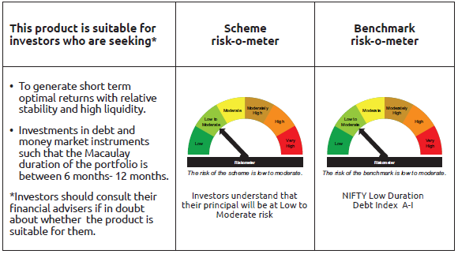
IDF002 | Portfolio Statement as on November 28,2025
 | Bandhan Low Duration Fund

 | Name of the Instrument | ISIN | Industry / Rating | Quantity | Market/Fair Value ( Rs. in Lacs) | % to NAV | YTM
 | Debt Instruments
 | (a) Listed / awaiting listing on Stock Exchange
 | Government Securities
GOI1430 | 7.59% GOI(MD 11/01/2026) | IN0020150093 | SOVEREIGN | 10,000,000 | 10,024.59 | 1.43% | 5.26%
GOI2207 | 8.38% Gujarat SDL (MD 27/02/2029) | IN1520180309 | SOVEREIGN | 8,500,000 | 8,961.85 | 1.28% | 6.60%
GOI2206 | 8.45% Uttar Pradesh SDL (MD 27/02/2029) | IN3320180166 | SOVEREIGN | 5,000,000 | 5,269.09 | 0.75% | 6.68%
GOI2726 | 8.32% Uttar Pradesh SDL (MD 13/02/2029) | IN3320180158 | SOVEREIGN | 2,500,000 | 2,623.35 | 0.37% | 6.69%
GOI2019 | 8.28% Rajasthan SDL (MD 14/03/2028) | IN2920170197 | SOVEREIGN | 2,000,000 | 2,081.68 | 0.30% | 6.43%
GOI2192 | 8.32% Karnataka SDL (MD 06/02/2029) | IN1920180164 | SOVEREIGN | 1,700,000 | 1,787.99 | 0.26% | 6.60%
GOI2115 | 8.63% Rajasthan SDL (MD 03/09/2028) | IN2920180188 | SOVEREIGN | 1,500,000 | 1,584.14 | 0.23% | 6.48%
GOI4160 | 8.09% Rajasthan SDL (MD 26/12/2028) | IN2920180279 | SOVEREIGN | 1,000,000 | 1,046.93 | 0.15% | 6.48%
GOI1996 | 8.28% Rajasthan SDL (MD 21/02/2028) | IN2920170155 | SOVEREIGN | 1,000,000 | 1,039.98 | 0.15% | 6.42%
GOI1880 | 7.59% Haryana SDL (MD 15/02/2027) | IN1620160268 | SOVEREIGN | 1,000,000 | 1,017.72 | 0.15% | 6.13%
GOI4485 | 7.38% GOI (MD 20/06/2027) | IN0020220037 | SOVEREIGN | 700,000 | 718.47 | 0.10% | 5.66%
GOI1974 | 8% Karnataka SDL (MD 17/01/2028) | IN1920170157 | SOVEREIGN | 505,800 | 522.76 | 0.07% | 6.39%
GOI4096 | 8.16% Rajasthan SDL (MD 09/05/2028) | IN2920180030 | SOVEREIGN | 500,000 | 520.42 | 0.07% | 6.43%
GOI1566 | 8.08% Maharastra SDL(MD 15/06/2026) | IN2220160013 | SOVEREIGN | 500,000 | 506.30 | 0.07% | 5.77%
GOI2161 | 8.18% Tamilnadu SDL (MD 19/12/2028) | IN3120180192 | SOVEREIGN | 430,000 | 451.31 | 0.06% | 6.47%
GOI2211 | 8.35% Gujarat SDL (MD 06/03/2029) | IN1520180317 | SOVEREIGN | 150,000 | 158.08 | 0.02% | 6.60%
GOI3899 | 7.88% Madhya Pradesh SDL (MD 24/01/2028) | IN2120170070 | SOVEREIGN | 100,000 | 103.09 | 0.01% | 6.42%
GOI4847 | 7.57% Gujarat SDL (MD 09/11/2026) | IN1520220154 | SOVEREIGN | 200 | 0.20 | $ | 5.83%
 | Non Convertible Debentures
NBAR701 | 7.58% National Bank For Agriculture and Rural Development ** | INE261F08DX0 | CRISIL AAA | 37,500,000 | 37,702.91 | 5.39% | 6.57%
POWF500 | 7.77% Power Finance Corporation Limited ** | INE134E08MC7 | CRISIL AAA | 32,500,000 | 32,741.87 | 4.68% | 6.52%
SIDB472 | 7.11% Small Industries Dev Bank of India ** | INE556F08KB4 | ICRA AAA | 32,000,000 | 32,072.93 | 4.58% | 6.05%
BHFL135 | 7.02% Bajaj Housing Finance Limited ** | INE377Y07565 | CRISIL AAA | 23,500,000 | 23,530.43 | 3.36% | 6.94%
POWF507 | 7.7% Power Finance Corporation Limited ** | INE134E08MK0 | CRISIL AAA | 20,000,000 | 20,177.78 | 2.88% | 6.52%
NBAR741 | 7.8% National Bank For Agriculture and Rural Development ** | INE261F08EF5 | ICRA AAA | 17,000,000 | 17,235.93 | 2.46% | 6.60%
NBAR838 | 7.48% National Bank For Agriculture and Rural Development ** | INE261F08EO7 | CRISIL AAA | 15,000,000 | 15,285.44 | 2.18% | 6.70%
SIDB493 | 7.59% Small Industries Dev Bank of India ** | INE556F08KG3 | CRISIL AAA | 15,000,000 | 15,036.65 | 2.15% | 6.25%
SIDB488 | 7.54% Small Industries Dev Bank of India ** | INE556F08KF5 | ICRA AAA | 15,000,000 | 15,027.35 | 2.15% | 6.15%
TCHF401 | 8.1% Tata Capital Housing Finance Limited ** | INE033L07IE2 | CRISIL AAA | 14,500,000 | 14,710.41 | 2.10% | 6.79%
RECL439 | 7.64% REC Limited ** | INE020B08EM0 | CRISIL AAA | 14,500,000 | 14,581.58 | 2.08% | 6.44%
CHOL1035 | 8.5% Cholamandalam Investment and Finance Company Ltd ** | INE121A07RT7 | ICRA AA+ | 13,000,000 | 13,182.23 | 1.88% | 7.17%
TCHF381 | 8% Tata Capital Housing Finance Limited ** | INE033L07HY2 | CRISIL AAA | 12,000,000 | 12,232.12 | 1.75% | 6.89%
LICH666 | 7.835% LIC Housing Finance Limited ** | INE115A07QO2 | CRISIL AAA | 12,000,000 | 12,167.14 | 1.74% | 6.75%
BHFL125 | 7.66% Bajaj Housing Finance Limited ** | INE377Y07532 | CRISIL AAA | 10,000,000 | 10,151.53 | 1.45% | 6.90%
RECL445 | 7.8% REC Limited ** | INE020B08ES7 | ICRA AAA | 10,000,000 | 10,053.86 | 1.44% | 6.44%
BHFL147 | 7.1% Bajaj Housing Finance Limited ** | INE377Y07607 | CRISIL AAA | 9,000,000 | 9,034.20 | 1.29% | 6.94%
RECL462 | 7.55% REC Limited ** | INE020B08FH7 | CRISIL AAA | 7,500,000 | 7,566.53 | 1.08% | 6.49%
BHFL133 | 7.14% Bajaj Housing Finance Limited ** | INE377Y07557 | CRISIL AAA | 7,500,000 | 7,532.08 | 1.08% | 6.75%
TCHF426 | 7.123% Tata Capital Housing Finance Limited ** | INE033L07IO1 | CRISIL AAA | 7,500,000 | 7,525.60 | 1.07% | 6.86%
POWF512 | 7.37% Power Finance Corporation Limited ** | INE134E08MO2 | CRISIL AAA | 7,500,000 | 7,523.29 | 1.07% | 6.45%
TCHF371 | 7.75% Tata Capital Housing Finance Limited ** | INE033L07HQ8 | CRISIL AAA | 7,000,000 | 7,082.09 | 1.01% | 6.84%
MUFL464 | 8.05% Muthoot Finance Limited ** | INE414G07JQ6 | CRISIL AA+ | 6,500,000 | 6,552.64 | 0.94% | 7.59%
LICH680 | 7.74% LIC Housing Finance Limited ** | INE115A07QW5 | CRISIL AAA | 6,000,000 | 6,106.99 | 0.87% | 6.82%
BHFL108 | 7.85% Bajaj Housing Finance Limited ** | INE377Y07433 | CRISIL AAA | 5,000,000 | 5,108.28 | 0.73% | 6.94%
MUFL421 | 8.95% Muthoot Finance Limited ** | INE414G07JD4 | CRISIL AA+ | 5,000,000 | 5,086.20 | 0.73% | 7.57%
LICH622 | 7.9% LIC Housing Finance Limited ** | INE115A07PV9 | CRISIL AAA | 5,000,000 | 5,079.95 | 0.73% | 6.75%
TCFS633 | 7.89% Tata Capital Limited ** | INE306N07MX0 | CRISIL AAA | 5,000,000 | 5,063.56 | 0.72% | 7.01%
BAFL883 | 8.1% Bajaj Finance Limited ** | INE296A07SR9 | CRISIL AAA | 5,000,000 | 5,061.78 | 0.72% | 6.88%
BHFL88 | 7.7% Bajaj Housing Finance Limited ** | INE377Y07300 | CRISIL AAA | 5,000,000 | 5,056.34 | 0.72% | 6.83%
TCFS670 | 7.905% Tata Capital Limited ** | INE306N07NO7 | ICRA AAA | 5,000,000 | 5,042.30 | 0.72% | 6.98%
SIDB479 | 7.23% Small Industries Dev Bank of India ** | INE556F08KC2 | ICRA AAA | 5,000,000 | 5,014.24 | 0.72% | 6.07%
TCFS638 | 7.68% Tata Capital Limited ** | INE306N07NA6 | CRISIL AAA | 3,500,000 | 3,536.27 | 0.51% | 7.01%
CHOL1053 | 8.58% Cholamandalam Investment and Finance Company Ltd ** | INE121A07SB3 | ICRA AA+ | 2,500,000 | 2,542.80 | 0.36% | 7.24%
TCHF375 | 7.8% Tata Capital Housing Finance Limited ** | INE033L07HU0 | CRISIL AAA | 2,500,000 | 2,534.78 | 0.36% | 6.86%
NBAR732 | 7.83% National Bank For Agriculture and Rural Development ** | INE261F08ED0 | CRISIL AAA | 2,500,000 | 2,531.24 | 0.36% | 6.58%
BHFL148 | 6.95% Bajaj Housing Finance Limited ** | INE377Y07615 | CRISIL AAA | 2,500,000 | 2,502.97 | 0.36% | 6.90%
NBAR860 | 6.66% National Bank For Agriculture and Rural Development ** | INE261F08EP4 | ICRA AAA | 2,500,000 | 2,496.86 | 0.36% | 6.70%
POWF478 | 6.35% Power Finance Corporation Limited ** | INE134E08LG0 | CRISIL AAA | 2,000,000 | 1,996.96 | 0.29% | 6.45%
RECL436 | 7.44% REC Limited ** | INE020B08EL2 | CRISIL AAA | 1,500,000 | 1,504.90 | 0.21% | 6.44%
RECL411 | 5.94% REC Limited ** | INE020B08DK6 | CRISIL AAA | 1,250,000 | 1,248.82 | 0.18% | 6.19%
TCAL511 | 8.098% Tata Capital Limited ** | INE976I07CY9 | CRISIL AAA | 1,200,000 | 1,221.99 | 0.17% | 7.01%
NBAR719 | 7.5% National Bank For Agriculture and Rural Development ** | INE261F08EA6 | CRISIL AAA | 750,000 | 754.33 | 0.11% | 6.58%
 | Subtotal |  |  |  | 456,616.10 | 65.21%
 | (b) Privately placed / Unlisted |  |  |  | NIL | NIL | NIL
 | Subtotal |  |  |  | NIL | NIL | NIL
 | Total |  |  |  | 456,616.10 | 65.21%
 | Money Market Instruments
 | Certificate of Deposit
HDFB1002 | HDFC Bank Limited ** | INE040A16GW7 | CRISIL A1+ | 67,500,000 | 65,581.25 | 9.37% | 6.25%
CANB1046 | Canara Bank ** | INE476A16B64 | CRISIL A1+ | 15,000,000 | 14,740.52 | 2.11% | 5.89%
HDFB996 | HDFC Bank Limited ** | INE040A16GS5 | CRISIL A1+ | 10,000,000 | 9,817.36 | 1.40% | 5.90%
UTIB1376 | Axis Bank Limited ** | INE238AD6BK4 | CRISIL A1+ | 10,000,000 | 9,746.72 | 1.39% | 6.24%
SIDB590 | Small Industries Dev Bank of India ** | INE556F16BA8 | CRISIL A1+ | 7,500,000 | 7,415.19 | 1.06% | 6.05%
PUBA1090 | Punjab National Bank ** | INE160A16RK5 | CRISIL A1+ | 7,500,000 | 7,370.26 | 1.05% | 5.89%
UTIB1363 | Axis Bank Limited ** | INE238AD6AZ4 | CRISIL A1+ | 5,000,000 | 4,828.31 | 0.69% | 6.24%
INBK467 | Indian Bank ** | INE562A16OG7 | CRISIL A1+ | 2,500,000 | 2,461.44 | 0.35% | 5.90%
SIDB603 | Small Industries Dev Bank of India ** | INE556F16BE0 | CRISIL A1+ | 2,500,000 | 2,456.93 | 0.35% | 5.93%
UTIB1349 | Axis Bank Limited ** | INE238AD6AN0 | CRISIL A1+ | 500,000 | 492.45 | 0.07% | 5.89%
SIDB592 | Small Industries Dev Bank of India ** | INE556F16BB6 | CRISIL A1+ | 200,000 | 197.13 | 0.03% | 5.91%
 | Commercial Paper
ICBR641 | ICICI Securities Limited ** | INE763G14D03 | CRISIL A1+ | 15,000,000 | 14,733.39 | 2.10% | 6.61%
ICBR554 | ICICI Securities Limited ** | INE763G14WP7 | CRISIL A1+ | 5,000,000 | 4,950.36 | 0.71% | 6.66%
NBAR857 | National Bank For Agriculture and Rural Development ** | INE261F14OD7 | CRISIL A1+ | 5,000,000 | 4,925.33 | 0.70% | 5.95%
SIDB612 | Small Industries Dev Bank of India ** | INE556F14LG9 | CRISIL A1+ | 2,500,000 | 2,462.27 | 0.35% | 5.95%
ICBR575 | ICICI Securities Limited ** | INE763G14XY7 | CRISIL A1+ | 2,500,000 | 2,450.78 | 0.35% | 6.60%
ICBR577 | ICICI Securities Limited ** | INE763G14XZ4 | CRISIL A1+ | 1,500,000 | 1,478.09 | 0.21% | 6.52%
 | Treasury Bill
TBIL2582 | 182 Days Tbill (MD 30/04/2026) | IN002025Y313 | SOVEREIGN | 20,000,000 | 19,552.58 | 2.79% | 5.49%
TBIL2571 | 182 Days Tbill (MD 26/03/2026) | IN002025Y263 | SOVEREIGN | 16,500,000 | 16,220.28 | 2.32% | 5.38%
TBIL2562 | 182 Days Tbill (MD 19/03/2026) | IN002025Y255 | SOVEREIGN | 10,000,000 | 9,840.82 | 1.41% | 5.37%
TBIL2464 | 364 Days Tbill (MD 29/01/2026) | IN002024Z420 | SOVEREIGN | 7,500,000 | 7,433.17 | 1.06% | 5.38%
TBIL2554 | 182 Days Tbill (MD 27/02/2026) | IN002025Y222 | SOVEREIGN | 2,500,000 | 2,467.56 | 0.35% | 5.33%
 | TREPS / Reverse Repo Instrument
 | Reverse Repo |  |  |  | 24,099.76 | 3.44% | 5.40%
TRP_011225 | Triparty Repo TRP_011225 |  |  |  | 9,873.34 | 1.41% | 5.39%
 | Total |  |  |  | 245,595.29 | 35.07%
 | Corporate Debt Market Development Fund
CDMD50ME | Corporate Debt Market Development Fund Class A2 | INF0RQ622028 |  | 17,342.405 | 1,992.72 | 0.28%
 | Total |  |  |  | 1,992.72 | 0.28%
 | OTHERS
 | Cash Margin - CCIL |  |  |  | 22.34 | $
 | Subtotal |  |  |  | 22.34 | $
 | Net Current Assets |  |  |  | (4,153.86) | -0.56%
 | GRAND TOTAL |  |  |  | 700,072.59 | 100.00%

 | $ Less Than 0.01% of NAV
 | ** Thinly Traded/Non Traded Securities/Illiquid Securities

 | As per the requirement of regulation 43A of SEBI (Mutual Funds) Regulations, 1996, SEBI circular no. SEBI/HO/IMD/PoD2/P/CIR/2023/128 dated July 27, 2023 on framework for Corporate Debt Market Development Fund and SEBI circular no. SEBI/HO/IMD/PoD2 /P/CIR/2023/129 dated July 27, 2023 on investment by mutual fund schemes and Asset Management Companies (AMCs) in units of Corporate Debt Market Development Fund (“CDMDF”), specified open ended debt-oriented schemes of Bandhan Mutual Fund and Bandhan AMC Limited (‘AMC’) shall invest percentage of net assets in the units of the CDMDF.

Bandhan MMF
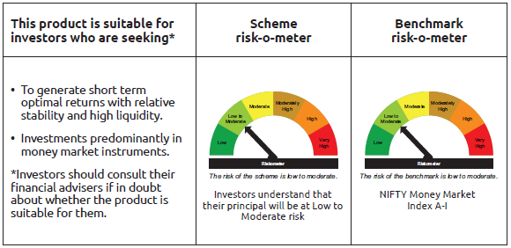
IDF003 | Portfolio Statement as on November 28,2025
 | Bandhan Money Market Fund

 | Name of the Instrument | ISIN | Industry / Rating | Quantity | Market/Fair Value ( Rs. in Lacs) | % to NAV | YTM
 | Debt Instruments
 | (a) Listed / awaiting listing on Stock Exchange
 | Government Securities
GOI1430 | 7.59% GOI(MD 11/01/2026) | IN0020150093 | SOVEREIGN | 36,000,000 | 36,088.52 | 2.52% | 5.26%
GOI4553 | 8.02% Telangana SDL (MD 25/05/2026) | IN4520160040 | SOVEREIGN | 4,576,000 | 4,626.71 | 0.32% | 5.73%
GOI1566 | 8.08% Maharastra SDL(MD 15/06/2026) | IN2220160013 | SOVEREIGN | 4,500,000 | 4,556.66 | 0.32% | 5.77%
GOI1472 | 8.60% Bihar SDL (MD 09/03/2026) | IN1320150056 | SOVEREIGN | 2,500,000 | 2,520.30 | 0.18% | 5.60%
GOI3535 | 8.55% Rajasthan SDL (MD 09/03/2026) | IN2920150264 | SOVEREIGN | 2,500,000 | 2,519.99 | 0.18% | 5.60%
GOI896 | 8.33% GOI 2026 (M/D 09/07/2026) | IN0020120039 | SOVEREIGN | 500,000 | 508.04 | 0.04% | 5.68%
 | Subtotal |  |  |  | 50,820.22 | 3.56%
 | (b) Privately placed / Unlisted |  |  |  | NIL | NIL | NIL
 | Subtotal |  |  |  | NIL | NIL | NIL
 | Total |  |  |  | 50,820.22 | 3.56%
 | Money Market Instruments
 | Certificate of Deposit
UTIB1376 | Axis Bank Limited ** | INE238AD6BK4 | CRISIL A1+ | 65,000,000 | 63,353.68 | 4.42% | 6.24%
SIDB604 | Small Industries Dev Bank of India ** | INE556F16BH3 | CRISIL A1+ | 65,000,000 | 63,304.93 | 4.42% | 6.23%
UNBI453 | Union Bank of India ** | INE692A16KF2 | FITCH A1+ | 60,000,000 | 58,291.44 | 4.07% | 6.22%
HDFB1002 | HDFC Bank Limited ** | INE040A16GW7 | CRISIL A1+ | 42,500,000 | 41,291.90 | 2.88% | 6.25%
HDFB990 | HDFC Bank Limited ** | INE040A16GJ4 | CRISIL A1+ | 40,000,000 | 39,438.04 | 2.75% | 5.91%
HDFB992 | HDFC Bank Limited ** | INE040A16GN6 | CRISIL A1+ | 40,000,000 | 39,344.40 | 2.75% | 5.90%
CANB1062 | Canara Bank ** | INE476A16D96 | CRISIL A1+ | 35,000,000 | 34,499.47 | 2.41% | 5.88%
UTIB1347 | Axis Bank Limited ** | INE238AD6AL4 | CRISIL A1+ | 32,500,000 | 32,138.08 | 2.24% | 6.05%
NBAR821 | National Bank For Agriculture and Rural Development ** | INE261F16934 | CRISIL A1+ | 30,000,000 | 29,665.80 | 2.07% | 6.05%
SIDB603 | Small Industries Dev Bank of India ** | INE556F16BE0 | CRISIL A1+ | 30,000,000 | 29,483.13 | 2.06% | 5.93%
SIDB596 | Small Industries Dev Bank of India ** | INE556F16BD2 | CRISIL A1+ | 25,000,000 | 24,592.80 | 1.72% | 5.93%
KMBK891 | Kotak Mahindra Bank Limited ** | INE237AD6075 | CRISIL A1+ | 25,000,000 | 23,865.40 | 1.67% | 6.31%
NBAR839 | National Bank For Agriculture and Rural Development ** | INE261F16AA7 | CRISIL A1+ | 22,500,000 | 22,083.82 | 1.54% | 5.93%
UTIB1365 | Axis Bank Limited ** | INE238AD6BA5 | CRISIL A1+ | 22,500,000 | 21,875.45 | 1.53% | 6.24%
BKBA527 | Bank of Baroda ** | INE028A16JN5 | FITCH A1+ | 22,000,000 | 21,741.72 | 1.52% | 6.02%
NBAR835 | National Bank For Agriculture and Rural Development ** | INE261F16983 | CRISIL A1+ | 20,500,000 | 20,159.39 | 1.41% | 5.93%
IIBL990 | IndusInd Bank Limited ** | INE095A16Z34 | CRISIL A1+ | 20,000,000 | 19,664.54 | 1.37% | 6.17%
FEBA356 | The Federal Bank Limited ** | INE171A16ND6 | CRISIL A1+ | 20,000,000 | 19,419.82 | 1.36% | 6.34%
BKBA523 | Bank of Baroda ** | INE028A16JJ3 | FITCH A1+ | 17,500,000 | 17,257.80 | 1.20% | 5.89%
INBK467 | Indian Bank ** | INE562A16OG7 | CRISIL A1+ | 17,500,000 | 17,230.08 | 1.20% | 5.90%
HDFB1008 | HDFC Bank Limited ** | INE040A16HC7 | CRISIL A1+ | 17,500,000 | 17,136.44 | 1.20% | 6.25%
FEBA349 | The Federal Bank Limited ** | INE171A16MW8 | CRISIL A1+ | 15,000,000 | 14,754.44 | 1.03% | 6.01%
BKBA539 | Bank of Baroda ** | INE028A16JQ8 | FITCH A1+ | 15,000,000 | 14,674.91 | 1.02% | 6.22%
EXIM802 | Export Import Bank of India ** | INE514E16CK7 | CRISIL A1+ | 12,500,000 | 12,280.23 | 0.86% | 5.89%
PUBA1092 | Punjab National Bank ** | INE160A16RP4 | CRISIL A1+ | 12,500,000 | 12,270.13 | 0.86% | 5.90%
HDFB1010 | HDFC Bank Limited ** | INE040A16HF0 | CRISIL A1+ | 12,500,000 | 11,978.89 | 0.84% | 6.38%
UNBI427 | Union Bank of India ** | INE692A16IY7 | ICRA A1+ | 10,000,000 | 9,847.06 | 0.69% | 5.91%
CANB1046 | Canara Bank ** | INE476A16B64 | CRISIL A1+ | 10,000,000 | 9,827.01 | 0.69% | 5.89%
HDFB996 | HDFC Bank Limited ** | INE040A16GS5 | CRISIL A1+ | 10,000,000 | 9,817.36 | 0.69% | 5.90%
SIDB599 | Small Industries Dev Bank of India ** | INE556F16BG5 | CRISIL A1+ | 10,000,000 | 9,813.62 | 0.69% | 5.93%
BKBA530 | Bank of Baroda ** | INE028A16JR6 | FITCH A1+ | 10,000,000 | 9,707.20 | 0.68% | 6.22%
BKIN467 | Bank of India ** | INE084A16DC4 | CRISIL A1+ | 7,500,000 | 7,414.85 | 0.52% | 6.08%
KMBK880 | Kotak Mahindra Bank Limited ** | INE237A165Z5 | CRISIL A1+ | 7,500,000 | 7,403.58 | 0.52% | 5.87%
UTIB1350 | Axis Bank Limited ** | INE238AD6AO8 | CRISIL A1+ | 7,500,000 | 7,385.40 | 0.52% | 5.90%
NBAR829 | National Bank For Agriculture and Rural Development ** | INE261F16975 | CRISIL A1+ | 7,500,000 | 7,378.92 | 0.52% | 5.93%
PUBA1090 | Punjab National Bank ** | INE160A16RK5 | CRISIL A1+ | 7,300,000 | 7,173.72 | 0.50% | 5.89%
CANB1041 | Canara Bank ** | INE476A16B23 | CRISIL A1+ | 6,000,000 | 5,901.82 | 0.41% | 5.90%
IIBL981 | IndusInd Bank Limited ** | INE095A16X93 | CRISIL A1+ | 5,000,000 | 4,956.22 | 0.35% | 6.20%
SIDB592 | Small Industries Dev Bank of India ** | INE556F16BB6 | CRISIL A1+ | 5,000,000 | 4,928.23 | 0.34% | 5.91%
HDFB1014 | HDFC Bank Limited ** | INE040A16HM6 | CARE A1+ | 5,000,000 | 4,920.40 | 0.34% | 5.91%
INBK469 | Indian Bank ** | INE562A16OI3 | CRISIL A1+ | 5,000,000 | 4,918.19 | 0.34% | 5.90%
HDFB1025 | HDFC Bank Limited ** | INE040A16HO2 | CRISIL A1+ | 5,000,000 | 4,775.57 | 0.33% | 6.38%
BKBA537 | Bank of Baroda ** | INE028A16KC6 | FITCH A1+ | 5,000,000 | 4,759.61 | 0.33% | 6.34%
NBAR825 | National Bank For Agriculture and Rural Development ** | INE261F16967 | CRISIL A1+ | 4,500,000 | 4,435.27 | 0.31% | 5.92%
UTIB1349 | Axis Bank Limited ** | INE238AD6AN0 | CRISIL A1+ | 2,500,000 | 2,462.26 | 0.17% | 5.89%
KMBK889 | Kotak Mahindra Bank Limited ** | INE237AD6042 | CRISIL A1+ | 2,500,000 | 2,377.13 | 0.17% | 6.31%
CANB1049 | Canara Bank ** | INE476A16A16 | CRISIL A1+ | 1,000,000 | 989.80 | 0.07% | 6.07%
BKBA531 | Bank of Baroda ** | INE028A16JO3 | FITCH A1+ | 1,000,000 | 986.28 | 0.07% | 5.90%
 | Commercial Paper
SIDB612 | Small Industries Dev Bank of India ** | INE556F14LG9 | CRISIL A1+ | 37,500,000 | 36,934.05 | 2.58% | 5.95%
PAFI43 | Panatone Finvest Limited ** | INE116F14216 | CRISIL A1+ | 30,000,000 | 29,744.40 | 2.08% | 6.97%
POWF555 | Power Finance Corporation Limited ** | INE134E14AX6 | CRISIL A1+ | 30,000,000 | 29,314.77 | 2.05% | 6.23%
HDFS325 | HDFC Securities Limited ** | INE700G14RE3 | CRISIL A1+ | 27,500,000 | 27,040.06 | 1.89% | 6.60%
BAFS104 | Bajaj Financial Securities Limited ** | INE01C314CQ7 | CRISIL A1+ | 20,000,000 | 19,962.28 | 1.39% | 6.27%
BGFL1169 | Aditya Birla Capital Limited ** | INE674K14AX8 | ICRA A1+ | 20,000,000 | 19,686.42 | 1.37% | 6.46%
NTPC255 | NTPC Limited ** | INE733E14BU9 | CRISIL A1+ | 20,000,000 | 19,679.80 | 1.37% | 5.88%
CHOL1086 | Cholamandalam Investment and Finance Company Ltd ** | INE121A14XM6 | CRISIL A1+ | 20,000,000 | 19,639.50 | 1.37% | 6.70%
TCAL522 | Tata Capital Limited ** | INE976I14PW1 | CRISIL A1+ | 17,500,000 | 17,229.03 | 1.20% | 6.45%
ICBR582 | ICICI Securities Limited ** | INE763G14XI0 | CRISIL A1+ | 17,500,000 | 17,222.70 | 1.20% | 6.53%
BACR21 | Bajaj Auto Credit Limited ** | INE18UV14026 | CRISIL A1+ | 15,000,000 | 14,984.27 | 1.05% | 6.39%
AXSL103 | Axis Securities Limited ** | INE110O14EW9 | ICRA A1+ | 15,000,000 | 14,780.52 | 1.03% | 6.53%
TCAL530 | Tata Capital Limited ** | INE976I14QJ6 | CRISIL A1+ | 15,000,000 | 14,770.32 | 1.03% | 6.45%
ICBR569 | ICICI Securities Limited ** | INE763G14XP5 | CRISIL A1+ | 15,000,000 | 14,728.16 | 1.03% | 6.60%
NBAR857 | National Bank For Agriculture and Rural Development ** | INE261F14OD7 | CRISIL A1+ | 13,500,000 | 13,298.39 | 0.93% | 5.95%
LICH692 | LIC Housing Finance Limited ** | INE115A14FJ1 | CRISIL A1+ | 12,500,000 | 12,337.38 | 0.86% | 5.94%
ICBR562 | ICICI Securities Limited ** | INE763G14XA7 | CRISIL A1+ | 10,000,000 | 9,877.05 | 0.69% | 6.59%
CHOL1095 | Cholamandalam Investment and Finance Company Ltd ** | INE121A14XV7 | CRISIL A1+ | 10,000,000 | 9,856.41 | 0.69% | 6.56%
LTFH120 | L&T Finance Limited ** | INE498L14DT2 | CRISIL A1+ | 10,000,000 | 9,822.25 | 0.69% | 6.54%
TCAL512 | Tata Capital Limited ** | INE976I14PU5 | CRISIL A1+ | 10,000,000 | 9,820.52 | 0.69% | 6.54%
RICL209 | Barclays Investments & Loans (India) Private Limited ** | INE704I14KL1 | ICRA A1+ | 10,000,000 | 9,804.42 | 0.68% | 6.80%
MUFL444 | Muthoot Finance Limited ** | INE414G14UA3 | CRISIL A1+ | 5,000,000 | 4,952.41 | 0.35% | 6.75%
KOSE359 | Kotak Securities Limited ** | INE028E14TH3 | CRISIL A1+ | 5,000,000 | 4,926.84 | 0.34% | 6.53%
KMIL509 | Kotak Mahindra Investments Limited ** | INE975F14B18 | CRISIL A1+ | 4,000,000 | 3,942.87 | 0.28% | 6.45%
KMIL499 | Kotak Mahindra Investments Limited ** | INE975F14A35 | CRISIL A1+ | 2,500,000 | 2,455.75 | 0.17% | 6.51%
KOMP1732 | Kotak Mahindra Prime Limited ** | INE916D144Z5 | CRISIL A1+ | 2,500,000 | 2,448.36 | 0.17% | 6.52%
 | Treasury Bill
TBIL2592 | 182 Days Tbill (MD 21/05/2026) | IN002025Y347 | SOVEREIGN | 50,000,000 | 48,728.35 | 3.40% | 5.51%
TBIL2475 | 364 Days Tbill (MD 20/02/2026) | IN002024Z453 | SOVEREIGN | 15,000,000 | 14,820.71 | 1.03% | 5.32%
TBIL2554 | 182 Days Tbill (MD 27/02/2026) | IN002025Y222 | SOVEREIGN | 15,000,000 | 14,805.38 | 1.03% | 5.33%
TBIL2588 | 182 Days Tbill (MD 14/05/2026) | IN002025Y339 | SOVEREIGN | 11,861,000 | 11,571.33 | 0.81% | 5.50%
TBIL2481 | 364 Days Tbill (MD 05/03/2026) | IN002024Z479 | SOVEREIGN | 10,000,000 | 9,861.26 | 0.69% | 5.35%
TBIL2582 | 182 Days Tbill (MD 30/04/2026) | IN002025Y313 | SOVEREIGN | 10,000,000 | 9,776.29 | 0.68% | 5.49%
TBIL2483 | 364 Days Tbill (MD 12/03/2026) | IN002024Z487 | SOVEREIGN | 7,500,000 | 7,387.89 | 0.52% | 5.38%
TBIL2564 | 364 Days Tbill (MD 22/01/2026) | IN002024Z412 | SOVEREIGN | 5,000,000 | 4,960.52 | 0.35% | 5.38%
TBIL2477 | 364 Days Tbill (MD 27/02/2026) | IN002024Z461 | SOVEREIGN | 5,000,000 | 4,935.13 | 0.34% | 5.33%
TBIL2552 | 182 Days Tbill (MD 19/02/2026) | IN002025Y214 | SOVEREIGN | 2,000,000 | 1,976.38 | 0.14% | 5.32%
 | TREPS / Reverse Repo Instrument
TRP_011225 | Triparty Repo TRP_011225 |  |  |  | 7,819.20 | 0.55% | 5.39%
 | Total |  |  |  | 1,379,877.60 | 96.37%
 | Corporate Debt Market Development Fund
CDMD50ME | Corporate Debt Market Development Fund Class A2 | INF0RQ622028 |  | 26,955.261 | 3,097.28 | 0.22%
 | Total |  |  |  | 3,097.28 | 0.22%
 | OTHERS
 | Cash Margin - CCIL |  |  |  | 185.82 | 0.01%
 | Subtotal |  |  |  | 185.82 | 0.01%
 | Net Current Assets |  |  |  | (1,384.04) | -0.16%
 | GRAND TOTAL |  |  |  | 1,432,596.88 | 100.00%

 | ** Thinly Traded/Non Traded Securities/Illiquid Securities

 | As per the requirement of regulation 43A of SEBI (Mutual Funds) Regulations, 1996, SEBI circular no. SEBI/HO/IMD/PoD2/P/CIR/2023/128 dated July 27, 2023 on framework for Corporate Debt Market Development Fund and SEBI circular no. SEBI/HO/IMD/PoD2 /P/CIR/2023/129 dated July 27, 2023 on investment by mutual fund schemes and Asset Management Companies (AMCs) in units of Corporate Debt Market Development Fund (“CDMDF”), specified open ended debt-oriented schemes of Bandhan Mutual Fund and Bandhan AMC Limited (‘AMC’) shall invest percentage of net assets in the units of the CDMDF.

Bandhan USTF
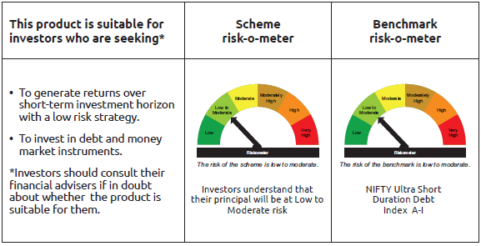
IDF255 | Portfolio Statement as on November 28,2025
 | Bandhan Ultra Short Duration Fund

 | Name of the Instrument | ISIN | Industry / Rating | Quantity | Market/Fair Value ( Rs. in Lacs) | % to NAV | YTM
 | Debt Instruments
 | (a) Listed / awaiting listing on Stock Exchange
 | Government Securities
GOI1430 | 7.59% GOI(MD 11/01/2026) | IN0020150093 | SOVEREIGN | 10,000,000 | 10,024.59 | 2.24% | 5.26%
GOI7075 | 6.85% Uttar Pradesh SDL (MD 23/11/2026) | IN3320160275 | SOVEREIGN | 5,000,000 | 5,051.87 | 1.13% | 5.83%
GOI7093 | 6.87% Uttar Pradesh SDL (MD 30/11/2026) | IN3320160283 | SOVEREIGN | 2,000,000 | 2,021.56 | 0.45% | 5.83%
GOI2089 | 8.15% Tamil Nadu SDL (MD 09/05/2028) | IN3120180036 | SOVEREIGN | 500,000 | 520.60 | 0.12% | 6.40%
GOI1875 | 7.61% Tamil Nadu SDL (MD 15/02/2027) | IN3120160194 | SOVEREIGN | 500,000 | 509.20 | 0.11% | 6.09%
GOI2070 | 7.27% Karnataka SDL (MD 28/12/2026) | IN1920160067 | SOVEREIGN | 500,000 | 507.90 | 0.11% | 5.82%
GOI1686 | 7.25% Maharashtra SDL (MD 28/12/2026) | IN2220160120 | SOVEREIGN | 500,000 | 507.80 | 0.11% | 5.82%
GOI6974 | 6.86% Haryana SDL (MD 23/11/2026) | IN1620160235 | SOVEREIGN | 500,000 | 505.16 | 0.11% | 5.85%
 | Non Convertible Debentures
NBAR701 | 7.58% National Bank For Agriculture and Rural Development ** | INE261F08DX0 | CRISIL AAA | 44,500,000 | 44,740.79 | 10.02% | 6.57%
BHFL96 | 7.9237% Bajaj Housing Finance Limited ** | INE377Y07375 | CRISIL AAA | 30,000,000 | 30,125.07 | 6.74% | 6.13%
SIDB472 | 7.11% Small Industries Dev Bank of India ** | INE556F08KB4 | ICRA AAA | 30,000,000 | 30,068.37 | 6.73% | 6.05%
POWF500 | 7.77% Power Finance Corporation Limited ** | INE134E08MC7 | CRISIL AAA | 18,000,000 | 18,133.96 | 4.06% | 6.52%
RECL411 | 5.94% REC Limited ** | INE020B08DK6 | CRISIL AAA | 16,750,000 | 16,734.15 | 3.75% | 6.19%
SIDB488 | 7.54% Small Industries Dev Bank of India ** | INE556F08KF5 | ICRA AAA | 15,000,000 | 15,027.35 | 3.36% | 6.15%
BHFL102 | 7.78% Bajaj Housing Finance Limited ** | INE377Y07425 | CRISIL AAA | 10,000,000 | 10,049.50 | 2.25% | 6.47%
RECL436 | 7.44% REC Limited ** | INE020B08EL2 | CRISIL AAA | 10,000,000 | 10,032.68 | 2.25% | 6.44%
POWF512 | 7.37% Power Finance Corporation Limited ** | INE134E08MO2 | CRISIL AAA | 10,000,000 | 10,031.05 | 2.25% | 6.45%
TCFS633 | 7.89% Tata Capital Limited ** | INE306N07MX0 | CRISIL AAA | 7,500,000 | 7,595.34 | 1.70% | 7.01%
RECL428 | 7.56% REC Limited ** | INE020B08ED9 | CRISIL AAA | 7,000,000 | 7,036.32 | 1.58% | 6.44%
MUFL394 | 8.5% Muthoot Finance Limited ** | INE414G07HK3 | CRISIL AA+ | 5,500,000 | 5,507.47 | 1.23% | 7.17%
LICH622 | 7.9% LIC Housing Finance Limited ** | INE115A07PV9 | CRISIL AAA | 5,000,000 | 5,079.95 | 1.14% | 6.75%
TCHF401 | 8.1% Tata Capital Housing Finance Limited ** | INE033L07IE2 | CRISIL AAA | 5,000,000 | 5,072.56 | 1.14% | 6.79%
KOMP1682 | 7.9% Kotak Mahindra Prime Limited ** | INE916DA7SB4 | CRISIL AAA | 4,000,000 | 4,004.15 | 0.90% | 6.59%
CHOL1032 | 8.5% Cholamandalam Investment and Finance Company Ltd ** | INE121A07RO8 | ICRA AA+ | 3,500,000 | 3,543.96 | 0.79% | 7.18%
BHFL97 | 7.98% Bajaj Housing Finance Limited ** | INE377Y07383 | CRISIL AAA | 3,000,000 | 3,058.42 | 0.68% | 6.89%
CHOL1035 | 8.5% Cholamandalam Investment and Finance Company Ltd ** | INE121A07RT7 | ICRA AA+ | 2,500,000 | 2,535.05 | 0.57% | 7.17%
KOMP1668 | 7.97% Kotak Mahindra Prime Limited ** | INE916DA7SH1 | CRISIL AAA | 2,500,000 | 2,511.68 | 0.56% | 6.68%
BHFL133 | 7.14% Bajaj Housing Finance Limited ** | INE377Y07557 | CRISIL AAA | 2,500,000 | 2,510.69 | 0.56% | 6.75%
TCFS670 | 7.905% Tata Capital Limited ** | INE306N07NO7 | ICRA AAA | 2,000,000 | 2,016.92 | 0.45% | 6.98%
POWF478 | 6.35% Power Finance Corporation Limited ** | INE134E08LG0 | CRISIL AAA | 2,000,000 | 1,996.96 | 0.45% | 6.45%
NBAR719 | 7.5% National Bank For Agriculture and Rural Development ** | INE261F08EA6 | CRISIL AAA | 1,750,000 | 1,760.09 | 0.39% | 6.58%
SIDB479 | 7.23% Small Industries Dev Bank of India ** | INE556F08KC2 | ICRA AAA | 1,500,000 | 1,504.27 | 0.34% | 6.07%
TCFS681 | 8.285% Tata Capital Limited ** | INE976I07CT9 | CRISIL AAA | 500,000 | 508.20 | 0.11% | 7.00%
LICH666 | 7.835% LIC Housing Finance Limited ** | INE115A07QO2 | CRISIL AAA | 500,000 | 506.96 | 0.11% | 6.75%
RECL439 | 7.64% REC Limited ** | INE020B08EM0 | CRISIL AAA | 500,000 | 502.81 | 0.11% | 6.44%
BAFL934 | 8.1% Bajaj Finance Limited ** | INE296A07TA3 | CRISIL AAA | 500,000 | 502.70 | 0.11% | 6.65%
KOMP1655 | 7.924% Kotak Mahindra Prime Limited ** | INE916DA7RW2 | CRISIL AAA | 500,000 | 501.10 | 0.11% | 6.55%
 | Subtotal |  |  |  | 262,847.20 | 58.82%
 | (b) Privately placed / Unlisted |  |  |  | NIL | NIL | NIL
 | Subtotal |  |  |  | NIL | NIL | NIL
 | Total |  |  |  | 262,847.20 | 58.82%
 | Money Market Instruments
 | Certificate of Deposit
UTIB1376 | Axis Bank Limited ** | INE238AD6BK4 | CRISIL A1+ | 27,500,000 | 26,803.48 | 6.00% | 6.24%
HDFB1002 | HDFC Bank Limited ** | INE040A16GW7 | CRISIL A1+ | 22,500,000 | 21,860.42 | 4.89% | 6.25%
HDFB996 | HDFC Bank Limited ** | INE040A16GS5 | CRISIL A1+ | 20,000,000 | 19,634.72 | 4.40% | 5.90%
BKBA542 | Bank of Baroda ** | INE028A16JV8 | FITCH A1+ | 15,000,000 | 14,601.87 | 3.27% | 6.22%
UNBI418 | Union Bank of India ** | INE692A16IP5 | ICRA A1+ | 2,500,000 | 2,473.00 | 0.55% | 6.04%
 | Commercial Paper
ICBR641 | ICICI Securities Limited ** | INE763G14D03 | CRISIL A1+ | 15,000,000 | 14,733.39 | 3.30% | 6.61%
KOSE344 | Kotak Securities Limited ** | INE028E14SK9 | CRISIL A1+ | 10,000,000 | 9,900.64 | 2.22% | 6.66%
AXSL125 | Axis Securities Limited ** | INE110O14GW4 | ICRA A1+ | 10,000,000 | 9,857.16 | 2.21% | 6.53%
BGFL1170 | Aditya Birla Capital Limited ** | INE674K14AZ3 | ICRA A1+ | 10,000,000 | 9,816.79 | 2.20% | 6.55%
SIDB612 | Small Industries Dev Bank of India ** | INE556F14LG9 | CRISIL A1+ | 5,000,000 | 4,924.54 | 1.10% | 5.95%
ICBR610 | ICICI Securities Limited ** | INE763G14ZL9 | CRISIL A1+ | 500,000 | 494.41 | 0.11% | 6.66%
 | Treasury Bill
TBIL2545 | 182 Days Tbill (MD 05/02/2026) | IN002025Y198 | SOVEREIGN | 15,000,000 | 14,853.23 | 3.33% | 5.30%
TBIL2464 | 364 Days Tbill (MD 29/01/2026) | IN002024Z420 | SOVEREIGN | 7,500,000 | 7,433.17 | 1.66% | 5.38%
TBIL2450 | 364 Days Tbill (MD 18/12/2025) | IN002024Z362 | SOVEREIGN | 5,000,000 | 4,986.30 | 1.12% | 5.28%
TBIL2487 | 364 Days Tbill (MD 19/03/2026) | IN002024Z495 | SOVEREIGN | 5,000,000 | 4,920.41 | 1.10% | 5.37%
TBIL2554 | 182 Days Tbill (MD 27/02/2026) | IN002025Y222 | SOVEREIGN | 2,500,000 | 2,467.56 | 0.55% | 5.33%
 | TREPS / Reverse Repo Instrument
TRP_011225 | Triparty Repo TRP_011225 |  |  |  | 5,627.07 | 1.26% | 5.39%
 | Total |  |  |  | 175,388.16 | 39.27%
 | Corporate Debt Market Development Fund
CDMD50ME | Corporate Debt Market Development Fund Class A2 | INF0RQ622028 |  | 11,243.587 | 1,291.94 | 0.29%
 | Total |  |  |  | 1,291.94 | 0.29%
 | OTHERS
 | Cash Margin - CCIL |  |  |  | 0.20 | $
 | Subtotal |  |  |  | 0.20 | $
 | Net Current Assets |  |  |  | 7,161.02 | 1.62%
 | GRAND TOTAL |  |  |  | 446,688.52 | 100.00%

 | $ Less Than 0.01% of NAV
 | ** Thinly Traded/Non Traded Securities/Illiquid Securities

 | As per the requirement of regulation 43A of SEBI (Mutual Funds) Regulations, 1996, SEBI circular no. SEBI/HO/IMD/PoD2/P/CIR/2023/128 dated July 27, 2023 on framework for Corporate Debt Market Development Fund and SEBI circular no. SEBI/HO/IMD/PoD2 /P/CIR/2023/129 dated July 27, 2023 on investment by mutual fund schemes and Asset Management Companies (AMCs) in units of Corporate Debt Market Development Fund (“CDMDF”), specified open ended debt-oriented schemes of Bandhan Mutual Fund and Bandhan AMC Limited (‘AMC’) shall invest percentage of net assets in the units of the CDMDF.

Bandhan DBF
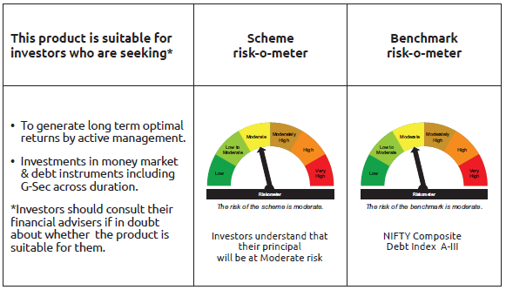
IDF006 | Portfolio Statement as on November 28,2025
 | Bandhan Dynamic Bond Fund

 | Name of the Instrument | ISIN | Industry / Rating | Quantity | Market/Fair Value ( Rs. in Lacs) | % to NAV | YTM
 | Debt Instruments
 | (a) Listed / awaiting listing on Stock Exchange
 | Government Securities
GOI3528 | 6.1% GOI (MD 12/07/2031) | IN0020210095 | SOVEREIGN | 50,200,000 | 49,511.01 | 19.34% | 6.49%
GOI3734 | 6.54% GOI (MD 17/01/2032) | IN0020210244 | SOVEREIGN | 17,400,000 | 17,456.57 | 6.82% | 6.58%
GOI6320 | 6.79% GOI (MD 30/12/2031) | IN0020240191 | SOVEREIGN | 10,900,000 | 11,105.42 | 4.34% | 6.51%
GOI5052 | 7.73% Maharashtra SDL (MD 29/03/2032) | IN2220220254 | SOVEREIGN | 5,000,000 | 5,177.90 | 2.02% | 7.14%
GOI4349 | 7.3% Tamilnadu SDL (MD 30/03/2032) | IN3120210510 | SOVEREIGN | 4,000,000 | 4,058.68 | 1.59% | 7.13%
GOI4584 | 7.26% GOI (MD 22/08/2032) | IN0020220060 | SOVEREIGN | 100,000 | 104.08 | 0.04% | 6.61%
GOI1973 | 7.17% GOI (MD 08/01/2028) | IN0020170174 | SOVEREIGN | 10,000 | 10.27 | $ | 5.87%
 | Non Convertible Debentures
NBAR860 | 6.66% National Bank For Agriculture and Rural Development ** | INE261F08EP4 | ICRA AAA | 20,000,000 | 19,974.84 | 7.80% | 6.70%
BHFL147 | 7.1% Bajaj Housing Finance Limited ** | INE377Y07607 | CRISIL AAA | 19,000,000 | 19,072.20 | 7.45% | 6.94%
KOMP1680 | 7.83% Kotak Mahindra Prime Limited ** | INE916DA7SJ7 | CRISIL AAA | 5,000,000 | 5,082.56 | 1.99% | 7.09%
BAFL974 | 7.3763% Bajaj Finance Limited ** | INE296A07TJ4 | CRISIL AAA | 5,000,000 | 5,030.85 | 1.97% | 7.06%
 | Subtotal |  |  |  | 136,584.38 | 53.36%
 | (b) Privately placed / Unlisted |  |  |  | NIL | NIL | NIL
 | Subtotal |  |  |  | NIL | NIL | NIL
 | Total |  |  |  | 136,584.38 | 53.36%
 | Money Market Instruments
 | TREPS / Reverse Repo Instrument
TRP_011225 | Triparty Repo TRP_011225 |  |  |  | 121,188.08 | 47.34% | 5.39%
 | Total |  |  |  | 121,188.08 | 47.34%
 | Corporate Debt Market Development Fund
CDMD50ME | Corporate Debt Market Development Fund Class A2 | INF0RQ622028 |  | 7,533.694 | 865.65 | 0.34%
 | Total |  |  |  | 865.65 | 0.34%
 | OTHERS
 | Cash Margin - CCIL |  |  |  | 112.73 | 0.04%
 | Subtotal |  |  |  | 112.73 | 0.04%
 | Net Current Assets |  |  |  | (2,776.45) | -1.08%
 | GRAND TOTAL |  |  |  | 255,974.39 | 100.00%

 | ** Thinly Traded/Non Traded Securities/Illiquid Securities
 | $ Less Than 0.01% of NAV

 | As per the requirement of regulation 43A of SEBI (Mutual Funds) Regulations, 1996, SEBI circular no. SEBI/HO/IMD/PoD2/P/CIR/2023/128 dated July 27, 2023 on framework for Corporate Debt Market Development Fund and SEBI circular no. SEBI/HO/IMD/PoD2 /P/CIR/2023/129 dated July 27, 2023 on investment by mutual fund schemes and Asset Management Companies (AMCs) in units of Corporate Debt Market Development Fund (“CDMDF”), specified open ended debt-oriented schemes of Bandhan Mutual Fund and Bandhan AMC Limited (‘AMC’) shall invest percentage of net assets in the units of the CDMDF.

Bandhan BF - IP
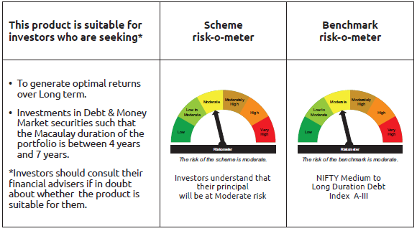
IDF010 | Portfolio Statement as on November 28,2025
 | Bandhan Bond Fund - Income Plan

 | Name of the Instrument | ISIN | Industry / Rating | Quantity | Market/Fair Value ( Rs. in Lacs) | % to NAV | YTM
 | Debt Instruments
 | (a) Listed / awaiting listing on Stock Exchange
 | Government Securities
GOI4976 | 7.26% GOI (MD 06/02/2033) | IN0020220151 | SOVEREIGN | 15,300,000 | 15,938.38 | 33.05% | 6.63%
GOI5833 | 7.02% GOI (MD 18/06/2031) | IN0020240076 | SOVEREIGN | 8,900,000 | 9,156.20 | 18.99% | 6.50%
GOI3528 | 6.1% GOI (MD 12/07/2031) | IN0020210095 | SOVEREIGN | 5,500,000 | 5,424.51 | 11.25% | 6.49%
GOI3734 | 6.54% GOI (MD 17/01/2032) | IN0020210244 | SOVEREIGN | 4,800,000 | 4,815.60 | 9.99% | 6.58%
GOI6320 | 6.79% GOI (MD 30/12/2031) | IN0020240191 | SOVEREIGN | 1,000,000 | 1,018.85 | 2.11% | 6.51%
GOI1864 | 6.79% GOI (MD 15/05/2027) | IN0020170026 | SOVEREIGN | 100,000 | 101.58 | 0.21% | 5.72%
GOI1364 | 7.73% GOI (MD 19/12/2034) | IN0020150051 | SOVEREIGN | 37,500 | 40.34 | 0.08% | 6.71%
 | Non Convertible Debentures
TCFS680 | 8.098% Tata Capital Limited ** | INE306N07NS8 | CRISIL AAA | 4,200,000 | 4,252.13 | 8.82% | 6.97%
TCHF429 | 7.685% Tata Capital Housing Finance Limited ** | INE033L07IL7 | CRISIL AAA | 3,500,000 | 3,556.75 | 7.38% | 6.97%
BHFL114 | 8.04% Bajaj Housing Finance Limited ** | INE377Y07441 | CRISIL AAA | 2,000,000 | 2,026.73 | 4.20% | 6.75%
 | Subtotal |  |  |  | 46,331.07 | 96.08%
 | (b) Privately placed / Unlisted |  |  |  | NIL | NIL | NIL
 | Subtotal |  |  |  | NIL | NIL | NIL
 | Total |  |  |  | 46,331.07 | 96.08%
 | Money Market Instruments
 | TREPS / Reverse Repo Instrument
TRP_011225 | Triparty Repo TRP_011225 |  |  |  | 667.02 | 1.38% | 5.39%
 | Total |  |  |  | 667.02 | 1.38%
 | Corporate Debt Market Development Fund
CDMD50ME | Corporate Debt Market Development Fund Class A2 | INF0RQ622028 |  | 1,254.137 | 144.11 | 0.30%
 | Total |  |  |  | 144.11 | 0.30%
 | OTHERS
 | Cash Margin - CCIL |  |  |  | 8.65 | 0.02%
 | Subtotal |  |  |  | 8.65 | 0.02%
 | Net Current Assets |  |  |  | 1,074.73 | 2.22%
 | GRAND TOTAL |  |  |  | 48,225.58 | 100.00%

 | ** Thinly Traded/Non Traded Securities/Illiquid Securities

 | As per the requirement of regulation 43A of SEBI (Mutual Funds) Regulations, 1996, SEBI circular no. SEBI/HO/IMD/PoD2/P/CIR/2023/128 dated July 27, 2023 on framework for Corporate Debt Market Development Fund and SEBI circular no. SEBI/HO/IMD/PoD2 /P/CIR/2023/129 dated July 27, 2023 on investment by mutual fund schemes and Asset Management Companies (AMCs) in units of Corporate Debt Market Development Fund (“CDMDF”), specified open ended debt-oriented schemes of Bandhan Mutual Fund and Bandhan AMC Limited (‘AMC’) shall invest percentage of net assets in the units of the CDMDF.

Bandhan BF - MTP
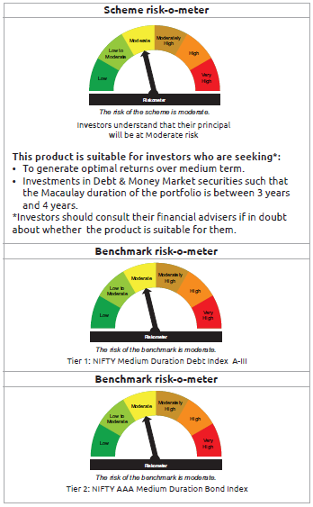
IDF011 | Portfolio Statement as on November 28,2025
 | Bandhan Bond Fund - Medium Term Plan

 | Name of the Instrument | ISIN | Industry / Rating | Quantity | Market/Fair Value ( Rs. in Lacs) | % to NAV | YTM
 | Debt Instruments
 | (a) Listed / awaiting listing on Stock Exchange
 | Government Securities
GOI5833 | 7.02% GOI (MD 18/06/2031) | IN0020240076 | SOVEREIGN | 78,600,000 | 80,862.66 | 57.41% | 6.50%
GOI4986 | 7.68% Gujarat SDL (MD 15/02/2030) | IN1520220238 | SOVEREIGN | 500,000 | 518.29 | 0.37% | 6.78%
GOI3734 | 6.54% GOI (MD 17/01/2032) | IN0020210244 | SOVEREIGN | 500,000 | 501.63 | 0.36% | 6.58%
GOI2153 | 8.37% Tamil Nadu SDL (MD 05/12/2028) | IN3120180176 | SOVEREIGN | 194,600 | 205.14 | 0.15% | 6.47%
GOI1864 | 6.79% GOI (MD 15/05/2027) | IN0020170026 | SOVEREIGN | 20,000 | 20.32 | 0.01% | 5.72%
GOI536 | 8.24% GOI (MD 15/02/2027) | IN0020060078 | SOVEREIGN | 11,000 | 11.33 | 0.01% | 5.68%
 | Non Convertible Debentures
TCHF371 | 7.75% Tata Capital Housing Finance Limited ** | INE033L07HQ8 | CRISIL AAA | 10,500,000 | 10,623.13 | 7.54% | 6.84%
BHFL114 | 8.04% Bajaj Housing Finance Limited ** | INE377Y07441 | CRISIL AAA | 10,000,000 | 10,133.67 | 7.19% | 6.75%
BHFL121 | 7.98% Bajaj Housing Finance Limited ** | INE377Y07490 | CRISIL AAA | 5,000,000 | 5,043.70 | 3.58% | 6.68%
HDFB889 | 6% HDFC Bank Limited ** | INE040A08708 | CRISIL AAA | 5,000,000 | 4,981.29 | 3.54% | 6.58%
TCFS633 | 7.89% Tata Capital Limited ** | INE306N07MX0 | CRISIL AAA | 4,500,000 | 4,557.20 | 3.24% | 7.01%
BHFL147 | 7.1% Bajaj Housing Finance Limited ** | INE377Y07607 | CRISIL AAA | 1,000,000 | 1,003.80 | 0.71% | 6.94%
TCFS654 | 8.1165% Tata Capital Limited ** | INE306N07NK5 | CRISIL AAA | 900,000 | 904.01 | 0.64% | 6.86%
TCFS680 | 8.098% Tata Capital Limited ** | INE306N07NS8 | CRISIL AAA | 800,000 | 809.93 | 0.58% | 6.97%
BAFL943 | 7.7951% Bajaj Finance Limited ** | INE296A07TF2 | CRISIL AAA | 500,000 | 507.44 | 0.36% | 6.98%
TCFS658 | 8.3% Tata Capital Limited ** | INE306N07NL3 | ICRA AAA | 500,000 | 501.79 | 0.36% | 6.62%
 | Subtotal |  |  |  | 121,185.33 | 86.05%
 | (b) Privately placed / Unlisted |  |  |  | NIL | NIL | NIL
 | Subtotal |  |  |  | NIL | NIL | NIL
 | Total |  |  |  | 121,185.33 | 86.05%
 | Money Market Instruments
 | Certificate of Deposit
HDFB996 | HDFC Bank Limited ** | INE040A16GS5 | CRISIL A1+ | 10,000,000 | 9,817.36 | 6.97% | 5.90%
SIDB596 | Small Industries Dev Bank of India ** | INE556F16BD2 | CRISIL A1+ | 1,000,000 | 983.71 | 0.70% | 5.93%
 | Commercial Paper
SIDB612 | Small Industries Dev Bank of India ** | INE556F14LG9 | CRISIL A1+ | 2,500,000 | 2,462.27 | 1.75% | 5.95%
 | TREPS / Reverse Repo Instrument
TRP_011225 | Triparty Repo TRP_011225 |  |  |  | 1,824.06 | 1.30% | 5.39%
 | Total |  |  |  | 15,087.40 | 10.72%
 | Corporate Debt Market Development Fund
CDMD50ME | Corporate Debt Market Development Fund Class A2 | INF0RQ622028 |  | 5,086.246 | 584.43 | 0.41%
 | Total |  |  |  | 584.43 | 0.41%
 | OTHERS
 | Cash Margin - CCIL |  |  |  | 49.94 | 0.04%
 | Subtotal |  |  |  | 49.94 | 0.04%
 | Net Current Assets |  |  |  | 3,946.93 | 2.78%
 | GRAND TOTAL |  |  |  | 140,854.03 | 100.00%

 | ** Thinly Traded/Non Traded Securities/Illiquid Securities

 | As per the requirement of regulation 43A of SEBI (Mutual Funds) Regulations, 1996, SEBI circular no. SEBI/HO/IMD/PoD2/P/CIR/2023/128 dated July 27, 2023 on framework for Corporate Debt Market Development Fund and SEBI circular no. SEBI/HO/IMD/PoD2 /P/CIR/2023/129 dated July 27, 2023 on investment by mutual fund schemes and Asset Management Companies (AMCs) in units of Corporate Debt Market Development Fund (“CDMDF”), specified open ended debt-oriented schemes of Bandhan Mutual Fund and Bandhan AMC Limited (‘AMC’) shall invest percentage of net assets in the units of the CDMDF.

Bandhan BF - STP
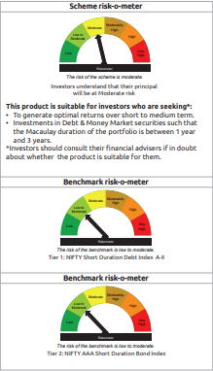
IDF012 | Portfolio Statement as on November 28,2025
 | Bandhan Bond Fund - Short Term Plan

 | Name of the Instrument | ISIN | Industry / Rating | Quantity | Market/Fair Value ( Rs. in Lacs) | % to NAV | YTM
 | Debt Instruments
 | (a) Listed / awaiting listing on Stock Exchange
 | Government Securities
GOI5833 | 7.02% GOI (MD 18/06/2031) | IN0020240076 | SOVEREIGN | 93,000,000 | 95,677.19 | 9.09% | 6.50%
GOI4193 | 6.88% Uttar Pradesh SDL (MD 23/06/2031) | IN3320210013 | SOVEREIGN | 25,000,000 | 24,913.90 | 2.37% | 7.08%
GOI2544 | 5.77% GOI (MD 03/08/2030) | IN0020200153 | SOVEREIGN | 19,000,000 | 18,616.88 | 1.77% | 6.37%
GOI2462 | 5.79% GOI (MD 11/05/2030) | IN0020200070 | SOVEREIGN | 1,500,000 | 1,475.05 | 0.14% | 6.32%
GOI4976 | 7.26% GOI (MD 06/02/2033) | IN0020220151 | SOVEREIGN | 200,000 | 208.34 | 0.02% | 6.63%
GOI536 | 8.24% GOI (MD 15/02/2027) | IN0020060078 | SOVEREIGN | 100,000 | 103.04 | 0.01% | 5.68%
GOI3103 | 5.63% GOI (MD 12/04/2026) | IN0020210012 | SOVEREIGN | 100,000 | 100.02 | 0.01% | 5.57%
GOI1864 | 6.79% GOI (MD 15/05/2027) | IN0020170026 | SOVEREIGN | 85,000 | 86.34 | 0.01% | 5.72%
 | Non Convertible Debentures
BHFL114 | 8.04% Bajaj Housing Finance Limited ** | INE377Y07441 | CRISIL AAA | 47,500,000 | 48,134.93 | 4.57% | 6.75%
TCFS654 | 8.1165% Tata Capital Limited ** | INE306N07NK5 | CRISIL AAA | 44,100,000 | 44,296.47 | 4.21% | 6.86%
NBAR805 | 7.53% National Bank For Agriculture and Rural Development ** | INE261F08EM1 | ICRA AAA | 40,000,000 | 40,694.64 | 3.87% | 6.67%
NBAR838 | 7.48% National Bank For Agriculture and Rural Development ** | INE261F08EO7 | CRISIL AAA | 31,500,000 | 32,099.41 | 3.05% | 6.70%
NBAR780 | 7.7% National Bank For Agriculture and Rural Development ** | INE261F08EI9 | ICRA AAA | 30,000,000 | 30,533.19 | 2.90% | 6.62%
BAFL974 | 7.3763% Bajaj Finance Limited ** | INE296A07TJ4 | CRISIL AAA | 30,000,000 | 30,185.10 | 2.87% | 7.06%
LICH680 | 7.74% LIC Housing Finance Limited ** | INE115A07QW5 | CRISIL AAA | 27,000,000 | 27,481.44 | 2.61% | 6.82%
TCHF375 | 7.8% Tata Capital Housing Finance Limited ** | INE033L07HU0 | CRISIL AAA | 25,000,000 | 25,347.83 | 2.41% | 6.86%
LICH676 | 7.9265% LIC Housing Finance Limited ** | INE115A07QS3 | CRISIL AAA | 24,500,000 | 24,901.38 | 2.37% | 6.79%
BHFL121 | 7.98% Bajaj Housing Finance Limited ** | INE377Y07490 | CRISIL AAA | 17,500,000 | 17,652.95 | 1.68% | 6.68%
BHFL148 | 6.95% Bajaj Housing Finance Limited ** | INE377Y07615 | CRISIL AAA | 12,500,000 | 12,514.86 | 1.19% | 6.90%
TCHF397 | 8.0409% Tata Capital Housing Finance Limited ** | INE033L07ID4 | CRISIL AAA | 10,000,000 | 10,146.07 | 0.96% | 6.79%
LICH697 | 7.73% LIC Housing Finance Limited ** | INE115A07RE1 | CRISIL AAA | 10,000,000 | 10,117.67 | 0.96% | 6.71%
SIDB472 | 7.11% Small Industries Dev Bank of India ** | INE556F08KB4 | ICRA AAA | 10,000,000 | 10,022.79 | 0.95% | 6.05%
BHFL141 | 6.97% Bajaj Housing Finance Limited ** | INE377Y07599 | CRISIL AAA | 10,000,000 | 10,001.56 | 0.95% | 6.94%
RECL431 | 7.77% REC Limited ** | INE020B08EH0 | CRISIL AAA | 7,500,000 | 7,680.11 | 0.73% | 6.60%
KOMP1733 | 7.6% Kotak Mahindra Prime Limited ** | INE916DA7SZ3 | CRISIL AAA | 7,500,000 | 7,582.40 | 0.72% | 7.07%
BAFL943 | 7.7951% Bajaj Finance Limited ** | INE296A07TF2 | CRISIL AAA | 6,000,000 | 6,089.23 | 0.58% | 6.98%
IRLY333 | 7.5% Indian Railway Finance Corporation Limited ** | INE053F07BW9 | CRISIL AAA | 5,000,000 | 5,124.87 | 0.49% | 6.73%
NBAR796 | 7.44% National Bank For Agriculture and Rural Development ** | INE261F08EK5 | CRISIL AAA | 5,000,000 | 5,075.44 | 0.48% | 6.67%
TCHF371 | 7.75% Tata Capital Housing Finance Limited ** | INE033L07HQ8 | CRISIL AAA | 5,000,000 | 5,058.64 | 0.48% | 6.84%
NBAR719 | 7.5% National Bank For Agriculture and Rural Development ** | INE261F08EA6 | CRISIL AAA | 5,000,000 | 5,028.84 | 0.48% | 6.58%
NBAR701 | 7.58% National Bank For Agriculture and Rural Development ** | INE261F08DX0 | CRISIL AAA | 5,000,000 | 5,027.06 | 0.48% | 6.57%
BHFL147 | 7.1% Bajaj Housing Finance Limited ** | INE377Y07607 | CRISIL AAA | 5,000,000 | 5,019.00 | 0.48% | 6.94%
SIDB479 | 7.23% Small Industries Dev Bank of India ** | INE556F08KC2 | ICRA AAA | 5,000,000 | 5,014.24 | 0.48% | 6.07%
JOIC20 | 7.19% JIO Credit Limited ** | INE282H07018 | CRISIL AAA | 5,000,000 | 5,013.78 | 0.48% | 7.04%
POWF483 | 6.09% Power Finance Corporation Limited ** | INE134E08LK2 | CRISIL AAA | 5,000,000 | 4,981.16 | 0.47% | 6.52%
LICH622 | 7.9% LIC Housing Finance Limited ** | INE115A07PV9 | CRISIL AAA | 4,000,000 | 4,063.96 | 0.39% | 6.75%
BAFL934 | 8.1% Bajaj Finance Limited ** | INE296A07TA3 | CRISIL AAA | 3,000,000 | 3,016.19 | 0.29% | 6.65%
KOMP1665 | 8.05% Kotak Mahindra Prime Limited ** | INE916DA7SE8 | CRISIL AAA | 2,500,000 | 2,549.09 | 0.24% | 7.05%
KOMP1745 | 7.299% Kotak Mahindra Prime Limited ** | INE916DA7TD8 | CRISIL AAA | 2,500,000 | 2,511.79 | 0.24% | 7.09%
KOMP1746 | 7.288% Kotak Mahindra Prime Limited ** | INE916DA7TE6 | CRISIL AAA | 2,500,000 | 2,510.76 | 0.24% | 7.11%
 | Subtotal |  |  |  | 596,657.61 | 56.72%
 | (b) Privately placed / Unlisted |  |  |  | NIL | NIL | NIL
 | Subtotal |  |  |  | NIL | NIL | NIL
 | Total |  |  |  | 596,657.61 | 56.72%
 | Money Market Instruments
 | Certificate of Deposit
HDFB996 | HDFC Bank Limited ** | INE040A16GS5 | CRISIL A1+ | 57,500,000 | 56,449.82 | 5.36% | 5.90%
HDFB990 | HDFC Bank Limited ** | INE040A16GJ4 | CRISIL A1+ | 30,000,000 | 29,578.53 | 2.81% | 5.91%
UNBI418 | Union Bank of India ** | INE692A16IP5 | ICRA A1+ | 25,000,000 | 24,730.00 | 2.35% | 6.04%
UTIB1377 | Axis Bank Limited ** | INE238AD6BL2 | CRISIL A1+ | 25,000,000 | 24,641.10 | 2.34% | 5.91%
HDFB992 | HDFC Bank Limited ** | INE040A16GN6 | CRISIL A1+ | 20,000,000 | 19,672.20 | 1.87% | 5.90%
PUBA1090 | Punjab National Bank ** | INE160A16RK5 | CRISIL A1+ | 17,500,000 | 17,197.27 | 1.63% | 5.89%
PUBA1092 | Punjab National Bank ** | INE160A16RP4 | CRISIL A1+ | 17,500,000 | 17,178.18 | 1.63% | 5.90%
SIDB590 | Small Industries Dev Bank of India ** | INE556F16BA8 | CRISIL A1+ | 15,000,000 | 14,830.38 | 1.41% | 6.05%
BKBA523 | Bank of Baroda ** | INE028A16JJ3 | FITCH A1+ | 15,000,000 | 14,792.40 | 1.41% | 5.89%
INBK467 | Indian Bank ** | INE562A16OG7 | CRISIL A1+ | 15,000,000 | 14,768.64 | 1.40% | 5.90%
SIDB596 | Small Industries Dev Bank of India ** | INE556F16BD2 | CRISIL A1+ | 14,000,000 | 13,771.97 | 1.31% | 5.93%
SIDB592 | Small Industries Dev Bank of India ** | INE556F16BB6 | CRISIL A1+ | 12,500,000 | 12,320.56 | 1.17% | 5.91%
BKBA491 | Bank of Baroda ** | INE028A16HZ3 | FITCH A1+ | 12,500,000 | 12,297.59 | 1.17% | 5.89%
UTIB1347 | Axis Bank Limited ** | INE238AD6AL4 | CRISIL A1+ | 10,000,000 | 9,888.64 | 0.94% | 6.05%
BKBA527 | Bank of Baroda ** | INE028A16JN5 | FITCH A1+ | 10,000,000 | 9,882.60 | 0.94% | 6.02%
CANB1062 | Canara Bank ** | INE476A16D96 | CRISIL A1+ | 10,000,000 | 9,856.99 | 0.94% | 5.88%
HDFB1014 | HDFC Bank Limited ** | INE040A16HM6 | CARE A1+ | 10,000,000 | 9,840.80 | 0.93% | 5.91%
HDFB1015 | HDFC Bank Limited ** | INE040A16HN4 | CRISIL A1+ | 10,000,000 | 9,524.12 | 0.90% | 6.38%
INBK458 | Indian Bank ** | INE562A16OA0 | CRISIL A1+ | 7,500,000 | 7,418.16 | 0.70% | 6.01%
CANB1046 | Canara Bank ** | INE476A16B64 | CRISIL A1+ | 7,500,000 | 7,370.26 | 0.70% | 5.89%
CANB1032 | Canara Bank ** | INE476A16A32 | CRISIL A1+ | 5,000,000 | 4,945.31 | 0.47% | 6.03%
BKBA525 | Bank of Baroda ** | INE028A16JM7 | FITCH A1+ | 5,000,000 | 4,943.72 | 0.47% | 6.02%
BKBA531 | Bank of Baroda ** | INE028A16JO3 | FITCH A1+ | 2,500,000 | 2,465.71 | 0.23% | 5.90%
CANB1041 | Canara Bank ** | INE476A16B23 | CRISIL A1+ | 2,500,000 | 2,459.09 | 0.23% | 5.90%
INBK469 | Indian Bank ** | INE562A16OI3 | CRISIL A1+ | 2,500,000 | 2,459.09 | 0.23% | 5.90%
BKBA488 | Bank of Baroda ** | INE028A16IC0 | FITCH A1+ | 2,500,000 | 2,458.74 | 0.23% | 5.89%
HDFB986 | HDFC Bank Limited ** | INE040A16GF2 | CRISIL A1+ | 1,500,000 | 1,483.18 | 0.14% | 6.00%
 | Commercial Paper
SIDB612 | Small Industries Dev Bank of India ** | INE556F14LG9 | CRISIL A1+ | 60,000,000 | 59,094.48 | 5.61% | 5.95%
NTPC255 | NTPC Limited ** | INE733E14BU9 | CRISIL A1+ | 10,000,000 | 9,839.90 | 0.93% | 5.88%
 | TREPS / Reverse Repo Instrument
TRP_011225 | Triparty Repo TRP_011225 |  |  |  | 5,851.25 | 0.56% | 5.39%
 | Total |  |  |  | 432,010.68 | 41.01%
 | Interest Rate Swaps
IRS1100FL | Interest Rate Swaps (24/12/2025) |  |  | 2,500,000 | 2,500.00 | 0.24% | 5.59%
IRS1100FX | Interest Rate Swaps (24/12/2025) |  |  | -2,500,000 | (2,500.06) | -0.24% | 5.42%
 | Total |  |  |  | (0.06) | 0.00%
 | Corporate Debt Market Development Fund
CDMD50ME | Corporate Debt Market Development Fund Class A2 | INF0RQ622028 |  | 26,590.928 | 3,055.41 | 0.29%
 | Total |  |  |  | 3,055.41 | 0.29%
 | OTHERS
 | Cash Margin - CCIL |  |  |  | 179.06 | 0.02%
 | Subtotal |  |  |  | 179.06 | 0.02%
 | Net Current Assets |  |  |  | 20,917.49 | 1.96%
 | GRAND TOTAL |  |  |  | 1,052,820.25 | 100.00%

 | ** Thinly Traded/Non Traded Securities/Illiquid Securities

 | “This scheme has exposure to floating rate instruments and / or interest rate derivatives. The duration of these instruments is linked to the interest rate reset period. The interest rate risk in a floating rate instrument or in a fixed rate instrument hedged with derivatives is likely to be lesser than that in an equivalent maturity fixed rate instrument. Under some market circumstances the volatility may be of an order greater than what may ordinarily be expected considering only its duration. Hence investors are recommended to consider the unadjusted portfolio maturity of the scheme as well and exercise adequate due diligence when deciding to make their investments”.

 | As per the requirement of regulation 43A of SEBI (Mutual Funds) Regulations, 1996, SEBI circular no. SEBI/HO/IMD/PoD2/P/CIR/2023/128 dated July 27, 2023 on framework for Corporate Debt Market Development Fund and SEBI circular no. SEBI/HO/IMD/PoD2 /P/CIR/2023/129 dated July 27, 2023 on investment by mutual fund schemes and Asset Management Companies (AMCs) in units of Corporate Debt Market Development Fund (“CDMDF”), specified open ended debt-oriented schemes of Bandhan Mutual Fund and Bandhan AMC Limited (‘AMC’) shall invest percentage of net assets in the units of the CDMDF.

Bandhan Banking & PSU
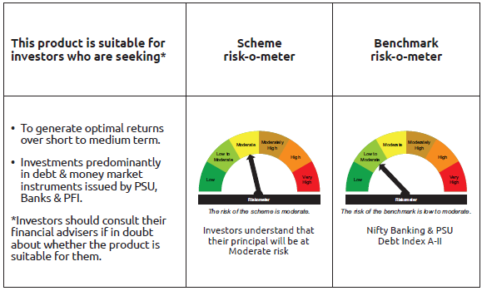
IDF138 | Portfolio Statement as on November 28,2025
 | Bandhan Banking and PSU Fund

 | Name of the Instrument | ISIN | Industry / Rating | Quantity | Market/Fair Value ( Rs. in Lacs) | % to NAV | YTM
 | Debt Instruments
 | (a) Listed / awaiting listing on Stock Exchange
 | Government Securities
GOI3734 | 6.54% GOI (MD 17/01/2032) | IN0020210244 | SOVEREIGN | 67,800,000 | 68,020.42 | 5.31% | 6.58%
GOI5833 | 7.02% GOI (MD 18/06/2031) | IN0020240076 | SOVEREIGN | 55,000,000 | 56,583.29 | 4.42% | 6.50%
GOI6526 | 7.17% Odisha SDL (MD 12/09/2030) | IN2720240158 | SOVEREIGN | 28,000,000 | 28,499.58 | 2.22% | 6.84%
GOI4976 | 7.26% GOI (MD 06/02/2033) | IN0020220151 | SOVEREIGN | 20,500,000 | 21,355.34 | 1.67% | 6.63%
GOI2462 | 5.79% GOI (MD 11/05/2030) | IN0020200070 | SOVEREIGN | 18,500,000 | 18,192.25 | 1.42% | 6.32%
GOI3528 | 6.1% GOI (MD 12/07/2031) | IN0020210095 | SOVEREIGN | 5,000,000 | 4,931.38 | 0.38% | 6.49%
GOI1908 | 7.18% Tamilnadu SDL (MD 26/07/2027) | IN3120170078 | SOVEREIGN | 120,000 | 122.10 | 0.01% | 6.14%
 | Non Convertible Debentures
HDFB913 | 7.7% HDFC Bank Limited ** | INE040A08955 | CRISIL AAA | 52,000,000 | 52,963.77 | 4.13% | 6.83%
NHBA319 | 7.77% National Housing Bank ** | INE557F08FP2 | CRISIL AAA | 52,000,000 | 52,178.67 | 4.07% | 6.40%
RECL429 | 7.6% REC Limited ** | INE020B08EF4 | CRISIL AAA | 43,500,000 | 43,619.49 | 3.40% | 6.12%
NUCL133 | 7.7% Nuclear Power Corporation Of India Limited ** | INE206D08501 | ICRA AAA | 41,000,000 | 41,993.51 | 3.28% | 6.51%
HPEC303 | 7.74% Hindustan Petroleum Corporation Limited ** | INE094A08150 | CRISIL AAA | 36,500,000 | 37,458.02 | 2.92% | 6.43%
NBAR719 | 7.5% National Bank For Agriculture and Rural Development ** | INE261F08EA6 | CRISIL AAA | 32,500,000 | 32,687.46 | 2.55% | 6.58%
NTPC243 | 7.35% NTPC Limited ** | INE733E08247 | CRISIL AAA | 32,500,000 | 32,587.98 | 2.54% | 6.33%
IOIC659 | 7.36% Indian Oil Corporation Limited ** | INE242A08551 | CRISIL AAA | 29,838,000 | 30,594.63 | 2.39% | 6.54%
NBAR796 | 7.44% National Bank For Agriculture and Rural Development ** | INE261F08EK5 | CRISIL AAA | 30,000,000 | 30,452.64 | 2.38% | 6.67%
SIDB519 | 7.44% Small Industries Dev Bank of India ** | INE556F08KI9 | CRISIL AAA | 30,000,000 | 30,169.29 | 2.35% | 6.55%
NBAR701 | 7.58% National Bank For Agriculture and Rural Development ** | INE261F08DX0 | CRISIL AAA | 29,000,000 | 29,156.92 | 2.28% | 6.57%
IRLY383 | 7.37% Indian Railway Finance Corporation Limited ** | INE053F08411 | CRISIL AAA | 26,500,000 | 27,035.25 | 2.11% | 6.73%
SIDB472 | 7.11% Small Industries Dev Bank of India ** | INE556F08KB4 | ICRA AAA | 25,500,000 | 25,558.11 | 1.99% | 6.05%
SIDB525 | 7.55% Small Industries Dev Bank of India ** | INE556F08KJ7 | CRISIL AAA | 25,000,000 | 25,175.35 | 1.96% | 6.55%
SIDB479 | 7.23% Small Industries Dev Bank of India ** | INE556F08KC2 | ICRA AAA | 23,000,000 | 23,065.50 | 1.80% | 6.07%
IRLY366 | 7.4% Indian Railway Finance Corporation Limited ** | INE053F08239 | CRISIL AAA | 22,500,000 | 22,577.60 | 1.76% | 6.42%
EXIM731 | 7.32% Export Import Bank of India ** | INE514E08FZ5 | CRISIL AAA | 20,000,000 | 20,080.28 | 1.57% | 6.31%
RECL477 | 6.7% REC Limited ** | INE020B08FY2 | ICRA AAA | 20,000,000 | 19,968.66 | 1.56% | 6.75%
HDFB878 | 9% HDFC Bank Limited ** | INE040A08AB1 | CRISIL AAA | 15,500,000 | 16,370.14 | 1.28% | 6.87%
POWF541 | 7.42% Power Finance Corporation Limited ** | INE134E08NL6 | CRISIL AAA | 15,500,000 | 15,759.95 | 1.23% | 6.63%
NBAR805 | 7.53% National Bank For Agriculture and Rural Development ** | INE261F08EM1 | ICRA AAA | 15,000,000 | 15,260.49 | 1.19% | 6.67%
POWF551 | 6.64% Power Finance Corporation Limited ** | INE134E08NR3 | CRISIL AAA | 15,000,000 | 14,884.97 | 1.16% | 6.83%
IBCL1127 | 6.45% ICICI Bank Limited ** | INE090A08UE8 | ICRA AAA | 15,000,000 | 14,878.29 | 1.16% | 6.79%
NHBA331 | 7.59% National Housing Bank ** | INE557F08FZ1 | CRISIL AAA | 11,000,000 | 11,181.28 | 0.87% | 6.56%
IRLY380 | 7.46% Indian Railway Finance Corporation Limited ** | INE053F08387 | CRISIL AAA | 10,000,000 | 10,227.16 | 0.80% | 6.73%
NBAR860 | 6.66% National Bank For Agriculture and Rural Development ** | INE261F08EP4 | ICRA AAA | 10,000,000 | 9,987.42 | 0.78% | 6.70%
IRLY395 | 6.47% Indian Railway Finance Corporation Limited ** | INE053F08510 | CRISIL AAA | 10,000,000 | 9,962.04 | 0.78% | 6.64%
PGCI422 | 8.24% Power Grid Corporation of India Limited ** | INE752E08551 | CRISIL AAA | 7,500,000 | 7,900.66 | 0.62% | 6.47%
HDFB881 | 8.05% HDFC Bank Limited ** | INE040A08AC9 | CRISIL AAA | 7,500,000 | 7,784.59 | 0.61% | 6.90%
NHAI65 | 7.49% National Highways Authority Of India ** | INE906B07HG7 | CRISIL AAA | 7,500,000 | 7,700.90 | 0.60% | 6.63%
RECL443 | 7.77% REC Limited ** | INE020B08EP3 | CRISIL AAA | 7,500,000 | 7,571.17 | 0.59% | 6.49%
PGCI344 | 8.7% Power Grid Corporation of India Limited ** | INE752E07LC0 | CRISIL AAA | 5,650,000 | 5,932.90 | 0.46% | 6.54%
NHPC117 | 8.12% NHPC Limited ** | INE848E08136 | CARE AAA | 5,000,000 | 5,241.69 | 0.41% | 6.57%
HDFB879 | 8.55% HDFC Bank Limited ** | INE040A08724 | CRISIL AAA | 5,000,000 | 5,239.32 | 0.41% | 6.87%
...
 | $ Less Than 0.01% of NAV
 | ** Thinly Traded/Non Traded Securities/Illiquid Securities

 | As per the requirement of regulation 43A of SEBI (Mutual Funds) Regulations, 1996, SEBI circular no. SEBI/HO/IMD/PoD2/P/CIR/2023/128 dated July 27, 2023 on framework for Corporate Debt Market Development Fund and SEBI circular no. SEBI/HO/IMD/PoD2 /P/CIR/2023/129 dated July 27, 2023 on investment by mutual fund schemes and Asset Management Companies (AMCs) in units of Corporate Debt Market Development Fund (“CDMDF”), specified open ended debt-oriented schemes of Bandhan Mutual Fund and Bandhan AMC Limited (‘AMC’) shall invest percentage of net assets in the units of the CDMDF.

Bandhan CBF
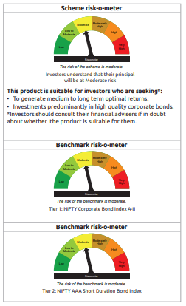
...
Name of the Instrument | ISIN | Industry / Rating | Quantity | Market/Fair Value ( Rs. in Lacs) | % to NAV | YTM
GRAND TOTAL |  |  |  | 1,586,596.65 | 100.00%

** Thinly Traded/Non Traded Securities/Illiquid Securities

As per the requirement of regulation 43A of SEBI (Mutual Funds) Regulations, 1996, SEBI circular no. SEBI/HO/IMD/PoD2/P/CIR/2023/128 dated July 27, 2023 on framework for Corporate Debt Market Development Fund and SEBI circular no. SEBI/HO/IMD/PoD2 /P/CIR/2023/129 dated July 27, 2023 on investment by mutual fund schemes and Asset Management Companies (AMCs) in units of Corporate Debt Market Development Fund (“CDMDF”), specified open ended debt-oriented schemes of Bandhan Mutual Fund and Bandhan AMC Limited (‘AMC’) shall invest percentage of net assets in the units of the CDMDF.

Bandhan CRF
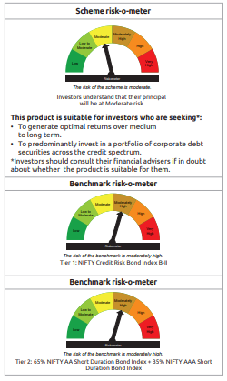
...
$ Less Than 0.01% of NAV
** Thinly Traded/Non Traded Securities/Illiquid Securities

As per the requirement of regulation 43A of SEBI (Mutual Funds) Regulations, 1996, SEBI circular no. SEBI/HO/IMD/PoD2/P/CIR/2023/128 dated July 27, 2023 on framework for Corporate Debt Market Development Fund and SEBI circular no. SEBI/HO/IMD/PoD2 /P/CIR/2023/129 dated July 27, 2023 on investment by mutual fund schemes and Asset Management Companies (AMCs) in units of Corporate Debt Market Development Fund (“CDMDF”), specified open ended debt-oriented schemes of Bandhan Mutual Fund and Bandhan AMC Limited (‘AMC’) shall invest percentage of net assets in the units of the CDMDF.

Bandhan Floater Fund
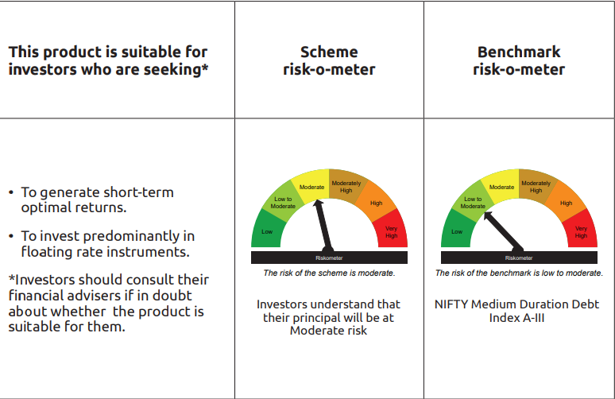
...
** Thinly Traded/Non Traded Securities/Illiquid Securities

“This scheme has exposure to floating rate instruments and / or interest rate derivatives. The duration of these instruments is linked to the interest rate reset period. The interest rate risk in a floating rate instrument or in a fixed rate instrument hedged with derivatives is likely to be lesser than that in an equivalent maturity fixed rate instrument. Under some market circumstances the volatility may be of an order greater than what may ordinarily be expected considering only its duration. Hence investors are recommended to consider the unadjusted portfolio maturity of the scheme as well and exercise adequate due diligence when deciding to make their investments”.

As per the requirement of regulation 43A of SEBI (Mutual Funds) Regulations, 1996, SEBI circular no. SEBI/HO/IMD/PoD2/P/CIR/2023/128 dated July 27, 2023 on framework for Corporate Debt Market Development Fund and SEBI circular no. SEBI/HO/IMD/PoD2 /P/CIR/2023/129 dated July 27, 2023 on investment by mutual fund schemes and Asset Management Companies (AMCs) in units of Corporate Debt Market Development Fund (“CDMDF”), specified open ended debt-oriented schemes of Bandhan Mutual Fund and Bandhan AMC Limited (‘AMC’) shall invest percentage of net assets in the units of the CDMDF.

Bandhan Gsec - IP
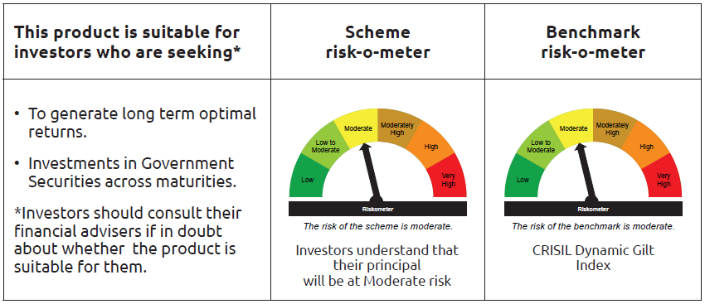
...
Name of the Instrument | ISIN | Industry / Rating | Quantity | Market/Fair Value ( Rs. in Lacs) | % to NAV | YTM
Total |  |  |  | 96,235.73 | 42.30%
OTHERS
Cash Margin - CCIL |  |  |  | 87.19 | 0.04%
Subtotal |  |  |  | 87.19 | 0.04%
Net Current Assets |  |  |  | (172.52) | -0.07%
GRAND TOTAL |  |  |  | 227,508.25 | 100.00%

$ Less Than 0.01% of NAV

Bandhan Gsec - CMP
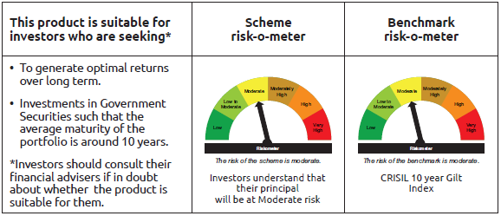
...
Name of the Instrument | ISIN | Industry / Rating | Quantity | Market/Fair Value ( Rs. in Lacs) | % to NAV | YTM
Total |  |  |  | 1,321.13 | 3.78%
OTHERS
Cash Margin - CCIL |  |  |  | 0.03 | $
Subtotal |  |  |  | 0.03 | $
Net Current Assets |  |  |  | 204.14 | 0.58%
GRAND TOTAL |  |  |  | 34,986.44 | 100.00%

$ Less Than 0.01% of NAV

Bandhan CRISIL IBX April 2026
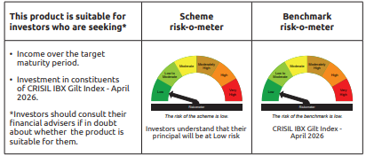
...
 | Name of the Instrument | ISIN | Industry / Rating | Quantity | Market/Fair Value ( Rs. in Lacs) | % to NAV | YTM
 | TREPS / Reverse Repo Instrument
TRP_011225 | Triparty Repo TRP_011225 |  |  |  | 509.02 | 1.37% | 5.39%
 | Total |  |  |  | 5,439.65 | 14.65%
 | OTHERS
 | Cash Margin - CCIL |  |  |  | 9.70 | 0.03%
 | Subtotal |  |  |  | 9.70 | 0.03%
 | Net Current Assets |  |  |  | 324.06 | 0.87%
 | GRAND TOTAL |  |  |  | 37,129.43 | 100.00%

Bandhan CRISIL IBX June 2027
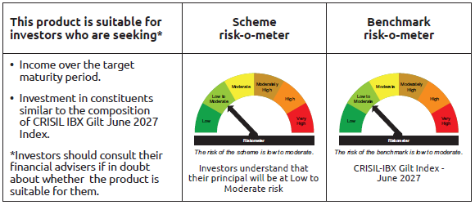
...
 | Name of the Instrument | ISIN | Industry / Rating | Quantity | Market/Fair Value ( Rs. in Lacs) | % to NAV | YTM
 | TREPS / Reverse Repo Instrument
TRP_011225 | Triparty Repo TRP_011225 |  |  |  | 2,847.58 | 0.45% | 5.39%
 | Total |  |  |  | 2,847.58 | 0.45%
 | OTHERS
 | Cash Margin - CCIL |  |  |  | 266.93 | 0.04%
 | Subtotal |  |  |  | 266.93 | 0.04%
 | Net Current Assets |  |  |  | 13,279.23 | 2.12%
 | GRAND TOTAL |  |  |  | 630,501.83 | 100.00%

Bandhan CRISIL IBX April 2028
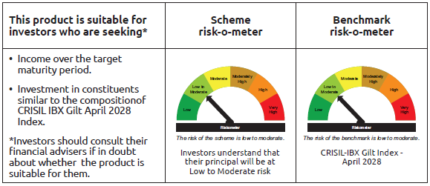
...
Name of the Instrument | ISIN | Industry / Rating | Quantity | Market/Fair Value ( Rs. in Lacs) | % to NAV | YTM
Total |  |  |  | 3,700.95 | 0.86%
OTHERS
Cash Margin - CCIL |  |  |  | 0.08 | $
Subtotal |  |  |  | 0.08 | $
Net Current Assets |  |  |  | 9,190.16 | 2.15%
GRAND TOTAL |  |  |  | 428,234.75 | 100.00%

$ Less Than 0.01% of NAV

BANDHAN CRISIL IBX SDL APR 2032
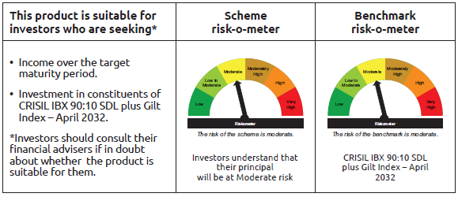
...
Name of the Instrument | ISIN | Industry / Rating | Quantity | Market/Fair Value ( Rs. in Lacs) | % to NAV | YTM
Total |  |  |  | 749.04 | 1.75%
OTHERS
Cash Margin - CCIL |  |  |  | 1.63 | $
Subtotal |  |  |  | 1.63 | $
Net Current Assets |  |  |  | 740.48 | 1.74%
GRAND TOTAL |  |  |  | 42,799.91 | 100.00%

$ Less Than 0.01% of NAV

BANDHAN CRISIL IBX SDL NOV 2026
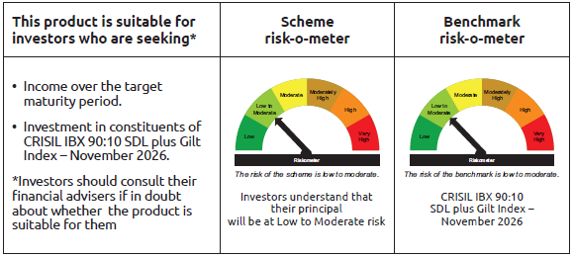
...
Name of the Instrument | ISIN | Industry / Rating | Quantity | Market/Fair Value ( Rs. in Lacs) | % to NAV | YTM
Total |  |  |  | 425.04 | 4.13%
OTHERS
Cash Margin - CCIL |  |  |  | 0.01 | $
Subtotal |  |  |  | 0.01 | $
Net Current Assets |  |  |  | 103.91 | 1.02%
GRAND TOTAL |  |  |  | 10,299.44 | 100.00%

$ Less Than 0.01% of NAV

BANDHAN CRISIL IBX SDL SEP 2027
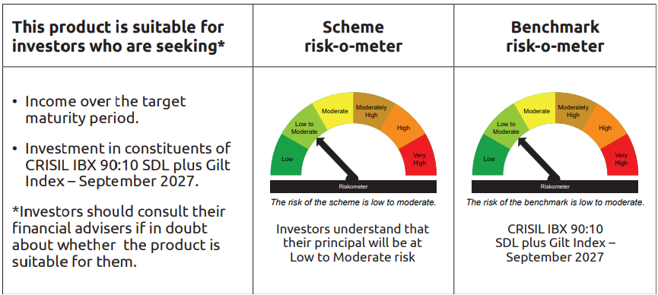
...
Name of the Instrument | ISIN | Industry / Rating | Quantity | Market/Fair Value ( Rs. in Lacs) | % to NAV | YTM
Total |  |  |  | 226.01 | 1.50%
OTHERS
Cash Margin - CCIL |  |  |  | 0.01 | $
Subtotal |  |  |  | 0.01 | $
Net Current Assets |  |  |  | 309.99 | 2.05%
GRAND TOTAL |  |  |  | 15,079.92 | 100.00%

$ Less Than 0.01% of NAV

Bandhan Index April 2032
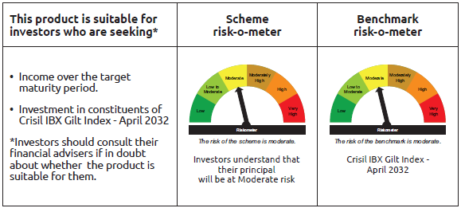
...
Name of the Instrument | ISIN | Industry / Rating | Quantity | Market/Fair Value ( Rs. in Lacs) | % to NAV | YTM
Total |  |  |  | 222.97 | 0.51%
OTHERS
Cash Margin - CCIL |  |  |  | 0.01 | $
Subtotal |  |  |  | 0.01 | $
Net Current Assets |  |  |  | 1,005.68 | 2.29%
GRAND TOTAL |  |  |  | 43,793.88 | 100.00%

$ Less Than 0.01% of NAV

BANDHAN CRISIL IBX SDL DEC 2029
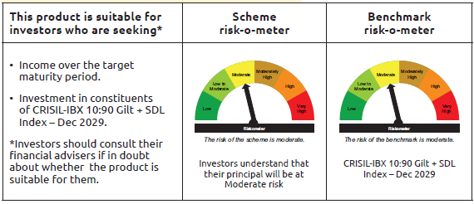
...
 | Name of the Instrument | ISIN | Industry / Rating | Quantity | Market/Fair Value ( Rs. in Lacs) | % to NAV | YTM
 | TREPS / Reverse Repo Instrument
TRP_011225 | Triparty Repo TRP_011225 |  |  |  | 0.96 | 2.62% | 5.40%
 | Total |  |  |  | 0.96 | 2.62%
 | OTHERS
 | Cash Margin - CCIL |  |  |  | 0.04 | 0.11%
 | Subtotal |  |  |  | 0.04 | 0.11%
 | Net Current Assets |  |  |  | 0.87 | 2.37%
 | GRAND TOTAL |  |  |  | 36.67 | 100.00%

BANDHAN CRISIL IBX Fin Serv3-6M
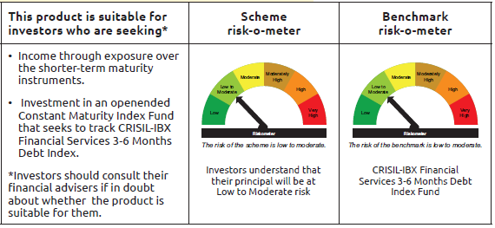
...
Name of the Instrument | ISIN | Industry / Rating | Quantity | Market/Fair Value ( Rs. in Lacs) | % to NAV | YTM
Total |  |  |  | 29,709.78 | 68.59%
OTHERS
Cash Margin - CCIL |  |  |  | 2.70 | 0.01%
Subtotal |  |  |  | 2.70 | 0.01%
Net Current Assets |  |  |  | 572.91 | 1.31%
GRAND TOTAL |  |  |  | 43,317.01 | 100.00%

** Thinly Traded/Non Traded Securities/Illiquid Securities

