BANDHAN OF
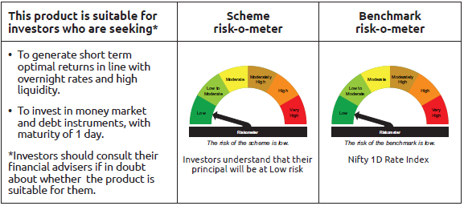
INDEX | Portfolio Statement as on February 28,2025
 | Bandhan Overnight Fund

 | Name of the Instrument | ISIN | Industry / Rating | Quantity | Market/Fair Value ( Rs. in Lacs) | % to NAV | YTM
 | Money Market Instruments
 | Treasury Bill
TBIL2410 | 182 Days Tbill | IN002024Y241 | SOVEREIGN | 1,500,000 | 1,496.85 | 2.20% | 6.40%
TBIL2448 | 91 Days Tbill | IN002024X375 | SOVEREIGN | 1,500,000 | 1,495.06 | 2.19% | 6.35%
TBIL2451 | 91 Days Tbill | IN002024X383 | SOVEREIGN | 500,000 | 497.66 | 0.73% | 6.35%
 | Collateralised Borrowing & Lending Obligation / Reverse Repo Instrument
 | Reverse Repo |  |  |  | 51,999.59 | 76.33% | 6.30%
TRP_030325 | CBLO TRP_030325 |  |  |  | 12,562.15 | 18.44% | 6.47%
 | Total |  |  |  | 68,051.31 | 99.89%
 | OTHERS
 | Cash Margin - CCIL |  |  |  | 102.16 | 0.15%
 | Subtotal |  |  |  | 102.16 | 0.15%
 | Net Current Assets |  |  |  | (28.21) | -0.04%
 | GRAND TOTAL |  |  |  | 68,125.26 | 100.00%

 | Pursuant to SEBI circular no. SEBI/HO/IMD/DF2/CIR/P/2021/683 dated December 10, 2021 (“the Circular”), SEBI has notified that with respect to the margin or collateral requirement for execution of certain transactions, overnight funds can deploy not exceeding 5% of the net assets of the scheme in Government Securities and/or Treasury bills with a residual maturity of upto 30 days for the purpose of placing the same as margin and collateral for certain transactions.

BANDHAN LF
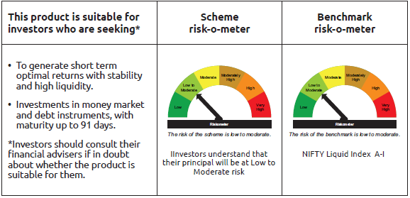
INDEX | Portfolio Statement as on February 28,2025
 | Bandhan Liquid Fund

 | Name of the Instrument | ISIN | Industry / Rating | Quantity | Market/Fair Value ( Rs. in Lacs) | % to NAV | YTM
 | Debt Instruments
 | (a) Listed / awaiting listing on Stock Exchange
 | Government Securities
GOI1299 | 8.14% State Government Securities | IN2220150022 | SOVEREIGN | 6,000,000 | 6,020.62 | 0.40% | 6.56%
GOI3096 | 6.69% State Government Securities | IN2120200273 | SOVEREIGN | 5,000,000 | 5,000.38 | 0.33% | 6.42%
GOI2392 | 8.15% State Government Securities | IN1620150020 | SOVEREIGN | 2,500,000 | 2,508.59 | 0.17% | 6.56%
GOI3479 | 8.22% State Government Securities | IN3120150039 | SOVEREIGN | 2,500,000 | 2,507.42 | 0.17% | 6.55%
 | Non Convertible Debentures
TWAT24 | 7.75% Titan Company Limited ** | INE280A08023 | CRISIL AAA | 7,500,000 | 7,499.13 | 0.49% | 7.63%
KOMP1662 | 7.8779% Kotak Mahindra Prime Limited ** | INE916DA7SC2 | CRISIL AAA | 5,000,000 | 4,995.27 | 0.33% | 7.84%
POWF173 | 8.7% Power Finance Corporation Limited ** | INE134E08CY2 | CRISIL AAA | 440,000 | 440.49 | 0.03% | 7.61%
 | Subtotal |  |  |  | 28,971.90 | 1.92%
 | (b) Privately placed / Unlisted |  |  |  | NIL | NIL | NIL
 | Subtotal |  |  |  | NIL | NIL | NIL
 | Total |  |  |  | 28,971.90 | 1.92%
 | Money Market Instruments
 | Certificate of Deposit
BKBA479 | Bank of Baroda ** | INE028A16HS8 | FITCH A1+ | 90,000,000 | 88,745.13 | 5.85% | 7.48%
PUBA1082 | Punjab National Bank ** | INE160A16RE8 | ICRA A1+ | 80,000,000 | 78,591.28 | 5.18% | 7.52%
UNBI395 | Union Bank of India | INE692A16HP7 | FITCH A1+ | 57,500,000 | 57,314.45 | 3.78% | 6.95%
HDFB987 | HDFC Bank Limited | INE040A16GG0 | CARE A1+ | 50,000,000 | 49,301.00 | 3.25% | 7.50%
PUBA1077 | Punjab National Bank ** | INE160A16QZ5 | CRISIL A1+ | 40,000,000 | 39,447.36 | 2.60% | 7.52%
INBK423 | Indian Bank ** | INE562A16MR8 | CRISIL A1+ | 37,500,000 | 37,414.73 | 2.47% | 6.93%
PUBA1078 | Punjab National Bank ** | INE160A16RA6 | CRISIL A1+ | 35,000,000 | 34,509.44 | 2.27% | 7.52%
HDFB980 | HDFC Bank Limited ** | INE040A16FZ2 | CARE A1+ | 30,000,000 | 29,943.06 | 1.97% | 6.94%
CANB972 | Canara Bank | INE476A16XV0 | CRISIL A1+ | 27,500,000 | 27,447.83 | 1.81% | 6.94%
UNBI397 | Union Bank of India ** | INE692A16HR3 | FITCH A1+ | 25,000,000 | 24,914.68 | 1.64% | 6.95%
CANB979 | Canara Bank ** | INE476A16XZ1 | CRISIL A1+ | 20,000,000 | 19,958.26 | 1.31% | 6.94%
UTIB1317 | Axis Bank Limited ** | INE238AD6702 | CRISIL A1+ | 15,000,000 | 14,988.69 | 0.99% | 6.89%
HDFB944 | HDFC Bank Limited ** | INE040A16ER2 | FITCH A1+ | 15,000,000 | 14,985.83 | 0.99% | 6.91%
INBK429 | Indian Bank ** | INE562A16MT4 | CRISIL A1+ | 15,000,000 | 14,974.41 | 0.99% | 6.93%
CANB976 | Canara Bank ** | INE476A16YB0 | CRISIL A1+ | 15,000,000 | 14,945.97 | 0.98% | 6.95%
HDFB947 | HDFC Bank Limited | INE040A16EU6 | CARE A1+ | 10,000,000 | 9,979.10 | 0.66% | 6.95%
UNBI392 | Union Bank of India ** | INE692A16HE1 | ICRA A1+ | 10,000,000 | 9,963.98 | 0.66% | 6.95%
BKBA452 | Bank of Baroda ** | INE028A16GR2 | FITCH A1+ | 10,000,000 | 9,848.63 | 0.65% | 7.48%
NBAR770 | National Bank For Agriculture and Rural Development ** | INE261F16850 | CRISIL A1+ | 7,500,000 | 7,475.96 | 0.49% | 6.90%
FEBA331 | The Federal Bank Limited ** | INE171A16MD8 | CRISIL A1+ | 6,920,000 | 6,813.94 | 0.45% | 7.58%
CANB993 | Canara Bank ** | INE476A16YS4 | CRISIL A1+ | 5,000,000 | 4,995.30 | 0.33% | 6.87%
CANB1028 | Canara Bank ** | INE476A16ZY9 | CRISIL A1+ | 5,000,000 | 4,983.88 | 0.33% | 6.95%
 | Commercial Paper
NBAR802 | National Bank For Agriculture and Rural Development ** | INE261F14MO8 | ICRA A1+ | 125,000,000 | 124,737.00 | 8.22% | 7.00%
RIND467 | Reliance Industries Limited ** | INE002A14KY0 | CRISIL A1+ | 115,000,000 | 114,737.34 | 7.56% | 6.96%
EXIM796 | Export Import Bank of India ** | INE514E14SP7 | CRISIL A1+ | 50,000,000 | 49,322.80 | 3.25% | 7.48%
LTFH80 | L&T Finance Limited ** | INE498L14BK5 | CRISIL A1+ | 42,500,000 | 41,923.28 | 2.76% | 7.73%
BAFL955 | Bajaj Finance Limited ** | INE296A14ZP4 | CRISIL A1+ | 40,000,000 | 39,366.00 | 2.59% | 7.74%
NBAR811 | National Bank For Agriculture and Rural Development ** | INE261F14MT7 | CRISIL A1+ | 37,500,000 | 37,093.88 | 2.44% | 7.54%
BAFL958 | Bajaj Finance Limited ** | INE296A14ZS8 | ICRA A1+ | 30,000,000 | 29,463.06 | 1.94% | 7.73%
INBS483 | Reliance Jio Infocomm Limited ** | INE110L14SU9 | CRISIL A1+ | 27,500,000 | 27,379.33 | 1.80% | 7.00%
ICBR559 | ICICI Securities Limited ** | INE763G14WV5 | CRISIL A1+ | 25,000,000 | 24,653.20 | 1.62% | 7.78%
TMFL85 | Tata Motors Finance Limited ** | INE477S14CW7 | CARE A1+ | 20,000,000 | 19,775.04 | 1.30% | 7.83%
HDFS267 | HDFC Securities Limited ** | INE700G14NJ1 | ICRA A1+ | 20,000,000 | 19,635.54 | 1.29% | 7.79%
NBAR801 | National Bank For Agriculture and Rural Development | INE261F14MM2 | ICRA A1+ | 17,500,000 | 17,483.24 | 1.15% | 7.00%
KOSE284 | Kotak Securities Limited ** | INE028E14ON2 | ICRA A1+ | 17,500,000 | 17,478.81 | 1.15% | 7.38%
BAFL954 | Bajaj Finance Limited ** | INE296A14ZN9 | ICRA A1+ | 17,500,000 | 17,282.81 | 1.14% | 7.77%
NBAR816 | National Bank For Agriculture and Rural Development ** | INE261F14MW1 | CRISIL A1+ | 15,000,000 | 14,810.57 | 0.98% | 7.53%
TMFL88 | Tata Motors Finance Limited ** | INE477S14CY3 | CARE A1+ | 15,000,000 | 14,747.88 | 0.97% | 7.80%
RICL193 | Barclays Investments & Loans (India) Private Limited ** | INE704I14JO7 | ICRA A1+ | 12,500,000 | 12,339.34 | 0.81% | 8.06%
KOSE304 | Kotak Securities Limited ** | INE028E14QF3 | ICRA A1+ | 12,500,000 | 12,321.08 | 0.81% | 7.79%
TMFL90 | Tata Motors Finance Limited ** | INE477S14DB9 | CARE A1+ | 10,000,000 | 9,817.48 | 0.65% | 7.80%
KOSE298 | Kotak Securities Limited ** | INE028E14PS8 | ICRA A1+ | 7,500,000 | 7,484.83 | 0.49% | 7.40%
ICBR556 | ICICI Securities Limited ** | INE763G14WS1 | CRISIL A1+ | 7,500,000 | 7,407.95 | 0.49% | 7.82%
GOSL415 | Godrej Industries Limited ** | INE233A14Z13 | CRISIL A1+ | 7,500,000 | 7,403.98 | 0.49% | 7.64%
EXIM766 | Export Import Bank of India | INE514E14RM6 | CRISIL A1+ | 5,000,000 | 4,991.45 | 0.33% | 6.95%
HDFS255 | HDFC Securities Limited ** | INE700G14MR6 | ICRA A1+ | 5,000,000 | 4,989.89 | 0.33% | 7.40%
ICBR490 | ICICI Securities Limited ** | INE763G14TO6 | CRISIL A1+ | 5,000,000 | 4,989.89 | 0.33% | 7.40%
NEFL305 | Network18 Media & Investments Limited ** | INE870H14UJ5 | CARE A1+ | 5,000,000 | 4,974.04 | 0.33% | 7.06%
HDFS261 | HDFC Securities Limited ** | INE700G14NB8 | CRISIL A1+ | 5,000,000 | 4,943.81 | 0.33% | 7.83%
ICBR485 | ICICI Securities Limited ** | INE763G14TM0 | CRISIL A1+ | 3,000,000 | 2,996.36 | 0.20% | 7.40%
ICBR494 | ICICI Securities Limited ** | INE763G14TX7 | CRISIL A1+ | 2,500,000 | 2,495.45 | 0.16% | 7.40%
 | Treasury Bill
TBIL2470 | 91 Days Tbill | IN002024X458 | SOVEREIGN | 75,000,000 | 74,014.50 | 4.88% | 6.48%
TBIL2460 | 91 Days Tbill | IN002024X417 | SOVEREIGN | 63,500,000 | 62,974.92 | 4.15% | 6.48%
TBIL2476 | 91 Days Tbill | IN002024X474 | SOVEREIGN | 25,000,000 | 24,608.13 | 1.62% | 6.46%
TBIL2430 | 182 Days Tbill | IN002024Y316 | SOVEREIGN | 10,000,000 | 9,868.60 | 0.65% | 6.48%
 | Collateralised Borrowing & Lending Obligation / Reverse Repo Instrument
TRP_030325 | CBLO TRP_030325 |  |  |  | 24,081.87 | 1.59% | 6.47%
 | Total |  |  |  | 1,494,136.26 | 98.45%
 | Corporate Debt Market Development Fund
CDMD50ME | Corporate Debt Market Development Fund | INF0RQ622028 |  | 32,792 | 3,597.09 | 0.24%
 | Total |  |  |  | 3,597.09 | 0.24%
 | OTHERS
 | Cash Margin - CCIL |  |  |  | 187.93 | 0.01%
 | Subtotal |  |  |  | 187.93 | 0.01%
 | Net Current Assets |  |  |  | (9,081.49) | -0.62%
 | GRAND TOTAL |  |  |  | 1,517,811.69 | 100.00%

 | ** Thinly Traded/Non Traded Securities/Illiquid Securities

 | As per the requirement of regulation 43A of SEBI (Mutual Funds) Regulations, 1996, SEBI circular no. SEBI/HO/IMD/PoD2/P/CIR/2023/128 dated July 27, 2023 on framework for Corporate Debt Market Development Fund and SEBI circular no. SEBI/HO/IMD/PoD2 /P/CIR/2023/129 dated July 27, 2023 on investment by mutual fund schemes and Asset Management Companies (AMCs) in units of Corporate Debt Market Development Fund (“CDMDF”), specified open ended debt-oriented schemes of Bandhan Mutual Fund and Bandhan AMC Limited (‘AMC’) shall invest percentage of net assets in the units of the CDMDF.

BANDHAN LDF
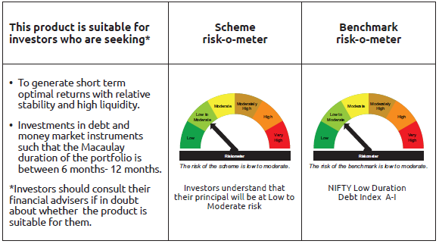
INDEX | Portfolio Statement as on February 28,2025
 | Bandhan Low Duration Fund

 | Name of the Instrument | ISIN | Industry / Rating | Quantity | Market/Fair Value ( Rs. in Lacs) | % to NAV | YTM
 | Debt Instruments
 | (a) Listed / awaiting listing on Stock Exchange
 | Government Securities
GOI2726 | 8.32% State Government Securities | IN3320180158 | SOVEREIGN | 12,500,000 | 13,079.06 | 2.43% | 6.96%
GOI3230 | 8.34% State Government Securities | IN3320180141 | SOVEREIGN | 7,500,000 | 7,850.87 | 1.46% | 6.96%
GOI3237 | 8.53% State Government Securities | IN2920180170 | SOVEREIGN | 4,500,000 | 4,722.56 | 0.88% | 6.91%
GOI4096 | 8.16% State Government Securities | IN2920180030 | SOVEREIGN | 4,500,000 | 4,657.59 | 0.87% | 6.91%
GOI6480 | 7.5% State Government Securities | IN1020220589 | SOVEREIGN | 3,695,200 | 3,766.20 | 0.70% | 6.90%
GOI2026 | 8.03% State Government Securities | IN1920170165 | SOVEREIGN | 3,528,900 | 3,635.02 | 0.68% | 6.87%
GOI2089 | 8.15% State Government Securities | IN3120180036 | SOVEREIGN | 3,500,000 | 3,624.71 | 0.67% | 6.88%
GOI4869 | 7.41% State Government Securities | IN3320160267 | SOVEREIGN | 3,150,000 | 3,179.35 | 0.59% | 6.81%
GOI2221 | 8.43% State Government Securities | IN3320180174 | SOVEREIGN | 2,500,000 | 2,627.04 | 0.49% | 6.96%
GOI2171 | 8.08% State Government Securities | IN1920180115 | SOVEREIGN | 2,500,000 | 2,599.74 | 0.48% | 6.87%
GOI3532 | 6.82% State Government Securities | IN1320210041 | SOVEREIGN | 2,500,000 | 2,493.70 | 0.46% | 6.90%
GOI2207 | 8.38% State Government Securities | IN1520180309 | SOVEREIGN | 2,200,000 | 2,311.03 | 0.43% | 6.91%
GOI2032 | 8.13% State Government Securities | IN2920170205 | SOVEREIGN | 2,000,000 | 2,068.57 | 0.38% | 6.87%
GOI1959 | 7.86% State Government Securities | IN2920170122 | SOVEREIGN | 2,000,000 | 2,048.73 | 0.38% | 6.89%
GOI2211 | 8.35% State Government Securities | IN1520180317 | SOVEREIGN | 1,150,000 | 1,206.10 | 0.22% | 6.94%
GOI1996 | 8.28% State Government Securities | IN2920170155 | SOVEREIGN | 1,000,000 | 1,036.35 | 0.19% | 6.91%
GOI4485 | 7.38% Government of India | IN0020220037 | SOVEREIGN | 700,000 | 711.87 | 0.13% | 6.57%
GOI1320 | 8.28% State Government Securities | IN2220150055 | SOVEREIGN | 500,000 | 503.13 | 0.09% | 6.67%
GOI2377 | 8.27% State Government Securities | IN1620150012 | SOVEREIGN | 500,000 | 501.55 | 0.09% | 6.54%
GOI3899 | 7.88% State Government Securities | IN2120170070 | SOVEREIGN | 100,000 | 102.55 | 0.02% | 6.89%
 | Non Convertible Debentures
HDFB915 | 7.8% HDFC Bank Limited | INE040A08922 | CRISIL AAA | 38,500,000 | 38,450.80 | 7.15% | 7.86%
POWF487 | 7.13% Power Finance Corporation Limited ** | INE134E08LP1 | CRISIL AAA | 25,000,000 | 24,841.63 | 4.62% | 7.60%
BHFL91 | 7.42% Bajaj Housing Finance Limited ** | INE377Y07334 | CRISIL AAA | 24,000,000 | 23,936.54 | 4.45% | 7.71%
BHFL96 | 7.9237% Bajaj Housing Finance Limited ** | INE377Y07375 | CRISIL AAA | 21,900,000 | 21,932.28 | 4.08% | 7.76%
NBAR677 | 7.4% National Bank For Agriculture and Rural Development | INE261F08DO9 | CRISIL AAA | 17,500,000 | 17,443.46 | 3.25% | 7.73%
NBAR650 | 5.7% National Bank For Agriculture and Rural Development ** | INE261F08DK7 | CRISIL AAA | 13,000,000 | 12,879.78 | 2.40% | 7.74%
HDFB899 | 7.4% HDFC Bank Limited ** | INE040A08AH8 | CRISIL AAA | 12,500,000 | 12,471.45 | 2.32% | 7.88%
NBAR684 | 7.2% National Bank For Agriculture and Rural Development ** | INE261F08DR2 | ICRA AAA | 12,500,000 | 12,445.91 | 2.32% | 7.75%
RECL458 | 7.7% REC Limited ** | INE020B08FC8 | ICRA AAA | 10,000,000 | 10,002.28 | 1.86% | 7.58%
NBAR689 | 7.5% National Bank For Agriculture and Rural Development | INE261F08DT8 | CRISIL AAA | 10,000,000 | 9,972.18 | 1.86% | 7.74%
RECL407 | 5.81% REC Limited | INE020B08DH2 | CRISIL AAA | 10,000,000 | 9,843.50 | 1.83% | 7.73%
NBAR680 | 7.25% National Bank For Agriculture and Rural Development ** | INE261F08DQ4 | CRISIL AAA | 9,500,000 | 9,467.92 | 1.76% | 7.75%
POWF517 | 7.64% Power Finance Corporation Limited ** | INE134E08MT1 | CRISIL AAA | 9,000,000 | 8,998.59 | 1.67% | 7.60%
BHFL121 | 7.98% Bajaj Housing Finance Limited ** | INE377Y07490 | CRISIL AAA | 5,000,000 | 5,012.01 | 0.93% | 7.75%
LICH289 | 8.48% LIC Housing Finance Limited ** | INE115A07HW4 | CRISIL AAA | 5,000,000 | 5,009.23 | 0.93% | 7.77%
POWF355 | 7.63% Power Finance Corporation Limited | INE134E08II2 | CRISIL AAA | 5,000,000 | 4,998.59 | 0.93% | 7.60%
BHFL89 | 7.65% Bajaj Housing Finance Limited ** | INE377Y07326 | CRISIL AAA | 5,000,000 | 4,991.89 | 0.93% | 7.72%
RECL405 | 5.85% REC Limited ** | INE020B08DF6 | CRISIL AAA | 5,000,000 | 4,925.39 | 0.92% | 7.73%
BHFL98 | 7.83% Bajaj Housing Finance Limited ** | INE377Y07391 | CRISIL AAA | 2,500,000 | 2,499.61 | 0.47% | 7.72%
TCHF371 | 7.75% Tata Capital Housing Finance Limited ** | INE033L07HQ8 | CRISIL AAA | 2,500,000 | 2,499.13 | 0.47% | 7.74%
CHOL967 | 7.92% Cholamandalam Investment and Finance Company Ltd ** | INE121A07PM6 | ICRA AA+ | 2,500,000 | 2,494.80 | 0.46% | 8.11%
MUFL389 | 7.75% Muthoot Finance Limited ** | INE414G07GS8 | CRISIL AA+ | 2,500,000 | 2,490.34 | 0.46% | 8.34%
POWF313 | 8.2% Power Finance Corporation Limited ** | INE134E08GY3 | CRISIL AAA | 500,000 | 500.07 | 0.09% | 7.11%
 | Zero Coupon Bonds
CHOL1065 | Cholamandalam Investment and Finance Company Ltd ** | INE121A07QQ5 | ICRA AA+ | 10,000,000 | 12,236.59 | 2.28% | 8.16%
 | Subtotal |  |  |  | 323,069.69 | 60.08%
 | (b) Privately placed / Unlisted |  |  |  | NIL | NIL | NIL
 | Subtotal |  |  |  | NIL | NIL | NIL
 | Total |  |  |  | 323,069.69 | 60.08%
 | Money Market Instruments
 | Certificate of Deposit
UTIB1336 | Axis Bank Limited | INE238AD6900 | CRISIL A1+ | 42,500,000 | 40,897.11 | 7.61% | 7.65%
INBK450 | Indian Bank | INE562A16NQ8 | CRISIL A1+ | 37,500,000 | 35,448.08 | 6.60% | 7.60%
UNBI412 | Union Bank of India ** | INE692A16II0 | FITCH A1+ | 15,000,000 | 14,139.75 | 2.63% | 7.61%
CANB1027 | Canara Bank ** | INE476A16ZW3 | CRISIL A1+ | 15,000,000 | 14,118.66 | 2.63% | 7.60%
CANB1021 | Canara Bank ** | INE476A16ZT9 | CRISIL A1+ | 11,500,000 | 10,841.29 | 2.02% | 7.60%
UNBI410 | Union Bank of India ** | INE692A16IF6 | FITCH A1+ | 10,000,000 | 9,441.33 | 1.76% | 7.61%
BKBA452 | Bank of Baroda ** | INE028A16GR2 | FITCH A1+ | 7,000,000 | 6,894.04 | 1.28% | 7.48%
HDFB966 | HDFC Bank Limited ** | INE040A16FM0 | CARE A1+ | 5,500,000 | 5,277.10 | 0.98% | 7.63%
KMBK871 | Kotak Mahindra Bank Limited ** | INE237A168Y2 | CRISIL A1+ | 5,000,000 | 4,727.44 | 0.88% | 7.57%
CANB1016 | Canara Bank ** | INE476A16ZP7 | CRISIL A1+ | 5,000,000 | 4,725.66 | 0.88% | 7.60%
CANB1018 | Canara Bank ** | INE476A16ZQ5 | CRISIL A1+ | 5,000,000 | 4,719.16 | 0.88% | 7.60%
UTIB1330 | Axis Bank Limited | INE238AD6892 | CRISIL A1+ | 2,500,000 | 2,405.41 | 0.45% | 7.64%
UTIB1331 | Axis Bank Limited ** | INE238AD6918 | CRISIL A1+ | 2,500,000 | 2,403.40 | 0.45% | 7.64%
KMBK873 | Kotak Mahindra Bank Limited ** | INE237A160Z6 | CRISIL A1+ | 2,500,000 | 2,360.48 | 0.44% | 7.57%
PUBA1067 | Punjab National Bank ** | INE160A16QL5 | CRISIL A1+ | 2,500,000 | 2,359.96 | 0.44% | 7.60%
PUBA1073 | Punjab National Bank ** | INE160A16QS0 | CRISIL A1+ | 1,000,000 | 942.50 | 0.18% | 7.60%
 | Commercial Paper
ICBR547 | ICICI Securities Limited ** | INE763G14WH4 | CRISIL A1+ | 17,500,000 | 17,129.33 | 3.19% | 7.82%
EXIM789 | Export Import Bank of India ** | INE514E14SJ0 | CRISIL A1+ | 2,500,000 | 2,371.30 | 0.44% | 7.59%
 | Collateralised Borrowing & Lending Obligation / Reverse Repo Instrument
TRP_030325 | CBLO TRP_030325 |  |  |  | 29,824.61 | 5.55% | 6.47%
 | Total |  |  |  | 211,026.61 | 39.29%
 | Corporate Debt Market Development Fund
CDMD50ME | Corporate Debt Market Development Fund | INF0RQ622028 |  | 15,087 | 1,654.97 | 0.31%
 | Total |  |  |  | 1,654.97 | 0.31%
 | OTHERS
 | Cash Margin - CCIL |  |  |  | 39.73 | 0.01%
 | Subtotal |  |  |  | 39.73 | 0.01%
 | Net Current Assets |  |  |  | 1,634.74 | 0.31%
 | GRAND TOTAL |  |  |  | 537,425.74 | 100.00%

 | ** Thinly Traded/Non Traded Securities/Illiquid Securities

 | As per the requirement of regulation 43A of SEBI (Mutual Funds) Regulations, 1996, SEBI circular no. SEBI/HO/IMD/PoD2/P/CIR/2023/128 dated July 27, 2023 on framework for Corporate Debt Market Development Fund and SEBI circular no. SEBI/HO/IMD/PoD2 /P/CIR/2023/129 dated July 27, 2023 on investment by mutual fund schemes and Asset Management Companies (AMCs) in units of Corporate Debt Market Development Fund (“CDMDF”), specified open ended debt-oriented schemes of Bandhan Mutual Fund and Bandhan AMC Limited (‘AMC’) shall invest percentage of net assets in the units of the CDMDF.

BANDHAN MMF
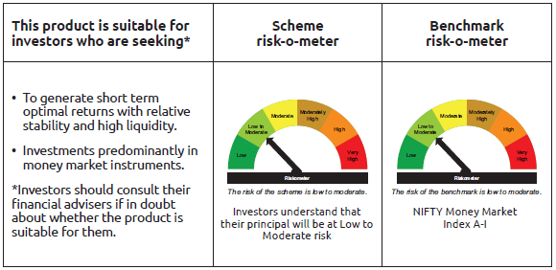
INDEX | Portfolio Statement as on February 28,2025
 | Bandhan Money Manager Fund

 | Name of the Instrument | ISIN | Industry / Rating | Quantity | Market/Fair Value ( Rs. in Lacs) | % to NAV | YTM
 | Debt Instruments
 | (a) Listed / awaiting listing on Stock Exchange
 | Government Securities
GOI1643 | 8.38% State Government Securities | IN2920150231 | SOVEREIGN | 22,996,600 | 23,320.78 | 2.15% | 6.74%
GOI2771 | 5.9% State Government Securities | IN4520200077 | SOVEREIGN | 20,000,000 | 19,966.58 | 1.84% | 6.52%
GOI1447 | 8.38% State Government Securities | IN1920150084 | SOVEREIGN | 17,000,000 | 17,247.66 | 1.59% | 6.68%
GOI1321 | 8.29% State Government Securities | IN2020150065 | SOVEREIGN | 16,000,000 | 16,099.73 | 1.48% | 6.69%
GOI3585 | 8.52% State Government Securities | IN4520150132 | SOVEREIGN | 11,000,000 | 11,180.69 | 1.03% | 6.68%
GOI2470 | 5.95% State Government Securities | IN3120200057 | SOVEREIGN | 10,000,000 | 9,986.58 | 0.92% | 6.51%
GOI4654 | Government of India | IN000325C042 | SOVEREIGN | 9,072,000 | 9,043.30 | 0.83% | 6.44%
GOI3613 | 8.38% State Government Securities | IN2720150043 | SOVEREIGN | 8,500,000 | 8,620.93 | 0.79% | 6.72%
GOI1863 | 8.24% State Government Securities | IN3120150054 | SOVEREIGN | 7,000,000 | 7,029.09 | 0.65% | 6.54%
GOI4745 | Government of India | IN000325C059 | SOVEREIGN | 2,500,000 | 2,495.16 | 0.23% | 6.44%
GOI3743 | 5.75% State Government Securities | IN2920200127 | SOVEREIGN | 2,000,000 | 1,994.99 | 0.18% | 6.55%
GOI1304 | 8.17% State Government Securities | IN3420150028 | SOVEREIGN | 1,000,000 | 1,003.48 | 0.09% | 6.57%
GOI3096 | 6.69% State Government Securities | IN2120200273 | SOVEREIGN | 1,000,000 | 1,000.08 | 0.09% | 6.42%
 | Subtotal |  |  |  | 128,989.05 | 11.87%
 | (b) Privately placed / Unlisted |  |  |  | NIL | NIL | NIL
 | Subtotal |  |  |  | NIL | NIL | NIL
 | Total |  |  |  | 128,989.05 | 11.87%
 | Money Market Instruments
 | Certificate of Deposit
CANB1031 | Canara Bank ** | INE476A16A24 | CRISIL A1+ | 47,500,000 | 44,372.08 | 4.09% | 7.59%
UTIB1347 | Axis Bank Limited ** | INE238AD6AL4 | CRISIL A1+ | 45,000,000 | 42,007.10 | 3.87% | 7.63%
KMBK871 | Kotak Mahindra Bank Limited ** | INE237A168Y2 | CRISIL A1+ | 40,000,000 | 37,819.48 | 3.48% | 7.57%
NBAR810 | National Bank For Agriculture and Rural Development ** | INE261F16900 | CRISIL A1+ | 40,000,000 | 37,445.40 | 3.45% | 7.62%
HDFB990 | HDFC Bank Limited ** | INE040A16GJ4 | CRISIL A1+ | 40,000,000 | 37,196.68 | 3.43% | 7.62%
INBK458 | Indian Bank ** | INE562A16OA0 | CRISIL A1+ | 35,000,000 | 32,687.41 | 3.01% | 7.60%
PUBA1075 | Punjab National Bank ** | INE160A16QV4 | CARE A1+ | 30,000,000 | 28,121.64 | 2.59% | 7.60%
KMBK873 | Kotak Mahindra Bank Limited ** | INE237A160Z6 | CRISIL A1+ | 27,500,000 | 25,965.25 | 2.39% | 7.57%
IIBL981 | IndusInd Bank Limited ** | INE095A16X93 | CRISIL A1+ | 27,500,000 | 25,733.40 | 2.37% | 7.71%
UTIB1336 | Axis Bank Limited | INE238AD6900 | CRISIL A1+ | 25,000,000 | 24,057.13 | 2.22% | 7.65%
CANB1018 | Canara Bank ** | INE476A16ZQ5 | CRISIL A1+ | 25,000,000 | 23,595.78 | 2.17% | 7.60%
NBAR823 | National Bank For Agriculture and Rural Development ** | INE261F16959 | ICRA A1+ | 25,000,000 | 23,285.13 | 2.15% | 7.62%
HDFB970 | HDFC Bank Limited ** | INE040A16FQ1 | CRISIL A1+ | 23,500,000 | 22,360.60 | 2.06% | 7.62%
KMBK866 | Kotak Mahindra Bank Limited ** | INE237A168X4 | CRISIL A1+ | 22,500,000 | 22,059.45 | 2.03% | 7.52%
UTIB1330 | Axis Bank Limited | INE238AD6892 | CRISIL A1+ | 22,500,000 | 21,648.65 | 1.99% | 7.64%
UNBI406 | Union Bank of India ** | INE692A16IC3 | ICRA A1+ | 20,000,000 | 18,904.96 | 1.74% | 7.61%
UNBI418 | Union Bank of India ** | INE692A16IP5 | ICRA A1+ | 20,000,000 | 18,681.36 | 1.72% | 7.60%
NBAR821 | National Bank For Agriculture and Rural Development ** | INE261F16934 | CRISIL A1+ | 20,000,000 | 18,671.66 | 1.72% | 7.62%
EXIM768 | Export Import Bank of India ** | INE514E16CH3 | CRISIL A1+ | 17,500,000 | 17,424.14 | 1.61% | 6.91%
HDFB966 | HDFC Bank Limited ** | INE040A16FM0 | CARE A1+ | 17,500,000 | 16,790.76 | 1.55% | 7.63%
BKBA462 | Bank of Baroda ** | INE028A16HA6 | FITCH A1+ | 16,000,000 | 15,677.44 | 1.44% | 7.51%
IBCL1168 | ICICI Bank Limited | INE090AD6147 | ICRA A1+ | 15,000,000 | 14,954.43 | 1.38% | 6.95%
UTIB1323 | Axis Bank Limited ** | INE238AD6835 | CRISIL A1+ | 15,000,000 | 14,705.15 | 1.35% | 7.55%
UTIB1340 | Axis Bank Limited ** | INE238AD6991 | CRISIL A1+ | 12,500,000 | 11,864.95 | 1.09% | 7.63%
KMBK876 | Kotak Mahindra Bank Limited ** | INE237A163Z0 | CRISIL A1+ | 12,500,000 | 11,694.48 | 1.08% | 7.55%
UNBI395 | Union Bank of India | INE692A16HP7 | FITCH A1+ | 10,000,000 | 9,967.73 | 0.92% | 6.95%
UNBI397 | Union Bank of India ** | INE692A16HR3 | FITCH A1+ | 10,000,000 | 9,965.87 | 0.92% | 6.95%
UNBI392 | Union Bank of India ** | INE692A16HE1 | ICRA A1+ | 10,000,000 | 9,963.98 | 0.92% | 6.95%
IIBL975 | IndusInd Bank Limited ** | INE095A16X51 | CRISIL A1+ | 10,000,000 | 9,804.28 | 0.90% | 7.59%
KMBK863 | Kotak Mahindra Bank Limited ** | INE237A161Y7 | CRISIL A1+ | 10,000,000 | 9,708.05 | 0.89% | 7.57%
BKIN466 | Bank of India ** | INE084A16CY0 | CRISIL A1+ | 10,000,000 | 9,408.43 | 0.87% | 7.65%
UNBI413 | Union Bank of India ** | INE692A16IJ8 | FITCH A1+ | 10,000,000 | 9,384.48 | 0.86% | 7.60%
KMBK875 | Kotak Mahindra Bank Limited | INE237A162Z2 | CRISIL A1+ | 10,000,000 | 9,379.18 | 0.86% | 7.55%
UNBI414 | Union Bank of India | INE692A16IK6 | ICRA A1+ | 10,000,000 | 9,373.49 | 0.86% | 7.60%
NBAR806 | National Bank For Agriculture and Rural Development ** | INE261F16892 | CRISIL A1+ | 10,000,000 | 9,365.01 | 0.86% | 7.62%
HDFB971 | HDFC Bank Limited ** | INE040A16FR9 | CARE A1+ | 7,500,000 | 7,130.69 | 0.66% | 7.62%
PUBA1064 | Punjab National Bank | INE160A16QM3 | CRISIL A1+ | 7,500,000 | 7,088.22 | 0.65% | 7.60%
HDFB959 | HDFC Bank Limited ** | INE040A16FE7 | CRISIL A1+ | 5,000,000 | 4,905.82 | 0.45% | 7.54%
UTIB1322 | Axis Bank Limited ** | INE238AD6843 | CRISIL A1+ | 5,000,000 | 4,902.71 | 0.45% | 7.55%
HDFB967 | HDFC Bank Limited ** | INE040A16FN8 | CARE A1+ | 5,000,000 | 4,801.22 | 0.44% | 7.63%
EXIM793 | Export Import Bank of India ** | INE514E16CI1 | CRISIL A1+ | 5,000,000 | 4,703.46 | 0.43% | 7.57%
HDFB954 | HDFC Bank Limited ** | INE040A16FA5 | CRISIL A1+ | 2,500,000 | 2,442.03 | 0.23% | 7.54%
UTIB1327 | Axis Bank Limited ** | INE238AD6884 | CRISIL A1+ | 2,500,000 | 2,412.09 | 0.22% | 7.65%
HDFB979 | HDFC Bank Limited | INE040A16FY5 | CRISIL A1+ | 2,500,000 | 2,362.78 | 0.22% | 7.62%
INBK460 | Indian Bank ** | INE562A16NX4 | CRISIL A1+ | 2,500,000 | 2,337.09 | 0.22% | 7.60%
CANB1019 | Canara Bank ** | INE476A16ZR3 | CRISIL A1+ | 50,000 | 49.24 | $ | 7.48%
 | Commercial Paper
PAFI43 | Panatone Finvest Limited ** | INE116F14216 | CRISIL A1+ | 25,000,000 | 23,375.83 | 2.15% | 7.98%
KOMP1730 | Kotak Mahindra Prime Limited ** | INE916D144V4 | CRISIL A1+ | 25,000,000 | 23,231.90 | 2.14% | 7.83%
LICH692 | LIC Housing Finance Limited ** | INE115A14FJ1 | CRISIL A1+ | 20,000,000 | 18,620.28 | 1.72% | 7.64%
KOMP1713 | Kotak Mahindra Prime Limited ** | INE916D143Z7 | CRISIL A1+ | 15,000,000 | 14,982.24 | 1.38% | 7.21%
MMFS1186 | Mahindra & Mahindra Financial Services Limited ** | INE774D14SD5 | CRISIL A1+ | 10,000,000 | 9,978.26 | 0.92% | 7.23%
MUFL432 | Muthoot Finance Limited ** | INE414G14TT5 | CRISIL A1+ | 10,000,000 | 9,814.21 | 0.90% | 7.94%
LICH690 | LIC Housing Finance Limited ** | INE115A14FI3 | CRISIL A1+ | 10,000,000 | 9,361.22 | 0.86% | 7.64%
AXSL103 | Axis Securities Limited ** | INE110O14EW9 | ICRA A1+ | 10,000,000 | 9,283.76 | 0.86% | 7.91%
RICL189 | Barclays Investments & Loans (India) Private Limited ** | INE704I14JF5 | ICRA A1+ | 7,500,000 | 7,490.71 | 0.69% | 7.55%
RICL197 | Barclays Investments & Loans (India) Private Limited ** | INE704I14JU4 | ICRA A1+ | 7,500,000 | 7,204.37 | 0.66% | 8.14%
ICBR536 | ICICI Securities Limited ** | INE763G14UB1 | CRISIL A1+ | 5,000,000 | 4,980.82 | 0.46% | 7.40%
MUFL444 | Muthoot Finance Limited ** | INE414G14UA3 | CRISIL A1+ | 5,000,000 | 4,662.87 | 0.43% | 8.12%
KOMP1697 | Kotak Mahindra Prime Limited ** | INE916D143E2 | CRISIL A1+ | 2,500,000 | 2,498.03 | 0.23% | 7.22%
 | Treasury Bill
TBIL2472 | 182 Days Tbill | IN002024Y449 | SOVEREIGN | 15,000,000 | 14,566.58 | 1.34% | 6.54%
TBIL2353 | 364 Days Tbill | IN002024Z057 | SOVEREIGN | 500,000 | 494.56 | 0.05% | 6.48%
 | Collateralised Borrowing & Lending Obligation / Reverse Repo Instrument
TRP_030325 | CBLO TRP_030325 |  |  |  | 50,788.90 | 4.68% | 6.47%
 | Total |  |  |  | 958,514.90 | 88.28%
 | Corporate Debt Market Development Fund
CDMD50ME | Corporate Debt Market Development Fund | INF0RQ622028 |  | 20,189 | 2,214.61 | 0.20%
 | Total |  |  |  | 2,214.61 | 0.20%
 | OTHERS
 | Cash Margin - CCIL |  |  |  | 43.45 | $
 | Subtotal |  |  |  | 43.45 | $
 | Net Current Assets |  |  |  | (4,505.22) | -0.35%
 | GRAND TOTAL |  |  |  | 1,085,256.79 | 100.00%

 | $ Less Than 0.01% of NAV
 | ** Thinly Traded/Non Traded Securities/Illiquid Securities

 | As per the requirement of regulation 43A of SEBI (Mutual Funds) Regulations, 1996, SEBI circular no. SEBI/HO/IMD/PoD2/P/CIR/2023/128 dated July 27, 2023 on framework for Corporate Debt Market Development Fund and SEBI circular no. SEBI/HO/IMD/PoD2 /P/CIR/2023/129 dated July 27, 2023 on investment by mutual fund schemes and Asset Management Companies (AMCs) in units of Corporate Debt Market Development Fund (“CDMDF”), specified open ended debt-oriented schemes of Bandhan Mutual Fund and Bandhan AMC Limited (‘AMC’) shall invest percentage of net assets in the units of the CDMDF.

BANDHAN USTF
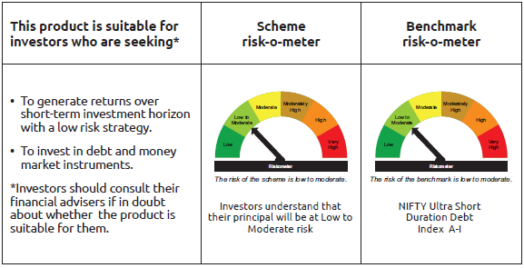
INDEX | Portfolio Statement as on February 28,2025
 | Bandhan Ultra Short Term Fund

 | Name of the Instrument | ISIN | Industry / Rating | Quantity | Market/Fair Value ( Rs. in Lacs) | % to NAV | YTM
 | Debt Instruments
 | (a) Listed / awaiting listing on Stock Exchange
 | Government Securities
GOI6176 | 6.48% State Government Securities | IN2920210506 | SOVEREIGN | 6,000,000 | 5,961.74 | 1.64% | 6.83%
GOI4861 | 7.23% State Government Securities | IN1020160355 | SOVEREIGN | 2,500,000 | 2,515.92 | 0.69% | 6.81%
GOI3603 | 7.03% State Government Securities | IN4520190070 | SOVEREIGN | 2,500,000 | 2,507.85 | 0.69% | 6.88%
GOI1607 | 8.25% State Government Securities | IN2220150030 | SOVEREIGN | 500,000 | 502.07 | 0.14% | 6.55%
 | Non Convertible Debentures
HDFB915 | 7.8% HDFC Bank Limited | INE040A08922 | CRISIL AAA | 25,000,000 | 24,968.05 | 6.86% | 7.86%
BHFL91 | 7.42% Bajaj Housing Finance Limited ** | INE377Y07334 | CRISIL AAA | 17,250,000 | 17,204.39 | 4.73% | 7.71%
TCHF380 | 7.97% Tata Capital Housing Finance Limited ** | INE033L07HV8 | CRISIL AAA | 12,500,000 | 12,496.70 | 3.43% | 7.81%
NBAR680 | 7.25% National Bank For Agriculture and Rural Development ** | INE261F08DQ4 | CRISIL AAA | 12,500,000 | 12,457.79 | 3.42% | 7.75%
NBAR677 | 7.4% National Bank For Agriculture and Rural Development | INE261F08DO9 | CRISIL AAA | 10,000,000 | 9,967.69 | 2.74% | 7.73%
NBAR650 | 5.7% National Bank For Agriculture and Rural Development ** | INE261F08DK7 | CRISIL AAA | 10,000,000 | 9,907.52 | 2.72% | 7.74%
BHFL96 | 7.9237% Bajaj Housing Finance Limited ** | INE377Y07375 | CRISIL AAA | 9,000,000 | 9,013.27 | 2.48% | 7.76%
NBAR684 | 7.2% National Bank For Agriculture and Rural Development ** | INE261F08DR2 | ICRA AAA | 9,000,000 | 8,961.06 | 2.46% | 7.75%
POWF486 | 7.13% Power Finance Corporation Limited ** | INE134E08LO4 | CRISIL AAA | 7,500,000 | 7,472.33 | 2.05% | 7.70%
TCAL485 | 6.7% Tata Capital Limited ** | INE976I08391 | CRISIL AAA | 6,000,000 | 5,994.21 | 1.65% | 7.55%
MUFL394 | 8.5% Muthoot Finance Limited | INE414G07HK3 | CRISIL AA+ | 5,500,000 | 5,504.20 | 1.51% | 8.35%
BHFL89 | 7.65% Bajaj Housing Finance Limited ** | INE377Y07326 | CRISIL AAA | 5,000,000 | 4,991.89 | 1.37% | 7.72%
KOMP1652 | 7.38% Kotak Mahindra Prime Limited | INE916DA7RR2 | CRISIL AAA | 5,000,000 | 4,981.19 | 1.37% | 7.90%
BHFL117 | 8% Bajaj Housing Finance Limited ** | INE377Y07466 | CRISIL AAA | 2,500,000 | 2,505.93 | 0.69% | 7.71%
NBAR689 | 7.5% National Bank For Agriculture and Rural Development | INE261F08DT8 | CRISIL AAA | 2,500,000 | 2,493.05 | 0.68% | 7.74%
LICH628 | 7.38% LIC Housing Finance Limited ** | INE115A07PZ0 | CRISIL AAA | 2,500,000 | 2,492.24 | 0.68% | 7.77%
RECL405 | 5.85% REC Limited ** | INE020B08DF6 | CRISIL AAA | 2,500,000 | 2,462.70 | 0.68% | 7.73%
CHOL1010 | 8.25% Cholamandalam Investment and Finance Company Ltd ** | INE121A07RB5 | ICRA AA+ | 2,000,000 | 2,000.03 | 0.55% | 7.53%
BHFL121 | 7.98% Bajaj Housing Finance Limited ** | INE377Y07490 | CRISIL AAA | 500,000 | 501.20 | 0.14% | 7.75%
MUFL397 | 8.65% Muthoot Finance Limited ** | INE414G07HS6 | CRISIL AA+ | 500,000 | 500.11 | 0.14% | 8.57%
POWF313 | 8.2% Power Finance Corporation Limited ** | INE134E08GY3 | CRISIL AAA | 500,000 | 500.07 | 0.14% | 7.11%
TCHF374 | 7.55% Tata Capital Housing Finance Limited ** | INE033L07HT2 | CRISIL AAA | 500,000 | 498.78 | 0.14% | 7.80%
 | Subtotal |  |  |  | 159,361.98 | 43.79%
 | (b) Privately placed / Unlisted |  |  |  | NIL | NIL | NIL
 | Subtotal |  |  |  | NIL | NIL | NIL
 | Total |  |  |  | 159,361.98 | 43.79%
 | Money Market Instruments
 | Certificate of Deposit
BKBA452 | Bank of Baroda ** | INE028A16GR2 | FITCH A1+ | 27,150,000 | 26,739.03 | 7.34% | 7.48%
UTIB1325 | Axis Bank Limited ** | INE238AD6868 | CRISIL A1+ | 20,000,000 | 19,446.78 | 5.34% | 7.64%
CANB1019 | Canara Bank ** | INE476A16ZR3 | CRISIL A1+ | 17,500,000 | 17,234.93 | 4.73% | 7.48%
BKBA481 | Bank of Baroda | INE028A16GQ4 | FITCH A1+ | 17,500,000 | 16,817.17 | 4.62% | 7.60%
PUBA1034 | Punjab National Bank ** | INE160A16PF9 | CRISIL A1+ | 14,290,000 | 14,072.55 | 3.87% | 7.52%
UTIB1337 | Axis Bank Limited ** | INE238AD6967 | CRISIL A1+ | 12,500,000 | 12,300.06 | 3.38% | 7.51%
HDFB967 | HDFC Bank Limited ** | INE040A16FN8 | CARE A1+ | 12,500,000 | 12,003.04 | 3.30% | 7.63%
CANB1005 | Canara Bank | INE476A16ZA9 | CRISIL A1+ | 7,500,000 | 7,220.36 | 1.98% | 7.60%
KMBK863 | Kotak Mahindra Bank Limited ** | INE237A161Y7 | CRISIL A1+ | 5,000,000 | 4,854.03 | 1.33% | 7.57%
UTIB1331 | Axis Bank Limited ** | INE238AD6918 | CRISIL A1+ | 5,000,000 | 4,806.79 | 1.32% | 7.64%
HDFB966 | HDFC Bank Limited ** | INE040A16FM0 | CARE A1+ | 4,500,000 | 4,317.62 | 1.19% | 7.63%
HDFB961 | HDFC Bank Limited ** | INE040A16FF4 | CARE A1+ | 2,500,000 | 2,426.10 | 0.67% | 7.62%
IIBL972 | IndusInd Bank Limited ** | INE095A16X10 | CRISIL A1+ | 2,500,000 | 2,412.68 | 0.66% | 7.73%
CANB1016 | Canara Bank ** | INE476A16ZP7 | CRISIL A1+ | 2,500,000 | 2,362.83 | 0.65% | 7.60%
PUBA1073 | Punjab National Bank ** | INE160A16QS0 | CRISIL A1+ | 1,500,000 | 1,413.75 | 0.39% | 7.60%
KMBK857 | Kotak Mahindra Bank Limited ** | INE237A162X7 | CRISIL A1+ | 150,000 | 147.91 | 0.04% | 7.48%
 | Commercial Paper
BAFS58 | Bajaj Financial Securities Limited ** | INE01C314981 | CRISIL A1+ | 10,000,000 | 9,758.83 | 2.68% | 7.91%
KOMP1725 | Kotak Mahindra Prime Limited ** | INE916D144E0 | CRISIL A1+ | 2,500,000 | 2,403.74 | 0.66% | 7.78%
EXIM789 | Export Import Bank of India ** | INE514E14SJ0 | CRISIL A1+ | 2,500,000 | 2,371.30 | 0.65% | 7.59%
ICBR486 | ICICI Securities Limited ** | INE763G14TN8 | CRISIL A1+ | 1,500,000 | 1,498.48 | 0.41% | 7.40%
LICH677 | LIC Housing Finance Limited ** | INE115A14FA0 | CRISIL A1+ | 290,000 | 285.63 | 0.08% | 7.54%
 | Treasury Bill
TBIL2478 | 182 Days Tbill | IN002024Y464 | SOVEREIGN | 15,000,000 | 14,527.43 | 3.99% | 6.56%
TBIL2469 | 182 Days Tbill | IN002024Y431 | SOVEREIGN | 8,338,500 | 8,106.84 | 2.23% | 6.56%
TBIL2454 | 91 Days Tbill | IN002024X391 | SOVEREIGN | 2,500,000 | 2,485.52 | 0.68% | 6.44%
 | Collateralised Borrowing & Lending Obligation / Reverse Repo Instrument
TRP_030325 | CBLO TRP_030325 |  |  |  | 9,077.27 | 2.49% | 6.47%
 | Total |  |  |  | 199,090.67 | 54.68%
 | Corporate Debt Market Development Fund
CDMD50ME | Corporate Debt Market Development Fund | INF0RQ622028 |  | 10,017 | 1,098.82 | 0.30%
 | Total |  |  |  | 1,098.82 | 0.30%
 | OTHERS
 | Cash Margin - CCIL |  |  |  | 21.24 | 0.01%
 | Subtotal |  |  |  | 21.24 | 0.01%
 | Net Current Assets |  |  |  | 4,498.29 | 1.22%
 | GRAND TOTAL |  |  |  | 364,071.00 | 100.00%

 | ** Thinly Traded/Non Traded Securities/Illiquid Securities

 | As per the requirement of regulation 43A of SEBI (Mutual Funds) Regulations, 1996, SEBI circular no. SEBI/HO/IMD/PoD2/P/CIR/2023/128 dated July 27, 2023 on framework for Corporate Debt Market Development Fund and SEBI circular no. SEBI/HO/IMD/PoD2 /P/CIR/2023/129 dated July 27, 2023 on investment by mutual fund schemes and Asset Management Companies (AMCs) in units of Corporate Debt Market Development Fund (“CDMDF”), specified open ended debt-oriented schemes of Bandhan Mutual Fund and Bandhan AMC Limited (‘AMC’) shall invest percentage of net assets in the units of the CDMDF.

BANDHAN DBF
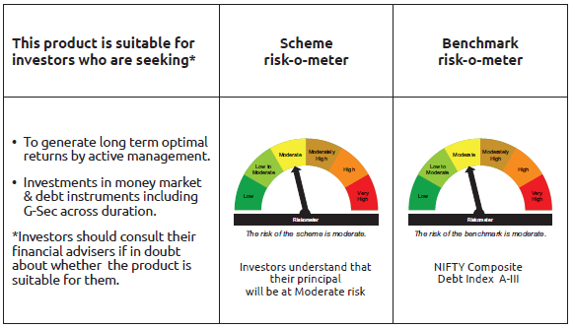
INDEX | Portfolio Statement as on February 28,2025
 | Bandhan Dynamic Bond Fund

 | Name of the Instrument | ISIN | Industry / Rating | Quantity | Market/Fair Value ( Rs. in Lacs) | % to NAV | YTM
 | Debt Instruments
 | (a) Listed / awaiting listing on Stock Exchange
 | Government Securities
GOI5152 | 7.3% Government of India | IN0020230051 | SOVEREIGN | 291,700,000 | 297,939.75 | 98.33% | 7.12%
GOI1973 | 7.17% Government of India | IN0020170174 | SOVEREIGN | 10,000 | 10.15 | $ | 6.58%
GOI922 | 8.2% Government of India | IN0020120047 | SOVEREIGN | 10,000 | 10.09 | $ | 6.56%
 | Subtotal |  |  |  | 297,959.99 | 98.33%
 | (b) Privately placed / Unlisted |  |  |  | NIL | NIL | NIL
 | Subtotal |  |  |  | NIL | NIL | NIL
 | Total |  |  |  | 297,959.99 | 98.33%
 | Money Market Instruments
 | Collateralised Borrowing & Lending Obligation / Reverse Repo Instrument
TRP_030325 | CBLO TRP_030325 |  |  |  | 206.65 | 0.07% | 6.47%
 | Total |  |  |  | 206.65 | 0.07%
 | Corporate Debt Market Development Fund
CDMD50ME | Corporate Debt Market Development Fund | INF0RQ622028 |  | 7,534 | 826.41 | 0.27%
 | Total |  |  |  | 826.41 | 0.27%
 | OTHERS
 | Cash Margin - CCIL |  |  |  | 2.26 | $
 | Subtotal |  |  |  | 2.26 | $
 | Net Current Assets |  |  |  | 3,989.42 | 1.33%
 | GRAND TOTAL |  |  |  | 302,984.73 | 100.00%

 | $ Less Than 0.01% of NAV

 | As per the requirement of regulation 43A of SEBI (Mutual Funds) Regulations, 1996, SEBI circular no. SEBI/HO/IMD/PoD2/P/CIR/2023/128 dated July 27, 2023 on framework for Corporate Debt Market Development Fund and SEBI circular no. SEBI/HO/IMD/PoD2 /P/CIR/2023/129 dated July 27, 2023 on investment by mutual fund schemes and Asset Management Companies (AMCs) in units of Corporate Debt Market Development Fund (“CDMDF”), specified open ended debt-oriented schemes of Bandhan Mutual Fund and Bandhan AMC Limited (‘AMC’) shall invest percentage of net assets in the units of the CDMDF.

BANDHAN BF-IP
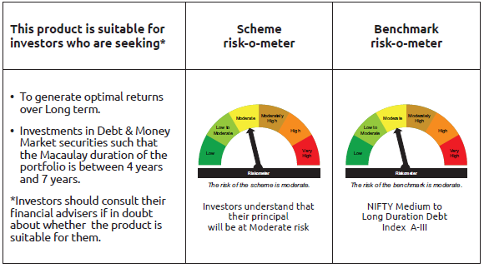
INDEX | Portfolio Statement as on February 28,2025
 | Bandhan Bond Fund - Income Plan

 | Name of the Instrument | ISIN | Industry / Rating | Quantity | Market/Fair Value ( Rs. in Lacs) | % to NAV | YTM
 | Debt Instruments
 | (a) Listed / awaiting listing on Stock Exchange
 | Government Securities
GOI5152 | 7.3% Government of India | IN0020230051 | SOVEREIGN | 23,900,000 | 24,411.24 | 50.56% | 7.12%
GOI5228 | 7.18% Government of India | IN0020230085 | SOVEREIGN | 700,000 | 717.21 | 1.49% | 6.79%
GOI1864 | 6.79% Government of India | IN0020170026 | SOVEREIGN | 100,000 | 100.42 | 0.21% | 6.58%
GOI1364 | 7.73% Government of India | IN0020150051 | SOVEREIGN | 37,500 | 39.95 | 0.08% | 6.80%
 | Non Convertible Debentures
NBAR677 | 7.4% National Bank For Agriculture and Rural Development | INE261F08DO9 | CRISIL AAA | 5,000,000 | 4,983.85 | 10.32% | 7.73%
TCFS680 | 8.098% Tata Capital Limited ** | INE306N07NS8 | CRISIL AAA | 4,200,000 | 4,219.40 | 8.74% | 7.81%
BHFL114 | 8.04% Bajaj Housing Finance Limited ** | INE377Y07441 | CRISIL AAA | 2,500,000 | 2,513.28 | 5.21% | 7.71%
RECL405 | 5.85% REC Limited ** | INE020B08DF6 | CRISIL AAA | 200,000 | 197.02 | 0.41% | 7.73%
 | Subtotal |  |  |  | 37,182.37 | 77.02%
 | (b) Privately placed / Unlisted |  |  |  | NIL | NIL | NIL
 | Subtotal |  |  |  | NIL | NIL | NIL
 | Total |  |  |  | 37,182.37 | 77.02%
 | Money Market Instruments
 | Certificate of Deposit
HDFB961 | HDFC Bank Limited ** | INE040A16FF4 | CARE A1+ | 3,500,000 | 3,396.54 | 7.03% | 7.62%
CANB1027 | Canara Bank ** | INE476A16ZW3 | CRISIL A1+ | 2,500,000 | 2,353.11 | 4.87% | 7.60%
CANB1018 | Canara Bank ** | INE476A16ZQ5 | CRISIL A1+ | 2,400,000 | 2,265.19 | 4.69% | 7.60%
UNBI412 | Union Bank of India ** | INE692A16II0 | FITCH A1+ | 1,000,000 | 942.65 | 1.95% | 7.61%
 | Commercial Paper
BAFL946 | Bajaj Finance Limited ** | INE296A14ZD0 | ICRA A1+ | 1,400,000 | 1,325.68 | 2.75% | 7.81%
 | Collateralised Borrowing & Lending Obligation / Reverse Repo Instrument
TRP_030325 | CBLO TRP_030325 |  |  |  | 245.50 | 0.51% | 6.47%
 | Total |  |  |  | 10,528.67 | 21.80%
 | Corporate Debt Market Development Fund
CDMD50ME | Corporate Debt Market Development Fund | INF0RQ622028 |  | 1,254 | 137.57 | 0.28%
 | Total |  |  |  | 137.57 | 0.28%
 | OTHERS
 | Cash Margin - CCIL |  |  |  | 3.27 | 0.01%
 | Subtotal |  |  |  | 3.27 | 0.01%
 | Net Current Assets |  |  |  | 432.94 | 0.89%
 | GRAND TOTAL |  |  |  | 48,284.82 | 100.00%

 | ** Thinly Traded/Non Traded Securities/Illiquid Securities

 | As per the requirement of regulation 43A of SEBI (Mutual Funds) Regulations, 1996, SEBI circular no. SEBI/HO/IMD/PoD2/P/CIR/2023/128 dated July 27, 2023 on framework for Corporate Debt Market Development Fund and SEBI circular no. SEBI/HO/IMD/PoD2 /P/CIR/2023/129 dated July 27, 2023 on investment by mutual fund schemes and Asset Management Companies (AMCs) in units of Corporate Debt Market Development Fund (“CDMDF”), specified open ended debt-oriented schemes of Bandhan Mutual Fund and Bandhan AMC Limited (‘AMC’) shall invest percentage of net assets in the units of the CDMDF.

BANDHAN BF-MTP
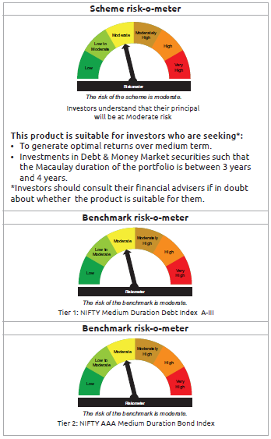
INDEX | Portfolio Statement as on February 28,2025
 | Bandhan Bond Fund - Medium Term Plan

 | Name of the Instrument | ISIN | Industry / Rating | Quantity | Market/Fair Value ( Rs. in Lacs) | % to NAV | YTM
 | Debt Instruments
 | (a) Listed / awaiting listing on Stock Exchange
 | Government Securities
GOI5228 | 7.18% Government of India | IN0020230085 | SOVEREIGN | 73,600,000 | 75,409.09 | 51.31% | 6.79%
GOI4986 | 7.68% State Government Securities | IN1520220238 | SOVEREIGN | 500,000 | 513.19 | 0.35% | 7.04%
GOI2153 | 8.37% State Government Securities | IN3120180176 | SOVEREIGN | 194,600 | 204.03 | 0.14% | 6.88%
GOI1864 | 6.79% Government of India | IN0020170026 | SOVEREIGN | 20,000 | 20.08 | 0.01% | 6.58%
GOI536 | 8.24% Government of India | IN0020060078 | SOVEREIGN | 11,000 | 11.33 | 0.01% | 6.59%
 | Non Convertible Debentures
TCHF371 | 7.75% Tata Capital Housing Finance Limited ** | INE033L07HQ8 | CRISIL AAA | 10,500,000 | 10,496.33 | 7.14% | 7.74%
BHFL114 | 8.04% Bajaj Housing Finance Limited ** | INE377Y07441 | CRISIL AAA | 10,000,000 | 10,053.12 | 6.84% | 7.71%
BHFL121 | 7.98% Bajaj Housing Finance Limited ** | INE377Y07490 | CRISIL AAA | 5,000,000 | 5,012.01 | 3.41% | 7.75%
HDFB889 | 6% HDFC Bank Limited ** | INE040A08708 | CRISIL AAA | 5,000,000 | 4,893.48 | 3.33% | 7.83%
TCFS633 | 7.89% Tata Capital Limited ** | INE306N07MX0 | CRISIL AAA | 4,500,000 | 4,505.12 | 3.07% | 7.80%
NBAR677 | 7.4% National Bank For Agriculture and Rural Development | INE261F08DO9 | CRISIL AAA | 2,500,000 | 2,491.92 | 1.70% | 7.73%
TCFS658 | 8.3% Tata Capital Limited ** | INE306N07NL3 | ICRA AAA | 2,000,000 | 2,007.93 | 1.37% | 7.88%
BAFL826 | 7.9% Bajaj Finance Limited ** | INE296A07SF4 | CRISIL AAA | 2,000,000 | 1,997.73 | 1.36% | 7.89%
TCFS654 | 8.1165% Tata Capital Limited ** | INE306N07NK5 | CRISIL AAA | 900,000 | 901.84 | 0.61% | 7.89%
TCFS680 | 8.098% Tata Capital Limited ** | INE306N07NS8 | CRISIL AAA | 800,000 | 803.69 | 0.55% | 7.81%
NBAR650 | 5.7% National Bank For Agriculture and Rural Development ** | INE261F08DK7 | CRISIL AAA | 500,000 | 495.38 | 0.34% | 7.74%
 | Subtotal |  |  |  | 119,816.27 | 81.54%
 | (b) Privately placed / Unlisted |  |  |  | NIL | NIL | NIL
 | Subtotal |  |  |  | NIL | NIL | NIL
 | Total |  |  |  | 119,816.27 | 81.54%
 | Money Market Instruments
 | Certificate of Deposit
HDFB961 | HDFC Bank Limited ** | INE040A16FF4 | CARE A1+ | 10,000,000 | 9,704.40 | 6.60% | 7.62%
PUBA1075 | Punjab National Bank ** | INE160A16QV4 | CARE A1+ | 10,000,000 | 9,373.88 | 6.38% | 7.60%
PUBA1067 | Punjab National Bank ** | INE160A16QL5 | CRISIL A1+ | 2,500,000 | 2,359.96 | 1.61% | 7.60%
KMBK874 | Kotak Mahindra Bank Limited ** | INE237A161Z4 | CRISIL A1+ | 1,100,000 | 1,032.91 | 0.70% | 7.55%
EXIM793 | Export Import Bank of India ** | INE514E16CI1 | CRISIL A1+ | 1,000,000 | 940.69 | 0.64% | 7.57%
HDFB986 | HDFC Bank Limited | INE040A16GF2 | CRISIL A1+ | 500,000 | 466.68 | 0.32% | 7.62%
CANB1018 | Canara Bank ** | INE476A16ZQ5 | CRISIL A1+ | 100,000 | 94.38 | 0.06% | 7.60%
 | Collateralised Borrowing & Lending Obligation / Reverse Repo Instrument
TRP_030325 | CBLO TRP_030325 |  |  |  | 807.49 | 0.55% | 6.47%
 | Total |  |  |  | 24,780.39 | 16.86%
 | Corporate Debt Market Development Fund
CDMD50ME | Corporate Debt Market Development Fund | INF0RQ622028 |  | 5,086 | 557.94 | 0.38%
 | Total |  |  |  | 557.94 | 0.38%
 | OTHERS
 | Cash Margin - CCIL |  |  |  | 46.19 | 0.03%
 | Subtotal |  |  |  | 46.19 | 0.03%
 | Net Current Assets |  |  |  | 1,756.43 | 1.19%
 | GRAND TOTAL |  |  |  | 146,957.22 | 100.00%

 | ** Thinly Traded/Non Traded Securities/Illiquid Securities

 | As per the requirement of regulation 43A of SEBI (Mutual Funds) Regulations, 1996, SEBI circular no. SEBI/HO/IMD/PoD2/P/CIR/2023/128 dated July 27, 2023 on framework for Corporate Debt Market Development Fund and SEBI circular no. SEBI/HO/IMD/PoD2 /P/CIR/2023/129 dated July 27, 2023 on investment by mutual fund schemes and Asset Management Companies (AMCs) in units of Corporate Debt Market Development Fund (“CDMDF”), specified open ended debt-oriented schemes of Bandhan Mutual Fund and Bandhan AMC Limited (‘AMC’) shall invest percentage of net assets in the units of the CDMDF.

BANDHAN BF-STP
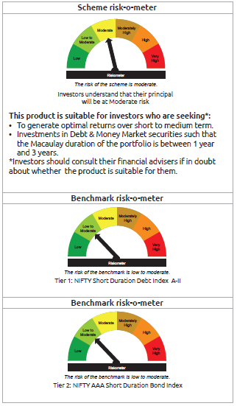
INDEX | Portfolio Statement as on February 28,2025
 | Bandhan Bond Fund - Short Term Plan

 | Name of the Instrument | ISIN | Industry / Rating | Quantity | Market/Fair Value ( Rs. in Lacs) | % to NAV | YTM
 | Debt Instruments
 | (a) Listed / awaiting listing on Stock Exchange
 | Government Securities
GOI5228 | 7.18% Government of India | IN0020230085 | SOVEREIGN | 327,700,000 | 335,754.87 | 34.74% | 6.79%
GOI4444 | 7.63% State Government Securities | IN2220220049 | SOVEREIGN | 19,945,600 | 20,454.61 | 2.12% | 7.03%
GOI4986 | 7.68% State Government Securities | IN1520220238 | SOVEREIGN | 1,000,000 | 1,026.38 | 0.11% | 7.04%
GOI536 | 8.24% Government of India | IN0020060078 | SOVEREIGN | 100,000 | 102.98 | 0.01% | 6.59%
GOI3103 | 5.63% Government of India | IN0020210012 | SOVEREIGN | 100,000 | 99.00 | 0.01% | 6.57%
GOI1864 | 6.79% Government of India | IN0020170026 | SOVEREIGN | 85,000 | 85.36 | 0.01% | 6.58%
 | Non Convertible Debentures
BHFL114 | 8.04% Bajaj Housing Finance Limited ** | INE377Y07441 | CRISIL AAA | 47,500,000 | 47,752.32 | 4.94% | 7.71%
TCFS654 | 8.1165% Tata Capital Limited ** | INE306N07NK5 | CRISIL AAA | 44,100,000 | 44,189.96 | 4.57% | 7.89%
BAFL826 | 7.9% Bajaj Finance Limited ** | INE296A07SF4 | CRISIL AAA | 29,000,000 | 28,967.11 | 3.00% | 7.89%
TCHF375 | 7.8% Tata Capital Housing Finance Limited ** | INE033L07HU0 | CRISIL AAA | 25,000,000 | 25,018.08 | 2.59% | 7.73%
NBAR650 | 5.7% National Bank For Agriculture and Rural Development ** | INE261F08DK7 | CRISIL AAA | 17,500,000 | 17,338.16 | 1.79% | 7.74%
BHFL117 | 8% Bajaj Housing Finance Limited ** | INE377Y07466 | CRISIL AAA | 15,000,000 | 15,035.58 | 1.56% | 7.71%
NBAR684 | 7.2% National Bank For Agriculture and Rural Development ** | INE261F08DR2 | ICRA AAA | 12,500,000 | 12,445.91 | 1.29% | 7.75%
TCHF397 | 8.0409% Tata Capital Housing Finance Limited ** | INE033L07ID4 | CRISIL AAA | 10,000,000 | 10,053.11 | 1.04% | 7.74%
KOMP1655 | 7.924% Kotak Mahindra Prime Limited ** | INE916DA7RW2 | CRISIL AAA | 10,000,000 | 10,003.50 | 1.04% | 7.87%
BHFL121 | 7.98% Bajaj Housing Finance Limited ** | INE377Y07490 | CRISIL AAA | 7,500,000 | 7,518.01 | 0.78% | 7.75%
NBAR677 | 7.4% National Bank For Agriculture and Rural Development | INE261F08DO9 | CRISIL AAA | 7,500,000 | 7,475.77 | 0.77% | 7.73%
BAFL913 | 8.2% Bajaj Finance Limited ** | INE296A07SS7 | CRISIL AAA | 5,000,000 | 5,009.65 | 0.52% | 7.89%
BHFL102 | 7.78% Bajaj Housing Finance Limited ** | INE377Y07425 | CRISIL AAA | 5,000,000 | 4,998.86 | 0.52% | 7.75%
TCHF371 | 7.75% Tata Capital Housing Finance Limited ** | INE033L07HQ8 | CRISIL AAA | 5,000,000 | 4,998.25 | 0.52% | 7.74%
BAFL934 | 8.1% Bajaj Finance Limited ** | INE296A07TA3 | CRISIL AAA | 3,000,000 | 3,005.30 | 0.31% | 7.90%
BAFL842 | 8% Bajaj Finance Limited | INE296A07SJ6 | CRISIL AAA | 2,500,000 | 2,502.69 | 0.26% | 7.88%
BHFL98 | 7.83% Bajaj Housing Finance Limited ** | INE377Y07391 | CRISIL AAA | 2,500,000 | 2,499.61 | 0.26% | 7.72%
NBAR680 | 7.25% National Bank For Agriculture and Rural Development ** | INE261F08DQ4 | CRISIL AAA | 1,000,000 | 996.62 | 0.10% | 7.75%
 | Subtotal |  |  |  | 607,331.69 | 62.86%
 | (b) Privately placed / Unlisted |  |  |  | NIL | NIL | NIL
 | Subtotal |  |  |  | NIL | NIL | NIL
 | Total |  |  |  | 607,331.69 | 62.86%
 | Money Market Instruments
 | Certificate of Deposit
CANB1021 | Canara Bank ** | INE476A16ZT9 | CRISIL A1+ | 50,000,000 | 47,136.05 | 4.88% | 7.60%
UNBI412 | Union Bank of India ** | INE692A16II0 | FITCH A1+ | 46,500,000 | 43,833.23 | 4.54% | 7.61%
UNBI413 | Union Bank of India ** | INE692A16IJ8 | FITCH A1+ | 45,000,000 | 42,230.16 | 4.37% | 7.60%
PUBA1067 | Punjab National Bank ** | INE160A16QL5 | CRISIL A1+ | 42,500,000 | 40,119.24 | 4.15% | 7.60%
CANB1027 | Canara Bank ** | INE476A16ZW3 | CRISIL A1+ | 37,500,000 | 35,296.65 | 3.65% | 7.60%
HDFB967 | HDFC Bank Limited ** | INE040A16FN8 | CARE A1+ | 30,000,000 | 28,807.29 | 2.98% | 7.63%
CANB1023 | Canara Bank ** | INE476A16ZU7 | CRISIL A1+ | 30,000,000 | 28,276.08 | 2.93% | 7.60%
HDFB983 | HDFC Bank Limited | INE040A16GA3 | CARE A1+ | 20,000,000 | 18,849.44 | 1.95% | 7.63%
HDFB979 | HDFC Bank Limited | INE040A16FY5 | CRISIL A1+ | 15,000,000 | 14,176.70 | 1.47% | 7.62%
PUBA1074 | Punjab National Bank ** | INE160A16QT8 | CRISIL A1+ | 10,000,000 | 9,388.53 | 0.97% | 7.60%
HDFB961 | HDFC Bank Limited ** | INE040A16FF4 | CARE A1+ | 6,500,000 | 6,307.86 | 0.65% | 7.62%
EXIM793 | Export Import Bank of India ** | INE514E16CI1 | CRISIL A1+ | 6,500,000 | 6,114.49 | 0.63% | 7.57%
KMBK874 | Kotak Mahindra Bank Limited ** | INE237A161Z4 | CRISIL A1+ | 6,400,000 | 6,009.67 | 0.62% | 7.55%
HDFB986 | HDFC Bank Limited | INE040A16GF2 | CRISIL A1+ | 4,500,000 | 4,200.12 | 0.43% | 7.62%
UTIB1334 | Axis Bank Limited ** | INE238AD6942 | CRISIL A1+ | 2,500,000 | 2,388.63 | 0.25% | 7.63%
CANB1015 | Canara Bank ** | INE476A16ZO0 | CRISIL A1+ | 2,500,000 | 2,363.29 | 0.24% | 7.60%
CANB1018 | Canara Bank ** | INE476A16ZQ5 | CRISIL A1+ | 2,500,000 | 2,359.58 | 0.24% | 7.60%
PUBA1075 | Punjab National Bank ** | INE160A16QV4 | CARE A1+ | 2,500,000 | 2,343.47 | 0.24% | 7.60%
 | Commercial Paper
BAFL946 | Bajaj Finance Limited ** | INE296A14ZD0 | ICRA A1+ | 1,100,000 | 1,041.61 | 0.11% | 7.81%
 | Collateralised Borrowing & Lending Obligation / Reverse Repo Instrument
TRP_030325 | CBLO TRP_030325 |  |  |  | 6,002.09 | 0.62% | 6.47%
 | Total |  |  |  | 347,244.18 | 35.92%
 | Corporate Debt Market Development Fund
CDMD50ME | Corporate Debt Market Development Fund | INF0RQ622028 |  | 24,280 | 2,663.40 | 0.28%
 | Total |  |  |  | 2,663.40 | 0.28%
 | OTHERS
 | Cash Margin - CCIL |  |  |  | 226.82 | 0.02%
 | Subtotal |  |  |  | 226.82 | 0.02%
 | Net Current Assets |  |  |  | 9,007.16 | 0.92%
 | GRAND TOTAL |  |  |  | 966,473.25 | 100.00%

 | ** Thinly Traded/Non Traded Securities/Illiquid Securities

 | As per the requirement of regulation 43A of SEBI (Mutual Funds) Regulations, 1996, SEBI circular no. SEBI/HO/IMD/PoD2/P/CIR/2023/128 dated July 27, 2023 on framework for Corporate Debt Market Development Fund and SEBI circular no. SEBI/HO/IMD/PoD2 /P/CIR/2023/129 dated July 27, 2023 on investment by mutual fund schemes and Asset Management Companies (AMCs) in units of Corporate Debt Market Development Fund (“CDMDF”), specified open ended debt-oriented schemes of Bandhan Mutual Fund and Bandhan AMC Limited (‘AMC’) shall invest percentage of net assets in the units of the CDMDF.

BANDHAN BPSU
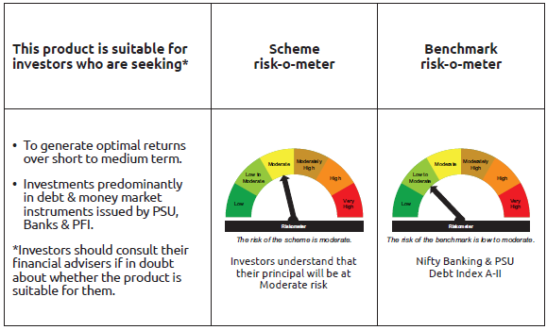
INDEX | Portfolio Statement as on February 28,2025
 | Bandhan Banking & PSU Debt Fund

 | Name of the Instrument | ISIN | Industry / Rating | Quantity | Market/Fair Value ( Rs. in Lacs) | % to NAV | YTM
 | Debt Instruments
 | (a) Listed / awaiting listing on Stock Exchange
 | Government Securities
GOI5228 | 7.18% Government of India | IN0020230085 | SOVEREIGN | 208,100,000 | 213,215.10 | 15.89% | 6.79%
GOI5713 | 7.1% Government of India | IN0020240019 | SOVEREIGN | 76,500,000 | 78,133.28 | 5.82% | 6.78%
GOI5081 | 7.17% Government of India | IN0020230036 | SOVEREIGN | 45,000,000 | 45,941.31 | 3.42% | 6.68%
GOI1908 | 7.18% State Government Securities | IN3120170078 | SOVEREIGN | 120,000 | 120.90 | 0.01% | 6.83%
 | Non Convertible Debentures
IRLY366 | 7.4% Indian Railway Finance Corporation Limited ** | INE053F08239 | CRISIL AAA | 72,500,000 | 72,368.41 | 5.39% | 7.57%
IRLY369 | 7.51% Indian Railway Finance Corporation Limited ** | INE053F08288 | CRISIL AAA | 51,500,000 | 51,466.06 | 3.83% | 7.57%
NUCL133 | 7.7% Nuclear Power Corporation Of India Limited ** | INE206D08501 | ICRA AAA | 36,000,000 | 36,386.53 | 2.71% | 7.29%
NTPC112 | 7.58% NTPC Limited ** | INE733E07KE8 | CRISIL AAA | 35,000,000 | 35,009.49 | 2.61% | 7.51%
NBAR699 | 7.57% National Bank For Agriculture and Rural Development ** | INE261F08DW2 | CRISIL AAA | 34,500,000 | 34,451.80 | 2.57% | 7.70%
NBAR677 | 7.4% National Bank For Agriculture and Rural Development | INE261F08DO9 | CRISIL AAA | 30,000,000 | 29,903.07 | 2.23% | 7.73%
IOIC654 | 7.44% Indian Oil Corporation Limited ** | INE242A08544 | CRISIL AAA | 28,000,000 | 27,985.61 | 2.09% | 7.44%
RECL411 | 5.94% REC Limited | INE020B08DK6 | CRISIL AAA | 27,000,000 | 26,576.18 | 1.98% | 7.73%
POWF487 | 7.13% Power Finance Corporation Limited ** | INE134E08LP1 | CRISIL AAA | 25,000,000 | 24,841.63 | 1.85% | 7.60%
HPEC303 | 7.74% Hindustan Petroleum Corporation Limited ** | INE094A08150 | CRISIL AAA | 23,000,000 | 23,249.04 | 1.73% | 7.33%
POWF517 | 7.64% Power Finance Corporation Limited ** | INE134E08MT1 | CRISIL AAA | 22,500,000 | 22,496.47 | 1.68% | 7.60%
EXIM731 | 7.32% Export Import Bank of India ** | INE514E08FZ5 | CRISIL AAA | 20,000,000 | 19,938.96 | 1.49% | 7.54%
RECL429 | 7.6% REC Limited | INE020B08EF4 | CRISIL AAA | 16,000,000 | 15,984.98 | 1.19% | 7.70%
NHBA329 | 7.59% National Housing Bank ** | INE557F08FY4 | CRISIL AAA | 15,500,000 | 15,543.99 | 1.16% | 7.44%
NHBA319 | 7.77% National Housing Bank ** | INE557F08FP2 | CRISIL AAA | 15,000,000 | 15,035.81 | 1.12% | 7.51%
NTPC243 | 7.35% NTPC Limited ** | INE733E08247 | CRISIL AAA | 15,000,000 | 14,968.05 | 1.12% | 7.53%
NBAR689 | 7.5% National Bank For Agriculture and Rural Development | INE261F08DT8 | CRISIL AAA | 15,000,000 | 14,958.27 | 1.11% | 7.74%
HDFB889 | 6% HDFC Bank Limited ** | INE040A08708 | CRISIL AAA | 15,000,000 | 14,680.43 | 1.09% | 7.83%
SIDB479 | 7.23% Small Industries Dev Bank of India ** | INE556F08KC2 | ICRA AAA | 13,500,000 | 13,434.11 | 1.00% | 7.74%
HDFB871 | 7.9% HDFC Bank Limited ** | INE040A08484 | CRISIL AAA | 11,500,000 | 11,502.31 | 0.86% | 7.83%
NHBA317 | 7.34% National Housing Bank ** | INE557F08FN7 | CRISIL AAA | 9,000,000 | 8,983.57 | 0.67% | 7.74%
NBAR684 | 7.2% National Bank For Agriculture and Rural Development ** | INE261F08DR2 | ICRA AAA | 9,000,000 | 8,961.06 | 0.67% | 7.75%
PGCI422 | 8.24% Power Grid Corporation of India Limited ** | INE752E08551 | CRISIL AAA | 7,500,000 | 7,766.60 | 0.58% | 7.32%
RECL405 | 5.85% REC Limited ** | INE020B08DF6 | CRISIL AAA | 7,800,000 | 7,683.61 | 0.57% | 7.73%
HDFB915 | 7.8% HDFC Bank Limited | INE040A08922 | CRISIL AAA | 7,500,000 | 7,490.42 | 0.56% | 7.86%
IRLY371 | 7.23% Indian Railway Finance Corporation Limited ** | INE053F08304 | CRISIL AAA | 7,500,000 | 7,466.23 | 0.56% | 7.56%
PGCI407 | 7.89% Power Grid Corporation of India Limited ** | INE752E07OE0 | CRISIL AAA | 5,000,000 | 5,042.37 | 0.38% | 7.42%
NBAR741 | 7.8% National Bank For Agriculture and Rural Development | INE261F08EF5 | ICRA AAA | 5,000,000 | 5,019.55 | 0.37% | 7.58%
NTPC251 | 7.47% NTPC Limited ** | INE733E07KF5 | CRISIL AAA | 5,000,000 | 4,993.84 | 0.37% | 7.51%
RECL433 | 7.51% REC Limited ** | INE020B08EI8 | CRISIL AAA | 5,000,000 | 4,992.12 | 0.37% | 7.58%
POWF478 | 6.35% Power Finance Corporation Limited ** | INE134E08LG0 | CRISIL AAA | 5,000,000 | 4,920.68 | 0.37% | 7.61%
IBCL973 | 8.4% ICICI Bank Limited ** | INE090A08TT8 | ICRA AAA | 4,500,000 | 4,530.19 | 0.34% | 7.75%
RECL462 | 7.55% REC Limited ** | INE020B08FH7 | CRISIL AAA | 4,000,000 | 3,996.36 | 0.30% | 7.57%
NBAR805 | 7.53% National Bank For Agriculture and Rural Development | INE261F08EM1 | ICRA AAA | 3,300,000 | 3,303.90 | 0.25% | 7.49%
NUCL124 | 7.25% Nuclear Power Corporation Of India Limited ** | INE206D08410 | CRISIL AAA | 3,000,000 | 3,000.00 | 0.22% | 7.38%
PGCI344 | 8.7% Power Grid Corporation of India Limited ** | INE752E07LC0 | CRISIL AAA | 2,650,000 | 2,754.80 | 0.21% | 7.31%
NTPC105 | 8.19% NTPC Limited ** | INE733E07JX0 | CRISIL AAA | 2,500,000 | 2,508.53 | 0.19% | 7.61%
HDFB463 | 7.95% HDFC Bank Limited ** | INE040A08369 | CRISIL AAA | 2,500,000 | 2,503.12 | 0.19% | 7.81%
NTPC166 | 7.32% NTPC Limited | INE733E07KL3 | CRISIL AAA | 2,500,000 | 2,502.12 | 0.19% | 7.28%
NHPC126 | 7.5% NHPC Limited ** | INE848E07AO4 | ICRA AAA | 2,500,000 | 2,495.37 | 0.19% | 7.60%
SIDB472 | 7.11% Small Industries Dev Bank of India | INE556F08KB4 | ICRA AAA | 2,500,000 | 2,486.26 | 0.19% | 7.70%
EXIM685 | 5.85% Export Import Bank of India ** | INE514E08FV4 | CRISIL AAA | 2,500,000 | 2,474.33 | 0.18% | 7.65%
IOIC622 | 6.14% Indian Oil Corporation Limited ** | INE242A08502 | CRISIL AAA | 2,500,000 | 2,442.26 | 0.18% | 7.44%
NUCL111 | 8.4% Nuclear Power Corporation Of India Limited ** | INE206D08238 | CRISIL AAA | 2,000,000 | 2,056.61 | 0.15% | 7.38%
NUCL119 | 8.13% Nuclear Power Corporation Of India Limited ** | INE206D08360 | CRISIL AAA | 1,000,000 | 1,016.66 | 0.08% | 7.38%
PGCI355 | 8.93% Power Grid Corporation of India Limited ** | INE752E07LZ1 | CRISIL AAA | 1,000,000 | 1,006.39 | 0.07% | 7.63%
PGCI326 | 8.85% Power Grid Corporation of India Limited ** | INE752E07KK5 | CRISIL AAA | 500,000 | 502.94 | 0.04% | 7.64%
BHFL117 | 8% Bajaj Housing Finance Limited ** | INE377Y07466 | CRISIL AAA | 500,000 | 501.19 | 0.04% | 7.71%
POWF174 | 8.75% Power Finance Corporation Limited ** | INE134E08DA0 | CRISIL AAA | 500,000 | 500.93 | 0.04% | 7.62%
PGCI392 | 8.13% Power Grid Corporation of India Limited ** | INE752E07NR4 | CRISIL AAA | 500,000 | 500.07 | 0.04% | 7.52%
 | Subtotal |  |  |  | 972,593.87 | 72.51%
 | (b) Privately placed / Unlisted |  |  |  | NIL | NIL | NIL
 | Subtotal |  |  |  | NIL | NIL | NIL
 | Total |  |  |  | 972,593.87 | 72.51%
 | Money Market Instruments
 | Certificate of Deposit
PUBA1075 | Punjab National Bank ** | INE160A16QV4 | CARE A1+ | 57,500,000 | 53,899.81 | 4.02% | 7.60%
KMBK873 | Kotak Mahindra Bank Limited ** | INE237A160Z6 | CRISIL A1+ | 37,500,000 | 35,407.16 | 2.64% | 7.57%
UTIB1343 | Axis Bank Limited ** | INE238AD6AF6 | CRISIL A1+ | 27,500,000 | 25,817.03 | 1.92% | 7.63%
UTIB1330 | Axis Bank Limited | INE238AD6892 | CRISIL A1+ | 25,000,000 | 24,054.05 | 1.79% | 7.64%
CANB1018 | Canara Bank ** | INE476A16ZQ5 | CRISIL A1+ | 20,000,000 | 18,876.62 | 1.41% | 7.60%
KMBK881 | Kotak Mahindra Bank Limited ** | INE237A166Z3 | CRISIL A1+ | 20,000,000 | 18,603.16 | 1.39% | 7.55%
UTIB1347 | Axis Bank Limited ** | INE238AD6AL4 | CRISIL A1+ | 15,000,000 | 14,002.37 | 1.04% | 7.63%
EXIM768 | Export Import Bank of India ** | INE514E16CH3 | CRISIL A1+ | 10,000,000 | 9,956.65 | 0.74% | 6.91%
KMBK878 | Kotak Mahindra Bank Limited ** | INE237A169X2 | CRISIL A1+ | 10,000,000 | 9,794.31 | 0.73% | 7.52%
BKBA467 | Bank of Baroda ** | INE028A16HJ7 | FITCH A1+ | 10,000,000 | 9,388.41 | 0.70% | 7.57%
UNBI408 | Union Bank of India ** | INE692A16ID1 | ICRA A1+ | 7,500,000 | 7,087.97 | 0.53% | 7.61%
BKBA441 | Bank of Baroda ** | INE028A16GG5 | FITCH A1+ | 5,000,000 | 4,998.19 | 0.37% | 6.64%
IBCL1172 | ICICI Bank Limited | INE090AD6170 | ICRA A1+ | 5,000,000 | 4,852.87 | 0.36% | 7.58%
UNBI404 | Union Bank of India ** | INE692A16HY9 | ICRA A1+ | 5,000,000 | 4,733.70 | 0.35% | 7.61%
 | Commercial Paper
EXIM788 | Export Import Bank of India ** | INE514E14SI2 | CRISIL A1+ | 50,000,000 | 47,491.65 | 3.54% | 7.59%
EXIM789 | Export Import Bank of India ** | INE514E14SJ0 | CRISIL A1+ | 32,500,000 | 30,826.93 | 2.30% | 7.59%
 | Collateralised Borrowing & Lending Obligation / Reverse Repo Instrument
TRP_030325 | CBLO TRP_030325 |  |  |  | 19,866.03 | 1.48% | 6.47%
 | Total |  |  |  | 339,656.91 | 25.31%
 | Corporate Debt Market Development Fund
CDMD50ME | Corporate Debt Market Development Fund | INF0RQ622028 |  | 36,432 | 3,996.47 | 0.30%
 | Total |  |  |  | 3,996.47 | 0.30%
 | OTHERS
 | Cash Margin - CCIL |  |  |  | 0.15 | $
 | Subtotal |  |  |  | 0.15 | $
 | Net Current Assets |  |  |  | 25,889.65 | 1.88%
 | GRAND TOTAL |  |  |  | 1,342,137.05 | 100.00%

 | $ Less Than 0.01% of NAV
 | ** Thinly Traded/Non Traded Securities/Illiquid Securities

 | As per the requirement of regulation 43A of SEBI (Mutual Funds) Regulations, 1996, SEBI circular no. SEBI/HO/IMD/PoD2/P/CIR/2023/128 dated July 27, 2023 on framework for Corporate Debt Market Development Fund and SEBI circular no. SEBI/HO/IMD/PoD2 /P/CIR/2023/129 dated July 27, 2023 on investment by mutual fund schemes and Asset Management Companies (AMCs) in units of Corporate Debt Market Development Fund (“CDMDF”), specified open ended debt-oriented schemes of Bandhan Mutual Fund and Bandhan AMC Limited (‘AMC’) shall invest percentage of net assets in the units of the CDMDF.

BANDHAN CBF
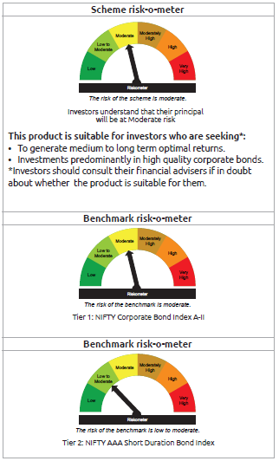
INDEX | Portfolio Statement as on February 28,2025
 | Bandhan Corporate Bond Fund

 | Name of the Instrument | ISIN | Industry / Rating | Quantity | Market/Fair Value ( Rs. in Lacs) | % to NAV | YTM
 | Debt Instruments
 | (a) Listed / awaiting listing on Stock Exchange
 | Government Securities
GOI5228 | 7.18% Government of India | IN0020230085 | SOVEREIGN | 236,500,000 | 242,313.17 | 17.31% | 6.79%
GOI5713 | 7.1% Government of India | IN0020240019 | SOVEREIGN | 113,500,000 | 115,923.23 | 8.28% | 6.78%
GOI5721 | 7.23% Government of India | IN0020240027 | SOVEREIGN | 15,000,000 | 15,422.30 | 1.10% | 6.91%
GOI2476 | 5.75% State Government Securities | IN3120200081 | SOVEREIGN | 250,000 | 249.50 | 0.02% | 6.52%
 | Non Convertible Debentures
NHBA319 | 7.77% National Housing Bank ** | INE557F08FP2 | CRISIL AAA | 92,000,000 | 92,219.60 | 6.59% | 7.51%
BHFL102 | 7.78% Bajaj Housing Finance Limited ** | INE377Y07425 | CRISIL AAA | 85,000,000 | 84,980.62 | 6.07% | 7.75%
EXIM765 | 7.4% Export Import Bank of India ** | INE514E08GC2 | CRISIL AAA | 49,850,000 | 49,938.53 | 3.57% | 7.35%
IRLY371 | 7.23% Indian Railway Finance Corporation Limited ** | INE053F08304 | CRISIL AAA | 42,500,000 | 42,308.62 | 3.02% | 7.56%
LARS419 | 7.725% Larsen & Toubro Limited ** | INE018A08BE9 | CRISIL AAA | 35,500,000 | 35,899.41 | 2.57% | 7.30%
GRAS197 | 7.63% Grasim Industries Limited ** | INE047A08208 | CRISIL AAA | 35,000,000 | 35,180.78 | 2.51% | 7.40%
NBAR699 | 7.57% National Bank For Agriculture and Rural Development ** | INE261F08DW2 | CRISIL AAA | 30,000,000 | 29,958.09 | 2.14% | 7.70%
NBAR677 | 7.4% National Bank For Agriculture and Rural Development | INE261F08DO9 | CRISIL AAA | 26,500,000 | 26,414.38 | 1.89% | 7.73%
NUCL133 | 7.7% Nuclear Power Corporation Of India Limited ** | INE206D08501 | ICRA AAA | 25,000,000 | 25,268.43 | 1.81% | 7.29%
TCFS654 | 8.1165% Tata Capital Limited ** | INE306N07NK5 | CRISIL AAA | 25,000,000 | 25,051.00 | 1.79% | 7.89%
NBAR805 | 7.53% National Bank For Agriculture and Rural Development | INE261F08EM1 | ICRA AAA | 23,700,000 | 23,728.01 | 1.70% | 7.49%
RIND263 | 8.65% Reliance Industries Limited ** | INE002A08567 | CRISIL AAA | 22,000,000 | 22,918.28 | 1.64% | 7.33%
LICH612 | 6.65% LIC Housing Finance Limited ** | INE115A07PR7 | CRISIL AAA | 22,000,000 | 21,576.50 | 1.54% | 7.74%
KOMP1699 | 8.135% Kotak Mahindra Prime Limited ** | INE916DA7SR0 | CRISIL AAA | 20,000,000 | 20,120.96 | 1.44% | 7.78%
TCFS658 | 8.3% Tata Capital Limited ** | INE306N07NL3 | ICRA AAA | 20,000,000 | 20,079.26 | 1.43% | 7.88%
BHFL121 | 7.98% Bajaj Housing Finance Limited ** | INE377Y07490 | CRISIL AAA | 20,000,000 | 20,048.02 | 1.43% | 7.75%
TCHF375 | 7.8% Tata Capital Housing Finance Limited ** | INE033L07HU0 | CRISIL AAA | 20,000,000 | 20,014.46 | 1.43% | 7.73%
PGCI409 | 7.3% Power Grid Corporation of India Limited ** | INE752E07OF7 | CRISIL AAA | 20,000,000 | 19,939.82 | 1.42% | 7.42%
PGCI422 | 8.24% Power Grid Corporation of India Limited ** | INE752E08551 | CRISIL AAA | 17,500,000 | 18,122.06 | 1.29% | 7.32%
BHFL96 | 7.9237% Bajaj Housing Finance Limited ** | INE377Y07375 | CRISIL AAA | 18,000,000 | 18,026.53 | 1.29% | 7.76%
GRAS196 | 7.5% Grasim Industries Limited ** | INE047A08190 | CRISIL AAA | 17,500,000 | 17,527.84 | 1.25% | 7.40%
IRLY372 | 7.41% Indian Railway Finance Corporation Limited ** | INE053F08312 | CRISIL AAA | 16,500,000 | 16,468.49 | 1.18% | 7.56%
NBAR689 | 7.5% National Bank For Agriculture and Rural Development | INE261F08DT8 | CRISIL AAA | 15,000,000 | 14,958.27 | 1.07% | 7.74%
RIND258 | 9.05% Reliance Industries Limited ** | INE002A08534 | CRISIL AAA | 13,500,000 | 14,207.37 | 1.02% | 7.33%
NHAI65 | 7.49% National Highways Authority Of India ** | INE906B07HG7 | CRISIL AAA | 12,500,000 | 12,572.09 | 0.90% | 7.32%
MAHI62 | 7.57% Mahindra & Mahindra Limited ** | INE101A08088 | CRISIL AAA | 12,500,000 | 12,518.76 | 0.89% | 7.42%
RIND261 | 8.95% Reliance Industries Limited ** | INE002A08542 | CRISIL AAA | 11,500,000 | 12,076.63 | 0.86% | 7.33%
EXIM515 | 8.18% Export Import Bank of India ** | INE514E08EU9 | CRISIL AAA | 10,000,000 | 10,027.32 | 0.72% | 7.66%
BHFL125 | 7.66% Bajaj Housing Finance Limited ** | INE377Y07532 | CRISIL AAA | 10,000,000 | 10,005.09 | 0.71% | 7.64%
NBAR796 | 7.44% National Bank For Agriculture and Rural Development ** | INE261F08EK5 | CRISIL AAA | 10,000,000 | 9,986.73 | 0.71% | 7.49%
RECL411 | 5.94% REC Limited | INE020B08DK6 | CRISIL AAA | 10,000,000 | 9,843.03 | 0.70% | 7.73%
NTPC146 | 8.3% NTPC Limited ** | INE733E07KJ7 | CRISIL AAA | 7,500,000 | 7,742.24 | 0.55% | 7.30%
BHFL119 | 8.1% Bajaj Housing Finance Limited ** | INE377Y07482 | CRISIL AAA | 7,500,000 | 7,557.44 | 0.54% | 7.70%
IOIC654 | 7.44% Indian Oil Corporation Limited ** | INE242A08544 | CRISIL AAA | 7,500,000 | 7,496.15 | 0.54% | 7.44%
IRLY366 | 7.4% Indian Railway Finance Corporation Limited ** | INE053F08239 | CRISIL AAA | 7,500,000 | 7,486.39 | 0.53% | 7.57%
NBAR723 | 7.49% National Bank For Agriculture and Rural Development ** | INE261F08EB4 | CRISIL AAA | 7,500,000 | 7,479.68 | 0.53% | 7.63%
KOMP1689 | 7.37% Kotak Mahindra Prime Limited ** | INE916DA7RT8 | CRISIL AAA | 7,500,000 | 7,470.06 | 0.53% | 7.87%
NHAI62 | 8.27% National Highways Authority Of India ** | INE906B07GP0 | CRISIL AAA | 7,000,000 | 7,220.91 | 0.52% | 7.34%
EXIM718 | 7.25% Export Import Bank of India ** | INE514E08FJ9 | CRISIL AAA | 6,500,000 | 6,479.95 | 0.46% | 7.42%
KOMP1686 | 8.09% Kotak Mahindra Prime Limited ** | INE916DA7SL3 | CRISIL AAA | 5,500,000 | 5,516.21 | 0.39% | 7.86%
NHAI60 | 8.37% National Highways Authority Of India ** | INE906B07GN5 | CRISIL AAA | 5,000,000 | 5,167.63 | 0.37% | 7.34%
LARS376 | 8% Larsen & Toubro Limited ** | INE018A08BF6 | CRISIL AAA | 5,000,000 | 5,129.98 | 0.37% | 7.37%
KOMP1695 | 8.23% Kotak Mahindra Prime Limited ** | INE916DA7SP4 | CRISIL AAA | 5,000,000 | 5,028.12 | 0.36% | 7.86%
BAFL906 | 8.1167% Bajaj Finance Limited ** | INE296A07SX7 | CRISIL AAA | 5,000,000 | 5,025.70 | 0.36% | 7.82%
NBAR732 | 7.83% National Bank For Agriculture and Rural Development ** | INE261F08ED0 | CRISIL AAA | 5,000,000 | 5,014.54 | 0.36% | 7.63%
NTPC112 | 7.58% NTPC Limited ** | INE733E07KE8 | CRISIL AAA | 5,000,000 | 5,001.36 | 0.36% | 7.51%
LICH437 | 7.75% LIC Housing Finance Limited ** | INE115A07MQ6 | CRISIL AAA | 5,000,000 | 4,998.37 | 0.36% | 7.74%
NTPC251 | 7.47% NTPC Limited ** | INE733E07KF5 | CRISIL AAA | 5,000,000 | 4,993.84 | 0.36% | 7.51%
LICH666 | 7.835% LIC Housing Finance Limited ** | INE115A07QO2 | CRISIL AAA | 4,500,000 | 4,506.26 | 0.32% | 7.74%
NTPC206 | 5.45% NTPC Limited ** | INE733E08163 | CRISIL AAA | 4,500,000 | 4,437.25 | 0.32% | 7.63%
TCFS670 | 7.905% Tata Capital Limited ** | INE306N07NO7 | ICRA AAA | 400,000,000 | 4,001.54 | 0.29% | 7.87%
EXIM559 | 8.02% Export Import Bank of India ** | INE514E08FB6 | CRISIL AAA | 3,000,000 | 3,014.28 | 0.22% | 7.53%
...
 | Name of the Instrument | ISIN | Industry / Rating | Quantity | Market/Fair Value ( Rs. in Lacs) | % to NAV | YTM
 | GRAND TOTAL |  |  |  | 1,399,573.40 | 100.00%

 | $ Less Than 0.01% of NAV
 | ** Thinly Traded/Non Traded Securities/Illiquid Securities

 | As per the requirement of regulation 43A of SEBI (Mutual Funds) Regulations, 1996, SEBI circular no. SEBI/HO/IMD/PoD2/P/CIR/2023/128 dated July 27, 2023 on framework for Corporate Debt Market Development Fund and SEBI circular no. SEBI/HO/IMD/PoD2 /P/CIR/2023/129 dated July 27, 2023 on investment by mutual fund schemes and Asset Management Companies (AMCs) in units of Corporate Debt Market Development Fund (“CDMDF”), specified open ended debt-oriented schemes of Bandhan Mutual Fund and Bandhan AMC Limited (‘AMC’) shall invest percentage of net assets in the units of the CDMDF.

BANDHAN FRF
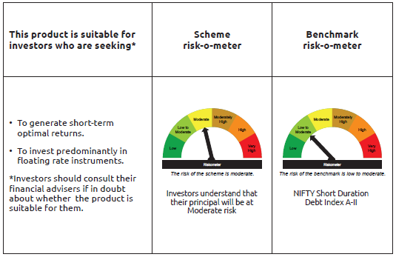
...
Name of the Instrument | ISIN | Industry / Rating | Quantity | Market/Fair Value ( Rs. in Lacs) | % to NAV | YTM
GRAND TOTAL |  |  |  | 26,744.07 | 100.00%

** Thinly Traded/Non Traded Securities/Illiquid Securities

As per the requirement of regulation 43A of SEBI (Mutual Funds) Regulations, 1996, SEBI circular no. SEBI/HO/IMD/PoD2/P/CIR/2023/128 dated July 27, 2023 on framework for Corporate Debt Market Development Fund and SEBI circular no. SEBI/HO/IMD/PoD2 /P/CIR/2023/129 dated July 27, 2023 on investment by mutual fund schemes and Asset Management Companies (AMCs) in units of Corporate Debt Market Development Fund (“CDMDF”), specified open ended debt-oriented schemes of Bandhan Mutual Fund and Bandhan AMC Limited (‘AMC’) shall invest percentage of net assets in the units of the CDMDF.

BANDHAN CRF
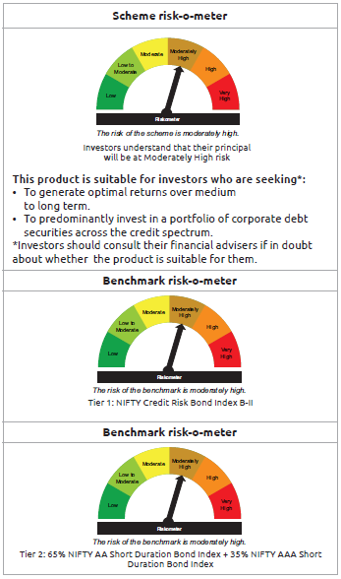
...
Name of the Instrument | ISIN | Industry / Rating | Quantity | Market/Fair Value ( Rs. in Lacs) | % to NAV | YTM
GRAND TOTAL |  |  |  | 28,945.98 | 100.00%

$ Less Than 0.01% of NAV
** Thinly Traded/Non Traded Securities/Illiquid Securities

As per the requirement of regulation 43A of SEBI (Mutual Funds) Regulations, 1996, SEBI circular no. SEBI/HO/IMD/PoD2/P/CIR/2023/128 dated July 27, 2023 on framework for Corporate Debt Market Development Fund and SEBI circular no. SEBI/HO/IMD/PoD2 /P/CIR/2023/129 dated July 27, 2023 on investment by mutual fund schemes and Asset Management Companies (AMCs) in units of Corporate Debt Market Development Fund (“CDMDF”), specified open ended debt-oriented schemes of Bandhan Mutual Fund and Bandhan AMC Limited (‘AMC’) shall invest percentage of net assets in the units of the CDMDF.

BANDHAN GSEC-IP
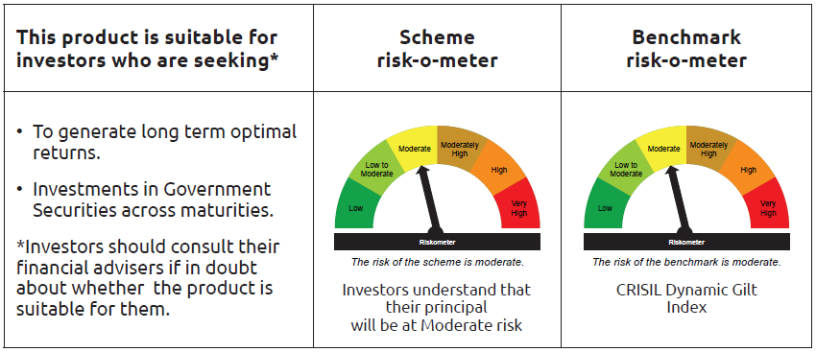
...
 | Name of the Instrument | ISIN | Industry / Rating | Quantity | Market/Fair Value ( Rs. in Lacs) | % to NAV | YTM
TRP_030325 | CBLO TRP_030325 |  |  |  | 100.06 | 0.03% | 6.47%
 | Total |  |  |  | 100.06 | $
 | OTHERS
 | Cash Margin - CCIL |  |  |  | 0.33 | $
 | Subtotal |  |  |  | 0.33 | $
 | Net Current Assets |  |  |  | 5,143.06 | 1.45%
 | GRAND TOTAL |  |  |  | 354,974.12 | 100.00%

 | $ Less Than 0.01% of NAV

BANDHAN GSEC-CMP
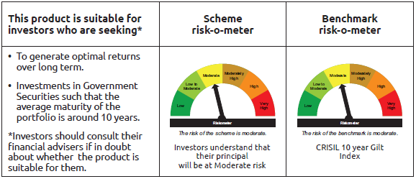
...
 | Name of the Instrument | ISIN | Industry / Rating | Quantity | Market/Fair Value ( Rs. in Lacs) | % to NAV | YTM
TRP_030325 | CBLO TRP_030325 |  |  |  | 21.60 | 0.06% | 6.47%
 | Total |  |  |  | 21.60 | 0.06%
 | OTHERS
 | Cash Margin - CCIL |  |  |  | 1.60 | $
 | Subtotal |  |  |  | 1.60 | $
 | Net Current Assets |  |  |  | 178.28 | 0.52%
 | GRAND TOTAL |  |  |  | 35,053.14 | 100.00%

 | $ Less Than 0.01% of NAV

BANDHAN LONG DUR
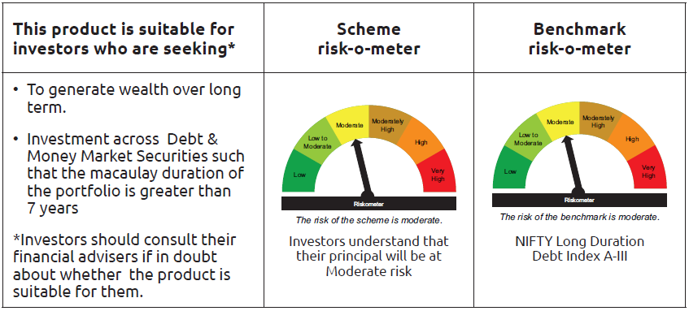
...
Name of the Instrument | ISIN | Industry / Rating | Quantity | Market/Fair Value ( Rs. in Lacs) | % to NAV | YTM
Net Current Assets |  |  |  | 69.92 | 0.38%
GRAND TOTAL |  |  |  | 18,628.24 | 100.00%

$ Less Than 0.01% of NAV

As per the requirement of regulation 43A of SEBI (Mutual Funds) Regulations, 1996, SEBI circular no. SEBI/HO/IMD/PoD2/P/CIR/2023/128 dated July 27, 2023 on framework for Corporate Debt Market Development Fund and SEBI circular no. SEBI/HO/IMD/PoD2 /P/CIR/2023/129 dated July 27, 2023 on investment by mutual fund schemes and Asset Management Companies (AMCs) in units of Corporate Debt Market Development Fund (“CDMDF”), specified open ended debt-oriented schemes of Bandhan Mutual Fund and Bandhan AMC Limited (‘AMC’) shall invest percentage of net assets in the units of the CDMDF.

BANDHAN CRISIL IBX APR 2026
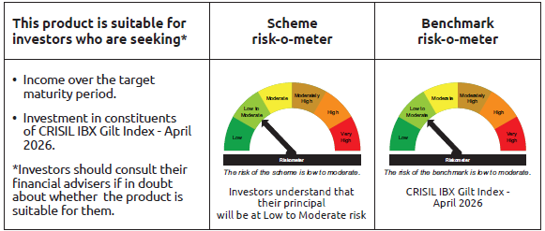
...
 | Name of the Instrument | ISIN | Industry / Rating | Quantity | Market/Fair Value ( Rs. in Lacs) | % to NAV | YTM
TRP_030325 | CBLO TRP_030325 |  |  |  | 189.53 | 0.43% | 6.47%
 | Total |  |  |  | 189.53 | 0.43%
 | OTHERS
 | Cash Margin - CCIL |  |  |  | 0.01 | $
 | Subtotal |  |  |  | 0.01 | $
 | Net Current Assets |  |  |  | 887.94 | 1.99%
 | GRAND TOTAL |  |  |  | 44,306.63 | 100.00%

 | $ Less Than 0.01% of NAV

BANDHAN CRISIL IBX JUN 2027
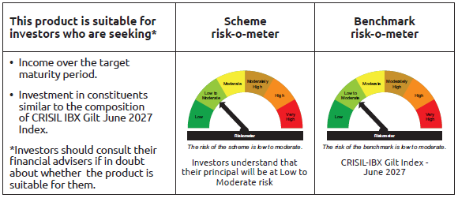
...
 | Name of the Instrument | ISIN | Industry / Rating | Quantity | Market/Fair Value ( Rs. in Lacs) | % to NAV | YTM
TRP_030325 | CBLO TRP_030325 |  |  |  | 9,751.77 | 1.40% | 6.47%
 | Total |  |  |  | 9,751.77 | 1.40%
 | OTHERS
 | Cash Margin - CCIL |  |  |  | 0.32 | $
 | Subtotal |  |  |  | 0.32 | $
 | Net Current Assets |  |  |  | 9,058.98 | 1.30%
 | GRAND TOTAL |  |  |  | 696,740.44 | 100.00%

 | $ Less Than 0.01% of NAV

BANDHAN CRISIL IBX APR 2028
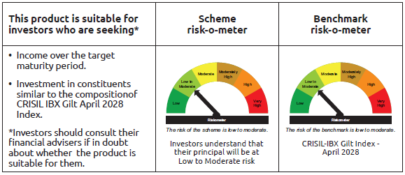
...
 | Name of the Instrument | ISIN | Industry / Rating | Quantity | Market/Fair Value ( Rs. in Lacs) | % to NAV | YTM
TRP_030325 | CBLO TRP_030325 |  |  |  | 6,486.80 | 1.38% | 6.47%
 | Total |  |  |  | 6,486.80 | 1.38%
 | OTHERS
 | Cash Margin - CCIL |  |  |  | 0.17 | $
 | Subtotal |  |  |  | 0.17 | $
 | Net Current Assets |  |  |  | 9,419.80 | 1.99%
 | GRAND TOTAL |  |  |  | 470,189.56 | 100.00%

 | $ Less Than 0.01% of NAV

BANDHAN CRISIL IBX APR 2032
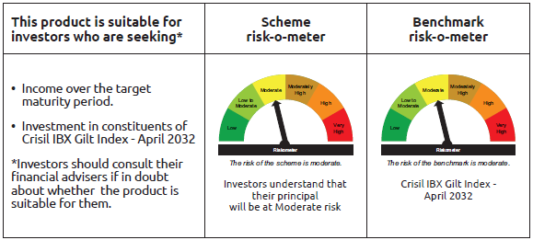
...
 | Name of the Instrument | ISIN | Industry / Rating | Quantity | Market/Fair Value ( Rs. in Lacs) | % to NAV | YTM
TRP_030325 | CBLO TRP_030325 |  |  |  | 337.56 | 0.77% | 6.47%
 | Total |  |  |  | 337.56 | 0.77%
 | OTHERS
 | Cash Margin - CCIL |  |  |  | 0.01 | $
 | Subtotal |  |  |  | 0.01 | $
 | Net Current Assets |  |  |  | 348.18 | 0.79%
 | GRAND TOTAL |  |  |  | 44,062.11 | 100.00%

 | $ Less Than 0.01% of NAV

BANDHAN CRISIL IBX SDL NOV 2026
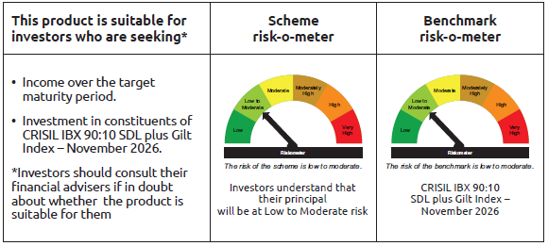
...
 | Name of the Instrument | ISIN | Industry / Rating | Quantity | Market/Fair Value ( Rs. in Lacs) | % to NAV | YTM
TRP_030325 | CBLO TRP_030325 |  |  |  | 245.91 | 2.14% | 6.47%
 | Total |  |  |  | 245.91 | 2.14%
 | OTHERS
 | Cash Margin - CCIL |  |  |  | 0.01 | $
 | Subtotal |  |  |  | 0.01 | $
 | Net Current Assets |  |  |  | 192.44 | 1.65%
 | GRAND TOTAL |  |  |  | 11,495.07 | 100.00%

 | $ Less Than 0.01% of NAV

BANDHAN CRISIL IBX SDL SEP 2027
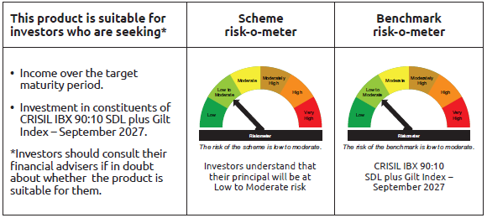
...
 | Name of the Instrument | ISIN | Industry / Rating | Quantity | Market/Fair Value ( Rs. in Lacs) | % to NAV | YTM
TRP_030325 | CBLO TRP_030325 |  |  |  | 647.93 | 4.26% | 6.47%
 | Total |  |  |  | 647.93 | 4.26%
 | OTHERS
 | Cash Margin - CCIL |  |  |  | 0.02 | $
 | Subtotal |  |  |  | 0.02 | $
 | Net Current Assets |  |  |  | 170.63 | 1.11%
 | GRAND TOTAL |  |  |  | 15,221.43 | 100.00%

 | $ Less Than 0.01% of NAV

BANDHAN CRISIL IBX SDL APR 2032
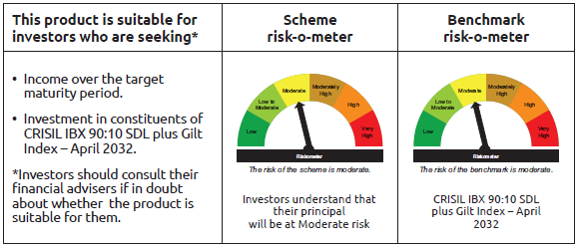
...
 | Name of the Instrument | ISIN | Industry / Rating | Quantity | Market/Fair Value ( Rs. in Lacs) | % to NAV | YTM
TRP_030325 | CBLO TRP_030325 |  |  |  | 577.47 | 1.04% | 6.47%
 | Total |  |  |  | 577.47 | 1.04%
 | OTHERS
 | Cash Margin - CCIL |  |  |  | 0.02 | $
 | Subtotal |  |  |  | 0.02 | $
 | Net Current Assets |  |  |  | 1,134.47 | 2.06%
 | GRAND TOTAL |  |  |  | 55,319.89 | 100.00%

 | $ Less Than 0.01% of NAV

