Bandhan ON
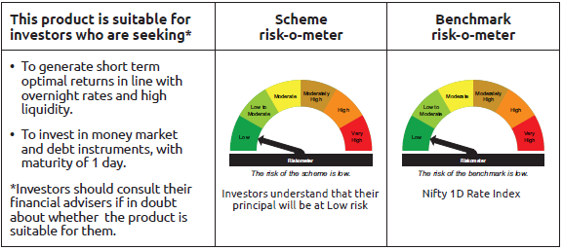
IDF265 | Portfolio Statement as on February 27,2026
 | Bandhan Overnight Fund

 | Name of the Instrument | ISIN | Industry / Rating | Quantity | Market/Fair Value ( Rs. in Lacs) | % to NAV | YTM
 | Money Market Instruments
 | Treasury Bill
TBIL2481 | 364 Days Tbill (MD 05/03/2026) | IN002024Z479 | SOVEREIGN | 3,000,000 | 2,997.95 | 3.36% | 5.00%
TBIL2562 | 182 Days Tbill (MD 19/03/2026) | IN002025Y255 | SOVEREIGN | 3,000,000 | 2,992.83 | 3.36% | 4.60%
 | Collateralised Borrowing & Lending Obligation / Reverse Repo Instrument
 | Reverse Repo |  |  |  | 71,811.37 | 80.59% | 5.04%
TRP_020326_VAL | CBLO TRP_020326_VAL |  |  |  | 10,925.00 | 12.26% | 4.92%
 | Total |  |  |  | 88,727.15 | 99.57%
 | OTHERS
 | Cash Margin - CCIL |  |  |  | 393.89 | 0.44%
 | Subtotal |  |  |  | 393.89 | 0.44%
 | Net Current Assets |  |  |  | (19.19) | -0.01%
 | GRAND TOTAL |  |  |  | 89,101.85 | 100.00%

 | As per the requirement of regulation 43A of SEBI (Mutual Funds) Regulations, 1996, SEBI circular no. SEBI/HO/IMD/PoD2/P/CIR/2023/128 dated July 27, 2023 on framework for Corporate Debt Market Development Fund and SEBI circular no. SEBI/HO/IMD/PoD2 /P/CIR/2023/129 dated July 27, 2023 on investment by mutual fund schemes and Asset Management Companies (AMCs) in units of Corporate Debt Market Development Fund (“CDMDF”), specified open ended debt-oriented schemes of Bandhan Mutual Fund and Bandhan AMC Limited (‘AMC’) shall invest percentage of net assets in the units of the CDMDF.

Bandhan LF
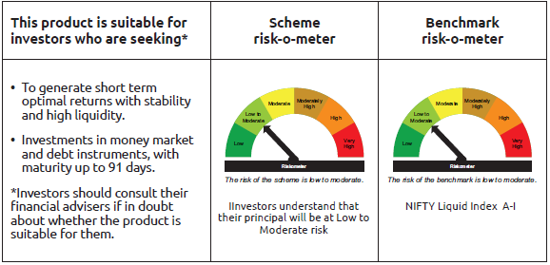
IDF001 | Portfolio Statement as on February 27,2026
 | Bandhan Liquid Fund

 | Name of the Instrument | ISIN | Industry / Rating | Quantity | Market/Fair Value ( Rs. in Lacs) | % to NAV | YTM
 | Debt Instruments
 | (a) Listed / awaiting listing on Stock Exchange
 | Government Securities
GOI3103 | 5.63% GOI (MD 12/04/2026) | IN0020210012 | SOVEREIGN | 112,500,000 | 112,557.71 | 6.48% | 5.29%
GOI7457 | 7.35% Gujarat SDL (MD 23/03/2026) | IN1520220303 | SOVEREIGN | 10,000,000 | 10,019.13 | 0.58% | 4.90%
GOI4062 | 6.18% Gujarat SDL MD (MD 31/03/2026) | IN1520200339 | SOVEREIGN | 2,500,000 | 2,503.08 | 0.14% | 4.89%
 | Non Convertible Debentures
NTPC261 | 7.48% NTPC Limited ** | INE733E08254 | CRISIL AAA | 5,000,000 | 5,002.71 | 0.29% | 6.11%
 | Subtotal |  |  |  | 130,082.63 | 7.49%
 | (b) Privately placed / Unlisted |  |  |  | NIL | NIL | NIL
 | Subtotal |  |  |  | NIL | NIL | NIL
 | Total |  |  |  | 130,082.63 | 7.49%
 | Money Market Instruments
 | Certificate of Deposit
UTIB1384 | Axis Bank Limited ** | INE238AD6BT5 | CRISIL A1+ | 65,000,000 | 64,754.50 | 3.73% | 5.54%
HDFB1028 | HDFC Bank Limited ** | INE040A16IC5 | CARE A1+ | 50,000,000 | 49,863.55 | 2.87% | 5.55%
HDFB1002 | HDFC Bank Limited ** | INE040A16GW7 | CRISIL A1+ | 50,000,000 | 49,225.60 | 2.83% | 7.18%
PUBA1133 | Punjab National Bank ** | INE160A16TT2 | CRISIL A1+ | 45,000,000 | 44,938.53 | 2.59% | 5.55%
BKBA491 | Bank of Baroda ** | INE028A16HZ3 | FITCH A1+ | 40,000,000 | 39,933.20 | 2.30% | 5.55%
CANB1041 | Canara Bank ** | INE476A16B23 | CRISIL A1+ | 40,000,000 | 39,927.20 | 2.30% | 5.55%
BKBA556 | Bank of Baroda ** | INE028A16KV6 | FITCH A1+ | 40,000,000 | 39,902.92 | 2.30% | 5.55%
UTIB1382 | Axis Bank Limited ** | INE238AD6BR9 | CRISIL A1+ | 37,500,000 | 37,397.78 | 2.15% | 5.54%
PUBA1135 | Punjab National Bank ** | INE160A16TU0 | CRISIL A1+ | 35,000,000 | 34,930.98 | 2.01% | 5.55%
SIDB605 | Small Industries Dev Bank of India ** | INE556F16BI1 | CARE A1+ | 30,000,000 | 29,524.95 | 1.70% | 7.25%
PUBA1090 | Punjab National Bank ** | INE160A16RK5 | CRISIL A1+ | 27,500,000 | 27,424.73 | 1.58% | 5.56%
INBK514 | Indian Bank ** | INE562A16QB3 | CRISIL A1+ | 25,000,000 | 24,950.75 | 1.44% | 5.54%
NBAR835 | National Bank For Agriculture and Rural Development ** | INE261F16983 | CRISIL A1+ | 25,000,000 | 24,950.55 | 1.44% | 5.57%
HDFB996 | HDFC Bank Limited ** | INE040A16GS5 | CRISIL A1+ | 25,000,000 | 24,909.13 | 1.43% | 5.55%
SIDB604 | Small Industries Dev Bank of India ** | INE556F16BH3 | CRISIL A1+ | 22,500,000 | 22,208.85 | 1.28% | 7.25%
UNBI453 | Union Bank of India ** | INE692A16KF2 | FITCH A1+ | 20,000,000 | 19,690.20 | 1.13% | 7.09%
NBAR829 | National Bank For Agriculture and Rural Development ** | INE261F16975 | CRISIL A1+ | 15,000,000 | 14,977.17 | 0.86% | 5.57%
PUBA1112 | Punjab National Bank ** | INE160A16RM1 | CRISIL A1+ | 15,000,000 | 14,954.52 | 0.86% | 5.55%
INBK469 | Indian Bank ** | INE562A16OI3 | CRISIL A1+ | 10,000,000 | 9,981.80 | 0.57% | 5.55%
CANB1046 | Canara Bank ** | INE476A16B64 | CRISIL A1+ | 10,000,000 | 9,972.76 | 0.57% | 5.54%
EXIM802 | Export Import Bank of India ** | INE514E16CK7 | CRISIL A1+ | 10,000,000 | 9,969.68 | 0.57% | 5.55%
KMBK890 | Kotak Mahindra Bank Limited ** | INE237AD6059 | CRISIL A1+ | 10,000,000 | 9,849.76 | 0.57% | 7.05%
UTIB1350 | Axis Bank Limited ** | INE238AD6AO8 | CRISIL A1+ | 2,500,000 | 2,498.15 | 0.14% | 5.40%
UNBI457 | Union Bank of India ** | INE692A16KM8 | ICRA A1+ | 2,500,000 | 2,495.46 | 0.14% | 5.54%
 | Commercial Paper
NBAR877 | National Bank For Agriculture and Rural Development ** | INE261F14OR7 | CRISIL A1+ | 75,000,000 | 73,979.10 | 4.26% | 7.30%
EXIM814 | Export Import Bank of India ** | INE514E14TA7 | CRISIL A1+ | 50,000,000 | 49,909.10 | 2.87% | 5.54%
SIDB644 | Small Industries Dev Bank of India ** | INE556F14LX4 | CRISIL A1+ | 50,000,000 | 49,845.70 | 2.87% | 5.65%
BAFL1016 | Bajaj Finance Limited ** | INE296A14E61 | CRISIL A1+ | 50,000,000 | 49,372.90 | 2.84% | 7.60%
EXIM819 | Export Import Bank of India ** | INE514E14TF6 | CRISIL A1+ | 50,000,000 | 49,164.35 | 2.83% | 7.05%
TWAT38 | Titan Company Limited ** | INE280A14518 | CARE A1+ | 35,000,000 | 34,939.07 | 2.01% | 5.79%
SIDB640 | Small Industries Dev Bank of India ** | INE556F14LV8 | CRISIL A1+ | 32,500,000 | 32,449.76 | 1.87% | 5.65%
MMFS1215 | Mahindra & Mahindra Financial Services Limited ** | INE774D14TJ0 | CRISIL A1+ | 30,000,000 | 29,586.96 | 1.70% | 7.61%
SIDB612 | Small Industries Dev Bank of India ** | INE556F14LG9 | CRISIL A1+ | 27,500,000 | 27,487.41 | 1.58% | 5.57%
RRVL205 | Reliance Retail Ventures Limited ** | INE929O14EL5 | CRISIL A1+ | 25,000,000 | 24,964.30 | 1.44% | 5.80%
RRVL206 | Reliance Retail Ventures Limited ** | INE929O14EM3 | CRISIL A1+ | 25,000,000 | 24,926.85 | 1.43% | 5.95%
ICBR653 | ICICI Securities Limited ** | INE763G14F19 | CRISIL A1+ | 25,000,000 | 24,650.90 | 1.42% | 7.72%
LTFL718 | L&T Finance Limited ** | INE498L14FN0 | CRISIL A1+ | 25,000,000 | 24,560.05 | 1.41% | 7.43%
ICBR652 | ICICI Securities Limited ** | INE763G14F01 | CRISIL A1+ | 20,000,000 | 19,724.84 | 1.13% | 7.72%
RRVL212 | Reliance Retail Ventures Limited ** | INE929O14ET8 | CRISIL A1+ | 20,000,000 | 19,680.46 | 1.13% | 7.14%
SIDB650 | Small Industries Dev Bank of India ** | INE556F14LY2 | CARE A1+ | 17,500,000 | 17,427.17 | 1.00% | 5.65%
NBAR880 | National Bank For Agriculture and Rural Development ** | INE261F14OT3 | CRISIL A1+ | 17,500,000 | 17,229.36 | 0.99% | 7.26%
AXSL133 | Axis Securities Limited ** | INE110O14HU6 | CARE A1+ | 17,500,000 | 17,178.93 | 0.99% | 7.58%
TISC282 | Tata Steel Limited ** | INE081A14GK1 | ICRA A1+ | 15,000,000 | 14,985.96 | 0.86% | 5.70%
EXIM817 | Export Import Bank of India ** | INE514E14TD1 | CRISIL A1+ | 15,000,000 | 14,801.60 | 0.85% | 7.20%
BGFL1177 | Aditya Birla Capital Limited ** | INE674K14BQ0 | ICRA A1+ | 15,000,000 | 14,774.12 | 0.85% | 7.64%
BAFS110 | Bajaj Financial Securities Limited ** | INE01C314DR3 | CRISIL A1+ | 10,000,000 | 9,979.94 | 0.57% | 6.12%
HDFS340 | HDFC Securities Limited ** | INE700G14SD3 | CRISIL A1+ | 10,000,000 | 9,857.94 | 0.57% | 7.74%
BGFL1170 | Aditya Birla Capital Limited ** | INE674K14AZ3 | ICRA A1+ | 7,500,000 | 7,483.90 | 0.43% | 6.04%
GOSL470 | Godrej Industries Limited ** | INE233A145Y4 | ICRA A1+ | 7,500,000 | 7,478.41 | 0.43% | 6.20%
SIDB658 | Small Industries Dev Bank of India ** | INE556F14MB8 | CRISIL A1+ | 7,500,000 | 7,382.52 | 0.42% | 7.26%
ICBR625 | ICICI Securities Limited ** | INE763G14XX9 | CRISIL A1+ | 5,000,000 | 4,994.95 | 0.29% | 6.15%
KOSE380 | Kotak Securities Limited ** | INE028E14UQ2 | ICRA A1+ | 5,000,000 | 4,928.97 | 0.28% | 7.74%
GHFL54 | Godrej Housing Finance Limited ** | INE02JD14724 | CRISIL A1+ | 2,500,000 | 2,465.21 | 0.14% | 7.47%
 | Treasury Bill
TBIL2605 | 91 Days Tbill (MD 27/03/2026) | IN002025X398 | SOVEREIGN | 35,000,000 | 34,877.33 | 2.01% | 4.75%
TBIL2596 | 91 Days Tbill (MD 05/03/2026) | IN002025X364 | SOVEREIGN | 32,500,000 | 32,477.77 | 1.87% | 5.00%
TBIL2620 | 91 Days Tbill (MD 07/05/2026) | IN002025X448 | SOVEREIGN | 32,500,000 | 32,185.79 | 1.85% | 5.24%
TBIL2628 | 91 Days Tbill (MD 28/05/2026) | IN002025X471 | SOVEREIGN | 30,629,400 | 30,242.64 | 1.74% | 5.24%
 | Collateralised Borrowing & Lending Obligation / Reverse Repo Instrument
TRP_020326_VAL | CBLO TRP_020326_VAL |  |  |  | 146,370.41 | 8.42% | 4.92%
 | Total |  |  |  | 1,611,597.39 | 92.71%
 | Corporate Debt Market Development Fund
CDMD50ME | Corporate Debt Market Development Fund | INF0RQ622028 |  | 35,624 | 4,154.71 | 0.24%
 | Total |  |  |  | 4,154.71 | 0.24%
 | OTHERS
 | Cash Margin - CCIL |  |  |  | 598.36 | 0.03%
 | Subtotal |  |  |  | 598.36 | 0.03%
 | Net Current Assets |  |  |  | (8,298.65) | -0.47%
 | GRAND TOTAL |  |  |  | 1,738,134.44 | 100.00%

 | ** Thinly Traded/Non Traded Securities/Illiquid Securities

 | As per the requirement of regulation 43A of SEBI (Mutual Funds) Regulations, 1996, SEBI circular no. SEBI/HO/IMD/PoD2/P/CIR/2023/128 dated July 27, 2023 on framework for Corporate Debt Market Development Fund and SEBI circular no. SEBI/HO/IMD/PoD2 /P/CIR/2023/129 dated July 27, 2023 on investment by mutual fund schemes and Asset Management Companies (AMCs) in units of Corporate Debt Market Development Fund (“CDMDF”), specified open ended debt-oriented schemes of Bandhan Mutual Fund and Bandhan AMC Limited (‘AMC’) shall invest percentage of net assets in the units of the CDMDF.

Bandhan LDF
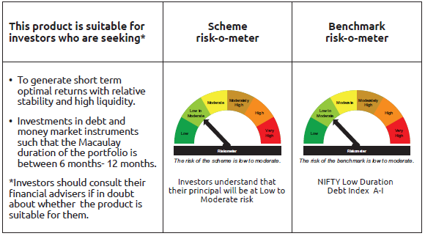
IDF002 | Portfolio Statement as on February 27,2026
 | Bandhan Low Duration Fund

 | Name of the Instrument | ISIN | Industry / Rating | Quantity | Market/Fair Value ( Rs. in Lacs) | % to NAV | YTM
 | Derivatives
 | Interest Rate Swaps
IRS1118FL | Interest Rate Swaps (18/01/2027) |  |  | 25,000,000 | 25,000.00 | 4.25%
IRS1119FL | Interest Rate Swaps (18/01/2027) |  |  | 25,000,000 | 25,000.00 | 4.25%
IRS1144FL | Interest Rate Swaps (09/02/2028) |  |  | 25,000,000 | 25,000.00 | 4.25%
IRS1157FL | Interest Rate Swaps (18/02/2028) |  |  | 10,000,000 | 10,000.00 | 1.70%
IRS1157FX | Interest Rate Swaps (18/02/2028) |  |  | -10,000,000 | (9,999.42) | -1.70% | 5.67%
IRS1118FX | Interest Rate Swaps (18/01/2027) |  |  | -25,000,000 | (25,005.50) | -4.25% | 5.45%
IRS1119FX | Interest Rate Swaps (18/01/2027) |  |  | -25,000,000 | (25,005.50) | -4.25% | 5.45%
IRS1144FX | Interest Rate Swaps (09/02/2028) |  |  | -25,000,000 | (25,040.10) | -4.25% | 5.67%
 | Total |  |  |  | (50.52) | 0.00%
 | Debt Instruments
 | (a) Listed / awaiting listing on Stock Exchange
 | Government Securities
GOI2206 | 8.45% Uttar Pradesh SDL (MD 27/02/2029) | IN3320180166 | SOVEREIGN | 5,000,000 | 5,245.96 | 0.89% | 6.72%
GOI2726 | 8.32% Uttar Pradesh SDL (MD 13/02/2029) | IN3320180158 | SOVEREIGN | 2,500,000 | 2,612.81 | 0.44% | 6.72%
GOI2019 | 8.28% Rajasthan SDL (MD 14/03/2028) | IN2920170197 | SOVEREIGN | 2,000,000 | 2,072.66 | 0.35% | 6.46%
GOI2115 | 8.63% Rajasthan SDL (MD 03/09/2028) | IN2920180188 | SOVEREIGN | 1,500,000 | 1,573.38 | 0.27% | 6.59%
GOI4160 | 8.09% Rajasthan SDL (MD 26/12/2028) | IN2920180279 | SOVEREIGN | 1,000,000 | 1,040.51 | 0.18% | 6.60%
GOI1996 | 8.28% Rajasthan SDL (MD 21/02/2028) | IN2920170155 | SOVEREIGN | 1,000,000 | 1,035.29 | 0.18% | 6.46%
GOI1880 | 7.59% Haryana SDL (MD 15/02/2027) | IN1620160268 | SOVEREIGN | 1,000,000 | 1,015.81 | 0.17% | 5.96%
GOI4485 | 7.38% GOI (MD 20/06/2027) | IN0020220037 | SOVEREIGN | 700,000 | 716.02 | 0.12% | 5.61%
GOI1974 | 8% Karnataka SDL (MD 17/01/2028) | IN1920170157 | SOVEREIGN | 505,800 | 521.13 | 0.09% | 6.36%
GOI4096 | 8.16% Rajasthan SDL (MD 09/05/2028) | IN2920180030 | SOVEREIGN | 500,000 | 517.91 | 0.09% | 6.48%
GOI1566 | 8.08% Maharastra SDL(MD 15/06/2026) | IN2220160013 | SOVEREIGN | 500,000 | 503.84 | 0.09% | 5.44%
GOI2161 | 8.18% Tamilnadu SDL (MD 19/12/2028) | IN3120180192 | SOVEREIGN | 430,000 | 449.17 | 0.08% | 6.52%
GOI2192 | 8.32% Karnataka SDL (MD 06/02/2029) | IN1920180164 | SOVEREIGN | 200,000 | 209.39 | 0.04% | 6.64%
GOI2211 | 8.35% Gujarat SDL (MD 06/03/2029) | IN1520180317 | SOVEREIGN | 150,000 | 157.35 | 0.03% | 6.64%
GOI3899 | 7.88% Madhya Pradesh SDL (MD 24/01/2028) | IN2120170070 | SOVEREIGN | 100,000 | 102.85 | 0.02% | 6.36%
GOI4847 | 7.57% Gujarat SDL (MD 09/11/2026) | IN1520220154 | SOVEREIGN | 200 | 0.20 | $ | 5.88%
 | Non Convertible Debentures
SIDB519 | 7.44% Small Industries Dev Bank of India ** | INE556F08KI9 | CRISIL AAA | 37,500,000 | 37,463.55 | 6.36% | 7.37%
NBAR805 | 7.53% National Bank For Agriculture and Rural Development ** | INE261F08EM1 | ICRA AAA | 32,500,000 | 32,785.32 | 5.57% | 7.05%
POWF546 | 7.45% Power Finance Corporation Limited ** | INE134E08NP7 | CRISIL AAA | 25,000,000 | 25,204.98 | 4.28% | 7.08%
POWF507 | 7.7% Power Finance Corporation Limited ** | INE134E08MK0 | CRISIL AAA | 25,000,000 | 25,066.35 | 4.26% | 7.27%
RECL471 | 7.44% REC Limited ** | INE020B08FR6 | CRISIL AAA | 15,000,000 | 15,135.74 | 2.57% | 6.95%
POWF500 | 7.77% Power Finance Corporation Limited ** | INE134E08MC7 | CRISIL AAA | 15,000,000 | 15,035.63 | 2.55% | 7.25%
TCHF401 | 8.1% Tata Capital Housing Finance Limited ** | INE033L07IE2 | CRISIL AAA | 14,500,000 | 14,626.80 | 2.48% | 7.13%
NBAR695 | 7.62% National Bank For Agriculture and Rural Development ** | INE261F08DV4 | CRISIL AAA | 14,000,000 | 14,133.88 | 2.40% | 7.05%
TCHF381 | 8% Tata Capital Housing Finance Limited ** | INE033L07HY2 | CRISIL AAA | 12,000,000 | 12,145.31 | 2.06% | 7.17%
BHFL147 | 7.1% Bajaj Housing Finance Limited ** | INE377Y07607 | CRISIL AAA | 11,782,000 | 11,732.62 | 1.99% | 7.26%
BHFL125 | 7.66% Bajaj Housing Finance Limited ** | INE377Y07532 | CRISIL AAA | 10,000,000 | 10,085.06 | 1.71% | 7.19%
NBAR780 | 7.7% National Bank For Agriculture and Rural Development ** | INE261F08EI9 | ICRA AAA | 7,500,000 | 7,564.97 | 1.29% | 7.06%
TCHF426 | 7.123% Tata Capital Housing Finance Limited ** | INE033L07IO1 | CRISIL AAA | 7,500,000 | 7,491.55 | 1.27% | 7.17%
TCHF371 | 7.75% Tata Capital Housing Finance Limited ** | INE033L07HQ8 | CRISIL AAA | 7,000,000 | 7,043.74 | 1.20% | 7.16%
MUFL464 | 8.05% Muthoot Finance Limited ** | INE414G07JQ6 | CRISIL AA+ | 6,500,000 | 6,525.36 | 1.11% | 7.77%
MUFL421 | 8.95% Muthoot Finance Limited ** | INE414G07JD4 | CRISIL AA+ | 5,000,000 | 5,063.70 | 0.86% | 7.73%
CHOL1069 | 8.4% Cholamandalam Investment and Finance Company Ltd ** | INE121A07SH0 | ICRA AA+ | 5,000,000 | 5,049.34 | 0.86% | 7.65%
BHFL88 | 7.7% Bajaj Housing Finance Limited ** | INE377Y07300 | CRISIL AAA | 5,000,000 | 5,029.04 | 0.85% | 7.15%
CHOL1108 | 7.83% Cholamandalam Investment and Finance Company Ltd ** | INE121A07SR9 | ICRA AA+ | 5,000,000 | 5,012.24 | 0.85% | 7.73%
TCHF429 | 7.685% Tata Capital Housing Finance Limited ** | INE033L07IL7 | CRISIL AAA | 4,000,000 | 4,037.55 | 0.69% | 7.22%
TCFS638 | 7.68% Tata Capital Limited ** | INE306N07NA6 | CRISIL AAA | 3,500,000 | 3,515.19 | 0.60% | 7.32%
BHFL97 | 7.98% Bajaj Housing Finance Limited ** | INE377Y07383 | CRISIL AAA | 2,500,000 | 2,531.04 | 0.43% | 7.15%
BHFL119 | 8.1% Bajaj Housing Finance Limited ** | INE377Y07482 | CRISIL AAA | 2,500,000 | 2,528.17 | 0.43% | 7.15%
TCHF375 | 7.8% Tata Capital Housing Finance Limited ** | INE033L07HU0 | CRISIL AAA | 2,500,000 | 2,519.26 | 0.43% | 7.17%
NBAR796 | 7.44% National Bank For Agriculture and Rural Development ** | INE261F08EK5 | CRISIL AAA | 2,500,000 | 2,517.46 | 0.43% | 7.05%
BAFL808 | 7.7% Bajaj Finance Limited ** | INE296A07RZ4 | CRISIL AAA | 2,500,000 | 2,510.69 | 0.43% | 7.29%
BHFL133 | 7.14% Bajaj Housing Finance Limited ** | INE377Y07557 | CRISIL AAA | 2,500,000 | 2,500.63 | 0.42% | 7.11%
CHOL1053 | 8.58% Cholamandalam Investment and Finance Company Ltd ** | INE121A07SB3 | ICRA AA+ | 1,500,000 | 1,516.14 | 0.26% | 7.57%
 | Subtotal |  |  |  | 304,145.59 | 51.68%
 | (b) Privately placed / Unlisted |  |  |  | NIL | NIL | NIL
 | Subtotal |  |  |  | NIL | NIL | NIL
 | Total |  |  |  | 304,145.59 | 51.68%
 | Money Market Instruments
 | Certificate of Deposit
KMBK898 | Kotak Mahindra Bank Limited ** | INE237AD6158 | CRISIL A1+ | 50,000,000 | 47,345.00 | 8.04% | 6.92%
SIDB628 | Small Industries Dev Bank of India ** | INE556F16BQ4 | CRISIL A1+ | 25,000,000 | 23,839.33 | 4.05% | 7.08%
INBK524 | Indian Bank ** | INE562A16QO6 | CRISIL A1+ | 25,000,000 | 23,721.08 | 4.03% | 6.91%
UTIB1388 | Axis Bank Limited ** | INE238AD6CA3 | CRISIL A1+ | 25,000,000 | 23,684.80 | 4.02% | 6.97%
HDFB1021 | HDFC Bank Limited ** | INE040A16HU9 | CARE A1+ | 20,000,000 | 19,080.24 | 3.24% | 7.01%
INBK507 | Indian Bank ** | INE562A16PU5 | CRISIL A1+ | 15,000,000 | 14,332.20 | 2.43% | 6.97%
HDFB1015 | HDFC Bank Limited ** | INE040A16HN4 | CRISIL A1+ | 14,500,000 | 13,974.42 | 2.37% | 7.04%
BKBA551 | Bank of Baroda ** | INE028A16KO1 | CARE A1+ | 12,500,000 | 11,873.75 | 2.02% | 6.90%
INBK501 | Indian Bank ** | INE562A16PP5 | CRISIL A1+ | 5,000,000 | 4,780.02 | 0.81% | 6.97%
BKBA548 | Bank of Baroda ** | INE028A16KK9 | FITCH A1+ | 5,000,000 | 4,754.52 | 0.81% | 6.98%
HDFB1039 | HDFC Bank Limited ** | INE040A16IJ0 | CRISIL A1+ | 5,000,000 | 4,739.03 | 0.81% | 6.96%
UTIB1374 | Axis Bank Limited ** | INE238AD6BI8 | CRISIL A1+ | 2,500,000 | 2,394.54 | 0.41% | 7.02%
UNBI466 | Union Bank of India ** | INE692A16KU1 | ICRA A1+ | 2,500,000 | 2,353.77 | 0.40% | 6.98%
 | Commercial Paper
HDFS335 | HDFC Securities Limited ** | INE700G14QH8 | CRISIL A1+ | 2,500,000 | 2,497.88 | 0.42% | 6.20%
ICBR641 | ICICI Securities Limited ** | INE763G14D03 | CRISIL A1+ | 2,500,000 | 2,496.20 | 0.42% | 6.18%
 | Treasury Bill
TBIL2582 | 182 Days Tbill (MD 30/04/2026) | IN002025Y313 | SOVEREIGN | 20,000,000 | 19,826.86 | 3.37% | 5.23%
TBIL2571 | 182 Days Tbill (MD 26/03/2026) | IN002025Y263 | SOVEREIGN | 16,500,000 | 16,446.69 | 2.79% | 4.55%
TBIL2562 | 182 Days Tbill (MD 19/03/2026) | IN002025Y255 | SOVEREIGN | 10,000,000 | 9,976.11 | 1.69% | 4.60%
 | Collateralised Borrowing & Lending Obligation / Reverse Repo Instrument
TRP_020326_VAL | CBLO TRP_020326_VAL |  |  |  | 22,269.10 | 3.78% | 4.92%
 | Total |  |  |  | 270,385.54 | 45.91%
 | Corporate Debt Market Development Fund
CDMD50ME | Corporate Debt Market Development Fund | INF0RQ622028 |  | 17,342 | 2,022.61 | 0.34%
 | Total |  |  |  | 2,022.61 | 0.34%
 | OTHERS
 | Cash Margin - CCIL |  |  |  | 6.05 | $
 | Subtotal |  |  |  | 6.05 | $
 | Net Current Assets |  |  |  | 12,087.77 | 2.07%
 | GRAND TOTAL |  |  |  | 588,647.56 | 100.00%

 | $ Less Than 0.01% of NAV
 | ** Thinly Traded/Non Traded Securities/Illiquid Securities

 | As per the requirement of regulation 43A of SEBI (Mutual Funds) Regulations, 1996, SEBI circular no. SEBI/HO/IMD/PoD2/P/CIR/2023/128 dated July 27, 2023 on framework for Corporate Debt Market Development Fund and SEBI circular no. SEBI/HO/IMD/PoD2 /P/CIR/2023/129 dated July 27, 2023 on investment by mutual fund schemes and Asset Management Companies (AMCs) in units of Corporate Debt Market Development Fund (“CDMDF”), specified open ended debt-oriented schemes of Bandhan Mutual Fund and Bandhan AMC Limited (‘AMC’) shall invest percentage of net assets in the units of the CDMDF.

Bandhan MMF
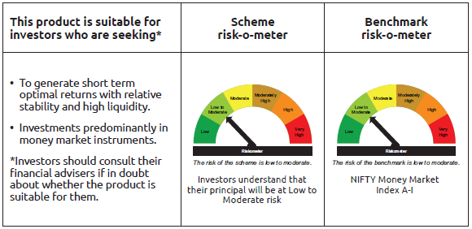
IDF003 | Portfolio Statement as on February 27,2026
 | Bandhan Money Market Fund

 | Name of the Instrument | ISIN | Industry / Rating | Quantity | Market/Fair Value ( Rs. in Lacs) | % to NAV | YTM
 | Debt Instruments
 | (a) Listed / awaiting listing on Stock Exchange
 | Government Securities
GOI1715 | 7.59% Gujarat SDL (MD 15/02/2027) | IN1520160194 | SOVEREIGN | 11,000,000 | 11,180.60 | 0.76% | 5.89%
GOI1703 | 7.2% Karnatak SDL (MD 25/01/2027) | IN1920160083 | SOVEREIGN | 11,000,000 | 11,134.99 | 0.76% | 5.87%
GOI2497 | 7.08% Karnataka SDL (MD 14/12/2026) | IN1920160059 | SOVEREIGN | 10,500,000 | 10,601.76 | 0.72% | 5.88%
GOI1702 | 7.19% Gujarat SDL (MD 25/01/2027) | IN1520160186 | SOVEREIGN | 10,000,000 | 10,121.84 | 0.69% | 5.87%
GOI1604 | 7.96% Maharastra SDL(MD 29/06/2026) | IN2220160021 | SOVEREIGN | 10,000,000 | 10,083.68 | 0.68% | 5.43%
GOI1621 | 8.01% Tamil Nadu SDL(MD 11/05/2026) | IN3120160038 | SOVEREIGN | 6,500,000 | 6,534.52 | 0.44% | 5.39%
GOI3565 | 7.39% Tamil Nadu SDL (MD 09/11/2026) | IN3120160137 | SOVEREIGN | 5,928,300 | 5,991.13 | 0.41% | 5.88%
GOI1566 | 8.08% Maharastra SDL(MD 15/06/2026) | IN2220160013 | SOVEREIGN | 4,500,000 | 4,534.58 | 0.31% | 5.44%
GOI4553 | 8.02% Telangana SDL (MD 25/05/2026) | IN4520160040 | SOVEREIGN | 4,000,000 | 4,024.97 | 0.27% | 5.43%
GOI3503 | 7.05% Gujarat SDL (MD 14/12/2026) | IN1520160152 | SOVEREIGN | 3,966,900 | 4,004.43 | 0.27% | 5.88%
GOI3541 | 7.37% Maharashtra SDL (MD 14/09/2026) | IN2220160062 | SOVEREIGN | 2,500,000 | 2,523.57 | 0.17% | 5.66%
GOI3082 | 7.22% Karnataka SDL (MD 26/10/2026) | IN1920160026 | SOVEREIGN | 2,500,000 | 2,523.42 | 0.17% | 5.82%
GOI3730 | 7.38% Rajasthan SDL (MD 14/09/2026) | IN2920160156 | SOVEREIGN | 2,500,000 | 2,522.66 | 0.17% | 5.74%
GOI1472 | 8.60% Bihar SDL (MD 09/03/2026) | IN1320150056 | SOVEREIGN | 2,500,000 | 2,503.38 | 0.17% | 4.97%
GOI3535 | 8.55% Rajasthan SDL (MD 09/03/2026) | IN2920150264 | SOVEREIGN | 2,500,000 | 2,503.35 | 0.17% | 4.96%
GOI896 | 8.33% GOI 2026 (M/D 09/07/2026) | IN0020120039 | SOVEREIGN | 500,000 | 505.06 | 0.03% | 5.51%
GOI1648 | 8.57% Andhra Pradesh SDL (MD 09/03/2026) | IN1020150141 | SOVEREIGN | 168,000 | 168.22 | 0.01% | 4.99%
 | Subtotal |  |  |  | 91,462.16 | 6.20%
 | (b) Privately placed / Unlisted |  |  |  | NIL | NIL | NIL
 | Subtotal |  |  |  | NIL | NIL | NIL
 | Total |  |  |  | 91,462.16 | 6.20%
 | Money Market Instruments
 | Certificate of Deposit
NBAR881 | National Bank For Agriculture and Rural Development ** | INE261F16AK6 | CRISIL A1+ | 50,000,000 | 46,831.95 | 3.18% | 6.98%
NBAR835 | National Bank For Agriculture and Rural Development ** | INE261F16983 | CRISIL A1+ | 45,000,000 | 44,910.99 | 3.05% | 5.57%
UTIB1376 | Axis Bank Limited ** | INE238AD6BK4 | CRISIL A1+ | 45,000,000 | 44,460.95 | 3.02% | 7.26%
NBAR883 | National Bank For Agriculture and Rural Development ** | INE261F16AL4 | CRISIL A1+ | 47,500,000 | 44,418.77 | 3.02% | 6.98%
UTIB1388 | Axis Bank Limited ** | INE238AD6CA3 | CRISIL A1+ | 45,000,000 | 42,632.64 | 2.89% | 6.97%
PUBA1144 | Punjab National Bank ** | INE160A16UE2 | CRISIL A1+ | 40,000,000 | 37,580.88 | 2.55% | 6.87%
HDFB1041 | HDFC Bank Limited ** | INE040A16IO0 | CARE A1+ | 40,000,000 | 37,455.04 | 2.54% | 6.87%
SIDB660 | Small Industries Dev Bank of India ** | INE556F16CC2 | CRISIL A1+ | 40,000,000 | 37,389.64 | 2.54% | 7.02%
SIDB628 | Small Industries Dev Bank of India ** | INE556F16BQ4 | CRISIL A1+ | 37,500,000 | 35,758.99 | 2.43% | 7.08%
INBK517 | Indian Bank ** | INE562A16QI8 | CRISIL A1+ | 35,000,000 | 32,887.65 | 2.23% | 6.86%
INBK521 | Indian Bank ** | INE562A16QM0 | CRISIL A1+ | 30,000,000 | 28,495.98 | 1.94% | 6.91%
KMBK895 | Kotak Mahindra Bank Limited ** | INE237AD6125 | CRISIL A1+ | 30,000,000 | 28,213.32 | 1.92% | 6.90%
NBAR839 | National Bank For Agriculture and Rural Development ** | INE261F16AA7 | CRISIL A1+ | 25,000,000 | 24,903.75 | 1.69% | 5.64%
KMBK891 | Kotak Mahindra Bank Limited ** | INE237AD6075 | CRISIL A1+ | 25,000,000 | 24,151.43 | 1.64% | 6.97%
PUBA1138 | Punjab National Bank ** | INE160A16TZ9 | CRISIL A1+ | 25,000,000 | 23,697.13 | 1.61% | 6.92%
KMBK898 | Kotak Mahindra Bank Limited ** | INE237AD6158 | CRISIL A1+ | 25,000,000 | 23,672.50 | 1.61% | 6.92%
NBAR873 | National Bank For Agriculture and Rural Development ** | INE261F16AG4 | CRISIL A1+ | 25,000,000 | 23,487.20 | 1.59% | 7.06%
SIDB622 | Small Industries Dev Bank of India ** | INE556F16BO9 | CRISIL A1+ | 22,500,000 | 21,491.17 | 1.46% | 7.08%
UTIB1380 | Axis Bank Limited ** | INE238AD6BO6 | CRISIL A1+ | 22,500,000 | 21,385.37 | 1.45% | 7.02%
FEBA356 | The Federal Bank Limited ** | INE171A16ND6 | CRISIL A1+ | 20,000,000 | 19,686.76 | 1.34% | 7.17%
BKBA548 | Bank of Baroda ** | INE028A16KK9 | FITCH A1+ | 20,000,000 | 19,018.06 | 1.29% | 6.98%
BKBA551 | Bank of Baroda ** | INE028A16KO1 | CARE A1+ | 20,000,000 | 18,998.00 | 1.29% | 6.90%
KMBK894 | Kotak Mahindra Bank Limited ** | INE237AD6117 | CRISIL A1+ | 20,000,000 | 18,879.36 | 1.28% | 6.90%
IBCL1180 | ICICI Bank Limited ** | INE090AD6279 | ICRA A1+ | 20,000,000 | 18,822.02 | 1.28% | 6.86%
EXIM802 | Export Import Bank of India ** | INE514E16CK7 | CRISIL A1+ | 17,500,000 | 17,446.94 | 1.18% | 5.55%
HDFB1010 | HDFC Bank Limited ** | INE040A16HF0 | CRISIL A1+ | 17,500,000 | 16,982.47 | 1.15% | 7.04%
SIDB647 | Small Industries Dev Bank of India ** | INE556F16BW2 | CRISIL A1+ | 17,500,000 | 16,443.70 | 1.12% | 7.02%
BKBA558 | Bank of Baroda ** | INE028A16KT0 | FITCH A1+ | 15,000,000 | 14,230.61 | 0.97% | 6.90%
BKBA559 | Bank of Baroda ** | INE028A16KW4 | FITCH A1+ | 15,000,000 | 14,220.41 | 0.97% | 6.90%
BKBA560 | Bank of Baroda ** | INE028A16KX2 | FITCH A1+ | 15,000,000 | 14,165.72 | 0.96% | 6.89%
HDFB1035 | HDFC Bank Limited ** | INE040A16IM4 | CRISIL A1+ | 15,000,000 | 14,089.74 | 0.96% | 6.90%
SIDB653 | Small Industries Dev Bank of India ** | INE556F16CA6 | CRISIL A1+ | 15,000,000 | 14,064.09 | 0.96% | 7.02%
PUBA1092 | Punjab National Bank ** | INE160A16RP4 | CRISIL A1+ | 12,500,000 | 12,452.40 | 0.85% | 5.58%
HDFB1030 | HDFC Bank Limited ** | INE040A16II2 | CRISIL A1+ | 12,500,000 | 11,832.61 | 0.80% | 6.96%
UNBI457 | Union Bank of India ** | INE692A16KM8 | ICRA A1+ | 10,000,000 | 9,981.82 | 0.68% | 5.54%
CANB1046 | Canara Bank ** | INE476A16B64 | CRISIL A1+ | 10,000,000 | 9,972.76 | 0.68% | 5.54%
SIDB599 | Small Industries Dev Bank of India ** | INE556F16BG5 | CRISIL A1+ | 10,000,000 | 9,959.92 | 0.68% | 5.65%
BKBA553 | Bank of Baroda ** | INE028A16KR4 | CARE A1+ | 10,000,000 | 9,816.61 | 0.67% | 7.03%
HDFB1039 | HDFC Bank Limited ** | INE040A16IJ0 | CRISIL A1+ | 10,000,000 | 9,478.06 | 0.64% | 6.96%
INBK515 | Indian Bank ** | INE562A16QE7 | CRISIL A1+ | 10,000,000 | 9,433.71 | 0.64% | 6.89%
HDFB1034 | HDFC Bank Limited ** | INE040A16IK8 | CRISIL A1+ | 10,000,000 | 9,413.36 | 0.64% | 6.94%
CANB1084 | Canara Bank ** | INE476A16G44 | CRISIL A1+ | 10,000,000 | 9,399.61 | 0.64% | 6.88%
FEBA361 | The Federal Bank Limited ** | INE171A16NJ3 | CRISIL A1+ | 10,000,000 | 9,395.92 | 0.64% | 7.01%
PUBA1090 | Punjab National Bank ** | INE160A16RK5 | CRISIL A1+ | 8,300,000 | 8,277.28 | 0.56% | 5.56%
UNBI458 | Union Bank of India ** | INE692A16KO4 | ICRA A1+ | 7,500,000 | 7,477.06 | 0.51% | 5.60%
HDFB1022 | HDFC Bank Limited ** | INE040A16HW5 | CRISIL A1+ | 7,500,000 | 7,145.92 | 0.49% | 7.01%
SIDB638 | Small Industries Dev Bank of India ** | INE556F16BS0 | CARE A1+ | 7,500,000 | 7,118.05 | 0.48% | 7.02%
HDFB1014 | HDFC Bank Limited ** | INE040A16HM6 | CARE A1+ | 5,000,000 | 4,993.17 | 0.34% | 5.55%
CANB1041 | Canara Bank ** | INE476A16B23 | CRISIL A1+ | 5,000,000 | 4,990.90 | 0.34% | 5.55%
INBK469 | Indian Bank ** | INE562A16OI3 | CRISIL A1+ | 5,000,000 | 4,990.90 | 0.34% | 5.55%
PUBA1135 | Punjab National Bank ** | INE160A16TU0 | CRISIL A1+ | 5,000,000 | 4,990.14 | 0.34% | 5.55%
HDFB1025 | HDFC Bank Limited ** | INE040A16HO2 | CRISIL A1+ | 5,000,000 | 4,834.04 | 0.33% | 7.04%
BKBA545 | Bank of Baroda ** | INE028A16KI3 | FITCH A1+ | 5,000,000 | 4,771.00 | 0.32% | 6.98%
UTIB1381 | Axis Bank Limited ** | INE238AD6BP3 | CRISIL A1+ | 5,000,000 | 4,751.44 | 0.32% | 7.02%
NBAR872 | National Bank For Agriculture and Rural Development ** | INE261F16AF6 | ICRA A1+ | 5,000,000 | 4,702.57 | 0.32% | 7.04%
SIDB649 | Small Industries Dev Bank of India ** | INE556F16BY8 | CRISIL A1+ | 5,000,000 | 4,692.26 | 0.32% | 7.02%
UTIB1367 | Axis Bank Limited ** | INE238AD6BC1 | CRISIL A1+ | 2,500,000 | 2,423.69 | 0.16% | 7.05%
HDFB1015 | HDFC Bank Limited ** | INE040A16HN4 | CRISIL A1+ | 2,500,000 | 2,409.38 | 0.16% | 7.04%
SIDB627 | Small Industries Dev Bank of India ** | INE556F16BP6 | CRISIL A1+ | 2,500,000 | 2,385.26 | 0.16% | 7.08%
HDFB1021 | HDFC Bank Limited ** | INE040A16HU9 | CARE A1+ | 2,500,000 | 2,385.03 | 0.16% | 7.01%
SIDB630 | Small Industries Dev Bank of India ** | INE556F16BR2 | CARE A1+ | 2,500,000 | 2,382.17 | 0.16% | 7.08%
 | Commercial Paper
SIDB612 | Small Industries Dev Bank of India ** | INE556F14LG9 | CRISIL A1+ | 37,500,000 | 37,482.83 | 2.55% | 5.57%
HDFS325 | HDFC Securities Limited ** | INE700G14RE3 | CRISIL A1+ | 27,500,000 | 27,486.00 | 1.87% | 6.20%
MUFL484 | Muthoot Finance Limited ** | INE414G14VK0 | CRISIL A1+ | 22,500,000 | 21,003.75 | 1.43% | 7.52%
NTPC255 | NTPC Limited ** | INE733E14BU9 | CRISIL A1+ | 20,000,000 | 19,969.58 | 1.36% | 5.56%
CHOL1086 | Cholamandalam Investment and Finance Company Ltd ** | INE121A14XM6 | CRISIL A1+ | 20,000,000 | 19,969.38 | 1.36% | 6.22%
KOSE383 | Kotak Securities Limited ** | INE028E14UV2 | CRISIL A1+ | 20,000,000 | 18,688.68 | 1.27% | 7.34%
CHOL1114 | Cholamandalam Investment and Finance Company Ltd ** | INE121A14YK8 | CRISIL A1+ | 19,000,000 | 17,743.89 | 1.20% | 7.43%
CHOL1110 | Cholamandalam Investment and Finance Company Ltd ** | INE121A14YI2 | CRISIL A1+ | 17,500,000 | 16,364.81 | 1.11% | 7.43%
ICBR569 | ICICI Securities Limited ** | INE763G14XP5 | CRISIL A1+ | 15,000,000 | 14,972.12 | 1.02% | 6.18%
BGFL1176 | Aditya Birla Capital Limited ** | INE674K14BP2 | CRISIL A1+ | 15,000,000 | 14,047.85 | 0.95% | 7.26%
KOSE391 | Kotak Securities Limited ** | INE028E14VC0 | CRISIL A1+ | 15,000,000 | 13,984.98 | 0.95% | 7.34%
LTFH120 | L&T Finance Limited ** | INE498L14DT2 | CRISIL A1+ | 10,000,000 | 9,983.21 | 0.68% | 6.14%
TCAL512 | Tata Capital Limited ** | INE976I14PU5 | CRISIL A1+ | 10,000,000 | 9,981.53 | 0.68% | 6.14%
RICL209 | Barclays Investments & Loans (India) Private Limited ** | INE704I14KL1 | ICRA A1+ | 10,000,000 | 9,971.79 | 0.68% | 6.45%
BGFL1178 | Aditya Birla Capital Limited ** | INE674K14BS6 | ICRA A1+ | 7,500,000 | 7,017.40 | 0.48% | 7.25%
MUFL489 | Muthoot Finance Limited ** | INE414G14VL8 | CRISIL A1+ | 7,500,000 | 6,982.46 | 0.47% | 7.52%
CHOL1109 | Cholamandalam Investment and Finance Company Ltd ** | INE121A14YG6 | CRISIL A1+ | 5,000,000 | 4,683.98 | 0.32% | 7.44%
KMIL499 | Kotak Mahindra Investments Limited ** | INE975F14A35 | CRISIL A1+ | 2,500,000 | 2,495.84 | 0.17% | 6.09%
KOMP1732 | Kotak Mahindra Prime Limited ** | INE916D144Z5 | CRISIL A1+ | 2,500,000 | 2,488.46 | 0.17% | 6.27%
LTFH125 | L&T Finance Limited ** | INE498L14EB8 | CRISIL A1+ | 2,500,000 | 2,452.94 | 0.17% | 7.45%
 | Treasury Bill
TBIL2630 | 182 Days Tbill (MD 27/08/2026) | IN002025Y479 | SOVEREIGN | 70,000,000 | 68,180.98 | 4.63% | 5.41%
TBIL2598 | 182 Days Tbill (MD 04/06/2026) | IN002025Y362 | SOVEREIGN | 45,000,000 | 44,383.37 | 3.01% | 5.28%
TBIL2592 | 182 Days Tbill (MD 21/05/2026) | IN002025Y347 | SOVEREIGN | 21,000,000 | 20,755.90 | 1.41% | 5.23%
TBIL2597 | 182 Days Tbill (MD 28/05/2026) | IN002025Y354 | SOVEREIGN | 20,000,000 | 19,748.64 | 1.34% | 5.22%
TBIL2588 | 182 Days Tbill (MD 14/05/2026) | IN002025Y339 | SOVEREIGN | 11,861,000 | 11,734.66 | 0.80% | 5.24%
TBIL2618 | 364 Days Tbill (MD 28/01/2027) | IN002025Z435 | SOVEREIGN | 6,000,000 | 5,711.79 | 0.39% | 5.51%
TBIL2615 | 91 Days Tbill (MD 23/04/2026) | IN002025X422 | SOVEREIGN | 2,500,000 | 2,480.83 | 0.17% | 5.22%
 | Collateralised Borrowing & Lending Obligation / Reverse Repo Instrument
TRP_020326_VAL | CBLO TRP_020326_VAL |  |  |  | 8.43 | $ | 4.92%
 | Total |  |  |  | 1,488,506.35 | 101.12%
 | Corporate Debt Market Development Fund
CDMD50ME | Corporate Debt Market Development Fund | INF0RQ622028 |  | 30,152 | 3,516.61 | 0.24%
 | Total |  |  |  | 3,516.61 | 0.24%
 | OTHERS
 | Cash Margin - CCIL |  |  |  | 231.14 | 0.02%
 | Subtotal |  |  |  | 231.14 | 0.02%
 | Net Current Assets |  |  |  | (111,058.44) | -7.58%
 | GRAND TOTAL |  |  |  | 1,472,657.82 | 100.00%

 | ** Thinly Traded/Non Traded Securities/Illiquid Securities
 | $ Less Than 0.01% of NAV

 | As per the requirement of regulation 43A of SEBI (Mutual Funds) Regulations, 1996, SEBI circular no. SEBI/HO/IMD/PoD2/P/CIR/2023/128 dated July 27, 2023 on framework for Corporate Debt Market Development Fund and SEBI circular no. SEBI/HO/IMD/PoD2 /P/CIR/2023/129 dated July 27, 2023 on investment by mutual fund schemes and Asset Management Companies (AMCs) in units of Corporate Debt Market Development Fund (“CDMDF”), specified open ended debt-oriented schemes of Bandhan Mutual Fund and Bandhan AMC Limited (‘AMC’) shall invest percentage of net assets in the units of the CDMDF.

Bandhan USTF
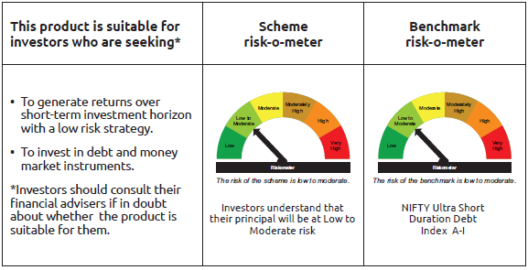
IDF255 | Portfolio Statement as on February 27,2026
 | Bandhan Ultra Short Duration Fund

 | Name of the Instrument | ISIN | Industry / Rating | Quantity | Market/Fair Value ( Rs. in Lacs) | % to NAV | YTM
 | Derivatives
 | Interest Rate Swaps
IRS1160FL | Interest Rate Swaps (25/11/2026) |  |  | 25,000,000 | 25,000.00 | 6.73%
IRS1160FX | Interest Rate Swaps (25/11/2026) |  |  | -25,000,000 | (25,001.08) | -6.73% | 5.41%
 | Total |  |  |  | (1.08) | 0.00%
 | Debt Instruments
 | (a) Listed / awaiting listing on Stock Exchange
 | Government Securities
GOI2233 | 7.27% GOI (MD 08/04/2026) | IN0020190016 | SOVEREIGN | 18,666,100 | 18,708.01 | 5.04% | 5.30%
GOI1785 | 7.86% Karnataka SDL (MD 15/03/2027) | IN1920160117 | SOVEREIGN | 3,500,000 | 3,569.05 | 0.96% | 5.97%
GOI7093 | 6.87% Uttar Pradesh SDL (MD 30/11/2026) | IN3320160283 | SOVEREIGN | 2,000,000 | 2,015.01 | 0.54% | 5.91%
GOI2089 | 8.15% Tamil Nadu SDL (MD 09/05/2028) | IN3120180036 | SOVEREIGN | 500,000 | 518.63 | 0.14% | 6.40%
GOI1875 | 7.61% Tamil Nadu SDL (MD 15/02/2027) | IN3120160194 | SOVEREIGN | 500,000 | 508.30 | 0.14% | 5.89%
GOI2070 | 7.27% Karnataka SDL (MD 28/12/2026) | IN1920160067 | SOVEREIGN | 500,000 | 505.85 | 0.14% | 5.88%
GOI3816 | 7.2% Bihar SDL (MD 25/01/2027) | IN1320160154 | SOVEREIGN | 500,000 | 505.81 | 0.14% | 5.95%
GOI1686 | 7.25% Maharashtra SDL (MD 28/12/2026) | IN2220160120 | SOVEREIGN | 500,000 | 505.77 | 0.14% | 5.88%
GOI6974 | 6.86% Haryana SDL (MD 23/11/2026) | IN1620160235 | SOVEREIGN | 500,000 | 503.51 | 0.14% | 5.94%
 | Non Convertible Debentures
NBAR701 | 7.58% National Bank For Agriculture and Rural Development ** | INE261F08DX0 | CRISIL AAA | 37,500,000 | 37,493.70 | 10.09% | 7.30%
POWF500 | 7.77% Power Finance Corporation Limited ** | INE134E08MC7 | CRISIL AAA | 35,500,000 | 35,584.31 | 9.58% | 7.25%
SIDB519 | 7.44% Small Industries Dev Bank of India ** | INE556F08KI9 | CRISIL AAA | 12,500,000 | 12,487.85 | 3.36% | 7.37%
TCHF401 | 8.1% Tata Capital Housing Finance Limited ** | INE033L07IE2 | CRISIL AAA | 7,500,000 | 7,565.59 | 2.04% | 7.13%
BHFL121 | 7.98% Bajaj Housing Finance Limited ** | INE377Y07490 | CRISIL AAA | 7,500,000 | 7,511.52 | 2.02% | 7.40%
CHOL1092 | 7.38% Cholamandalam Investment and Finance Company Ltd ** | INE121A07SN8 | ICRA AA+ | 7,500,000 | 7,480.36 | 2.01% | 7.57%
TCHF375 | 7.8% Tata Capital Housing Finance Limited ** | INE033L07HU0 | CRISIL AAA | 5,000,000 | 5,038.52 | 1.36% | 7.17%
POWF507 | 7.7% Power Finance Corporation Limited ** | INE134E08MK0 | CRISIL AAA | 5,000,000 | 5,013.27 | 1.35% | 7.27%
BHFL133 | 7.14% Bajaj Housing Finance Limited ** | INE377Y07557 | CRISIL AAA | 5,000,000 | 5,001.27 | 1.35% | 7.11%
NBAR719 | 7.5% National Bank For Agriculture and Rural Development ** | INE261F08EA6 | CRISIL AAA | 3,500,000 | 3,498.49 | 0.94% | 7.32%
BHFL97 | 7.98% Bajaj Housing Finance Limited ** | INE377Y07383 | CRISIL AAA | 3,000,000 | 3,037.24 | 0.82% | 7.15%
BHFL119 | 8.1% Bajaj Housing Finance Limited ** | INE377Y07482 | CRISIL AAA | 2,500,000 | 2,528.17 | 0.68% | 7.15%
MUFL429 | 8.97% Muthoot Finance Limited ** | INE414G07JH5 | CRISIL AA+ | 2,500,000 | 2,524.98 | 0.68% | 7.69%
BHFL96 | 7.9237% Bajaj Housing Finance Limited ** | INE377Y07375 | CRISIL AAA | 2,500,000 | 2,501.68 | 0.67% | 5.93%
SIDB513 | 7.43% Small Industries Dev Bank of India ** | INE556F08KH1 | CRISIL AAA | 2,500,000 | 2,497.43 | 0.67% | 7.37%
 | Subtotal |  |  |  | 167,104.32 | 45.00%
 | (b) Privately placed / Unlisted |  |  |  | NIL | NIL | NIL
 | Subtotal |  |  |  | NIL | NIL | NIL
 | Total |  |  |  | 167,104.32 | 45.00%
 | Money Market Instruments
 | Certificate of Deposit
HDFB1015 | HDFC Bank Limited ** | INE040A16HN4 | CRISIL A1+ | 40,500,000 | 39,032.00 | 10.51% | 7.04%
BKBA537 | Bank of Baroda ** | INE028A16KC6 | FITCH A1+ | 25,000,000 | 24,079.05 | 6.48% | 6.98%
UTIB1374 | Axis Bank Limited ** | INE238AD6BI8 | CRISIL A1+ | 20,000,000 | 19,156.30 | 5.16% | 7.02%
INBK524 | Indian Bank ** | INE562A16QO6 | CRISIL A1+ | 15,000,000 | 14,232.65 | 3.83% | 6.91%
EXIM802 | Export Import Bank of India ** | INE514E16CK7 | CRISIL A1+ | 12,500,000 | 12,462.10 | 3.35% | 5.55%
SIDB619 | Small Industries Dev Bank of India ** | INE556F16BL5 | CRISIL A1+ | 12,500,000 | 11,972.81 | 3.22% | 7.08%
BKBA551 | Bank of Baroda ** | INE028A16KO1 | CARE A1+ | 10,000,000 | 9,499.00 | 2.56% | 6.90%
SIDB622 | Small Industries Dev Bank of India ** | INE556F16BO9 | CRISIL A1+ | 9,000,000 | 8,596.47 | 2.31% | 7.08%
SIDB628 | Small Industries Dev Bank of India ** | INE556F16BQ4 | CRISIL A1+ | 7,500,000 | 7,151.80 | 1.93% | 7.08%
HDFB1031 | HDFC Bank Limited ** | INE040A16HR5 | CRISIL A1+ | 5,000,000 | 4,809.82 | 1.29% | 7.04%
UTIB1375 | Axis Bank Limited ** | INE238AD6BJ6 | CRISIL A1+ | 2,500,000 | 2,394.10 | 0.64% | 7.02%
BKBA548 | Bank of Baroda ** | INE028A16KK9 | FITCH A1+ | 2,500,000 | 2,377.26 | 0.64% | 6.98%
UNBI444 | Union Bank of India ** | INE692A16JQ1 | ICRA A1+ | 500,000 | 489.00 | 0.13% | 7.02%
 | Commercial Paper
RICL218 | Barclays Investments & Loans (India) Private Limited ** | INE704I14LB0 | CRISIL A1+ | 10,000,000 | 9,588.95 | 2.58% | 7.63%
ICBR641 | ICICI Securities Limited ** | INE763G14D03 | CRISIL A1+ | 7,500,000 | 7,488.59 | 2.02% | 6.18%
 | Treasury Bill
TBIL2487 | 364 Days Tbill (MD 19/03/2026) | IN002024Z495 | SOVEREIGN | 5,000,000 | 4,988.06 | 1.34% | 4.60%
 | Collateralised Borrowing & Lending Obligation / Reverse Repo Instrument
TRP_020326_VAL | CBLO TRP_020326_VAL |  |  |  | 20,271.36 | 5.46% | 4.92%
 | Total |  |  |  | 198,589.32 | 53.45%
 | Corporate Debt Market Development Fund
CDMD50ME | Corporate Debt Market Development Fund | INF0RQ622028 |  | 11,244 | 1,311.32 | 0.35%
 | Total |  |  |  | 1,311.32 | 0.35%
 | OTHERS
 | Cash Margin - CCIL |  |  |  | 0.27 | $
 | Subtotal |  |  |  | 0.27 | $
 | Net Current Assets |  |  |  | 4,455.96 | 1.20%
 | GRAND TOTAL |  |  |  | 371,461.19 | 100.00%

 | $ Less Than 0.01% of NAV
 | ** Thinly Traded/Non Traded Securities/Illiquid Securities

 | As per the requirement of regulation 43A of SEBI (Mutual Funds) Regulations, 1996, SEBI circular no. SEBI/HO/IMD/PoD2/P/CIR/2023/128 dated July 27, 2023 on framework for Corporate Debt Market Development Fund and SEBI circular no. SEBI/HO/IMD/PoD2 /P/CIR/2023/129 dated July 27, 2023 on investment by mutual fund schemes and Asset Management Companies (AMCs) in units of Corporate Debt Market Development Fund (“CDMDF”), specified open ended debt-oriented schemes of Bandhan Mutual Fund and Bandhan AMC Limited (‘AMC’) shall invest percentage of net assets in the units of the CDMDF.

Bandhan DBF
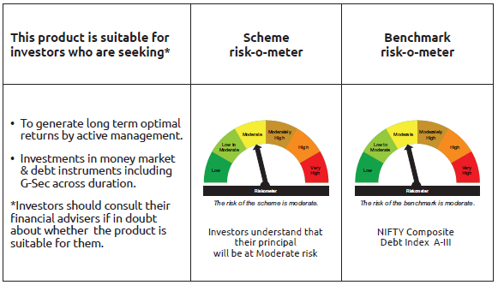
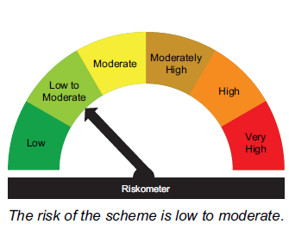
IDF006 | Portfolio Statement as on February 27,2026
 | Bandhan Dynamic Bond Fund

 | Name of the Instrument | ISIN | Industry / Rating | Quantity | Market/Fair Value ( Rs. in Lacs) | % to NAV | YTM
 | Derivatives
 | Interest Rate Swaps
IRS1112FL | Interest Rate Swaps (17/01/2028) |  |  | 15,000,000 | 15,000.00 | 6.82%
IRS1113FL | Interest Rate Swaps (17/01/2028) |  |  | 15,000,000 | 15,000.00 | 6.82%
IRS1114FL | Interest Rate Swaps (17/01/2028) |  |  | 15,000,000 | 15,000.00 | 6.82%
IRS1128FL | Interest Rate Swaps (31/01/2028) |  |  | 12,500,000 | 12,500.00 | 5.68%
IRS1139FL | Interest Rate Swaps (04/02/2028) |  |  | 12,500,000 | 12,500.00 | 5.68%
IRS1143FL | Interest Rate Swaps (09/02/2028) |  |  | 12,500,000 | 12,500.00 | 5.68%
IRS1155FL | Interest Rate Swaps (17/02/2028) |  |  | 12,500,000 | 12,500.00 | 5.68%
IRS1155FX | Interest Rate Swaps (17/02/2028) |  |  | -12,500,000 | (12,502.81) | -5.68% | 5.67%
IRS1139FX | Interest Rate Swaps (04/02/2028) |  |  | -12,500,000 | (12,515.31) | -5.69% | 5.67%
IRS1143FX | Interest Rate Swaps (09/02/2028) |  |  | -12,500,000 | (12,520.05) | -5.69% | 5.67%
IRS1128FX | Interest Rate Swaps (31/01/2028) |  |  | -12,500,000 | (12,532.95) | -5.70% | 5.66%
IRS1114FX | Interest Rate Swaps (17/01/2028) |  |  | -15,000,000 | (15,002.06) | -6.82% | 5.66%
IRS1113FX | Interest Rate Swaps (17/01/2028) |  |  | -15,000,000 | (15,004.04) | -6.82% | 5.66%
IRS1112FX | Interest Rate Swaps (17/01/2028) |  |  | -15,000,000 | (15,004.71) | -6.82% | 5.66%
 | Total |  |  |  | (81.93) | -0.04%
 | Debt Instruments
 | (a) Listed / awaiting listing on Stock Exchange
 | Government Securities
GOI5052 | 7.73% Maharashtra SDL (MD 29/03/2032) | IN2220220254 | SOVEREIGN | 5,000,000 | 5,168.44 | 2.35% | 7.16%
GOI6320 | 6.79% GOI (MD 30/12/2031) | IN0020240191 | SOVEREIGN | 4,400,000 | 4,483.16 | 2.04% | 6.50%
GOI4349 | 7.3% Tamilnadu SDL (MD 30/03/2032) | IN3120210510 | SOVEREIGN | 4,000,000 | 4,050.81 | 1.84% | 7.16%
GOI5833 | 7.02% GOI (MD 18/06/2031) | IN0020240076 | SOVEREIGN | 200,000 | 205.68 | 0.09% | 6.48%
 | Non Convertible Debentures
BHFL147 | 7.1% Bajaj Housing Finance Limited ** | INE377Y07607 | CRISIL AAA | 19,000,000 | 18,920.37 | 8.60% | 7.26%
IRLY383 | 7.37% Indian Railway Finance Corporation Limited ** | INE053F08411 | CRISIL AAA | 15,000,000 | 15,185.79 | 6.90% | 6.96%
NBAR860 | 6.66% National Bank For Agriculture and Rural Development ** | INE261F08EP4 | ICRA AAA | 12,500,000 | 12,377.44 | 5.63% | 7.06%
NBAR838 | 7.48% National Bank For Agriculture and Rural Development ** | INE261F08EO7 | CRISIL AAA | 10,000,000 | 10,088.50 | 4.59% | 7.06%
LICH686 | 7.74% LIC Housing Finance Limited ** | INE115A07QZ8 | CRISIL AAA | 10,000,000 | 10,083.37 | 4.58% | 7.15%
SIDB573 | 7.34% Small Industries Dev Bank of India ** | INE556F08KS8 | CRISIL AAA | 10,000,000 | 10,044.30 | 4.57% | 7.17%
KOMP1740 | 7.1554% Kotak Mahindra Prime Limited ** | INE916DA7TA4 | CRISIL AAA | 10,000,000 | 9,958.45 | 4.53% | 7.33%
TCHF429 | 7.685% Tata Capital Housing Finance Limited ** | INE033L07IL7 | CRISIL AAA | 6,000,000 | 6,056.32 | 2.75% | 7.22%
IRLY333 | 7.5% Indian Railway Finance Corporation Limited ** | INE053F07BW9 | CRISIL AAA | 5,000,000 | 5,083.62 | 2.31% | 6.96%
RECL431 | 7.77% REC Limited ** | INE020B08EH0 | CRISIL AAA | 5,000,000 | 5,076.09 | 2.31% | 6.95%
KOMP1680 | 7.83% Kotak Mahindra Prime Limited ** | INE916DA7SJ7 | CRISIL AAA | 5,000,000 | 5,047.55 | 2.29% | 7.35%
RECL471 | 7.44% REC Limited ** | INE020B08FR6 | CRISIL AAA | 5,000,000 | 5,045.25 | 2.29% | 6.95%
SIDB646 | 7.04% Small Industries Dev Bank of India ** | INE556F08LB2 | CRISIL AAA | 5,000,000 | 4,986.13 | 2.27% | 7.14%
IRLY377 | 7.57% Indian Railway Finance Corporation Limited ** | INE053F08353 | CRISIL AAA | 2,500,000 | 2,540.08 | 1.15% | 6.98%
RECL457 | 7.58% REC Limited ** | INE020B08FD6 | ICRA AAA | 2,500,000 | 2,533.99 | 1.15% | 7.08%
LICH671 | 7.77% LIC Housing Finance Limited ** | INE115A07QM6 | CRISIL AAA | 2,500,000 | 2,529.04 | 1.15% | 7.21%
IRLY373 | 7.45% Indian Railway Finance Corporation Limited ** | INE053F08320 | CRISIL AAA | 2,500,000 | 2,529.01 | 1.15% | 6.96%
EXIM765 | 7.4% Export Import Bank of India ** | INE514E08GC2 | CRISIL AAA | 2,500,000 | 2,528.33 | 1.15% | 6.97%
BAFL943 | 7.7951% Bajaj Finance Limited ** | INE296A07TF2 | CRISIL AAA | 2,000,000 | 2,015.39 | 0.92% | 7.29%
 | Subtotal |  |  |  | 146,537.11 | 66.61%
 | (b) Privately placed / Unlisted |  |  |  | NIL | NIL | NIL
 | Subtotal |  |  |  | NIL | NIL | NIL
 | Total |  |  |  | 146,537.11 | 66.61%
 | Money Market Instruments
 | Certificate of Deposit
HDFB1039 | HDFC Bank Limited ** | INE040A16IJ0 | CRISIL A1+ | 15,000,000 | 14,217.09 | 6.46% | 6.96%
INBK521 | Indian Bank ** | INE562A16QM0 | CRISIL A1+ | 12,500,000 | 11,873.33 | 5.40% | 6.91%
HDFB1015 | HDFC Bank Limited ** | INE040A16HN4 | CRISIL A1+ | 10,000,000 | 9,637.53 | 4.38% | 7.04%
KMBK898 | Kotak Mahindra Bank Limited ** | INE237AD6158 | CRISIL A1+ | 10,000,000 | 9,469.00 | 4.31% | 6.92%
SIDB628 | Small Industries Dev Bank of India ** | INE556F16BQ4 | CRISIL A1+ | 5,000,000 | 4,767.87 | 2.17% | 7.08%
EXIM799 | Export Import Bank of India ** | INE514E16CJ9 | CRISIL A1+ | 2,500,000 | 2,498.52 | 1.14% | 5.43%
UNBI457 | Union Bank of India ** | INE692A16KM8 | ICRA A1+ | 2,500,000 | 2,495.46 | 1.13% | 5.54%
PUBA1090 | Punjab National Bank ** | INE160A16RK5 | CRISIL A1+ | 2,500,000 | 2,493.16 | 1.13% | 5.56%
 | Collateralised Borrowing & Lending Obligation / Reverse Repo Instrument
TRP_020326_VAL | CBLO TRP_020326_VAL |  |  |  | 9,224.56 | 4.19% | 4.92%
 | Total |  |  |  | 66,676.52 | 30.31%
 | Corporate Debt Market Development Fund
CDMD50ME | Corporate Debt Market Development Fund | INF0RQ622028 |  | 7,534 | 878.64 | 0.40%
 | Total |  |  |  | 878.64 | 0.40%
 | OTHERS
 | Cash Margin - CCIL |  |  |  | 2.04 | $
 | Subtotal |  |  |  | 2.04 | $
 | Net Current Assets |  |  |  | 5,846.99 | 2.68%
 | GRAND TOTAL |  |  |  | 219,941.30 | 100.00%

 | $ Less Than 0.01% of NAV
 | ** Thinly Traded/Non Traded Securities/Illiquid Securities

 | As per the requirement of regulation 43A of SEBI (Mutual Funds) Regulations, 1996, SEBI circular no. SEBI/HO/IMD/PoD2/P/CIR/2023/128 dated July 27, 2023 on framework for Corporate Debt Market Development Fund and SEBI circular no. SEBI/HO/IMD/PoD2 /P/CIR/2023/129 dated July 27, 2023 on investment by mutual fund schemes and Asset Management Companies (AMCs) in units of Corporate Debt Market Development Fund (“CDMDF”), specified open ended debt-oriented schemes of Bandhan Mutual Fund and Bandhan AMC Limited (‘AMC’) shall invest percentage of net assets in the units of the CDMDF.

Bandhan BF - IP
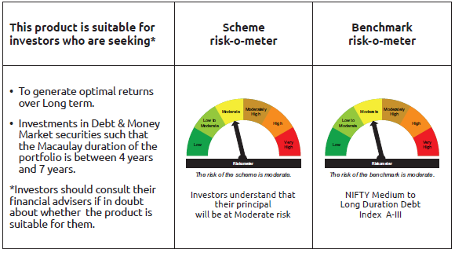
IDF010 | Portfolio Statement as on February 27,2026
 | Bandhan Medium to Long Duration Fund

 | Name of the Instrument | ISIN | Industry / Rating | Quantity | Market/Fair Value ( Rs. in Lacs) | % to NAV | YTM
 | Derivatives
 | Interest Rate Swaps
IRS1127FL | Interest Rate Swaps (31/01/2028) |  |  | 2,500,000 | 2,500.00 | 5.43%
IRS1138FL | Interest Rate Swaps (04/02/2028) |  |  | 2,500,000 | 2,500.00 | 5.43%
IRS1142FL | Interest Rate Swaps (09/02/2028) |  |  | 2,500,000 | 2,500.00 | 5.43%
IRS1150FL | Interest Rate Swaps (11/02/2028) |  |  | 2,500,000 | 2,500.00 | 5.43%
IRS1152FL | Interest Rate Swaps (14/02/2028) |  |  | 2,500,000 | 2,500.00 | 5.43%
IRS1154FL | Interest Rate Swaps (17/02/2028) |  |  | 2,500,000 | 2,500.00 | 5.43%
IRS1154FX | Interest Rate Swaps (17/02/2028) |  |  | -2,500,000 | (2,500.56) | -5.43% | 5.67%
IRS1138FX | Interest Rate Swaps (04/02/2028) |  |  | -2,500,000 | (2,503.06) | -5.43% | 5.67%
IRS1152FX | Interest Rate Swaps (14/02/2028) |  |  | -2,500,000 | (2,503.36) | -5.43% | 5.67%
IRS1150FX | Interest Rate Swaps (11/02/2028) |  |  | -2,500,000 | (2,503.53) | -5.43% | 5.67%
IRS1142FX | Interest Rate Swaps (09/02/2028) |  |  | -2,500,000 | (2,504.01) | -5.44% | 5.67%
IRS1127FX | Interest Rate Swaps (31/01/2028) |  |  | -2,500,000 | (2,506.59) | -5.44% | 5.66%
 | Total |  |  |  | (21.11) | -0.02%
 | Debt Instruments
 | (a) Listed / awaiting listing on Stock Exchange
 | Government Securities
GOI3528 | 6.1% GOI (MD 12/07/2031) | IN0020210095 | SOVEREIGN | 5,000,000 | 4,932.25 | 10.71% | 6.50%
GOI1864 | 6.79% GOI (MD 15/05/2027) | IN0020170026 | SOVEREIGN | 100,000 | 101.43 | 0.22% | 5.63%
GOI1364 | 7.73% GOI (MD 19/12/2034) | IN0020150051 | SOVEREIGN | 37,500 | 40.08 | 0.09% | 6.79%
 | Non Convertible Debentures
RECL471 | 7.44% REC Limited ** | INE020B08FR6 | CRISIL AAA | 5,000,000 | 5,045.25 | 10.95% | 6.95%
EXIM792 | 7.14% Export Import Bank of India ** | INE514E08GD0 | CRISIL AAA | 5,000,000 | 5,026.31 | 10.91% | 6.97%
TCHF429 | 7.685% Tata Capital Housing Finance Limited ** | INE033L07IL7 | CRISIL AAA | 3,500,000 | 3,532.85 | 7.67% | 7.22%
IRLY380 | 7.46% Indian Railway Finance Corporation Limited ** | INE053F08387 | CRISIL AAA | 2,500,000 | 2,533.98 | 5.50% | 6.98%
IRLY383 | 7.37% Indian Railway Finance Corporation Limited ** | INE053F08411 | CRISIL AAA | 2,500,000 | 2,530.97 | 5.49% | 6.96%
BAFL863 | 7.85% Bajaj Finance Limited ** | INE296A07SO6 | CRISIL AAA | 2,500,000 | 2,526.25 | 5.48% | 7.35%
NBAR838 | 7.48% National Bank For Agriculture and Rural Development ** | INE261F08EO7 | CRISIL AAA | 2,500,000 | 2,522.13 | 5.47% | 7.06%
BHFL147 | 7.1% Bajaj Housing Finance Limited ** | INE377Y07607 | CRISIL AAA | 2,500,000 | 2,489.52 | 5.40% | 7.26%
BHFL114 | 8.04% Bajaj Housing Finance Limited ** | INE377Y07441 | CRISIL AAA | 2,000,000 | 2,014.42 | 4.37% | 7.11%
TCFS680 | 8.098% Tata Capital Limited ** | INE306N07NS8 | CRISIL AAA | 1,700,000 | 1,710.93 | 3.71% | 7.31%
NBAR805 | 7.53% National Bank For Agriculture and Rural Development ** | INE261F08EM1 | ICRA AAA | 1,000,000 | 1,008.78 | 2.19% | 7.05%
 | Subtotal |  |  |  | 36,015.15 | 78.16%
 | (b) Privately placed / Unlisted |  |  |  | NIL | NIL | NIL
 | Subtotal |  |  |  | NIL | NIL | NIL
 | Total |  |  |  | 36,015.15 | 78.16%
 | Money Market Instruments
 | Certificate of Deposit
SIDB628 | Small Industries Dev Bank of India ** | INE556F16BQ4 | CRISIL A1+ | 5,000,000 | 4,767.87 | 10.35% | 7.08%
INBK521 | Indian Bank ** | INE562A16QM0 | CRISIL A1+ | 2,500,000 | 2,374.67 | 5.15% | 6.91%
 | Collateralised Borrowing & Lending Obligation / Reverse Repo Instrument
TRP_020326_VAL | CBLO TRP_020326_VAL |  |  |  | 1,724.09 | 3.74% | 4.92%
 | Total |  |  |  | 8,866.63 | 19.24%
 | Corporate Debt Market Development Fund
CDMD50ME | Corporate Debt Market Development Fund | INF0RQ622028 |  | 1,254 | 146.27 | 0.32%
 | Total |  |  |  | 146.27 | 0.32%
 | OTHERS
 | Cash Margin - CCIL |  |  |  | 0.17 | $
 | Subtotal |  |  |  | 0.17 | $
 | Net Current Assets |  |  |  | 1,040.18 | 2.28%
 | GRAND TOTAL |  |  |  | 46,068.40 | 100.00%

 | $ Less Than 0.01% of NAV
 | ** Thinly Traded/Non Traded Securities/Illiquid Securities

 | As per the requirement of regulation 43A of SEBI (Mutual Funds) Regulations, 1996, SEBI circular no. SEBI/HO/IMD/PoD2/P/CIR/2023/128 dated July 27, 2023 on framework for Corporate Debt Market Development Fund and SEBI circular no. SEBI/HO/IMD/PoD2 /P/CIR/2023/129 dated July 27, 2023 on investment by mutual fund schemes and Asset Management Companies (AMCs) in units of Corporate Debt Market Development Fund (“CDMDF”), specified open ended debt-oriented schemes of Bandhan Mutual Fund and Bandhan AMC Limited (‘AMC’) shall invest percentage of net assets in the units of the CDMDF.

Bandhan BF MTP
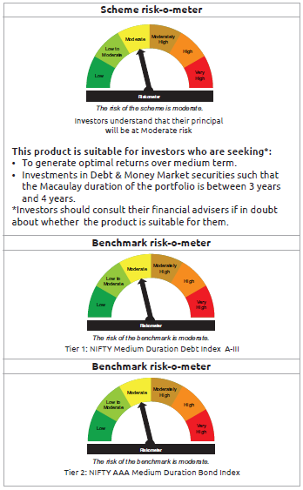
IDF011 | Portfolio Statement as on February 27,2026
 | Bandhan Medium Duration Fund

 | Name of the Instrument | ISIN | Industry / Rating | Quantity | Market/Fair Value ( Rs. in Lacs) | % to NAV | YTM
 | Derivatives
 | Interest Rate Swaps
IRS1126FL | Interest Rate Swaps (31/01/2028) |  |  | 7,500,000 | 7,500.00 | 5.50%
IRS1137FL | Interest Rate Swaps (04/02/2028) |  |  | 7,500,000 | 7,500.00 | 5.50%
IRS1141FL | Interest Rate Swaps (09/02/2028) |  |  | 7,500,000 | 7,500.00 | 5.50%
IRS1149FL | Interest Rate Swaps (11/02/2028) |  |  | 7,500,000 | 7,500.00 | 5.50%
IRS1137FX | Interest Rate Swaps (04/02/2028) |  |  | -7,500,000 | (7,509.19) | -5.50% | 5.67%
IRS1149FX | Interest Rate Swaps (11/02/2028) |  |  | -7,500,000 | (7,510.58) | -5.51% | 5.67%
IRS1141FX | Interest Rate Swaps (09/02/2028) |  |  | -7,500,000 | (7,512.03) | -5.51% | 5.67%
IRS1126FX | Interest Rate Swaps (31/01/2028) |  |  | -7,500,000 | (7,519.77) | -5.51% | 5.66%
 | Total |  |  |  | (51.57) | -0.03%
 | Debt Instruments
 | (a) Listed / awaiting listing on Stock Exchange
 | Government Securities
GOI5833 | 7.02% GOI (MD 18/06/2031) | IN0020240076 | SOVEREIGN | 7,500,000 | 7,713.17 | 5.65% | 6.48%
GOI4986 | 7.68% Gujarat SDL (MD 15/02/2030) | IN1520220238 | SOVEREIGN | 500,000 | 516.79 | 0.38% | 6.81%
GOI2153 | 8.37% Tamil Nadu SDL (MD 05/12/2028) | IN3120180176 | SOVEREIGN | 194,600 | 204.09 | 0.15% | 6.52%
GOI1864 | 6.79% GOI (MD 15/05/2027) | IN0020170026 | SOVEREIGN | 20,000 | 20.29 | 0.01% | 5.63%
GOI536 | 8.24% GOI (MD 15/02/2027) | IN0020060078 | SOVEREIGN | 11,000 | 11.27 | 0.01% | 5.64%
 | Non Convertible Debentures
IRLY383 | 7.37% Indian Railway Finance Corporation Limited ** | INE053F08411 | CRISIL AAA | 12,500,000 | 12,654.83 | 9.28% | 6.96%
TCHF371 | 7.75% Tata Capital Housing Finance Limited ** | INE033L07HQ8 | CRISIL AAA | 10,500,000 | 10,565.60 | 7.74% | 7.16%
BHFL114 | 8.04% Bajaj Housing Finance Limited ** | INE377Y07441 | CRISIL AAA | 10,000,000 | 10,072.08 | 7.38% | 7.11%
NBAR796 | 7.44% National Bank For Agriculture and Rural Development ** | INE261F08EK5 | CRISIL AAA | 10,000,000 | 10,069.83 | 7.38% | 7.05%
RECL431 | 7.77% REC Limited ** | INE020B08EH0 | CRISIL AAA | 5,000,000 | 5,076.09 | 3.72% | 6.95%
RECL426 | 7.55% REC Limited ** | INE020B08EA5 | CRISIL AAA | 5,000,000 | 5,055.43 | 3.71% | 6.95%
EXIM794 | 7.35% Export Import Bank of India ** | INE514E08GE8 | CRISIL AAA | 5,000,000 | 5,047.83 | 3.70% | 6.92%
POWF546 | 7.45% Power Finance Corporation Limited ** | INE134E08NP7 | CRISIL AAA | 5,000,000 | 5,041.00 | 3.70% | 7.08%
SIDB646 | 7.04% Small Industries Dev Bank of India ** | INE556F08LB2 | CRISIL AAA | 5,000,000 | 4,986.13 | 3.65% | 7.14%
TCFS633 | 7.89% Tata Capital Limited ** | INE306N07MX0 | CRISIL AAA | 4,500,000 | 4,530.09 | 3.32% | 7.32%
NBAR805 | 7.53% National Bank For Agriculture and Rural Development ** | INE261F08EM1 | ICRA AAA | 4,000,000 | 4,035.12 | 2.96% | 7.05%
BHFL121 | 7.98% Bajaj Housing Finance Limited ** | INE377Y07490 | CRISIL AAA | 3,500,000 | 3,505.38 | 2.57% | 7.40%
IRLY377 | 7.57% Indian Railway Finance Corporation Limited ** | INE053F08353 | CRISIL AAA | 2,500,000 | 2,540.08 | 1.86% | 6.98%
SIDB573 | 7.34% Small Industries Dev Bank of India ** | INE556F08KS8 | CRISIL AAA | 2,500,000 | 2,511.08 | 1.84% | 7.17%
NBAR838 | 7.48% National Bank For Agriculture and Rural Development ** | INE261F08EO7 | CRISIL AAA | 1,000,000 | 1,008.85 | 0.74% | 7.06%
BHFL147 | 7.1% Bajaj Housing Finance Limited ** | INE377Y07607 | CRISIL AAA | 1,000,000 | 995.81 | 0.73% | 7.26%
TCFS654 | 8.1165% Tata Capital Limited ** | INE306N07NK5 | CRISIL AAA | 900,000 | 900.21 | 0.66% | 7.54%
TCFS680 | 8.098% Tata Capital Limited ** | INE306N07NS8 | CRISIL AAA | 800,000 | 805.14 | 0.59% | 7.31%
BAFL943 | 7.7951% Bajaj Finance Limited ** | INE296A07TF2 | CRISIL AAA | 500,000 | 503.85 | 0.37% | 7.29%
TCFS658 | 8.3% Tata Capital Limited ** | INE306N07NL3 | ICRA AAA | 500,000 | 500.28 | 0.37% | 6.21%
 | Subtotal |  |  |  | 98,870.32 | 72.47%
 | (b) Privately placed / Unlisted |  |  |  | NIL | NIL | NIL
 | Subtotal |  |  |  | NIL | NIL | NIL
 | Total |  |  |  | 98,870.32 | 72.47%
 | Money Market Instruments
 | Certificate of Deposit
PUBA1144 | Punjab National Bank ** | INE160A16UE2 | CRISIL A1+ | 10,000,000 | 9,395.22 | 6.89% | 6.87%
HDFB1025 | HDFC Bank Limited ** | INE040A16HO2 | CRISIL A1+ | 5,000,000 | 4,834.04 | 3.54% | 7.04%
UTIB1380 | Axis Bank Limited ** | INE238AD6BO6 | CRISIL A1+ | 5,000,000 | 4,752.31 | 3.48% | 7.02%
INBK521 | Indian Bank ** | INE562A16QM0 | CRISIL A1+ | 5,000,000 | 4,749.33 | 3.48% | 6.91%
KMBK898 | Kotak Mahindra Bank Limited ** | INE237AD6158 | CRISIL A1+ | 2,500,000 | 2,367.25 | 1.74% | 6.92%
UNBI458 | Union Bank of India ** | INE692A16KO4 | ICRA A1+ | 1,000,000 | 996.94 | 0.73% | 5.60%
 | Collateralised Borrowing & Lending Obligation / Reverse Repo Instrument
TRP_020326_VAL | CBLO TRP_020326_VAL |  |  |  | 5,989.37 | 4.39% | 4.92%
 | Total |  |  |  | 33,084.46 | 24.25%
 | Corporate Debt Market Development Fund
CDMD50ME | Corporate Debt Market Development Fund | INF0RQ622028 |  | 5,086 | 593.20 | 0.43%
 | Total |  |  |  | 593.20 | 0.43%
 | OTHERS
 | Cash Margin - CCIL |  |  |  | 0.51 | $
 | Subtotal |  |  |  | 0.51 | $
 | Net Current Assets |  |  |  | 3,872.43 | 2.85%
 | GRAND TOTAL |  |  |  | 136,420.92 | 100.00%

 | $ Less Than 0.01% of NAV
 | ** Thinly Traded/Non Traded Securities/Illiquid Securities

 | As per the requirement of regulation 43A of SEBI (Mutual Funds) Regulations, 1996, SEBI circular no. SEBI/HO/IMD/PoD2/P/CIR/2023/128 dated July 27, 2023 on framework for Corporate Debt Market Development Fund and SEBI circular no. SEBI/HO/IMD/PoD2 /P/CIR/2023/129 dated July 27, 2023 on investment by mutual fund schemes and Asset Management Companies (AMCs) in units of Corporate Debt Market Development Fund (“CDMDF”), specified open ended debt-oriented schemes of Bandhan Mutual Fund and Bandhan AMC Limited (‘AMC’) shall invest percentage of net assets in the units of the CDMDF.

Bandhan BF - STP
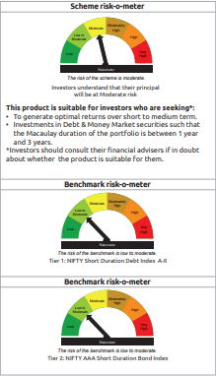
IDF012 | Portfolio Statement as on February 27,2026
 | Bandhan Short Duration Fund

 | Name of the Instrument | ISIN | Industry / Rating | Quantity | Market/Fair Value ( Rs. in Lacs) | % to NAV | YTM
 | Derivatives
 | Interest Rate Swaps
IRS1117FL | Interest Rate Swaps (17/01/2028) |  |  | 50,000,000 | 50,000.00 | 4.86%
IRS1140FL | Interest Rate Swaps (09/02/2028) |  |  | 22,500,000 | 22,500.00 | 2.19%
IRS1158FL | Interest Rate Swaps (18/02/2028) |  |  | 17,500,000 | 17,500.00 | 1.70%
IRS1153FL | Interest Rate Swaps (17/02/2028) |  |  | 10,000,000 | 10,000.00 | 0.97%
IRS1153FX | Interest Rate Swaps (17/02/2028) |  |  | -10,000,000 | (10,000.87) | -0.97% | 5.67%
IRS1158FX | Interest Rate Swaps (18/02/2028) |  |  | -17,500,000 | (17,497.38) | -1.70% | 5.67%
IRS1140FX | Interest Rate Swaps (09/02/2028) |  |  | -22,500,000 | (22,536.09) | -2.19% | 5.67%
IRS1117FX | Interest Rate Swaps (17/01/2028) |  |  | -50,000,000 | (50,009.05) | -4.86% | 5.66%
 | Total |  |  |  | (43.39) | 0.00%
 | Debt Instruments
 | (a) Listed / awaiting listing on Stock Exchange
 | Government Securities
GOI4193 | 6.88% Uttar Pradesh SDL (MD 23/06/2031) | IN3320210013 | SOVEREIGN | 25,000,000 | 24,876.43 | 2.42% | 7.11%
GOI6919 | 6.01% GOI (MD 21/07/2030) | IN0020250067 | SOVEREIGN | 21,700,000 | 21,513.08 | 2.09% | 6.33%
GOI2462 | 5.79% GOI (MD 11/05/2030) | IN0020200070 | SOVEREIGN | 5,000,000 | 4,918.81 | 0.48% | 6.33%
GOI2544 | 5.77% GOI (MD 03/08/2030) | IN0020200153 | SOVEREIGN | 1,000,000 | 979.96 | 0.10% | 6.39%
GOI536 | 8.24% GOI (MD 15/02/2027) | IN0020060078 | SOVEREIGN | 100,000 | 102.48 | 0.01% | 5.64%
GOI3103 | 5.63% GOI (MD 12/04/2026) | IN0020210012 | SOVEREIGN | 100,000 | 100.05 | 0.01% | 5.29%
GOI1864 | 6.79% GOI (MD 15/05/2027) | IN0020170026 | SOVEREIGN | 85,000 | 86.21 | 0.01% | 5.63%
 | Non Convertible Debentures
BHFL114 | 8.04% Bajaj Housing Finance Limited ** | INE377Y07441 | CRISIL AAA | 47,500,000 | 47,842.38 | 4.65% | 7.11%
NBAR838 | 7.48% National Bank For Agriculture and Rural Development ** | INE261F08EO7 | CRISIL AAA | 40,500,000 | 40,858.43 | 3.97% | 7.06%
NBAR805 | 7.53% National Bank For Agriculture and Rural Development ** | INE261F08EM1 | ICRA AAA | 37,500,000 | 37,829.21 | 3.68% | 7.05%
BAFL974 | 7.3763% Bajaj Finance Limited ** | INE296A07TJ4 | CRISIL AAA | 32,500,000 | 32,502.08 | 3.16% | 7.33%
NBAR780 | 7.7% National Bank For Agriculture and Rural Development ** | INE261F08EI9 | ICRA AAA | 30,000,000 | 30,259.89 | 2.94% | 7.06%
LICH680 | 7.74% LIC Housing Finance Limited ** | INE115A07QW5 | CRISIL AAA | 27,000,000 | 27,256.37 | 2.65% | 7.20%
TCHF375 | 7.8% Tata Capital Housing Finance Limited ** | INE033L07HU0 | CRISIL AAA | 25,000,000 | 25,192.58 | 2.45% | 7.17%
LICH676 | 7.9265% LIC Housing Finance Limited ** | INE115A07QS3 | CRISIL AAA | 24,500,000 | 24,732.77 | 2.41% | 7.13%
TCFS654 | 8.1165% Tata Capital Limited ** | INE306N07NK5 | CRISIL AAA | 24,100,000 | 24,105.52 | 2.34% | 7.54%
RECL365 | 8.3% REC Limited ** | INE020B08BO2 | CRISIL AAA | 18,500,000 | 19,187.31 | 1.87% | 7.05%
EXIM794 | 7.35% Export Import Bank of India ** | INE514E08GE8 | CRISIL AAA | 17,500,000 | 17,667.41 | 1.72% | 6.92%
POWF543 | 7.44% Power Finance Corporation Limited ** | INE134E08NO0 | CRISIL AAA | 12,500,000 | 12,609.29 | 1.23% | 7.18%
SIDB519 | 7.44% Small Industries Dev Bank of India ** | INE556F08KI9 | CRISIL AAA | 12,500,000 | 12,487.85 | 1.21% | 7.37%
BHFL148 | 6.95% Bajaj Housing Finance Limited ** | INE377Y07615 | CRISIL AAA | 12,500,000 | 12,445.20 | 1.21% | 7.19%
IRLY377 | 7.57% Indian Railway Finance Corporation Limited ** | INE053F08353 | CRISIL AAA | 11,500,000 | 11,684.38 | 1.14% | 6.98%
IRLY330 | 7.48% Indian Railway Finance Corporation Limited ** | INE053F07BU3 | CRISIL AAA | 10,000,000 | 10,158.06 | 0.99% | 6.96%
IRLY380 | 7.46% Indian Railway Finance Corporation Limited ** | INE053F08387 | CRISIL AAA | 10,000,000 | 10,135.90 | 0.99% | 6.98%
IRLY383 | 7.37% Indian Railway Finance Corporation Limited ** | INE053F08411 | CRISIL AAA | 10,000,000 | 10,123.86 | 0.98% | 6.96%
TCHF397 | 8.0409% Tata Capital Housing Finance Limited ** | INE033L07ID4 | CRISIL AAA | 10,000,000 | 10,085.45 | 0.98% | 7.16%
LICH697 | 7.73% LIC Housing Finance Limited ** | INE115A07RE1 | CRISIL AAA | 10,000,000 | 10,059.38 | 0.98% | 7.11%
BHFL141 | 6.97% Bajaj Housing Finance Limited ** | INE377Y07599 | CRISIL AAA | 10,000,000 | 9,933.90 | 0.97% | 7.26%
BHFL121 | 7.98% Bajaj Housing Finance Limited ** | INE377Y07490 | CRISIL AAA | 9,000,000 | 9,013.82 | 0.88% | 7.40%
RECL431 | 7.77% REC Limited ** | INE020B08EH0 | CRISIL AAA | 7,500,000 | 7,614.14 | 0.74% | 6.95%
RECL457 | 7.58% REC Limited ** | INE020B08FD6 | ICRA AAA | 7,500,000 | 7,601.96 | 0.74% | 7.08%
IRLY373 | 7.45% Indian Railway Finance Corporation Limited ** | INE053F08320 | CRISIL AAA | 7,500,000 | 7,587.03 | 0.74% | 6.96%
KOMP1733 | 7.6% Kotak Mahindra Prime Limited ** | INE916DA7SZ3 | CRISIL AAA | 7,500,000 | 7,536.29 | 0.73% | 7.33%
BHFL147 | 7.1% Bajaj Housing Finance Limited ** | INE377Y07607 | CRISIL AAA | 7,500,000 | 7,468.57 | 0.73% | 7.26%
IRLY324 | 8.3% Indian Railway Finance Corporation Limited ** | INE053F07BD9 | CRISIL AAA | 7,000,000 | 7,246.51 | 0.70% | 6.98%
IRLY333 | 7.5% Indian Railway Finance Corporation Limited ** | INE053F07BW9 | CRISIL AAA | 5,000,000 | 5,083.62 | 0.49% | 6.96%
POWF546 | 7.45% Power Finance Corporation Limited ** | INE134E08NP7 | CRISIL AAA | 5,000,000 | 5,041.00 | 0.49% | 7.08%
TCHF371 | 7.75% Tata Capital Housing Finance Limited ** | INE033L07HQ8 | CRISIL AAA | 5,000,000 | 5,031.24 | 0.49% | 7.16%
JOIC20 | 7.19% JIO Credit Limited ** | INE282H07018 | CRISIL AAA | 5,000,000 | 4,980.89 | 0.48% | 7.40%
POWF483 | 6.09% Power Finance Corporation Limited ** | INE134E08LK2 | CRISIL AAA | 5,000,000 | 4,967.18 | 0.48% | 7.25%
LICH622 | 7.9% LIC Housing Finance Limited ** | INE115A07PV9 | CRISIL AAA | 4,000,000 | 4,036.03 | 0.39% | 7.11%
TCFS549 | 8.65% Tata Capital Limited ** | INE306N07LM5 | CRISIL AAA | 3,500,000 | 3,560.88 | 0.35% | 7.32%
KOMP1665 | 8.05% Kotak Mahindra Prime Limited ** | INE916DA7SE8 | CRISIL AAA | 2,500,000 | 2,534.10 | 0.25% | 7.29%
RECL437 | 7.46% REC Limited ** | INE020B08EK4 | CRISIL AAA | 2,500,000 | 2,523.39 | 0.25% | 6.99%
RECL458 | 7.7% REC Limited ** | INE020B08FC8 | ICRA AAA | 2,500,000 | 2,502.11 | 0.24% | 7.25%
KOMP1745 | 7.299% Kotak Mahindra Prime Limited ** | INE916DA7TD8 | CRISIL AAA | 2,500,000 | 2,495.54 | 0.24% | 7.35%
KOMP1746 | 7.288% Kotak Mahindra Prime Limited ** | INE916DA7TE6 | CRISIL AAA | 2,500,000 | 2,495.07 | 0.24% | 7.35%
KOMP1740 | 7.1554% Kotak Mahindra Prime Limited ** | INE916DA7TA4 | CRISIL AAA | 2,500,000 | 2,489.61 | 0.24% | 7.33%
BAFL943 | 7.7951% Bajaj Finance Limited ** | INE296A07TF2 | CRISIL AAA | 1,500,000 | 1,511.54 | 0.15% | 7.29%
 | Subtotal |  |  |  | 593,054.76 | 57.68%
 | (b) Privately placed / Unlisted |  |  |  | NIL | NIL | NIL
 | Subtotal |  |  |  | NIL | NIL | NIL
 | Total |  |  |  | 593,054.76 | 57.68%
 | Money Market Instruments
 | Certificate of Deposit
HDFB1015 | HDFC Bank Limited ** | INE040A16HN4 | CRISIL A1+ | 67,500,000 | 65,053.33 | 6.33% | 7.04%
PUBA1144 | Punjab National Bank ** | INE160A16UE2 | CRISIL A1+ | 60,000,000 | 56,371.32 | 5.48% | 6.87%
INBK521 | Indian Bank ** | INE562A16QM0 | CRISIL A1+ | 50,000,000 | 47,493.30 | 4.62% | 6.91%
KMBK898 | Kotak Mahindra Bank Limited ** | INE237AD6158 | CRISIL A1+ | 50,000,000 | 47,345.00 | 4.61% | 6.92%
HDFB1010 | HDFC Bank Limited ** | INE040A16HF0 | CRISIL A1+ | 47,500,000 | 46,095.28 | 4.48% | 7.04%
BKBA537 | Bank of Baroda ** | INE028A16KC6 | FITCH A1+ | 30,000,000 | 28,894.86 | 2.81% | 6.98%
SIDB618 | Small Industries Dev Bank of India ** | INE556F16BK7 | CRISIL A1+ | 22,500,000 | 21,625.63 | 2.10% | 7.10%
HDFB1021 | HDFC Bank Limited ** | INE040A16HU9 | CARE A1+ | 7,500,000 | 7,155.09 | 0.70% | 7.01%
UNBI457 | Union Bank of India ** | INE692A16KM8 | ICRA A1+ | 5,000,000 | 4,990.91 | 0.49% | 5.54%
PUBA1112 | Punjab National Bank ** | INE160A16RM1 | CRISIL A1+ | 5,000,000 | 4,984.84 | 0.48% | 5.55%
BKBA547 | Bank of Baroda ** | INE028A16KJ1 | CARE A1+ | 5,000,000 | 4,926.15 | 0.48% | 7.20%
UNBI454 | Union Bank of India ** | INE692A16KH8 | ICRA A1+ | 5,000,000 | 4,912.14 | 0.48% | 7.02%
BKBA563 | Bank of Baroda ** | INE028A16JU0 | FITCH A1+ | 5,000,000 | 4,899.04 | 0.48% | 7.03%
UNBI450 | Union Bank of India ** | INE692A16KL0 | ICRA A1+ | 2,500,000 | 2,496.17 | 0.24% | 5.60%
SIDB596 | Small Industries Dev Bank of India ** | INE556F16BD2 | CRISIL A1+ | 2,500,000 | 2,495.79 | 0.24% | 5.60%
PUBA1135 | Punjab National Bank ** | INE160A16TU0 | CRISIL A1+ | 2,500,000 | 2,495.07 | 0.24% | 5.55%
NBAR835 | National Bank For Agriculture and Rural Development ** | INE261F16983 | CRISIL A1+ | 2,500,000 | 2,495.06 | 0.24% | 5.57%
CANB1046 | Canara Bank ** | INE476A16B64 | CRISIL A1+ | 2,500,000 | 2,493.19 | 0.24% | 5.54%
HDFB1025 | HDFC Bank Limited ** | INE040A16HO2 | CRISIL A1+ | 2,500,000 | 2,417.02 | 0.24% | 7.04%
SIDB648 | Small Industries Dev Bank of India ** | INE556F16BX0 | CRISIL A1+ | 2,500,000 | 2,348.68 | 0.23% | 7.02%
UNBI458 | Union Bank of India ** | INE692A16KO4 | ICRA A1+ | 1,500,000 | 1,495.41 | 0.15% | 5.60%
 | Collateralised Borrowing & Lending Obligation / Reverse Repo Instrument
...
 | $ Less Than 0.01% of NAV
 | ** Thinly Traded/Non Traded Securities/Illiquid Securities

 | As per the requirement of regulation 43A of SEBI (Mutual Funds) Regulations, 1996, SEBI circular no. SEBI/HO/IMD/PoD2/P/CIR/2023/128 dated July 27, 2023 on framework for Corporate Debt Market Development Fund and SEBI circular no. SEBI/HO/IMD/PoD2 /P/CIR/2023/129 dated July 27, 2023 on investment by mutual fund schemes and Asset Management Companies (AMCs) in units of Corporate Debt Market Development Fund (“CDMDF”), specified open ended debt-oriented schemes of Bandhan Mutual Fund and Bandhan AMC Limited (‘AMC’) shall invest percentage of net assets in the units of the CDMDF.

Bandhan Banking & PSU
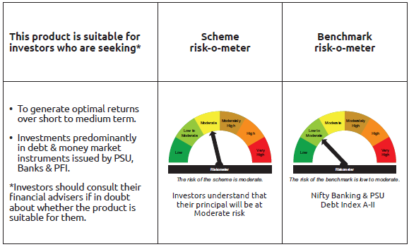
...
Name of the Instrument | ISIN | Industry / Rating | Quantity | Market/Fair Value ( Rs. in Lacs) | % to NAV | YTM
GRAND TOTAL |  |  |  | 1,253,428.44 | 100.00%

** Thinly Traded/Non Traded Securities/Illiquid Securities

As per the requirement of regulation 43A of SEBI (Mutual Funds) Regulations, 1996, SEBI circular no. SEBI/HO/IMD/PoD2/P/CIR/2023/128 dated July 27, 2023 on framework for Corporate Debt Market Development Fund and SEBI circular no. SEBI/HO/IMD/PoD2 /P/CIR/2023/129 dated July 27, 2023 on investment by mutual fund schemes and Asset Management Companies (AMCs) in units of Corporate Debt Market Development Fund (“CDMDF”), specified open ended debt-oriented schemes of Bandhan Mutual Fund and Bandhan AMC Limited (‘AMC’) shall invest percentage of net assets in the units of the CDMDF.

Bandhan CBF
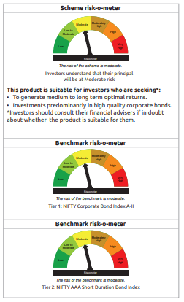
...
$ Less Than 0.01% of NAV
** Thinly Traded/Non Traded Securities/Illiquid Securities

As per the requirement of regulation 43A of SEBI (Mutual Funds) Regulations, 1996, SEBI circular no. SEBI/HO/IMD/PoD2/P/CIR/2023/128 dated July 27, 2023 on framework for Corporate Debt Market Development Fund and SEBI circular no. SEBI/HO/IMD/PoD2 /P/CIR/2023/129 dated July 27, 2023 on investment by mutual fund schemes and Asset Management Companies (AMCs) in units of Corporate Debt Market Development Fund (“CDMDF”), specified open ended debt-oriented schemes of Bandhan Mutual Fund and Bandhan AMC Limited (‘AMC’) shall invest percentage of net assets in the units of the CDMDF.

Bandhan CRF
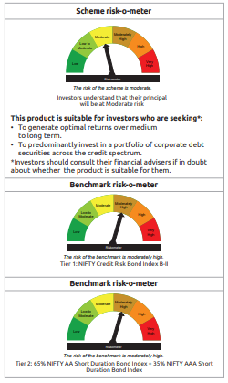
...
$ Less Than 0.01% of NAV
** Thinly Traded/Non Traded Securities/Illiquid Securities

As per the requirement of regulation 43A of SEBI (Mutual Funds) Regulations, 1996, SEBI circular no. SEBI/HO/IMD/PoD2/P/CIR/2023/128 dated July 27, 2023 on framework for Corporate Debt Market Development Fund and SEBI circular no. SEBI/HO/IMD/PoD2 /P/CIR/2023/129 dated July 27, 2023 on investment by mutual fund schemes and Asset Management Companies (AMCs) in units of Corporate Debt Market Development Fund (“CDMDF”), specified open ended debt-oriented schemes of Bandhan Mutual Fund and Bandhan AMC Limited (‘AMC’) shall invest percentage of net assets in the units of the CDMDF.

Bandhan Floater Fund
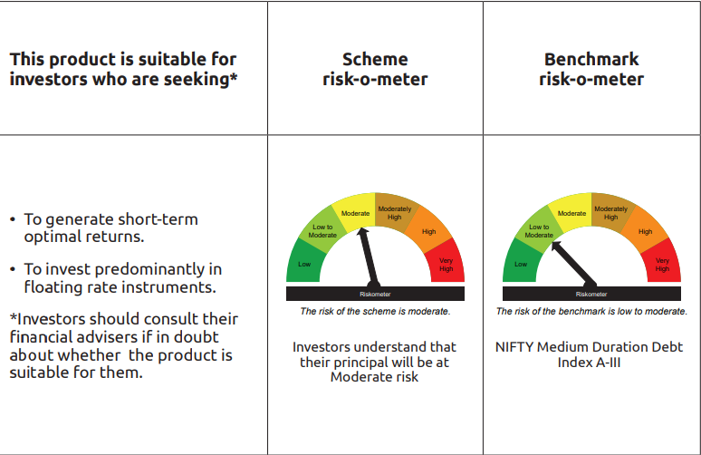
...
Name of the Instrument | ISIN | Industry / Rating | Quantity | Market/Fair Value ( Rs. in Lacs) | % to NAV | YTM
GRAND TOTAL |  |  |  | 27,030.93 | 100.00%

** Thinly Traded/Non Traded Securities/Illiquid Securities

As per the requirement of regulation 43A of SEBI (Mutual Funds) Regulations, 1996, SEBI circular no. SEBI/HO/IMD/PoD2/P/CIR/2023/128 dated July 27, 2023 on framework for Corporate Debt Market Development Fund and SEBI circular no. SEBI/HO/IMD/PoD2 /P/CIR/2023/129 dated July 27, 2023 on investment by mutual fund schemes and Asset Management Companies (AMCs) in units of Corporate Debt Market Development Fund (“CDMDF”), specified open ended debt-oriented schemes of Bandhan Mutual Fund and Bandhan AMC Limited (‘AMC’) shall invest percentage of net assets in the units of the CDMDF.

Bandhan Gilt Fund
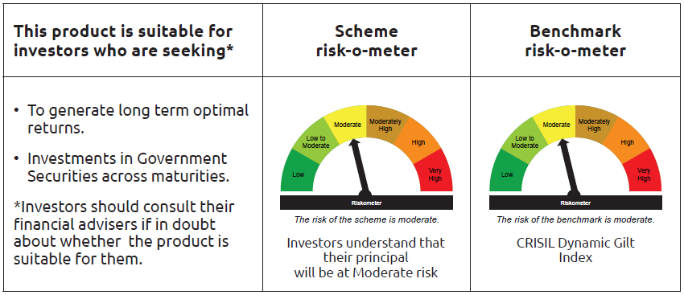
...
Name of the Instrument | ISIN | Industry / Rating | Quantity | Market/Fair Value ( Rs. in Lacs) | % to NAV | YTM
Total |  |  |  | 87,118.45 | 44.72%
OTHERS
Cash Margin - CCIL |  |  |  | 1.60 | $
Subtotal |  |  |  | 1.60 | $
Net Current Assets |  |  |  | (17,141.37) | -8.80%
GRAND TOTAL |  |  |  | 194,815.61 | 100.00%

$ Less Than 0.01% of NAV

Bandhan Gilt With 10 Year
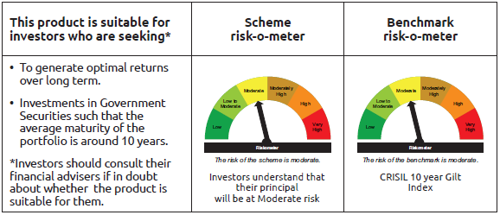
...
Name of the Instrument | ISIN | Industry / Rating | Quantity | Market/Fair Value ( Rs. in Lacs) | % to NAV | YTM
Total |  |  |  | 708.00 | 2.06%
OTHERS
Cash Margin - CCIL |  |  |  | 0.02 | $
Subtotal |  |  |  | 0.02 | $
Net Current Assets |  |  |  | 463.58 | 1.36%
GRAND TOTAL |  |  |  | 34,367.44 | 100.00%

$ Less Than 0.01% of NAV

Bandhan CRISIL IBX April 2026
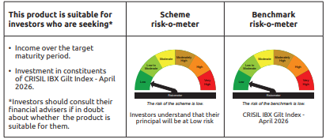
...
Name of the Instrument | ISIN | Industry / Rating | Quantity | Market/Fair Value ( Rs. in Lacs) | % to NAV | YTM
Total |  |  |  | 5,806.59 | 15.92%
OTHERS
Cash Margin - CCIL |  |  |  | 0.02 | $
Subtotal |  |  |  | 0.02 | $
Net Current Assets |  |  |  | 722.90 | 1.98%
GRAND TOTAL |  |  |  | 36,484.23 | 100.00%

$ Less Than 0.01% of NAV

Bandhan CRISIL IBX June 2027
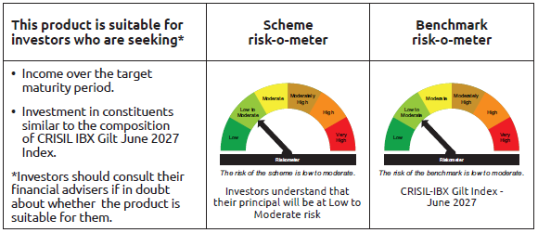
...
 | Name of the Instrument | ISIN | Industry / Rating | Quantity | Market/Fair Value ( Rs. in Lacs) | % to NAV | YTM
 | Subtotal |  |  |  | NIL | NIL | NIL
 | Total |  |  |  | 587,009.05 | 98.33%
 | Money Market Instruments
 | Collateralised Borrowing & Lending Obligation / Reverse Repo Instrument
TRP_020326_VAL | CBLO TRP_020326_VAL |  |  |  | 2,219.92 | 0.37% | 4.92%
 | Total |  |  |  | 2,219.92 | 0.37%
 | Net Current Assets |  |  |  | 7,755.27 | 1.30%
 | GRAND TOTAL |  |  |  | 596,983.98 | 100.00%

Bandhan CRISIL IBX April 2028
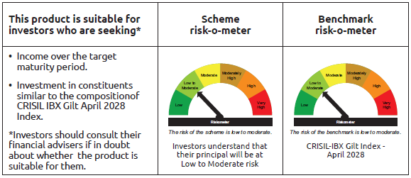
...
 | Name of the Instrument | ISIN | Industry / Rating | Quantity | Market/Fair Value ( Rs. in Lacs) | % to NAV | YTM
 | Collateralised Borrowing & Lending Obligation / Reverse Repo Instrument
TRP_020326_VAL | CBLO TRP_020326_VAL |  |  |  | 1,420.32 | 0.38% | 4.92%
 | Total |  |  |  | 1,420.32 | 0.38%
 | OTHERS
 | Cash Margin - CCIL |  |  |  | 19.91 | 0.01%
 | Subtotal |  |  |  | 19.91 | 0.01%
 | Net Current Assets |  |  |  | 6,967.57 | 1.86%
 | GRAND TOTAL |  |  |  | 374,440.28 | 100.00%

BANDHAN CRISIL IBX SDL APR 2032
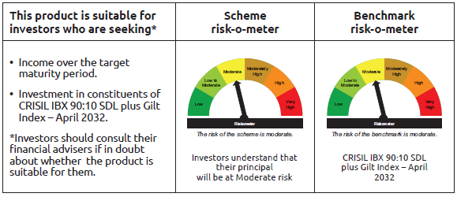
...
Name of the Instrument | ISIN | Industry / Rating | Quantity | Market/Fair Value ( Rs. in Lacs) | % to NAV | YTM
Total |  |  |  | 1,125.02 | 2.61%
OTHERS
Cash Margin - CCIL |  |  |  | 0.03 | $
Subtotal |  |  |  | 0.03 | $
Net Current Assets |  |  |  | 846.03 | 1.93%
GRAND TOTAL |  |  |  | 43,184.75 | 100.00%

$ Less Than 0.01% of NAV

BANDHAN CRISIL IBX SDL NOV 2026
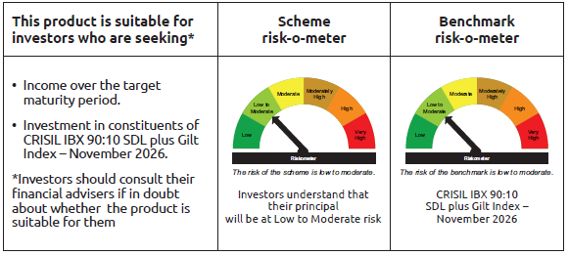
...
Name of the Instrument | ISIN | Industry / Rating | Quantity | Market/Fair Value ( Rs. in Lacs) | % to NAV | YTM
Total |  |  |  | 253.00 | 2.62%
OTHERS
Cash Margin - CCIL |  |  |  | 0.01 | $
Subtotal |  |  |  | 0.01 | $
Net Current Assets |  |  |  | 170.11 | 1.76%
GRAND TOTAL |  |  |  | 9,654.50 | 100.00%

$ Less Than 0.01% of NAV

BANDHAN CRISIL IBX SDL SEP 2027
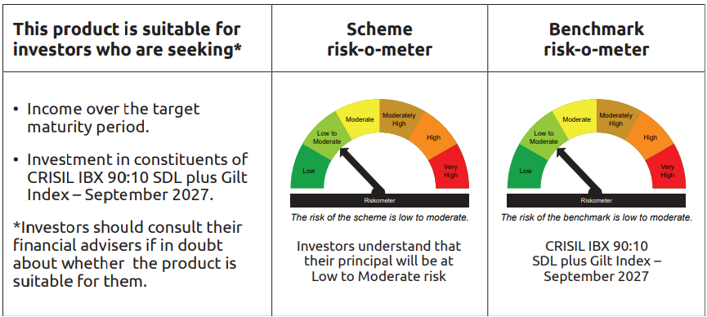
...
Name of the Instrument | ISIN | Industry / Rating | Quantity | Market/Fair Value ( Rs. in Lacs) | % to NAV | YTM
Total |  |  |  | 377.01 | 2.51%
OTHERS
Cash Margin - CCIL |  |  |  | 0.01 | $
Subtotal |  |  |  | 0.01 | $
Net Current Assets |  |  |  | 161.25 | 1.07%
GRAND TOTAL |  |  |  | 15,039.89 | 100.00%

$ Less Than 0.01% of NAV

Bandhan Index April 2032
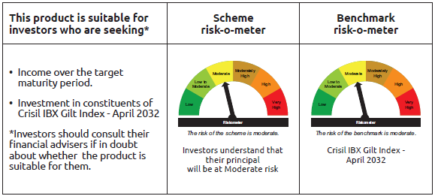
...
Name of the Instrument | ISIN | Industry / Rating | Quantity | Market/Fair Value ( Rs. in Lacs) | % to NAV | YTM
Total |  |  |  | 1,502.06 | 3.38%
OTHERS
Cash Margin - CCIL |  |  |  | 0.03 | $
Subtotal |  |  |  | 0.03 | $
Net Current Assets |  |  |  | 309.56 | 0.70%
GRAND TOTAL |  |  |  | 44,417.10 | 100.00%

$ Less Than 0.01% of NAV

BANDHAN CRISIL IBX SDL DEC 2029
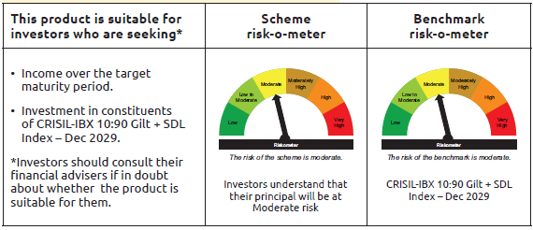
...
 | Name of the Instrument | ISIN | Industry / Rating | Quantity | Market/Fair Value ( Rs. in Lacs) | % to NAV | YTM
 | Collateralised Borrowing & Lending Obligation / Reverse Repo Instrument
TRP_020326_VAL | CBLO TRP_020326_VAL |  |  |  | 0.98 | 2.63% | 4.92%
 | Total |  |  |  | 0.98 | 2.63%
 | OTHERS
 | Cash Margin - CCIL |  |  |  | 0.02 | 0.05%
 | Subtotal |  |  |  | 0.02 | 0.05%
 | Net Current Assets |  |  |  | 0.86 | 2.28%
 | GRAND TOTAL |  |  |  | 37.34 | 100.00%

BANDHAN CRISIL IBX Fin Serv3-6M
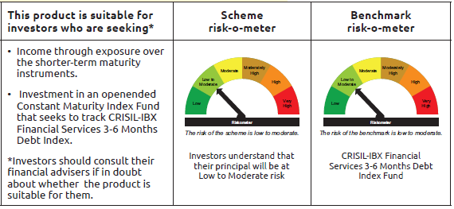
...
Name of the Instrument | ISIN | Industry / Rating | Quantity | Market/Fair Value ( Rs. in Lacs) | % to NAV | YTM
Total |  |  |  | 26,292.60 | 64.02%
OTHERS
Cash Margin - CCIL |  |  |  | 16.40 | 0.04%
Subtotal |  |  |  | 16.40 | 0.04%
Net Current Assets |  |  |  | 365.96 | 0.89%
GRAND TOTAL |  |  |  | 41,072.05 | 100.00%

** Thinly Traded/Non Traded Securities/Illiquid Securities

