BANDHAN OF
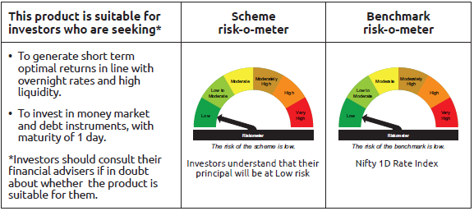
INDEX | Portfolio Statement as on January 31,2025
 | Bandhan Overnight Fund

 | Name of the Instrument | ISIN | Industry / Rating | Quantity | Market/Fair Value ( Rs. in Lacs) | % to NAV | YTM
 | Money Market Instruments
 | Treasury Bill
TBIL2432 | 91 Days Tbill | IN002024X326 | SOVEREIGN | 2,500,000 | 2,494.73 | 3.61% | 6.42%
TBIL2402 | 182 Days Tbill | IN002024Y225 | SOVEREIGN | 2,500,000 | 2,488.61 | 3.60% | 6.43%
TBIL2320 | 364 Days Tbill | IN002023Z471 | SOVEREIGN | 1,000,000 | 999.13 | 1.45% | 6.36%
TBIL2399 | 182 Days Tbill | IN002024Y217 | SOVEREIGN | 500,000 | 498.33 | 0.72% | 6.42%
TBIL2436 | 91 Days Tbill | IN002024X342 | SOVEREIGN | 500,000 | 497.72 | 0.72% | 6.43%
 | Collateralised Borrowing & Lending Obligation / Reverse Repo Instrument
 | Reverse Repo |  |  |  | 52,498.55 | 76.04% | 6.72%
TRP_030225 | CBLO TRP_030225 |  |  |  | 9,356.31 | 13.55% | 6.62%
 | Total |  |  |  | 68,833.38 | 99.69%
 | OTHERS
 | Cash Margin - CCIL |  |  |  | 200.21 | 0.29%
 | Subtotal |  |  |  | 200.21 | 0.29%
 | Net Current Assets |  |  |  | 9.78 | 0.02%
 | GRAND TOTAL |  |  |  | 69,043.37 | 100.00%

 | Pursuant to SEBI circular no. SEBI/HO/IMD/DF2/CIR/P/2021/683 dated December 10, 2021 (“the Circular”), SEBI has notified that with respect to the margin or collateral requirement for execution of certain transactions, overnight funds can deploy not exceeding 5% of the net assets of the scheme in Government Securities and/or Treasury bills with a residual maturity of upto 30 days for the purpose of placing the same as margin and collateral for certain transactions.

BANDHAN LF
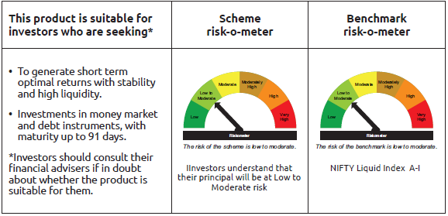
INDEX | Portfolio Statement as on January 31,2025
 | Bandhan Liquid Fund

 | Name of the Instrument | ISIN | Industry / Rating | Quantity | Market/Fair Value ( Rs. in Lacs) | % to NAV | YTM
 | Debt Instruments
 | (a) Listed / awaiting listing on Stock Exchange
 | Government Securities
GOI3096 | 6.69% State Government Securities | IN2120200273 | SOVEREIGN | 5,000,000 | 5,001.71 | 0.32% | 6.64%
 | Subtotal |  |  |  | 5,001.71 | 0.32%
 | (b) Privately placed / Unlisted |  |  |  | NIL | NIL | NIL
 | Subtotal |  |  |  | NIL | NIL | NIL
 | Total |  |  |  | 5,001.71 | 0.32%
 | Money Market Instruments
 | Certificate of Deposit
UNBI395 | Union Bank of India | INE692A16HP7 | FITCH A1+ | 57,500,000 | 56,988.54 | 3.70% | 7.28%
PUBA1024 | Punjab National Bank ** | INE160A16OP1 | FITCH A1+ | 40,000,000 | 39,698.32 | 2.58% | 7.30%
INBK423 | Indian Bank | INE562A16MR8 | CRISIL A1+ | 37,500,000 | 37,203.19 | 2.42% | 7.28%
HDFB980 | HDFC Bank Limited ** | INE040A16FZ2 | CARE A1+ | 30,000,000 | 29,774.34 | 1.93% | 7.28%
CANB972 | Canara Bank ** | INE476A16XV0 | CRISIL A1+ | 27,500,000 | 27,293.70 | 1.77% | 7.26%
BKBA457 | Bank of Baroda | INE028A16GW2 | FITCH A1+ | 25,000,000 | 24,871.58 | 1.61% | 7.25%
UTIB1317 | Axis Bank Limited | INE238AD6702 | CRISIL A1+ | 25,000,000 | 24,841.00 | 1.61% | 7.30%
PUBA1065 | Punjab National Bank ** | INE160A16QN1 | CRISIL A1+ | 25,000,000 | 24,831.15 | 1.61% | 7.30%
UNBI397 | Union Bank of India ** | INE692A16HR3 | FITCH A1+ | 25,000,000 | 24,772.73 | 1.61% | 7.28%
KMBK853 | Kotak Mahindra Bank Limited ** | INE237A165W2 | CRISIL A1+ | 22,500,000 | 22,357.60 | 1.45% | 7.27%
CANB979 | Canara Bank ** | INE476A16XZ1 | CRISIL A1+ | 20,000,000 | 19,846.06 | 1.29% | 7.26%
HDFB944 | HDFC Bank Limited ** | INE040A16ER2 | FITCH A1+ | 15,000,000 | 14,901.92 | 0.97% | 7.28%
INBK429 | Indian Bank | INE562A16MT4 | CRISIL A1+ | 15,000,000 | 14,890.13 | 0.97% | 7.28%
CANB976 | Canara Bank | INE476A16YB0 | CRISIL A1+ | 15,000,000 | 14,861.07 | 0.96% | 7.26%
UTIB1319 | Axis Bank Limited ** | INE238AD6819 | CRISIL A1+ | 10,000,000 | 9,948.27 | 0.65% | 7.30%
BKBA459 | Bank of Baroda | INE028A16GX0 | FITCH A1+ | 10,000,000 | 9,936.75 | 0.65% | 7.26%
HDFB947 | HDFC Bank Limited ** | INE040A16EU6 | CARE A1+ | 10,000,000 | 9,922.81 | 0.64% | 7.28%
UNBI392 | Union Bank of India ** | INE692A16HE1 | ICRA A1+ | 10,000,000 | 9,907.13 | 0.64% | 7.28%
NBAR770 | National Bank For Agriculture and Rural Development | INE261F16850 | CRISIL A1+ | 7,500,000 | 7,432.92 | 0.48% | 7.32%
UNBI407 | Union Bank of India ** | INE692A16IB5 | FITCH A1+ | 5,000,000 | 4,968.29 | 0.32% | 7.28%
CANB993 | Canara Bank ** | INE476A16YS4 | CRISIL A1+ | 5,000,000 | 4,967.40 | 0.32% | 7.26%
CANB1028 | Canara Bank ** | INE476A16ZY9 | CRISIL A1+ | 5,000,000 | 4,955.65 | 0.32% | 7.26%
 | Commercial Paper
NBAR802 | National Bank For Agriculture and Rural Development ** | INE261F14MO8 | ICRA A1+ | 125,000,000 | 124,029.25 | 8.05% | 7.33%
RIND467 | Reliance Industries Limited | INE002A14KY0 | CRISIL A1+ | 115,000,000 | 114,099.67 | 7.41% | 7.20%
INBS482 | Reliance Jio Infocomm Limited ** | INE110L14SQ7 | CRISIL A1+ | 70,000,000 | 69,569.29 | 4.52% | 7.29%
LTFH104 | L&T Finance Limited ** | INE498L14CV0 | ICRA A1+ | 40,000,000 | 39,900.52 | 2.59% | 7.59%
NBAR811 | National Bank For Agriculture and Rural Development ** | INE261F14MT7 | CRISIL A1+ | 37,500,000 | 36,886.09 | 2.39% | 7.50%
TISC264 | Tata Steel Limited ** | INE081A14FG1 | ICRA A1+ | 30,000,000 | 29,945.07 | 1.94% | 7.44%
TCAL504 | Tata Capital Limited ** | INE976I14PD1 | CRISIL A1+ | 30,000,000 | 29,876.16 | 1.94% | 7.56%
INBS483 | Reliance Jio Infocomm Limited ** | INE110L14SU9 | CRISIL A1+ | 27,500,000 | 27,222.72 | 1.77% | 7.29%
HDFS244 | HDFC Securities Limited ** | INE700G14MC8 | ICRA A1+ | 25,000,000 | 24,978.78 | 1.62% | 7.75%
MMFS1196 | Mahindra & Mahindra Financial Services Limited | INE774D14ST1 | CRISIL A1+ | 25,000,000 | 24,917.00 | 1.62% | 7.60%
BAFL954 | Bajaj Finance Limited ** | INE296A14ZN9 | ICRA A1+ | 22,500,000 | 22,087.01 | 1.43% | 7.84%
KOSE296 | Kotak Securities Limited ** | INE028E14PP4 | ICRA A1+ | 20,000,000 | 19,890.74 | 1.29% | 7.71%
TMFL85 | Tata Motors Finance Limited ** | INE477S14CW7 | CARE A1+ | 20,000,000 | 19,656.06 | 1.28% | 7.88%
AXSL97 | Axis Securities Limited ** | INE110O14CR3 | ICRA A1+ | 17,500,000 | 17,430.04 | 1.13% | 7.71%
NBAR801 | National Bank For Agriculture and Rural Development ** | INE261F14MM2 | ICRA A1+ | 17,500,000 | 17,384.87 | 1.13% | 7.33%
KOSE284 | Kotak Securities Limited ** | INE028E14ON2 | ICRA A1+ | 17,500,000 | 17,375.42 | 1.13% | 7.70%
TISC265 | Tata Steel Limited ** | INE081A14FH9 | ICRA A1+ | 15,000,000 | 14,897.81 | 0.97% | 7.36%
NBAR816 | National Bank For Agriculture and Rural Development ** | INE261F14MW1 | CRISIL A1+ | 15,000,000 | 14,726.76 | 0.96% | 7.52%
RICL193 | Barclays Investments & Loans (India) Private Limited ** | INE704I14JO7 | ICRA A1+ | 12,500,000 | 12,262.38 | 0.80% | 8.13%
BAFL948 | Bajaj Finance Limited ** | INE296A14ZF5 | ICRA A1+ | 10,000,000 | 9,965.03 | 0.65% | 7.53%
KOMP1722 | Kotak Mahindra Prime Limited ** | INE916D144J9 | CRISIL A1+ | 10,000,000 | 9,962.86 | 0.65% | 7.56%
TMFL83 | Tata Motors Finance Limited ** | INE477S14CU1 | CARE A1+ | 10,000,000 | 9,951.71 | 0.65% | 7.70%
EXIM790 | Export Import Bank of India ** | INE514E14SK8 | CRISIL A1+ | 10,000,000 | 9,938.55 | 0.65% | 7.28%
HDFS249 | HDFC Securities Limited ** | INE700G14MG9 | CRISIL A1+ | 7,500,000 | 7,480.94 | 0.49% | 7.75%
KOSE298 | Kotak Securities Limited ** | INE028E14PS8 | ICRA A1+ | 7,500,000 | 7,440.38 | 0.48% | 7.70%
ICBR556 | ICICI Securities Limited ** | INE763G14WS1 | CRISIL A1+ | 7,500,000 | 7,363.46 | 0.48% | 7.87%
GOSL415 | Godrej Industries Limited ** | INE233A14Z13 | CRISIL A1+ | 7,500,000 | 7,358.48 | 0.48% | 7.80%
EXIM766 | Export Import Bank of India ** | INE514E14RM6 | CRISIL A1+ | 5,000,000 | 4,963.37 | 0.32% | 7.28%
HDFS255 | HDFC Securities Limited ** | INE700G14MR6 | ICRA A1+ | 5,000,000 | 4,960.25 | 0.32% | 7.70%
ICBR490 | ICICI Securities Limited ** | INE763G14TO6 | CRISIL A1+ | 5,000,000 | 4,960.25 | 0.32% | 7.70%
NEFL305 | Network18 Media & Investments Limited ** | INE870H14UJ5 | CARE A1+ | 5,000,000 | 4,945.31 | 0.32% | 7.34%
HDFS261 | HDFC Securities Limited ** | INE700G14NB8 | CRISIL A1+ | 5,000,000 | 4,913.91 | 0.32% | 7.90%
ICBR485 | ICICI Securities Limited ** | INE763G14TM0 | CRISIL A1+ | 3,000,000 | 2,978.64 | 0.19% | 7.70%
ICBR494 | ICICI Securities Limited ** | INE763G14TX7 | CRISIL A1+ | 2,500,000 | 2,480.65 | 0.16% | 7.70%
 | Treasury Bill
TBIL2436 | 91 Days Tbill | IN002024X342 | SOVEREIGN | 72,500,000 | 72,169.69 | 4.69% | 6.43%
TBIL2460 | 91 Days Tbill | IN002024X417 | SOVEREIGN | 63,500,000 | 62,660.85 | 4.07% | 6.52%
TBIL2433 | 91 Days Tbill | IN002024X334 | SOVEREIGN | 55,000,000 | 54,807.06 | 3.56% | 6.43%
TBIL2432 | 91 Days Tbill | IN002024X326 | SOVEREIGN | 49,973,700 | 49,868.41 | 3.24% | 6.42%
TBIL2440 | 91 Days Tbill | IN002024X359 | SOVEREIGN | 41,237,100 | 40,999.86 | 2.66% | 6.40%
TBIL2444 | 91 Days Tbill | IN002024X367 | SOVEREIGN | 20,000,000 | 19,860.86 | 1.29% | 6.39%
TBIL2463 | 91 Days Tbill | IN002024X425 | SOVEREIGN | 20,000,000 | 19,711.56 | 1.28% | 6.51%
TBIL2329 | 364 Days Tbill | IN002023Z513 | SOVEREIGN | 12,500,000 | 12,443.05 | 0.81% | 6.43%
TBIL2320 | 364 Days Tbill | IN002023Z471 | SOVEREIGN | 2,500,000 | 2,497.82 | 0.16% | 6.36%
 | Collateralised Borrowing & Lending Obligation / Reverse Repo Instrument
TRP_030225 | CBLO TRP_030225 |  |  |  | 40,834.61 | 2.65% | 6.62%
 | Total |  |  |  | 1,591,823.75 | 103.36%
 | Corporate Debt Market Development Fund
CDMD50ME | Corporate Debt Market Development Fund | INF0RQ622028 |  | 32,792 | 3,577.76 | 0.23%
 | Total |  |  |  | 3,577.76 | 0.23%
 | OTHERS
 | Cash Margin - CCIL |  |  |  | 63.15 | $
 | Subtotal |  |  |  | 63.15 | $
 | Net Current Assets |  |  |  | (60,143.05) | -3.91%
 | GRAND TOTAL |  |  |  | 1,540,323.32 | 100.00%

 | $ Less Than 0.01% of NAV
 | ** Thinly Traded/Non Traded Securities/Illiquid Securities

 | As per the requirement of regulation 43A of SEBI (Mutual Funds) Regulations, 1996, SEBI circular no. SEBI/HO/IMD/PoD2/P/CIR/2023/128 dated July 27, 2023 on framework for Corporate Debt Market Development Fund and SEBI circular no. SEBI/HO/IMD/PoD2 /P/CIR/2023/129 dated July 27, 2023 on investment by mutual fund schemes and Asset Management Companies (AMCs) in units of Corporate Debt Market Development Fund (“CDMDF”), specified open ended debt-oriented schemes of Bandhan Mutual Fund and Bandhan AMC Limited (‘AMC’) shall invest percentage of net assets in the units of the CDMDF.

BANDHAN LDF
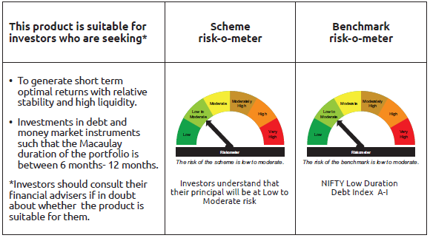
INDEX | Portfolio Statement as on January 31,2025
 | Bandhan Low Duration Fund

 | Name of the Instrument | ISIN | Industry / Rating | Quantity | Market/Fair Value ( Rs. in Lacs) | % to NAV | YTM
 | Debt Instruments
 | (a) Listed / awaiting listing on Stock Exchange
 | Government Securities
GOI2726 | 8.32% State Government Securities | IN3320180158 | SOVEREIGN | 12,500,000 | 13,064.18 | 2.38% | 7.01%
GOI3230 | 8.34% State Government Securities | IN3320180141 | SOVEREIGN | 7,500,000 | 7,842.44 | 1.43% | 7.01%
GOI6321 | 8.27% State Government Securities | IN2920180287 | SOVEREIGN | 7,500,000 | 7,804.43 | 1.42% | 7.06%
GOI3237 | 8.53% State Government Securities | IN2920180170 | SOVEREIGN | 4,500,000 | 4,719.45 | 0.86% | 6.96%
GOI5843 | 7.22% State Government Securities | IN1520230047 | SOVEREIGN | 3,817,900 | 3,852.92 | 0.70% | 6.91%
GOI2089 | 8.15% State Government Securities | IN3120180036 | SOVEREIGN | 3,500,000 | 3,622.14 | 0.66% | 6.93%
GOI1457 | 8.54% State Government Securities | IN1320150031 | SOVEREIGN | 3,500,000 | 3,558.01 | 0.65% | 6.83%
GOI4869 | 7.41% State Government Securities | IN3320160267 | SOVEREIGN | 3,150,000 | 3,178.00 | 0.58% | 6.86%
GOI4096 | 8.16% State Government Securities | IN2920180030 | SOVEREIGN | 3,000,000 | 3,103.35 | 0.56% | 6.96%
GOI3899 | 7.88% State Government Securities | IN2120170070 | SOVEREIGN | 2,600,000 | 2,665.18 | 0.49% | 6.93%
GOI2221 | 8.43% State Government Securities | IN3320180174 | SOVEREIGN | 2,500,000 | 2,623.86 | 0.48% | 7.01%
GOI2205 | 8.28% State Government Securities | IN1520180291 | SOVEREIGN | 2,500,000 | 2,610.88 | 0.48% | 7.00%
GOI1609 | 8.65% State Government Securities | IN2920150256 | SOVEREIGN | 2,500,000 | 2,545.01 | 0.46% | 6.86%
GOI6189 | 7.05% State Government Securities | IN1520240020 | SOVEREIGN | 2,500,000 | 2,510.62 | 0.46% | 6.91%
GOI6290 | 7.03% State Government Securities | IN4520190088 | SOVEREIGN | 2,500,000 | 2,507.88 | 0.46% | 6.89%
GOI2421 | 6.97% State Government Securities | IN1920190189 | SOVEREIGN | 2,500,000 | 2,505.90 | 0.46% | 6.88%
GOI2207 | 8.38% State Government Securities | IN1520180309 | SOVEREIGN | 2,200,000 | 2,304.96 | 0.42% | 7.01%
GOI1470 | 8.69% State Government Securities | IN3120150203 | SOVEREIGN | 1,600,000 | 1,630.49 | 0.30% | 6.80%
GOI2211 | 8.35% State Government Securities | IN1520180317 | SOVEREIGN | 1,150,000 | 1,203.92 | 0.22% | 7.01%
GOI1996 | 8.28% State Government Securities | IN2920170155 | SOVEREIGN | 1,000,000 | 1,035.76 | 0.19% | 6.96%
GOI1463 | 8.82% State Government Securities | IN1320150049 | SOVEREIGN | 1,000,000 | 1,019.96 | 0.19% | 6.83%
GOI4485 | 7.38% Government of India | IN0020220037 | SOVEREIGN | 700,000 | 711.76 | 0.13% | 6.60%
GOI1468 | 8.76% State Government Securities | IN2120150106 | SOVEREIGN | 500,000 | 509.81 | 0.09% | 6.81%
GOI1458 | 8.49% State Government Securities | IN3120150195 | SOVEREIGN | 500,000 | 508.26 | 0.09% | 6.79%
GOI1320 | 8.28% State Government Securities | IN2220150055 | SOVEREIGN | 500,000 | 503.77 | 0.09% | 6.79%
GOI2377 | 8.27% State Government Securities | IN1620150012 | SOVEREIGN | 500,000 | 502.24 | 0.09% | 6.70%
 | Non Convertible Debentures
HDFB915 | 7.8% HDFC Bank Limited | INE040A08922 | CRISIL AAA | 38,500,000 | 38,429.81 | 6.99% | 7.95%
NBAR677 | 7.4% National Bank For Agriculture and Rural Development | INE261F08DO9 | CRISIL AAA | 27,500,000 | 27,416.76 | 4.99% | 7.72%
BHFL91 | 7.42% Bajaj Housing Finance Limited ** | INE377Y07334 | CRISIL AAA | 26,500,000 | 26,415.15 | 4.81% | 7.78%
BHFL96 | 7.9237% Bajaj Housing Finance Limited ** | INE377Y07375 | CRISIL AAA | 21,900,000 | 21,914.61 | 3.99% | 7.83%
POWF459 | 7.17% Power Finance Corporation Limited ** | INE134E08KT5 | CRISIL AAA | 20,000,000 | 19,948.54 | 3.63% | 7.66%
NBAR650 | 5.7% National Bank For Agriculture and Rural Development ** | INE261F08DK7 | CRISIL AAA | 13,000,000 | 12,856.44 | 2.34% | 7.80%
HDFB899 | 7.4% HDFC Bank Limited ** | INE040A08AH8 | CRISIL AAA | 12,500,000 | 12,461.91 | 2.27% | 7.95%
NBAR684 | 7.2% National Bank For Agriculture and Rural Development | INE261F08DR2 | ICRA AAA | 12,500,000 | 12,437.89 | 2.26% | 7.80%
NBAR680 | 7.25% National Bank For Agriculture and Rural Development ** | INE261F08DQ4 | CRISIL AAA | 9,500,000 | 9,461.63 | 1.72% | 7.80%
LICH289 | 8.48% LIC Housing Finance Limited ** | INE115A07HW4 | CRISIL AAA | 5,000,000 | 5,010.42 | 0.91% | 7.82%
RECL405 | 5.85% REC Limited ** | INE020B08DF6 | CRISIL AAA | 5,000,000 | 4,920.56 | 0.90% | 7.72%
CHOL973 | 7.08% Cholamandalam Investment and Finance Company Ltd ** | INE121A07QJ0 | ICRA AA+ | 4,000,000 | 3,994.13 | 0.73% | 8.00%
BHFL98 | 7.83% Bajaj Housing Finance Limited ** | INE377Y07391 | CRISIL AAA | 2,500,000 | 2,499.56 | 0.45% | 7.77%
BHFL89 | 7.65% Bajaj Housing Finance Limited ** | INE377Y07326 | CRISIL AAA | 2,500,000 | 2,494.97 | 0.45% | 7.78%
CHOL967 | 7.92% Cholamandalam Investment and Finance Company Ltd ** | INE121A07PM6 | ICRA AA+ | 2,500,000 | 2,493.06 | 0.45% | 8.22%
POWF313 | 8.2% Power Finance Corporation Limited ** | INE134E08GY3 | CRISIL AAA | 500,000 | 500.09 | 0.09% | 7.48%
 | Zero Coupon Bonds
CHOL1065 | Cholamandalam Investment and Finance Company Ltd ** | INE121A07QQ5 | ICRA AA+ | 10,000,000 | 12,161.18 | 2.21% | 8.18%
 | Subtotal |  |  |  | 294,061.89 | 53.53%
 | (b) Privately placed / Unlisted |  |  |  | NIL | NIL | NIL
 | Subtotal |  |  |  | NIL | NIL | NIL
 | Total |  |  |  | 294,061.89 | 53.53%
 | Money Market Instruments
 | Certificate of Deposit
UTIB1337 | Axis Bank Limited | INE238AD6967 | CRISIL A1+ | 50,000,000 | 48,910.30 | 8.90% | 7.60%
INBK457 | Indian Bank ** | INE562A16NW6 | CRISIL A1+ | 42,500,000 | 39,597.76 | 7.21% | 7.60%
BKBA452 | Bank of Baroda ** | INE028A16GR2 | FITCH A1+ | 32,000,000 | 31,331.58 | 5.70% | 7.56%
CANB1020 | Canara Bank ** | INE476A16ZS1 | CRISIL A1+ | 25,000,000 | 24,474.03 | 4.45% | 7.54%
UNBI412 | Union Bank of India | INE692A16II0 | FITCH A1+ | 15,000,000 | 14,062.98 | 2.56% | 7.60%
CANB1027 | Canara Bank | INE476A16ZW3 | CRISIL A1+ | 15,000,000 | 14,041.05 | 2.56% | 7.60%
CANB1019 | Canara Bank ** | INE476A16ZR3 | CRISIL A1+ | 10,000,000 | 9,791.60 | 1.78% | 7.54%
KMBK874 | Kotak Mahindra Bank Limited ** | INE237A161Z4 | CRISIL A1+ | 10,000,000 | 9,338.73 | 1.70% | 7.56%
CANB1021 | Canara Bank ** | INE476A16ZT9 | CRISIL A1+ | 6,500,000 | 6,093.96 | 1.11% | 7.60%
INBK432 | Indian Bank ** | INE562A16MZ1 | CRISIL A1+ | 5,000,000 | 4,887.20 | 0.89% | 7.59%
CANB1016 | Canara Bank ** | INE476A16ZP7 | CRISIL A1+ | 5,000,000 | 4,699.59 | 0.86% | 7.60%
UTIB1323 | Axis Bank Limited | INE238AD6835 | CRISIL A1+ | 2,500,000 | 2,436.09 | 0.44% | 7.66%
PUBA1039 | Punjab National Bank ** | INE160A16PJ1 | CRISIL A1+ | 2,500,000 | 2,419.43 | 0.44% | 7.65%
UTIB1325 | Axis Bank Limited ** | INE238AD6868 | CRISIL A1+ | 2,500,000 | 2,416.61 | 0.44% | 7.68%
UTIB1331 | Axis Bank Limited ** | INE238AD6918 | CRISIL A1+ | 2,500,000 | 2,389.40 | 0.43% | 7.68%
INBK450 | Indian Bank ** | INE562A16NQ8 | CRISIL A1+ | 2,500,000 | 2,349.88 | 0.43% | 7.62%
PUBA1067 | Punjab National Bank ** | INE160A16QL5 | CRISIL A1+ | 2,500,000 | 2,346.57 | 0.43% | 7.63%
KMBK876 | Kotak Mahindra Bank Limited | INE237A163Z0 | CRISIL A1+ | 2,500,000 | 2,326.08 | 0.42% | 7.56%
 | Commercial Paper
ICBR547 | ICICI Securities Limited ** | INE763G14WH4 | CRISIL A1+ | 17,500,000 | 17,020.29 | 3.10% | 7.97%
 | Collateralised Borrowing & Lending Obligation / Reverse Repo Instrument
TRP_030225 | CBLO TRP_030225 |  |  |  | 4,317.65 | 0.79% | 6.62%
 | Total |  |  |  | 245,250.78 | 44.64%
 | Corporate Debt Market Development Fund
CDMD50ME | Corporate Debt Market Development Fund | INF0RQ622028 |  | 15,087 | 1,646.08 | 0.30%
 | Total |  |  |  | 1,646.08 | 0.30%
 | OTHERS
 | Cash Margin - CCIL |  |  |  | 29.03 | 0.01%
 | Subtotal |  |  |  | 29.03 | 0.01%
 | Net Current Assets |  |  |  | 8,437.15 | 1.52%
 | GRAND TOTAL |  |  |  | 549,424.93 | 100.00%

 | ** Thinly Traded/Non Traded Securities/Illiquid Securities

 | As per the requirement of regulation 43A of SEBI (Mutual Funds) Regulations, 1996, SEBI circular no. SEBI/HO/IMD/PoD2/P/CIR/2023/128 dated July 27, 2023 on framework for Corporate Debt Market Development Fund and SEBI circular no. SEBI/HO/IMD/PoD2 /P/CIR/2023/129 dated July 27, 2023 on investment by mutual fund schemes and Asset Management Companies (AMCs) in units of Corporate Debt Market Development Fund (“CDMDF”), specified open ended debt-oriented schemes of Bandhan Mutual Fund and Bandhan AMC Limited (‘AMC’) shall invest percentage of net assets in the units of the CDMDF.

BANDHAN USTF
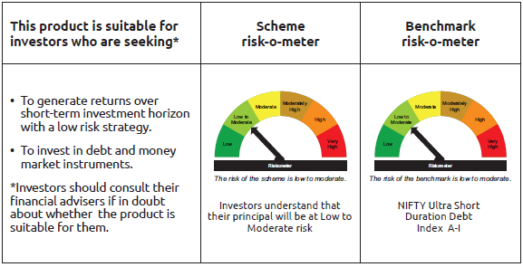
INDEX | Portfolio Statement as on January 31,2025
 | Bandhan Ultra Short Term Fund

 | Name of the Instrument | ISIN | Industry / Rating | Quantity | Market/Fair Value ( Rs. in Lacs) | % to NAV | YTM
 | Debt Instruments
 | (a) Listed / awaiting listing on Stock Exchange
 | Government Securities
GOI2771 | 5.9% State Government Securities | IN4520200077 | SOVEREIGN | 22,500,000 | 22,450.73 | 5.78% | 6.67%
GOI1453 | 8.39% State Government Securities | IN2120150098 | SOVEREIGN | 7,500,000 | 7,613.24 | 1.96% | 6.78%
GOI1642 | 8.38% State Government Securities | IN1620150129 | SOVEREIGN | 5,000,000 | 5,075.02 | 1.31% | 6.78%
GOI6176 | 6.48% State Government Securities | IN2920210506 | SOVEREIGN | 3,500,000 | 3,474.68 | 0.90% | 6.85%
GOI1647 | 8.53% State Government Securities | IN3320150375 | SOVEREIGN | 2,500,000 | 2,541.70 | 0.65% | 6.81%
GOI1433 | 8.27% State Government Securities | IN3120150179 | SOVEREIGN | 2,500,000 | 2,533.80 | 0.65% | 6.77%
GOI4352 | 6.18% State Government Securities | IN1520210171 | SOVEREIGN | 1,500,000 | 1,491.98 | 0.38% | 6.75%
GOI2403 | 8.05% State Government Securities | IN1620140179 | SOVEREIGN | 1,000,000 | 1,000.84 | 0.26% | 6.65%
GOI1434 | 8.27% State Government Securities | IN1520150104 | SOVEREIGN | 500,000 | 506.74 | 0.13% | 6.77%
GOI1607 | 8.25% State Government Securities | IN2220150030 | SOVEREIGN | 500,000 | 502.68 | 0.13% | 6.73%
GOI1470 | 8.69% State Government Securities | IN3120150203 | SOVEREIGN | 400,000 | 407.62 | 0.11% | 6.80%
 | Non Convertible Debentures
HDFB915 | 7.8% HDFC Bank Limited | INE040A08922 | CRISIL AAA | 25,000,000 | 24,954.43 | 6.43% | 7.95%
LARS459 | 7.58% Larsen & Toubro Limited ** | INE018A08BJ8 | CRISIL AAA | 20,000,000 | 19,984.08 | 5.15% | 7.48%
BHFL91 | 7.42% Bajaj Housing Finance Limited ** | INE377Y07334 | CRISIL AAA | 17,250,000 | 17,194.77 | 4.43% | 7.78%
POWF459 | 7.17% Power Finance Corporation Limited ** | INE134E08KT5 | CRISIL AAA | 15,000,000 | 14,961.41 | 3.85% | 7.66%
TCHF380 | 7.97% Tata Capital Housing Finance Limited ** | INE033L07HV8 | CRISIL AAA | 12,500,000 | 12,499.68 | 3.22% | 7.82%
BHFL96 | 7.9237% Bajaj Housing Finance Limited ** | INE377Y07375 | CRISIL AAA | 9,000,000 | 9,006.00 | 2.32% | 7.83%
POWF486 | 7.13% Power Finance Corporation Limited | INE134E08LO4 | CRISIL AAA | 9,000,000 | 8,959.18 | 2.31% | 7.78%
NBAR684 | 7.2% National Bank For Agriculture and Rural Development | INE261F08DR2 | ICRA AAA | 9,000,000 | 8,955.28 | 2.31% | 7.80%
TCAL485 | 6.7% Tata Capital Limited ** | INE976I08391 | CRISIL AAA | 6,000,000 | 5,985.94 | 1.54% | 7.83%
BHFL89 | 7.65% Bajaj Housing Finance Limited ** | INE377Y07326 | CRISIL AAA | 5,000,000 | 4,989.94 | 1.29% | 7.78%
NBAR689 | 7.5% National Bank For Agriculture and Rural Development ** | INE261F08DT8 | CRISIL AAA | 5,000,000 | 4,986.46 | 1.28% | 7.75%
NBAR680 | 7.25% National Bank For Agriculture and Rural Development ** | INE261F08DQ4 | CRISIL AAA | 5,000,000 | 4,979.81 | 1.28% | 7.80%
NBAR650 | 5.7% National Bank For Agriculture and Rural Development ** | INE261F08DK7 | CRISIL AAA | 5,000,000 | 4,944.79 | 1.27% | 7.80%
CHOL973 | 7.08% Cholamandalam Investment and Finance Company Ltd ** | INE121A07QJ0 | ICRA AA+ | 4,500,000 | 4,493.39 | 1.16% | 8.00%
CHOL998 | 8.45% Cholamandalam Investment and Finance Company Ltd ** | INE121A07QT9 | ICRA AA+ | 3,500,000 | 3,503.45 | 0.90% | 8.18%
BHFL117 | 8% Bajaj Housing Finance Limited ** | INE377Y07466 | CRISIL AAA | 2,500,000 | 2,503.83 | 0.65% | 7.83%
MUFL394 | 8.5% Muthoot Finance Limited ** | INE414G07HK3 | CRISIL AA+ | 2,500,000 | 2,499.87 | 0.64% | 8.50%
RECL387 | 6.88% REC Limited ** | INE020B08CK8 | CRISIL AAA | 2,500,000 | 2,497.59 | 0.64% | 7.62%
MUFL392 | 8.3% Muthoot Finance Limited ** | INE414G07HI7 | CRISIL AA+ | 2,500,000 | 2,494.62 | 0.64% | 8.50%
RECL405 | 5.85% REC Limited ** | INE020B08DF6 | CRISIL AAA | 2,500,000 | 2,460.28 | 0.63% | 7.72%
CHOL1010 | 8.25% Cholamandalam Investment and Finance Company Ltd ** | INE121A07RB5 | ICRA AA+ | 2,000,000 | 1,999.60 | 0.52% | 8.00%
BHFL121 | 7.98% Bajaj Housing Finance Limited ** | INE377Y07490 | CRISIL AAA | 1,500,000 | 1,502.44 | 0.39% | 7.82%
MUFL397 | 8.65% Muthoot Finance Limited ** | INE414G07HS6 | CRISIL AA+ | 1,000,000 | 998.75 | 0.26% | 8.69%
POWF313 | 8.2% Power Finance Corporation Limited ** | INE134E08GY3 | CRISIL AAA | 500,000 | 500.09 | 0.13% | 7.48%
TCHF374 | 7.55% Tata Capital Housing Finance Limited ** | INE033L07HT2 | CRISIL AAA | 500,000 | 498.61 | 0.13% | 7.83%
 | Subtotal |  |  |  | 215,953.32 | 55.63%
 | (b) Privately placed / Unlisted |  |  |  | NIL | NIL | NIL
 | Subtotal |  |  |  | NIL | NIL | NIL
 | Total |  |  |  | 215,953.32 | 55.63%
 | Money Market Instruments
 | Certificate of Deposit
CANB1019 | Canara Bank ** | INE476A16ZR3 | CRISIL A1+ | 35,000,000 | 34,270.60 | 8.83% | 7.54%
BKBA452 | Bank of Baroda ** | INE028A16GR2 | FITCH A1+ | 33,000,000 | 32,310.70 | 8.33% | 7.56%
UTIB1337 | Axis Bank Limited | INE238AD6967 | CRISIL A1+ | 25,000,000 | 24,455.15 | 6.30% | 7.60%
UTIB1325 | Axis Bank Limited ** | INE238AD6868 | CRISIL A1+ | 20,000,000 | 19,332.88 | 4.98% | 7.68%
HDFB967 | HDFC Bank Limited ** | INE040A16FN8 | CARE A1+ | 7,500,000 | 7,160.03 | 1.84% | 7.67%
CANB1020 | Canara Bank ** | INE476A16ZS1 | CRISIL A1+ | 5,000,000 | 4,894.81 | 1.26% | 7.54%
BKBA462 | Bank of Baroda | INE028A16HA6 | FITCH A1+ | 5,000,000 | 4,870.20 | 1.25% | 7.60%
CANB1005 | Canara Bank ** | INE476A16ZA9 | CRISIL A1+ | 5,000,000 | 4,786.31 | 1.23% | 7.62%
UTIB1331 | Axis Bank Limited ** | INE238AD6918 | CRISIL A1+ | 5,000,000 | 4,778.79 | 1.23% | 7.68%
IIBL972 | IndusInd Bank Limited ** | INE095A16X10 | CRISIL A1+ | 2,500,000 | 2,398.84 | 0.62% | 7.74%
HDFB966 | HDFC Bank Limited ** | INE040A16FM0 | CARE A1+ | 2,500,000 | 2,384.77 | 0.61% | 7.67%
UNBI412 | Union Bank of India | INE692A16II0 | FITCH A1+ | 2,500,000 | 2,343.83 | 0.60% | 7.60%
 | Commercial Paper
BAFS58 | Bajaj Financial Securities Limited ** | INE01C314981 | CRISIL A1+ | 10,000,000 | 9,696.56 | 2.50% | 8.04%
KOMP1725 | Kotak Mahindra Prime Limited ** | INE916D144E0 | CRISIL A1+ | 2,500,000 | 2,388.21 | 0.62% | 7.91%
BAFL946 | Bajaj Finance Limited ** | INE296A14ZD0 | ICRA A1+ | 2,500,000 | 2,351.91 | 0.61% | 7.92%
ICBR486 | ICICI Securities Limited ** | INE763G14TN8 | CRISIL A1+ | 1,500,000 | 1,489.63 | 0.38% | 7.70%
ICBR516 | ICICI Securities Limited ** | INE763G14UX5 | CRISIL A1+ | 500,000 | 484.65 | 0.12% | 7.98%
 | Treasury Bill
TBIL2454 | 91 Days Tbill | IN002024X391 | SOVEREIGN | 2,500,000 | 2,472.85 | 0.64% | 6.57%
 | Collateralised Borrowing & Lending Obligation / Reverse Repo Instrument
TRP_030225 | CBLO TRP_030225 |  |  |  | 1,163.06 | 0.30% | 6.62%
 | Total |  |  |  | 164,033.78 | 42.25%
 | Corporate Debt Market Development Fund
CDMD50ME | Corporate Debt Market Development Fund | INF0RQ622028 |  | 10,017 | 1,092.92 | 0.28%
 | Total |  |  |  | 1,092.92 | 0.28%
 | OTHERS
 | Cash Margin - CCIL |  |  |  | 10.90 | $
 | Subtotal |  |  |  | 10.90 | $
 | Net Current Assets |  |  |  | 7,018.91 | 1.84%
 | GRAND TOTAL |  |  |  | 388,109.83 | 100.00%

 | $ Less Than 0.01% of NAV
 | ** Thinly Traded/Non Traded Securities/Illiquid Securities

 | As per the requirement of regulation 43A of SEBI (Mutual Funds) Regulations, 1996, SEBI circular no. SEBI/HO/IMD/PoD2/P/CIR/2023/128 dated July 27, 2023 on framework for Corporate Debt Market Development Fund and SEBI circular no. SEBI/HO/IMD/PoD2 /P/CIR/2023/129 dated July 27, 2023 on investment by mutual fund schemes and Asset Management Companies (AMCs) in units of Corporate Debt Market Development Fund (“CDMDF”), specified open ended debt-oriented schemes of Bandhan Mutual Fund and Bandhan AMC Limited (‘AMC’) shall invest percentage of net assets in the units of the CDMDF.

BANDHAN MMF
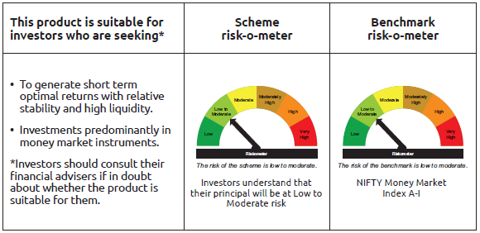
INDEX | Portfolio Statement as on January 31,2025
 | Bandhan Money Manager Fund

 | Name of the Instrument | ISIN | Industry / Rating | Quantity | Market/Fair Value ( Rs. in Lacs) | % to NAV | YTM
 | Debt Instruments
 | (a) Listed / awaiting listing on Stock Exchange
 | Government Securities
GOI1643 | 8.38% State Government Securities | IN2920150231 | SOVEREIGN | 22,996,600 | 23,335.20 | 2.20% | 6.81%
GOI2771 | 5.9% State Government Securities | IN4520200077 | SOVEREIGN | 20,000,000 | 19,956.20 | 1.88% | 6.67%
GOI1447 | 8.38% State Government Securities | IN1920150084 | SOVEREIGN | 17,000,000 | 17,256.55 | 1.62% | 6.78%
GOI1321 | 8.29% State Government Securities | IN2020150065 | SOVEREIGN | 16,000,000 | 16,119.81 | 1.52% | 6.82%
GOI2470 | 5.95% State Government Securities | IN3120200057 | SOVEREIGN | 15,000,000 | 14,970.90 | 1.41% | 6.72%
GOI1346 | 8.23% State Government Securities | IN2220150089 | SOVEREIGN | 10,500,000 | 10,586.11 | 1.00% | 6.81%
GOI4654 | Government of India | IN000325C042 | SOVEREIGN | 9,072,000 | 8,998.03 | 0.85% | 6.52%
GOI3613 | 8.38% State Government Securities | IN2720150043 | SOVEREIGN | 8,500,000 | 8,627.94 | 0.81% | 6.78%
GOI1863 | 8.24% State Government Securities | IN3120150054 | SOVEREIGN | 7,000,000 | 7,037.61 | 0.66% | 6.72%
GOI4141 | 8.27% State Government Securities | IN2020150073 | SOVEREIGN | 4,500,000 | 4,533.37 | 0.43% | 6.82%
GOI6284 | 8.24% State Government Securities | IN4520150074 | SOVEREIGN | 2,500,000 | 2,520.36 | 0.24% | 6.83%
GOI1378 | 7.98% State Government Securities | IN1020150075 | SOVEREIGN | 2,500,000 | 2,519.43 | 0.24% | 6.81%
GOI2401 | 8.09% State Government Securities | IN2120140115 | SOVEREIGN | 2,500,000 | 2,504.57 | 0.24% | 6.66%
GOI4745 | Government of India | IN000325C059 | SOVEREIGN | 2,500,000 | 2,482.70 | 0.23% | 6.52%
GOI1358 | 8.16% State Government Securities | IN2220150097 | SOVEREIGN | 2,000,000 | 2,016.53 | 0.19% | 6.81%
GOI1415 | 8.24% State Government Securities | IN3120150104 | SOVEREIGN | 2,000,000 | 2,016.39 | 0.19% | 6.82%
GOI4605 | 8.29% State Government Securities | IN1620150053 | SOVEREIGN | 2,000,000 | 2,015.17 | 0.19% | 6.80%
GOI3743 | 5.75% State Government Securities | IN2920200127 | SOVEREIGN | 2,000,000 | 1,993.55 | 0.19% | 6.71%
GOI1337 | 8.29% State Government Securities | IN1520150039 | SOVEREIGN | 1,500,000 | 1,512.20 | 0.14% | 6.80%
GOI1304 | 8.17% State Government Securities | IN3420150028 | SOVEREIGN | 1,000,000 | 1,004.73 | 0.09% | 6.73%
GOI3096 | 6.69% State Government Securities | IN2120200273 | SOVEREIGN | 1,000,000 | 1,000.34 | 0.09% | 6.64%
 | Subtotal |  |  |  | 153,007.69 | 14.41%
 | (b) Privately placed / Unlisted |  |  |  | NIL | NIL | NIL
 | Subtotal |  |  |  | NIL | NIL | NIL
 | Total |  |  |  | 153,007.69 | 14.41%
 | Money Market Instruments
 | Certificate of Deposit
BKBA451 | Bank of Baroda ** | INE028A16GP6 | FITCH A1+ | 45,000,000 | 44,149.59 | 4.16% | 7.56%
CANB1018 | Canara Bank ** | INE476A16ZQ5 | CRISIL A1+ | 42,500,000 | 39,891.86 | 3.75% | 7.60%
KMBK871 | Kotak Mahindra Bank Limited ** | INE237A168Y2 | CRISIL A1+ | 40,000,000 | 37,609.32 | 3.54% | 7.58%
NBAR810 | National Bank For Agriculture and Rural Development ** | INE261F16900 | CRISIL A1+ | 40,000,000 | 37,240.04 | 3.51% | 7.62%
PUBA1075 | Punjab National Bank ** | INE160A16QV4 | CARE A1+ | 30,000,000 | 27,963.90 | 2.63% | 7.62%
KMBK873 | Kotak Mahindra Bank Limited ** | INE237A160Z6 | CRISIL A1+ | 27,500,000 | 25,821.10 | 2.43% | 7.58%
IIBL981 | IndusInd Bank Limited ** | INE095A16X93 | CRISIL A1+ | 27,500,000 | 25,596.34 | 2.41% | 7.69%
NBAR756 | National Bank For Agriculture and Rural Development ** | INE261F16819 | CRISIL A1+ | 25,000,000 | 24,878.58 | 2.34% | 7.13%
CANB972 | Canara Bank ** | INE476A16XV0 | CRISIL A1+ | 25,000,000 | 24,812.45 | 2.34% | 7.26%
HDFB966 | HDFC Bank Limited ** | INE040A16FM0 | CARE A1+ | 25,000,000 | 23,847.65 | 2.24% | 7.67%
HDFB970 | HDFC Bank Limited ** | INE040A16FQ1 | CRISIL A1+ | 23,500,000 | 22,234.13 | 2.09% | 7.64%
KMBK866 | Kotak Mahindra Bank Limited ** | INE237A168X4 | CRISIL A1+ | 22,500,000 | 21,929.24 | 2.06% | 7.60%
UTIB1330 | Axis Bank Limited ** | INE238AD6892 | CRISIL A1+ | 22,500,000 | 21,521.86 | 2.03% | 7.68%
UNBI406 | Union Bank of India ** | INE692A16IC3 | ICRA A1+ | 20,000,000 | 18,802.02 | 1.77% | 7.60%
EXIM768 | Export Import Bank of India | INE514E16CH3 | CRISIL A1+ | 17,500,000 | 17,323.78 | 1.63% | 7.28%
PUBA1064 | Punjab National Bank ** | INE160A16QM3 | CRISIL A1+ | 17,500,000 | 16,445.31 | 1.55% | 7.63%
IBCL1168 | ICICI Bank Limited ** | INE090AD6147 | ICRA A1+ | 15,000,000 | 14,870.04 | 1.40% | 7.25%
BKBA452 | Bank of Baroda ** | INE028A16GR2 | FITCH A1+ | 15,000,000 | 14,686.68 | 1.38% | 7.56%
UTIB1340 | Axis Bank Limited ** | INE238AD6991 | CRISIL A1+ | 12,500,000 | 11,796.89 | 1.11% | 7.66%
KMBK876 | Kotak Mahindra Bank Limited | INE237A163Z0 | CRISIL A1+ | 12,500,000 | 11,630.38 | 1.09% | 7.56%
INBK423 | Indian Bank | INE562A16MR8 | CRISIL A1+ | 10,000,000 | 9,920.85 | 0.93% | 7.28%
UNBI395 | Union Bank of India | INE692A16HP7 | FITCH A1+ | 10,000,000 | 9,911.05 | 0.93% | 7.28%
UNBI397 | Union Bank of India ** | INE692A16HR3 | FITCH A1+ | 10,000,000 | 9,909.09 | 0.93% | 7.28%
UNBI392 | Union Bank of India ** | INE692A16HE1 | ICRA A1+ | 10,000,000 | 9,907.13 | 0.93% | 7.28%
IIBL975 | IndusInd Bank Limited ** | INE095A16X51 | CRISIL A1+ | 10,000,000 | 9,744.44 | 0.92% | 7.72%
KMBK863 | Kotak Mahindra Bank Limited ** | INE237A161Y7 | CRISIL A1+ | 10,000,000 | 9,651.65 | 0.91% | 7.61%
IIBL972 | IndusInd Bank Limited ** | INE095A16X10 | CRISIL A1+ | 10,000,000 | 9,595.35 | 0.90% | 7.74%
HDFB979 | HDFC Bank Limited | INE040A16FY5 | CRISIL A1+ | 10,000,000 | 9,398.05 | 0.88% | 7.64%
BKIN466 | Bank of India ** | INE084A16CY0 | CRISIL A1+ | 10,000,000 | 9,355.59 | 0.88% | 7.67%
UNBI413 | Union Bank of India ** | INE692A16IJ8 | FITCH A1+ | 10,000,000 | 9,334.23 | 0.88% | 7.59%
KMBK875 | Kotak Mahindra Bank Limited | INE237A162Z2 | CRISIL A1+ | 10,000,000 | 9,328.50 | 0.88% | 7.55%
UNBI414 | Union Bank of India ** | INE692A16IK6 | ICRA A1+ | 10,000,000 | 9,323.38 | 0.88% | 7.59%
NBAR806 | National Bank For Agriculture and Rural Development ** | INE261F16892 | CRISIL A1+ | 10,000,000 | 9,313.63 | 0.88% | 7.62%
UTIB1337 | Axis Bank Limited | INE238AD6967 | CRISIL A1+ | 7,500,000 | 7,336.55 | 0.69% | 7.60%
INBK432 | Indian Bank ** | INE562A16MZ1 | CRISIL A1+ | 7,500,000 | 7,330.79 | 0.69% | 7.59%
UTIB1323 | Axis Bank Limited | INE238AD6835 | CRISIL A1+ | 7,500,000 | 7,308.28 | 0.69% | 7.66%
UTIB1336 | Axis Bank Limited ** | INE238AD6900 | CRISIL A1+ | 7,500,000 | 7,175.39 | 0.68% | 7.68%
HDFB971 | HDFC Bank Limited ** | INE040A16FR9 | CARE A1+ | 7,500,000 | 7,090.38 | 0.67% | 7.64%
HDFB967 | HDFC Bank Limited ** | INE040A16FN8 | CARE A1+ | 5,000,000 | 4,773.36 | 0.45% | 7.67%
EXIM793 | Export Import Bank of India ** | INE514E16CI1 | CRISIL A1+ | 5,000,000 | 4,676.91 | 0.44% | 7.60%
CANB1019 | Canara Bank ** | INE476A16ZR3 | CRISIL A1+ | 2,500,000 | 2,447.90 | 0.23% | 7.54%
HDFB959 | HDFC Bank Limited | INE040A16FE7 | CRISIL A1+ | 2,500,000 | 2,438.56 | 0.23% | 7.60%
HDFB954 | HDFC Bank Limited | INE040A16FA5 | CRISIL A1+ | 2,500,000 | 2,427.10 | 0.23% | 7.67%
UTIB1327 | Axis Bank Limited ** | INE238AD6884 | CRISIL A1+ | 2,500,000 | 2,398.08 | 0.23% | 7.68%
INBK460 | Indian Bank ** | INE562A16NX4 | CRISIL A1+ | 2,500,000 | 2,324.32 | 0.22% | 7.60%
 | Commercial Paper
PAFI43 | Panatone Finvest Limited ** | INE116F14216 | CRISIL A1+ | 25,000,000 | 23,226.50 | 2.19% | 8.06%
CHOL1038 | Cholamandalam Investment and Finance Company Ltd | INE121A14WH8 | CRISIL A1+ | 15,000,000 | 14,937.48 | 1.41% | 7.64%
KOMP1713 | Kotak Mahindra Prime Limited ** | INE916D143Z7 | CRISIL A1+ | 15,000,000 | 14,895.32 | 1.40% | 7.55%
EXIM766 | Export Import Bank of India ** | INE514E14RM6 | CRISIL A1+ | 15,000,000 | 14,890.11 | 1.40% | 7.28%
KOSE282 | Kotak Securities Limited ** | INE028E14OD3 | CRISIL A1+ | 12,500,000 | 12,429.10 | 1.17% | 7.71%
MMFS1186 | Mahindra & Mahindra Financial Services Limited ** | INE774D14SD5 | CRISIL A1+ | 10,000,000 | 9,919.61 | 0.93% | 7.58%
MUFL432 | Muthoot Finance Limited ** | INE414G14TT5 | CRISIL A1+ | 10,000,000 | 9,748.60 | 0.92% | 8.19%
LICH690 | LIC Housing Finance Limited ** | INE115A14FI3 | CRISIL A1+ | 10,000,000 | 9,303.42 | 0.88% | 7.72%
LTFH98 | L&T Finance Limited ** | INE498L14BD0 | ICRA A1+ | 7,500,000 | 7,464.33 | 0.70% | 7.58%
RICL189 | Barclays Investments & Loans (India) Private Limited ** | INE704I14JF5 | ICRA A1+ | 7,500,000 | 7,446.42 | 0.70% | 7.72%
MUFL416 | Muthoot Finance Limited ** | INE414G14TC1 | CRISIL A1+ | 5,000,000 | 4,974.37 | 0.47% | 7.84%
ICBR536 | ICICI Securities Limited | INE763G14UB1 | CRISIL A1+ | 5,000,000 | 4,950.93 | 0.47% | 7.70%
MUFL444 | Muthoot Finance Limited ** | INE414G14UA3 | CRISIL A1+ | 5,000,000 | 4,632.83 | 0.44% | 8.20%
KOMP1697 | Kotak Mahindra Prime Limited ** | INE916D143E2 | CRISIL A1+ | 2,500,000 | 2,483.57 | 0.23% | 7.55%
 | Treasury Bill
TBIL2396 | 182 Days Tbill | IN002024Y209 | SOVEREIGN | 5,000,000 | 4,988.59 | 0.47% | 6.42%
TBIL2353 | 364 Days Tbill | IN002024Z057 | SOVEREIGN | 500,000 | 492.10 | 0.05% | 6.52%
 | Collateralised Borrowing & Lending Obligation / Reverse Repo Instrument
TRP_030225 |  |  |  |  | 133,264.06 | 12.54% | 6.62%
 | Total |  |  |  | 945,519.06 | 89.01%
 | Corporate Debt Market Development Fund
CDMD50ME | Corporate Debt Market Development Fund | INF0RQ622028 |  | 20,189 | 2,202.71 | 0.21%
 | Total |  |  |  | 2,202.71 | 0.21%
 | OTHERS
 | Cash Margin - CCIL |  |  |  | 20.51 | $
 | Subtotal |  |  |  | 20.51 | $
 | Net Current Assets |  |  |  | (38,301.44) | -3.63%
 | GRAND TOTAL |  |  |  | 1,062,448.53 | 100.00%

 | $ Less Than 0.01% of NAV
 | ** Thinly Traded/Non Traded Securities/Illiquid Securities

 | As per the requirement of regulation 43A of SEBI (Mutual Funds) Regulations, 1996, SEBI circular no. SEBI/HO/IMD/PoD2/P/CIR/2023/128 dated July 27, 2023 on framework for Corporate Debt Market Development Fund and SEBI circular no. SEBI/HO/IMD/PoD2 /P/CIR/2023/129 dated July 27, 2023 on investment by mutual fund schemes and Asset Management Companies (AMCs) in units of Corporate Debt Market Development Fund (“CDMDF”), specified open ended debt-oriented schemes of Bandhan Mutual Fund and Bandhan AMC Limited (‘AMC’) shall invest percentage of net assets in the units of the CDMDF.

BANDHAN DBF
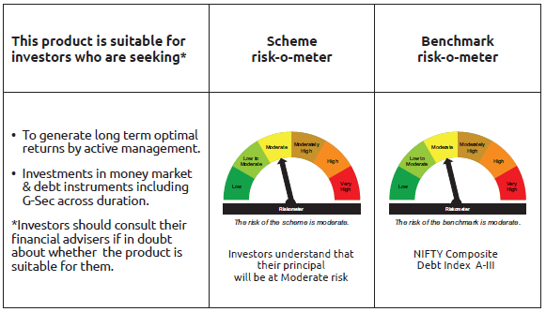
INDEX | Portfolio Statement as on January 31,2025
 | Bandhan Dynamic Bond Fund

 | Name of the Instrument | ISIN | Industry / Rating | Quantity | Market/Fair Value ( Rs. in Lacs) | % to NAV | YTM
 | Debt Instruments
 | (a) Listed / awaiting listing on Stock Exchange
 | Government Securities
GOI5152 | 7.3% Government of India | IN0020230051 | SOVEREIGN | 294,300,000 | 304,278.83 | 99.00% | 7.02%
GOI1973 | 7.17% Government of India | IN0020170174 | SOVEREIGN | 10,000 | 10.14 | $ | 6.62%
GOI922 | 8.2% Government of India | IN0020120047 | SOVEREIGN | 10,000 | 10.10 | $ | 6.64%
 | Subtotal |  |  |  | 304,299.07 | 99.00%
 | (b) Privately placed / Unlisted |  |  |  | NIL | NIL | NIL
 | Subtotal |  |  |  | NIL | NIL | NIL
 | Total |  |  |  | 304,299.07 | 99.00%
 | Money Market Instruments
 | Collateralised Borrowing & Lending Obligation / Reverse Repo Instrument
TRP_030225 | CBLO TRP_030225 |  |  |  | 36.02 | 0.01% | 6.62%
 | Total |  |  |  | 36.02 | $
 | Corporate Debt Market Development Fund
CDMD50ME | Corporate Debt Market Development Fund | INF0RQ622028 |  | 7,534 | 821.97 | 0.27%
 | Total |  |  |  | 821.97 | 0.27%
 | OTHERS
 | Cash Margin - CCIL |  |  |  | 1.65 | $
 | Subtotal |  |  |  | 1.65 | $
 | Net Current Assets |  |  |  | 2,195.89 | 0.72%
 | GRAND TOTAL |  |  |  | 307,354.60 | 100.00%

 | $ Less Than 0.01% of NAV

 | As per the requirement of regulation 43A of SEBI (Mutual Funds) Regulations, 1996, SEBI circular no. SEBI/HO/IMD/PoD2/P/CIR/2023/128 dated July 27, 2023 on framework for Corporate Debt Market Development Fund and SEBI circular no. SEBI/HO/IMD/PoD2 /P/CIR/2023/129 dated July 27, 2023 on investment by mutual fund schemes and Asset Management Companies (AMCs) in units of Corporate Debt Market Development Fund (“CDMDF”), specified open ended debt-oriented schemes of Bandhan Mutual Fund and Bandhan AMC Limited (‘AMC’) shall invest percentage of net assets in the units of the CDMDF.

BANDHAN BF-IP
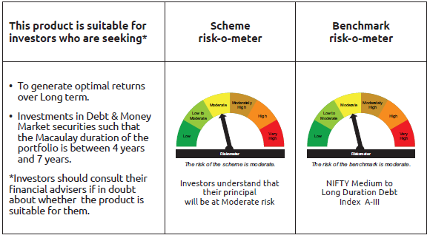
INDEX | Portfolio Statement as on January 31,2025
 | Bandhan Bond Fund - Income Plan

 | Name of the Instrument | ISIN | Industry / Rating | Quantity | Market/Fair Value ( Rs. in Lacs) | % to NAV | YTM
 | Debt Instruments
 | (a) Listed / awaiting listing on Stock Exchange
 | Government Securities
GOI5152 | 7.3% Government of India | IN0020230051 | SOVEREIGN | 23,100,000 | 23,883.25 | 49.34% | 7.02%
GOI5228 | 7.18% Government of India | IN0020230085 | SOVEREIGN | 1,500,000 | 1,541.02 | 3.18% | 6.75%
GOI1864 | 6.79% Government of India | IN0020170026 | SOVEREIGN | 100,000 | 100.41 | 0.21% | 6.59%
GOI1364 | 7.73% Government of India | IN0020150051 | SOVEREIGN | 37,500 | 40.04 | 0.08% | 6.78%
 | Non Convertible Debentures
NBAR677 | 7.4% National Bank For Agriculture and Rural Development | INE261F08DO9 | CRISIL AAA | 5,000,000 | 4,984.87 | 10.30% | 7.72%
TCFS680 | 8.098% Tata Capital Limited ** | INE306N07NS8 | CRISIL AAA | 4,200,000 | 4,213.83 | 8.71% | 7.91%
BHFL114 | 8.04% Bajaj Housing Finance Limited ** | INE377Y07441 | CRISIL AAA | 2,500,000 | 2,511.86 | 5.19% | 7.76%
RECL405 | 5.85% REC Limited ** | INE020B08DF6 | CRISIL AAA | 200,000 | 196.82 | 0.41% | 7.72%
 | Subtotal |  |  |  | 37,472.10 | 77.42%
 | (b) Privately placed / Unlisted |  |  |  | NIL | NIL | NIL
 | Subtotal |  |  |  | NIL | NIL | NIL
 | Total |  |  |  | 37,472.10 | 77.42%
 | Money Market Instruments
 | Certificate of Deposit
HDFB961 | HDFC Bank Limited ** | INE040A16FF4 | CARE A1+ | 3,500,000 | 3,376.57 | 6.98% | 7.67%
CANB1027 | Canara Bank | INE476A16ZW3 | CRISIL A1+ | 2,500,000 | 2,340.18 | 4.83% | 7.60%
CANB1018 | Canara Bank ** | INE476A16ZQ5 | CRISIL A1+ | 2,400,000 | 2,252.72 | 4.65% | 7.60%
UNBI412 | Union Bank of India | INE692A16II0 | FITCH A1+ | 1,000,000 | 937.53 | 1.94% | 7.60%
 | Commercial Paper
BAFL946 | Bajaj Finance Limited ** | INE296A14ZD0 | ICRA A1+ | 1,400,000 | 1,317.07 | 2.72% | 7.92%
 | Collateralised Borrowing & Lending Obligation / Reverse Repo Instrument
TRP_030225 | CBLO TRP_030225 |  |  |  | 315.42 | 0.65% | 6.62%
 | Total |  |  |  | 10,539.49 | 21.77%
 | Corporate Debt Market Development Fund
CDMD50ME | Corporate Debt Market Development Fund | INF0RQ622028 |  | 1,254 | 136.83 | 0.28%
 | Total |  |  |  | 136.83 | 0.28%
 | OTHERS
 | Cash Margin - CCIL |  |  |  | 0.01 | $
 | Subtotal |  |  |  | 0.01 | $
 | Net Current Assets |  |  |  | 252.95 | 0.53%
 | GRAND TOTAL |  |  |  | 48,401.38 | 100.00%

 | $ Less Than 0.01% of NAV
 | ** Thinly Traded/Non Traded Securities/Illiquid Securities

 | As per the requirement of regulation 43A of SEBI (Mutual Funds) Regulations, 1996, SEBI circular no. SEBI/HO/IMD/PoD2/P/CIR/2023/128 dated July 27, 2023 on framework for Corporate Debt Market Development Fund and SEBI circular no. SEBI/HO/IMD/PoD2 /P/CIR/2023/129 dated July 27, 2023 on investment by mutual fund schemes and Asset Management Companies (AMCs) in units of Corporate Debt Market Development Fund (“CDMDF”), specified open ended debt-oriented schemes of Bandhan Mutual Fund and Bandhan AMC Limited (‘AMC’) shall invest percentage of net assets in the units of the CDMDF.

BANDHAN BF-MTP
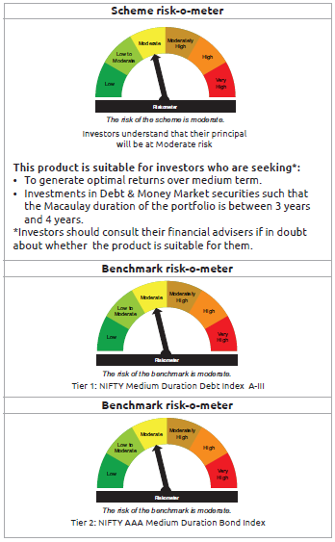
INDEX | Portfolio Statement as on January 31,2025
 | Bandhan Bond Fund - Medium Term Plan

 | Name of the Instrument | ISIN | Industry / Rating | Quantity | Market/Fair Value ( Rs. in Lacs) | % to NAV | YTM
 | Debt Instruments
 | (a) Listed / awaiting listing on Stock Exchange
 | Government Securities
GOI5228 | 7.18% Government of India | IN0020230085 | SOVEREIGN | 58,500,000 | 60,099.68 | 40.91% | 6.75%
GOI5713 | 7.1% Government of India | IN0020240019 | SOVEREIGN | 13,400,000 | 13,722.46 | 9.34% | 6.74%
GOI4986 | 7.68% State Government Securities | IN1520220238 | SOVEREIGN | 500,000 | 513.24 | 0.35% | 7.05%
GOI2153 | 8.37% State Government Securities | IN3120180176 | SOVEREIGN | 194,600 | 203.83 | 0.14% | 6.94%
GOI1864 | 6.79% Government of India | IN0020170026 | SOVEREIGN | 20,000 | 20.08 | 0.01% | 6.59%
GOI536 | 8.24% Government of India | IN0020060078 | SOVEREIGN | 11,000 | 11.34 | 0.01% | 6.60%
 | Non Convertible Debentures
TCHF371 | 7.75% Tata Capital Housing Finance Limited ** | INE033L07HQ8 | CRISIL AAA | 10,500,000 | 10,488.37 | 7.14% | 7.78%
BHFL114 | 8.04% Bajaj Housing Finance Limited ** | INE377Y07441 | CRISIL AAA | 10,000,000 | 10,047.45 | 6.84% | 7.76%
BHFL121 | 7.98% Bajaj Housing Finance Limited ** | INE377Y07490 | CRISIL AAA | 5,000,000 | 5,008.14 | 3.41% | 7.82%
HDFB889 | 6% HDFC Bank Limited ** | INE040A08708 | CRISIL AAA | 5,000,000 | 4,887.43 | 3.33% | 7.82%
TCFS633 | 7.89% Tata Capital Limited ** | INE306N07MX0 | CRISIL AAA | 4,500,000 | 4,494.19 | 3.06% | 7.91%
NBAR677 | 7.4% National Bank For Agriculture and Rural Development | INE261F08DO9 | CRISIL AAA | 2,500,000 | 2,492.43 | 1.70% | 7.72%
TCFS658 | 8.3% Tata Capital Limited ** | INE306N07NL3 | ICRA AAA | 2,000,000 | 2,007.57 | 1.37% | 7.90%
BAFL826 | 7.9% Bajaj Finance Limited ** | INE296A07SF4 | CRISIL AAA | 2,000,000 | 1,997.91 | 1.36% | 7.91%
TCFS654 | 8.1165% Tata Capital Limited ** | INE306N07NK5 | CRISIL AAA | 900,000 | 901.63 | 0.61% | 7.91%
TCFS680 | 8.098% Tata Capital Limited ** | INE306N07NS8 | CRISIL AAA | 800,000 | 802.63 | 0.55% | 7.91%
NBAR650 | 5.7% National Bank For Agriculture and Rural Development ** | INE261F08DK7 | CRISIL AAA | 500,000 | 494.48 | 0.34% | 7.80%
 | Subtotal |  |  |  | 118,192.86 | 80.47%
 | (b) Privately placed / Unlisted |  |  |  | NIL | NIL | NIL
 | Subtotal |  |  |  | NIL | NIL | NIL
 | Total |  |  |  | 118,192.86 | 80.47%
 | Money Market Instruments
 | Certificate of Deposit
HDFB961 | HDFC Bank Limited ** | INE040A16FF4 | CARE A1+ | 10,000,000 | 9,647.33 | 6.57% | 7.67%
PUBA1075 | Punjab National Bank ** | INE160A16QV4 | CARE A1+ | 10,000,000 | 9,321.30 | 6.34% | 7.62%
PUBA1067 | Punjab National Bank ** | INE160A16QL5 | CRISIL A1+ | 2,500,000 | 2,346.57 | 1.60% | 7.63%
EXIM768 | Export Import Bank of India | INE514E16CH3 | CRISIL A1+ | 1,500,000 | 1,484.90 | 1.01% | 7.28%
EXIM793 | Export Import Bank of India ** | INE514E16CI1 | CRISIL A1+ | 1,500,000 | 1,403.07 | 0.96% | 7.60%
CANB1018 | Canara Bank ** | INE476A16ZQ5 | CRISIL A1+ | 100,000 | 93.86 | 0.06% | 7.60%
 | Collateralised Borrowing & Lending Obligation / Reverse Repo Instrument
TRP_030225 | CBLO TRP_030225 |  |  |  | 335.15 | 0.23% | 6.62%
 | Total |  |  |  | 24,632.18 | 16.77%
 | Corporate Debt Market Development Fund
CDMD50ME | Corporate Debt Market Development Fund | INF0RQ622028 |  | 5,086 | 554.94 | 0.38%
 | Total |  |  |  | 554.94 | 0.38%
 | OTHERS
 | Cash Margin - CCIL |  |  |  | 2.17 | $
 | Subtotal |  |  |  | 2.17 | $
 | Net Current Assets |  |  |  | 3,529.94 | 2.38%
 | GRAND TOTAL |  |  |  | 146,912.09 | 100.00%

 | $ Less Than 0.01% of NAV
 | ** Thinly Traded/Non Traded Securities/Illiquid Securities

 | As per the requirement of regulation 43A of SEBI (Mutual Funds) Regulations, 1996, SEBI circular no. SEBI/HO/IMD/PoD2/P/CIR/2023/128 dated July 27, 2023 on framework for Corporate Debt Market Development Fund and SEBI circular no. SEBI/HO/IMD/PoD2 /P/CIR/2023/129 dated July 27, 2023 on investment by mutual fund schemes and Asset Management Companies (AMCs) in units of Corporate Debt Market Development Fund (“CDMDF”), specified open ended debt-oriented schemes of Bandhan Mutual Fund and Bandhan AMC Limited (‘AMC’) shall invest percentage of net assets in the units of the CDMDF.

BANDHAN BF-STP
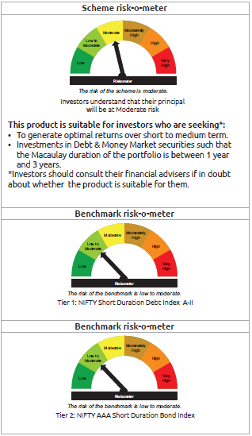
INDEX | Portfolio Statement as on January 31,2025
 | Bandhan Bond Fund - Short Term Plan

 | Name of the Instrument | ISIN | Industry / Rating | Quantity | Market/Fair Value ( Rs. in Lacs) | % to NAV | YTM
 | Debt Instruments
 | (a) Listed / awaiting listing on Stock Exchange
 | Government Securities
GOI5228 | 7.18% Government of India | IN0020230085 | SOVEREIGN | 250,000,000 | 256,836.25 | 26.64% | 6.75%
GOI5713 | 7.1% Government of India | IN0020240019 | SOVEREIGN | 67,100,000 | 68,714.69 | 7.13% | 6.74%
GOI4444 | 7.63% State Government Securities | IN2220220049 | SOVEREIGN | 19,945,600 | 20,459.76 | 2.12% | 7.03%
GOI4986 | 7.68% State Government Securities | IN1520220238 | SOVEREIGN | 1,000,000 | 1,026.48 | 0.11% | 7.05%
GOI536 | 8.24% Government of India | IN0020060078 | SOVEREIGN | 100,000 | 103.08 | 0.01% | 6.60%
GOI3103 | 5.63% Government of India | IN0020210012 | SOVEREIGN | 100,000 | 98.92 | 0.01% | 6.57%
GOI1864 | 6.79% Government of India | IN0020170026 | SOVEREIGN | 85,000 | 85.34 | 0.01% | 6.59%
 | Non Convertible Debentures
BHFL114 | 8.04% Bajaj Housing Finance Limited ** | INE377Y07441 | CRISIL AAA | 47,500,000 | 47,725.39 | 4.95% | 7.76%
TCFS654 | 8.1165% Tata Capital Limited ** | INE306N07NK5 | CRISIL AAA | 44,100,000 | 44,179.91 | 4.58% | 7.91%
BAFL826 | 7.9% Bajaj Finance Limited ** | INE296A07SF4 | CRISIL AAA | 29,000,000 | 28,969.72 | 3.00% | 7.91%
TCHF375 | 7.8% Tata Capital Housing Finance Limited ** | INE033L07HU0 | CRISIL AAA | 25,000,000 | 25,001.05 | 2.59% | 7.77%
NBAR650 | 5.7% National Bank For Agriculture and Rural Development ** | INE261F08DK7 | CRISIL AAA | 17,500,000 | 17,306.75 | 1.80% | 7.80%
BHFL117 | 8% Bajaj Housing Finance Limited ** | INE377Y07466 | CRISIL AAA | 15,000,000 | 15,022.97 | 1.56% | 7.83%
NBAR684 | 7.2% National Bank For Agriculture and Rural Development | INE261F08DR2 | ICRA AAA | 12,500,000 | 12,437.89 | 1.29% | 7.80%
TCHF397 | 8.0409% Tata Capital Housing Finance Limited ** | INE033L07ID4 | CRISIL AAA | 10,000,000 | 10,048.91 | 1.04% | 7.77%
KOMP1655 | 7.924% Kotak Mahindra Prime Limited ** | INE916DA7RW2 | CRISIL AAA | 10,000,000 | 10,001.33 | 1.04% | 7.90%
NBAR677 | 7.4% National Bank For Agriculture and Rural Development | INE261F08DO9 | CRISIL AAA | 10,000,000 | 9,969.73 | 1.03% | 7.72%
BHFL121 | 7.98% Bajaj Housing Finance Limited ** | INE377Y07490 | CRISIL AAA | 7,500,000 | 7,512.20 | 0.78% | 7.82%
POWF355 | 7.63% Power Finance Corporation Limited ** | INE134E08II2 | CRISIL AAA | 7,500,000 | 7,495.94 | 0.78% | 7.62%
BAFL913 | 8.2% Bajaj Finance Limited ** | INE296A07SS7 | CRISIL AAA | 5,000,000 | 5,011.74 | 0.52% | 7.91%
BHFL102 | 7.78% Bajaj Housing Finance Limited ** | INE377Y07425 | CRISIL AAA | 5,000,000 | 4,994.51 | 0.52% | 7.82%
TCHF371 | 7.75% Tata Capital Housing Finance Limited ** | INE033L07HQ8 | CRISIL AAA | 5,000,000 | 4,994.46 | 0.52% | 7.78%
POWF459 | 7.17% Power Finance Corporation Limited ** | INE134E08KT5 | CRISIL AAA | 4,000,000 | 3,989.71 | 0.41% | 7.66%
BAFL934 | 8.1% Bajaj Finance Limited ** | INE296A07TA3 | CRISIL AAA | 3,000,000 | 3,005.20 | 0.31% | 7.90%
BAFL842 | 8% Bajaj Finance Limited ** | INE296A07SJ6 | CRISIL AAA | 2,500,000 | 2,502.22 | 0.26% | 7.89%
RECL458 | 7.7% REC Limited ** | INE020B08FC8 | ICRA AAA | 2,500,000 | 2,499.64 | 0.26% | 7.61%
BHFL98 | 7.83% Bajaj Housing Finance Limited ** | INE377Y07391 | CRISIL AAA | 2,500,000 | 2,499.56 | 0.26% | 7.77%
NBAR680 | 7.25% National Bank For Agriculture and Rural Development ** | INE261F08DQ4 | CRISIL AAA | 1,000,000 | 995.96 | 0.10% | 7.80%
 | Subtotal |  |  |  | 613,489.31 | 63.63%
 | (b) Privately placed / Unlisted |  |  |  | NIL | NIL | NIL
 | Subtotal |  |  |  | NIL | NIL | NIL
 | Total |  |  |  | 613,489.31 | 63.63%
 | Money Market Instruments
 | Certificate of Deposit
CANB1021 | Canara Bank ** | INE476A16ZT9 | CRISIL A1+ | 50,000,000 | 46,876.60 | 4.86% | 7.60%
UNBI412 | Union Bank of India | INE692A16II0 | FITCH A1+ | 46,500,000 | 43,595.24 | 4.52% | 7.60%
UNBI413 | Union Bank of India ** | INE692A16IJ8 | FITCH A1+ | 45,000,000 | 42,004.04 | 4.36% | 7.59%
PUBA1067 | Punjab National Bank ** | INE160A16QL5 | CRISIL A1+ | 42,500,000 | 39,891.61 | 4.14% | 7.63%
CANB1027 | Canara Bank | INE476A16ZW3 | CRISIL A1+ | 37,500,000 | 35,102.63 | 3.64% | 7.60%
HDFB967 | HDFC Bank Limited ** | INE040A16FN8 | CARE A1+ | 30,000,000 | 28,640.13 | 2.97% | 7.67%
CANB1023 | Canara Bank ** | INE476A16ZU7 | CRISIL A1+ | 30,000,000 | 28,120.47 | 2.92% | 7.60%
HDFB983 | HDFC Bank Limited | INE040A16GA3 | CARE A1+ | 22,500,000 | 21,088.62 | 2.19% | 7.63%
HDFB979 | HDFC Bank Limited | INE040A16FY5 | CRISIL A1+ | 15,000,000 | 14,097.08 | 1.46% | 7.64%
PUBA1074 | Punjab National Bank ** | INE160A16QT8 | CRISIL A1+ | 12,500,000 | 11,669.78 | 1.21% | 7.62%
EXIM793 | Export Import Bank of India ** | INE514E16CI1 | CRISIL A1+ | 11,000,000 | 10,289.19 | 1.07% | 7.60%
HDFB961 | HDFC Bank Limited ** | INE040A16FF4 | CARE A1+ | 6,500,000 | 6,270.76 | 0.65% | 7.67%
UTIB1334 | Axis Bank Limited ** | INE238AD6942 | CRISIL A1+ | 2,500,000 | 2,374.90 | 0.25% | 7.66%
CANB1015 | Canara Bank ** | INE476A16ZO0 | CRISIL A1+ | 2,500,000 | 2,350.25 | 0.24% | 7.60%
CANB1018 | Canara Bank ** | INE476A16ZQ5 | CRISIL A1+ | 2,500,000 | 2,346.58 | 0.24% | 7.60%
PUBA1075 | Punjab National Bank ** | INE160A16QV4 | CARE A1+ | 2,500,000 | 2,330.33 | 0.24% | 7.62%
EXIM768 | Export Import Bank of India | INE514E16CH3 | CRISIL A1+ | 1,000,000 | 989.93 | 0.10% | 7.28%
 | Commercial Paper
BAFL946 | Bajaj Finance Limited ** | INE296A14ZD0 | ICRA A1+ | 1,100,000 | 1,034.84 | 0.11% | 7.92%
 | Collateralised Borrowing & Lending Obligation / Reverse Repo Instrument
TRP_030225 | CBLO TRP_030225 |  |  |  | 11,868.23 | 1.23% | 6.62%
 | Total |  |  |  | 350,941.21 | 36.40%
 | Corporate Debt Market Development Fund
CDMD50ME | Corporate Debt Market Development Fund | INF0RQ622028 |  | 24,280 | 2,649.08 | 0.27%
 | Total |  |  |  | 2,649.08 | 0.27%
 | OTHERS
 | Cash Margin - CCIL |  |  |  | 228.43 | 0.02%
 | Subtotal |  |  |  | 228.43 | 0.02%
 | Net Current Assets |  |  |  | (3,208.75) | -0.32%
 | GRAND TOTAL |  |  |  | 964,099.28 | 100.00%

 | ** Thinly Traded/Non Traded Securities/Illiquid Securities

 | As per the requirement of regulation 43A of SEBI (Mutual Funds) Regulations, 1996, SEBI circular no. SEBI/HO/IMD/PoD2/P/CIR/2023/128 dated July 27, 2023 on framework for Corporate Debt Market Development Fund and SEBI circular no. SEBI/HO/IMD/PoD2 /P/CIR/2023/129 dated July 27, 2023 on investment by mutual fund schemes and Asset Management Companies (AMCs) in units of Corporate Debt Market Development Fund (“CDMDF”), specified open ended debt-oriented schemes of Bandhan Mutual Fund and Bandhan AMC Limited (‘AMC’) shall invest percentage of net assets in the units of the CDMDF.

BANDHAN BPSU
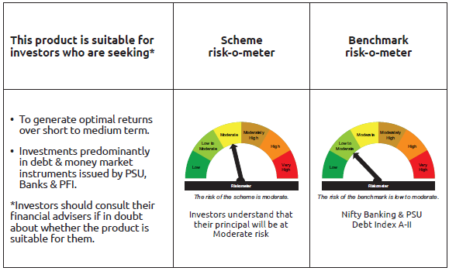
INDEX | Portfolio Statement as on January 31,2025
 | Bandhan Banking & PSU Debt Fund

 | Name of the Instrument | ISIN | Industry / Rating | Quantity | Market/Fair Value ( Rs. in Lacs) | % to NAV | YTM
 | Debt Instruments
 | (a) Listed / awaiting listing on Stock Exchange
 | Government Securities
GOI5228 | 7.18% Government of India | IN0020230085 | SOVEREIGN | 166,600,000 | 171,155.68 | 12.75% | 6.75%
GOI5081 | 7.17% Government of India | IN0020230036 | SOVEREIGN | 97,000,000 | 99,096.95 | 7.38% | 6.67%
GOI5713 | 7.1% Government of India | IN0020240019 | SOVEREIGN | 76,500,000 | 78,340.90 | 5.84% | 6.74%
GOI1908 | 7.18% State Government Securities | IN3120170078 | SOVEREIGN | 120,000 | 120.89 | 0.01% | 6.85%
 | Non Convertible Debentures
IRLY366 | 7.4% Indian Railway Finance Corporation Limited ** | INE053F08239 | CRISIL AAA | 72,500,000 | 72,381.83 | 5.39% | 7.55%
IRLY369 | 7.51% Indian Railway Finance Corporation Limited ** | INE053F08288 | CRISIL AAA | 51,500,000 | 51,479.40 | 3.84% | 7.55%
NUCL133 | 7.7% Nuclear Power Corporation Of India Limited ** | INE206D08501 | ICRA AAA | 36,000,000 | 36,384.26 | 2.71% | 7.30%
NTPC112 | 7.58% NTPC Limited ** | INE733E07KE8 | CRISIL AAA | 35,000,000 | 35,032.62 | 2.61% | 7.47%
RECL429 | 7.6% REC Limited ** | INE020B08EF4 | CRISIL AAA | 29,500,000 | 29,478.41 | 2.20% | 7.66%
IOIC654 | 7.44% Indian Oil Corporation Limited ** | INE242A08544 | CRISIL AAA | 28,000,000 | 28,086.55 | 2.09% | 7.30%
NBAR689 | 7.5% National Bank For Agriculture and Rural Development ** | INE261F08DT8 | CRISIL AAA | 27,500,000 | 27,425.50 | 2.04% | 7.75%
NBAR677 | 7.4% National Bank For Agriculture and Rural Development | INE261F08DO9 | CRISIL AAA | 27,500,000 | 27,416.76 | 2.04% | 7.72%
POWF487 | 7.13% Power Finance Corporation Limited ** | INE134E08LP1 | CRISIL AAA | 25,000,000 | 24,827.38 | 1.85% | 7.62%
NBAR699 | 7.57% National Bank For Agriculture and Rural Development ** | INE261F08DW2 | CRISIL AAA | 24,500,000 | 24,463.05 | 1.82% | 7.69%
HPEC303 | 7.74% Hindustan Petroleum Corporation Limited ** | INE094A08150 | CRISIL AAA | 23,000,000 | 23,327.91 | 1.74% | 7.20%
POWF517 | 7.64% Power Finance Corporation Limited ** | INE134E08MT1 | CRISIL AAA | 22,500,000 | 22,490.89 | 1.68% | 7.62%
EXIM731 | 7.32% Export Import Bank of India ** | INE514E08FZ5 | CRISIL AAA | 20,000,000 | 19,954.60 | 1.49% | 7.45%
HDFB889 | 6% HDFC Bank Limited ** | INE040A08708 | CRISIL AAA | 17,500,000 | 17,106.01 | 1.27% | 7.82%
NTPC243 | 7.35% NTPC Limited ** | INE733E08247 | CRISIL AAA | 15,000,000 | 14,970.50 | 1.12% | 7.49%
SIDB479 | 7.23% Small Industries Dev Bank of India ** | INE556F08KC2 | ICRA AAA | 13,500,000 | 13,428.36 | 1.00% | 7.75%
RECL458 | 7.7% REC Limited ** | INE020B08FC8 | ICRA AAA | 13,000,000 | 12,998.12 | 0.97% | 7.61%
NHBA329 | 7.59% National Housing Bank ** | INE557F08FY4 | CRISIL AAA | 10,500,000 | 10,553.25 | 0.79% | 7.34%
NHBA319 | 7.77% National Housing Bank ** | INE557F08FP2 | CRISIL AAA | 10,000,000 | 10,020.65 | 0.75% | 7.54%
NHBA317 | 7.34% National Housing Bank ** | INE557F08FN7 | CRISIL AAA | 9,000,000 | 8,978.94 | 0.67% | 7.77%
NBAR684 | 7.2% National Bank For Agriculture and Rural Development | INE261F08DR2 | ICRA AAA | 9,000,000 | 8,955.28 | 0.67% | 7.80%
PGCI422 | 8.24% Power Grid Corporation of India Limited ** | INE752E08551 | CRISIL AAA | 7,500,000 | 7,821.11 | 0.58% | 7.13%
RECL405 | 5.85% REC Limited ** | INE020B08DF6 | CRISIL AAA | 7,800,000 | 7,676.07 | 0.57% | 7.72%
HDFB915 | 7.8% HDFC Bank Limited | INE040A08922 | CRISIL AAA | 7,500,000 | 7,486.33 | 0.56% | 7.95%
POWF386 | 7.44% Power Finance Corporation Limited ** | INE134E08JC3 | CRISIL AAA | 7,000,000 | 6,986.20 | 0.52% | 7.51%
NBAR741 | 7.8% National Bank For Agriculture and Rural Development | INE261F08EF5 | ICRA AAA | 5,000,000 | 5,022.71 | 0.37% | 7.54%
HDFB901 | 7.77% HDFC Bank Limited ** | INE040A08823 | CRISIL AAA | 5,000,000 | 4,999.16 | 0.37% | 7.75%
NTPC251 | 7.47% NTPC Limited ** | INE733E07KF5 | CRISIL AAA | 5,000,000 | 4,997.03 | 0.37% | 7.47%
RECL433 | 7.51% REC Limited ** | INE020B08EI8 | CRISIL AAA | 5,000,000 | 4,990.09 | 0.37% | 7.61%
SIDB472 | 7.11% Small Industries Dev Bank of India | INE556F08KB4 | ICRA AAA | 5,000,000 | 4,968.03 | 0.37% | 7.75%
RECL411 | 5.94% REC Limited ** | INE020B08DK6 | CRISIL AAA | 5,000,000 | 4,917.74 | 0.37% | 7.72%
POWF478 | 6.35% Power Finance Corporation Limited ** | INE134E08LG0 | CRISIL AAA | 5,000,000 | 4,914.03 | 0.37% | 7.64%
IBCL973 | 8.4% ICICI Bank Limited ** | INE090A08TT8 | ICRA AAA | 4,500,000 | 4,532.00 | 0.34% | 7.74%
HDFB871 | 7.9% HDFC Bank Limited ** | INE040A08484 | CRISIL AAA | 4,000,000 | 4,003.89 | 0.30% | 7.78%
RECL462 | 7.55% REC Limited ** | INE020B08FH7 | CRISIL AAA | 4,000,000 | 3,995.71 | 0.30% | 7.59%
NUCL124 | 7.25% Nuclear Power Corporation Of India Limited ** | INE206D08410 | CRISIL AAA | 3,000,000 | 3,004.92 | 0.22% | 7.31%
HDFB897 | 5.9% HDFC Bank Limited ** | INE040A08971 | CRISIL AAA | 3,000,000 | 2,995.70 | 0.22% | 7.67%
PGCI344 | 8.7% Power Grid Corporation of India Limited ** | INE752E07LC0 | CRISIL AAA | 2,650,000 | 2,756.83 | 0.21% | 7.31%
PGCI407 | 7.89% Power Grid Corporation of India Limited ** | INE752E07OE0 | CRISIL AAA | 2,500,000 | 2,525.01 | 0.19% | 7.35%
NTPC105 | 8.19% NTPC Limited ** | INE733E07JX0 | CRISIL AAA | 2,500,000 | 2,511.89 | 0.19% | 7.53%
HDFB863 | 8.45% HDFC Bank Limited ** | INE040A08518 | CRISIL AAA | 2,500,000 | 2,500.28 | 0.19% | 7.67%
NHPC126 | 7.5% NHPC Limited ** | INE848E07AO4 | ICRA AAA | 2,500,000 | 2,495.52 | 0.19% | 7.60%
EXIM685 | 5.85% Export Import Bank of India ** | INE514E08FV4 | CRISIL AAA | 2,500,000 | 2,470.94 | 0.18% | 7.67%
NUCL111 | 8.4% Nuclear Power Corporation Of India Limited ** | INE206D08238 | CRISIL AAA | 2,000,000 | 2,061.28 | 0.15% | 7.30%
HDFB463 | 7.95% HDFC Bank Limited ** | INE040A08369 | CRISIL AAA | 1,500,000 | 1,502.30 | 0.11% | 7.80%
NUCL119 | 8.13% Nuclear Power Corporation Of India Limited ** | INE206D08360 | CRISIL AAA | 1,000,000 | 1,018.04 | 0.08% | 7.33%
PGCI355 | 8.93% Power Grid Corporation of India Limited ** | INE752E07LZ1 | CRISIL AAA | 1,000,000 | 1,007.69 | 0.08% | 7.60%
PGCI326 | 8.85% Power Grid Corporation of India Limited ** | INE752E07KK5 | CRISIL AAA | 500,000 | 503.55 | 0.04% | 7.61%
POWF174 | 8.75% Power Finance Corporation Limited ** | INE134E08DA0 | CRISIL AAA | 500,000 | 501.09 | 0.04% | 7.71%
BHFL117 | 8% Bajaj Housing Finance Limited ** | INE377Y07466 | CRISIL AAA | 500,000 | 500.77 | 0.04% | 7.83%
PGCI392 | 8.13% Power Grid Corporation of India Limited ** | INE752E07NR4 | CRISIL AAA | 500,000 | 500.21 | 0.04% | 7.48%
 | Subtotal |  |  |  | 974,640.81 | 72.65%
 | (b) Privately placed / Unlisted |  |  |  | NIL | NIL | NIL
 | Subtotal |  |  |  | NIL | NIL | NIL
 | Total |  |  |  | 974,640.81 | 72.65%
 | Money Market Instruments
 | Certificate of Deposit
PUBA1075 | Punjab National Bank ** | INE160A16QV4 | CARE A1+ | 57,500,000 | 53,597.48 | 3.99% | 7.62%
KMBK873 | Kotak Mahindra Bank Limited ** | INE237A160Z6 | CRISIL A1+ | 40,000,000 | 37,557.96 | 2.80% | 7.58%
UTIB1343 | Axis Bank Limited ** | INE238AD6AF6 | CRISIL A1+ | 27,500,000 | 25,674.03 | 1.91% | 7.64%
KMBK852 | Kotak Mahindra Bank Limited | INE237A163W7 | CRISIL A1+ | 25,000,000 | 24,866.63 | 1.85% | 7.25%
UTIB1330 | Axis Bank Limited ** | INE238AD6892 | CRISIL A1+ | 25,000,000 | 23,913.18 | 1.78% | 7.68%
CANB1018 | Canara Bank ** | INE476A16ZQ5 | CRISIL A1+ | 20,000,000 | 18,772.64 | 1.40% | 7.60%
IBCL1172 | ICICI Bank Limited ** | INE090AD6170 | ICRA A1+ | 12,500,000 | 12,062.69 | 0.90% | 7.60%
EXIM768 | Export Import Bank of India | INE514E16CH3 | CRISIL A1+ | 10,000,000 | 9,899.30 | 0.74% | 7.28%
KMBK878 | Kotak Mahindra Bank Limited | INE237A169X2 | CRISIL A1+ | 10,000,000 | 9,736.45 | 0.73% | 7.60%
BKBA467 | Bank of Baroda ** | INE028A16HJ7 | FITCH A1+ | 10,000,000 | 9,337.07 | 0.70% | 7.58%
UNBI408 | Union Bank of India ** | INE692A16ID1 | ICRA A1+ | 7,500,000 | 7,049.38 | 0.53% | 7.60%
BKBA441 | Bank of Baroda | INE028A16GG5 | FITCH A1+ | 5,000,000 | 4,970.35 | 0.37% | 7.26%
UNBI404 | Union Bank of India ** | INE692A16HY9 | ICRA A1+ | 5,000,000 | 4,707.88 | 0.35% | 7.60%
CANB1003 | Canara Bank ** | INE476A16YZ9 | CRISIL A1+ | 2,500,000 | 2,486.65 | 0.19% | 7.26%
 | Commercial Paper
EXIM788 | Export Import Bank of India ** | INE514E14SI2 | CRISIL A1+ | 50,000,000 | 47,225.25 | 3.52% | 7.61%
EXIM789 | Export Import Bank of India ** | INE514E14SJ0 | CRISIL A1+ | 32,500,000 | 30,654.16 | 2.28% | 7.61%
 | Collateralised Borrowing & Lending Obligation / Reverse Repo Instrument
TRP_030225 | CBLO TRP_030225 |  |  |  | 9,231.93 | 0.69% | 6.62%
 | Total |  |  |  | 331,743.03 | 24.73%
 | Corporate Debt Market Development Fund
CDMD50ME | Corporate Debt Market Development Fund | INF0RQ622028 |  | 36,432 | 3,974.98 | 0.30%
 | Total |  |  |  | 3,974.98 | 0.30%
 | OTHERS
 | Cash Margin - CCIL |  |  |  | 0.21 | $
 | Subtotal |  |  |  | 0.21 | $
 | Net Current Assets |  |  |  | 31,805.10 | 2.32%
 | GRAND TOTAL |  |  |  | 1,342,164.13 | 100.00%

 | ** Thinly Traded/Non Traded Securities/Illiquid Securities
 | $ Less Than 0.01% of NAV

 | As per the requirement of regulation 43A of SEBI (Mutual Funds) Regulations, 1996, SEBI circular no. SEBI/HO/IMD/PoD2/P/CIR/2023/128 dated July 27, 2023 on framework for Corporate Debt Market Development Fund and SEBI circular no. SEBI/HO/IMD/PoD2 /P/CIR/2023/129 dated July 27, 2023 on investment by mutual fund schemes and Asset Management Companies (AMCs) in units of Corporate Debt Market Development Fund (“CDMDF”), specified open ended debt-oriented schemes of Bandhan Mutual Fund and Bandhan AMC Limited (‘AMC’) shall invest percentage of net assets in the units of the CDMDF.

BANDHAN CBF
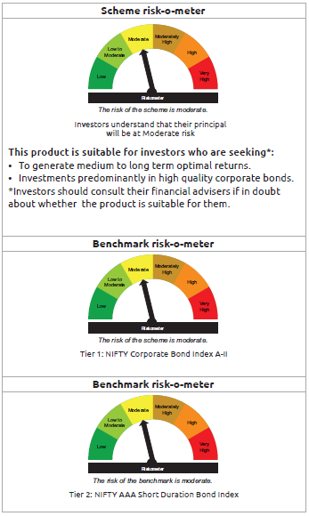
INDEX | Portfolio Statement as on January 31,2025
 | Bandhan Corporate Bond Fund

 | Name of the Instrument | ISIN | Industry / Rating | Quantity | Market/Fair Value ( Rs. in Lacs) | % to NAV | YTM
 | Debt Instruments
 | (a) Listed / awaiting listing on Stock Exchange
 | Government Securities
GOI5228 | 7.18% Government of India | IN0020230085 | SOVEREIGN | 236,000,000 | 242,453.42 | 17.42% | 6.75%
GOI5713 | 7.1% Government of India | IN0020240019 | SOVEREIGN | 116,500,000 | 119,303.46 | 8.57% | 6.74%
GOI5721 | 7.23% Government of India | IN0020240027 | SOVEREIGN | 15,000,000 | 15,530.16 | 1.12% | 6.84%
GOI2476 | 5.75% State Government Securities | IN3120200081 | SOVEREIGN | 250,000 | 249.33 | 0.02% | 6.69%
 | Non Convertible Debentures
NHBA319 | 7.77% National Housing Bank ** | INE557F08FP2 | CRISIL AAA | 92,000,000 | 92,189.98 | 6.63% | 7.54%
BHFL102 | 7.78% Bajaj Housing Finance Limited ** | INE377Y07425 | CRISIL AAA | 85,000,000 | 84,906.67 | 6.10% | 7.82%
EXIM765 | 7.4% Export Import Bank of India ** | INE514E08GC2 | CRISIL AAA | 52,350,000 | 52,659.02 | 3.78% | 7.22%
IRLY371 | 7.23% Indian Railway Finance Corporation Limited | INE053F08304 | CRISIL AAA | 42,500,000 | 42,321.50 | 3.04% | 7.51%
LARS419 | 7.725% Larsen & Toubro Limited ** | INE018A08BE9 | CRISIL AAA | 34,500,000 | 34,853.52 | 2.50% | 7.34%
NBAR699 | 7.57% National Bank For Agriculture and Rural Development ** | INE261F08DW2 | CRISIL AAA | 27,500,000 | 27,458.53 | 1.97% | 7.69%
NBAR677 | 7.4% National Bank For Agriculture and Rural Development | INE261F08DO9 | CRISIL AAA | 26,500,000 | 26,419.78 | 1.90% | 7.72%
NUCL133 | 7.7% Nuclear Power Corporation Of India Limited ** | INE206D08501 | ICRA AAA | 25,000,000 | 25,266.85 | 1.82% | 7.30%
GRAS197 | 7.63% Grasim Industries Limited ** | INE047A08208 | CRISIL AAA | 25,000,000 | 25,153.35 | 1.81% | 7.37%
TCFS654 | 8.1165% Tata Capital Limited ** | INE306N07NK5 | CRISIL AAA | 25,000,000 | 25,045.30 | 1.80% | 7.91%
RIND263 | 8.65% Reliance Industries Limited ** | INE002A08567 | CRISIL AAA | 22,000,000 | 22,912.14 | 1.65% | 7.37%
BHFL96 | 7.9237% Bajaj Housing Finance Limited ** | INE377Y07375 | CRISIL AAA | 20,500,000 | 20,513.67 | 1.47% | 7.83%
KOMP1699 | 8.135% Kotak Mahindra Prime Limited ** | INE916DA7SR0 | CRISIL AAA | 20,000,000 | 20,111.08 | 1.45% | 7.83%
TCFS658 | 8.3% Tata Capital Limited ** | INE306N07NL3 | ICRA AAA | 20,000,000 | 20,075.74 | 1.44% | 7.90%
BHFL121 | 7.98% Bajaj Housing Finance Limited ** | INE377Y07490 | CRISIL AAA | 20,000,000 | 20,032.54 | 1.44% | 7.82%
TCHF375 | 7.8% Tata Capital Housing Finance Limited ** | INE033L07HU0 | CRISIL AAA | 20,000,000 | 20,000.84 | 1.44% | 7.77%
PGCI409 | 7.3% Power Grid Corporation of India Limited ** | INE752E07OF7 | CRISIL AAA | 20,000,000 | 19,973.04 | 1.44% | 7.34%
HDFB889 | 6% HDFC Bank Limited ** | INE040A08708 | CRISIL AAA | 20,000,000 | 19,549.72 | 1.40% | 7.82%
GRAS196 | 7.5% Grasim Industries Limited ** | INE047A08190 | CRISIL AAA | 17,500,000 | 17,538.08 | 1.26% | 7.37%
IRLY372 | 7.41% Indian Railway Finance Corporation Limited | INE053F08312 | CRISIL AAA | 16,500,000 | 16,476.55 | 1.18% | 7.51%
PGCI422 | 8.24% Power Grid Corporation of India Limited ** | INE752E08551 | CRISIL AAA | 15,000,000 | 15,642.21 | 1.12% | 7.13%
NBAR689 | 7.5% National Bank For Agriculture and Rural Development ** | INE261F08DT8 | CRISIL AAA | 15,000,000 | 14,959.37 | 1.08% | 7.75%
NHBA331 | 7.59% National Housing Bank | INE557F08FZ1 | CRISIL AAA | 14,500,000 | 14,578.82 | 1.05% | 7.34%
RIND258 | 9.05% Reliance Industries Limited ** | INE002A08534 | CRISIL AAA | 13,500,000 | 14,206.32 | 1.02% | 7.37%
MAHI62 | 7.57% Mahindra & Mahindra Limited ** | INE101A08088 | CRISIL AAA | 12,500,000 | 12,524.38 | 0.90% | 7.40%
RECL433 | 7.51% REC Limited ** | INE020B08EI8 | CRISIL AAA | 12,500,000 | 12,475.23 | 0.90% | 7.61%
LICH666 | 7.835% LIC Housing Finance Limited ** | INE115A07QO2 | CRISIL AAA | 12,000,000 | 12,022.04 | 0.86% | 7.72%
NHBA329 | 7.59% National Housing Bank ** | INE557F08FY4 | CRISIL AAA | 10,000,000 | 10,050.71 | 0.72% | 7.34%
EXIM515 | 8.18% Export Import Bank of India ** | INE514E08EU9 | CRISIL AAA | 10,000,000 | 10,031.68 | 0.72% | 7.69%
BHFL125 | 7.66% Bajaj Housing Finance Limited | INE377Y07532 | CRISIL AAA | 10,000,000 | 9,989.50 | 0.72% | 7.71%
RECL411 | 5.94% REC Limited ** | INE020B08DK6 | CRISIL AAA | 10,000,000 | 9,835.48 | 0.71% | 7.72%
RIND261 | 8.95% Reliance Industries Limited ** | INE002A08542 | CRISIL AAA | 8,000,000 | 8,400.14 | 0.60% | 7.37%
NTPC146 | 8.3% NTPC Limited ** | INE733E07KJ7 | CRISIL AAA | 7,500,000 | 7,800.14 | 0.56% | 7.10%
...
 | $ Less Than 0.01% of NAV
 | ** Thinly Traded/Non Traded Securities/Illiquid Securities

 | As per the requirement of regulation 43A of SEBI (Mutual Funds) Regulations, 1996, SEBI circular no. SEBI/HO/IMD/PoD2/P/CIR/2023/128 dated July 27, 2023 on framework for Corporate Debt Market Development Fund and SEBI circular no. SEBI/HO/IMD/PoD2 /P/CIR/2023/129 dated July 27, 2023 on investment by mutual fund schemes and Asset Management Companies (AMCs) in units of Corporate Debt Market Development Fund (“CDMDF”), specified open ended debt-oriented schemes of Bandhan Mutual Fund and Bandhan AMC Limited (‘AMC’) shall invest percentage of net assets in the units of the CDMDF.

BANDHAN CRF
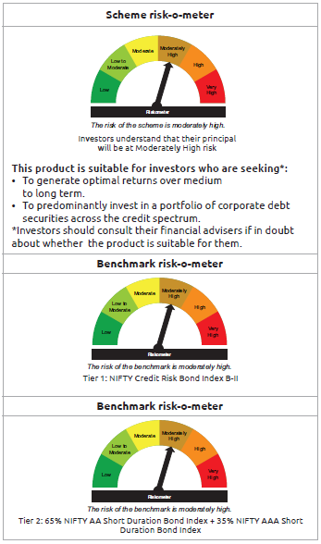
...
$ Less Than 0.01% of NAV
** Thinly Traded/Non Traded Securities/Illiquid Securities

As per the requirement of regulation 43A of SEBI (Mutual Funds) Regulations, 1996, SEBI circular no. SEBI/HO/IMD/PoD2/P/CIR/2023/128 dated July 27, 2023 on framework for Corporate Debt Market Development Fund and SEBI circular no. SEBI/HO/IMD/PoD2 /P/CIR/2023/129 dated July 27, 2023 on investment by mutual fund schemes and Asset Management Companies (AMCs) in units of Corporate Debt Market Development Fund (“CDMDF”), specified open ended debt-oriented schemes of Bandhan Mutual Fund and Bandhan AMC Limited (‘AMC’) shall invest percentage of net assets in the units of the CDMDF.

BANDHAN FRF
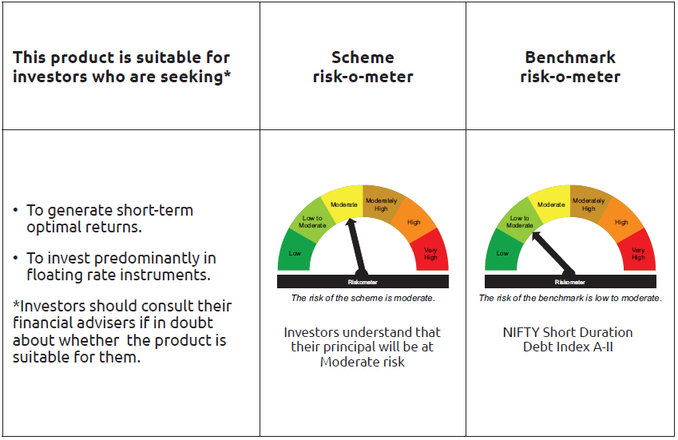
...
** Thinly Traded/Non Traded Securities/Illiquid Securities

“This scheme has exposure to floating rate instruments and / or interest rate derivatives. The duration of these instruments is linked to the interest rate reset period. The interest rate risk in a floating rate instrument or in a fixed rate instrument hedged with derivatives is likely to be lesser than that in an equivalent maturity fixed rate instrument. Under some market circumstances the volatility may be of an order greater than what may ordinarily be expected considering only its duration. Hence investors are recommended to consider the unadjusted portfolio maturity of the scheme as well and exercise adequate due diligence when deciding to make their investments”.

As per the requirement of regulation 43A of SEBI (Mutual Funds) Regulations, 1996, SEBI circular no. SEBI/HO/IMD/PoD2/P/CIR/2023/128 dated July 27, 2023 on framework for Corporate Debt Market Development Fund and SEBI circular no. SEBI/HO/IMD/PoD2 /P/CIR/2023/129 dated July 27, 2023 on investment by mutual fund schemes and Asset Management Companies (AMCs) in units of Corporate Debt Market Development Fund (“CDMDF”), specified open ended debt-oriented schemes of Bandhan Mutual Fund and Bandhan AMC Limited (‘AMC’) shall invest percentage of net assets in the units of the CDMDF.

BANDHAN LONG DUR
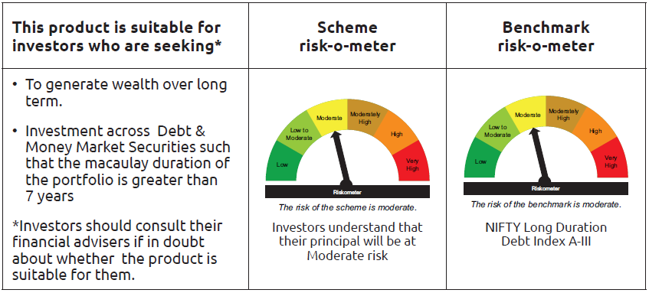
...
Name of the Instrument | ISIN | Industry / Rating | Quantity | Market/Fair Value ( Rs. in Lacs) | % to NAV | YTM
Net Current Assets |  |  |  | 267.95 | 1.29%
GRAND TOTAL |  |  |  | 20,911.10 | 100.00%

$ Less Than 0.01% of NAV

As per the requirement of regulation 43A of SEBI (Mutual Funds) Regulations, 1996, SEBI circular no. SEBI/HO/IMD/PoD2/P/CIR/2023/128 dated July 27, 2023 on framework for Corporate Debt Market Development Fund and SEBI circular no. SEBI/HO/IMD/PoD2 /P/CIR/2023/129 dated July 27, 2023 on investment by mutual fund schemes and Asset Management Companies (AMCs) in units of Corporate Debt Market Development Fund (“CDMDF”), specified open ended debt-oriented schemes of Bandhan Mutual Fund and Bandhan AMC Limited (‘AMC’) shall invest percentage of net assets in the units of the CDMDF.

BANDHAN GSEC-IP
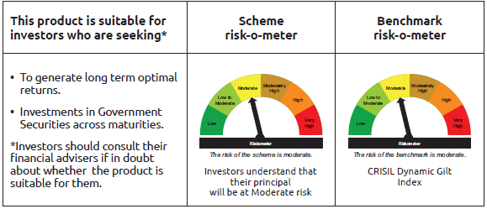
...
Name of the Instrument | ISIN | Industry / Rating | Quantity | Market/Fair Value ( Rs. in Lacs) | % to NAV | YTM
Subtotal |  |  |  | NIL | NIL | NIL
Total |  |  |  | 362,597.57 | 99.12%
OTHERS
Cash Margin - CCIL |  |  |  | 14.06 | $
Subtotal |  |  |  | 14.06 | $
Net Current Assets |  |  |  | 3,194.58 | 0.88%
GRAND TOTAL |  |  |  | 365,806.21 | 100.00%

$ Less Than 0.01% of NAV

BANDHAN GSEC-CMP
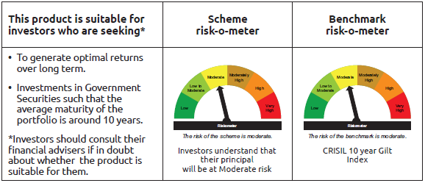
...
Name of the Instrument | ISIN | Industry / Rating | Quantity | Market/Fair Value ( Rs. in Lacs) | % to NAV | YTM
Total |  |  |  | 801.66 | 2.24%
OTHERS
Cash Margin - CCIL |  |  |  | 0.02 | $
Subtotal |  |  |  | 0.02 | $
Net Current Assets |  |  |  | 2,060.33 | 5.74%
GRAND TOTAL |  |  |  | 35,819.87 | 100.00%

$ Less Than 0.01% of NAV

BANDHAN CRISIL IBX APR 2026
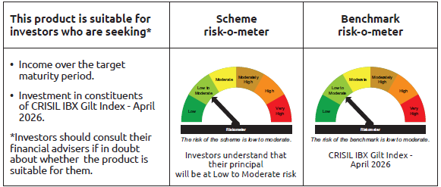
...
 | Name of the Instrument | ISIN | Industry / Rating | Quantity | Market/Fair Value ( Rs. in Lacs) | % to NAV | YTM
TRP_030225 | CBLO TRP_030225 |  |  |  | 361.48 | 0.82% | 6.62%
 | Total |  |  |  | 361.48 | 0.82%
 | OTHERS
 | Cash Margin - CCIL |  |  |  | 0.01 | $
 | Subtotal |  |  |  | 0.01 | $
 | Net Current Assets |  |  |  | 651.93 | 1.48%
 | GRAND TOTAL |  |  |  | 44,231.66 | 100.00%

 | $ Less Than 0.01% of NAV

BANDHAN CRISIL IBX JUN 2027
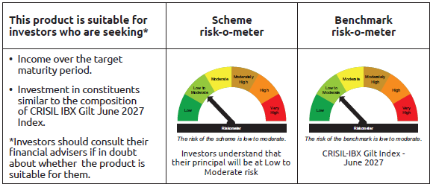
...
 | Name of the Instrument | ISIN | Industry / Rating | Quantity | Market/Fair Value ( Rs. in Lacs) | % to NAV | YTM
TRP_030225 | CBLO TRP_030225 |  |  |  | 4,044.55 | 0.58% | 6.62%
 | Total |  |  |  | 4,044.55 | 0.58%
 | OTHERS
 | Cash Margin - CCIL |  |  |  | 0.10 | $
 | Subtotal |  |  |  | 0.10 | $
 | Net Current Assets |  |  |  | 9,220.07 | 1.31%
 | GRAND TOTAL |  |  |  | 701,375.33 | 100.00%

 | $ Less Than 0.01% of NAV

BANDHAN CRISIL IBX APR 2028
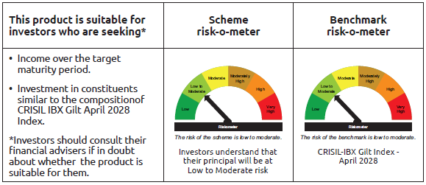
...
 | Name of the Instrument | ISIN | Industry / Rating | Quantity | Market/Fair Value ( Rs. in Lacs) | % to NAV | YTM
TRP_030225 | CBLO TRP_030225 |  |  |  | 9,763.48 | 2.08% | 6.62%
 | Total |  |  |  | 9,763.48 | 2.08%
 | OTHERS
 | Cash Margin - CCIL |  |  |  | 0.22 | $
 | Subtotal |  |  |  | 0.22 | $
 | Net Current Assets |  |  |  | 6,581.60 | 1.40%
 | GRAND TOTAL |  |  |  | 470,416.27 | 100.00%

 | $ Less Than 0.01% of NAV

BANDHAN CRISIL IBX APR 2032
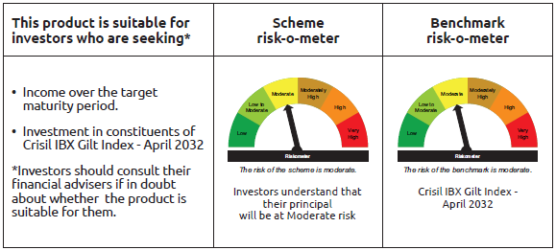
...
 | Name of the Instrument | ISIN | Industry / Rating | Quantity | Market/Fair Value ( Rs. in Lacs) | % to NAV | YTM
TRP_030225 | CBLO TRP_030225 |  |  |  | 331.48 | 0.76% | 6.62%
 | Total |  |  |  | 331.48 | 0.76%
 | OTHERS
 | Cash Margin - CCIL |  |  |  | 4.69 | 0.01%
 | Subtotal |  |  |  | 4.69 | 0.01%
 | Net Current Assets |  |  |  | 112.05 | 0.25%
 | GRAND TOTAL |  |  |  | 43,844.29 | 100.00%

BANDHAN CRISIL IBX SDL NOV 2026
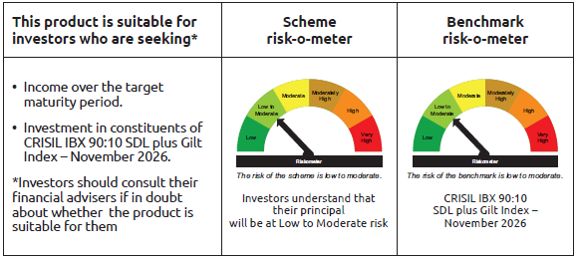
...
 | Name of the Instrument | ISIN | Industry / Rating | Quantity | Market/Fair Value ( Rs. in Lacs) | % to NAV | YTM
TRP_030225 | CBLO TRP_030225 |  |  |  | 152.87 | 1.34% | 6.62%
 | Total |  |  |  | 152.87 | 1.34%
 | OTHERS
 | Cash Margin - CCIL |  |  |  | 0.01 | $
 | Subtotal |  |  |  | 0.01 | $
 | Net Current Assets |  |  |  | 226.20 | 1.96%
 | GRAND TOTAL |  |  |  | 11,431.01 | 100.00%

 | $ Less Than 0.01% of NAV

BANDHAN CRISIL IBX SDL SEP 2027
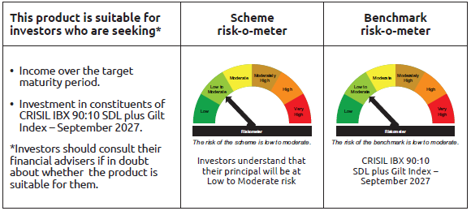
...
 | Name of the Instrument | ISIN | Industry / Rating | Quantity | Market/Fair Value ( Rs. in Lacs) | % to NAV | YTM
TRP_030225 | CBLO TRP_030225 |  |  |  | 481.87 | 3.18% | 6.62%
 | Total |  |  |  | 481.87 | 3.18%
 | OTHERS
 | Cash Margin - CCIL |  |  |  | 0.02 | $
 | Subtotal |  |  |  | 0.02 | $
 | Net Current Assets |  |  |  | 272.90 | 1.81%
 | GRAND TOTAL |  |  |  | 15,152.03 | 100.00%

 | $ Less Than 0.01% of NAV

BANDHAN CRISIL IBX SDL APR 2032
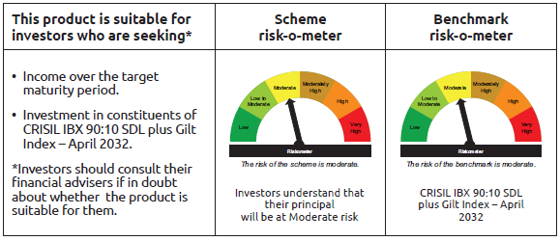
...
 | Name of the Instrument | ISIN | Industry / Rating | Quantity | Market/Fair Value ( Rs. in Lacs) | % to NAV | YTM
TRP_030225 | CBLO TRP_030225 |  |  |  | 722.40 | 1.31% | 6.62%
 | Total |  |  |  | 722.40 | 1.31%
 | OTHERS
 | Cash Margin - CCIL |  |  |  | 1.58 | $
 | Subtotal |  |  |  | 1.58 | $
 | Net Current Assets |  |  |  | 892.88 | 1.62%
 | GRAND TOTAL |  |  |  | 55,275.58 | 100.00%

 | $ Less Than 0.01% of NAV

