Bandhan ON
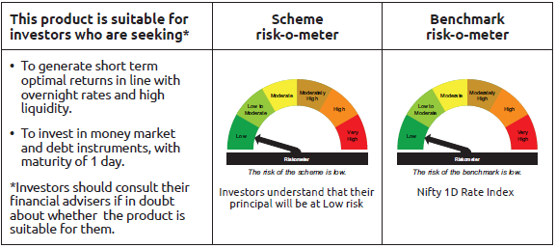
IDF265 | Portfolio Statement as on December 31,2025
 | Bandhan Overnight Fund

 | Name of the Instrument | ISIN | Industry / Rating | Quantity | Market/Fair Value ( Rs. in Lacs) | % to NAV | YTM
 | Money Market Instruments
 | Treasury Bill
TBIL2568 | 91 Days Tbill (MD 02/01/2026) | IN002025X273 | SOVEREIGN | 1,500,000 | 1,499.78 | 1.45% | 5.35%
TBIL2532 | 182 Days Tbill (MD 08/01/2026) | IN002025Y156 | SOVEREIGN | 1,500,000 | 1,498.49 | 1.45% | 5.25%
TBIL2573 | 91 Days Tbill (MD 08/01/2026) | IN002025X281 | SOVEREIGN | 1,500,000 | 1,498.49 | 1.45% | 5.25%
TBIL2535 | 182 Days Tbill (MD 15/01/2026) | IN002025Y164 | SOVEREIGN | 1,500,000 | 1,496.99 | 1.45% | 5.25%
 | Collateralised Borrowing & Lending Obligation / Reverse Repo Instrument
 | Reverse Repo |  |  |  | 91,398.15 | 88.56% | 5.60%
TRP_010126 | CBLO TRP_010126 |  |  |  | 5,855.54 | 5.67% | 5.36%
 | Total |  |  |  | 103,247.44 | 100.03%
 | OTHERS
 | Cash Margin - CCIL |  |  |  | 439.19 | 0.43%
 | Subtotal |  |  |  | 439.19 | 0.43%
 | Net Current Assets |  |  |  | (486.08) | -0.46%
 | GRAND TOTAL |  |  |  | 103,200.55 | 100.00%

 | As per the requirement of regulation 43A of SEBI (Mutual Funds) Regulations, 1996, SEBI circular no. SEBI/HO/IMD/PoD2/P/CIR/2023/128 dated July 27, 2023 on framework for Corporate Debt Market Development Fund and SEBI circular no. SEBI/HO/IMD/PoD2 /P/CIR/2023/129 dated July 27, 2023 on investment by mutual fund schemes and Asset Management Companies (AMCs) in units of Corporate Debt Market Development Fund (“CDMDF”), specified open ended debt-oriented schemes of Bandhan Mutual Fund and Bandhan AMC Limited (‘AMC’) shall invest percentage of net assets in the units of the CDMDF.

Bandhan LF
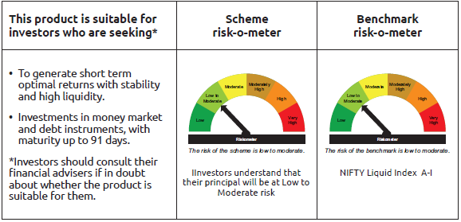
IDF001 | Portfolio Statement as on December 31,2025
 | Bandhan Liquid Fund

 | Name of the Instrument | ISIN | Industry / Rating | Quantity | Market/Fair Value ( Rs. in Lacs) | % to NAV | YTM
 | Debt Instruments
 | (a) Listed / awaiting listing on Stock Exchange
 | Non Convertible Debentures
BAFL842 | 8% Bajaj Finance Limited ** | INE296A07SJ6 | CRISIL AAA | 27,500,000 | 27,547.38 | 1.89% | 6.45%
NTPC261 | 7.48% NTPC Limited ** | INE733E08254 | CRISIL AAA | 5,000,000 | 5,011.81 | 0.34% | 6.02%
SIDB472 | 7.11% Small Industries Dev Bank of India ** | INE556F08KB4 | ICRA AAA | 2,500,000 | 2,503.32 | 0.17% | 6.09%
KOMP1655 | 7.924% Kotak Mahindra Prime Limited ** | INE916DA7RW2 | CRISIL AAA | 2,500,000 | 2,503.22 | 0.17% | 6.53%
 | Zero Coupon Bonds
BAFL840 | Bajaj Finance Limited ** | INE296A07RY7 | CRISIL AAA | 500,000 | 636.02 | 0.04% | 6.45%
 | Subtotal |  |  |  | 38,201.75 | 2.61%
 | (b) Privately placed / Unlisted |  |  |  | NIL | NIL | NIL
 | Subtotal |  |  |  | NIL | NIL | NIL
 | Total |  |  |  | 38,201.75 | 2.61%
 | Money Market Instruments
 | Certificate of Deposit
BKBA550 | Bank of Baroda ** | INE028A16KP8 | FITCH A1+ | 75,000,000 | 74,242.05 | 5.11% | 5.92%
PUBA1133 | Punjab National Bank ** | INE160A16TT2 | CRISIL A1+ | 67,500,000 | 66,775.19 | 4.59% | 5.91%
UTIB1384 | Axis Bank Limited ** | INE238AD6BT5 | CRISIL A1+ | 65,000,000 | 64,138.04 | 4.41% | 5.91%
BKIN505 | Bank of India ** | INE084A16FC9 | CRISIL A1+ | 50,000,000 | 49,488.80 | 3.40% | 5.98%
HDFB1028 | HDFC Bank Limited | INE040A16IC5 | CARE A1+ | 50,000,000 | 49,395.75 | 3.40% | 5.88%
PUBA1124 | Punjab National Bank ** | INE160A16TA2 | CRISIL A1+ | 40,000,000 | 39,822.72 | 2.74% | 6.02%
BKBA491 | Bank of Baroda ** | INE028A16HZ3 | FITCH A1+ | 40,000,000 | 39,557.68 | 2.72% | 5.91%
BKBA556 | Bank of Baroda ** | INE028A16KV6 | FITCH A1+ | 40,000,000 | 39,526.00 | 2.72% | 5.92%
UTIB1382 | Axis Bank Limited ** | INE238AD6BR9 | CRISIL A1+ | 37,500,000 | 37,044.15 | 2.55% | 5.91%
INBK514 | Indian Bank ** | INE562A16QB3 | CRISIL A1+ | 25,000,000 | 24,716.10 | 1.70% | 5.91%
PUBA1135 | Punjab National Bank ** | INE160A16TU0 | CRISIL A1+ | 25,000,000 | 24,715.70 | 1.70% | 5.91%
HDFB996 | HDFC Bank Limited | INE040A16GS5 | CRISIL A1+ | 25,000,000 | 24,672.43 | 1.70% | 5.91%
BKBA531 | Bank of Baroda ** | INE028A16JO3 | FITCH A1+ | 21,000,000 | 20,821.19 | 1.43% | 5.91%
PUBA1090 | Punjab National Bank | INE160A16RK5 | CRISIL A1+ | 15,000,000 | 14,817.62 | 1.02% | 5.91%
CANB1046 | Canara Bank | INE476A16B64 | CRISIL A1+ | 10,000,000 | 9,876.93 | 0.68% | 5.98%
PUBA1112 | Punjab National Bank ** | INE160A16RM1 | CRISIL A1+ | 10,000,000 | 9,875.21 | 0.68% | 5.91%
UTIB1347 | Axis Bank Limited ** | INE238AD6AL4 | CRISIL A1+ | 7,500,000 | 7,457.74 | 0.51% | 5.91%
KMBK879 | Kotak Mahindra Bank Limited ** | INE237A164Z8 | CRISIL A1+ | 5,000,000 | 4,976.28 | 0.34% | 6.00%
SIDB592 | Small Industries Dev Bank of India | INE556F16BB6 | CRISIL A1+ | 5,000,000 | 4,953.59 | 0.34% | 6.00%
INBK469 | Indian Bank ** | INE562A16OI3 | CRISIL A1+ | 5,000,000 | 4,944.02 | 0.34% | 5.90%
NBAR835 | National Bank For Agriculture and Rural Development ** | INE261F16983 | CRISIL A1+ | 5,000,000 | 4,942.41 | 0.34% | 5.99%
SIDB589 | Small Industries Dev Bank of India ** | INE556F16AZ7 | CRISIL A1+ | 2,500,000 | 2,486.16 | 0.17% | 5.98%
UTIB1350 | Axis Bank Limited ** | INE238AD6AO8 | CRISIL A1+ | 2,500,000 | 2,474.76 | 0.17% | 5.91%
 | Commercial Paper
BAFL1007 | Bajaj Finance Limited ** | INE296A14D47 | ICRA A1+ | 50,000,000 | 49,636.45 | 3.41% | 6.37%
EXIM814 | Export Import Bank of India ** | INE514E14TA7 | CRISIL A1+ | 50,000,000 | 49,440.15 | 3.40% | 5.90%
SIDB644 | Small Industries Dev Bank of India ** | INE556F14LX4 | CRISIL A1+ | 50,000,000 | 49,367.55 | 3.40% | 5.99%
EXIM811 | Export Import Bank of India ** | INE514E14SX1 | CRISIL A1+ | 40,000,000 | 39,723.68 | 2.73% | 5.91%
BAFL1008 | Bajaj Finance Limited ** | INE296A14D70 | CRISIL A1+ | 36,000,000 | 35,664.16 | 2.45% | 6.37%
RRVL201 | Reliance Retail Ventures Limited ** | INE929O14EH3 | CRISIL A1+ | 35,000,000 | 34,766.66 | 2.39% | 5.98%
RRVL204 | Reliance Retail Ventures Limited ** | INE929O14EK7 | CRISIL A1+ | 35,000,000 | 34,693.33 | 2.39% | 5.98%
TWAT38 | Titan Company Limited ** | INE280A14518 | CARE A1+ | 35,000,000 | 34,604.89 | 2.38% | 6.04%
SIDB640 | Small Industries Dev Bank of India ** | INE556F14LV8 | CRISIL A1+ | 32,500,000 | 32,141.04 | 2.21% | 6.00%
HDFS323 | HDFC Securities Limited ** | INE700G14QY3 | CRISIL A1+ | 30,000,000 | 29,751.75 | 2.05% | 6.48%
SIDB633 | Small Industries Dev Bank of India ** | INE556F14LS4 | CRISIL A1+ | 27,500,000 | 27,257.45 | 1.87% | 6.02%
SIDB612 | Small Industries Dev Bank of India ** | INE556F14LG9 | CRISIL A1+ | 27,500,000 | 27,227.23 | 1.87% | 5.99%
KOSE368 | Kotak Securities Limited ** | INE028E14TU6 | ICRA A1+ | 25,000,000 | 24,753.90 | 1.70% | 6.48%
RRVL205 | Reliance Retail Ventures Limited ** | INE929O14EL5 | CRISIL A1+ | 25,000,000 | 24,728.10 | 1.70% | 5.99%
RRVL206 | Reliance Retail Ventures Limited ** | INE929O14EM3 | CRISIL A1+ | 25,000,000 | 24,692.05 | 1.70% | 5.99%
CHOL1098 | Cholamandalam Investment and Finance Company Ltd ** | INE121A14XZ8 | CRISIL A1+ | 22,500,000 | 22,340.99 | 1.54% | 6.50%
TCAL532 | Tata Capital Limited ** | INE976I14QQ1 | CRISIL A1+ | 20,000,000 | 19,857.24 | 1.37% | 6.40%
MMFS1211 | Mahindra & Mahindra Financial Services Limited ** | INE774D14TG6 | FITCH A1+ | 20,000,000 | 19,850.46 | 1.37% | 6.40%
KOSE362 | Kotak Securities Limited ** | INE028E14TM3 | ICRA A1+ | 15,000,000 | 14,894.24 | 1.02% | 6.48%
KOSE358 | Kotak Securities Limited ** | INE028E14SR4 | ICRA A1+ | 15,000,000 | 14,849.73 | 1.02% | 6.48%
TISC282 | Tata Steel Limited ** | INE081A14GK1 | ICRA A1+ | 15,000,000 | 14,843.72 | 1.02% | 6.00%
BGFL1171 | Aditya Birla Capital Limited ** | INE674K14BA4 | ICRA A1+ | 10,000,000 | 9,916.54 | 0.68% | 6.40%
BAFS110 | Bajaj Financial Securities Limited ** | INE01C314DR3 | CRISIL A1+ | 10,000,000 | 9,877.35 | 0.68% | 6.48%
BGFL1170 | Aditya Birla Capital Limited ** | INE674K14AZ3 | ICRA A1+ | 7,500,000 | 7,407.78 | 0.51% | 6.40%
GOSL470 | Godrej Industries Limited ** | INE233A145Y4 | ICRA A1+ | 7,500,000 | 7,406.26 | 0.51% | 6.16%
NEFL340 | Network18 Media & Investments Limited ** | INE870H14WF9 | ICRA A1+ | 5,000,000 | 4,967.23 | 0.34% | 6.02%
LTFL712 | L&T Finance Limited ** | INE498L14FD1 | CRISIL A1+ | 5,000,000 | 4,959.13 | 0.34% | 6.40%
ICBR625 | ICICI Securities Limited ** | INE763G14XX9 | CRISIL A1+ | 5,000,000 | 4,943.83 | 0.34% | 6.48%
SUFI766 | Sundaram Finance Limited ** | INE660A14YI9 | CRISIL A1+ | 2,500,000 | 2,478.53 | 0.17% | 6.33%
 | Treasury Bill
TBIL2596 | 91 Days Tbill (MD 05/03/2026) | IN002025X364 | SOVEREIGN | 75,000,000 | 74,334.00 | 5.11% | 5.19%
TBIL2577 | 91 Days Tbill (MD 23/01/2026) | IN002025X307 | SOVEREIGN | 35,000,000 | 34,888.56 | 2.40% | 5.30%
TBIL2605 | 91 Days Tbill (MD 27/03/2026) | IN002025X398 | SOVEREIGN | 35,000,000 | 34,582.52 | 2.38% | 5.18%
TBIL2583 | 91 Days Tbill (MD 06/02/2026) | IN002025X323 | SOVEREIGN | 30,000,000 | 29,844.00 | 2.05% | 5.30%
TBIL2574 | 91 Days Tbill (MD 15/01/2026) | IN002025X299 | SOVEREIGN | 25,000,000 | 24,949.78 | 1.72% | 5.25%
TBIL2471 | 364 Days Tbill (MD 12/02/2026) | IN002024Z446 | SOVEREIGN | 25,000,000 | 24,848.48 | 1.71% | 5.30%
TBIL2573 | 91 Days Tbill (MD 08/01/2026) | IN002025X281 | SOVEREIGN | 21,500,000 | 21,478.37 | 1.48% | 5.25%
TBIL2543 | 182 Days Tbill (MD 29/01/2026) | IN002025Y180 | SOVEREIGN | 17,000,000 | 16,931.81 | 1.16% | 5.25%
TBIL2580 | 91 Days Tbill (MD 29/01/2026) | IN002025X315 | SOVEREIGN | 9,500,000 | 9,461.92 | 0.65% | 5.25%
 | Collateralised Borrowing & Lending Obligation / Reverse Repo Instrument
TRP_020126_VAL | CBLO TRP_020126_VAL |  |  |  | 34,994.61 | 2.41% | 5.47%
TRP_010126 | CBLO TRP_010126 |  |  |  | 154.22 | 0.01% | 5.36%
 | Total |  |  |  | 1,605,230.21 | 110.40%
 | Corporate Debt Market Development Fund
CDMD50ME | Corporate Debt Market Development Fund | INF0RQ622028 |  | 32,792 | 3,788.67 | 0.26%
 | Total |  |  |  | 3,788.67 | 0.26%
 | OTHERS
 | Cash Margin - CCIL |  |  |  | 272.05 | 0.02%
 | Subtotal |  |  |  | 272.05 | 0.02%
 | Net Current Assets |  |  |  | (193,653.47) | -13.29%
 | GRAND TOTAL |  |  |  | 1,453,839.21 | 100.00%

 | ** Thinly Traded/Non Traded Securities/Illiquid Securities

 | As per the requirement of regulation 43A of SEBI (Mutual Funds) Regulations, 1996, SEBI circular no. SEBI/HO/IMD/PoD2/P/CIR/2023/128 dated July 27, 2023 on framework for Corporate Debt Market Development Fund and SEBI circular no. SEBI/HO/IMD/PoD2 /P/CIR/2023/129 dated July 27, 2023 on investment by mutual fund schemes and Asset Management Companies (AMCs) in units of Corporate Debt Market Development Fund (“CDMDF”), specified open ended debt-oriented schemes of Bandhan Mutual Fund and Bandhan AMC Limited (‘AMC’) shall invest percentage of net assets in the units of the CDMDF.

Bandhan LDF
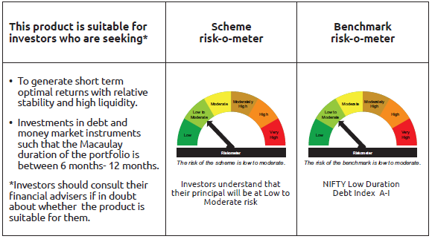
IDF002 | Portfolio Statement as on December 31,2025
 | Bandhan Low Duration Fund

 | Name of the Instrument | ISIN | Industry / Rating | Quantity | Market/Fair Value ( Rs. in Lacs) | % to NAV | YTM
 | Debt Instruments
 | (a) Listed / awaiting listing on Stock Exchange
 | Government Securities
GOI1430 | 7.59% GOI(MD 11/01/2026) | IN0020150093 | SOVEREIGN | 10,000,000 | 10,006.07 | 1.51% | 5.29%
GOI2207 | 8.38% Gujarat SDL (MD 27/02/2029) | IN1520180309 | SOVEREIGN | 8,500,000 | 8,925.36 | 1.35% | 6.70%
GOI2206 | 8.45% Uttar Pradesh SDL (MD 27/02/2029) | IN3320180166 | SOVEREIGN | 5,000,000 | 5,256.52 | 0.79% | 6.73%
GOI2726 | 8.32% Uttar Pradesh SDL (MD 13/02/2029) | IN3320180158 | SOVEREIGN | 2,500,000 | 2,617.88 | 0.40% | 6.73%
GOI2019 | 8.28% Rajasthan SDL (MD 14/03/2028) | IN2920170197 | SOVEREIGN | 2,000,000 | 2,079.84 | 0.31% | 6.40%
GOI2192 | 8.32% Karnataka SDL (MD 06/02/2029) | IN1920180164 | SOVEREIGN | 1,700,000 | 1,780.90 | 0.27% | 6.70%
GOI2115 | 8.63% Rajasthan SDL (MD 03/09/2028) | IN2920180188 | SOVEREIGN | 1,500,000 | 1,581.95 | 0.24% | 6.47%
GOI4160 | 8.09% Rajasthan SDL (MD 26/12/2028) | IN2920180279 | SOVEREIGN | 1,000,000 | 1,045.13 | 0.16% | 6.51%
GOI1996 | 8.28% Rajasthan SDL (MD 21/02/2028) | IN2920170155 | SOVEREIGN | 1,000,000 | 1,038.86 | 0.16% | 6.40%
GOI1880 | 7.59% Haryana SDL (MD 15/02/2027) | IN1620160268 | SOVEREIGN | 1,000,000 | 1,015.99 | 0.15% | 6.18%
GOI4485 | 7.38% GOI (MD 20/06/2027) | IN0020220037 | SOVEREIGN | 700,000 | 716.63 | 0.11% | 5.75%
GOI1974 | 8% Karnataka SDL (MD 17/01/2028) | IN1920170157 | SOVEREIGN | 505,800 | 522.49 | 0.08% | 6.35%
GOI4096 | 8.16% Rajasthan SDL (MD 09/05/2028) | IN2920180030 | SOVEREIGN | 500,000 | 519.89 | 0.08% | 6.41%
GOI1566 | 8.08% Maharastra SDL(MD 15/06/2026) | IN2220160013 | SOVEREIGN | 500,000 | 505.44 | 0.08% | 5.66%
GOI2161 | 8.18% Tamilnadu SDL (MD 19/12/2028) | IN3120180192 | SOVEREIGN | 430,000 | 450.84 | 0.07% | 6.46%
GOI2211 | 8.35% Gujarat SDL (MD 06/03/2029) | IN1520180317 | SOVEREIGN | 150,000 | 157.43 | 0.02% | 6.70%
GOI3899 | 7.88% Madhya Pradesh SDL (MD 24/01/2028) | IN2120170070 | SOVEREIGN | 100,000 | 102.98 | 0.02% | 6.41%
GOI4847 | 7.57% Gujarat SDL (MD 09/11/2026) | IN1520220154 | SOVEREIGN | 200 | 0.20 | $ | 5.81%
 | Non Convertible Debentures
SIDB519 | 7.44% Small Industries Dev Bank of India ** | INE556F08KI9 | CRISIL AAA | 43,000,000 | 43,147.66 | 6.53% | 6.74%
NBAR838 | 7.48% National Bank For Agriculture and Rural Development | INE261F08EO7 | CRISIL AAA | 27,500,000 | 27,859.48 | 4.21% | 6.91%
SIDB488 | 7.54% Small Industries Dev Bank of India ** | INE556F08KF5 | ICRA AAA | 25,000,000 | 25,010.25 | 3.78% | 6.14%
LICH680 | 7.74% LIC Housing Finance Limited | INE115A07QW5 | CRISIL AAA | 24,000,000 | 24,313.08 | 3.68% | 7.04%
POWF507 | 7.7% Power Finance Corporation Limited ** | INE134E08MK0 | CRISIL AAA | 20,000,000 | 20,129.80 | 3.04% | 6.75%
POWF500 | 7.77% Power Finance Corporation Limited ** | INE134E08MC7 | CRISIL AAA | 20,000,000 | 20,107.12 | 3.04% | 6.75%
NHBA331 | 7.59% National Housing Bank ** | INE557F08FZ1 | CRISIL AAA | 17,500,000 | 17,720.24 | 2.68% | 6.76%
NBAR701 | 7.58% National Bank For Agriculture and Rural Development | INE261F08DX0 | CRISIL AAA | 17,500,000 | 17,559.80 | 2.66% | 6.75%
TCAL511 | 8.098% Tata Capital Limited | INE976I07CY9 | CRISIL AAA | 14,700,000 | 14,918.68 | 2.26% | 7.16%
TCHF401 | 8.1% Tata Capital Housing Finance Limited ** | INE033L07IE2 | CRISIL AAA | 14,500,000 | 14,659.83 | 2.22% | 7.03%
TCHF381 | 8% Tata Capital Housing Finance Limited ** | INE033L07HY2 | CRISIL AAA | 12,000,000 | 12,179.86 | 1.84% | 7.08%
BHFL135 | 7.02% Bajaj Housing Finance Limited ** | INE377Y07565 | CRISIL AAA | 11,000,000 | 10,980.74 | 1.66% | 7.08%
RECL471 | 7.44% REC Limited | INE020B08FR6 | CRISIL AAA | 10,000,000 | 10,123.22 | 1.53% | 6.80%
BHFL125 | 7.66% Bajaj Housing Finance Limited ** | INE377Y07532 | CRISIL AAA | 10,000,000 | 10,113.90 | 1.53% | 7.06%
RECL445 | 7.8% REC Limited ** | INE020B08ES7 | ICRA AAA | 10,000,000 | 10,038.78 | 1.52% | 6.53%
RECL428 | 7.56% REC Limited | INE020B08ED9 | CRISIL AAA | 10,000,000 | 10,036.26 | 1.52% | 6.55%
BHFL147 | 7.1% Bajaj Housing Finance Limited | INE377Y07607 | CRISIL AAA | 9,000,000 | 9,000.80 | 1.36% | 7.08%
NBAR695 | 7.62% National Bank For Agriculture and Rural Development | INE261F08DV4 | CRISIL AAA | 7,500,000 | 7,610.85 | 1.15% | 6.82%
BHFL88 | 7.7% Bajaj Housing Finance Limited ** | INE377Y07300 | CRISIL AAA | 7,500,000 | 7,568.78 | 1.14% | 6.94%
TCHF426 | 7.123% Tata Capital Housing Finance Limited ** | INE033L07IO1 | CRISIL AAA | 7,500,000 | 7,502.75 | 1.13% | 7.06%
TCHF371 | 7.75% Tata Capital Housing Finance Limited ** | INE033L07HQ8 | CRISIL AAA | 7,000,000 | 7,059.17 | 1.07% | 7.04%
MUFL464 | 8.05% Muthoot Finance Limited | INE414G07JQ6 | CRISIL AA+ | 6,500,000 | 6,544.14 | 0.99% | 7.64%
NBAR719 | 7.5% National Bank For Agriculture and Rural Development ** | INE261F08EA6 | CRISIL AAA | 5,750,000 | 5,771.14 | 0.87% | 6.75%
BHFL108 | 7.85% Bajaj Housing Finance Limited ** | INE377Y07433 | CRISIL AAA | 5,000,000 | 5,088.27 | 0.77% | 7.08%
MUFL421 | 8.95% Muthoot Finance Limited ** | INE414G07JD4 | CRISIL AA+ | 5,000,000 | 5,077.68 | 0.77% | 7.62%
TCFS633 | 7.89% Tata Capital Limited ** | INE306N07MX0 | CRISIL AAA | 5,000,000 | 5,045.35 | 0.76% | 7.21%
RECL462 | 7.55% REC Limited ** | INE020B08FH7 | CRISIL AAA | 5,000,000 | 5,026.04 | 0.76% | 6.80%
TCHF429 | 7.685% Tata Capital Housing Finance Limited ** | INE033L07IL7 | CRISIL AAA | 4,000,000 | 4,044.95 | 0.61% | 7.16%
TCFS638 | 7.68% Tata Capital Limited ** | INE306N07NA6 | CRISIL AAA | 3,500,000 | 3,523.24 | 0.53% | 7.21%
BHFL97 | 7.98% Bajaj Housing Finance Limited ** | INE377Y07383 | CRISIL AAA | 2,500,000 | 2,540.11 | 0.38% | 7.02%
CHOL1053 | 8.58% Cholamandalam Investment and Finance Company Ltd ** | INE121A07SB3 | ICRA AA+ | 2,500,000 | 2,537.39 | 0.38% | 7.33%
NBAR796 | 7.44% National Bank For Agriculture and Rural Development | INE261F08EK5 | CRISIL AAA | 2,500,000 | 2,529.25 | 0.38% | 6.82%
TCHF375 | 7.8% Tata Capital Housing Finance Limited ** | INE033L07HU0 | CRISIL AAA | 2,500,000 | 2,525.55 | 0.38% | 7.06%
IRLY371 | 7.23% Indian Railway Finance Corporation Limited | INE053F08304 | CRISIL AAA | 2,500,000 | 2,508.72 | 0.38% | 6.77%
BHFL133 | 7.14% Bajaj Housing Finance Limited ** | INE377Y07557 | CRISIL AAA | 2,500,000 | 2,505.29 | 0.38% | 6.93%
POWF478 | 6.35% Power Finance Corporation Limited ** | INE134E08LG0 | CRISIL AAA | 2,000,000 | 1,995.39 | 0.30% | 6.62%
RECL411 | 5.94% REC Limited ** | INE020B08DK6 | CRISIL AAA | 1,250,000 | 1,249.42 | 0.19% | 6.18%
 | Subtotal |  |  |  | 424,477.38 | 64.18%
 | (b) Privately placed / Unlisted |  |  |  | NIL | NIL | NIL
 | Subtotal |  |  |  | NIL | NIL | NIL
 | Total |  |  |  | 424,477.38 | 64.18%
 | Money Market Instruments
 | Certificate of Deposit
HDFB1002 | HDFC Bank Limited | INE040A16GW7 | CRISIL A1+ | 65,000,000 | 63,476.08 | 9.60% | 6.35%
PUBA1090 | Punjab National Bank | INE160A16RK5 | CRISIL A1+ | 15,000,000 | 14,817.62 | 2.24% | 5.91%
CANB1046 | Canara Bank | INE476A16B64 | CRISIL A1+ | 15,000,000 | 14,815.40 | 2.24% | 5.98%
EXIM806 | Export Import Bank of India | INE514E16CL5 | CRISIL A1+ | 15,000,000 | 14,628.26 | 2.21% | 6.31%
UTIB1376 | Axis Bank Limited ** | INE238AD6BK4 | CRISIL A1+ | 10,000,000 | 9,796.70 | 1.48% | 6.37%
SIDB590 | Small Industries Dev Bank of India ** | INE556F16BA8 | CRISIL A1+ | 7,500,000 | 7,456.07 | 1.13% | 5.97%
SIDB603 | Small Industries Dev Bank of India ** | INE556F16BE0 | CRISIL A1+ | 2,500,000 | 2,469.58 | 0.37% | 6.00%
HDFB996 | HDFC Bank Limited | INE040A16GS5 | CRISIL A1+ | 2,500,000 | 2,467.24 | 0.37% | 5.91%
PUBA1092 | Punjab National Bank ** | INE160A16RP4 | CRISIL A1+ | 2,500,000 | 2,466.83 | 0.37% | 5.91%
UTIB1365 | Axis Bank Limited ** | INE238AD6BA5 | CRISIL A1+ | 2,500,000 | 2,442.92 | 0.37% | 6.37%
UTIB1349 | Axis Bank Limited ** | INE238AD6AN0 | CRISIL A1+ | 500,000 | 495.03 | 0.07% | 5.91%
 | Commercial Paper
ICBR641 | ICICI Securities Limited ** | INE763G14D03 | CRISIL A1+ | 12,500,000 | 12,353.06 | 1.87% | 6.48%
ICBR577 | ICICI Securities Limited ** | INE763G14XZ4 | CRISIL A1+ | 1,500,000 | 1,486.80 | 0.22% | 6.48%
 | Treasury Bill
TBIL2582 | 182 Days Tbill (MD 30/04/2026) | IN002025Y313 | SOVEREIGN | 20,000,000 | 19,656.50 | 2.97% | 5.36%
TBIL2571 | 182 Days Tbill (MD 26/03/2026) | IN002025Y263 | SOVEREIGN | 16,500,000 | 16,306.74 | 2.47% | 5.15%
TBIL2562 | 182 Days Tbill (MD 19/03/2026) | IN002025Y255 | SOVEREIGN | 10,000,000 | 9,891.97 | 1.50% | 5.18%
TBIL2464 | 364 Days Tbill (MD 29/01/2026) | IN002024Z420 | SOVEREIGN | 7,500,000 | 7,470.14 | 1.13% | 5.21%
TBIL2554 | 182 Days Tbill (MD 27/02/2026) | IN002025Y222 | SOVEREIGN | 2,500,000 | 2,479.90 | 0.38% | 5.19%
 | Collateralised Borrowing & Lending Obligation / Reverse Repo Instrument
TRP_010126 | CBLO TRP_010126 |  |  |  | 17,263.10 | 2.61% | 5.36%
 | Total |  |  |  | 222,239.94 | 33.60%
 | Corporate Debt Market Development Fund
CDMD50ME | Corporate Debt Market Development Fund | INF0RQ622028 |  | 17,342 | 2,003.71 | 0.30%
 | Total |  |  |  | 2,003.71 | 0.30%
 | OTHERS
 | Cash Margin - CCIL |  |  |  | 0.55 | $
 | Subtotal |  |  |  | 0.55 | $
 | Net Current Assets |  |  |  | 12,529.53 | 1.92%
 | GRAND TOTAL |  |  |  | 661,251.11 | 100.00%

 | $ Less Than 0.01% of NAV
 | ** Thinly Traded/Non Traded Securities/Illiquid Securities

 | As per the requirement of regulation 43A of SEBI (Mutual Funds) Regulations, 1996, SEBI circular no. SEBI/HO/IMD/PoD2/P/CIR/2023/128 dated July 27, 2023 on framework for Corporate Debt Market Development Fund and SEBI circular no. SEBI/HO/IMD/PoD2 /P/CIR/2023/129 dated July 27, 2023 on investment by mutual fund schemes and Asset Management Companies (AMCs) in units of Corporate Debt Market Development Fund (“CDMDF”), specified open ended debt-oriented schemes of Bandhan Mutual Fund and Bandhan AMC Limited (‘AMC’) shall invest percentage of net assets in the units of the CDMDF.

Bandhan MMF
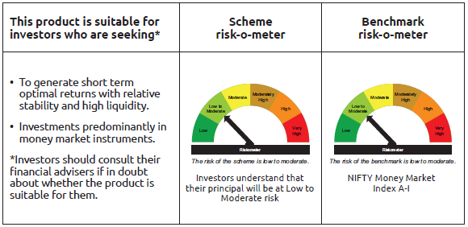
IDF003 | Portfolio Statement as on December 31,2025
 | Bandhan Money Market Fund

 | Name of the Instrument | ISIN | Industry / Rating | Quantity | Market/Fair Value ( Rs. in Lacs) | % to NAV | YTM
 | Debt Instruments
 | (a) Listed / awaiting listing on Stock Exchange
 | Government Securities
GOI1430 | 7.59% GOI(MD 11/01/2026) | IN0020150093 | SOVEREIGN | 36,000,000 | 36,021.85 | 2.93% | 5.29%
GOI2497 | 7.08% Karnataka SDL (MD 14/12/2026) | IN1920160059 | SOVEREIGN | 7,500,000 | 7,589.99 | 0.62% | 5.85%
GOI1621 | 8.01% Tamil Nadu SDL(MD 11/05/2026) | IN3120160038 | SOVEREIGN | 6,500,000 | 6,554.66 | 0.53% | 5.65%
GOI3565 | 7.39% Tamil Nadu SDL (MD 09/11/2026) | IN3120160137 | SOVEREIGN | 5,928,300 | 6,008.41 | 0.49% | 5.82%
GOI1566 | 8.08% Maharastra SDL(MD 15/06/2026) | IN2220160013 | SOVEREIGN | 4,500,000 | 4,548.94 | 0.37% | 5.66%
GOI4553 | 8.02% Telangana SDL (MD 25/05/2026) | IN4520160040 | SOVEREIGN | 4,000,000 | 4,037.03 | 0.33% | 5.69%
GOI3541 | 7.37% Maharashtra SDL (MD 14/09/2026) | IN2220160062 | SOVEREIGN | 2,500,000 | 2,528.27 | 0.21% | 5.77%
GOI1472 | 8.60% Bihar SDL (MD 09/03/2026) | IN1320150056 | SOVEREIGN | 2,500,000 | 2,514.97 | 0.20% | 5.41%
GOI3535 | 8.55% Rajasthan SDL (MD 09/03/2026) | IN2920150264 | SOVEREIGN | 2,500,000 | 2,514.71 | 0.20% | 5.42%
GOI896 | 8.33% GOI 2026 (M/D 09/07/2026) | IN0020120039 | SOVEREIGN | 500,000 | 506.99 | 0.04% | 5.65%
 | Subtotal |  |  |  | 72,825.82 | 5.92%
 | (b) Privately placed / Unlisted |  |  |  | NIL | NIL | NIL
 | Subtotal |  |  |  | NIL | NIL | NIL
 | Total |  |  |  | 72,825.82 | 5.92%
 | Money Market Instruments
 | Certificate of Deposit
UTIB1376 | Axis Bank Limited ** | INE238AD6BK4 | CRISIL A1+ | 65,000,000 | 63,678.55 | 5.17% | 6.37%
SIDB604 | Small Industries Dev Bank of India ** | INE556F16BH3 | CRISIL A1+ | 65,000,000 | 63,616.87 | 5.17% | 6.40%
UNBI453 | Union Bank of India ** | INE692A16KF2 | FITCH A1+ | 60,000,000 | 58,575.72 | 4.76% | 6.39%
NBAR835 | National Bank For Agriculture and Rural Development ** | INE261F16983 | CRISIL A1+ | 45,000,000 | 44,481.69 | 3.61% | 5.99%
HDFB1002 | HDFC Bank Limited | INE040A16GW7 | CRISIL A1+ | 42,500,000 | 41,503.59 | 3.37% | 6.35%
HDFB990 | HDFC Bank Limited ** | INE040A16GJ4 | CRISIL A1+ | 40,000,000 | 39,644.56 | 3.22% | 5.95%
CANB1062 | Canara Bank ** | INE476A16D96 | CRISIL A1+ | 35,000,000 | 34,679.12 | 2.82% | 5.93%
SIDB603 | Small Industries Dev Bank of India ** | INE556F16BE0 | CRISIL A1+ | 30,000,000 | 29,634.93 | 2.41% | 6.00%
INBK467 | Indian Bank ** | INE562A16OG7 | CRISIL A1+ | 27,500,000 | 27,218.21 | 2.21% | 5.90%
KMBK891 | Kotak Mahindra Bank Limited ** | INE237AD6075 | CRISIL A1+ | 25,000,000 | 23,973.23 | 1.95% | 6.46%
BKBA511 | Bank of Baroda ** | INE028A16HW0 | FITCH A1+ | 22,500,000 | 22,269.04 | 1.81% | 5.92%
HDFB992 | HDFC Bank Limited | INE040A16GN6 | CRISIL A1+ | 22,500,000 | 22,247.01 | 1.81% | 5.93%
NBAR839 | National Bank For Agriculture and Rural Development ** | INE261F16AA7 | CRISIL A1+ | 22,500,000 | 22,197.65 | 1.80% | 5.99%
UTIB1365 | Axis Bank Limited ** | INE238AD6BA5 | CRISIL A1+ | 22,500,000 | 21,986.24 | 1.79% | 6.37%
NBAR829 | National Bank For Agriculture and Rural Development | INE261F16975 | CRISIL A1+ | 20,000,000 | 19,779.28 | 1.61% | 5.99%
IIBL990 | IndusInd Bank Limited ** | INE095A16Z34 | CRISIL A1+ | 20,000,000 | 19,773.28 | 1.61% | 6.15%
FEBA356 | The Federal Bank Limited ** | INE171A16ND6 | CRISIL A1+ | 20,000,000 | 19,513.26 | 1.58% | 6.55%
HDFB1008 | HDFC Bank Limited ** | INE040A16HC7 | CRISIL A1+ | 17,500,000 | 17,227.26 | 1.40% | 6.35%
FEBA349 | The Federal Bank Limited ** | INE171A16MW8 | CRISIL A1+ | 15,000,000 | 14,833.37 | 1.20% | 6.03%
BKBA539 | Bank of Baroda ** | INE028A16JQ8 | FITCH A1+ | 15,000,000 | 14,750.69 | 1.20% | 6.36%
BKBA547 | Bank of Baroda ** | INE028A16KJ1 | CARE A1+ | 15,000,000 | 14,657.76 | 1.19% | 6.36%
BKBA558 | Bank of Baroda ** | INE028A16KT0 | FITCH A1+ | 15,000,000 | 14,127.87 | 1.15% | 6.55%
BKBA523 | Bank of Baroda | INE028A16JJ3 | FITCH A1+ | 12,500,000 | 12,391.54 | 1.01% | 5.92%
EXIM802 | Export Import Bank of India | INE514E16CK7 | CRISIL A1+ | 12,500,000 | 12,344.10 | 1.00% | 5.91%
PUBA1092 | Punjab National Bank ** | INE160A16RP4 | CRISIL A1+ | 12,500,000 | 12,334.15 | 1.00% | 5.91%
HDFB1010 | HDFC Bank Limited | INE040A16HF0 | CRISIL A1+ | 12,500,000 | 12,033.56 | 0.98% | 6.55%
HDFB1030 | HDFC Bank Limited | INE040A16II2 | CRISIL A1+ | 12,500,000 | 11,746.93 | 0.95% | 6.61%
CANB1032 | Canara Bank ** | INE476A16A32 | CRISIL A1+ | 10,000,000 | 9,945.11 | 0.81% | 5.93%
UNBI427 | Union Bank of India ** | INE692A16IY7 | ICRA A1+ | 10,000,000 | 9,898.77 | 0.80% | 5.93%
CANB1046 | Canara Bank | INE476A16B64 | CRISIL A1+ | 10,000,000 | 9,876.93 | 0.80% | 5.98%
SIDB599 | Small Industries Dev Bank of India | INE556F16BG5 | CRISIL A1+ | 10,000,000 | 9,863.91 | 0.80% | 6.00%
BKBA553 | Bank of Baroda | INE028A16KR4 | CARE A1+ | 10,000,000 | 9,736.42 | 0.79% | 6.38%
UTIB1347 | Axis Bank Limited ** | INE238AD6AL4 | CRISIL A1+ | 7,500,000 | 7,457.74 | 0.61% | 5.91%
BKIN467 | Bank of India ** | INE084A16DC4 | CRISIL A1+ | 7,500,000 | 7,456.25 | 0.61% | 5.95%
KMBK880 | Kotak Mahindra Bank Limited | INE237A165Z5 | CRISIL A1+ | 7,500,000 | 7,442.12 | 0.60% | 5.91%
UTIB1350 | Axis Bank Limited ** | INE238AD6AO8 | CRISIL A1+ | 7,500,000 | 7,424.27 | 0.60% | 5.91%
BKBA530 | Bank of Baroda ** | INE028A16JR6 | FITCH A1+ | 7,500,000 | 7,316.42 | 0.59% | 6.36%
SIDB638 | Small Industries Dev Bank of India ** | INE556F16BS0 | CARE A1+ | 7,500,000 | 7,064.30 | 0.57% | 6.68%
PUBA1090 | Punjab National Bank | INE160A16RK5 | CRISIL A1+ | 5,300,000 | 5,235.56 | 0.43% | 5.91%
SIDB592 | Small Industries Dev Bank of India | INE556F16BB6 | CRISIL A1+ | 5,000,000 | 4,953.59 | 0.40% | 6.00%
HDFB1014 | HDFC Bank Limited ** | INE040A16HM6 | CARE A1+ | 5,000,000 | 4,946.43 | 0.40% | 5.90%
INBK469 | Indian Bank ** | INE562A16OI3 | CRISIL A1+ | 5,000,000 | 4,944.02 | 0.40% | 5.90%
CANB1041 | Canara Bank ** | INE476A16B23 | CRISIL A1+ | 5,000,000 | 4,943.83 | 0.40% | 5.92%
INBK502 | Indian Bank ** | INE562A16PQ3 | CRISIL A1+ | 5,000,000 | 4,898.90 | 0.40% | 6.33%
HDFB1025 | HDFC Bank Limited ** | INE040A16HO2 | CRISIL A1+ | 5,000,000 | 4,796.85 | 0.39% | 6.55%
BKBA537 | Bank of Baroda ** | INE028A16KC6 | FITCH A1+ | 5,000,000 | 4,780.21 | 0.39% | 6.51%
NBAR825 | National Bank For Agriculture and Rural Development ** | INE261F16967 | CRISIL A1+ | 4,500,000 | 4,458.54 | 0.36% | 5.96%
UTIB1349 | Axis Bank Limited ** | INE238AD6AN0 | CRISIL A1+ | 2,500,000 | 2,475.15 | 0.20% | 5.91%
BKIN493 | Bank of India ** | INE084A16EK5 | CRISIL A1+ | 2,500,000 | 2,472.43 | 0.20% | 5.98%
EXIM806 | Export Import Bank of India | INE514E16CL5 | CRISIL A1+ | 2,500,000 | 2,438.04 | 0.20% | 6.31%
KMBK889 | Kotak Mahindra Bank Limited ** | INE237AD6042 | CRISIL A1+ | 2,500,000 | 2,387.60 | 0.19% | 6.46%
SIDB627 | Small Industries Dev Bank of India ** | INE556F16BP6 | CRISIL A1+ | 2,500,000 | 2,367.42 | 0.19% | 6.68%
UTIB1380 | Axis Bank Limited ** | INE238AD6BO6 | CRISIL A1+ | 2,500,000 | 2,359.22 | 0.19% | 6.62%
CANB1049 | Canara Bank ** | INE476A16A16 | CRISIL A1+ | 1,000,000 | 995.23 | 0.08% | 6.03%
BKBA531 | Bank of Baroda ** | INE028A16JO3 | FITCH A1+ | 1,000,000 | 991.49 | 0.08% | 5.91%
 | Commercial Paper
SIDB612 | Small Industries Dev Bank of India ** | INE556F14LG9 | CRISIL A1+ | 37,500,000 | 37,128.04 | 3.02% | 5.99%
POWF555 | Power Finance Corporation Limited ** | INE134E14AX6 | CRISIL A1+ | 30,000,000 | 29,468.10 | 2.39% | 6.34%
HDFS325 | HDFC Securities Limited ** | INE700G14RE3 | CRISIL A1+ | 27,500,000 | 27,205.37 | 2.21% | 6.48%
BGFL1169 | Aditya Birla Capital Limited ** | INE674K14AX8 | ICRA A1+ | 20,000,000 | 19,802.08 | 1.61% | 6.40%
NTPC255 | NTPC Limited ** | INE733E14BU9 | CRISIL A1+ | 20,000,000 | 19,786.94 | 1.61% | 5.78%
CHOL1086 | Cholamandalam Investment and Finance Company Ltd ** | INE121A14XM6 | CRISIL A1+ | 20,000,000 | 19,762.38 | 1.60% | 6.55%
TCAL522 | Tata Capital Limited ** | INE976I14PW1 | CRISIL A1+ | 17,500,000 | 17,329.83 | 1.41% | 6.40%
ICBR582 | ICICI Securities Limited ** | INE763G14XI0 | CRISIL A1+ | 17,500,000 | 17,324.69 | 1.41% | 6.48%
NBAR857 | National Bank For Agriculture and Rural Development ** | INE261F14OD7 | CRISIL A1+ | 16,000,000 | 15,843.79 | 1.29% | 6.00%
TCAL530 | Tata Capital Limited ** | INE976I14QJ6 | CRISIL A1+ | 15,000,000 | 14,856.72 | 1.21% | 6.40%
ICBR569 | ICICI Securities Limited ** | INE763G14XP5 | CRISIL A1+ | 15,000,000 | 14,818.47 | 1.20% | 6.48%
CHOL1095 | Cholamandalam Investment and Finance Company Ltd ** | INE121A14XV7 | CRISIL A1+ | 10,000,000 | 9,915.31 | 0.81% | 6.50%
LTFH120 | L&T Finance Limited ** | INE498L14DT2 | CRISIL A1+ | 10,000,000 | 9,882.17 | 0.80% | 6.40%
TCAL512 | Tata Capital Limited ** | INE976I14PU5 | CRISIL A1+ | 10,000,000 | 9,880.46 | 0.80% | 6.40%
RICL209 | Barclays Investments & Loans (India) Private Limited ** | INE704I14KL1 | ICRA A1+ | 10,000,000 | 9,866.18 | 0.80% | 6.69%
MUFL444 | Muthoot Finance Limited ** | INE414G14UA3 | CRISIL A1+ | 5,000,000 | 4,982.66 | 0.40% | 6.69%
KOSE359 | Kotak Securities Limited ** | INE028E14TH3 | CRISIL A1+ | 5,000,000 | 4,956.01 | 0.40% | 6.48%
KMIL509 | Kotak Mahindra Investments Limited ** | INE975F14B18 | CRISIL A1+ | 4,000,000 | 3,965.53 | 0.32% | 6.48%
KMIL499 | Kotak Mahindra Investments Limited ** | INE975F14A35 | CRISIL A1+ | 2,500,000 | 2,470.20 | 0.20% | 6.48%
KOMP1732 | Kotak Mahindra Prime Limited | INE916D144Z5 | CRISIL A1+ | 2,500,000 | 2,463.29 | 0.20% | 6.40%
LTFH125 | L&T Finance Limited ** | INE498L14EB8 | CRISIL A1+ | 2,500,000 | 2,431.50 | 0.20% | 6.77%
 | Treasury Bill
TBIL2598 | 182 Days Tbill (MD 04/06/2026) | IN002025Y362 | SOVEREIGN | 45,000,000 | 43,999.34 | 3.57% | 5.39%
TBIL2597 | 182 Days Tbill (MD 28/05/2026) | IN002025Y354 | SOVEREIGN | 25,000,000 | 24,470.30 | 1.99% | 5.37%
TBIL2592 | 182 Days Tbill (MD 21/05/2026) | IN002025Y347 | SOVEREIGN | 21,000,000 | 20,576.43 | 1.67% | 5.37%
TBIL2588 | 182 Days Tbill (MD 14/05/2026) | IN002025Y339 | SOVEREIGN | 11,861,000 | 11,633.40 | 0.94% | 5.37%
TBIL2582 | 182 Days Tbill (MD 30/04/2026) | IN002025Y313 | SOVEREIGN | 10,000,000 | 9,828.25 | 0.80% | 5.36%
TBIL2564 | 364 Days Tbill (MD 22/01/2026) | IN002024Z412 | SOVEREIGN | 5,000,000 | 4,984.95 | 0.40% | 5.25%
TBIL2552 | 182 Days Tbill (MD 19/02/2026) | IN002025Y214 | SOVEREIGN | 2,000,000 | 1,986.16 | 0.16% | 5.19%
 | Collateralised Borrowing & Lending Obligation / Reverse Repo Instrument
TRP_050126_VAL | CBLO TRP_050126_VAL |  |  |  | 19,487.56 | 1.58% | 5.78%
TRP_010126 | CBLO TRP_010126 |  |  |  | 7,055.33 | 0.57% | 5.36%
 | Total |  |  |  | 1,303,307.65 | 105.83%
 | Corporate Debt Market Development Fund
CDMD50ME | Corporate Debt Market Development Fund | INF0RQ622028 |  | 26,955 | 3,114.35 | 0.25%
 | Total |  |  |  | 3,114.35 | 0.25%
 | OTHERS
 | Cash Margin - CCIL |  |  |  | 18.12 | $
 | Subtotal |  |  |  | 18.12 | $
 | Net Current Assets |  |  |  | (147,962.89) | -12.00%
 | GRAND TOTAL |  |  |  | 1,231,303.05 | 100.00%

 | $ Less Than 0.01% of NAV
 | ** Thinly Traded/Non Traded Securities/Illiquid Securities

 | As per the requirement of regulation 43A of SEBI (Mutual Funds) Regulations, 1996, SEBI circular no. SEBI/HO/IMD/PoD2/P/CIR/2023/128 dated July 27, 2023 on framework for Corporate Debt Market Development Fund and SEBI circular no. SEBI/HO/IMD/PoD2 /P/CIR/2023/129 dated July 27, 2023 on investment by mutual fund schemes and Asset Management Companies (AMCs) in units of Corporate Debt Market Development Fund (“CDMDF”), specified open ended debt-oriented schemes of Bandhan Mutual Fund and Bandhan AMC Limited (‘AMC’) shall invest percentage of net assets in the units of the CDMDF.

Bandhan USTF
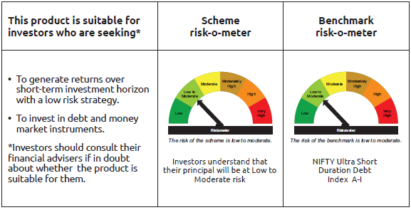
IDF255 | Portfolio Statement as on December 31,2025
 | Bandhan Ultra Short Duration Fund

 | Name of the Instrument | ISIN | Industry / Rating | Quantity | Market/Fair Value ( Rs. in Lacs) | % to NAV | YTM
 | Debt Instruments
 | (a) Listed / awaiting listing on Stock Exchange
 | Government Securities
GOI1430 | 7.59% GOI(MD 11/01/2026) | IN0020150093 | SOVEREIGN | 10,000,000 | 10,006.07 | 2.55% | 5.29%
GOI1785 | 7.86% Karnataka SDL (MD 15/03/2027) | IN1920160117 | SOVEREIGN | 3,500,000 | 3,574.76 | 0.91% | 6.07%
GOI1703 | 7.2% Karnatak SDL (MD 25/01/2027) | IN1920160083 | SOVEREIGN | 2,500,000 | 2,530.79 | 0.64% | 6.07%
GOI7093 | 6.87% Uttar Pradesh SDL (MD 30/11/2026) | IN3320160283 | SOVEREIGN | 2,000,000 | 2,019.49 | 0.51% | 5.84%
GOI2089 | 8.15% Tamil Nadu SDL (MD 09/05/2028) | IN3120180036 | SOVEREIGN | 500,000 | 520.28 | 0.13% | 6.36%
GOI1875 | 7.61% Tamil Nadu SDL (MD 15/02/2027) | IN3120160194 | SOVEREIGN | 500,000 | 508.64 | 0.13% | 6.07%
GOI2070 | 7.27% Karnataka SDL (MD 28/12/2026) | IN1920160067 | SOVEREIGN | 500,000 | 507.16 | 0.13% | 5.85%
GOI1686 | 7.25% Maharashtra SDL (MD 28/12/2026) | IN2220160120 | SOVEREIGN | 500,000 | 507.06 | 0.13% | 5.85%
GOI3816 | 7.2% Bihar SDL (MD 25/01/2027) | IN1320160154 | SOVEREIGN | 500,000 | 505.74 | 0.13% | 6.16%
GOI6974 | 6.86% Haryana SDL (MD 23/11/2026) | IN1620160235 | SOVEREIGN | 500,000 | 504.68 | 0.13% | 5.85%
 | Non Convertible Debentures
NBAR701 | 7.58% National Bank For Agriculture and Rural Development | INE261F08DX0 | CRISIL AAA | 33,500,000 | 33,614.47 | 8.56% | 6.75%
POWF500 | 7.77% Power Finance Corporation Limited ** | INE134E08MC7 | CRISIL AAA | 28,000,000 | 28,149.97 | 7.17% | 6.75%
LICH622 | 7.9% LIC Housing Finance Limited ** | INE115A07PV9 | CRISIL AAA | 10,000,000 | 10,123.65 | 2.58% | 6.94%
RECL411 | 5.94% REC Limited ** | INE020B08DK6 | CRISIL AAA | 9,250,000 | 9,245.68 | 2.35% | 6.18%
TCHF401 | 8.1% Tata Capital Housing Finance Limited ** | INE033L07IE2 | CRISIL AAA | 7,500,000 | 7,582.67 | 1.93% | 7.03%
SIDB519 | 7.44% Small Industries Dev Bank of India ** | INE556F08KI9 | CRISIL AAA | 7,500,000 | 7,525.76 | 1.92% | 6.74%
CHOL1092 | 7.38% Cholamandalam Investment and Finance Company Ltd ** | INE121A07SN8 | ICRA AA+ | 7,500,000 | 7,500.12 | 1.91% | 7.33%
RECL428 | 7.56% REC Limited | INE020B08ED9 | CRISIL AAA | 7,000,000 | 7,025.38 | 1.79% | 6.55%
BGFL1172 | 7.88% Aditya Birla Capital Limited ** | INE860H07IH9 | ICRA AAA | 6,000,000 | 6,009.71 | 1.53% | 6.46%
MUFL394 | 8.5% Muthoot Finance Limited | INE414G07HK3 | CRISIL AA+ | 5,500,000 | 5,504.74 | 1.40% | 6.84%
TCAL511 | 8.098% Tata Capital Limited | INE976I07CY9 | CRISIL AAA | 5,000,000 | 5,074.38 | 1.29% | 7.16%
TCHF375 | 7.8% Tata Capital Housing Finance Limited ** | INE033L07HU0 | CRISIL AAA | 5,000,000 | 5,051.10 | 1.29% | 7.06%
BHFL133 | 7.14% Bajaj Housing Finance Limited ** | INE377Y07557 | CRISIL AAA | 5,000,000 | 5,010.59 | 1.28% | 6.93%
LICH612 | 6.65% LIC Housing Finance Limited ** | INE115A07PR7 | CRISIL AAA | 5,000,000 | 4,983.88 | 1.27% | 6.94%
TCFS658 | 8.3% Tata Capital Limited ** | INE306N07NL3 | ICRA AAA | 4,500,000 | 4,512.47 | 1.15% | 6.43%
KOMP1682 | 7.9% Kotak Mahindra Prime Limited ** | INE916DA7SB4 | CRISIL AAA | 4,000,000 | 4,001.29 | 1.02% | 6.43%
CHOL1032 | 8.5% Cholamandalam Investment and Finance Company Ltd ** | INE121A07RO8 | ICRA AA+ | 3,500,000 | 3,536.03 | 0.90% | 7.28%
BHFL97 | 7.98% Bajaj Housing Finance Limited ** | INE377Y07383 | CRISIL AAA | 3,000,000 | 3,048.13 | 0.78% | 7.02%
BHFL119 | 8.1% Bajaj Housing Finance Limited ** | INE377Y07482 | CRISIL AAA | 2,500,000 | 2,536.66 | 0.65% | 7.00%
LICH686 | 7.74% LIC Housing Finance Limited | INE115A07QZ8 | CRISIL AAA | 2,500,000 | 2,530.12 | 0.64% | 6.98%
TCFS633 | 7.89% Tata Capital Limited ** | INE306N07MX0 | CRISIL AAA | 2,500,000 | 2,522.67 | 0.64% | 7.21%
POWF507 | 7.7% Power Finance Corporation Limited ** | INE134E08MK0 | CRISIL AAA | 2,500,000 | 2,516.23 | 0.64% | 6.75%
BHFL102 | 7.78% Bajaj Housing Finance Limited ** | INE377Y07425 | CRISIL AAA | 2,500,000 | 2,508.12 | 0.64% | 6.63%
LICH635 | 7.7201% LIC Housing Finance Limited ** | INE115A07QB9 | CRISIL AAA | 2,000,000 | 2,002.54 | 0.51% | 6.18%
NBAR719 | 7.5% National Bank For Agriculture and Rural Development ** | INE261F08EA6 | CRISIL AAA | 1,750,000 | 1,756.43 | 0.45% | 6.75%
KOMP1655 | 7.924% Kotak Mahindra Prime Limited ** | INE916DA7RW2 | CRISIL AAA | 500,000 | 500.64 | 0.13% | 6.53%
 | Zero Coupon Bonds
BAFL840 | Bajaj Finance Limited ** | INE296A07RY7 | CRISIL AAA | 2,000,000 | 2,544.06 | 0.65% | 6.45%
 | Subtotal |  |  |  | 198,102.16 | 50.46%
 | (b) Privately placed / Unlisted |  |  |  | NIL | NIL | NIL
 | Subtotal |  |  |  | NIL | NIL | NIL
 | Total |  |  |  | 198,102.16 | 50.46%
 | Money Market Instruments
 | Certificate of Deposit
UTIB1376 | Axis Bank Limited ** | INE238AD6BK4 | CRISIL A1+ | 30,000,000 | 29,390.10 | 7.48% | 6.37%
HDFB996 | HDFC Bank Limited | INE040A16GS5 | CRISIL A1+ | 20,000,000 | 19,737.94 | 5.02% | 5.91%
HDFB1002 | HDFC Bank Limited | INE040A16GW7 | CRISIL A1+ | 17,500,000 | 17,089.71 | 4.35% | 6.35%
EXIM802 | Export Import Bank of India | INE514E16CK7 | CRISIL A1+ | 12,500,000 | 12,344.10 | 3.14% | 5.91%
BKBA542 | Bank of Baroda ** | INE028A16JV8 | FITCH A1+ | 12,500,000 | 12,229.38 | 3.11% | 6.36%
SIDB619 | Small Industries Dev Bank of India ** | INE556F16BL5 | CRISIL A1+ | 12,500,000 | 11,880.34 | 3.02% | 6.68%
SIDB596 | Small Industries Dev Bank of India ** | INE556F16BD2 | CRISIL A1+ | 10,000,000 | 9,887.94 | 2.52% | 6.00%
PUBA1090 | Punjab National Bank | INE160A16RK5 | CRISIL A1+ | 7,500,000 | 7,408.81 | 1.89% | 5.91%
CANB1034 | Canara Bank ** | INE476A16A65 | CRISIL A1+ | 5,000,000 | 4,956.56 | 1.26% | 5.92%
UNBI418 | Union Bank of India ** | INE692A16IP5 | ICRA A1+ | 2,500,000 | 2,486.68 | 0.63% | 5.93%
SIDB628 | Small Industries Dev Bank of India ** | INE556F16BQ4 | CRISIL A1+ | 2,500,000 | 2,366.19 | 0.60% | 6.68%
UNBI444 | Union Bank of India ** | INE692A16JQ1 | ICRA A1+ | 500,000 | 485.11 | 0.12% | 6.40%
 | Commercial Paper
SIDB644 | Small Industries Dev Bank of India ** | INE556F14LX4 | CRISIL A1+ | 20,000,000 | 19,747.02 | 5.03% | 5.99%
AXSL125 | Axis Securities Limited ** | INE110O14GW4 | ICRA A1+ | 10,000,000 | 9,915.25 | 2.52% | 6.50%
ICBR641 | ICICI Securities Limited ** | INE763G14D03 | CRISIL A1+ | 7,500,000 | 7,411.84 | 1.89% | 6.48%
ICBR577 | ICICI Securities Limited ** | INE763G14XZ4 | CRISIL A1+ | 5,000,000 | 4,956.01 | 1.26% | 6.48%
BAFL1010 | Bajaj Finance Limited ** | INE296A14C63 | ICRA A1+ | 2,500,000 | 2,488.29 | 0.63% | 6.36%
BAFL1008 | Bajaj Finance Limited ** | INE296A14D70 | CRISIL A1+ | 1,500,000 | 1,486.01 | 0.38% | 6.37%
ICBR610 | ICICI Securities Limited ** | INE763G14ZL9 | CRISIL A1+ | 500,000 | 497.44 | 0.13% | 6.48%
 | Treasury Bill
TBIL2545 | 182 Days Tbill (MD 05/02/2026) | IN002025Y198 | SOVEREIGN | 15,000,000 | 14,925.57 | 3.80% | 5.20%
TBIL2487 | 364 Days Tbill (MD 19/03/2026) | IN002024Z495 | SOVEREIGN | 5,000,000 | 4,946.06 | 1.26% | 5.17%
TBIL2554 | 182 Days Tbill (MD 27/02/2026) | IN002025Y222 | SOVEREIGN | 2,500,000 | 2,479.90 | 0.63% | 5.19%
 | Collateralised Borrowing & Lending Obligation / Reverse Repo Instrument
TRP_010126 | CBLO TRP_010126 |  |  |  | 333.44 | 0.08% | 5.36%
 | Total |  |  |  | 199,449.69 | 50.75%
 | Corporate Debt Market Development Fund
CDMD50ME | Corporate Debt Market Development Fund | INF0RQ622028 |  | 11,244 | 1,299.06 | 0.33%
 | Total |  |  |  | 1,299.06 | 0.33%
 | OTHERS
 | Cash Margin - CCIL |  |  |  | 8.63 | $
 | Subtotal |  |  |  | 8.63 | $
 | Net Current Assets |  |  |  | (6,003.83) | -1.54%
 | GRAND TOTAL |  |  |  | 392,855.71 | 100.00%

 | $ Less Than 0.01% of NAV
 | ** Thinly Traded/Non Traded Securities/Illiquid Securities

 | As per the requirement of regulation 43A of SEBI (Mutual Funds) Regulations, 1996, SEBI circular no. SEBI/HO/IMD/PoD2/P/CIR/2023/128 dated July 27, 2023 on framework for Corporate Debt Market Development Fund and SEBI circular no. SEBI/HO/IMD/PoD2 /P/CIR/2023/129 dated July 27, 2023 on investment by mutual fund schemes and Asset Management Companies (AMCs) in units of Corporate Debt Market Development Fund (“CDMDF”), specified open ended debt-oriented schemes of Bandhan Mutual Fund and Bandhan AMC Limited (‘AMC’) shall invest percentage of net assets in the units of the CDMDF.

Bandhan DBF
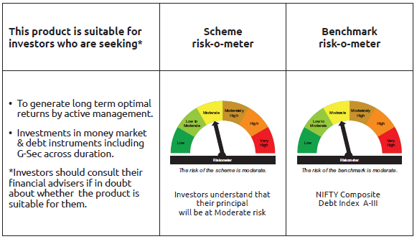
IDF006 | Portfolio Statement as on December 31,2025
 | Bandhan Dynamic Bond Fund

 | Name of the Instrument | ISIN | Industry / Rating | Quantity | Market/Fair Value ( Rs. in Lacs) | % to NAV | YTM
 | Debt Instruments
 | (a) Listed / awaiting listing on Stock Exchange
 | Government Securities
GOI6919 | 6.01% GOI (MD 21/07/2030) | IN0020250067 | SOVEREIGN | 65,200,000 | 64,408.93 | 26.46% | 6.42%
GOI5833 | 7.02% GOI (MD 18/06/2031) | IN0020240076 | SOVEREIGN | 62,000,000 | 63,519.00 | 26.09% | 6.58%
GOI6320 | 6.79% GOI (MD 30/12/2031) | IN0020240191 | SOVEREIGN | 5,400,000 | 5,471.27 | 2.25% | 6.63%
GOI5052 | 7.73% Maharashtra SDL (MD 29/03/2032) | IN2220220254 | SOVEREIGN | 5,000,000 | 5,140.80 | 2.11% | 7.29%
GOI4349 | 7.3% Tamilnadu SDL (MD 30/03/2032) | IN3120210510 | SOVEREIGN | 4,000,000 | 4,027.28 | 1.65% | 7.29%
GOI3734 | 6.54% GOI (MD 17/01/2032) | IN0020210244 | SOVEREIGN | 1,200,000 | 1,198.80 | 0.49% | 6.67%
GOI4584 | 7.26% GOI (MD 22/08/2032) | IN0020220060 | SOVEREIGN | 100,000 | 103.45 | 0.04% | 6.72%
 | Non Convertible Debentures
BHFL147 | 7.1% Bajaj Housing Finance Limited | INE377Y07607 | CRISIL AAA | 24,000,000 | 24,002.14 | 9.86% | 7.08%
NBAR860 | 6.66% National Bank For Agriculture and Rural Development | INE261F08EP4 | ICRA AAA | 20,000,000 | 19,868.86 | 8.16% | 6.91%
LICH686 | 7.74% LIC Housing Finance Limited | INE115A07QZ8 | CRISIL AAA | 10,000,000 | 10,120.48 | 4.16% | 6.98%
NBAR838 | 7.48% National Bank For Agriculture and Rural Development | INE261F08EO7 | CRISIL AAA | 7,500,000 | 7,598.04 | 3.12% | 6.91%
TCHF429 | 7.685% Tata Capital Housing Finance Limited ** | INE033L07IL7 | CRISIL AAA | 6,000,000 | 6,067.43 | 2.49% | 7.16%
IRLY383 | 7.37% Indian Railway Finance Corporation Limited ** | INE053F08411 | CRISIL AAA | 5,000,000 | 5,070.13 | 2.08% | 6.91%
KOMP1680 | 7.83% Kotak Mahindra Prime Limited ** | INE916DA7SJ7 | CRISIL AAA | 5,000,000 | 5,063.18 | 2.08% | 7.24%
BAFL974 | 7.3763% Bajaj Finance Limited ** | INE296A07TJ4 | CRISIL AAA | 5,000,000 | 5,007.21 | 2.06% | 7.26%
IRLY333 | 7.5% Indian Railway Finance Corporation Limited ** | INE053F07BW9 | CRISIL AAA | 2,500,000 | 2,546.38 | 1.05% | 6.91%
IRLY377 | 7.57% Indian Railway Finance Corporation Limited ** | INE053F08353 | CRISIL AAA | 2,500,000 | 2,545.93 | 1.05% | 6.93%
BAFL943 | 7.7951% Bajaj Finance Limited ** | INE296A07TF2 | CRISIL AAA | 2,000,000 | 2,021.97 | 0.83% | 7.16%
 | Subtotal |  |  |  | 233,781.28 | 96.03%
 | (b) Privately placed / Unlisted |  |  |  | NIL | NIL | NIL
 | Subtotal |  |  |  | NIL | NIL | NIL
 | Total |  |  |  | 233,781.28 | 96.03%
 | Money Market Instruments
 | Collateralised Borrowing & Lending Obligation / Reverse Repo Instrument
TRP_010126 | CBLO TRP_010126 |  |  |  | 166.72 | 0.07% | 5.36%
 | Total |  |  |  | 166.72 | 0.07%
 | Corporate Debt Market Development Fund
CDMD50ME | Corporate Debt Market Development Fund | INF0RQ622028 |  | 7,534 | 870.43 | 0.36%
 | Total |  |  |  | 870.43 | 0.36%
 | OTHERS
 | Cash Margin - CCIL |  |  |  | 5.03 | $
 | Subtotal |  |  |  | 5.03 | $
 | Net Current Assets |  |  |  | 8,630.72 | 3.54%
 | GRAND TOTAL |  |  |  | 243,454.18 | 100.00%

 | $ Less Than 0.01% of NAV
 | ** Thinly Traded/Non Traded Securities/Illiquid Securities

 | As per the requirement of regulation 43A of SEBI (Mutual Funds) Regulations, 1996, SEBI circular no. SEBI/HO/IMD/PoD2/P/CIR/2023/128 dated July 27, 2023 on framework for Corporate Debt Market Development Fund and SEBI circular no. SEBI/HO/IMD/PoD2 /P/CIR/2023/129 dated July 27, 2023 on investment by mutual fund schemes and Asset Management Companies (AMCs) in units of Corporate Debt Market Development Fund (“CDMDF”), specified open ended debt-oriented schemes of Bandhan Mutual Fund and Bandhan AMC Limited (‘AMC’) shall invest percentage of net assets in the units of the CDMDF.

Bandhan BF - IP
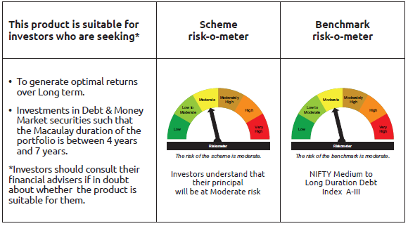
IDF010 | Portfolio Statement as on December 31,2025
 | Bandhan Medium to Long Duration Fund

 | Name of the Instrument | ISIN | Industry / Rating | Quantity | Market/Fair Value ( Rs. in Lacs) | % to NAV | YTM
 | Debt Instruments
 | (a) Listed / awaiting listing on Stock Exchange
 | Government Securities
GOI4584 | 7.26% GOI (MD 22/08/2032) | IN0020220060 | SOVEREIGN | 15,000,000 | 15,516.84 | 32.44% | 6.72%
GOI5833 | 7.02% GOI (MD 18/06/2031) | IN0020240076 | SOVEREIGN | 8,900,000 | 9,118.05 | 19.06% | 6.58%
GOI3528 | 6.1% GOI (MD 12/07/2031) | IN0020210095 | SOVEREIGN | 5,500,000 | 5,412.31 | 11.31% | 6.55%
GOI3734 | 6.54% GOI (MD 17/01/2032) | IN0020210244 | SOVEREIGN | 4,800,000 | 4,795.21 | 10.02% | 6.67%
GOI6320 | 6.79% GOI (MD 30/12/2031) | IN0020240191 | SOVEREIGN | 1,000,000 | 1,013.20 | 2.12% | 6.63%
GOI4976 | 7.26% GOI (MD 06/02/2033) | IN0020220151 | SOVEREIGN | 300,000 | 310.60 | 0.65% | 6.74%
GOI6919 | 6.01% GOI (MD 21/07/2030) | IN0020250067 | SOVEREIGN | 300,000 | 296.36 | 0.62% | 6.42%
GOI1864 | 6.79% GOI (MD 15/05/2027) | IN0020170026 | SOVEREIGN | 100,000 | 101.41 | 0.21% | 5.78%
GOI1364 | 7.73% GOI (MD 19/12/2034) | IN0020150051 | SOVEREIGN | 37,500 | 40.15 | 0.08% | 6.78%
 | Non Convertible Debentures
TCHF429 | 7.685% Tata Capital Housing Finance Limited ** | INE033L07IL7 | CRISIL AAA | 3,500,000 | 3,539.33 | 7.40% | 7.16%
BAFL863 | 7.85% Bajaj Finance Limited ** | INE296A07SO6 | CRISIL AAA | 2,500,000 | 2,533.49 | 5.30% | 7.26%
BHFL114 | 8.04% Bajaj Housing Finance Limited ** | INE377Y07441 | CRISIL AAA | 2,000,000 | 2,021.54 | 4.23% | 6.93%
TCFS680 | 8.098% Tata Capital Limited | INE306N07NS8 | CRISIL AAA | 1,700,000 | 1,715.88 | 3.59% | 7.16%
 | Subtotal |  |  |  | 46,414.37 | 97.03%
 | (b) Privately placed / Unlisted |  |  |  | NIL | NIL | NIL
 | Subtotal |  |  |  | NIL | NIL | NIL
 | Total |  |  |  | 46,414.37 | 97.03%
 | Money Market Instruments
 | Collateralised Borrowing & Lending Obligation / Reverse Repo Instrument
TRP_010126 | CBLO TRP_010126 |  |  |  | 274.97 | 0.57% | 5.36%
 | Total |  |  |  | 274.97 | 0.57%
 | Corporate Debt Market Development Fund
CDMD50ME | Corporate Debt Market Development Fund | INF0RQ622028 |  | 1,254 | 144.90 | 0.30%
 | Total |  |  |  | 144.90 | 0.30%
 | OTHERS
 | Cash Margin - CCIL |  |  |  | 0.01 | $
 | Subtotal |  |  |  | 0.01 | $
 | Net Current Assets |  |  |  | 1,005.08 | 2.10%
 | GRAND TOTAL |  |  |  | 47,839.33 | 100.00%

 | $ Less Than 0.01% of NAV
 | ** Thinly Traded/Non Traded Securities/Illiquid Securities

 | As per the requirement of regulation 43A of SEBI (Mutual Funds) Regulations, 1996, SEBI circular no. SEBI/HO/IMD/PoD2/P/CIR/2023/128 dated July 27, 2023 on framework for Corporate Debt Market Development Fund and SEBI circular no. SEBI/HO/IMD/PoD2 /P/CIR/2023/129 dated July 27, 2023 on investment by mutual fund schemes and Asset Management Companies (AMCs) in units of Corporate Debt Market Development Fund (“CDMDF”), specified open ended debt-oriented schemes of Bandhan Mutual Fund and Bandhan AMC Limited (‘AMC’) shall invest percentage of net assets in the units of the CDMDF.

Bandhan BF - MTP
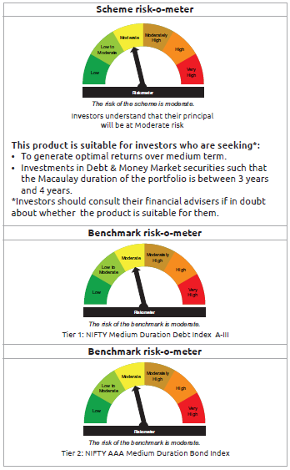
IDF011 | Portfolio Statement as on December 31,2025
 | Bandhan Medium Duration Fund

 | Name of the Instrument | ISIN | Industry / Rating | Quantity | Market/Fair Value ( Rs. in Lacs) | % to NAV | YTM
 | Debt Instruments
 | (a) Listed / awaiting listing on Stock Exchange
 | Government Securities
GOI5833 | 7.02% GOI (MD 18/06/2031) | IN0020240076 | SOVEREIGN | 74,600,000 | 76,427.70 | 54.85% | 6.58%
GOI6919 | 6.01% GOI (MD 21/07/2030) | IN0020250067 | SOVEREIGN | 7,000,000 | 6,915.07 | 4.96% | 6.42%
GOI4986 | 7.68% Gujarat SDL (MD 15/02/2030) | IN1520220238 | SOVEREIGN | 500,000 | 514.63 | 0.37% | 6.97%
GOI3734 | 6.54% GOI (MD 17/01/2032) | IN0020210244 | SOVEREIGN | 500,000 | 499.50 | 0.36% | 6.67%
GOI2153 | 8.37% Tamil Nadu SDL (MD 05/12/2028) | IN3120180176 | SOVEREIGN | 194,600 | 204.88 | 0.15% | 6.46%
GOI1864 | 6.79% GOI (MD 15/05/2027) | IN0020170026 | SOVEREIGN | 20,000 | 20.28 | 0.01% | 5.78%
GOI536 | 8.24% GOI (MD 15/02/2027) | IN0020060078 | SOVEREIGN | 11,000 | 11.30 | 0.01% | 5.73%
 | Non Convertible Debentures
TCHF371 | 7.75% Tata Capital Housing Finance Limited ** | INE033L07HQ8 | CRISIL AAA | 10,500,000 | 10,588.76 | 7.60% | 7.04%
BHFL114 | 8.04% Bajaj Housing Finance Limited ** | INE377Y07441 | CRISIL AAA | 10,000,000 | 10,107.70 | 7.25% | 6.93%
NBAR796 | 7.44% National Bank For Agriculture and Rural Development | INE261F08EK5 | CRISIL AAA | 5,000,000 | 5,058.50 | 3.63% | 6.82%
BAFL974 | 7.3763% Bajaj Finance Limited ** | INE296A07TJ4 | CRISIL AAA | 5,000,000 | 5,007.21 | 3.59% | 7.26%
TCFS633 | 7.89% Tata Capital Limited ** | INE306N07MX0 | CRISIL AAA | 4,500,000 | 4,540.81 | 3.26% | 7.21%
BHFL121 | 7.98% Bajaj Housing Finance Limited ** | INE377Y07490 | CRISIL AAA | 3,500,000 | 3,522.98 | 2.53% | 6.81%
SIDB513 | 7.43% Small Industries Dev Bank of India ** | INE556F08KH1 | CRISIL AAA | 1,500,000 | 1,504.93 | 1.08% | 6.74%
NBAR838 | 7.48% National Bank For Agriculture and Rural Development | INE261F08EO7 | CRISIL AAA | 1,000,000 | 1,013.07 | 0.73% | 6.91%
BHFL147 | 7.1% Bajaj Housing Finance Limited | INE377Y07607 | CRISIL AAA | 1,000,000 | 1,000.09 | 0.72% | 7.08%
TCFS654 | 8.1165% Tata Capital Limited ** | INE306N07NK5 | CRISIL AAA | 900,000 | 902.95 | 0.65% | 6.90%
TCFS680 | 8.098% Tata Capital Limited | INE306N07NS8 | CRISIL AAA | 800,000 | 807.47 | 0.58% | 7.16%
BAFL943 | 7.7951% Bajaj Finance Limited ** | INE296A07TF2 | CRISIL AAA | 500,000 | 505.49 | 0.36% | 7.16%
TCFS658 | 8.3% Tata Capital Limited ** | INE306N07NL3 | ICRA AAA | 500,000 | 501.39 | 0.36% | 6.43%
 | Subtotal |  |  |  | 129,654.71 | 93.05%
 | (b) Privately placed / Unlisted |  |  |  | NIL | NIL | NIL
 | Subtotal |  |  |  | NIL | NIL | NIL
 | Total |  |  |  | 129,654.71 | 93.05%
 | Money Market Instruments
 | Certificate of Deposit
HDFB996 | HDFC Bank Limited | INE040A16GS5 | CRISIL A1+ | 2,500,000 | 2,467.24 | 1.77% | 5.91%
UTIB1382 | Axis Bank Limited ** | INE238AD6BR9 | CRISIL A1+ | 2,000,000 | 1,975.69 | 1.42% | 5.91%
 | Collateralised Borrowing & Lending Obligation / Reverse Repo Instrument
TRP_010126 | CBLO TRP_010126 |  |  |  | 490.89 | 0.35% | 5.36%
 | Total |  |  |  | 4,933.82 | 3.54%
 | Corporate Debt Market Development Fund
CDMD50ME | Corporate Debt Market Development Fund | INF0RQ622028 |  | 5,086 | 587.65 | 0.42%
 | Total |  |  |  | 587.65 | 0.42%
 | OTHERS
 | Cash Margin - CCIL |  |  |  | 0.02 | $
 | Subtotal |  |  |  | 0.02 | $
 | Net Current Assets |  |  |  | 4,161.76 | 2.99%
 | GRAND TOTAL |  |  |  | 139,337.96 | 100.00%

 | $ Less Than 0.01% of NAV
 | ** Thinly Traded/Non Traded Securities/Illiquid Securities

 | As per the requirement of regulation 43A of SEBI (Mutual Funds) Regulations, 1996, SEBI circular no. SEBI/HO/IMD/PoD2/P/CIR/2023/128 dated July 27, 2023 on framework for Corporate Debt Market Development Fund and SEBI circular no. SEBI/HO/IMD/PoD2 /P/CIR/2023/129 dated July 27, 2023 on investment by mutual fund schemes and Asset Management Companies (AMCs) in units of Corporate Debt Market Development Fund (“CDMDF”), specified open ended debt-oriented schemes of Bandhan Mutual Fund and Bandhan AMC Limited (‘AMC’) shall invest percentage of net assets in the units of the CDMDF.

Bandhan BF - STP
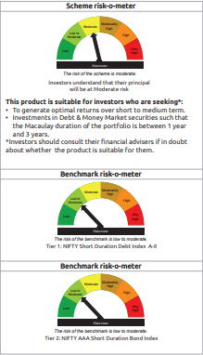
IDF012 | Portfolio Statement as on December 31,2025
 | Bandhan Short Duration Fund

 | Name of the Instrument | ISIN | Industry / Rating | Quantity | Market/Fair Value ( Rs. in Lacs) | % to NAV | YTM
 | Debt Instruments
 | (a) Listed / awaiting listing on Stock Exchange
 | Government Securities
GOI6919 | 6.01% GOI (MD 21/07/2030) | IN0020250067 | SOVEREIGN | 213,200,000 | 210,613.24 | 20.29% | 6.42%
GOI4193 | 6.88% Uttar Pradesh SDL (MD 23/06/2031) | IN3320210013 | SOVEREIGN | 25,000,000 | 24,738.55 | 2.38% | 7.24%
GOI5833 | 7.02% GOI (MD 18/06/2031) | IN0020240076 | SOVEREIGN | 18,500,000 | 18,953.25 | 1.83% | 6.58%
GOI2544 | 5.77% GOI (MD 03/08/2030) | IN0020200153 | SOVEREIGN | 12,500,000 | 12,214.30 | 1.18% | 6.45%
GOI2462 | 5.79% GOI (MD 11/05/2030) | IN0020200070 | SOVEREIGN | 5,500,000 | 5,384.51 | 0.52% | 6.45%
GOI2414 | 7.16% Karnataka SDL (MD 08/01/2030) | IN1920190148 | SOVEREIGN | 5,000,000 | 5,052.83 | 0.49% | 6.97%
GOI4976 | 7.26% GOI (MD 06/02/2033) | IN0020220151 | SOVEREIGN | 200,000 | 207.06 | 0.02% | 6.74%
GOI536 | 8.24% GOI (MD 15/02/2027) | IN0020060078 | SOVEREIGN | 100,000 | 102.77 | 0.01% | 5.73%
GOI3103 | 5.63% GOI (MD 12/04/2026) | IN0020210012 | SOVEREIGN | 100,000 | 100.03 | 0.01% | 5.52%
GOI1864 | 6.79% GOI (MD 15/05/2027) | IN0020170026 | SOVEREIGN | 85,000 | 86.20 | 0.01% | 5.78%
 | Non Convertible Debentures
BHFL114 | 8.04% Bajaj Housing Finance Limited ** | INE377Y07441 | CRISIL AAA | 47,500,000 | 48,011.58 | 4.62% | 6.93%
TCFS654 | 8.1165% Tata Capital Limited ** | INE306N07NK5 | CRISIL AAA | 44,100,000 | 44,244.69 | 4.26% | 6.90%
NBAR805 | 7.53% National Bank For Agriculture and Rural Development | INE261F08EM1 | ICRA AAA | 40,000,000 | 40,532.12 | 3.90% | 6.84%
NBAR838 | 7.48% National Bank For Agriculture and Rural Development | INE261F08EO7 | CRISIL AAA | 38,000,000 | 38,496.74 | 3.71% | 6.91%
NBAR780 | 7.7% National Bank For Agriculture and Rural Development ** | INE261F08EI9 | ICRA AAA | 30,000,000 | 30,404.19 | 2.93% | 6.83%
BAFL974 | 7.3763% Bajaj Finance Limited ** | INE296A07TJ4 | CRISIL AAA | 30,000,000 | 30,043.26 | 2.89% | 7.26%
LICH680 | 7.74% LIC Housing Finance Limited | INE115A07QW5 | CRISIL AAA | 27,000,000 | 27,352.22 | 2.63% | 7.04%
TCHF375 | 7.8% Tata Capital Housing Finance Limited ** | INE033L07HU0 | CRISIL AAA | 25,000,000 | 25,255.48 | 2.43% | 7.06%
LICH676 | 7.9265% LIC Housing Finance Limited ** | INE115A07QS3 | CRISIL AAA | 24,500,000 | 24,811.62 | 2.39% | 6.98%
BHFL121 | 7.98% Bajaj Housing Finance Limited ** | INE377Y07490 | CRISIL AAA | 14,000,000 | 14,091.92 | 1.36% | 6.81%
POWF543 | 7.44% Power Finance Corporation Limited ** | INE134E08NO0 | CRISIL AAA | 12,500,000 | 12,686.15 | 1.22% | 7.00%
BHFL148 | 6.95% Bajaj Housing Finance Limited ** | INE377Y07615 | CRISIL AAA | 12,500,000 | 12,474.43 | 1.20% | 7.06%
IRLY330 | 7.48% Indian Railway Finance Corporation Limited ** | INE053F07BU3 | CRISIL AAA | 10,000,000 | 10,175.89 | 0.98% | 6.91%
TCHF397 | 8.0409% Tata Capital Housing Finance Limited ** | INE033L07ID4 | CRISIL AAA | 10,000,000 | 10,109.62 | 0.97% | 7.03%
LICH697 | 7.73% LIC Housing Finance Limited ** | INE115A07RE1 | CRISIL AAA | 10,000,000 | 10,084.91 | 0.97% | 6.94%
BHFL141 | 6.97% Bajaj Housing Finance Limited ** | INE377Y07599 | CRISIL AAA | 10,000,000 | 9,970.44 | 0.96% | 7.08%
RECL431 | 7.77% REC Limited ** | INE020B08EH0 | CRISIL AAA | 7,500,000 | 7,645.91 | 0.74% | 6.78%
IRLY373 | 7.45% Indian Railway Finance Corporation Limited ** | INE053F08320 | CRISIL AAA | 7,500,000 | 7,616.19 | 0.73% | 6.82%
KOMP1733 | 7.6% Kotak Mahindra Prime Limited ** | INE916DA7SZ3 | CRISIL AAA | 7,500,000 | 7,553.22 | 0.73% | 7.24%
SIDB519 | 7.44% Small Industries Dev Bank of India ** | INE556F08KI9 | CRISIL AAA | 7,500,000 | 7,525.76 | 0.72% | 6.74%
IRLY333 | 7.5% Indian Railway Finance Corporation Limited ** | INE053F07BW9 | CRISIL AAA | 5,000,000 | 5,092.76 | 0.49% | 6.91%
RECL457 | 7.58% REC Limited ** | INE020B08FD6 | ICRA AAA | 5,000,000 | 5,091.99 | 0.49% | 6.94%
IRLY380 | 7.46% Indian Railway Finance Corporation Limited ** | INE053F08387 | CRISIL AAA | 5,000,000 | 5,079.24 | 0.49% | 6.93%
IRLY383 | 7.37% Indian Railway Finance Corporation Limited ** | INE053F08411 | CRISIL AAA | 5,000,000 | 5,070.13 | 0.49% | 6.91%
POWF546 | 7.45% Power Finance Corporation Limited ** | INE134E08NP7 | CRISIL AAA | 5,000,000 | 5,063.98 | 0.49% | 6.89%
NBAR796 | 7.44% National Bank For Agriculture and Rural Development | INE261F08EK5 | CRISIL AAA | 5,000,000 | 5,058.50 | 0.49% | 6.82%
TCHF371 | 7.75% Tata Capital Housing Finance Limited ** | INE033L07HQ8 | CRISIL AAA | 5,000,000 | 5,042.27 | 0.49% | 7.04%
BHFL147 | 7.1% Bajaj Housing Finance Limited | INE377Y07607 | CRISIL AAA | 5,000,000 | 5,000.45 | 0.48% | 7.08%
JOIC20 | 7.19% JIO Credit Limited ** | INE282H07018 | CRISIL AAA | 5,000,000 | 4,994.16 | 0.48% | 7.24%
POWF483 | 6.09% Power Finance Corporation Limited ** | INE134E08LK2 | CRISIL AAA | 5,000,000 | 4,975.08 | 0.48% | 6.75%
LICH622 | 7.9% LIC Housing Finance Limited ** | INE115A07PV9 | CRISIL AAA | 4,000,000 | 4,049.46 | 0.39% | 6.94%
TCFS549 | 8.65% Tata Capital Financial Services Limited ** | INE306N07LM5 | CRISIL AAA | 3,500,000 | 3,571.28 | 0.34% | 7.25%
SIDB513 | 7.43% Small Industries Dev Bank of India ** | INE556F08KH1 | CRISIL AAA | 3,500,000 | 3,511.49 | 0.34% | 6.74%
KOMP1665 | 8.05% Kotak Mahindra Prime Limited ** | INE916DA7SE8 | CRISIL AAA | 2,500,000 | 2,539.95 | 0.24% | 7.21%
NBAR719 | 7.5% National Bank For Agriculture and Rural Development ** | INE261F08EA6 | CRISIL AAA | 2,500,000 | 2,509.19 | 0.24% | 6.75%
KOMP1745 | 7.299% Kotak Mahindra Prime Limited ** | INE916DA7TD8 | CRISIL AAA | 2,500,000 | 2,502.39 | 0.24% | 7.24%
KOMP1746 | 7.288% Kotak Mahindra Prime Limited ** | INE916DA7TE6 | CRISIL AAA | 2,500,000 | 2,501.68 | 0.24% | 7.25%
BAFL943 | 7.7951% Bajaj Finance Limited ** | INE296A07TF2 | CRISIL AAA | 1,500,000 | 1,516.48 | 0.15% | 7.16%
 | Subtotal |  |  |  | 769,709.56 | 74.13%
 | (b) Privately placed / Unlisted |  |  |  | NIL | NIL | NIL
 | Subtotal |  |  |  | NIL | NIL | NIL
 | Total |  |  |  | 769,709.56 | 74.13%
 | Money Market Instruments
 | Certificate of Deposit
HDFB996 | HDFC Bank Limited | INE040A16GS5 | CRISIL A1+ | 60,000,000 | 59,213.82 | 5.70% | 5.91%
PUBA1090 | Punjab National Bank | INE160A16RK5 | CRISIL A1+ | 45,000,000 | 44,452.85 | 4.28% | 5.91%
CANB1046 | Canara Bank | INE476A16B64 | CRISIL A1+ | 37,500,000 | 37,038.49 | 3.57% | 5.98%
PUBA1139 | Punjab National Bank ** | INE160A16TY2 | CRISIL A1+ | 32,500,000 | 32,097.85 | 3.09% | 6.18%
HDFB992 | HDFC Bank Limited | INE040A16GN6 | CRISIL A1+ | 20,000,000 | 19,775.12 | 1.90% | 5.93%
SIDB592 | Small Industries Dev Bank of India | INE556F16BB6 | CRISIL A1+ | 10,000,000 | 9,907.17 | 0.95% | 6.00%
HDFB1015 | HDFC Bank Limited ** | INE040A16HN4 | CRISIL A1+ | 10,000,000 | 9,565.70 | 0.92% | 6.55%
SIDB596 | Small Industries Dev Bank of India ** | INE556F16BD2 | CRISIL A1+ | 7,500,000 | 7,415.96 | 0.71% | 6.00%
PUBA1112 | Punjab National Bank ** | INE160A16RM1 | CRISIL A1+ | 5,000,000 | 4,937.61 | 0.48% | 5.91%
BKBA488 | Bank of Baroda ** | INE028A16IC0 | FITCH A1+ | 2,500,000 | 2,471.56 | 0.24% | 5.92%
EXIM802 | Export Import Bank of India | INE514E16CK7 | CRISIL A1+ | 2,500,000 | 2,468.82 | 0.24% | 5.91%
HDFB986 | HDFC Bank Limited | INE040A16GF2 | CRISIL A1+ | 1,500,000 | 1,491.32 | 0.14% | 5.90%
UTIB1382 | Axis Bank Limited ** | INE238AD6BR9 | CRISIL A1+ | 500,000 | 493.92 | 0.05% | 5.91%
 | Collateralised Borrowing & Lending Obligation / Reverse Repo Instrument
TRP_010126 | CBLO TRP_010126 |  |  |  | 1,459.73 | 0.14% | 5.36%
 | Total |  |  |  | 232,789.92 | 22.41%
 | Corporate Debt Market Development Fund
CDMD50ME | Corporate Debt Market Development Fund | INF0RQ622028 |  | 26,591 | 3,072.26 | 0.30%
 | Total |  |  |  | 3,072.26 | 0.30%
 | OTHERS
 | Cash Margin - CCIL |  |  |  | 1.15 | $
 | Subtotal |  |  |  | 1.15 | $
 | Net Current Assets |  |  |  | 32,623.44 | 3.16%
 | GRAND TOTAL |  |  |  | 1,038,196.33 | 100.00%

 | $ Less Than 0.01% of NAV
 | ** Thinly Traded/Non Traded Securities/Illiquid Securities

 | As per the requirement of regulation 43A of SEBI (Mutual Funds) Regulations, 1996, SEBI circular no. SEBI/HO/IMD/PoD2/P/CIR/2023/128 dated July 27, 2023 on framework for Corporate Debt Market Development Fund and SEBI circular no. SEBI/HO/IMD/PoD2 /P/CIR/2023/129 dated July 27, 2023 on investment by mutual fund schemes and Asset Management Companies (AMCs) in units of Corporate Debt Market Development Fund (“CDMDF”), specified open ended debt-oriented schemes of Bandhan Mutual Fund and Bandhan AMC Limited (‘AMC’) shall invest percentage of net assets in the units of the CDMDF.

Bandhan Banking & PSU
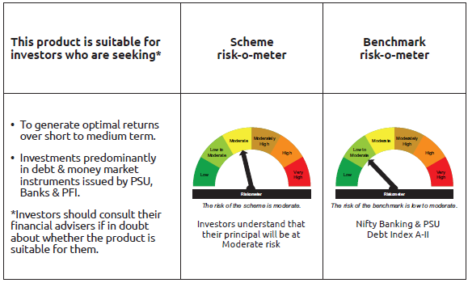
IDF138 | Portfolio Statement as on December 31,2025
 | Bandhan Banking and PSU Fund

 | Name of the Instrument | ISIN | Industry / Rating | Quantity | Market/Fair Value ( Rs. in Lacs) | % to NAV | YTM
 | Debt Instruments
 | (a) Listed / awaiting listing on Stock Exchange
 | Government Securities
GOI6919 | 6.01% GOI (MD 21/07/2030) | IN0020250067 | SOVEREIGN | 143,300,000 | 141,561.34 | 11.19% | 6.42%
GOI3734 | 6.54% GOI (MD 17/01/2032) | IN0020210244 | SOVEREIGN | 67,800,000 | 67,732.34 | 5.35% | 6.67%
GOI5833 | 7.02% GOI (MD 18/06/2031) | IN0020240076 | SOVEREIGN | 60,000,000 | 61,470.00 | 4.86% | 6.58%
GOI6526 | 7.17% Odisha SDL (MD 12/09/2030) | IN2720240158 | SOVEREIGN | 28,000,000 | 28,279.05 | 2.24% | 7.03%
GOI2462 | 5.79% GOI (MD 11/05/2030) | IN0020200070 | SOVEREIGN | 16,000,000 | 15,664.03 | 1.24% | 6.45%
GOI1673 | 6.79% GOI (MD 26/12/2029) | IN0020160118 | SOVEREIGN | 495,300 | 505.06 | 0.04% | 6.32%
GOI1908 | 7.18% Tamilnadu SDL (MD 26/07/2027) | IN3120170078 | SOVEREIGN | 120,000 | 121.84 | 0.01% | 6.23%
 | Non Convertible Debentures
NHBA319 | 7.77% National Housing Bank | INE557F08FP2 | CRISIL AAA | 55,000,000 | 55,104.01 | 4.36% | 6.60%
HDFB913 | 7.7% HDFC Bank Limited ** | INE040A08955 | CRISIL AAA | 49,000,000 | 49,671.59 | 3.93% | 7.02%
NUCL133 | 7.7% Nuclear Power Corporation Of India Limited ** | INE206D08501 | ICRA AAA | 41,000,000 | 41,742.76 | 3.30% | 6.77%
NBAR796 | 7.44% National Bank For Agriculture and Rural Development | INE261F08EK5 | CRISIL AAA | 40,000,000 | 40,468.00 | 3.20% | 6.82%
NTPC243 | 7.35% NTPC Limited ** | INE733E08247 | CRISIL AAA | 32,500,000 | 32,555.45 | 2.57% | 6.42%
IOIC659 | 7.36% Indian Oil Corporation Limited ** | INE242A08551 | CRISIL AAA | 29,838,000 | 30,367.18 | 2.40% | 6.76%
NBAR719 | 7.5% National Bank For Agriculture and Rural Development ** | INE261F08EA6 | CRISIL AAA | 30,000,000 | 30,110.31 | 2.38% | 6.75%
HPEC303 | 7.74% Hindustan Petroleum Corporation Limited ** | INE094A08150 | CRISIL AAA | 29,000,000 | 29,628.02 | 2.34% | 6.62%
NBAR701 | 7.58% National Bank For Agriculture and Rural Development | INE261F08DX0 | CRISIL AAA | 29,000,000 | 29,099.09 | 2.30% | 6.75%
IRLY383 | 7.37% Indian Railway Finance Corporation Limited ** | INE053F08411 | CRISIL AAA | 26,500,000 | 26,871.69 | 2.12% | 6.91%
SIDB525 | 7.55% Small Industries Dev Bank of India ** | INE556F08KJ7 | CRISIL AAA | 25,000,000 | 25,114.73 | 1.99% | 6.74%
SIDB519 | 7.44% Small Industries Dev Bank of India ** | INE556F08KI9 | CRISIL AAA | 25,000,000 | 25,085.85 | 1.98% | 6.74%
HDFB878 | 9% HDFC Bank Limited ** | INE040A08AB1 | CRISIL AAA | 23,500,000 | 24,647.65 | 1.95% | 7.07%
IRLY366 | 7.4% Indian Railway Finance Corporation Limited ** | INE053F08239 | CRISIL AAA | 22,500,000 | 22,552.61 | 1.78% | 6.48%
RECL477 | 6.7% REC Limited ** | INE020B08FY2 | ICRA AAA | 22,500,000 | 22,305.44 | 1.76% | 6.96%
EXIM731 | 7.32% Export Import Bank of India ** | INE514E08FZ5 | CRISIL AAA | 20,000,000 | 20,050.94 | 1.58% | 6.45%
NBAR805 | 7.53% National Bank For Agriculture and Rural Development | INE261F08EM1 | ICRA AAA | 17,500,000 | 17,732.80 | 1.40% | 6.84%
POWF541 | 7.42% Power Finance Corporation Limited ** | INE134E08NL6 | CRISIL AAA | 15,500,000 | 15,684.59 | 1.24% | 6.84%
HPEC305 | 7.22% Hindustan Petroleum Corporation Limited ** | INE094A08168 | CRISIL AAA | 15,000,000 | 15,194.76 | 1.20% | 6.79%
IBCL1127 | 6.45% ICICI Bank Limited ** | INE090A08UE8 | ICRA AAA | 15,000,000 | 14,828.03 | 1.17% | 6.95%
NTPC166 | 7.32% NTPC Limited ** | INE733E07KL3 | CRISIL AAA | 14,000,000 | 14,224.88 | 1.12% | 6.78%
RECL457 | 7.58% REC Limited ** | INE020B08FD6 | ICRA AAA | 12,500,000 | 12,729.98 | 1.01% | 6.94%
POWF543 | 7.44% Power Finance Corporation Limited ** | INE134E08NO0 | CRISIL AAA | 12,500,000 | 12,686.15 | 1.00% | 7.00%
NHBA331 | 7.59% National Housing Bank ** | INE557F08FZ1 | CRISIL AAA | 11,000,000 | 11,138.44 | 0.88% | 6.76%
IRLY380 | 7.46% Indian Railway Finance Corporation Limited ** | INE053F08387 | CRISIL AAA | 10,000,000 | 10,158.47 | 0.80% | 6.93%
POWF546 | 7.45% Power Finance Corporation Limited ** | INE134E08NP7 | CRISIL AAA | 10,000,000 | 10,127.95 | 0.80% | 6.89%
NBAR860 | 6.66% National Bank For Agriculture and Rural Development | INE261F08EP4 | ICRA AAA | 10,000,000 | 9,934.43 | 0.79% | 6.91%
IRLY395 | 6.47% Indian Railway Finance Corporation Limited ** | INE053F08510 | CRISIL AAA | 10,000,000 | 9,927.25 | 0.78% | 6.80%
IRLY394 | 6.58% Indian Railway Finance Corporation Limited ** | INE053F08528 | CRISIL AAA | 10,000,000 | 9,859.11 | 0.78% | 6.96%
POWF551 | 6.64% Power Finance Corporation Limited ** | INE134E08NR3 | CRISIL AAA | 10,000,000 | 9,857.60 | 0.78% | 7.01%
POWF553 | 6.59% Power Finance Corporation Limited ** | INE134E08NU7 | CRISIL AAA | 10,000,000 | 9,830.74 | 0.78% | 7.01%
POWF462 | 7.75% Power Finance Corporation Limited ** | INE134E08KV1 | CRISIL AAA | 8,000,000 | 8,214.64 | 0.65% | 7.01%
PGCI422 | 8.24% Power Grid Corporation of India Limited ** | INE752E08551 | CRISIL AAA | 7,500,000 | 7,839.18 | 0.62% | 6.72%
HDFB881 | 8.05% HDFC Bank Limited ** | INE040A08AC9 | CRISIL AAA | 7,500,000 | 7,719.89 | 0.61% | 7.13%
NHAI65 | 7.49% National Highways Authority Of India ** | INE906B07HG7 | CRISIL AAA | 7,500,000 | 7,636.43 | 0.60% | 6.88%
RECL465 | 7.34% REC Limited ** | INE020B08FL9 | CRISIL AAA | 7,500,000 | 7,586.96 | 0.60% | 7.01%
IBCL1014 | 7.47% ICICI Bank Limited | INE090A08TY8 | ICRA AAA | 7,500,000 | 7,553.66 | 0.60% | 6.90%
RECL443 | 7.77% REC Limited ** | INE020B08EP3 | CRISIL AAA | 7,500,000 | 7,544.44 | 0.60% | 6.80%
PGCI344 | 8.7% Power Grid Corporation of India Limited ** | INE752E07LC0 | CRISIL AAA | 5,650,000 | 5,893.90 | 0.47% | 6.76%
UTIB1079 | 8.6% Axis Bank Limited ** | INE238A08450 | CRISIL AAA | 5,000,000 | 5,205.57 | 0.41% | 7.03%
HDFB879 | 8.55% HDFC Bank Limited ** | INE040A08724 | CRISIL AAA | 5,000,000 | 5,199.01 | 0.41% | 7.11%
...
 | $ Less Than 0.01% of NAV
 | ** Thinly Traded/Non Traded Securities/Illiquid Securities

 | As per the requirement of regulation 43A of SEBI (Mutual Funds) Regulations, 1996, SEBI circular no. SEBI/HO/IMD/PoD2/P/CIR/2023/128 dated July 27, 2023 on framework for Corporate Debt Market Development Fund and SEBI circular no. SEBI/HO/IMD/PoD2 /P/CIR/2023/129 dated July 27, 2023 on investment by mutual fund schemes and Asset Management Companies (AMCs) in units of Corporate Debt Market Development Fund (“CDMDF”), specified open ended debt-oriented schemes of Bandhan Mutual Fund and Bandhan AMC Limited (‘AMC’) shall invest percentage of net assets in the units of the CDMDF.

Bandhan CBF
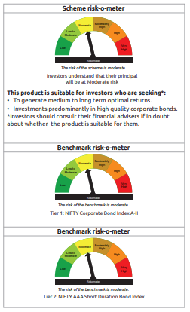
...
Name of the Instrument | ISIN | Industry / Rating | Quantity | Market/Fair Value ( Rs. in Lacs) | % to NAV | YTM
GRAND TOTAL |  |  |  | 1,485,550.27 | 100.00%

** Thinly Traded/Non Traded Securities/Illiquid Securities

As per the requirement of regulation 43A of SEBI (Mutual Funds) Regulations, 1996, SEBI circular no. SEBI/HO/IMD/PoD2/P/CIR/2023/128 dated July 27, 2023 on framework for Corporate Debt Market Development Fund and SEBI circular no. SEBI/HO/IMD/PoD2 /P/CIR/2023/129 dated July 27, 2023 on investment by mutual fund schemes and Asset Management Companies (AMCs) in units of Corporate Debt Market Development Fund (“CDMDF”), specified open ended debt-oriented schemes of Bandhan Mutual Fund and Bandhan AMC Limited (‘AMC’) shall invest percentage of net assets in the units of the CDMDF.

Bandhan CRF
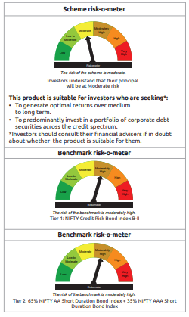
...
$ Less Than 0.01% of NAV
** Thinly Traded/Non Traded Securities/Illiquid Securities

As per the requirement of regulation 43A of SEBI (Mutual Funds) Regulations, 1996, SEBI circular no. SEBI/HO/IMD/PoD2/P/CIR/2023/128 dated July 27, 2023 on framework for Corporate Debt Market Development Fund and SEBI circular no. SEBI/HO/IMD/PoD2 /P/CIR/2023/129 dated July 27, 2023 on investment by mutual fund schemes and Asset Management Companies (AMCs) in units of Corporate Debt Market Development Fund (“CDMDF”), specified open ended debt-oriented schemes of Bandhan Mutual Fund and Bandhan AMC Limited (‘AMC’) shall invest percentage of net assets in the units of the CDMDF.

Bandhan Floater Fund
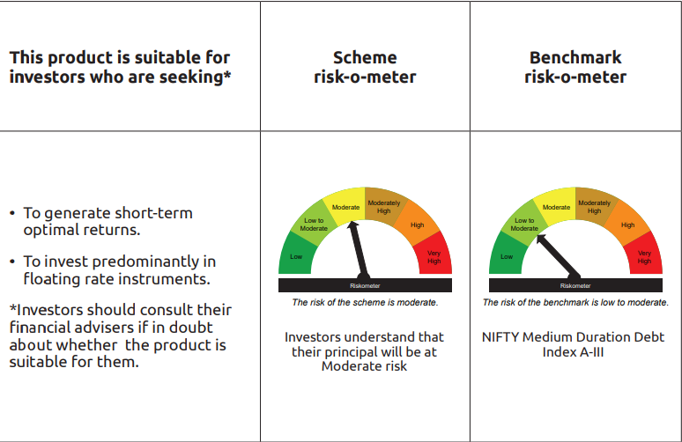
...
Name of the Instrument | ISIN | Industry / Rating | Quantity | Market/Fair Value ( Rs. in Lacs) | % to NAV | YTM
GRAND TOTAL |  |  |  | 29,760.65 | 100.00%

** Thinly Traded/Non Traded Securities/Illiquid Securities

As per the requirement of regulation 43A of SEBI (Mutual Funds) Regulations, 1996, SEBI circular no. SEBI/HO/IMD/PoD2/P/CIR/2023/128 dated July 27, 2023 on framework for Corporate Debt Market Development Fund and SEBI circular no. SEBI/HO/IMD/PoD2 /P/CIR/2023/129 dated July 27, 2023 on investment by mutual fund schemes and Asset Management Companies (AMCs) in units of Corporate Debt Market Development Fund (“CDMDF”), specified open ended debt-oriented schemes of Bandhan Mutual Fund and Bandhan AMC Limited (‘AMC’) shall invest percentage of net assets in the units of the CDMDF.

Bandhan Gilt Fund
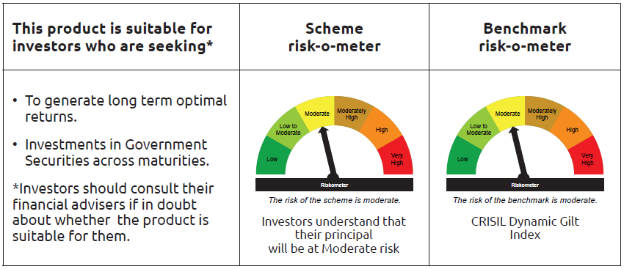
...
Name of the Instrument | ISIN | Industry / Rating | Quantity | Market/Fair Value ( Rs. in Lacs) | % to NAV | YTM
Total |  |  |  | 652.80 | 0.29%
OTHERS
Cash Margin - CCIL |  |  |  | 0.03 | $
Subtotal |  |  |  | 0.03 | $
Net Current Assets |  |  |  | 2,144.61 | 0.95%
GRAND TOTAL |  |  |  | 224,784.26 | 100.00%

$ Less Than 0.01% of NAV

Bandhan Gilt Fund wih 10 year
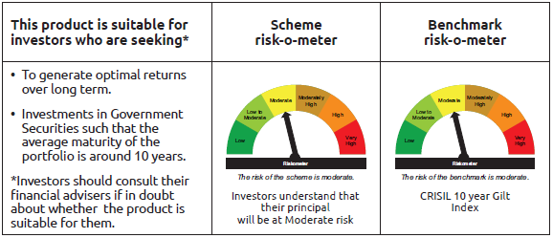
...
Name of the Instrument | ISIN | Industry / Rating | Quantity | Market/Fair Value ( Rs. in Lacs) | % to NAV | YTM
Total |  |  |  | 383.00 | 1.13%
OTHERS
Cash Margin - CCIL |  |  |  | 0.02 | $
Subtotal |  |  |  | 0.02 | $
Net Current Assets |  |  |  | 425.17 | 1.26%
GRAND TOTAL |  |  |  | 33,950.86 | 100.00%

$ Less Than 0.01% of NAV

Bandhan CRISIL IBX April 2026
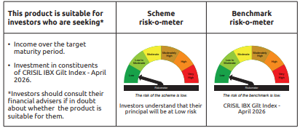
...
Name of the Instrument | ISIN | Industry / Rating | Quantity | Market/Fair Value ( Rs. in Lacs) | % to NAV | YTM
Total |  |  |  | 5,361.60 | 14.62%
OTHERS
Cash Margin - CCIL |  |  |  | 0.02 | $
Subtotal |  |  |  | 0.02 | $
Net Current Assets |  |  |  | 499.99 | 1.35%
GRAND TOTAL |  |  |  | 36,687.80 | 100.00%

$ Less Than 0.01% of NAV

Bandhan CRISIL IBX June 2027
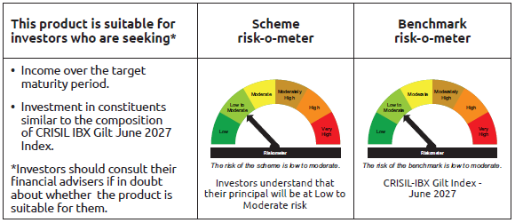
...
Name of the Instrument | ISIN | Industry / Rating | Quantity | Market/Fair Value ( Rs. in Lacs) | % to NAV | YTM
Total |  |  |  | 6,985.06 | 1.13%
OTHERS
Cash Margin - CCIL |  |  |  | 0.54 | $
Subtotal |  |  |  | 0.54 | $
Net Current Assets |  |  |  | 5,078.26 | 0.82%
GRAND TOTAL |  |  |  | 618,605.95 | 100.00%

$ Less Than 0.01% of NAV

Bandhan CRISIL IBX April 2028
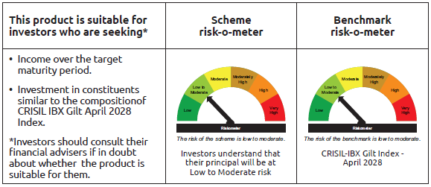
...
Name of the Instrument | ISIN | Industry / Rating | Quantity | Market/Fair Value ( Rs. in Lacs) | % to NAV | YTM
Total |  |  |  | 5,757.16 | 1.37%
OTHERS
Cash Margin - CCIL |  |  |  | 0.19 | $
Subtotal |  |  |  | 0.19 | $
Net Current Assets |  |  |  | 11,462.61 | 2.74%
GRAND TOTAL |  |  |  | 419,231.72 | 100.00%

$ Less Than 0.01% of NAV

BANDHAN CRISIL IBX SDL APR 2032
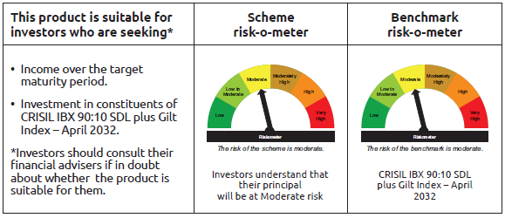
...
Name of the Instrument | ISIN | Industry / Rating | Quantity | Market/Fair Value ( Rs. in Lacs) | % to NAV | YTM
Total |  |  |  | 70.95 | 0.17%
OTHERS
Cash Margin - CCIL |  |  |  | 0.01 | $
Subtotal |  |  |  | 0.01 | $
Net Current Assets |  |  |  | 937.61 | 2.25%
GRAND TOTAL |  |  |  | 41,988.85 | 100.00%

$ Less Than 0.01% of NAV

BANDHAN CRISIL IBX SDL NOV 2026
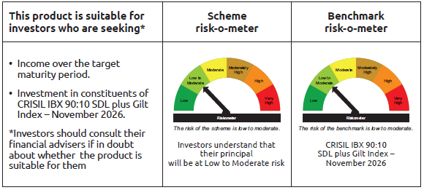
...
Name of the Instrument | ISIN | Industry / Rating | Quantity | Market/Fair Value ( Rs. in Lacs) | % to NAV | YTM
Total |  |  |  | 391.03 | 3.79%
OTHERS
Cash Margin - CCIL |  |  |  | 0.02 | $
Subtotal |  |  |  | 0.02 | $
Net Current Assets |  |  |  | 165.42 | 1.60%
GRAND TOTAL |  |  |  | 10,314.56 | 100.00%

$ Less Than 0.01% of NAV

BANDHAN CRISIL IBX SDL SEP 2027
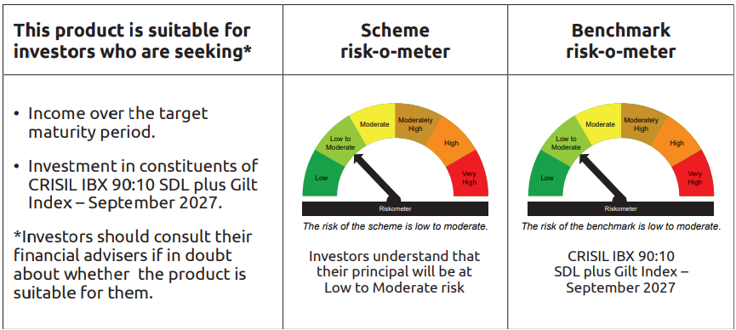
...
Name of the Instrument | ISIN | Industry / Rating | Quantity | Market/Fair Value ( Rs. in Lacs) | % to NAV | YTM
Total |  |  |  | 151.99 | 1.01%
OTHERS
Cash Margin - CCIL |  |  |  | 0.01 | $
Subtotal |  |  |  | 0.01 | $
Net Current Assets |  |  |  | 367.23 | 2.44%
GRAND TOTAL |  |  |  | 15,030.26 | 100.00%

$ Less Than 0.01% of NAV

Bandhan Index April 2032
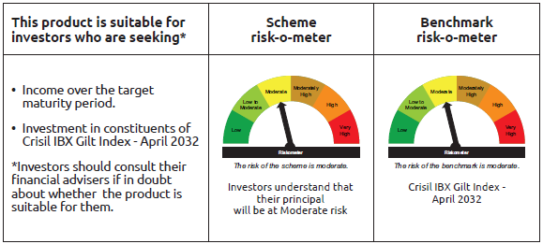
...
Name of the Instrument | ISIN | Industry / Rating | Quantity | Market/Fair Value ( Rs. in Lacs) | % to NAV | YTM
Total |  |  |  | 187.97 | 0.43%
OTHERS
Cash Margin - CCIL |  |  |  | 0.01 | $
Subtotal |  |  |  | 0.01 | $
Net Current Assets |  |  |  | 1,246.69 | 2.84%
GRAND TOTAL |  |  |  | 43,837.29 | 100.00%

$ Less Than 0.01% of NAV

BANDHAN CRISIL IBX SDL DEC 2029
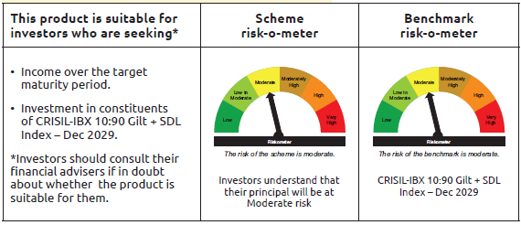
...
Name of the Instrument | ISIN | Industry / Rating | Quantity | Market/Fair Value ( Rs. in Lacs) | % to NAV | YTM
(b) Privately placed / Unlisted |  |  |  | NIL | NIL | NIL
Subtotal |  |  |  | NIL | NIL | NIL
Total |  |  |  | 37.42 | 100.08%
OTHERS
Cash Margin - CCIL |  |  |  | 0.16 | 0.43%
Subtotal |  |  |  | 0.16 | 0.43%
Net Current Assets |  |  |  | (0.19) | -0.51%
GRAND TOTAL |  |  |  | 37.39 | 100.00%

BANDHAN CRISIL IBX Fin Serv3-6M
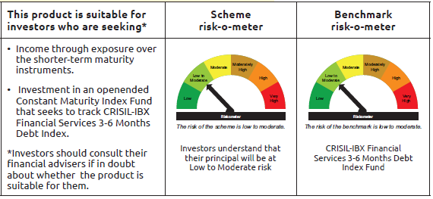
...
Name of the Instrument | ISIN | Industry / Rating | Quantity | Market/Fair Value ( Rs. in Lacs) | % to NAV | YTM
OTHERS
Cash Margin - CCIL |  |  |  | 1.07 | $
Subtotal |  |  |  | 1.07 | $
Net Current Assets |  |  |  | 627.91 | 1.75%
GRAND TOTAL |  |  |  | 35,974.95 | 100.00%

$ Less Than 0.01% of NAV
** Thinly Traded/Non Traded Securities/Illiquid Securities

