BM
Baroda BNP Paribas Mutual Fund | YR52
SCHEME NAME : | Baroda BNP Paribas Money Market Fund
PORTFOLIO STATEMENT AS ON : | 2022-06-30

Name of the Instrument / Issuer | ISIN | Rating / Industry ^ | Quantity | Market value (Rs. in Lakhs) | % to AUM | YTM % | YTC % | Notes & Symbols

EQUITY & EQUITY RELATED

a) Listed/awaiting listing on Stock Exchanges |  |  |  | NIL | NIL

b) Unlisted |  |  |  | NIL | NIL

c) Foreign Securities and /or overseas ETF |  |  |  | NIL | NIL

d) Stock Futures |  |  |  | NIL | NIL

DEBT INSTRUMENTS

a) Listed/awaiting listing on the stock exchanges |  |  |  | NIL | NIL

b) Privately Placed/Unlisted |  |  |  | NIL | NIL

c) Securitised Debt Instruments |  |  |  | NIL | NIL

d) Central Government Securities |  |  |  | NIL | NIL

e) State Government Securities |  |  |  | NIL | NIL

MONEY MARKET INSTRUMENTS

a) Commercial Paper |  |  |  | NIL | NIL

b) Certificate of Deposits |  |  |  | NIL | NIL

c) Treasury Bills |  |  |  | NIL | NIL

d) Bills Re- Discounting |  |  |  | NIL | NIL

OTHERS
a) Mutual Fund Units / Exchange Traded Funds |  |  |  | NIL | NIL

b) Gold |  |  |  | NIL | NIL

c) Short Term Deposits |  |  |  | NIL | NIL

d) Term Deposits Placed as Margins |  |  |  | NIL | NIL

e) TREPS / Reverse Repo Investments
TREPS 01-Jul-2022 |  |  |  | 2,089.68 | 109.74 | 4.71
Total |  |  |  | 2,089.68 | 109.74

Other Current Assets / (Liabilities)
Net Receivable / Payable |  |  |  | (185.41) | (9.74)
Total |  |  |  | (185.41) | (9.74)

GRAND TOTAL (AUM) |  |  |  | 1,904.27 | 100.00

Notes & Symbols :-
# -> Less Than 0.005% ; A** -> Awaiting Listing on Stock Exchanges ; T** -> Thinly Traded Securities ; N** -> Non Traded Securities ; I** -> Illiquid Shares ; R** -> Rights Entitlement ; P** Preference Shares ; W** Warrants ; B** -> Below Investment Grade Security ; PP* -> Partly Paid;S** --> Suspended forTrading
^ -> Industry classification as recommended by AMFI and wherever not available, internal classification has been used.
(1) Non Convertible Debentures and Bonds are considered as Traded based on information provided by external agencies.
(2) ^ The Name of the Industry is in accordance with Industry Classification as recommended by AMFI.
(3) All corporate ratings are assigned by rating agencies like CRISIL; CARE; ICRA; IND; BRW.
(4) The provision made for securities classified as below investment grade or default as of June,30 2022 is Rs Nil and its percentage to Net Asset Value is Nil .
(5) Aggregate value of illiquid shares of the fund amounts to Rs. Nil and their percentage to Net Asset value is Nil.
(6) Plan/option wise per unit Net Asset Value are as follows:
Plan/Option |  | As on May 31, 2022 | As on June,30 2022
Direct Plan - Monthly IDCW Option |  | 1000.0000 | 1000.0000
Direct Plan - Daily IDCW Option |  | 1000.0000 | 1000.0000
Regular Plan - Monthly IDCW Option |  | 1003.6240 | 1003.9628
Direct Plan - Weekly IDCW Option |  | 1000.0000 | 1000.0000
Direct Plan - Growth Option |  | 1132.8706 | 1136.9158
Regular Plan - Growth Option |  | 1123.2455 | 1127.0802
Regular Plan - Daily IDCW Option |  | 1005.9760 | 1005.9765
Regular Plan - Weekly IDCW Option |  | 1000.1572 | 1000.4212

(7) Details of Dividend declared per unit (In Rupees) during the month are as follows |  | Individuals/HUF | Others
Regular Plan - Monthly IDCW Option |  | 3.100000 | 3.100000
Regular Plan - Daily IDCW Option |  | 3.454141 | 3.454141
Regular Plan - Weekly IDCW Option |  | 3.203518 | 3.203518

(8) There were no investments made in derivative instruments and no such derivative instrument was squared off/ expired /exercised during the Month ended June,30 2022. Further there are no investments in derivative instruments as on June,30 2022.
(9) Total Market value of investments in Foreign Securities/American Depositary Receipts/Global Depositary Receipts as at June,30 2022 is Rs. Nil .
(10) The Average Maturity period of the portfolio has been 1 Day .
(11) Details of repo transaction in corporate debt securities for the Month ended June,30 2022 is Nil.
(12) Investments in debt instruments having structured obligations or credit enhancement features as at June,30 2022 is Rs. Nil
(13) Investment in Partly paid Debentures during the Month ended June,30 2022 and as on June,30 2022 is Nil
(14) RATIONALE FOR DEVIATION FROM VALUATION AGENCY PRICE
Rationale for deviation from valuation price provided by the valuation agencies as per SEBI Circular dated 22nd March 2019 and 24th September 2019
During the month there were no cases of deviation from valuation agency price
To view the previous cases of deviation kindly refer the following link:
<<https://www.barodabnpparibasmf.in/statutory-disclosures/update-on-credit-events>>

(15) Transactions in Credit Default Swaps during month ended June,30 2022 : Rs. Nil
(16) With effect from March 14, 2022 the following key events/changes had taken place viz : (i) Merger of Baroda Asset Management India Limited (“Baroda AMC”) into BNP Paribas Asset Management India Private Limited (“BNPP AMC”), proposed to be named as Baroda BNP Paribas Asset Management India Private Limited, subject to ROC approval, with BNPP AMC acting as the asset management company of Baroda BNP Paribas Mutual Fund (erstwhile Baroda Mutual Fund) (the surviving mutual fund),(ii) Merger of BNP Paribas Trustee India Private Limited (“BNPP TC”), into Baroda Trustee India Private Limited (“Baroda TC”), proposed to be named as Baroda BNP Paribas Trustee India Private Limited, subject to ROC approval, with Baroda TC acting as the trustee company of Baroda BNP Paribas Mutual Fund,(iii) Change of trusteeship of the schemes of BNP Paribas Mutual Fund (“BNPP MF”) from BNPP TC to Baroda TC, (iv) Change in control of Baroda AMC and BNPP AMC, the asset management company(ies) of Baroda Mutual Fund and BNP Paribas Mutual Fund, respectively, (v) Merger between certain schemes of BNP Paribas Mutual Fund and Baroda Mutual Fund, and (vi)Change in names and fundamental attributes of certain schemes of BNP Paribas Mutual Fund and Baroda Mutual Fund. SEBI has approved the above changes/events and issued no objection via letter “SEBI vide its letter no. SEBI/HO/IMD/IMD-I DOF5/P/OW/2022/0000002171/1 dated January 17, 2022, SEBI/HO/IMD/IMD-I DOF5/P/OW/2022/0000002307/1 dated January 19, 2022, SEBI/HO/IMD-II/DOF-10/P/OW/3575/1/2022 dated January 28, 2022 and SEBI/HO/IMD-II/DOF-3/P/OW/3593/2022 dated January 28, 2022. Notice cum Addendum no 07/2022 and 04/2022 dated January 30, 2022 were issued by both Baroda Asset Management India Limited and BNP Paribas Asset Management India Private Limited respectively in this regard which is available on our website www.barodabnpparibasmf.in. Investors are requested to kindly visit the website for more details.
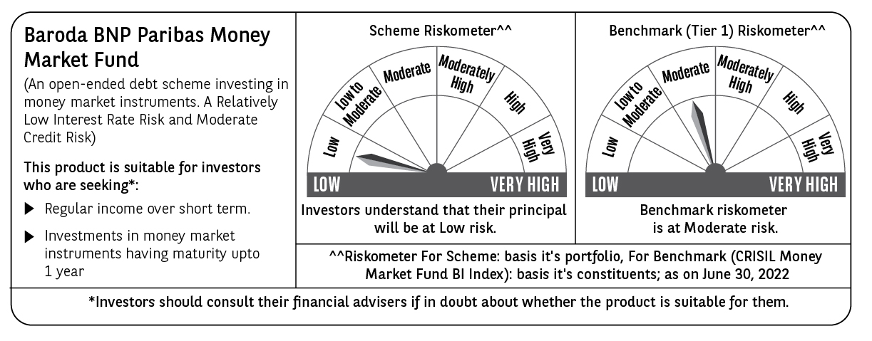

Potential Risk Class (PRC) matrix*
Credit Risk (Max)→ | Relatively Low: Class A (CRV>=12) | Moderate: Class B (CRV>=10) | Relatively High: Class C (CRV<10)
Interest Rate Risk (Max)↓
Relatively Low: Class I (MD<=1 year) |  | B-I
Moderate: Class II
(MD<=3 year)
Relatively High: Class III
(Any MD)
MD=Macaulay Duration, CRV=Credit Risk Value.
*The PRC matrix denotes the maximum risk that the respective Scheme can take i.e. maximum interest rate risk (measured by MD of the Scheme) and maximum credit risk (measured by CRV of the Scheme)

