BS
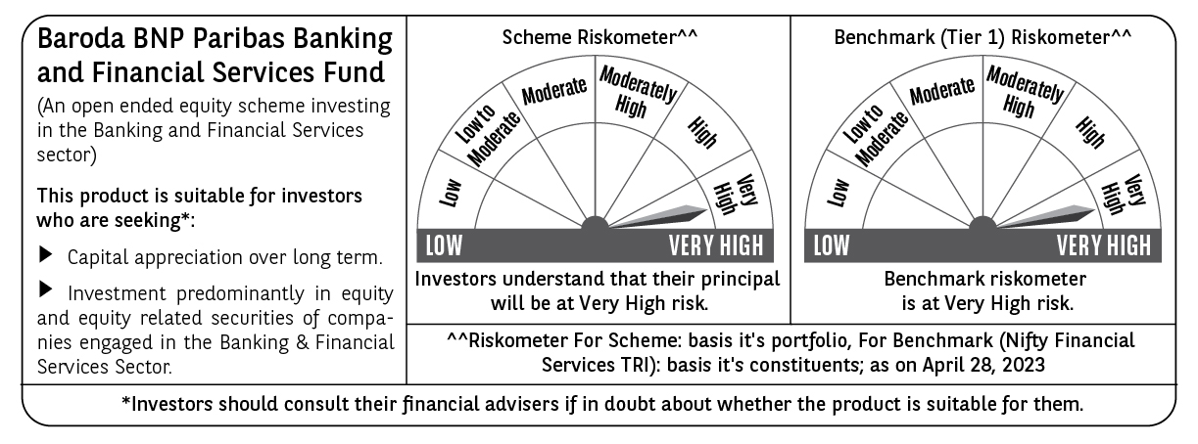
Baroda BNP Paribas Mutual Fund | YR29
SCHEME NAME : | Baroda BNP Paribas Banking & Financial Services Fund
PORTFOLIO STATEMENT AS ON : | 2023-04-30

Name of the Instrument / Issuer | ISIN | Rating / Industry ^ | Quantity | Market value (Rs. in Lakhs) | % to AUM | YTM % $ | YTC % | Notes & Symbols

EQUITY & EQUITY RELATED
a) Listed/awaiting listing on Stock Exchanges
HDFC Bank Ltd. | INE040A01034 | Banks | 103,000 | 1,738.23 | 21.96
ICICI Bank Ltd. | INE090A01021 | Banks | 156,000 | 1,431.53 | 18.08
State Bank of India | INE062A01020 | Banks | 142,500 | 824.08 | 10.41
Axis Bank Ltd. | INE238A01034 | Banks | 60,000 | 516.00 | 6.52
Kotak Mahindra Bank Ltd. | INE237A01028 | Banks | 21,000 | 406.99 | 5.14
Bajaj Finance Ltd. | INE296A01024 | Finance | 5,400 | 339.13 | 4.28
IndusInd Bank Ltd. | INE095A01012 | Banks | 22,500 | 259.38 | 3.28
The Federal Bank Ltd. | INE171A01029 | Banks | 180,000 | 242.91 | 3.07
Housing Development Finance Corporation Ltd. | INE001A01036 | Finance | 8,500 | 235.93 | 2.98
Karur Vysya Bank Ltd. | INE036D01028 | Banks | 195,000 | 190.71 | 2.41
Can Fin Homes Ltd. | INE477A01020 | Finance | 30,000 | 185.01 | 2.34
Five Star Business Finance Ltd. | INE128S01021 | Finance | 31,080 | 160.06 | 2.02
Indian Energy Exchange Ltd. | INE022Q01020 | Capital Markets | 100,000 | 156.55 | 1.98
Muthoot Finance Ltd. | INE414G01012 | Finance | 15,000 | 153.11 | 1.93
PNB Housing Finance Ltd. | INE572E01012 | Finance | 33,000 | 147.15 | 1.86
SBI Life Insurance Co. Ltd. | INE123W01016 | Insurance | 11,500 | 131.11 | 1.66
ICICI Lombard General Insurance Company Ltd. | INE765G01017 | Insurance | 11,000 | 118.71 | 1.50
Cholamandalam Investment & Finance Co. Ltd. | INE121A01024 | Finance | 12,500 | 108.89 | 1.38
Bandhan Bank Ltd. | INE545U01014 | Banks | 40,000 | 91.72 | 1.16
Equitas Small Finance Bank Ltd. | INE063P01018 | Banks | 110,000 | 75.85 | 0.96
Housing Development Finance Corporation Ltd. | INE001A13049 | Finance | 9,600 | 57.91 | 0.73 |  |  | W**
Total |  |  |  | 7,570.96 | 95.65

b) Unlisted |  |  |  | NIL | NIL

c) Foreign Securities and /or overseas ETF |  |  |  | NIL | NIL

DEBT INSTRUMENTS

a) Listed/awaiting listing on the stock exchanges |  |  |  | NIL | NIL

b) Privately Placed/Unlisted |  |  |  | NIL | NIL

c) Securitised Debt Instruments |  |  |  | NIL | NIL

d) Central Government Securities |  |  |  | NIL | NIL

e) State Government Securities |  |  |  | NIL | NIL

MONEY MARKET INSTRUMENTS
a) Commercial Paper |  |  |  | NIL | NIL

b) Certificate of Deposits |  |  |  | NIL | NIL

c) Treasury Bills (Placed as Margin)
182 DAY T-BILL 31-Aug-2023 | IN002022Y492 | Sovereign | 50,000 | 48.87 | 0.62 | 6.90
Total |  |  |  | 48.87 | 0.62

d) Bills Re- Discounting |  |  |  | NIL | NIL

OTHERS
a) Mutual Fund Units / Exchange Traded Funds |  |  |  | NIL | NIL

b) Gold |  |  |  | NIL | NIL

c) Short Term Deposits |  |  |  | NIL | NIL

d) Term Deposits Placed as Margins |  |  |  | NIL | NIL

e) TREPS / Reverse Repo Investments
TREPS 02-May-2023 |  |  |  | 264.13 | 3.34 | 6.76
Total |  |  |  | 264.13 | 3.34

Other Current Assets / (Liabilities)
Net Receivable / Payable |  |  |  | 33.20 | 0.39
Total |  |  |  | 33.20 | 0.39

GRAND TOTAL (AUM) |  |  |  | 7,917.16 | 100.00

Notes & Symbols :-
# -> Less Than 0.005% ; A** -> Awaiting Listing on Stock Exchanges ; T** -> Thinly Traded Securities ; N** -> Non Traded Securities ; I** -> Illiquid Shares ; R** -> Rights Entitlement ; P** Preference Shares ; W** Warrants ; B** -> Below Investment Grade Security ; PP* -> Partly Paid;S** --> Suspended forTrading.
^ -> Industry classification as recommended by AMFI and wherever not available, internal classification has been used.
(1) Non Convertible Debentures and Bonds are considered as Traded based on information provided by external agencies.
(2) ^ The Name of the Industry is in accordance with Industry Classification as recommended by AMFI.
(3) $ Yield based on aggregated yields as per Crisil's and ICRA's SLV price feeds and TREPS yield as per the trade.
(4) All corporate ratings are assigned by rating agencies like CRISIL; CARE; ICRA; IND; BRW.
(5) The provision made for securities classified as below investment grade or default as of April 30, 2023 is Rs Nil and its percentage to Net Asset Value is Nil .
(6) Aggregate value of illiquid shares of the fund amounts to Rs. Nil and their percentage to Net Asset value is Nil.
(7) Plan/option wise per unit Net Asset Value are as follows:
Plan/Option |  | As on March 31, 2023 | As on April 28, 2023
Regular Plan - IDCW Option |  | 16.0661 | 16.9390
Regular Plan - Growth Option |  | 29.7942 | 31.4130
Direct Plan - IDCW Option |  | 17.8093 | 18.7901
Direct Plan - Growth Option |  | 32.3256 | 34.1059

(8) No Dividend declared during the Month ended April 30, 2023

(9) There were no investments made in derivative instruments and no such derivative instrument was squared off/ expired /exercised during the Month ended April 30, 2023. Further there are no investments in derivative instruments as on April 30, 2023.
(10) Total Market value of investments in Foreign Securities/American Depositary Receipts/Global Depositary Receipts as at April 30, 2023 is Rs. Nil.
(11) During the period, the portfolio turnover ratio is 0.06 times.
(12) Details of repo transaction in corporate debt securities for the Month ended April 30, 2023 is Nil.
(13) Investments in debt instruments having structured obligations or credit enhancement features as at April 30, 2023 is Rs. Nil.
(14) Investment in Partly paid Debentures during the Month ended April 30, 2023 and as on April 30, 2023 is Rs. Nil.
(15) RATIONALE FOR DEVIATION FROM VALUATION AGENCY PRICE
Rationale for deviation from valuation price provided by the valuation agencies as per SEBI Circular dated 22nd March 2019 and 24th September 2019
during the month there were no cases of deviation from valuation agency price
To view the previous cases of deviation kindly refer the following link:
<<https://www.barodabnpparibasmf.in/statutory-disclosures/update-on-credit-events>>
(16) Transactions in Credit Default Swaps during Month ended April 30, 2023 : Rs. Nil

