CB
Baroda BNP Paribas Mutual Fund | T0MD13
SCHEME NAME : | Baroda BNP Paribas Corporate Bond Fund
PORTFOLIO STATEMENT AS ON : | 2023-04-30

Name of the Instrument / Issuer | ISIN | Rating / Industry ^ | Quantity | Market value (Rs. in Lakhs) | % to AUM | YTM % $ | YTC % | Notes & Symbols

EQUITY & EQUITY RELATED

a) Listed/awaiting listing on Stock Exchanges |  |  |  | NIL | NIL

b) Unlisted |  |  |  | NIL | NIL

c) Foreign Securities and /or overseas ETF |  |  |  | NIL | NIL

DEBT INSTRUMENTS
a) Listed/awaiting listing on the stock exchanges
8.30% Tata Capital Financial Services Ltd. 13-Mar-2026 | INE306N07NL3 | [ICRA]AAA | 1,130 | 1,138.84 | 8.15 | 7.97 |  | N**
7.65% Indian Railway Finance Corporation Ltd. 30-Dec-2032 | INE053F08221 | CRISIL AAA | 110 | 1,116.34 | 7.99 | 7.43 |  | N**
8.25% Export-Import Bank of India 23-Jun-2031 | INE514E08FE0 | CRISIL AAA | 100 | 1,050.59 | 7.52 | 7.40 |  | N**
7.70% Power Finance Corporation Ltd. 15-Apr-2033 | INE134E08MI4 | CRISIL AAA | 1,000 | 1,014.23 | 7.26 | 7.49 |  | N**
7.52% Power Grid Corporation of India Ltd. 23-Mar-2033 | INE752E08684 | CRISIL AAA | 1,000 | 1,010.98 | 7.24 | 7.56 |  | N**
8.31% Sundaram Home Finance Ltd. 20-Mar-2026 | INE667F07IK6 | [ICRA]AAA | 1,000 | 1,007.40 | 7.21 | 8.00 |  | N**
7.54% Hindustan Petroleum Corporation Ltd. 15-Apr-2033 | INE094A08143 | CRISIL AAA | 100 | 1,006.70 | 7.21 | 7.44 |  | N**
7.34% GAIL (India) Ltd. 20-Dec-2027 | INE129A08014 | IND AAA | 100 | 1,000.74 | 7.16 | 7.34 |  | N**
8.03% LIC Housing Finance Ltd. 23-Mar-2033 | INE115A07QH6 | CRISIL AAA | 80 | 812.14 | 5.81 | 7.80 |  | N**
7.80% Housing Development Finance Corporation Ltd. 06-Sep-2032 | INE001A07TP5 | CRISIL AAA | 80 | 800.76 | 5.73 | 7.78 |  | N**
7.64% Food Corporation of India 12-Dec-2029 | INE861G08050 | CRISIL AAA(CE) | 20 | 201.39 | 1.44 | 7.49
8.37% National Highways Authority of India 20-Jan-2029 | INE906B07GN5 | CRISIL AAA | 15 | 157.24 | 1.13 | 7.30
7.64% Hindustan Petroleum Corporation Ltd. 04-Nov-2027 | INE094A08135 | CRISIL AAA | 15 | 151.56 | 1.08 | 7.34 |  | N**
6.11% Bharat Petroleum Corporation Ltd. 04-Jul-2025 | INE029A08065 | CRISIL AAA | 15 | 146.62 | 1.05 | 7.25 |  | N**
7.20% Export-Import Bank of India 05-Jun-2025 | INE514E08FY8 | CRISIL AAA | 13 | 129.92 | 0.93 | 7.22 |  | N**
8.70% Bharti Telecom Ltd. 21-Nov-2024 | INE403D08116 | CRISIL AA+ | 10 | 100.46 | 0.72 | 8.31 |  | N**
Total |  |  |  | 10,845.91 | 77.63

b) Privately Placed/Unlisted |  |  |  | NIL | NIL

c) Securitised Debt Instruments |  |  |  | NIL | NIL

d) Central Government Securities
7.10% Government of India 18-Apr-2029 | IN0020220011 | Sovereign | 1,500,000 | 1,502.77 | 10.76 | 7.19
5.22% Government of India 15-Jun-2025 | IN0020200112 | Sovereign | 10,000 | 9.67 | 0.07 | 7.01
Total |  |  |  | 1,512.44 | 10.83

e) State Government Securities
7.76% State Government of Karnataka 13-Dec-2027 | IN1920170116 | Sovereign | 800,000 | 814.27 | 5.83 | 7.43
8.08% State Government of Tamil Nadu 26-Dec-2028 | IN3120180200 | Sovereign | 250,000 | 258.00 | 1.85 | 7.51
Total |  |  |  | 1,072.27 | 7.68

MONEY MARKET INSTRUMENTS

a) Commercial Paper |  |  |  | NIL | NIL

b) Certificate of Deposits |  |  |  | NIL | NIL

c) Treasury Bills |  |  |  | NIL | NIL

d) Bills Re- Discounting |  |  |  | NIL | NIL

OTHERS
a) Mutual Fund Units / Exchange Traded Funds |  |  |  | NIL | NIL

b) Gold |  |  |  | NIL | NIL

c) Short Term Deposits |  |  |  | NIL | NIL

d) Term Deposits Placed as Margins |  |  |  | NIL | NIL

e) TREPS / Reverse Repo Investments
TREPS 02-May-2023 |  |  |  | 432.67 | 3.10 | 6.76
Total |  |  |  | 432.67 | 3.10

Other Current Assets / (Liabilities)
Net Receivable / Payable |  |  |  | 106.74 | 0.76
Total |  |  |  | 106.74 | 0.76

GRAND TOTAL (AUM) |  |  |  | 13,970.03 | 100.00

Notes & Symbols :-
# -> Less Than 0.005% ; A** -> Awaiting Listing on Stock Exchanges ; T** -> Thinly Traded Securities ; N** -> Non Traded Securities ; I** -> Illiquid Shares ; R** -> Rights Entitlement ; P** Preference Shares ; W** Warrants ; B** -> Below Investment Grade Security ; PP* -> Partly Paid;S** --> Suspended forTrading.
^ -> Industry classification as recommended by AMFI and wherever not available, internal classification has been used.
(1) Non Convertible Debentures and Bonds are considered as Traded based on information provided by external agencies.
(2) ^ The Name of the Industry is in accordance with Industry Classification as recommended by AMFI.
(3) $ Yield based on aggregated yields as per Crisil's and ICRA's SLV price feeds and TREPS yield as per the trade.
(4) All corporate ratings are assigned by rating agencies like CRISIL; CARE; ICRA; IND; BRW.
(5) The provision made for securities classified as below investment grade or default as of April 30, 2023 is Rs Nil and its percentage to Net Asset Value is Nil .
(6) Aggregate value of illiquid shares of the fund amounts to Rs. Nil and their percentage to Net Asset value is Nil.
(7) Plan/option wise per unit Net Asset Value are as follows:
Plan/Option |  | As on March 31, 2023 | As on April 28, 2023
Regular Plan - Growth Option |  | 22.9432 | 23.2336
Regular Plan - Monthly IDCW Option |  | 10.0964 | 10.1744
Regular Plan - Quarterly IDCW Option |  | 10.1345 | 10.2628
Defunct Plan - Growth Option |  | 26.5521 | 26.8882
Defunct Plan - Monthly IDCW Option |  | 10.0653 | 10.1426
Defunct Plan - Quarterly IDCW Option |  | 10.0587 | 10.1860
Defunct Plan - Annual IDCW Option |  | 10.2730 | 10.4030
Regular Plan - Annual IDCW Option |  | 10.2114 | 10.3407
Direct Plan - Growth Option |  | 24.1941 | 24.5072
Direct Plan - Monthly IDCW Option |  | 10.1360 | 10.2174
Direct Plan - Quarterly IDCW Option |  | 10.2370 | 10.3695
Direct Plan - Annual IDCW Option |  | 10.4289 | 10.5638

(8) Details of Dividend declared per unit (In Rupees) during the month are as follows |  | Individuals/HUF | Others
Regular Plan - Monthly IDCW Option |  | 0.0500 | 0.0500
Defunct Plan - Monthly IDCW Option |  | 0.0500 | 0.0500
Direct Plan - Monthly IDCW Option |  | 0.0500 | 0.0500

(9) There were no investments made in derivative instruments and no such derivative instrument was squared off/ expired /exercised during the Month ended April 30, 2023. Further there are no investments in derivative instruments as on April 30, 2023.
(10) Total Market value of investments in Foreign Securities/American Depositary Receipts/Global Depositary Receipts as at April 30, 2023 is Rs. Nil.
(11) The Average Maturity period of the portfolio has been 2450 days.
(12) Details of repo transaction in corporate debt securities for the Month ended April 30, 2023 is Nil.
(13) Investments in debt instruments having structured obligations or credit enhancement features as at April 30, 2023 is Rs. 201.39 Lacs.
(14) Investment in Partly paid Debentures during the Month ended April 30, 2023 and as on April 30, 2023 is Rs. Nil.
(15) RATIONALE FOR DEVIATION FROM VALUATION AGENCY PRICE
Rationale for deviation from valuation price provided by the valuation agencies as per SEBI Circular dated 22nd March 2019 and 24th September 2019
during the month there were no cases of deviation from valuation agency price
To view the previous cases of deviation kindly refer the following link:
<<https://www.barodabnpparibasmf.in/statutory-disclosures/update-on-credit-events>>
(16) Transactions in Credit Default Swaps during Month ended April 30, 2023 : Rs. Nil
(17) Macaulay Duration of the portfolio has been 1866 days.
(18) Annualised Portfolio YTM has been 7.5117.
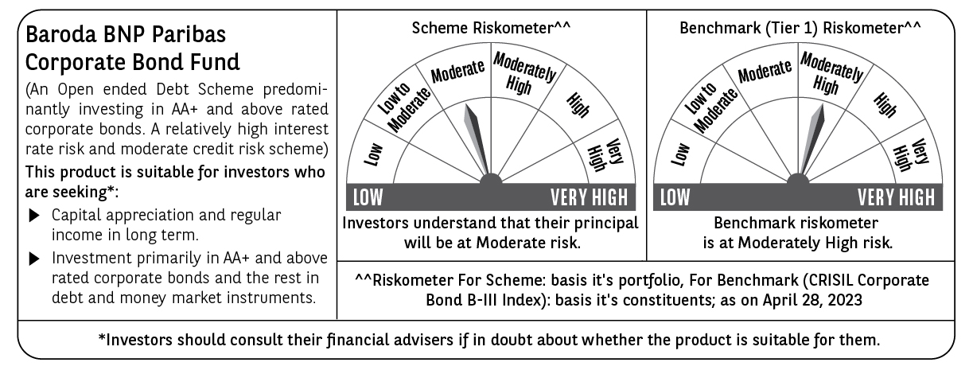

Potential Risk Class (PRC) matrix*
Credit Risk (Max)→ | Relatively Low: Class A (CRV>=12) | Moderate: Class B (CRV>=10) | Relatively High: Class C (CRV<10)
Interest Rate Risk (Max)↓
Relatively Low: Class I (MD<=1 year)
Moderate: Class II
(MD<=3 year)
Relatively High: Class III |  | B-III
(Any MD)
MD=Macaulay Duration, CRV=Credit Risk Value.
*The PRC matrix denotes the maximum risk that the respective Scheme can take i.e. maximum interest rate risk (measured by MD of the Scheme) and maximum credit risk (measured by CRV of the Scheme)

