GF
Baroda BNP Paribas Mutual Fund | YR07
SCHEME NAME : | Baroda BNP Paribas Gilt Fund
PORTFOLIO STATEMENT AS ON : | 2023-04-30

Name of the Instrument / Issuer | ISIN | Rating / Industry ^ | Quantity | Market value (Rs. in Lakhs) | % to AUM | YTM % $ | YTC % | Notes & Symbols

EQUITY & EQUITY RELATED

a) Listed/awaiting listing on Stock Exchanges |  |  |  | NIL | NIL

b) Unlisted |  |  |  | NIL | NIL

c) Foreign Securities and /or overseas ETF |  |  |  | NIL | NIL

DEBT INSTRUMENTS
a) Listed/awaiting listing on the stock exchanges |  |  |  | NIL | NIL

b) Privately Placed/Unlisted |  |  |  | NIL | NIL

c) Securitised Debt Instruments |  |  |  | NIL | NIL

d) Central Government Securities
7.26% Government of India 22-Aug-2032 | IN0020220060 | Sovereign | 37,100,000 | 37,356.77 | 46.74 | 7.28
7.26% Government of India 06-Feb-2033 | IN0020220151 | Sovereign | 11,000,000 | 11,108.67 | 13.90 | 7.24
7.88% Government of India 19-Mar-2030 | IN0020150028 | Sovereign | 5,900 | 6.14 | 0.01 | 7.26
Total |  |  |  | 48,471.58 | 60.65

e) State Government Securities
7.76% State Government of Himachal Pradesh 23-Mar-2033 | IN1720220210 | Sovereign | 5,500,000 | 5,603.49 | 7.01 | 7.63
7.79% State Government of Uttar Pradesh 29-Mar-2033 | IN3320220186 | Sovereign | 5,000,000 | 5,113.64 | 6.40 | 7.60
7.70% State Government of Maharashtra 25-May-2032 | IN2220220064 | Sovereign | 5,000,000 | 5,086.66 | 6.36 | 7.57
6.91% State Government of Maharashtra 15-Sep-2033 | IN2220210248 | Sovereign | 4,400,000 | 4,238.78 | 5.30 | 7.56
7.74% State Government of Maharashtra 01-Mar-2033 | IN2220220189 | Sovereign | 2,500,000 | 2,551.09 | 3.19 | 7.58
7.71% State Government of Gujarat 08-Mar-2034 | IN1520220279 | Sovereign | 1,500,000 | 1,526.18 | 1.91 | 7.61
7.70% State Government of Maharashtra 08-Mar-2033 | IN2220220205 | Sovereign | 1,000,000 | 1,017.72 | 1.27 | 7.58
7.72% State Government of Maharashtra 01-Mar-2031 | IN2220220171 | Sovereign | 1,000,000 | 1,017.52 | 1.27 | 7.56
7.64% State Government of Maharashtra 25-Jan-2033 | IN2220220163 | Sovereign | 1,000,000 | 1,013.44 | 1.27 | 7.58
7.65% State Government of Tamil Nadu 25-Jan-2033 | IN3120220279 | Sovereign | 1,000,000 | 1,012.67 | 1.27 | 7.60
7.18% State Government of Karnataka 05-Jan-2033 | IN1920210227 | Sovereign | 500,000 | 490.52 | 0.61 | 7.60
7.68% State Government of Gujarat 15-Mar-2033 | IN1520220287 | Sovereign | 400,000 | 405.41 | 0.51 | 7.62
7.85% State Government of Bihar 27-Oct-2032 | IN1320220107 | Sovereign | 300,000 | 307.34 | 0.38 | 7.63
8.05% State Government of Rajasthan 27-Jul-2037 | IN2920220109 | Sovereign | 40,800 | 42.77 | 0.05 | 7.63
Total |  |  |  | 29,427.23 | 36.80

MONEY MARKET INSTRUMENTS

a) Commercial Paper |  |  |  | NIL | NIL

b) Certificate of Deposits |  |  |  | NIL | NIL

c) Treasury Bills |  |  |  | NIL | NIL

d) Bills Re- Discounting |  |  |  | NIL | NIL

OTHERS
a) Mutual Fund Units / Exchange Traded Funds |  |  |  | NIL | NIL

b) Gold |  |  |  | NIL | NIL

c) Short Term Deposits |  |  |  | NIL | NIL

d) Term Deposits Placed as Margins |  |  |  | NIL | NIL

e) TREPS / Reverse Repo Investments
TREPS 02-May-2023 |  |  |  | 761.91 | 0.95 | 6.76
Total |  |  |  | 761.91 | 0.95

Other Current Assets / (Liabilities)
Net Receivable / Payable |  |  |  | 1,257.16 | 1.60
Total |  |  |  | 1,257.16 | 1.60

GRAND TOTAL (AUM) |  |  |  | 79,917.88 | 100.00

Notes & Symbols :-
# -> Less Than 0.005% ; A** -> Awaiting Listing on Stock Exchanges ; T** -> Thinly Traded Securities ; N** -> Non Traded Securities ; I** -> Illiquid Shares ; R** -> Rights Entitlement ; P** Preference Shares ; W** Warrants ; B** -> Below Investment Grade Security ; PP* -> Partly Paid;S** --> Suspended forTrading.
^ -> Industry classification as recommended by AMFI and wherever not available, internal classification has been used.
(1) Non Convertible Debentures and Bonds are considered as Traded based on information provided by external agencies.
(2) ^ The Name of the Industry is in accordance with Industry Classification as recommended by AMFI.
(3) $ Yield based on aggregated yields as per Crisil's and ICRA's SLV price feeds and TREPS yield as per the trade.
(4) All corporate ratings are assigned by rating agencies like CRISIL; CARE; ICRA; IND; BRW.
(5) The provision made for securities classified as below investment grade or default as of April 30, 2023 is Rs Nil and its percentage to Net Asset Value is Nil .
(6) Aggregate value of illiquid shares of the fund amounts to Rs. Nil and their percentage to Net Asset value is Nil.
(7) Plan/option wise per unit Net Asset Value are as follows:
Plan/Option |  | As on March 31, 2023 | As on April 28, 2023
Regular Plan - IDCW Option |  | 22.5070 | 22.8677
Regular Plan - Growth Option |  | 35.2767 | 35.8420
Direct Plan - IDCW Option |  | 30.3302 | 30.8237
Direct Plan - Growth Option |  | 38.4366 | 39.0619

(8) No Dividend declared during the Month ended April 30, 2023

(9) There were no investments made in derivative instruments and no such derivative instrument was squared off/ expired /exercised during the Month ended April 30, 2023. Further there are no investments in derivative instruments as on April 30, 2023.
(10) Total Market value of investments in Foreign Securities/American Depositary Receipts/Global Depositary Receipts as at April 30, 2023 is Rs. Nil.
(11) The Average Maturity period of the portfolio has been 3403 days.
(12) Details of repo transaction in corporate debt securities for the Month ended April 30, 2023 is Nil.
(13) Investments in debt instruments having structured obligations or credit enhancement features as at April 30, 2023 is Rs. Nil.
(14) Investment in Partly paid Debentures during the Month ended April 30, 2023 and as on April 30, 2023 is Rs. Nil.
(15) RATIONALE FOR DEVIATION FROM VALUATION AGENCY PRICE
Rationale for deviation from valuation price provided by the valuation agencies as per SEBI Circular dated 22nd March 2019 and 24th September 2019
during the month there were no cases of deviation from valuation agency price
To view the previous cases of deviation kindly refer the following link:
<<https://www.barodabnpparibasmf.in/statutory-disclosures/update-on-credit-events>>
(16) Transactions in Credit Default Swaps during Month ended April 30, 2023 : Rs. Nil
(17) Macaulay Duration of the portfolio has been 2465 days.
(18) Annualised Portfolio YTM has been 7.3761.
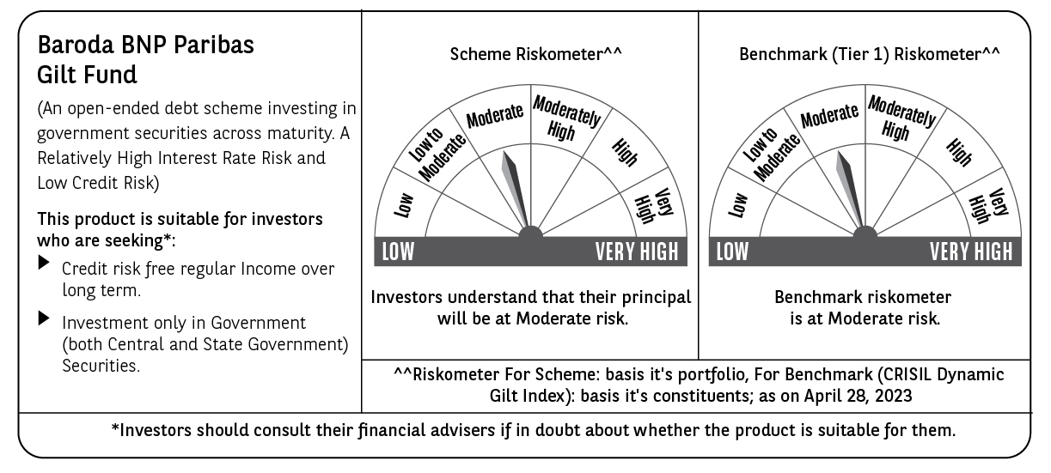

Potential Risk Class (PRC) matrix*
Credit Risk (Max)→ | Relatively Low: Class A (CRV>=12) | Moderate: Class B (CRV>=10) | Relatively High: Class C (CRV<10)
Interest Rate Risk (Max)↓
Relatively Low: Class I (MD<=1 year)
Moderate: Class II
(MD<=3 year)
Relatively High: Class III | A-III
(Any MD)
MD=Macaulay Duration, CRV=Credit Risk Value.
*The PRC matrix denotes the maximum risk that the respective Scheme can take i.e. maximum interest rate risk (measured by MD of the Scheme) and maximum credit risk (measured by CRV of the Scheme)

