Monthly Portfolio
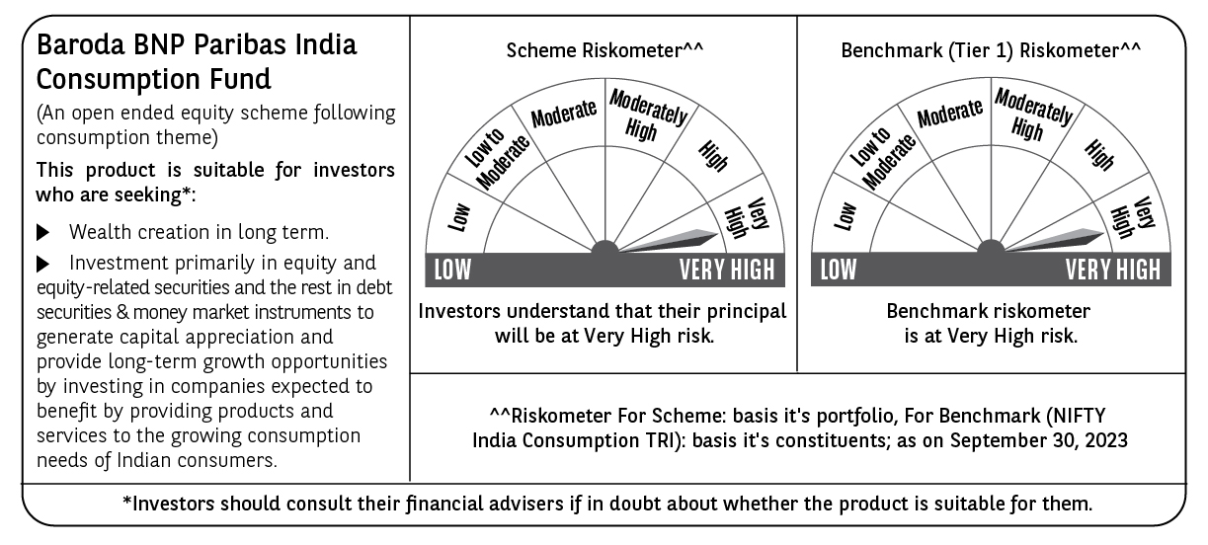
 | Baroda BNP Paribas Mutual Fund | T0ME21
 | SCHEME NAME : | Baroda BNP Paribas India Consumption Fund
 | PORTFOLIO STATEMENT AS ON : | 2023-09-30

 | Name of the Instrument / Issuer | ISIN | Rating / Industry ^ | Quantity | Market value (Rs. in Lakhs) | % to AUM | YTM % $ | YTC % | Notes & Symbols

 | EQUITY & EQUITY RELATED
 | a) Listed/awaiting listing on Stock Exchanges
100106 | Maruti Suzuki India Ltd. | INE585B01010 | Automobiles | 65,000 | 6,896.89 | 6.50
100019 | ITC Ltd. | INE154A01025 | Diversified FMCG | 1,500,000 | 6,666.00 | 6.28
100095 | Bharti Airtel Ltd. | INE397D01024 | Telecom - Services | 700,000 | 6,484.80 | 6.11
100081 | Titan Company Ltd. | INE280A01028 | Consumer Durables | 180,000 | 5,667.84 | 5.34
100050 | Trent Ltd. | INE849A01020 | Retailing | 250,000 | 5,200.38 | 4.90
100025 | Nestle India Ltd. | INE239A01016 | Food Products | 22,500 | 5,064.05 | 4.77
100099 | Hindustan Unilever Ltd. | INE030A01027 | Diversified FMCG | 200,000 | 4,931.20 | 4.65
100173 | Asian Paints Ltd. | INE021A01026 | Consumer Durables | 135,000 | 4,267.42 | 4.02
100014 | Mahindra & Mahindra Ltd. | INE101A01026 | Automobiles | 270,000 | 4,196.48 | 3.95
100280 | TVS Motor Company Ltd. | INE494B01023 | Automobiles | 270,000 | 4,108.86 | 3.87
100421 | Dabur India Ltd. | INE016A01026 | Personal Products | 475,000 | 2,620.10 | 2.47
100519 | Westlife Foodworld Ltd. | INE274F01020 | Leisure Services | 270,000 | 2,524.10 | 2.38
100363 | Procter & Gamble Hygiene and Health Care Ltd. | INE179A01014 | Personal Products | 13,000 | 2,333.82 | 2.20
101313 | Zomato Ltd. | INE758T01015 | Retailing | 2,120,000 | 2,151.80 | 2.03
100138 | PVR Inox Ltd. | INE191H01014 | Entertainment | 120,000 | 2,060.34 | 1.94
100222 | The Indian Hotels Company Ltd. | INE053A01029 | Leisure Services | 500,000 | 2,055.50 | 1.94
100020 | Tata Consumer Products Ltd. | INE192A01025 | Agricultural Food & other Products | 200,000 | 1,753.80 | 1.65
100830 | Varun Beverages Ltd. | INE200M01021 | Beverages | 180,000 | 1,702.26 | 1.60
100505 | ICICI Prudential Life Insurance Company Ltd. | INE726G01019 | Insurance | 300,000 | 1,698.60 | 1.60
101433 | Metro Brands Ltd. | INE317I01021 | Consumer Durables | 150,000 | 1,689.38 | 1.59
100179 | Hero MotoCorp Ltd. | INE158A01026 | Automobiles | 55,000 | 1,681.49 | 1.58
100126 | Britannia Industries Ltd. | INE216A01030 | Food Products | 35,000 | 1,588.00 | 1.50
100902 | Jtekt India Ltd. | INE643A01035 | Auto Components | 1,063,670 | 1,567.85 | 1.48
101213 | Mrs. Bectors Food Specialities Ltd. | INE495P01012 | Food Products | 150,000 | 1,564.05 | 1.47
100154 | Colgate Palmolive (India) Ltd. | INE259A01022 | Personal Products | 75,000 | 1,504.16 | 1.42
100706 | HDFC Life Insurance Company Ltd. | INE795G01014 | Insurance | 230,000 | 1,466.02 | 1.38
100012 | ICICI Bank Ltd. | INE090A01021 | Banks | 150,000 | 1,427.85 | 1.35
100105 | Marico Ltd. | INE196A01026 | Agricultural Food & other Products | 250,000 | 1,404.13 | 1.32
100047 | Emami Ltd. | INE548C01032 | Personal Products | 250,000 | 1,346.13 | 1.27
100814 | HDFC Asset Management Co. Ltd. | INE127D01025 | Capital Markets | 50,000 | 1,323.73 | 1.25
100223 | United Spirits Ltd. | INE854D01024 | Beverages | 120,000 | 1,208.70 | 1.14
100125 | Bajaj Finance Ltd. | INE296A01024 | Finance | 15,000 | 1,171.61 | 1.10
100821 | TTK Prestige Ltd. | INE690A01028 | Consumer Durables | 149,024 | 1,167.16 | 1.10
100086 | Bata India Ltd. | INE176A01028 | Consumer Durables | 70,000 | 1,125.88 | 1.06
100335 | Kajaria Ceramics Ltd. | INE217B01036 | Consumer Durables | 85,000 | 1,123.79 | 1.06
100227 | Jubilant Foodworks Ltd. | INE797F01020 | Leisure Services | 210,000 | 1,119.51 | 1.05
100068 | Kansai Nerolac Paints Ltd. | INE531A01024 | Consumer Durables | 352,500 | 1,119.01 | 1.05
100128 | Eicher Motors Ltd. | INE066A01021 | Automobiles | 32,000 | 1,103.02 | 1.04
100289 | Shoppers Stop Ltd. | INE498B01024 | Retailing | 160,000 | 1,096.48 | 1.03
100022 | The Phoenix Mills Ltd. | INE211B01039 | Realty | 60,000 | 1,088.61 | 1.03
100119 | Tata Motors Ltd. | INE155A01022 | Automobiles | 170,000 | 1,071.34 | 1.01
100039 | Bajaj Auto Ltd. | INE917I01010 | Automobiles | 21,000 | 1,063.38 | 1.00
100157 | Godrej Consumer Products Ltd. | INE102D01028 | Personal Products | 100,000 | 991.60 | 0.93
 | Total |  |  |  | 103,397.12 | 97.41

 | b) Unlisted |  |  |  | NIL | NIL

 | c) Foreign Securities and /or overseas ETF |  |  |  | NIL | NIL

 | e) Index Futures |  |  |  | NIL | NIL

 | DEBT INSTRUMENTS

 | a) Listed/awaiting listing on the stock exchanges |  |  |  | NIL | NIL

 | b) Privately Placed/Unlisted |  |  |  | NIL | NIL

 | c) Securitised Debt Instruments |  |  |  | NIL | NIL

 | d) Central Government Securities |  |  |  | NIL | NIL

 | e) State Government Securities |  |  |  | NIL | NIL

 | MONEY MARKET INSTRUMENTS
 | a) Commercial Paper |  |  |  | NIL | NIL

 | b) Certificate of Deposits |  |  |  | NIL | NIL

 | c) Treasury Bills (Placed as Margin)
1800940 | 364 DAY T-BILL 21-Dec-2023 | IN002022Z382 | Sovereign | 900,000 | 886.68 | 0.84 | 6.77
 | Total |  |  |  | 886.68 | 0.84

 | d) Bills Re- Discounting |  |  |  | NIL | NIL

 | OTHERS
 | a) Mutual Fund Units / Exchange Traded Funds |  |  |  | NIL | NIL

 | b) Gold |  |  |  | NIL | NIL

 | c) Short Term Deposits |  |  |  | NIL | NIL

 | d) Term Deposits Placed as Margins |  |  |  | NIL | NIL

 | e) TREPS / Reverse Repo Investments
310230100 | TREPS 03-Oct-2023 |  |  |  | 4,331.86 | 4.08 | 6.79
 | Total |  |  |  | 4,331.86 | 4.08

 | Other Current Assets / (Liabilities)
 | Net Receivable / Payable |  |  |  | (2,457.79) | (2.33)
 | Total |  |  |  | (2,457.79) | (2.33)

 | GRAND TOTAL (AUM) D** |  |  |  | 106,157.87 | 100.00

 | Notes & Symbols :-
 | # -> Less Than 0.005% ; A** -> Awaiting Listing on Stock Exchanges ; T** -> Thinly Traded Securities ; N** -> Non Traded Securities ; I** -> Illiquid Shares ; R** -> Rights Entitlement ; P** Preference Shares ; W** Warrants ; B** -> Below Investment Grade Security ; PP* -> Partly Paid;S** --> Suspended forTrading.
 | ^ -> Industry classification as recommended by AMFI and wherever not available, internal classification has been used ; D**->Does not include notional exposures to derivative instruments.
 | (1) Non Convertible Debentures and Bonds are considered as Traded based on information provided by external agencies.
 | (2) ^ The Name of the Industry is in accordance with Industry Classification as recommended by AMFI.
 | (3) $ Yield based on aggregated yields as per Crisil's and ICRA's SLV price feeds and TREPS yield as per the trade.
 | (4) All corporate ratings are assigned by rating agencies like CRISIL; CARE; ICRA; IND; BRW.
 | (5) The provision made for securities classified as below investment grade or default as of September 30, 2023 is Rs Nil and its percentage to Net Asset Value is Nil .
 | (6) Aggregate value of illiquid shares of the fund amounts to Rs. Nil and their percentage to Net Asset value is Nil.
 | (7) Plan/option wise per unit Net Asset Value are as follows:
 | Plan/Option |  | As on August 31, 2023 | As on September 29, 2023
 | Regular Plan - IDCW Option |  | 18.7495 | 19.0286
 | Regular Plan - Growth Option |  | 23.1561 | 23.5009
 | Direct Plan - IDCW Option |  | 20.8543 | 21.1887
 | Direct Plan - Growth Option |  | 24.9534 | 25.3536

 | (8) No Dividend declared during the Month ended September 30, 2023

 | (9) There were no investments made in derivative instruments and no such derivative instrument was squared off/ expired /exercised during the Month ended September 30, 2023. Further there are no investments in derivative instruments as on September 30, 2023.
 | (10) Total Market value of investments in Foreign Securities/American Depositary Receipts/Global Depositary Receipts as at September 30, 2023 is Rs. Nil.
 | (11) During the period, the portfolio turnover ratio is 0.08 times.
 | (12) Details of repo transaction in corporate debt securities for the Month ended September 30, 2023 is Nil.
 | (13) Investments in debt instruments having structured obligations or credit enhancement features as at September 30, 2023 is Rs. Nil.
 | (14) Investment in Partly paid Debentures during the Month ended September 30, 2023 and as on September 30, 2023 is Rs. Nil.
 | (15) RATIONALE FOR DEVIATION FROM VALUATION AGENCY PRICE
 | Rationale for deviation from valuation price provided by the valuation agencies as per SEBI Circular dated 22nd March 2019 and 24th September 2019
 | during the month there were no cases of deviation from valuation agency price
 | To view the previous cases of deviation kindly refer the following link:
 | <<https://www.barodabnpparibasmf.in/statutory-disclosures/update-on-credit-events>>
 | (16) Transactions in Credit Default Swaps during Month ended September 30, 2023 : Rs. Nil

