Monthly Portfolio
Baroda BNP Paribas Mutual Fund | T0MD07
SCHEME NAME : | Baroda BNP Paribas Medium Duration Fund
PORTFOLIO STATEMENT AS ON : | 2024-03-31

Name of the Instrument / Issuer | ISIN | Rating / Industry ^ | Quantity | Market value (Rs. in Lakhs) | % to AUM | YTM % $ | YTC % | Notes & Symbols

EQUITY & EQUITY RELATED

a) Listed/awaiting listing on Stock Exchanges |  |  |  | NIL | NIL

b) Unlisted |  |  |  | NIL | NIL

c) Foreign Securities and /or overseas ETF |  |  |  | NIL | NIL

DEBT INSTRUMENTS
a) Listed/awaiting listing on the stock exchanges
8.80% REC Ltd. 22-Jan-2029 | INE020B08BJ2 | CRISIL AAA | 25 | 263.85 | 9.49 | 7.54 |  | N**
8.95% Food Corporation of India 01-Mar-2029 | INE861G08043 | CRISIL AAA(CE) | 20 | 210.28 | 7.56 | 7.65 |  | N**
8.37% National Highways Authority of India 20-Jan-2029 | INE906B07GN5 | CRISIL AAA | 20 | 207.02 | 7.45 | 7.46 |  | N**
8.80% Piramal Capital & Housing Finance Ltd. 30-Dec-2024 | INE516Y07477 | CARE AA | 200 | 200.15 | 7.20 | 8.71 |  | N**
8.85% Muthoot Finance Ltd. 20-Dec-2028 | INE414G07IS4 | CRISIL AA+ | 200 | 200.03 | 7.19 | 8.83 |  | N**
8.50% JM Financial Products Ltd. 16-May-2025 | INE523H07BV9 | [ICRA]AA | 20 | 197.44 | 7.10 | 9.76 |  | N**
7.74% Hindustan Petroleum Corporation Ltd. 02-Mar-2028 | INE094A08150 | CRISIL AAA | 150 | 151.10 | 5.43 | 7.51 |  | N**
7.62% National Bank for Agriculture and Rural Development 31-Jan-2028 | INE261F08DV4 | CRISIL AAA | 150 | 149.94 | 5.39 | 7.62 |  | N**
6.79% Bharat Sanchar Nigam Ltd. 23-Sep-2030 | INE103D08021 | CRISIL AAA(CE) | 15 | 144.94 | 5.21 | 7.60 |  | N**
7.89% Power Grid Corporation of India Ltd. 09-Mar-2027 | INE752E07OE0 | CRISIL AAA | 11 | 111.19 | 4.00 | 7.46 |  | N**
6.24% State Bank of India 20-Sep-2030 ( Tier II Bond under Basel III ) | INE062A08256 | CRISIL AAA | 10 | 97.16 | 3.49 | 6.79 | 8.08 | N**
7.56% Power Grid Corporation of India Ltd. 31-Mar-2033 | INE752E08692 | CRISIL AAA | 100 | 93.77 | 3.37 | 7.39 |  | N**
Total |  |  |  | 2,026.87 | 72.88

b) Privately Placed/Unlisted |  |  |  | NIL | NIL

c) Securitised Debt Instruments |  |  |  | NIL | NIL

d) Central Government Securities
7.38% Government of India 20-Jun-2027 | IN0020220037 | Sovereign | 100,000 | 100.91 | 3.63 | 7.18
7.18% Government of India 24-Jul-2037 | IN0020230077 | Sovereign | 50,000 | 50.38 | 1.81 | 7.21
7.17% Government of India 17-Apr-2030 | IN0020230036 | Sovereign | 50,000 | 50.24 | 1.81 | 7.19
Total |  |  |  | 201.53 | 7.25

e) State Government Securities
6.91% State Government of Maharashtra 15-Sep-2033 | IN2220210248 | Sovereign | 400,000 | 387.57 | 13.94 | 7.51
Total |  |  |  | 387.57 | 13.94

MONEY MARKET INSTRUMENTS

a) Commercial Paper |  |  |  | NIL | NIL

b) Certificate of Deposits |  |  |  | NIL | NIL

c) Treasury Bills |  |  |  | NIL | NIL

d) Bills Re- Discounting |  |  |  | NIL | NIL

OTHERS
a) Mutual Fund Units / Exchange Traded Funds |  |  |  | NIL | NIL

b) Alternative Investment Funds
Corporate Debt Market Development Fund | INF0RQ622028 | CDMDF | 90 | 9.19 | 0.33 | 6.95
Total |  |  |  | 9.19 | 0.33

c) Gold |  |  |  | NIL | NIL

d) Short Term Deposits |  |  |  | NIL | NIL

e) Term Deposits Placed as Margins |  |  |  | NIL | NIL

f) TREPS / Reverse Repo Investments
TREPS 02-Apr-2024 |  |  |  | 109.83 | 3.95 | 7.00
Total |  |  |  | 109.83 | 3.95

Other Current Assets / (Liabilities)
Net Receivable / Payable |  |  |  | 45.37 | 1.65
Total |  |  |  | 45.37 | 1.65

Grand Total (AUM) D** |  |  |  | 2,780.36 | 100.00

Notes & Symbols :-
# -> Less Than 0.005% ; A** -> Awaiting Listing on Stock Exchanges ; T** -> Thinly Traded Securities ; N** -> Non Traded Securities ; I** -> Illiquid Shares ; R** -> Rights Entitlement ; P** Preference Shares ; W** Warrants ; B** -> Below Investment Grade Security ; PP* -> Partly Paid;S** --> Suspended forTrading.
^ -> Industry classification as recommended by AMFI and wherever not available, internal classification has been used ; D**->Does not include notional exposures to derivative instruments. |  |  |  | Monthly Portfolio
(1) Non Convertible Debentures and Bonds are considered as Traded based on information provided by external agencies.
(2) ^ The Name of the Industry is in accordance with Industry Classification as recommended by AMFI.
(3) $ Yield based on aggregated yields as per Crisil's and ICRA's SLV price feeds and TREPS yield as per the trade.
(4) All corporate ratings are assigned by rating agencies like CRISIL; CARE; ICRA; IND; BRW.
(5) The provision made for securities classified as below investment grade or default as of March 31, 2024 is Rs Nil and its percentage to Net Asset Value is Nil .
(6) Aggregate value of illiquid shares of the fund amounts to Rs. Nil and their percentage to Net Asset value is Nil.
(7) Plan/option wise per unit Net Asset Value are as follows:
Plan/Option |  | As on February 29, 2024 | As on March 31, 2024
Regular Plan - Growth Option |  | 17.0849 | 17.1858
Regular Plan - Half Yearly IDCW Option |  | 10.5980 | 10.2904
Regular Plan - Monthly IDCW Option |  | 10.2589 | 10.2597
Regular Plan - Calendar Quarterly IDCW Option |  | 10.4265 | 10.3080
Regular Plan - Annual IDCW Option |  | 11.3156 | 10.5920
Direct Plan - Growth Option |  | 18.1973 | 18.3091
Direct Plan - Monthly IDCW Option |  | 10.6366 | 10.6419
Direct Plan - Calendar Quarterly IDCW Option |  | 10.3401 | 10.2236
Direct Plan - Annual IDCW Option |  | 11.4780 | 10.7381
Direct Plan - Half Yearly IDCW Option |  | 10.0000 | 10.0000

(8) Details of Dividend declared per unit (In Rupees) during the month are as follows |  | Individuals/HUF | Others
Regular Plan - Half Yearly IDCW Option |  | 0.3700 | 0.3700
Regular Plan - Monthly IDCW Option |  | 0.0600 | 0.0600
Regular Plan - Calendar Quarterly IDCW Option |  | 0.1800 | 0.1800
Regular Plan - Annual IDCW Option |  | 0.7900 | 0.7900
Direct Plan - Monthly IDCW Option |  | 0.0600 | 0.0600
Direct Plan - Calendar Quarterly IDCW Option |  | 0.1800 | 0.1800
Direct Plan - Annual IDCW Option |  | 0.8100 | 0.8100

(9) There were no investments made in derivative instruments and no such derivative instrument was squared off/ expired /exercised during the Month ended March 31, 2024. Further there are no investments in derivative instruments as on March 31, 2024.
(10) Total Market value of investments in Foreign Securities/American Depositary Receipts/Global Depositary Receipts as at March 31, 2024 is Rs. Nil.
(11) The Average Maturity period of the portfolio has been 1778 days.
(12) Details of repo transaction in corporate debt securities for the Month ended March 31, 2024 is Nil.
(13) Investments in debt instruments having structured obligations or credit enhancement features as at March 31, 2024 is Rs. 355.22 Lacs.
(14) Investment in Partly paid Debentures during the Month ended March 31, 2024 and as on March 31, 2024 is Rs. Nil.
(15) RATIONALE FOR DEVIATION FROM VALUATION AGENCY PRICE
Rationale for deviation from valuation price provided by the valuation agencies as per SEBI Circular dated 22nd March 2019 and 24th September 2019
during the month there were no cases of deviation from valuation agency price
To view the previous cases of deviation kindly refer the following link:
<<https://www.barodabnpparibasmf.in/statutory-disclosures/update-on-credit-events>>
(16) Transactions in Credit Default Swaps during Month ended March 31, 2024 : Rs. Nil
(17) Macaulay Duration of the portfolio has been 1398 days.
(18) Annualised Portfolio YTM has been 7.7883.

Baroda BNP Paribas Mutual Fund | YR12 |  |  |  |  |  | Back to Index
SCHEME NAME : | Baroda BNP Paribas Medium Duration Fund Segregated Portfolio 1
PORTFOLIO STATEMENT AS ON : | 2024-03-31

Name of the Instrument / Issuer | ISIN | Rating / Industry ^ | Quantity | Market value (Rs. in Lakhs) | % to AUM | YTM % $ | YTC % | Notes & Symbols

EQUITY & EQUITY RELATED

a) Listed/awaiting listing on Stock Exchanges |  |  |  | NIL | NIL

b) Unlisted |  |  |  | NIL | NIL

c) Foreign Securities and /or overseas ETF |  |  |  | NIL | NIL

DEBT INSTRUMENTS
a) Listed/awaiting listing on the stock exchanges
Yes Bank Ltd.( AT1 Bond under Basel III ) | INE528G08394 | [ICRA]D | 335 | 0.00 | # |  |  | N**, B**,~,&
Total |  |  |  | 0.00 | #

b) Privately Placed/Unlisted |  |  |  | NIL | NIL

c) Securitised Debt Instruments |  |  |  | NIL | NIL

d) Central Government Securities |  |  |  | NIL | NIL

e) State Government Securities |  |  |  | NIL | NIL

MONEY MARKET INSTRUMENTS

a) Commercial Paper |  |  |  | NIL | NIL

b) Certificate of Deposits |  |  |  | NIL | NIL

c) Treasury Bills |  |  |  | NIL | NIL

d) Bills Re- Discounting |  |  |  | NIL | NIL

OTHERS
a) Mutual Fund Units / Exchange Traded Funds |  |  |  | NIL | NIL

b) Gold |  |  |  | NIL | NIL

c) Short Term Deposits |  |  |  | NIL | NIL

d) Term Deposits Placed as Margins |  |  |  | NIL | NIL

e) TREPS / Reverse Repo Investments |  |  |  | NIL | NIL

Other Current Assets / (Liabilities)
Net Receivable / Payable |  |  |  | NIL | NIL

Grand Total (AUM) |  |  |  | 0.00 | #

Notes & Symbols :-
# -> Less Than 0.005% ; A** -> Awaiting Listing on Stock Exchanges ; T** -> Thinly Traded Securities ; N** -> Non Traded Securities ; I** -> Illiquid Shares ; R** -> Rights Entitalment ; P** Preference Shares ; W** Warrants ; PP* Partly Paid; S** --> Suspended forTrading;B** -> Below Investment Grade Security
~ -> Note on Below Investment Grade Security Yes Bank Perpetual Bond classified separately as "Segregated Portfolio":
' & -> The perpetual bonds of Yes Bank having market value of Rs 15,91,21,650 and interest accumulated Rs 1,15,32,786.89 as of 6th March2020 were downgraded to D.
(1) Non Convertible Debentures and Bonds are considered as Traded based on information provided by external agencies.
(2) ^ The Name of the Industry is in accordance with Industry Classification as recommended by AMFI.
(3) $ Yield based on aggregated yields as per Crisil's and ICRA's SLV price feeds and TREPS yield as per the trade.
(4) All corporate ratings are assigned by rating agencies like CRISIL; CARE; ICRA; IND; BRW.
(5) The provision made for securities classified as below investment grade or default as of March 31, 2024 is Rs Nil and its percentage to Net Asset Value is Nil .
(6) Aggregate value of illiquid shares of the fund amounts to Rs. Nil and their percentage to Net Asset value is Nil.
(7) Plan/option wise per unit Net Asset Value are as follows:
Plan/Option |  | As on February 29, 2024 | As on March 31, 2024
Direct Plan - Monthly IDCW - Segregated Portfolio - 1 |  | Nil | Nil
Direct Plan - Weekly IDCW - Segregated Portfolio - 1 |  | Nil | Nil
Defunct Plan - Growth Option - Segregated Portfolio - 1 |  | Nil | Nil
Defunct Plan - Monthly IDCW Option - Segregated Portfolio - 1 |  | Nil | Nil
Defunct Plan - Weekly IDCW Option - Segregated Portfolio - 1 |  | Nil | Nil
Regular Plan - Daily IDCW - Segregated Portfolio - 1 |  | Nil | Nil
Regular Plan - Growth - Segregated Portfolio - 1 |  | Nil | Nil
Regular Plan - Weekly IDCW - Segregated Portfolio - 1 |  | Nil | Nil
Direct Plan - Daily IDCW - Segregated Portfolio - 1 |  | Nil | Nil
Direct Plan - Growth - Segregated Portfolio - 1 |  | Nil | Nil
Direct Plan - Quarterly IDCW - Segregated Portfolio - 1 |  | Nil | Nil
Defunct Plan - Daily IDCW Option - Segregated Portfolio - 1 |  | Nil | Nil
Regular Plan - Monthly IDCW - Segregated Portfolio - 1 |  | Nil | Nil
Regular Plan - Quarterly IDCW - Segregated Portfolio - 1 |  | Nil | Nil

(8) No Dividend declared during the month ended March 31, 2024
(9) There were no investments made in derivative instruments and no such derivative instrument was squared off/ expired /exercised during the month ended March 31, 2024 . Further there are no investments in derivative instruments as on March 31, 2024 .
(10) Total Market value of investments in Foreign Securities/American Depositary Receipts/Global Depositary Receipts as at March 31, 2024 is Rs. Nil.
(11) The Average Maturity period of the portfolio has been Nil.
(12) Details of repo transaction in corporate debt securities for the month ended March 31, 2024 is Nil.
(13) Investments in debt instruments having structured obligations or credit enhancement features as at March 31, 2024 is Rs. Nil.
(14) Investment in Partly paid Debentures during the month ended March 31, 2024 and as on March 31, 2024 is Rs. Nil.
(15) RATIONALE FOR DEVIATION FROM VALUATION AGENCY PRICE
Rationale for deviation from valuation price provided by the valuation agencies as per SEBI Circular dated 22nd March 2019 and 24th September 2019
during the month there were no cases of deviation from valuation agency price
To view the previous cases of deviation kindly refer the following link:
<<https://www.barodabnpparibasmf.in/statutory-disclosures/update-on-credit-events>>

(16) Transactions in Credit Default Swaps during month ended March 31, 2024 : Rs. Nil
(17) Macaulay Duration of the portfolio has been Nil
(18) Annualised Portfolio YTM has been Nil

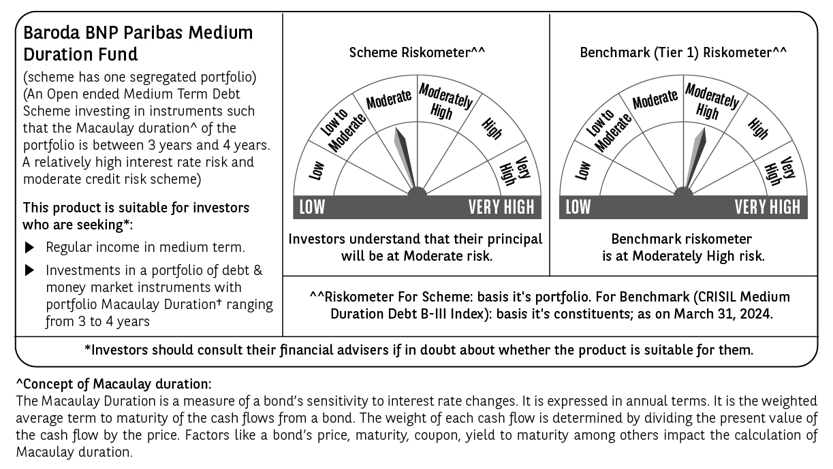

Potential Risk Class (PRC) matrix*
Credit Risk (Max)→ | Relatively Low: Class A (CRV>=12) | Moderate: Class B (CRV>=10) | Relatively High: Class C (CRV<10)
Interest Rate Risk (Max)↓
Relatively Low: Class I (MD<=1 year)
Moderate: Class II
(MD<=3 year)
Relatively High: Class III |  | B-III
(Any MD)
MD=Macaulay Duration, CRV=Credit Risk Value
*The PRC matrix denotes the maximum risk that the respective Scheme can take i.e. maximum interest rate risk (measured by MD of the Scheme) and maximum credit risk (measured by CRV of the Scheme)

