T0MD07
 | Baroda BNP Paribas Medium Duration Fund

 | Monthly Portfolio Statement as on July 31, 2024
 | Name of the Instrument | ISIN | Rating | Quantity | Market/Fair Value (Rs. in Lakhs) | % to Net Assets | YTM~ | YTC^ | null
 | Debt Instruments
 | (a) Listed / awaiting listing on Stock Exchange
GOI3591 | 6.91% State Government Securities (15/09/2033) | IN2220210248 | Sovereign | 400,000 | 390.24 | 13.76% | 7.41%
RECL356 | 8.8% REC Limited (22/01/2029) ** | INE020B08BJ2 | CRISIL AAA | 25 | 263.78 | 9.30% | 7.47%
FCOI30 | 8.95% Food Corporation Of India (01/03/2029) ** | INE861G08043 | CRISIL AAA(CE) | 20 | 210.86 | 7.44% | 7.49%
NHAI60 | 8.37% National Highways Authority Of India (20/01/2029) ** | INE906B07GN5 | CRISIL AAA | 20 | 206.76 | 7.29% | 7.43%
JMFP872 | 8.5% JM Financial Products Limited (16/05/2025) ** | INE523H07BV9 | ICRA AA | 20 | 198.84 | 7.01% | 9.31%
MUFL412 | 8.85% Muthoot Finance Limited (20/12/2028) ** | INE414G07IS4 | CRISIL AA+ | 200 | 198.49 | 7.00% | 9.04%
HPEC303 | 7.74% Hindustan Petroleum Corporation Limited (02/03/2028) ** | INE094A08150 | CRISIL AAA | 150 | 151.41 | 5.34% | 7.41%
NBAR695 | 7.62% National Bank For Agriculture and Rural Development (31/01/2028) | INE261F08DV4 | CRISIL AAA | 150 | 150.02 | 5.29% | 7.59%
BSNL21 | 6.79% Bharat Sanchar Nigam Limited (23/09/2030) ** | INE103D08021 | CRISIL AAA(CE) | 15 | 144.98 | 5.11% | 7.61%
PGCI407 | 7.89% Power Grid Corporation of India Limited (09/03/2027) ** | INE752E07OE0 | CRISIL AAA | 11 | 111.16 | 3.92% | 7.40%
GOI4485 | 7.38% Government of India (20/06/2027) | IN0020220037 | Sovereign | 100,000 | 101.41 | 3.58% | 6.94%
SBAI203 | 6.24% State Bank of India (20/09/2030) ** | INE062A08256 | CRISIL AAA | 10 | 98.12 | 3.46% | 6.62% | 8.01%
PGCI456 | 7.56% Power Grid Corporation of India Limited (31/03/2033) ** | INE752E08692 | CRISIL AAA | 100 | 90.99 | 3.21% | 7.45%
GOI5081 | 7.17% Government of India (17/04/2030) | IN0020230036 | Sovereign | 50,000 | 50.62 | 1.79% | 7.02%
 | Sub Total |  |  |  | 2,367.68 | 83.50%
 | (b) Privately placed / Unlisted |  |  |  | NIL | NIL
 | Sub Total |  |  |  | NIL | NIL
 | Total |  |  |  | 2,367.68 | 83.50%
 | Others
 | Corporate Debt Market Development Fund
CDMD50ME | Corporate Debt Market Development Fund # | INF0RQ622028 |  | 90 | 9.32 | 0.33%
 | Sub Total |  |  |  | 9.32 | 0.33%
 | Total |  |  |  | 9.32 | 0.33%
 | Reverse Repo / TREPS
TRP_010824 | Clearing Corporation of India Ltd |  |  |  | 381.28 | 13.45% | 6.42%
 | Sub Total |  |  |  | 381.28 | 13.45%
 | (b) Privately placed / Unlisted |  |  |  | NIL | NIL
 | Sub Total |  |  |  | NIL | NIL
 | Total |  |  |  | 381.28 | 13.45%
 | Net Receivables / (Payables) |  |  |  | 76.93 | 2.72%
 | GRAND TOTAL |  |  |  | 2,835.21 | 100.00%

 | ** Thinly Traded / Non Traded Security
 | # Unlisted Security
 | ~ YTM as on July 31, 2024
 | ^ YTC represents Yield to Call provided by valuation agencies as on July 31, 2024. It is disclosed for Perpetual Bond issued by Banks (i.e. AT-1 Bond / Tier 1 Bond / Tier 2 Bond), as per AMFI Best Practices Guidelines Circular no. 135/BP/91/2020-21 read with SEBI circular No. SEBI/HO/IMD/DF4/CIR/P/2021/034 on Valuation of AT-1 Bonds and Tier 2 Bonds.

 | Baroda BNP Paribas Medium Duration Fund Segregated Portfolio 1

 | Monthly Portfolio Statement as on July 31, 2024
 | Name of the Instrument | ISIN | Industry / Rating | Quantity | Market/Fair Value (Rs. in Lakhs) | % to Net Assets | YTM~ | YTC
 | Debt Instruments
 | (a) Listed / awaiting listing on Stock Exchange
 | 9% Yes Bank Limited (18/10/2024) | INE528G08394 | ICRA D | 335 | 0.00 | 0.00%
 | Sub Total |  |  |  | 0.00 | 0.00%
 | (b) Privately placed / Unlisted |  |  |  | NIL | NIL
 | Sub Total |  |  |  | NIL | NIL
 | Total |  |  |  | 0.00 | 0.00%
 | Net Receivables / (Payables) |  |  |  | 0.00 | 0.00%
 | GRAND TOTAL |  |  |  | 0.00 | 0.00%

 | ~ YTM as on July 31, 2024

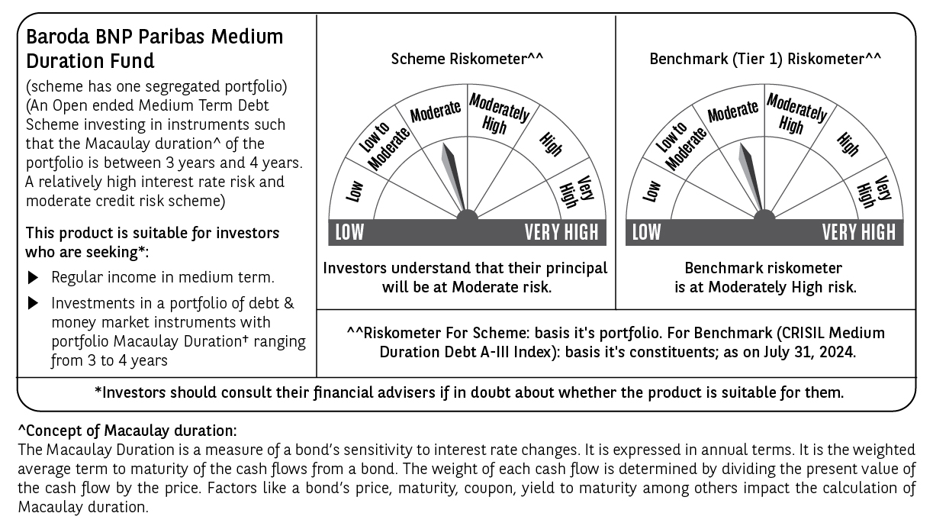

 | Potential Risk Class (PRC) matrix*
 | Credit Risk (Max)→ | Relatively Low: Class A (CRV>=12) | Moderate: Class B (CRV>=10) | Relatively High: Class C (CRV<10)
 | Interest Rate Risk (Max)↓
 | Relatively Low: Class I (MD<=1 year)
 | Moderate: Class II
 | (MD<=3 year)
 | Relatively High: Class III |  | B-III
 | (Any MD)
 | MD=Macaulay Duration, CRV=Credit Risk Value.
 | *The PRC matrix denotes the maximum risk that the respective Scheme can take i.e. maximum interest rate risk (measured by MD of the Scheme) and maximum credit risk (measured by CRV of the Scheme)

