T0MD09
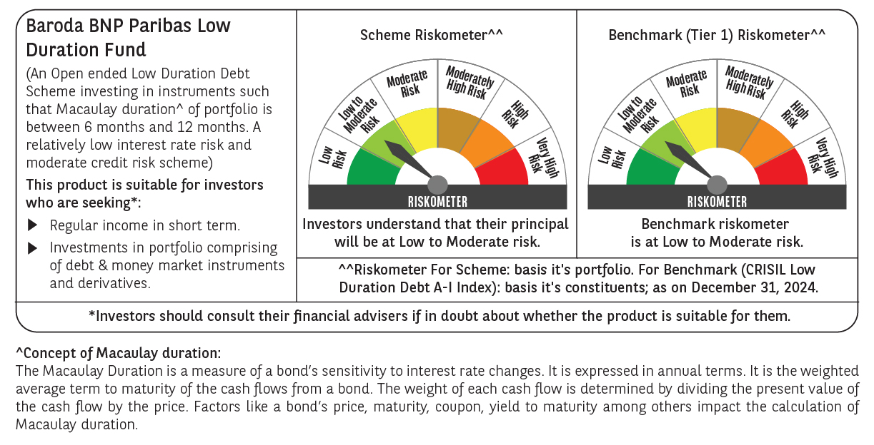

 | Baroda BNP Paribas Low Duration Fund

 | Monthly Portfolio Statement as on December 31, 2024
 | Name of the Instrument | ISIN | Rating | Quantity | Market/Fair Value (Rs. in Lakhs) | % to Net Assets | YTM~ | YTC^ | null
 | Debt Instruments
 | (a) Listed / awaiting listing on Stock Exchange
GOI2936 | 4.7% Government of India (22/09/2033) | IN0020200120 | Sovereign | 1,500,000 | 1,539.75 | 7.05% | 7.45%
NBAR701 | 7.58% National Bank For Agriculture and Rural Development (31/07/2026) | INE261F08DX0 | CRISIL AAA | 1,500 | 1,497.91 | 6.86% | 7.63%
NHBA317 | 7.34% National Housing Bank (07/08/2025) ** | INE557F08FN7 | CRISIL AAA | 150 | 1,496.79 | 6.86% | 7.67%
BHAT66 | 8.90% Bharti Telecom Limited (04/12/2025) ** | INE403D08181 | CRISIL AA+ | 1,000 | 1,006.53 | 4.61% | 8.09%
SHTR504 | 9.25% Shriram Finance Limited (19/12/2025) | INE721A07RU2 | CRISIL AA+ | 1,000 | 1,004.56 | 4.60% | 8.71%
PHFP225 | 8.15% PNB Housing Finance Limited (29/07/2027) ** | INE572E07183 | CARE AA+ | 1,000 | 999.58 | 4.58% | 8.17%
POWF459 | 7.17% Power Finance Corporation Limited (22/05/2025) ** | INE134E08KT5 | CRISIL AAA | 100 | 997.33 | 4.57% | 7.55%
POWF486 | 7.13% Power Finance Corporation Limited (08/08/2025) ** | INE134E08LO4 | CRISIL AAA | 100 | 995.84 | 4.56% | 7.64%
MEBP27 | 8.02% Mindspace Business Parks REIT (13/04/2026) ** | INE0CCU07074 | CRISIL AAA | 700 | 700.85 | 3.21% | 8.16%
ICFP147 | 10.5% IndoStar Capital Finance Limited (25/09/2026) ** | INE896L07983 | CARE AA- | 50,000 | 499.87 | 2.29% | 10.45%
GOI4485 | 7.38% Government of India (20/06/2027) | IN0020220037 | Sovereign | 200,000 | 202.94 | 0.93% | 6.83%
HHFL205 | 8.94% Hero Fincorp Limited (10/09/2025) ** | INE957N07781 | CRISIL AA+ | 200 | 199.99 | 0.92% | 8.71%
 | Sub Total |  |  |  | 11,141.94 | 51.04%
 | (b) Privately placed / Unlisted |  |  |  | NIL | NIL
 | Sub Total |  |  |  | NIL | NIL
 | (c) Securitised Debt
IUNT23 | India Universal Trust (21/11/2026) ** | INE1CBK15011 | CRISIL AAA(SO) | 5 | 475.38 | 2.18% | 8.36%
 | Sub Total |  |  |  | 475.38 | 2.18%
 | (b) Privately placed / Unlisted |  |  |  | NIL | NIL
 | Sub Total |  |  |  | NIL | NIL
 | Total |  |  |  | 11,617.32 | 53.22%
 | Money Market Instruments
 | Certificate of Deposit
KMBK858 | Kotak Mahindra Bank Limited (02/05/2025) ** # | INE237A160X1 | CRISIL A1+ | 300 | 1,463.75 | 6.70% | 7.47%
PUBA1039 | Punjab National Bank (10/07/2025) ** # | INE160A16PJ1 | CRISIL A1+ | 300 | 1,443.28 | 6.61% | 7.55%
HDFB961 | HDFC Bank Limited (25/07/2025) ** # | INE040A16FF4 | CARE A1+ | 300 | 1,438.91 | 6.59% | 7.56%
IBCL1171 | ICICI Bank Limited (27/06/2025) ** # | INE090AD6162 | ICRA A1+ | 160 | 772.05 | 3.54% | 7.47%
UTIB1323 | Axis Bank Limited (06/06/2025) ** # | INE238AD6835 | CRISIL A1+ | 120 | 581.27 | 2.66% | 7.54%
KMBK857 | Kotak Mahindra Bank Limited (09/05/2025) ** # | INE237A162X7 | CRISIL A1+ | 100 | 487.24 | 2.23% | 7.47%
 | Sub Total |  |  |  | 6,186.50 | 28.33%
 | Commercial Paper
EXIM789 | Export Import Bank of India (17/11/2025) ** | INE514E14SJ0 | CRISIL A1+ | 300 | 1,406.64 | 6.44% | 7.57%
BGHP165 | Birla Group Holdings Private Limited (05/06/2025) ** | INE09OL14FY0 | CRISIL A1+ | 200 | 967.07 | 4.43% | 8.02%
PHFL151 | Piramal Capital & Housing Finance Limited (26/08/2025) ** | INE516Y14HJ6 | CRISIL A1+ | 200 | 946.21 | 4.33% | 8.76%
 | Sub Total |  |  |  | 3,319.92 | 15.20%
 | Total |  |  |  | 9,506.42 | 43.53%
 | Others
 | Corporate Debt Market Development Fund
CDMD50ME | Corporate Debt Market Development Fund # | INF0RQ622028 |  | 516 | 56.00 | 0.26%
 | Sub Total |  |  |  | 56.00 | 0.26%
 | Total |  |  |  | 56.00 | 0.26%
 | Reverse Repo / TREPS
TRP_010125 | Clearing Corporation of India Ltd |  |  |  | 318.72 | 1.46% | 6.58%
 | Sub Total |  |  |  | 318.72 | 1.46%
 | (b) Privately placed / Unlisted |  |  |  | NIL | NIL
 | Sub Total |  |  |  | NIL | NIL
 | Total |  |  |  | 318.72 | 1.46%
 | Net Receivables / (Payables) |  |  |  | 335.39 | 1.53%
 | GRAND TOTAL |  |  |  | 21,833.85 | 100.00%

 | ** Thinly Traded / Non Traded Security
 | # Unlisted Security
 | ~ YTM as on December 31, 2024
 | ^ YTC represents Yield to Call provided by valuation agencies as on December 31, 2024. It is disclosed for Perpetual Bond issued by Banks (i.e. AT-1 Bond / Tier 1 Bond / Tier 2 Bond), as per AMFI Best Practices Guidelines Circular no. 135/BP/91/2020-21 re

