T0MD09
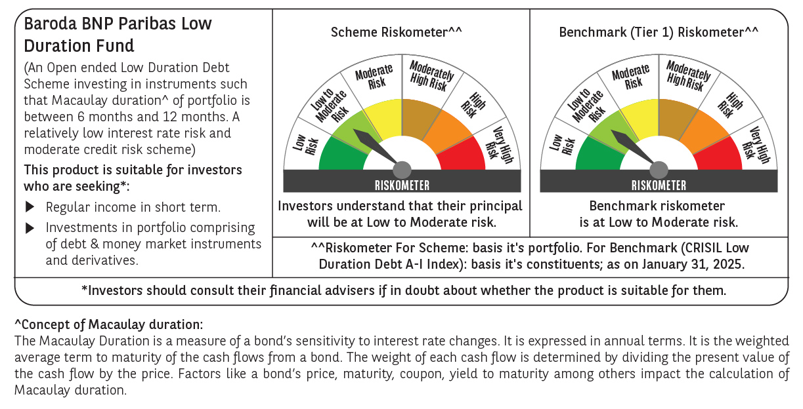

 | Baroda BNP Paribas Low Duration Fund

 | Monthly Portfolio Statement as on January 31, 2025
 | Name of the Instrument | ISIN | Rating | Quantity | Market/Fair Value (Rs. in Lakhs) | % to Net Assets | YTM~ | YTC^ | null
 | Debt Instruments
 | (a) Listed / awaiting listing on Stock Exchange
NBAR701 | 7.58% National Bank For Agriculture and Rural Development (31/07/2026) | INE261F08DX0 | CRISIL AAA | 1,500 | 1,497.93 | 6.61% | 7.63%
RECL428 | 7.56% REC Limited (30/06/2026) ** | INE020B08ED9 | CRISIL AAA | 1,500 | 1,497.74 | 6.61% | 7.63%
NHBA317 | 7.34% National Housing Bank (07/08/2025) ** | INE557F08FN7 | CRISIL AAA | 150 | 1,496.49 | 6.61% | 7.77%
SHTR504 | 9.25% Shriram Finance Limited (19/12/2025) ** | INE721A07RU2 | CRISIL AA+ | 1,000 | 1,004.91 | 4.44% | 8.55%
GOSL357 | 8.40% Godrej Industries Limited (27/08/2027) ** | INE233A08113 | CRISIL AA+ | 1,000 | 1,003.79 | 4.43% | 8.20%
BHAT66 | 8.90% Bharti Telecom Limited (04/12/2025) ** | INE403D08181 | CRISIL AA+ | 1,000 | 1,003.05 | 4.43% | 8.39%
PHFP225 | 8.15% PNB Housing Finance Limited (29/07/2027) ** | INE572E07183 | CARE AA+ | 1,000 | 1,000.28 | 4.42% | 8.13%
IRLY371 | 7.23% Indian Railway Finance Corporation Limited (15/10/2026) | INE053F08304 | CRISIL AAA | 1,000 | 995.80 | 4.40% | 7.51%
MEBP27 | 8.02% Mindspace Business Parks REIT (13/04/2026) ** | INE0CCU07074 | CRISIL AAA | 700 | 701.04 | 3.10% | 8.12%
ICFP147 | 10.5% IndoStar Capital Finance Limited (25/09/2026) ** | INE896L07983 | CARE AA- | 50,000 | 499.68 | 2.21% | 10.46%
GOI4485 | 7.38% Government of India (20/06/2027) | IN0020220037 | Sovereign | 200,000 | 203.36 | 0.90% | 6.71%
HHFL205 | 8.94% Hero Fincorp Limited (10/09/2025) ** | INE957N07781 | CRISIL AA+ | 200 | 199.84 | 0.88% | 8.77%
 | Sub Total |  |  |  | 11,103.91 | 49.04%
 | (b) Privately placed / Unlisted |  |  |  | NIL | NIL
 | Sub Total |  |  |  | NIL | NIL
 | (c) Securitised Debt
IUNT23 | India Universal Trust (21/11/2026) ** | INE1CBK15011 | CRISIL AAA(SO) | 5 | 450.77 | 1.99% | 8.35%
 | Sub Total |  |  |  | 450.77 | 1.99%
 | (b) Privately placed / Unlisted |  |  |  | NIL | NIL
 | Sub Total |  |  |  | NIL | NIL
 | Total |  |  |  | 11,554.68 | 51.03%
 | Money Market Instruments
 | Certificate of Deposit
UNBI416 | Union Bank of India (27/01/2026) ** # | INE692A16IM2 | FITCH A1+ | 400 | 1,860.71 | 8.22% | 7.59%
IBCL1171 | ICICI Bank Limited (27/06/2025) ** # | INE090AD6162 | ICRA A1+ | 300 | 1,455.83 | 6.43% | 7.58%
CANB1030 | Canara Bank (21/01/2026) ** # | INE476A16A08 | CRISIL A1+ | 300 | 1,397.15 | 6.17% | 7.59%
KMBK857 | Kotak Mahindra Bank Limited (09/05/2025) ** # | INE237A162X7 | CRISIL A1+ | 100 | 490.14 | 2.16% | 7.57%
 | Sub Total |  |  |  | 5,203.83 | 22.98%
 | Commercial Paper
EXIM789 | Export Import Bank of India (17/11/2025) ** | INE514E14SJ0 | CRISIL A1+ | 300 | 1,414.81 | 6.25% | 7.61%
BGHP165 | Birla Group Holdings Private Limited (05/06/2025) ** | INE09OL14FY0 | CRISIL A1+ | 200 | 973.06 | 4.30% | 8.15%
PHFL151 | Piramal Capital & Housing Finance Limited (26/08/2025) ** | INE516Y14HJ6 | CRISIL A1+ | 200 | 952.68 | 4.21% | 8.80%
 | Sub Total |  |  |  | 3,340.55 | 14.76%
 | Total |  |  |  | 8,544.38 | 37.74%
 | Others
 | Corporate Debt Market Development Fund
CDMD50ME | Corporate Debt Market Development Fund # | INF0RQ622028 |  | 539 | 58.78 | 0.26%
 | Sub Total |  |  |  | 58.78 | 0.26%
 | Total |  |  |  | 58.78 | 0.26%
 | Reverse Repo / TREPS
TRP_030225 | Clearing Corporation of India Ltd |  |  |  | 2,037.00 | 8.99% | 6.54%
 | Sub Total |  |  |  | 2,037.00 | 8.99%
 | (b) Privately placed / Unlisted |  |  |  | NIL | NIL
 | Sub Total |  |  |  | NIL | NIL
 | Total |  |  |  | 2,037.00 | 8.99%
 | Net Receivables / (Payables) |  |  |  | 454.88 | 1.98%
 | GRAND TOTAL |  |  |  | 22,649.72 | 100.00%

 | ** Thinly Traded / Non Traded Security
 | # Unlisted Security
 | ~ YTM as on January 31, 2025
 | ^ YTC represents Yield to Call provided by valuation agencies as on January 31, 2025. It is disclosed for Perpetual Bond issued by Banks (i.e. AT-1 Bond / Tier 1 Bond / Tier 2 Bond), as per AMFI Best Practices Guidelines Circular no. 135/BP/91/2020-21 read with SEBI circular No. SEBI/HO/IMD/DF4/CIR/P/2021/034 on Valuation of AT-1 Bonds and Tier 2 Bonds.

