Monthly Portfolio
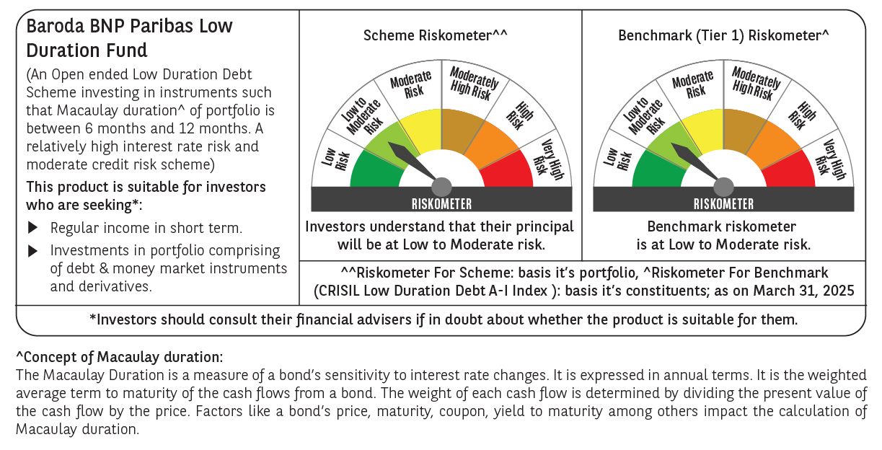

 | Baroda BNP Paribas Low Duration Fund

 | Monthly Portfolio Statement as on March 31, 2025
 | Name of the Instrument | ISIN | Rating | Quantity | Market/Fair Value (Rs. in Lakhs) | % to Net Assets | YTM~ | YTC^ | null
 | Debt Instruments
 | (a) Listed / awaiting listing on Stock Exchange
RECL428 | 7.56% REC Limited (30/06/2026) ** | INE020B08ED9 | CRISIL AAA | 2,000 | 2,006.20 | 7.33% | 7.25%
IRLY371 | 7.23% Indian Railway Finance Corporation Limited (15/10/2026) ** | INE053F08304 | CRISIL AAA | 2,000 | 2,000.84 | 7.31% | 7.23%
POWF487 | 7.13% Power Finance Corporation Limited (15/07/2026) | INE134E08LP1 | CRISIL AAA | 200 | 1,994.02 | 7.28% | 7.35%
NBAR701 | 7.58% National Bank For Agriculture and Rural Development (31/07/2026) | INE261F08DX0 | CRISIL AAA | 1,500 | 1,503.33 | 5.49% | 7.35%
NHBA317 | 7.34% National Housing Bank (07/08/2025) ** | INE557F08FN7 | CRISIL AAA | 150 | 1,500.26 | 5.48% | 7.28%
GOSL357 | 8.40% Godrej Industries Limited (27/08/2027) ** | INE233A08113 | CRISIL AA+ | 1,000 | 1,008.00 | 3.68% | 7.99%
SHTR504 | 9.25% Shriram Finance Limited (19/12/2025) ** | INE721A07RU2 | CRISIL AA+ | 1,000 | 1,005.77 | 3.67% | 8.19%
PHFP225 | 8.15% PNB Housing Finance Limited (29/07/2027) ** | INE572E07183 | CARE AA+ | 1,000 | 1,003.63 | 3.67% | 7.96%
BHAT66 | 8.90% Bharti Telecom Limited (04/12/2025) ** | INE403D08181 | CRISIL AA+ | 1,000 | 1,003.47 | 3.66% | 8.12%
MEBP27 | 8.02% Mindspace Business Parks REIT (13/04/2026) ** | INE0CCU07074 | CRISIL AAA | 700 | 702.24 | 2.56% | 7.92%
ICFP147 | 10.5% IndoStar Capital Finance Limited (25/09/2026) ** | INE896L07983 | CARE AA- | 50,000 | 501.24 | 1.83% | 10.22%
GOI4485 | 7.38% Government of India (20/06/2027) | IN0020220037 | Sovereign | 200,000 | 203.88 | 0.74% | 6.53%
HHFL205 | 8.94% Hero Fincorp Limited (10/09/2025) ** | INE957N07781 | CRISIL AA+ | 200 | 200.26 | 0.73% | 8.23%
 | Sub Total |  |  |  | 14,633.14 | 53.43%
 | (b) Privately placed / Unlisted |  |  |  | NIL | NIL
 | Sub Total |  |  |  | NIL | NIL
 | (c) Securitised Debt
IUNT23 | India Universal Trust (21/11/2026) ** | INE1CBK15011 | CRISIL AAA(SO) | 5 | 401.59 | 1.47% | 8.22%
 | Sub Total |  |  |  | 401.59 | 1.47%
 | (b) Privately placed / Unlisted |  |  |  | NIL | NIL
 | Sub Total |  |  |  | NIL | NIL
 | Total |  |  |  | 15,034.73 | 54.90%
 | Money Market Instruments
 | Certificate of Deposit
UNBI416 | Union Bank of India (27/01/2026) ** # | INE692A16IM2 | FITCH A1+ | 400 | 1,888.35 | 6.90% | 7.17%
KMBK881 | Kotak Mahindra Bank Limited (27/02/2026) # | INE237A166Z3 | CRISIL A1+ | 400 | 1,877.23 | 6.86% | 7.19%
INBK469 | Indian Bank (12/03/2026) # | INE562A16OI3 | CRISIL A1+ | 360 | 1,685.98 | 6.16% | 7.16%
CANB1030 | Canara Bank (21/01/2026) ** # | INE476A16A08 | CRISIL A1+ | 300 | 1,418.11 | 5.18% | 7.15%
 | Sub Total |  |  |  | 6,869.67 | 25.10%
 | Commercial Paper
EXIM789 | Export Import Bank of India (17/11/2025) ** | INE514E14SJ0 | CRISIL A1+ | 300 | 1,435.42 | 5.24% | 7.14%
PHFL151 | Piramal Capital & Housing Finance Limited (26/08/2025) ** | INE516Y14HJ6 | CRISIL A1+ | 200 | 967.81 | 3.53% | 8.26%
 | Sub Total |  |  |  | 2,403.23 | 8.77%
 | Total |  |  |  | 9,272.90 | 33.87%
 | Others
 | Corporate Debt Market Development Fund
CDMD50ME | Corporate Debt Market Development Fund # | INF0RQ622028 |  | 539 | 59.45 | 0.22%
 | Sub Total |  |  |  | 59.45 | 0.22%
 | Total |  |  |  | 59.45 | 0.22%
 | Reverse Repo / TREPS
TRP_020425 | Clearing Corporation of India Ltd |  |  |  | 3,041.81 | 11.11% | 6.64%
 | Sub Total |  |  |  | 3,041.81 | 11.11%
 | (b) Privately placed / Unlisted |  |  |  | NIL | NIL
 | Sub Total |  |  |  | NIL | NIL
 | Total |  |  |  | 3,041.81 | 11.11%
 | Net Receivables / (Payables) |  |  |  | (27.82) | (0.10)%
 | GRAND TOTAL |  |  |  | 27,381.07 | 100.00%

 | ** Thinly Traded / Non Traded Security
 | # Unlisted Security
 | ~ YTM as on March 31, 2025
 | ^ YTC represents Yield to Call provided by valuation agencies as on March 31, 2025. It is disclosed for Perpetual Bond issued by Banks (i.e. AT-1 Bond / Tier 1 Bond / Tier 2 Bond), as per AMFI Best Practices Guidelines Circular no. 135/BP/91/2020-21 read with SEBI circular No. SEBI/HO/IMD/DF4/CIR/P/2021/034 on Valuation of AT-1 Bonds and Tier 2 Bonds.

