T0MD09
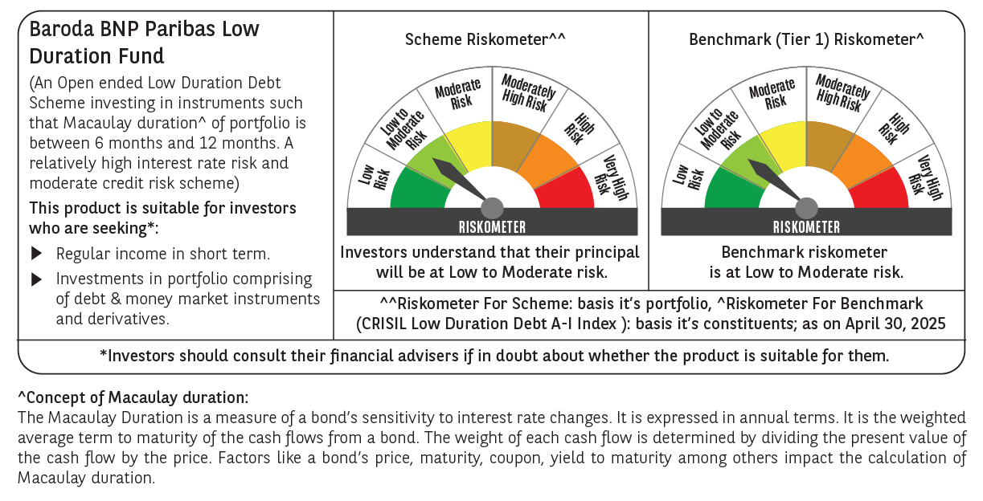

 | Baroda BNP Paribas Low Duration Fund

 | Monthly Portfolio Statement as on April 30, 2025
 | Name of the Instrument | ISIN | Rating | Quantity | Market/Fair Value (Rs. in Lakhs) | % to Net Assets | YTM~ | YTC^ | null
 | Debt Instruments
 | (a) Listed / awaiting listing on Stock Exchange
RECL428 | 7.56% REC Limited (30/06/2026) ** | INE020B08ED9 | CRISIL AAA | 2,000 | 2,014.92 | 7.66% | 6.84%
IRLY371 | 7.23% Indian Railway Finance Corporation Limited (15/10/2026) ** | INE053F08304 | CRISIL AAA | 2,000 | 2,012.77 | 7.66% | 6.79%
POWF487 | 7.13% Power Finance Corporation Limited (15/07/2026) ** | INE134E08LP1 | CRISIL AAA | 200 | 2,005.47 | 7.63% | 6.86%
GOI2936 | 4.7% Government of India (22/09/2033) | IN0020200120 | Sovereign | 1,500,000 | 1,552.55 | 5.91% | 6.71%
NBAR701 | 7.58% National Bank For Agriculture and Rural Development (31/07/2026) | INE261F08DX0 | CRISIL AAA | 1,500 | 1,510.76 | 5.75% | 6.92%
GOSL357 | 8.40% Godrej Industries Limited (27/08/2027) ** | INE233A08113 | CRISIL AA+ | 1,000 | 1,018.22 | 3.87% | 7.49%
PHFP225 | 8.15% PNB Housing Finance Limited (29/07/2027) ** | INE572E07183 | CARE AA+ | 1,000 | 1,010.62 | 3.84% | 7.61%
CHOL1003 | 8.5% Cholamandalam Investment and Finance Company Ltd (27/03/2026) | INE121A07QV5 | ICRA AA+ | 1,000 | 1,008.47 | 3.84% | 7.44%
SHTR504 | 9.25% Shriram Finance Limited (19/12/2025) ** | INE721A07RU2 | CRISIL AA+ | 1,000 | 1,006.43 | 3.83% | 7.92%
BHAT66 | 8.90% Bharti Telecom Limited (04/12/2025) ** | INE403D08181 | CRISIL AA+ | 1,000 | 1,004.65 | 3.82% | 7.80%
ICFP147 | 10.5% IndoStar Capital Finance Limited (25/09/2026) ** | INE896L07983 | CARE AA- | 50,000 | 505.46 | 1.92% | 9.54%
GOI4485 | 7.38% Government of India (20/06/2027) | IN0020220037 | Sovereign | 200,000 | 205.36 | 0.78% | 6.11%
HHFL205 | 8.94% Hero Fincorp Limited (10/09/2025) ** | INE957N07781 | CRISIL AA+ | 200 | 200.57 | 0.76% | 7.70%
 | Sub Total |  |  |  | 15,056.25 | 57.27%
 | (b) Privately placed / Unlisted |  |  |  | NIL | NIL
 | Sub Total |  |  |  | NIL | NIL
 | (c) Securitised Debt
IUNT23 | India Universal Trust (21/11/2026) ** | INE1CBK15011 | CRISIL AAA(SO) | 5 | 377.87 | 1.44% | 7.70%
 | Sub Total |  |  |  | 377.87 | 1.44%
 | (b) Privately placed / Unlisted |  |  |  | NIL | NIL
 | Sub Total |  |  |  | NIL | NIL
 | Total |  |  |  | 15,434.12 | 58.71%
 | Money Market Instruments
 | Certificate of Deposit
UNBI416 | Union Bank of India (27/01/2026) ** # | INE692A16IM2 | FITCH A1+ | 400 | 1,905.29 | 7.25% | 6.70%
KMBK881 | Kotak Mahindra Bank Limited (27/02/2026) ** # | INE237A166Z3 | CRISIL A1+ | 400 | 1,895.47 | 7.21% | 6.67%
INBK469 | Indian Bank (12/03/2026) ** # | INE562A16OI3 | CRISIL A1+ | 360 | 1,702.03 | 6.47% | 6.67%
CANB1030 | Canara Bank (21/01/2026) ** # | INE476A16A08 | CRISIL A1+ | 300 | 1,430.57 | 5.44% | 6.68%
 | Sub Total |  |  |  | 6,933.36 | 26.37%
 | Commercial Paper
PHFL151 | Piramal Capital & Housing Finance Limited (26/08/2025) ** | INE516Y14HJ6 | CRISIL A1+ | 200 | 975.46 | 3.71% | 7.85%
 | Sub Total |  |  |  | 975.46 | 3.71%
 | Total |  |  |  | 7,908.82 | 30.08%
 | Others
 | Corporate Debt Market Development Fund
CDMD50ME | Corporate Debt Market Development Fund # | INF0RQ622028 |  | 539 | 59.90 | 0.23%
 | Sub Total |  |  |  | 59.90 | 0.23%
 | Total |  |  |  | 59.90 | 0.23%
 | Reverse Repo / TREPS
TRP_020525 | Clearing Corporation of India Ltd |  |  |  | 777.59 | 2.96% | 5.94%
 | Sub Total |  |  |  | 777.59 | 2.96%
 | (b) Privately placed / Unlisted |  |  |  | NIL | NIL
 | Sub Total |  |  |  | NIL | NIL
 | Total |  |  |  | 777.59 | 2.96%
 | Net Receivables / (Payables) |  |  |  | 2,110.21 | 8.02%
 | GRAND TOTAL |  |  |  | 26,290.64 | 100.00%

 | ** Thinly Traded / Non Traded Security
 | # Unlisted Security
 | ~ YTM as on April 30, 2025
 | ^ YTC represents Yield to Call provided by valuation agencies as on April 30, 2025. It is disclosed for Perpetual Bond issued by Banks (i.e. AT-1 Bond / Tier 1 Bond / Tier 2 Bond), as per AMFI Best Practices Guidelines Circular no. 135/BP/91/2020-21 read with SEBI circular No. SEBI/HO/IMD/DF4/CIR/P/2021/034 on Valuation of AT-1 Bonds and Tier 2 Bonds.

