T0MD09
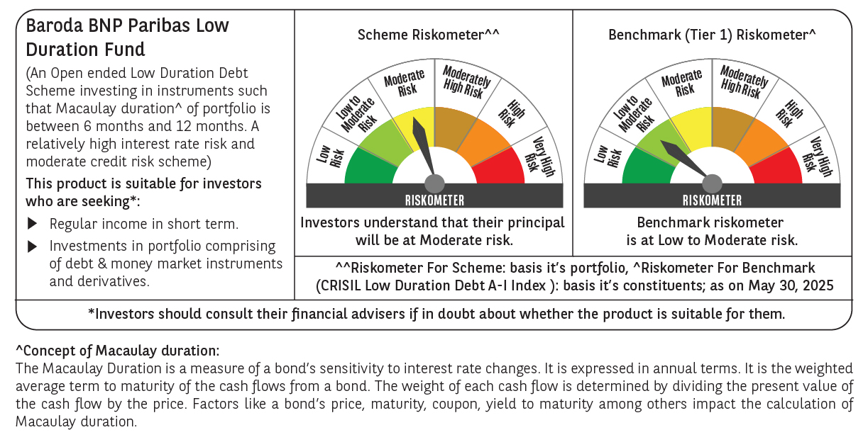

 | Baroda BNP Paribas Low Duration Fund

 | Monthly Portfolio Statement as on May 31, 2025
 | Name of the Instrument | ISIN | Rating | Quantity | Market/Fair Value (Rs. in Lakhs) | % to Net Assets | YTM~ | YTC^ | null
 | Debt Instruments
 | (a) Listed / awaiting listing on Stock Exchange
IRLY371 | 7.23% Indian Railway Finance Corporation Limited (15/10/2026) ** | INE053F08304 | CRISIL AAA | 2,000 | 2,017.74 | 8.17% | 6.55%
POWF487 | 7.13% Power Finance Corporation Limited (15/07/2026) | INE134E08LP1 | CRISIL AAA | 200 | 2,011.76 | 8.14% | 6.55%
GOI2936 | 4.7% Government of India (22/09/2033) | IN0020200120 | Sovereign | 1,500,000 | 1,557.66 | 6.30% | 6.38%
NBAR701 | 7.58% National Bank For Agriculture and Rural Development (31/07/2026) | INE261F08DX0 | CRISIL AAA | 1,500 | 1,515.14 | 6.13% | 6.62%
GOSL357 | 8.40% Godrej Industries Limited (27/08/2027) ** | INE233A08113 | CRISIL AA+ | 1,000 | 1,021.86 | 4.14% | 7.28%
PHFP225 | 8.15% PNB Housing Finance Limited (29/07/2027) ** | INE572E07183 | CARE AA+ | 1,000 | 1,014.70 | 4.11% | 7.38%
SHTR504 | 9.25% Shriram Finance Limited (19/12/2025) ** | INE721A07RU2 | CRISIL AA+ | 1,000 | 1,005.59 | 4.07% | 7.87%
BHAT66 | 8.90% Bharti Telecom Limited (04/12/2025) ** | INE403D08181 | CRISIL AA+ | 1,000 | 1,004.88 | 4.07% | 7.58%
RECL474 | 6.52% REC Limited (31/01/2028) | INE020B08FW6 | ICRA AAA | 600 | 599.93 | 2.43% | 6.54%
ICFP147 | 10.5% IndoStar Capital Finance Limited (25/09/2026) ** | INE896L07983 | CARE AA- | 50,000 | 504.84 | 2.04% | 9.60%
EOPR38 | 7.21% Embassy Office Parks REIT (17/03/2028) ** | INE041007167 | CRISIL AAA | 500 | 501.65 | 2.03% | 7.26%
GOI4485 | 7.38% Government of India (20/06/2027) | IN0020220037 | Sovereign | 200,000 | 206.39 | 0.84% | 5.79%
HHFL205 | 8.94% Hero Fincorp Limited (10/09/2025) ** | INE957N07781 | CRISIL AA+ | 200 | 200.63 | 0.81% | 7.30%
 | Sub Total |  |  |  | 13,162.77 | 53.28%
 | (b) Privately placed / Unlisted |  |  |  | NIL | NIL
 | Sub Total |  |  |  | NIL | NIL
 | (c) Securitised Debt
VAJR28 | Vajra Trust (20/01/2029) ** | INP3VAJR2705 | CRISIL AAA(SO) | 5 | 497.26 | 2.01% | 9.93%
IUNT23 | India Universal Trust (21/11/2026) ** | INE1CBK15011 | CRISIL AAA(SO) | 5 | 353.45 | 1.43% | 7.39%
 | Sub Total |  |  |  | 850.71 | 3.44%
 | (b) Privately placed / Unlisted |  |  |  | NIL | NIL
 | Sub Total |  |  |  | NIL | NIL
 | Total |  |  |  | 14,013.48 | 56.72%
 | Money Market Instruments
 | Certificate of Deposit
KMBK881 | Kotak Mahindra Bank Limited (27/02/2026) ** # | INE237A166Z3 | CRISIL A1+ | 400 | 1,909.38 | 7.73% | 6.39%
INBK469 | Indian Bank (12/03/2026) ** # | INE562A16OI3 | CRISIL A1+ | 360 | 1,714.49 | 6.94% | 6.41%
HDFB979 | HDFC Bank Limited (04/12/2025) ** # | INE040A16FY5 | CRISIL A1+ | 300 | 1,452.23 | 5.88% | 6.46%
CANB1030 | Canara Bank (21/01/2026) ** # | INE476A16A08 | CRISIL A1+ | 300 | 1,440.79 | 5.83% | 6.41%
CANB1002 | Canara Bank (02/09/2025) ** # | INE476A16YY2 | CRISIL A1+ | 100 | 492.14 | 1.99% | 6.27%
 | Sub Total |  |  |  | 7,009.03 | 28.37%
 | Commercial Paper
PHFL151 | Piramal Finance Limited (26/08/2025) ** | INE516Y14HJ6 | CRISIL A1+ | 200 | 982.47 | 3.98% | 7.58%
LICH699 | LIC Housing Finance Limited (19/09/2025) | INE115A14FO1 | CRISIL A1+ | 100 | 490.39 | 1.98% | 6.51%
 | Sub Total |  |  |  | 1,472.86 | 5.96%
 | Total |  |  |  | 8,481.89 | 34.33%
 | Others
 | Corporate Debt Market Development Fund
CDMD50ME | Corporate Debt Market Development Fund # | INF0RQ622028 |  | 539 | 60.29 | 0.24%
 | Sub Total |  |  |  | 60.29 | 0.24%
 | Total |  |  |  | 60.29 | 0.24%
 | Reverse Repo / TREPS
TRP_020625 | Clearing Corporation of India Ltd |  |  |  | 2,126.41 | 8.61% | 5.77%
 | Sub Total |  |  |  | 2,126.41 | 8.61%
 | (b) Privately placed / Unlisted |  |  |  | NIL | NIL
 | Sub Total |  |  |  | NIL | NIL
 | Total |  |  |  | 2,126.41 | 8.61%
 | Net Receivables / (Payables) |  |  |  | 26.18 | 0.10%
 | GRAND TOTAL |  |  |  | 24,708.25 | 100.00%

 | ** Thinly Traded / Non Traded Security
 | # Unlisted Security
 | ~ YTM as on May 31, 2025
 | ^ YTC represents Yield to Call provided by valuation agencies as on May 31, 2025. It is disclosed for Perpetual Bond issued by Banks (i.e. AT-1 Bond / Tier 1 Bond / Tier 2 Bond), as per AMFI Best Practices Guidelines Circular no. 135/BP/91/2020-21 read with SEBI circular No. SEBI/HO/IMD/DF4/CIR/P/2021/034 on Valuation of AT-1 Bonds and Tier 2 Bonds.

