T0MD09
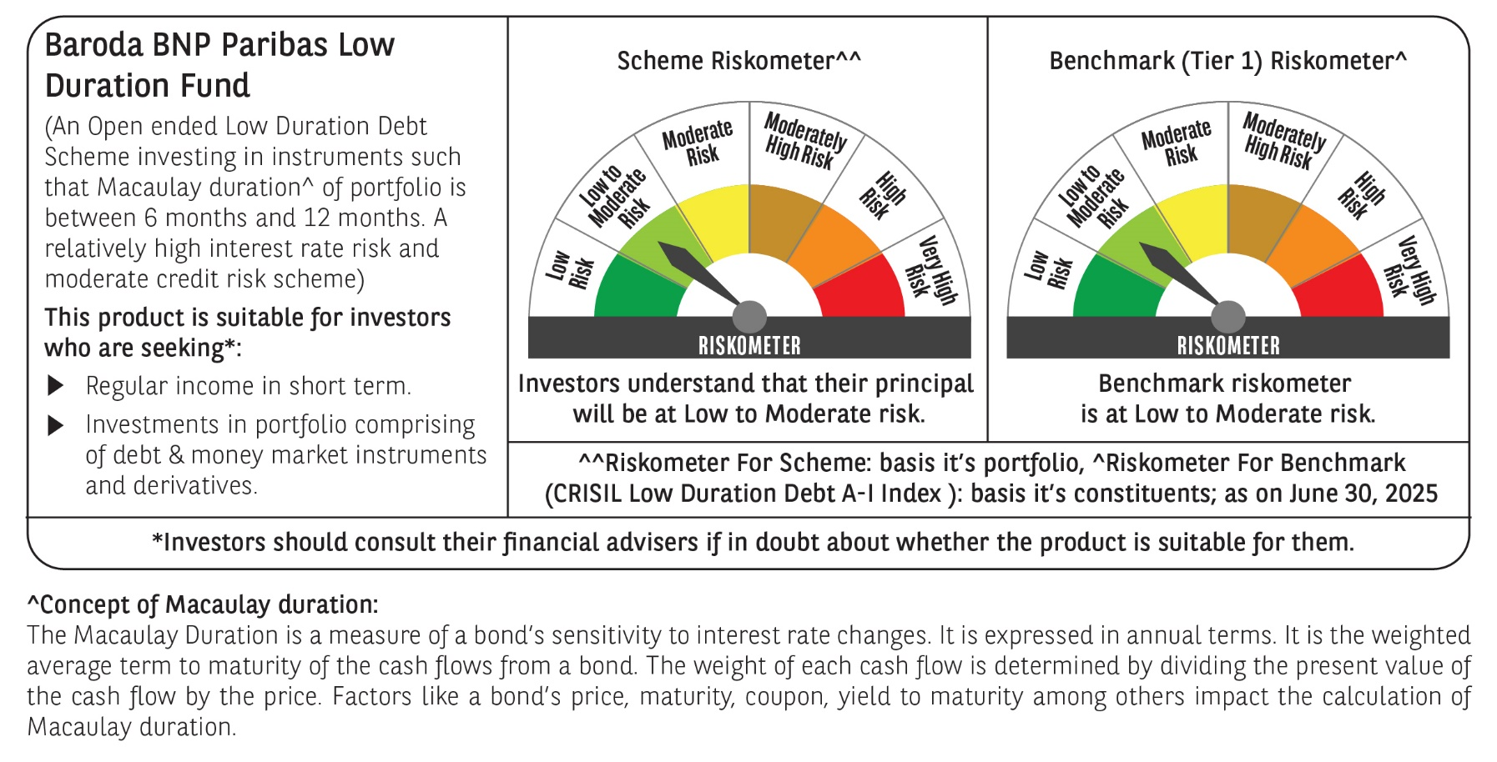

 | Baroda BNP Paribas Low Duration Fund

 | Monthly Portfolio Statement as on June 30, 2025
 | Name of the Instrument | ISIN | Rating | Quantity | Market/Fair Value (Rs. in Lakhs) | % to Net Assets | YTM~ | YTC^ | null
 | Debt Instruments
 | (a) Listed / awaiting listing on Stock Exchange
IRLY371 | 7.23% Indian Railway Finance Corporation Limited (15/10/2026) ** | INE053F08304 | CRISIL AAA | 2,000 | 2,018.19 | 7.71% | 6.49%
POWF487 | 7.13% Power Finance Corporation Limited (15/07/2026) ** | INE134E08LP1 | CRISIL AAA | 200 | 2,011.33 | 7.68% | 6.54%
GOSL357 | 8.40% Godrej Industries Limited (27/08/2027) | INE233A08113 | CRISIL AA+ | 1,000 | 1,017.90 | 3.89% | 7.45%
PHFP225 | 8.15% PNB Housing Finance Limited (29/07/2027) ** | INE572E07183 | CARE AA+ | 1,000 | 1,013.63 | 3.87% | 7.41%
LICH678 | 7.8650% LIC Housing Finance Limited (20/08/2026) ** | INE115A07QT1 | CRISIL AAA | 1,000 | 1,011.30 | 3.86% | 6.77%
SHTR504 | 9.25% Shriram Finance Limited (19/12/2025) ** | INE721A07RU2 | CRISIL AA+ | 1,000 | 1,007.09 | 3.85% | 7.33%
BHAT66 | 8.90% Bharti Telecom Limited (04/12/2025) ** | INE403D08181 | CRISIL AA+ | 1,000 | 1,004.89 | 3.84% | 7.35%
RECL474 | 6.52% REC Limited (31/01/2028) ** | INE020B08FW6 | ICRA AAA | 600 | 598.34 | 2.29% | 6.65%
NBAR838 | 7.48% National Bank For Agriculture and Rural Development (15/09/2028) | INE261F08EO7 | CRISIL AAA | 500 | 510.42 | 1.95% | 6.74%
ICFP147 | 10.5% IndoStar Capital Finance Limited (25/09/2026) ** | INE896L07983 | CARE AA- | 50,000 | 506.12 | 1.93% | 9.33%
EOPR38 | 7.21% Embassy Office Parks REIT (17/03/2028) ** | INE041007167 | CRISIL AAA | 500 | 502.24 | 1.92% | 7.21%
GOI4485 | 7.38% Government of India (20/06/2027) | IN0020220037 | Sovereign | 200,000 | 205.92 | 0.79% | 5.85%
 | Sub Total |  |  |  | 11,407.37 | 43.58%
 | (b) Privately placed / Unlisted |  |  |  | NIL | NIL
 | Sub Total |  |  |  | NIL | NIL
 | (c) Securitised Debt
VAJR28 | Vajra Trust (20/01/2029) ** | INE20NI15039 | CRISIL AAA(SO) | 5 | 498.43 | 1.90% | 9.82%
IUNT23 | India Universal Trust (21/11/2026) ** | INE1CBK15011 | CRISIL AAA(SO) | 5 | 328.08 | 1.25% | 7.38%
 | Sub Total |  |  |  | 826.51 | 3.15%
 | (b) Privately placed / Unlisted |  |  |  | NIL | NIL
 | Sub Total |  |  |  | NIL | NIL
 | Total |  |  |  | 12,233.88 | 46.73%
 | Money Market Instruments
 | Certificate of Deposit
KMBK881 | Kotak Mahindra Bank Limited (27/02/2026) ** # | INE237A166Z3 | CRISIL A1+ | 400 | 1,921.71 | 7.34% | 6.17%
INBK469 | Indian Bank (12/03/2026) ** # | INE562A16OI3 | CRISIL A1+ | 360 | 1,725.72 | 6.59% | 6.19%
HDFB979 | HDFC Bank Limited (04/12/2025) # | INE040A16FY5 | CRISIL A1+ | 300 | 1,461.70 | 5.58% | 6.13%
EXIM808 | Export Import Bank of India (11/06/2026) ** # | INE514E16CM3 | CRISIL A1+ | 300 | 1,416.20 | 5.41% | 6.26%
UTIB1340 | Axis Bank Limited (12/11/2025) ** # | INE238AD6991 | CRISIL A1+ | 200 | 978.03 | 3.74% | 6.12%
NBAR835 | National Bank For Agriculture and Rural Development (13/03/2026) # | INE261F16983 | CRISIL A1+ | 200 | 958.29 | 3.66% | 6.23%
UTIB1363 | Axis Bank Limited (25/06/2026) ** # | INE238AD6AZ4 | CRISIL A1+ | 200 | 941.04 | 3.59% | 6.37%
 | Sub Total |  |  |  | 9,402.69 | 35.91%
 | Commercial Paper
PHFL151 | Piramal Finance Limited (26/08/2025) ** | INE516Y14HJ6 | CRISIL A1+ | 200 | 989.21 | 3.78% | 7.11%
 | Sub Total |  |  |  | 989.21 | 3.78%
 | Total |  |  |  | 10,391.90 | 39.69%
 | Others
 | Corporate Debt Market Development Fund
CDMD50ME | Corporate Debt Market Development Fund # | INF0RQ622028 |  | 539 | 60.58 | 0.23%
 | Sub Total |  |  |  | 60.58 | 0.23%
 | Total |  |  |  | 60.58 | 0.23%
 | Reverse Repo / TREPS
TRP_030725_VAL | Clearing Corporation of India Ltd | TREP03072025 |  |  | 2,499.24 | 9.55% | 5.53%
TRP_010725 | Clearing Corporation of India Ltd |  |  |  | 786.98 | 3.01% | 5.47%
 | Sub Total |  |  |  | 3,286.22 | 12.56%
 | (b) Privately placed / Unlisted |  |  |  | NIL | NIL
 | Sub Total |  |  |  | NIL | NIL
 | Total |  |  |  | 3,286.22 | 12.56%
 | Net Receivables / (Payables) |  |  |  | 206.85 | 0.79%
 | GRAND TOTAL |  |  |  | 26,179.43 | 100.00%

 | ** Thinly Traded / Non Traded Security
 | # Unlisted Security
 | ~ YTM as on June 30, 2025
 | ^ YTC represents Yield to Call provided by valuation agencies as on June 30, 2025. It is disclosed for Perpetual Bond issued by Banks (i.e. AT-1 Bond / Tier 1 Bond / Tier 2 Bond), as per AMFI Best Practices Guidelines Circular no. 135/BP/91/2020-21 read with SEBI circular No. SEBI/HO/IMD/DF4/CIR/P/2021/034 on Valuation of AT-1 Bonds and Tier 2 Bonds.

