T0MD09
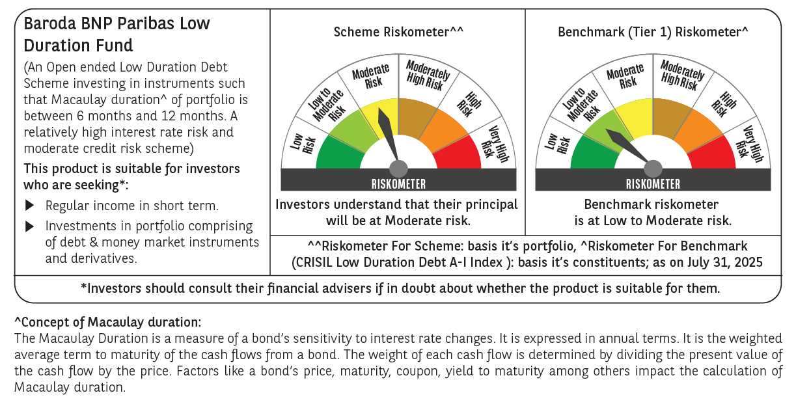

 | Baroda BNP Paribas Low Duration Fund

 | Monthly Portfolio Statement as on July 31, 2025
 | Name of the Instrument | ISIN | Rating | Quantity | Market/Fair Value (Rs. in Lakhs) | % to Net Assets | YTM~ | YTC^ | null
 | Debt Instruments
 | (a) Listed / awaiting listing on Stock Exchange
IRLY371 | 7.23% Indian Railway Finance Corporation Limited (15/10/2026) ** | INE053F08304 | CRISIL AAA | 2,000 | 2,018.57 | 7.32% | 6.41%
POWF487 | 7.13% Power Finance Corporation Limited (15/07/2026) ** | INE134E08LP1 | CRISIL AAA | 200 | 2,012.17 | 7.30% | 6.46%
GOSL357 | 8.40% Godrej Industries Limited (27/08/2027) ** | INE233A08113 | CRISIL AA+ | 1,000 | 1,018.94 | 3.70% | 7.37%
PHFP225 | 8.15% PNB Housing Finance Limited (29/07/2027) ** | INE572E07183 | CARE AA+ | 1,000 | 1,016.58 | 3.69% | 7.23%
LICH678 | 7.8650% LIC Housing Finance Limited (20/08/2026) ** | INE115A07QT1 | CRISIL AAA | 1,000 | 1,012.09 | 3.67% | 6.63%
SHTR504 | 9.25% Shriram Finance Limited (19/12/2025) | INE721A07RU2 | CRISIL AA+ | 1,000 | 1,006.32 | 3.65% | 7.15%
BHAT66 | 8.90% Bharti Telecom Limited (04/12/2025) ** | INE403D08181 | CRISIL AAA | 1,000 | 1,005.88 | 3.65% | 6.75%
PFPL129 | 9% Piramal Finance Limited (28/06/2027) | INE202B07JT0 | CARE AA | 1,000 | 1,000.99 | 3.63% | 8.95%
RECL428 | 7.56% REC Limited (30/06/2026) ** | INE020B08ED9 | CRISIL AAA | 900 | 908.51 | 3.30% | 6.42%
RECL474 | 6.52% REC Limited (31/01/2028) ** | INE020B08FW6 | ICRA AAA | 600 | 598.91 | 2.17% | 6.61%
GOI6306 | 6.75% Government of India (23/12/2029) | IN0020240183 | Sovereign | 500,000 | 513.95 | 1.86% | 6.11%
NBAR838 | 7.48% National Bank For Agriculture and Rural Development (15/09/2028) ** | INE261F08EO7 | CRISIL AAA | 500 | 510.76 | 1.85% | 6.70%
ICFP147 | 10.5% IndoStar Capital Finance Limited (25/09/2026) ** | INE896L07983 | CARE AA- | 50,000 | 506.85 | 1.84% | 9.14%
GOI1408 | 8.21% State Government Securities (09/12/2025) | IN2220150147 | Sovereign | 500,000 | 504.47 | 1.83% | 5.57%
EOPR38 | 7.21% Embassy Office Parks REIT (17/03/2028) | INE041007167 | CRISIL AAA | 500 | 503.74 | 1.83% | 7.07%
GOI4485 | 7.38% Government of India (20/06/2027) | IN0020220037 | Sovereign | 200,000 | 205.88 | 0.75% | 5.79%
 | Sub Total |  |  |  | 14,344.61 | 52.04%
 | (b) Privately placed / Unlisted |  |  |  | NIL | NIL
 | Sub Total |  |  |  | NIL | NIL
 | (c) Securitised Debt
VAJR28 | Vajra Trust (20/01/2029) ** | INE20NI15039 | CRISIL AAA(SO) | 5 | 499.11 | 1.81% | 9.75%
IUNT23 | India Universal Trust (21/11/2026) ** | INE1CBK15011 | CRISIL AAA(SO) | 5 | 303.48 | 1.10% | 7.21%
 | Sub Total |  |  |  | 802.59 | 2.91%
 | (b) Privately placed / Unlisted |  |  |  | NIL | NIL
 | Sub Total |  |  |  | NIL | NIL
 | Total |  |  |  | 15,147.20 | 54.95%
 | Money Market Instruments
 | Certificate of Deposit
KMBK881 | Kotak Mahindra Bank Limited (27/02/2026) ** # | INE237A166Z3 | CRISIL A1+ | 400 | 1,933.16 | 7.01% | 6.01%
INBK469 | Indian Bank (12/03/2026) ** # | INE562A16OI3 | CRISIL A1+ | 360 | 1,736.04 | 6.30% | 6.03%
HDFB979 | HDFC Bank Limited (04/12/2025) ** # | INE040A16FY5 | CRISIL A1+ | 300 | 1,470.05 | 5.33% | 5.95%
EXIM808 | Export Import Bank of India (11/06/2026) ** # | INE514E16CM3 | CRISIL A1+ | 300 | 1,424.10 | 5.17% | 6.20%
UTIB1340 | Axis Bank Limited (12/11/2025) ** # | INE238AD6991 | CRISIL A1+ | 200 | 983.59 | 3.57% | 5.91%
NBAR835 | National Bank For Agriculture and Rural Development (13/03/2026) ** # | INE261F16983 | CRISIL A1+ | 200 | 963.96 | 3.50% | 6.09%
UNBI444 | Union Bank of India (25/06/2026) ** # | INE692A16JQ1 | ICRA A1+ | 200 | 946.94 | 3.43% | 6.24%
UTIB1363 | Axis Bank Limited (25/06/2026) ** # | INE238AD6AZ4 | CRISIL A1+ | 200 | 946.74 | 3.43% | 6.26%
 | Sub Total |  |  |  | 10,404.58 | 37.74%
 | Total |  |  |  | 10,404.58 | 37.74%
 | Others
 | Corporate Debt Market Development Fund
CDMD50ME | Corporate Debt Market Development Fund # | INF0RQ622028 |  | 643 | 72.54 | 0.26% | 5.58%
 | Sub Total |  |  |  | 72.54 | 0.26%
 | Total |  |  |  | 72.54 | 0.26%
 | Reverse Repo / TREPS
TRP_010825 | Clearing Corporation of India Ltd |  |  |  | 1,936.91 | 7.02% | 5.42%
 | Sub Total |  |  |  | 1,936.91 | 7.02%
 | (b) Privately placed / Unlisted |  |  |  | NIL | NIL
 | Sub Total |  |  |  | NIL | NIL
 | Total |  |  |  | 1,936.91 | 7.02%
 | Net Receivables / (Payables) |  |  |  | 10.68 | 0.03%
 | GRAND TOTAL |  |  |  | 27,571.91 | 100.00%

 | ** Thinly Traded / Non Traded Security
 | # Unlisted Security
 | ~ YTM as on July 31, 2025
 | ^ YTC represents Yield to Call provided by valuation agencies as on July 31, 2025. It is disclosed for Perpetual Bond issued by Banks (i.e. AT-1 Bond / Tier 1 Bond / Tier 2 Bond), as per AMFI Best Practices Guidelines Circular no. 135/BP/91/2020-21 read with SEBI circular No. SEBI/HO/IMD/DF4/CIR/P/2021/034 on Valuation of AT-1 Bonds and Tier 2 Bonds.

