T0MD09
 | Baroda BNP Paribas Low Duration Fund

 | Monthly Portfolio Statement as on August 31, 2025
 | Name of the Instrument | ISIN | Rating | Quantity | Market/Fair Value (Rs. in Lakhs) | % to Net Assets | YTM~ | YTC^ | null
 | Debt Instruments
 | (a) Listed / awaiting listing on Stock Exchange
IRLY371 | 7.23% Indian Railway Finance Corporation Limited (15/10/2026) ** | INE053F08304 | CRISIL AAA | 2,000 | 2,014.61 | 6.68% | 6.53%
POWF487 | 7.13% Power Finance Corporation Limited (15/07/2026) | INE134E08LP1 | CRISIL AAA | 200 | 2,009.03 | 6.66% | 6.57%
GOSL357 | 8.40% Godrej Industries Limited (27/08/2027) ** | INE233A08113 | CRISIL AA+ | 1,000 | 1,015.78 | 3.37% | 7.52%
PHFP225 | 8.15% PNB Housing Finance Limited (29/07/2027) ** | INE572E07183 | CARE AA+ | 1,000 | 1,013.95 | 3.36% | 7.33%
LICH678 | 7.8650% LIC Housing Finance Limited (20/08/2026) | INE115A07QT1 | CRISIL AAA | 1,000 | 1,009.96 | 3.35% | 6.75%
NBAR701 | 7.58% National Bank For Agriculture and Rural Development (31/07/2026) | INE261F08DX0 | CRISIL AAA | 1,000 | 1,007.71 | 3.34% | 6.64%
SHTR504 | 9.25% Shriram Finance Limited (19/12/2025) ** | INE721A07RU2 | CRISIL AA+ | 1,000 | 1,004.68 | 3.33% | 7.19%
BHAT66 | 8.90% Bharti Telecom Limited (04/12/2025) ** | INE403D08181 | CRISIL AAA | 1,000 | 1,004.35 | 3.33% | 6.74%
PFPL129 | 9% Piramal Finance Limited (28/06/2027) ** | INE202B07JT0 | CARE AA | 1,000 | 1,004.34 | 3.33% | 8.73%
RECL428 | 7.56% REC Limited (30/06/2026) | INE020B08ED9 | CRISIL AAA | 900 | 906.39 | 3.01% | 6.57%
RECL474 | 6.52% REC Limited (31/01/2028) | INE020B08FW6 | ICRA AAA | 600 | 597.32 | 1.98% | 6.73%
GOI6306 | 6.75% Government of India (23/12/2029) | IN0020240183 | Sovereign | 500,000 | 508.52 | 1.69% | 6.39%
ICFP147 | 10.5% IndoStar Capital Finance Limited (25/09/2026) ** | INE896L07983 | CARE AA- | 50,000 | 506.06 | 1.68% | 9.23%
GOI1408 | 8.21% State Government Securities (09/12/2025) | IN2220150147 | Sovereign | 500,000 | 503.28 | 1.67% | 5.68%
EOPR38 | 7.21% Embassy Office Parks REIT (17/03/2028) ** | INE041007167 | CRISIL AAA | 500 | 501.98 | 1.67% | 7.22%
GOI4485 | 7.38% Government of India (20/06/2027) | IN0020220037 | Sovereign | 200,000 | 205.15 | 0.68% | 5.93%
 | Sub Total |  |  |  | 14,813.11 | 49.13%
 | (b) Privately placed / Unlisted |  |  |  | NIL | NIL
 | Sub Total |  |  |  | NIL | NIL
 | (c) Securitised Debt
VAJR28 | Vajra Trust (20/01/2029) ** | INE20NI15039 | CRISIL AAA(SO) | 5 | 497.25 | 1.65% | 9.97%
IUNT23 | India Universal Trust (21/11/2026) ** | INE1CBK15011 | CRISIL AAA(SO) | 5 | 277.29 | 0.92% | 7.36%
 | Sub Total |  |  |  | 774.54 | 2.57%
 | (b) Privately placed / Unlisted |  |  |  | NIL | NIL
 | Sub Total |  |  |  | NIL | NIL
 | Total |  |  |  | 15,587.65 | 51.70%
 | Money Market Instruments
 | Certificate of Deposit
KMBK881 | Kotak Mahindra Bank Limited (27/02/2026) ** # | INE237A166Z3 | CRISIL A1+ | 400 | 1,942.51 | 6.44% | 6.04%
INBK469 | Indian Bank (12/03/2026) ** # | INE562A16OI3 | CRISIL A1+ | 360 | 1,744.22 | 5.79% | 6.08%
HDFB979 | HDFC Bank Limited (04/12/2025) # | INE040A16FY5 | CRISIL A1+ | 300 | 1,477.61 | 4.90% | 5.88%
EXIM808 | Export Import Bank of India (11/06/2026) ** # | INE514E16CM3 | CRISIL A1+ | 300 | 1,430.25 | 4.74% | 6.29%
NBAR835 | National Bank For Agriculture and Rural Development (13/03/2026) # | INE261F16983 | CRISIL A1+ | 200 | 968.51 | 3.21% | 6.15%
UNBI444 | Union Bank of India (25/06/2026) ** # | INE692A16JQ1 | ICRA A1+ | 200 | 951.20 | 3.16% | 6.31%
UTIB1363 | Axis Bank Limited (25/06/2026) ** # | INE238AD6AZ4 | CRISIL A1+ | 200 | 951.09 | 3.16% | 6.32%
 | Sub Total |  |  |  | 9,465.39 | 31.40%
 | Total |  |  |  | 9,465.39 | 31.40%
 | Others
 | Corporate Debt Market Development Fund
CDMD50ME | Corporate Debt Market Development Fund # | INF0RQ622028 |  | 643 | 72.81 | 0.24% | 5.66%
 | Sub Total |  |  |  | 72.81 | 0.24%
 | Total |  |  |  | 72.81 | 0.24%
 | Reverse Repo / TREPS
TRP_010925 | Clearing Corporation of India Ltd |  |  |  | 4,795.25 | 15.91% | 5.39%
 | Sub Total |  |  |  | 4,795.25 | 15.91%
 | (b) Privately placed / Unlisted |  |  |  | NIL | NIL
 | Sub Total |  |  |  | NIL | NIL
 | Total |  |  |  | 4,795.25 | 15.91%
 | Net Receivables / (Payables) |  |  |  | 223.00 | 0.75%
 | GRAND TOTAL |  |  |  | 30,144.10 | 100.00%

 | ** Thinly Traded / Non Traded Security
 | # Unlisted Security
 | ~ YTM as on August 31, 2025
 | ^ YTC represents Yield to Call provided by valuation agencies as on August 31, 2025. It is disclosed for Perpetual Bond issued by Banks (i.e. AT-1 Bond / Tier 1 Bond / Tier 2 Bond), as per AMFI Best Practices Guidelines Circular no. 135/BP/91/2020-21 read with SEBI circular No. SEBI/HO/IMD/DF4/CIR/P/2021/034 on Valuation of AT-1 Bonds and Tier 2 Bonds.

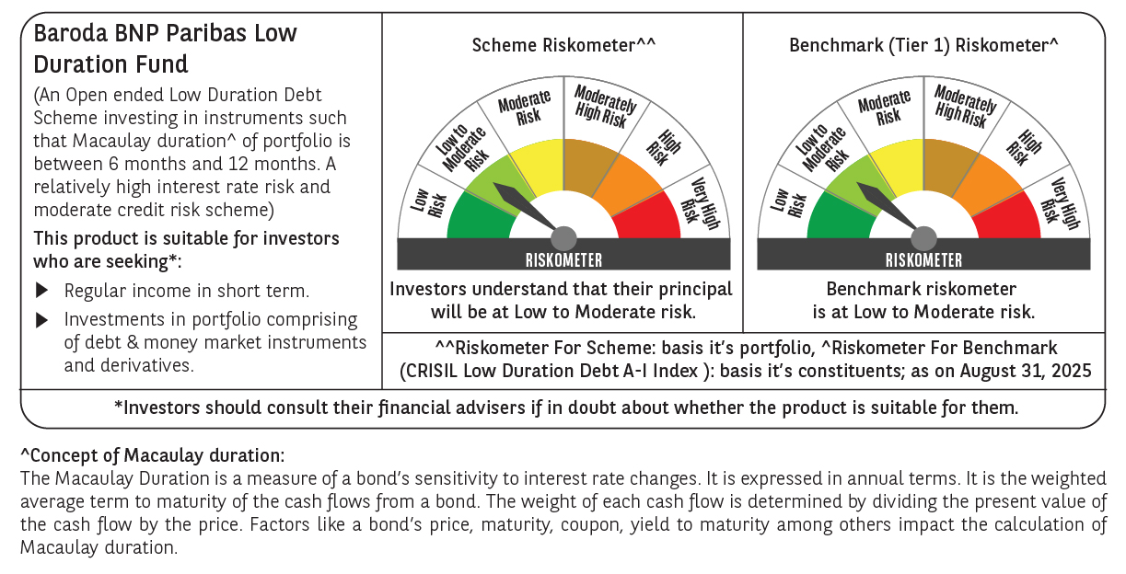



 | Monthly Performance Link: https://www.barodabnpparibasmf.in/assets/download_documents/Performance_of_Schemes_14126.pdf

