Monthly Portfolio
 | Baroda BNP Paribas Low Duration Fund

 | Monthly Portfolio Statement as on September 30, 2025
 | Name of the Instrument | ISIN | Rating | Quantity | Market/Fair Value (Rs. in Lakhs) | % to Net Assets | YTM~ | YTC^ | null
 | Debt Instruments
 | (a) Listed / awaiting listing on Stock Exchange
IRLY371 | 7.23% Indian Railway Finance Corporation Limited (15/10/2026) ** | INE053F08304 | CRISIL AAA | 2,000 | 2,012.62 | 6.97% | 6.58%
POWF487 | 7.13% Power Finance Corporation Limited (15/07/2026) ** | INE134E08LP1 | CRISIL AAA | 200 | 2,007.49 | 6.96% | 6.58%
PHFP225 | 8.15% PNB Housing Finance Limited (29/07/2027) ** | INE572E07183 | CARE AA+ | 1,000 | 1,014.38 | 3.52% | 7.26%
LICH678 | 7.8650% LIC Housing Finance Limited (20/08/2026) ** | INE115A07QT1 | CRISIL AAA | 1,000 | 1,009.01 | 3.50% | 6.73%
NBAR719 | 7.50% National Bank For Agriculture and Rural Development (31/08/2026) | INE261F08EA6 | CRISIL AAA | 1,000 | 1,006.79 | 3.49% | 6.67%
SHTR504 | 9.25% Shriram Finance Limited (19/12/2025) ** | INE721A07RU2 | CRISIL AA+ | 1,000 | 1,003.57 | 3.48% | 7.06%
BHAT66 | 8.90% Bharti Telecom Limited (04/12/2025) ** | INE403D08181 | CRISIL AAA | 1,000 | 1,002.96 | 3.48% | 6.70%
PFPL129 | 9% Piramal Finance Limited (28/06/2027) ** | INE202B07JT0 | CARE AA | 1,000 | 1,002.84 | 3.48% | 8.80%
MEBP36 | 7% Mindspace Business Parks REIT (14/09/2027) | INE0CCU07165 | CRISIL AAA | 1,000 | 1,001.32 | 3.47% | 7.11%
RECL428 | 7.56% REC Limited (30/06/2026) ** | INE020B08ED9 | CRISIL AAA | 900 | 906.37 | 3.14% | 6.44%
GOI5817 | 7.04% Government of India (03/06/2029) | IN0020240050 | Sovereign | 600,000 | 619.09 | 2.15% | 6.15%
RECL474 | 6.52% REC Limited (31/01/2028) ** | INE020B08FW6 | ICRA AAA | 600 | 597.71 | 2.07% | 6.70%
GOI6306 | 6.75% Government of India (23/12/2029) | IN0020240183 | Sovereign | 500,000 | 511.40 | 1.77% | 6.22%
ICFP147 | 10.5% IndoStar Capital Finance Limited (25/09/2026) ** | INE896L07983 | CARE AA- | 50,000 | 506.70 | 1.76% | 9.00%
GOI1408 | 8.21% State Government Securities (09/12/2025) | IN2220150147 | Sovereign | 500,000 | 502.33 | 1.74% | 5.57%
EOPR38 | 7.21% Embassy Office Parks REIT (17/03/2028) ** | INE041007167 | CRISIL AAA | 500 | 501.99 | 1.74% | 7.22%
MEBP27 | 8.02% Mindspace Business Parks REIT (13/04/2026) ** | INE0CCU07074 | CRISIL AAA | 400 | 402.58 | 1.40% | 6.95%
GOI4485 | 7.38% Government of India (20/06/2027) | IN0020220037 | Sovereign | 200,000 | 205.31 | 0.71% | 5.81%
 | Sub Total |  |  |  | 15,814.46 | 54.83%
 | (b) Privately placed / Unlisted |  |  |  | NIL | NIL
 | Sub Total |  |  |  | NIL | NIL
 | (c) Securitised Debt
VAJR28 | Vajra Trust (20/01/2029) ** | INE20NI15039 | CRISIL AAA(SO) | 5 | 497.87 | 1.73% | 9.91%
IUNT23 | India Universal Trust (21/11/2026) ** | INE1CBK15011 | CRISIL AAA(SO) | 5 | 252.36 | 0.87% | 7.38%
 | Sub Total |  |  |  | 750.23 | 2.60%
 | (b) Privately placed / Unlisted |  |  |  | NIL | NIL
 | Sub Total |  |  |  | NIL | NIL
 | Total |  |  |  | 16,564.69 | 57.43%
 | Money Market Instruments
 | Certificate of Deposit
SIDB604 | Small Industries Dev Bank of India (05/05/2026) ** # | INE556F16BH3 | CRISIL A1+ | 500 | 2,409.87 | 8.35% | 6.32%
KMBK881 | Kotak Mahindra Bank Limited (27/02/2026) ** # | INE237A166Z3 | CRISIL A1+ | 400 | 1,951.76 | 6.76% | 6.05%
INBK469 | Indian Bank (12/03/2026) # | INE562A16OI3 | CRISIL A1+ | 360 | 1,752.74 | 6.07% | 6.08%
EXIM808 | Export Import Bank of India (11/06/2026) ** # | INE514E16CM3 | CRISIL A1+ | 300 | 1,437.72 | 4.98% | 6.25%
NBAR835 | National Bank For Agriculture and Rural Development (13/03/2026) ** # | INE261F16983 | CRISIL A1+ | 200 | 973.32 | 3.37% | 6.14%
UTIB1363 | Axis Bank Limited (25/06/2026) # | INE238AD6AZ4 | CRISIL A1+ | 200 | 955.88 | 3.31% | 6.31%
UNBI444 | Union Bank of India (25/06/2026) # | INE692A16JQ1 | ICRA A1+ | 200 | 955.85 | 3.31% | 6.32%
 | Sub Total |  |  |  | 10,437.14 | 36.15%
 | Total |  |  |  | 10,437.14 | 36.15%
 | Others
 | Corporate Debt Market Development Fund
CDMD50ME | Corporate Debt Market Development Fund # | INF0RQ622028 |  | 643 | 73.16 | 0.25% | 5.62%
 | Sub Total |  |  |  | 73.16 | 0.25%
 | Total |  |  |  | 73.16 | 0.25%
 | Reverse Repo / TREPS
TRP_011025 | Clearing Corporation of India Ltd |  |  |  | 1,432.14 | 4.96% | 5.53%
 | Sub Total |  |  |  | 1,432.14 | 4.96%
 | (b) Privately placed / Unlisted |  |  |  | NIL | NIL
 | Sub Total |  |  |  | NIL | NIL
 | Total |  |  |  | 1,432.14 | 4.96%
 | Net Receivables / (Payables) |  |  |  | 348.18 | 1.21%
 | GRAND TOTAL |  |  |  | 28,855.31 | 100.00%

 | ** Thinly Traded / Non Traded Security
 | # Unlisted Security
 | ~ YTM as on September 30, 2025
 | ^ YTC represents Yield to Call provided by valuation agencies as on September 30, 2025. It is disclosed for Perpetual Bond issued by Banks (i.e. AT-1 Bond / Tier 1 Bond / Tier 2 Bond), as per AMFI Best Practices Guidelines Circular no. 135/BP/91/2020-21 read with SEBI circular No. SEBI/HO/IMD/DF4/CIR/P/2021/034 on Valuation of AT-1 Bonds and Tier 2 Bonds.

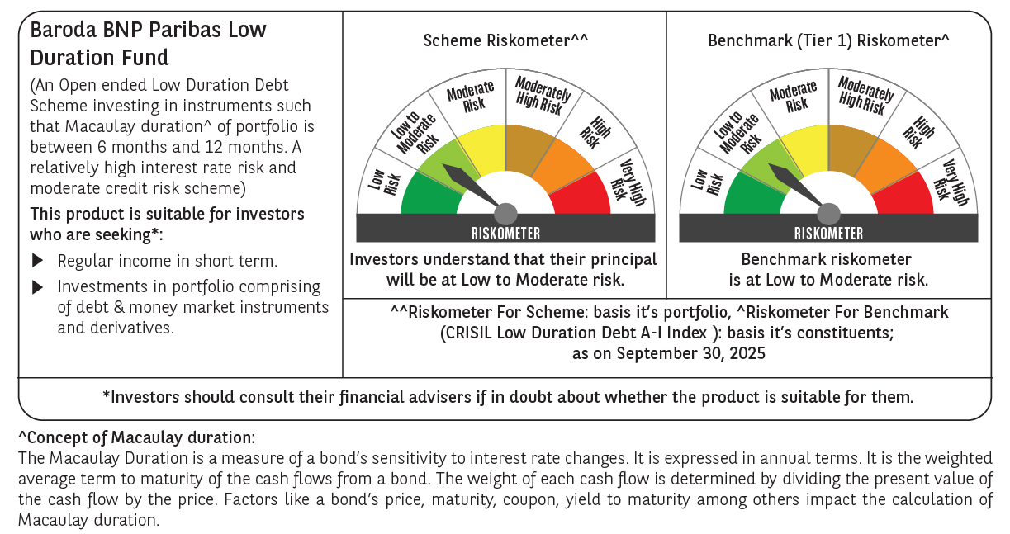



 | Monthly Performance Link: https://www.barodabnpparibasmf.in/assets/download_documents/Performance_of_Schemes_September_14618.pdf

