T0MD09
 | Baroda BNP Paribas Low Duration Fund

 | Monthly Portfolio Statement as on October 31, 2025
 | Name of the Instrument | ISIN | Rating | Quantity | Market/Fair Value (Rs. in Lakhs) | % to Net Assets | YTM~ | YTC^ | null
 | Debt Instruments
 | (a) Listed / awaiting listing on Stock Exchange
IRLY371 | 7.23% Indian Railway Finance Corporation Limited (15/10/2026) ** | INE053F08304 | CRISIL AAA | 2,000 | 2,012.76 | 7.11% | 6.52%
POWF487 | 7.13% Power Finance Corporation Limited (15/07/2026) ** | INE134E08LP1 | CRISIL AAA | 200 | 2,007.00 | 7.09% | 6.52%
PHFP225 | 8.15% PNB Housing Finance Limited (29/07/2027) ** | INE572E07183 | CARE AA+ | 1,000 | 1,013.68 | 3.58% | 7.25%
LICH678 | 7.8650% LIC Housing Finance Limited (20/08/2026) ** | INE115A07QT1 | CRISIL AAA | 1,000 | 1,008.09 | 3.56% | 6.70%
SHTR490 | 8.75% Shriram Finance Limited (15/06/2026) ** | INE721A07RH9 | CRISIL AA+ | 1,000 | 1,007.26 | 3.56% | 7.48%
NBAR719 | 7.50% National Bank For Agriculture and Rural Development (31/08/2026) ** | INE261F08EA6 | CRISIL AAA | 1,000 | 1,006.10 | 3.56% | 6.64%
PFPL129 | 9% Piramal Finance Limited (28/06/2027) ** | INE202B07JT0 | CARE AA | 1,000 | 1,005.73 | 3.55% | 8.58%
MEBP36 | 7% Mindspace Business Parks REIT (14/09/2027) ** | INE0CCU07165 | CRISIL AAA | 1,000 | 1,002.11 | 3.54% | 7.06%
RECL428 | 7.56% REC Limited (30/06/2026) ** | INE020B08ED9 | CRISIL AAA | 900 | 905.47 | 3.20% | 6.44%
BAFL943 | 7.7951% Bajaj Finance Limited (10/12/2027) ** | INE296A07TF2 | CRISIL AAA | 700 | 709.58 | 2.51% | 7.06%
GOI5817 | 7.04% Government of India (03/06/2029) | IN0020240050 | Sovereign | 600,000 | 619.11 | 2.19% | 6.13%
RECL474 | 6.52% REC Limited (31/01/2028) ** | INE020B08FW6 | ICRA AAA | 600 | 598.25 | 2.11% | 6.66%
GOI6306 | 6.75% Government of India (23/12/2029) | IN0020240183 | Sovereign | 500,000 | 511.18 | 1.81% | 6.22%
ICFP147 | 10.5% IndoStar Capital Finance Limited (25/09/2026) ** | INE896L07983 | CARE AA- | 50,000 | 506.07 | 1.79% | 8.95%
EOPR38 | 7.21% Embassy Office Parks REIT (17/03/2028) ** | INE041007167 | CRISIL AAA | 500 | 501.80 | 1.77% | 7.22%
GOI1408 | 8.21% State Government Securities (09/12/2025) | IN2220150147 | Sovereign | 500,000 | 501.33 | 1.77% | 5.57%
NBAR701 | 7.58% National Bank For Agriculture and Rural Development (31/07/2026) | INE261F08DX0 | CRISIL AAA | 400 | 402.31 | 1.42% | 6.64%
MEBP27 | 8.02% Mindspace Business Parks REIT (13/04/2026) ** | INE0CCU07074 | CRISIL AAA | 400 | 402.28 | 1.42% | 6.88%
GOI4485 | 7.38% Government of India (20/06/2027) | IN0020220037 | Sovereign | 200,000 | 205.12 | 0.72% | 5.80%
 | Sub Total |  |  |  | 15,925.23 | 56.26%
 | (b) Privately placed / Unlisted |  |  |  | NIL | NIL
 | Sub Total |  |  |  | NIL | NIL
 | (c) Securitised Debt
VAJR28 | Vajra Trust (20/01/2029) ** | INE20NI15039 | CRISIL AAA(SO) | 5 | 498.43 | 1.76% | 9.85%
IUNT23 | India Universal Trust (21/11/2026) ** | INE1CBK15011 | CRISIL AAA(SO) | 5 | 227.41 | 0.80% | 7.29%
 | Sub Total |  |  |  | 725.84 | 2.56%
 | (b) Privately placed / Unlisted |  |  |  | NIL | NIL
 | Sub Total |  |  |  | NIL | NIL
 | Total |  |  |  | 16,651.07 | 58.82%
 | Money Market Instruments
 | Certificate of Deposit
SIDB604 | Small Industries Dev Bank of India (05/05/2026) ** # | INE556F16BH3 | CRISIL A1+ | 500 | 2,422.94 | 8.56% | 6.28%
KMBK881 | Kotak Mahindra Bank Limited (27/02/2026) ** # | INE237A166Z3 | CRISIL A1+ | 400 | 1,961.56 | 6.93% | 6.06%
INBK469 | Indian Bank (12/03/2026) ** # | INE562A16OI3 | CRISIL A1+ | 360 | 1,761.75 | 6.23% | 6.05%
EXIM808 | Export Import Bank of India (11/06/2026) ** # | INE514E16CM3 | CRISIL A1+ | 300 | 1,445.32 | 5.11% | 6.22%
UNBI444 | Union Bank of India (25/06/2026) ** # | INE692A16JQ1 | ICRA A1+ | 200 | 961.12 | 3.40% | 6.26%
UTIB1363 | Axis Bank Limited (25/06/2026) ** # | INE238AD6AZ4 | CRISIL A1+ | 200 | 961.04 | 3.40% | 6.27%
 | Sub Total |  |  |  | 9,513.73 | 33.63%
 | Total |  |  |  | 9,513.73 | 33.63%
 | Others
 | Corporate Debt Market Development Fund
CDMD50ME | Corporate Debt Market Development Fund # | INF0RQ622028 |  | 643 | 73.51 | 0.26% | 5.58%
 | Sub Total |  |  |  | 73.51 | 0.26%
 | Total |  |  |  | 73.51 | 0.26%
 | Reverse Repo / TREPS
TRP_031125 | Clearing Corporation of India Ltd |  |  |  | 593.17 | 2.10% | 5.59%
 | Sub Total |  |  |  | 593.17 | 2.10%
 | (b) Privately placed / Unlisted |  |  |  | NIL | NIL
 | Sub Total |  |  |  | NIL | NIL
 | Total |  |  |  | 593.17 | 2.10%
 | Net Receivables / (Payables) |  |  |  | 1,465.56 | 5.19%
 | GRAND TOTAL |  |  |  | 28,297.04 | 100.00%

 | ** Thinly Traded / Non Traded Security
 | # Unlisted Security
 | ~ YTM as on October 31, 2025
 | ^ YTC represents Yield to Call provided by valuation agencies as on October 31, 2025. It is disclosed for Perpetual Bond issued by Banks (i.e. AT-1 Bond / Tier 1 Bond / Tier 2 Bond), as per AMFI Best Practices Guidelines Circular no. 135/BP/91/2020-21 read with SEBI circular No. SEBI/HO/IMD/DF4/CIR/P/2021/034 on Valuation of AT-1 Bonds and Tier 2 Bonds.

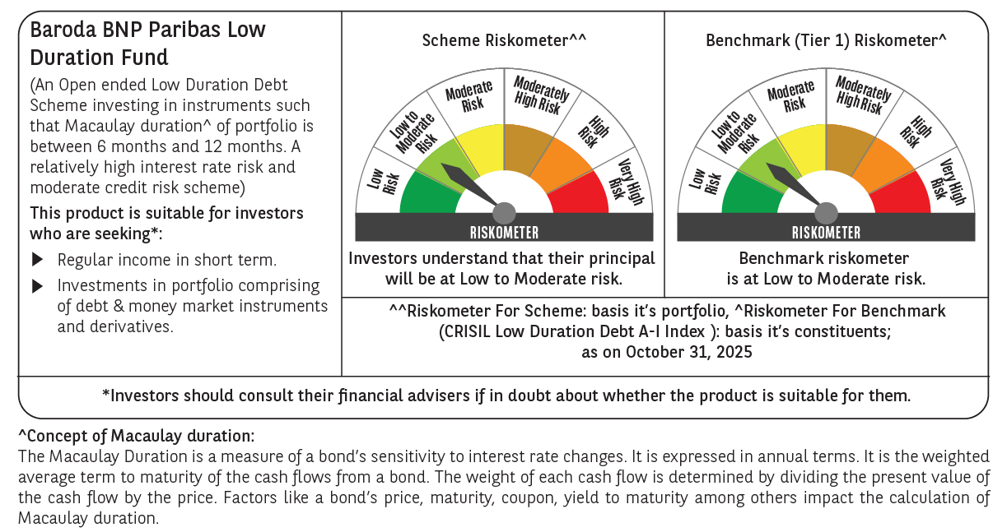



 | Monthly Performance Link: https://www.barodabnpparibasmf.in/assets/download_documents/Performance_of_Schemes-October_2025_15267.pdf

