T0MD09
 | Baroda BNP Paribas Low Duration Fund

 | Monthly Portfolio Statement as on November 30, 2025
 | Name of the Instrument | ISIN | Rating | Quantity | Market/Fair Value (Rs. in Lakhs) | % to Net Assets | YTM~ | YTC^ | null
 | Debt Instruments
 | (a) Listed / awaiting listing on Stock Exchange
IRLY371 | 7.23% Indian Railway Finance Corporation Limited (15/10/2026) ** | INE053F08304 | CRISIL AAA | 2,000 | 2,011.26 | 6.98% | 6.55%
POWF487 | 7.13% Power Finance Corporation Limited (15/07/2026) | INE134E08LP1 | CRISIL AAA | 200 | 2,005.76 | 6.96% | 6.52%
PHFP225 | 8.15% PNB Housing Finance Limited (29/07/2027) ** | INE572E07183 | CARE AA+ | 1,000 | 1,013.26 | 3.52% | 7.23%
SHTR490 | 8.75% Shriram Finance Limited (15/06/2026) ** | INE721A07RH9 | CRISIL AA+ | 1,000 | 1,007.79 | 3.50% | 7.21%
LICH678 | 7.8650% LIC Housing Finance Limited (20/08/2026) ** | INE115A07QT1 | CRISIL AAA | 1,000 | 1,007.21 | 3.50% | 6.67%
PFPL129 | 9% Piramal Finance Limited (28/06/2027) ** | INE202B07JT0 | CARE AA | 1,000 | 1,006.58 | 3.50% | 8.50%
NBAR719 | 7.50% National Bank For Agriculture and Rural Development (31/08/2026) ** | INE261F08EA6 | CRISIL AAA | 1,000 | 1,005.71 | 3.49% | 6.57%
MEBP36 | 7% Mindspace Business Parks REIT (14/09/2027) ** | INE0CCU07165 | CRISIL AAA | 1,000 | 1,003.24 | 3.48% | 6.98%
RECL428 | 7.56% REC Limited (30/06/2026) ** | INE020B08ED9 | CRISIL AAA | 900 | 904.61 | 3.14% | 6.43%
BAFL943 | 7.7951% Bajaj Finance Limited (10/12/2027) ** | INE296A07TF2 | CRISIL AAA | 700 | 710.39 | 2.47% | 6.98%
GOI5817 | 7.04% Government of India (03/06/2029) | IN0020240050 | Sovereign | 600,000 | 619.80 | 2.15% | 6.07%
RECL474 | 6.52% REC Limited (31/01/2028) | INE020B08FW6 | ICRA AAA | 600 | 599.01 | 2.08% | 6.60%
GOI6306 | 6.75% Government of India (23/12/2029) | IN0020240183 | Sovereign | 500,000 | 511.17 | 1.77% | 6.21%
ICFP147 | 10.5% IndoStar Capital Finance Limited (25/09/2026) ** | INE896L07983 | CARE AA- | 50,000 | 506.81 | 1.76% | 8.55%
EOPR38 | 7.21% Embassy Office Parks REIT (17/03/2028) ** | INE041007167 | CRISIL AAA | 500 | 502.39 | 1.74% | 7.16%
GOI1408 | 8.21% State Government Securities (09/12/2025) | IN2220150147 | Sovereign | 500,000 | 500.29 | 1.74% | 5.42%
GOI6919 | 6.01% Government of India (21/07/2030) | IN0020250067 | Sovereign | 500,000 | 495.84 | 1.72% | 6.31%
NBAR701 | 7.58% National Bank For Agriculture and Rural Development (31/07/2026) ** | INE261F08DX0 | CRISIL AAA | 400 | 402.14 | 1.40% | 6.57%
MEBP27 | 8.02% Mindspace Business Parks REIT (13/04/2026) | INE0CCU07074 | CRISIL AAA | 400 | 401.95 | 1.40% | 6.82%
GOI4485 | 7.38% Government of India (20/06/2027) | IN0020220037 | Sovereign | 200,000 | 205.26 | 0.71% | 5.66%
 | Sub Total |  |  |  | 16,420.47 | 57.01%
 | (b) Privately placed / Unlisted |  |  |  | NIL | NIL
 | Sub Total |  |  |  | NIL | NIL
 | (c) Securitised Debt
VAJR28 | Vajra Trust (20/01/2029) ** | INE20NI15039 | CRISIL AAA(SO) | 5 | 498.78 | 1.73% | 9.82%
IUNT23 | India Universal Trust (21/11/2026) ** | INE1CBK15011 | CRISIL AAA(SO) | 5 | 203.26 | 0.71% | 7.22%
 | Sub Total |  |  |  | 702.04 | 2.44%
 | (b) Privately placed / Unlisted |  |  |  | NIL | NIL
 | Sub Total |  |  |  | NIL | NIL
 | Total |  |  |  | 17,122.51 | 59.45%
 | Money Market Instruments
 | Certificate of Deposit
SIDB604 | Small Industries Dev Bank of India (05/05/2026) ** # | INE556F16BH3 | CRISIL A1+ | 500 | 2,435.62 | 8.46% | 6.23%
KMBK881 | Kotak Mahindra Bank Limited (27/02/2026) # | INE237A166Z3 | CRISIL A1+ | 400 | 1,972.10 | 6.85% | 5.87%
INBK469 | Indian Bank (12/03/2026) ** # | INE562A16OI3 | CRISIL A1+ | 360 | 1,771.11 | 6.15% | 5.90%
EXIM808 | Export Import Bank of India (11/06/2026) ** # | INE514E16CM3 | CRISIL A1+ | 300 | 1,452.77 | 5.04% | 6.18%
UTIB1363 | Axis Bank Limited (25/06/2026) ** # | INE238AD6AZ4 | CRISIL A1+ | 200 | 965.98 | 3.35% | 6.24%
UNBI444 | Union Bank of India (25/06/2026) # | INE692A16JQ1 | ICRA A1+ | 100 | 483.04 | 1.68% | 6.22%
 | Sub Total |  |  |  | 9,080.62 | 31.53%
 | Commercial Paper
CHOL1101 | Cholamandalam Investment and Finance Company Ltd (27/11/2026) ** | INE121A14YB7 | ICRA A1+ | 200 | 933.95 | 3.24% | 7.15%
 | Sub Total |  |  |  | 933.95 | 3.24%
 | Total |  |  |  | 10,014.57 | 34.77%
 | Others
 | Corporate Debt Market Development Fund
CDMD50ME | Corporate Debt Market Development Fund # | INF0RQ622028 |  | 643 | 73.85 | 0.26% | 5.49%
 | Sub Total |  |  |  | 73.85 | 0.26%
 | Total |  |  |  | 73.85 | 0.26%
 | Reverse Repo / TREPS
TRP_011225 | Clearing Corporation of India Ltd |  |  |  | 1,049.01 | 3.64% | 5.43%
 | Sub Total |  |  |  | 1,049.01 | 3.64%
 | (b) Privately placed / Unlisted |  |  |  | NIL | NIL
 | Sub Total |  |  |  | NIL | NIL
 | Total |  |  |  | 1,049.01 | 3.64%
 | Net Receivables / (Payables) |  |  |  | 539.20 | 1.88%
 | GRAND TOTAL |  |  |  | 28,799.14 | 100.00%

 | ** Thinly Traded / Non Traded Security
 | # Unlisted Security
 | ~ YTM as on November 30, 2025
 | ^ YTC represents Yield to Call provided by valuation agencies as on November 30, 2025. It is disclosed for Perpetual Bond issued by Banks (i.e. AT-1 Bond / Tier 1 Bond / Tier 2 Bond), as per AMFI Best Practices Guidelines Circular no. 135/BP/91/2020-21 read with SEBI circular No. SEBI/HO/IMD/DF4/CIR/P/2021/034 on Valuation of AT-1 Bonds and Tier 2 Bonds.

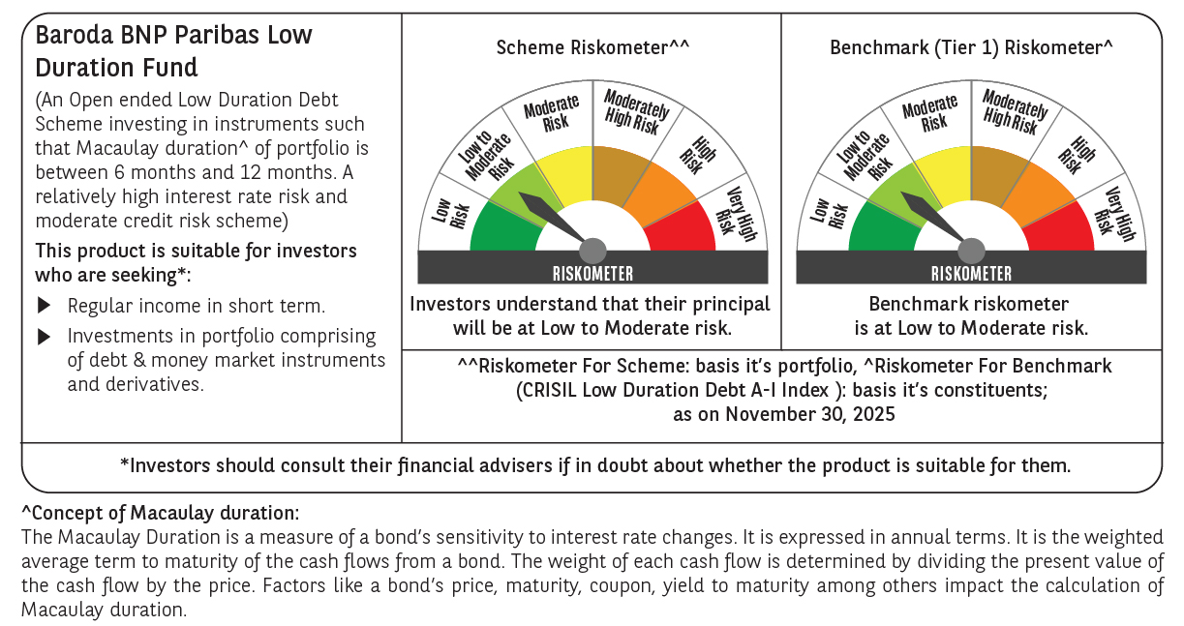



 | Monthly Performance Link: https://www.barodabnpparibasmf.in/assets/download_documents/Performance_of_Schemes_Nov-2025_15612.pdf

