T0MD09
 | Baroda BNP Paribas Low Duration Fund

 | Monthly Portfolio Statement as on August 31, 2024
 | Name of the Instrument | ISIN | Rating | Quantity | Market/Fair Value (Rs. in Lakhs) | % to Net Assets | YTM~ | YTC^ | null
 | Debt Instruments
 | (a) Listed / awaiting listing on Stock Exchange
SIDB467 | 7.15% Small Industries Dev Bank of India (21/07/2025) ** | INE556F08JZ5 | ICRA AAA | 200 | 1,988.27 | 9.26% | 7.79%
NHBA317 | 7.34% National Housing Bank (07/08/2025) ** | INE557F08FN7 | CRISIL AAA | 150 | 1,496.15 | 6.97% | 7.62%
BHAT66 | 8.90% Bharti Telecom Limited (04/12/2025) ** | INE403D08181 | CRISIL AA+ | 1,000 | 1,003.89 | 4.67% | 8.50%
SHTR504 | 9.25% Shriram Finance Limited (19/12/2025) ** | INE721A07RU2 | CRISIL AA+ | 1,000 | 1,001.80 | 4.67% | 9.03%
RIND332 | 7.4% Reliance Industries Limited (25/04/2025) ** | INE002A08617 | CRISIL AAA | 100 | 997.44 | 4.64% | 7.62%
POWF486 | 7.13% Power Finance Corporation Limited (08/08/2025) ** | INE134E08LO4 | CRISIL AAA | 100 | 994.70 | 4.63% | 7.71%
GOI5379 | 7.32% Government of India (13/11/2030) | IN0020230135 | Sovereign | 800,000 | 819.75 | 3.82% | 6.94%
MEBP27 | 8.02% Mindspace Business Parks REIT (13/04/2026) ** | INE0CCU07074 | CRISIL AAA | 700 | 701.42 | 3.27% | 8.12%
JMFP872 | 8.5% JM Financial Products Limited (16/05/2025) ** | INE523H07BV9 | ICRA AA | 70 | 694.90 | 3.24% | 9.66%
GOI4485 | 7.38% Government of India (20/06/2027) | IN0020220037 | Sovereign | 200,000 | 203.14 | 0.95% | 6.86%
 | Sub Total |  |  |  | 9,901.46 | 46.12%
 | (b) Privately placed / Unlisted |  |  |  | NIL | NIL
 | Sub Total |  |  |  | NIL | NIL
 | Total |  |  |  | 9,901.46 | 46.12%
 | Money Market Instruments
 | Certificate of Deposit
NBAR752 | National Bank For Agriculture and Rural Development (14/02/2025) ** # | INE261F16801 | FITCH A1+ | 300 | 1,450.38 | 6.75% | 7.52%
IBCL1165 | ICICI Bank Limited (27/02/2025) ** # | INE090AD6139 | ICRA A1+ | 300 | 1,447.26 | 6.74% | 7.43%
KMBK858 | Kotak Mahindra Bank Limited (02/05/2025) ** # | INE237A160X1 | CRISIL A1+ | 300 | 1,428.12 | 6.65% | 7.56%
PUBA1039 | Punjab National Bank (10/07/2025) ** # | INE160A16PJ1 | CRISIL A1+ | 300 | 1,408.10 | 6.56% | 7.64%
UTIB1325 | Axis Bank Limited (15/07/2025) ** # | INE238AD6868 | CRISIL A1+ | 300 | 1,406.29 | 6.55% | 7.67%
CANB960 | Canara Bank (22/01/2025) # | INE476A16XK3 | CRISIL A1+ | 200 | 971.57 | 4.52% | 7.47%
UTIB1323 | Axis Bank Limited (06/06/2025) ** # | INE238AD6835 | CRISIL A1+ | 120 | 567.13 | 2.64% | 7.61%
IBCL1171 | ICICI Bank Limited (27/06/2025) ** # | INE090AD6162 | ICRA A1+ | 120 | 565.07 | 2.63% | 7.55%
KMBK857 | Kotak Mahindra Bank Limited (09/05/2025) ** # | INE237A162X7 | CRISIL A1+ | 100 | 475.38 | 2.21% | 7.56%
 | Sub Total |  |  |  | 9,719.30 | 45.25%
 | Total |  |  |  | 9,719.30 | 45.25%
 | Others
 | Corporate Debt Market Development Fund
CDMD50ME | Corporate Debt Market Development Fund # | INF0RQ622028 |  | 516 | 53.53 | 0.25%
 | Sub Total |  |  |  | 53.53 | 0.25%
 | Total |  |  |  | 53.53 | 0.25%
 | Reverse Repo / TREPS
TRP_020924 | Clearing Corporation of India Ltd |  |  |  | 1,504.52 | 7.01% | 6.52%
 | Sub Total |  |  |  | 1,504.52 | 7.01%
 | (b) Privately placed / Unlisted |  |  |  | NIL | NIL
 | Sub Total |  |  |  | NIL | NIL
 | Total |  |  |  | 1,504.52 | 7.01%
 | Net Receivables / (Payables) |  |  |  | 294.80 | 1.37%
 | GRAND TOTAL |  |  |  | 21,473.61 | 100.00%

 | ** Thinly Traded / Non Traded Security
 | # Unlisted Security
 | ~ YTM as on August 31, 2024
 | ^ YTC represents Yield to Call provided by valuation agencies as on August 31, 2024. It is disclosed for Perpetual Bond issued by Banks (i.e. AT-1 Bond / Tier 1 Bond / Tier 2 Bond), as per AMFI Best Practices Guidelines Circular no. 135/BP/91/2020-21 read with SEBI circular No. SEBI/HO/IMD/DF4/CIR/P/2021/034 on Valuation of AT-1 Bonds and Tier 2 Bonds.

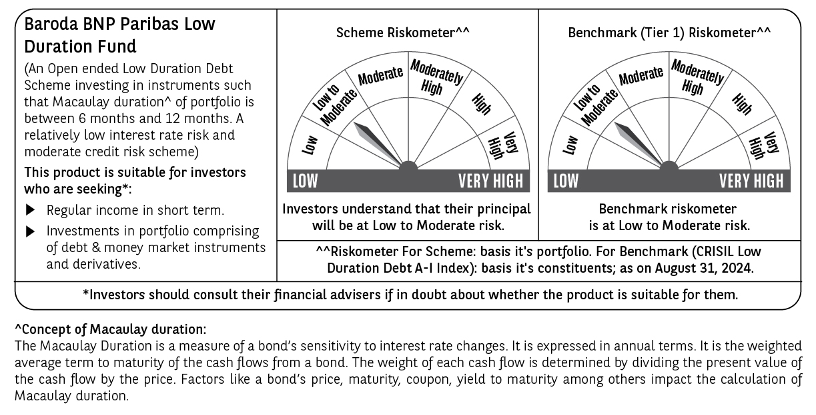

 | Potential Risk Class (PRC) matrix*
 | Credit Risk (Max)→ | Relatively Low: Class A (CRV>=12) | Moderate: Class B (CRV>=10) | Relatively High: Class C (CRV<10)
 | Interest Rate Risk (Max)↓
 | Relatively Low: Class I (MD<=1 year) |  | B-I
 | Moderate: Class II
 | (MD<=3 year)
 | Relatively High: Class III
 | (Any MD)
 | MD=Macaulay Duration, CRV=Credit Risk Value
 | *The PRC matrix denotes the maximum risk that the respective Scheme can take i.e. maximum interest rate risk (measured by MD of the Scheme) and maximum credit risk (measured by CRV of the Scheme)

