Monthly-Portfolio
 | Baroda BNP Paribas Low Duration Fund

 | Monthly Portfolio Statement as on September 30, 2024
 | Name of the Instrument | ISIN | Rating | Quantity | Market/Fair Value (Rs. in Lakhs) | % to Net Assets | YTM~ | YTC^ | null
 | Debt Instruments
 | (a) Listed / awaiting listing on Stock Exchange
SIDB467 | 7.15% Small Industries Dev Bank of India (21/07/2025) ** | INE556F08JZ5 | ICRA AAA | 200 | 1,988.60 | 8.90% | 7.79%
RECL454 | 7.59% REC Limited (31/05/2027) ** | INE020B08FA2 | CRISIL AAA | 1,500 | 1,502.46 | 6.72% | 7.47%
NBAR701 | 7.58% National Bank For Agriculture and Rural Development (31/07/2026) | INE261F08DX0 | CRISIL AAA | 1,500 | 1,497.81 | 6.70% | 7.65%
NHBA317 | 7.34% National Housing Bank (07/08/2025) ** | INE557F08FN7 | CRISIL AAA | 150 | 1,497.57 | 6.70% | 7.52%
BHAT66 | 8.90% Bharti Telecom Limited (04/12/2025) ** | INE403D08181 | CRISIL AA+ | 1,000 | 1,003.69 | 4.49% | 8.51%
SHTR504 | 9.25% Shriram Finance Limited (19/12/2025) ** | INE721A07RU2 | CRISIL AA+ | 1,000 | 1,002.87 | 4.49% | 8.93%
RIND332 | 7.4% Reliance Industries Limited (25/04/2025) ** | INE002A08617 | CRISIL AAA | 100 | 997.83 | 4.46% | 7.56%
POWF486 | 7.13% Power Finance Corporation Limited (08/08/2025) ** | INE134E08LO4 | CRISIL AAA | 100 | 995.54 | 4.45% | 7.61%
MEBP27 | 8.02% Mindspace Business Parks REIT (13/04/2026) ** | INE0CCU07074 | CRISIL AAA | 700 | 702.18 | 3.14% | 8.05%
JMFP872 | 8.5% JM Financial Products Limited (16/05/2025) ** | INE523H07BV9 | ICRA AA | 70 | 698.50 | 3.12% | 8.95%
ICFP147 | 10.5% IndoStar Capital Finance Limited (25/09/2026) | INE896L07983 | CARE AA- | 50,000 | 497.15 | 2.22% | 10.83%
GOI2935 | 5.75% State Government Securities (10/06/2025) | IN1920200061 | Sovereign | 500,000 | 496.88 | 2.22% | 6.78%
GOI4485 | 7.38% Government of India (20/06/2027) | IN0020220037 | Sovereign | 200,000 | 203.48 | 0.91% | 6.77%
 | Sub Total |  |  |  | 13,084.56 | 58.52%
 | (b) Privately placed / Unlisted |  |  |  | NIL | NIL
 | Sub Total |  |  |  | NIL | NIL
 | Total |  |  |  | 13,084.56 | 58.52%
 | Money Market Instruments
 | Certificate of Deposit
KMBK858 | Kotak Mahindra Bank Limited (02/05/2025) ** # | INE237A160X1 | CRISIL A1+ | 300 | 1,437.26 | 6.43% | 7.48%
PUBA1039 | Punjab National Bank (10/07/2025) ** # | INE160A16PJ1 | CRISIL A1+ | 300 | 1,417.12 | 6.34% | 7.57%
UTIB1325 | Axis Bank Limited (15/07/2025) ** # | INE238AD6868 | CRISIL A1+ | 300 | 1,415.42 | 6.33% | 7.60%
CANB1005 | Canara Bank (03/09/2025) # | INE476A16ZA9 | CRISIL A1+ | 300 | 1,402.49 | 6.27% | 7.53%
UTIB1323 | Axis Bank Limited (06/06/2025) ** # | INE238AD6835 | CRISIL A1+ | 120 | 570.85 | 2.55% | 7.52%
KMBK857 | Kotak Mahindra Bank Limited (09/05/2025) ** # | INE237A162X7 | CRISIL A1+ | 100 | 478.43 | 2.14% | 7.48%
 | Sub Total |  |  |  | 6,721.57 | 30.06%
 | Total |  |  |  | 6,721.57 | 30.06%
 | Others
 | Corporate Debt Market Development Fund
CDMD50ME | Corporate Debt Market Development Fund # | INF0RQ622028 |  | 516 | 53.73 | 0.24%
 | Sub Total |  |  |  | 53.73 | 0.24%
 | Total |  |  |  | 53.73 | 0.24%
 | Reverse Repo / TREPS
TRP_011024 | Clearing Corporation of India Ltd |  |  |  | 3,578.26 | 16.01% | 6.65%
 | Sub Total |  |  |  | 3,578.26 | 16.01%
 | (b) Privately placed / Unlisted |  |  |  | NIL | NIL
 | Sub Total |  |  |  | NIL | NIL
 | Total |  |  |  | 3,578.26 | 16.01%
 | Net Receivables / (Payables) |  |  |  | (1,084.81) | (4.83)%
 | GRAND TOTAL |  |  |  | 22,353.31 | 100.00%

 | ** Thinly Traded / Non Traded Security
 | # Unlisted Security
 | ~ YTM as on September 30, 2024
 | ^ YTC represents Yield to Call provided by valuation agencies as on September 30, 2024. It is disclosed for Perpetual Bond issued by Banks (i.e. AT-1 Bond / Tier 1 Bond / Tier 2 Bond), as per AMFI Best Practices Guidelines Circular no. 135/BP/91/2020-21 read with SEBI circular No. SEBI/HO/IMD/DF4/CIR/P/2021/034 on Valuation of AT-1 Bonds and Tier 2 Bonds.

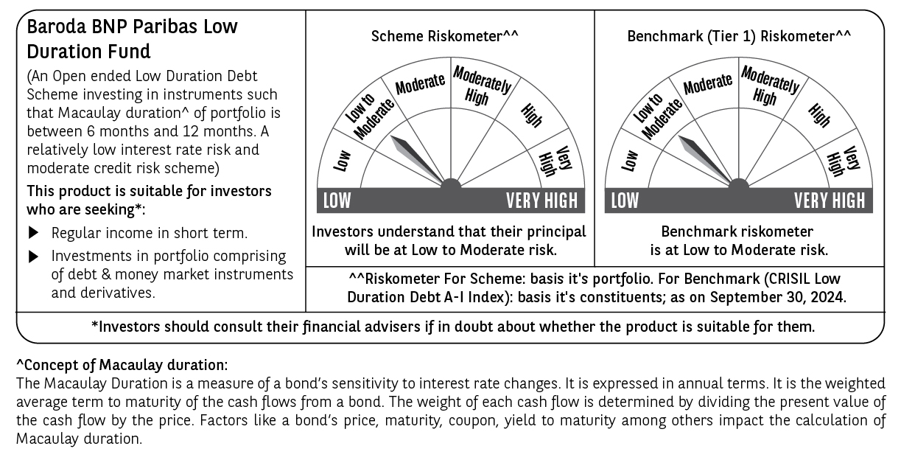

 | Potential Risk Class (PRC) matrix*
 | Credit Risk (Max)→ | Relatively Low: Class A (CRV>=12) | Moderate: Class B (CRV>=10) | Relatively High: Class C (CRV<10)
 | Interest Rate Risk (Max)↓
 | Relatively Low: Class I (MD<=1 year) |  | B-I
 | Moderate: Class II
 | (MD<=3 year)
 | Relatively High: Class III
 | (Any MD)
 | MD=Macaulay Duration, CRV=Credit Risk Value
 | *The PRC matrix denotes the maximum risk that the respective Scheme can take i.e. maximum interest rate risk (measured by MD of the Scheme) and maximum credit risk (measured by CRV of the Scheme)

