T0MD09
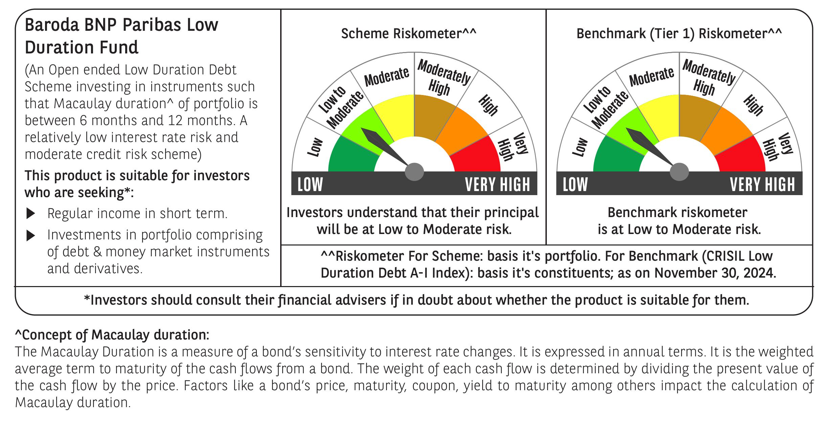

 | Baroda BNP Paribas Low Duration Fund

 | Monthly Portfolio Statement as on November 30, 2024
 | Name of the Instrument | ISIN | Rating | Quantity | Market/Fair Value (Rs. in Lakhs) | % to Net Assets | YTM~ | YTC^ | null
 | Debt Instruments
 | (a) Listed / awaiting listing on Stock Exchange
GOI2936 | 4.7% Government of India (22/09/2033) | IN0020200120 | Sovereign | 2,000,000 | 2,058.17 | 9.03% | 0.00%
NBAR701 | 7.58% National Bank For Agriculture and Rural Development (31/07/2026) | INE261F08DX0 | CRISIL AAA | 1,500 | 1,498.77 | 6.57% | 7.59%
NHBA317 | 7.34% National Housing Bank (07/08/2025) ** | INE557F08FN7 | CRISIL AAA | 150 | 1,497.02 | 6.56% | 7.60%
BHAT66 | 8.90% Bharti Telecom Limited (04/12/2025) | INE403D08181 | CRISIL AA+ | 1,000 | 1,005.56 | 4.41% | 8.30%
SHTR504 | 9.25% Shriram Finance Limited (19/12/2025) ** | INE721A07RU2 | CRISIL AA+ | 1,000 | 1,003.32 | 4.40% | 8.89%
PHFP225 | 8.15% PNB Housing Finance Limited (29/07/2027) ** | INE572E07183 | CARE AA+ | 1,000 | 1,000.44 | 4.39% | 8.14%
RIND332 | 7.4% Reliance Industries Limited (25/04/2025) ** | INE002A08617 | CRISIL AAA | 100 | 998.28 | 4.38% | 7.52%
POWF459 | 7.17% Power Finance Corporation Limited (22/05/2025) ** | INE134E08KT5 | CRISIL AAA | 100 | 997.02 | 4.37% | 7.54%
POWF486 | 7.13% Power Finance Corporation Limited (08/08/2025) | INE134E08LO4 | CRISIL AAA | 100 | 995.60 | 4.37% | 7.64%
MEBP27 | 8.02% Mindspace Business Parks REIT (13/04/2026) ** | INE0CCU07074 | CRISIL AAA | 700 | 701.81 | 3.08% | 8.06%
ICFP147 | 10.5% IndoStar Capital Finance Limited (25/09/2026) ** | INE896L07983 | CARE AA- | 50,000 | 499.06 | 2.19% | 10.57%
GOI4485 | 7.38% Government of India (20/06/2027) | IN0020220037 | Sovereign | 200,000 | 203.21 | 0.89% | 6.79%
HHFL205 | 8.94% Hero Fincorp Limited (10/09/2025) ** | INE957N07781 | CRISIL AA+ | 200 | 200.11 | 0.88% | 8.69%
 | Sub Total |  |  |  | 12,658.37 | 55.52%
 | (b) Privately placed / Unlisted |  |  |  | NIL | NIL
 | Sub Total |  |  |  | NIL | NIL
 | (c) Securitised Debt
IUNT23 | India Universal Trust AL1 (21/11/2026) ** | INE1CBK15011 | CRISIL AAA(SO) | 5 | 499.90 | 2.19% | 8.36%
 | Sub Total |  |  |  | 499.90 | 2.19%
 | (b) Privately placed / Unlisted |  |  |  | NIL | NIL
 | Sub Total |  |  |  | NIL | NIL
 | Total |  |  |  | 13,158.27 | 57.71%
 | Money Market Instruments
 | Certificate of Deposit
KMBK858 | Kotak Mahindra Bank Limited (02/05/2025) ** # | INE237A160X1 | CRISIL A1+ | 300 | 1,455.07 | 6.38% | 7.42%
PUBA1039 | Punjab National Bank (10/07/2025) ** # | INE160A16PJ1 | CRISIL A1+ | 300 | 1,434.39 | 6.29% | 7.56%
HDFB961 | HDFC Bank Limited (25/07/2025) ** # | INE040A16FF4 | CARE A1+ | 300 | 1,430.10 | 6.27% | 7.56%
IBCL1171 | ICICI Bank Limited (27/06/2025) ** # | INE090AD6162 | ICRA A1+ | 160 | 767.57 | 3.37% | 7.42%
UTIB1323 | Axis Bank Limited (06/06/2025) ** # | INE238AD6835 | CRISIL A1+ | 120 | 577.94 | 2.53% | 7.45%
KMBK857 | Kotak Mahindra Bank Limited (09/05/2025) ** # | INE237A162X7 | CRISIL A1+ | 100 | 484.36 | 2.12% | 7.42%
 | Sub Total |  |  |  | 6,149.43 | 26.96%
 | Commercial Paper
EXIM789 | Export Import Bank of India (17/11/2025) ** | INE514E14SJ0 | CRISIL A1+ | 300 | 1,398.47 | 6.13% | 7.55%
BGHP165 | Birla Group Holdings Private Limited (05/06/2025) ** | INE09OL14FY0 | CRISIL A1+ | 200 | 960.48 | 4.21% | 8.07%
 | Sub Total |  |  |  | 2,358.95 | 10.34%
 | Total |  |  |  | 8,508.38 | 37.30%
 | Others
 | Corporate Debt Market Development Fund
CDMD50ME | Corporate Debt Market Development Fund # | INF0RQ622028 |  | 516 | 54.04 | 0.24%
 | Sub Total |  |  |  | 54.04 | 0.24%
 | Total |  |  |  | 54.04 | 0.24%
 | Reverse Repo / TREPS
TRP_021224 | Clearing Corporation of India Ltd |  |  |  | 695.14 | 3.05% | 6.69%
 | Sub Total |  |  |  | 695.14 | 3.05%
 | (b) Privately placed / Unlisted |  |  |  | NIL | NIL
 | Sub Total |  |  |  | NIL | NIL
 | Total |  |  |  | 695.14 | 3.05%
 | Net Receivables / (Payables) |  |  |  | 387.64 | 1.70%
 | GRAND TOTAL |  |  |  | 22,803.47 | 100.00%

 | ** Thinly Traded / Non Traded Security
 | # Unlisted Security
 | ~ YTM as on November 30, 2024
 | ^ YTC represents Yield to Call provided by valuation agencies as on November 30, 2024. It is disclosed for Perpetual Bond issued by Banks (i.e. AT-1 Bond / Tier 1 Bond / Tier 2 Bond), as per AMFI Best Practices Guidelines Circular no. 135/BP/91/2020-21 re

