T0MD12
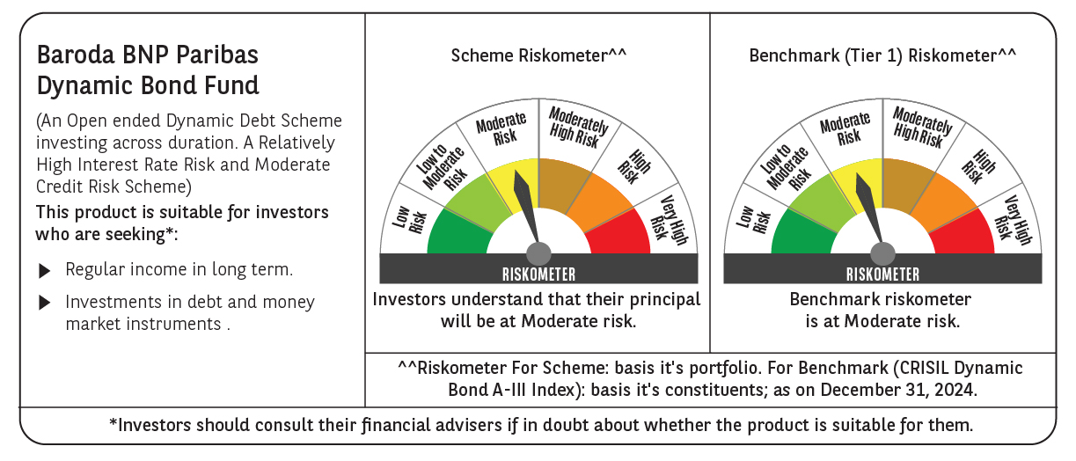

 | Baroda BNP Paribas Dynamic Bond Fund

 | Monthly Portfolio Statement as on December 31, 2024
 | Name of the Instrument | ISIN | Rating | Quantity | Market/Fair Value (Rs. in Lakhs) | % to Net Assets | YTM~ | YTC^ | null
 | Debt Instruments
 | (a) Listed / awaiting listing on Stock Exchange
GOI6156 | 6.79% Government of India (07/10/2034) | IN0020240126 | Sovereign | 7,000,000 | 7,014.25 | 39.67% | 6.87%
GOI5713 | 7.1% Government of India (08/04/2034) | IN0020240019 | Sovereign | 6,500,000 | 6,635.64 | 37.53% | 6.91%
GOI5728 | 7.34% Government of India (22/04/2064) | IN0020240035 | Sovereign | 1,800,000 | 1,870.22 | 10.58% | 7.17%
GOI5379 | 7.32% Government of India (13/11/2030) | IN0020230135 | Sovereign | 1,300,000 | 1,333.73 | 7.54% | 6.89%
GOI5228 | 7.18% Government of India (14/08/2033) | IN0020230085 | Sovereign | 300,000 | 306.97 | 1.74% | 6.93%
GOI2174 | 8.26% State Government Securities (02/01/2029) | IN2220180060 | Sovereign | 500 | 0.52 | $0.00% | 7.17%
GOI1830 | 7.64% State Government Securities (29/03/2027) | IN1620160292 | Sovereign | 300 | 0.30 | $0.00% | 7.10%
 | Sub Total |  |  |  | 17,161.63 | 97.06%
 | (b) Privately placed / Unlisted |  |  |  | NIL | NIL
 | Sub Total |  |  |  | NIL | NIL
 | Total |  |  |  | 17,161.63 | 97.06%
 | Others
 | Corporate Debt Market Development Fund
CDMD50ME | Corporate Debt Market Development Fund # | INF0RQ622028 |  | 374 | 40.52 | 0.23%
 | Sub Total |  |  |  | 40.52 | 0.23%
 | Total |  |  |  | 40.52 | 0.23%
 | Reverse Repo / TREPS
TRP_010125 | Clearing Corporation of India Ltd |  |  |  | 222.70 | 1.26% | 6.58%
 | Sub Total |  |  |  | 222.70 | 1.26%
 | (b) Privately placed / Unlisted |  |  |  | NIL | NIL
 | Sub Total |  |  |  | NIL | NIL
 | Total |  |  |  | 222.70 | 1.26%
 | Net Receivables / (Payables) |  |  |  | 254.68 | 1.45%
 | GRAND TOTAL |  |  |  | 17,679.53 | 100.00%

 | # Unlisted Security
 | $ Less Than 0.01% of Net Asset Value
 | ~ YTM as on December 31, 2024
 | ^ YTC represents Yield to Call provided by valuation agencies as on December 31, 2024. It is disclosed for Perpetual Bond issued by Banks (i.e. AT-1 Bond / Tier 1 Bond / Tier 2 Bond), as per AMFI Best Practices Guidelines Circular no. 135/BP/91/2020-21 re

