T0MD12
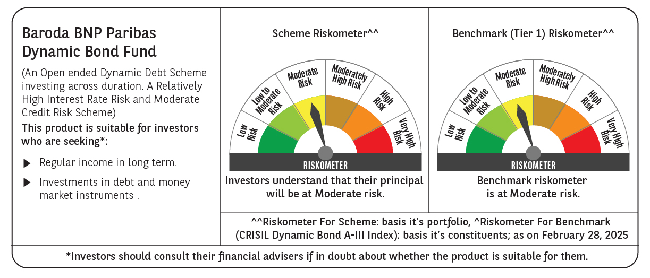

 | Baroda BNP Paribas Dynamic Bond Fund

 | Monthly Portfolio Statement as on February 28, 2025
 | Name of the Instrument | ISIN | Rating | Quantity | Market/Fair Value (Rs. in Lakhs) | % to Net Assets | YTM~ | YTC^ | null
 | Debt Instruments
 | (a) Listed / awaiting listing on Stock Exchange
GOI6156 | 6.79% Government of India (07/10/2034) | IN0020240126 | Sovereign | 11,200,000 | 11,251.44 | 63.15% | 6.84%
GOI5713 | 7.1% Government of India (08/04/2034) | IN0020240019 | Sovereign | 2,500,000 | 2,553.38 | 14.33% | 6.90%
GOI5728 | 7.34% Government of India (22/04/2064) | IN0020240035 | Sovereign | 1,800,000 | 1,844.06 | 10.35% | 7.28%
GOI5379 | 7.32% Government of India (13/11/2030) | IN0020230135 | Sovereign | 1,000,000 | 1,029.42 | 5.78% | 6.80%
GOI5228 | 7.18% Government of India (14/08/2033) | IN0020230085 | Sovereign | 300,000 | 307.37 | 1.73% | 6.91%
GOI2174 | 8.26% State Government Securities (02/01/2029) | IN2220180060 | Sovereign | 500 | 0.52 | $0.00% | 7.06%
GOI1830 | 7.64% State Government Securities (29/03/2027) | IN1620160292 | Sovereign | 300 | 0.30 | $0.00% | 6.93%
 | Sub Total |  |  |  | 16,986.49 | 95.34%
 | (b) Privately placed / Unlisted |  |  |  | NIL | NIL
 | Sub Total |  |  |  | NIL | NIL
 | Total |  |  |  | 16,986.49 | 95.34%
 | Others
 | Corporate Debt Market Development Fund
CDMD50ME | Corporate Debt Market Development Fund # | INF0RQ622028 |  | 437 | 47.91 | 0.27%
 | Sub Total |  |  |  | 47.91 | 0.27%
 | Total |  |  |  | 47.91 | 0.27%
 | Reverse Repo / TREPS
TRP_030325 | Clearing Corporation of India Ltd |  |  |  | 369.08 | 2.07% | 6.24%
 | Sub Total |  |  |  | 369.08 | 2.07%
 | (b) Privately placed / Unlisted |  |  |  | NIL | NIL
 | Sub Total |  |  |  | NIL | NIL
 | Total |  |  |  | 369.08 | 2.07%
 | Net Receivables / (Payables) |  |  |  | 414.63 | 2.32%
 | GRAND TOTAL |  |  |  | 17,818.11 | 100.00%

 | # Unlisted Security
 | $ Less Than 0.01% of Net Asset Value
 | ~ YTM as on February 28, 2025
 | ^ YTC represents Yield to Call provided by valuation agencies as on February 28, 2025. It is disclosed for Perpetual Bond issued by Banks (i.e. AT-1 Bond / Tier 1 Bond / Tier 2 Bond), as per AMFI Best Practices Guidelines Circular no. 135/BP/91/2020-21 read with SEBI circular No. SEBI/HO/IMD/DF4/CIR/P/2021/034 on Valuation of AT-1 Bonds and Tier 2 Bonds.

