Monthly Portfolio
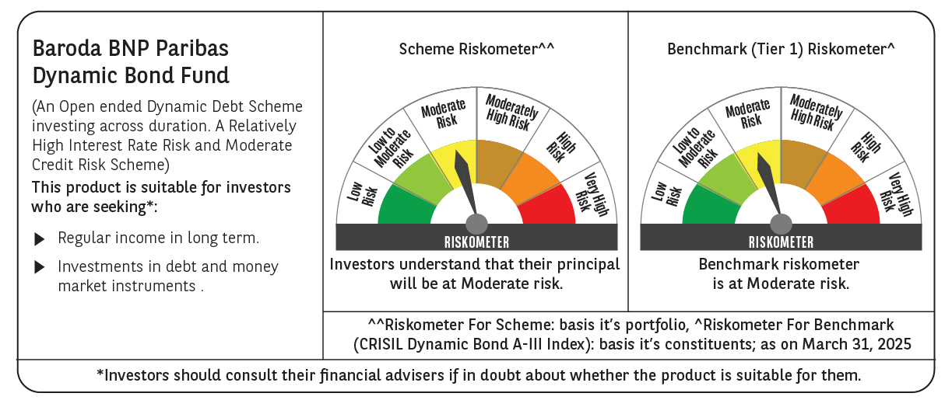

 | Baroda BNP Paribas Dynamic Bond Fund

 | Monthly Portfolio Statement as on March 31, 2025
 | Name of the Instrument | ISIN | Rating | Quantity | Market/Fair Value (Rs. in Lakhs) | % to Net Assets | YTM~ | YTC^ | null
 | Debt Instruments
 | (a) Listed / awaiting listing on Stock Exchange
GOI6156 | 6.79% Government of India (07/10/2034) | IN0020240126 | Sovereign | 7,000,000 | 7,103.18 | 43.23% | 6.69%
GOI5728 | 7.34% Government of India (22/04/2064) | IN0020240035 | Sovereign | 4,300,000 | 4,525.90 | 27.54% | 7.07%
GOI5228 | 7.18% Government of India (14/08/2033) | IN0020230085 | Sovereign | 1,300,000 | 1,347.28 | 8.20% | 6.71%
GOI5713 | 7.1% Government of India (08/04/2034) | IN0020240019 | Sovereign | 1,000,000 | 1,032.61 | 6.28% | 6.72%
GOI6226 | 6.92% Government of India (18/11/2039) | IN0020240134 | Sovereign | 1,000,000 | 1,021.54 | 6.22% | 6.80%
GOI5379 | 7.32% Government of India (13/11/2030) | IN0020230135 | Sovereign | 600,000 | 622.97 | 3.79% | 6.60%
GOI2174 | 8.26% State Government Securities (02/01/2029) | IN2220180060 | Sovereign | 500 | 0.52 | $0.00% | 6.98%
GOI1830 | 7.64% State Government Securities (29/03/2027) | IN1620160292 | Sovereign | 300 | 0.30 | $0.00% | 6.87%
 | Sub Total |  |  |  | 15,654.30 | 95.26%
 | (b) Privately placed / Unlisted |  |  |  | NIL | NIL
 | Sub Total |  |  |  | NIL | NIL
 | Total |  |  |  | 15,654.30 | 95.26%
 | Others
 | Corporate Debt Market Development Fund
CDMD50ME | Corporate Debt Market Development Fund # | INF0RQ622028 |  | 437 | 48.19 | 0.29%
 | Sub Total |  |  |  | 48.19 | 0.29%
 | Total |  |  |  | 48.19 | 0.29%
 | Reverse Repo / TREPS
TRP_020425 | Clearing Corporation of India Ltd |  |  |  | 232.27 | 1.41% | 6.68%
 | Sub Total |  |  |  | 232.27 | 1.41%
 | (b) Privately placed / Unlisted |  |  |  | NIL | NIL
 | Sub Total |  |  |  | NIL | NIL
 | Total |  |  |  | 232.27 | 1.41%
 | Net Receivables / (Payables) |  |  |  | 497.80 | 3.04%
 | GRAND TOTAL |  |  |  | 16,432.56 | 100.00%

 | # Unlisted Security
 | $ Less Than 0.01% of Net Asset Value
 | ~ YTM as on March 31, 2025
 | ^ YTC represents Yield to Call provided by valuation agencies as on March 31, 2025. It is disclosed for Perpetual Bond issued by Banks (i.e. AT-1 Bond / Tier 1 Bond / Tier 2 Bond), as per AMFI Best Practices Guidelines Circular no. 135/BP/91/2020-21 read with SEBI circular No. SEBI/HO/IMD/DF4/CIR/P/2021/034 on Valuation of AT-1 Bonds and Tier 2 Bonds.

