T0MD12
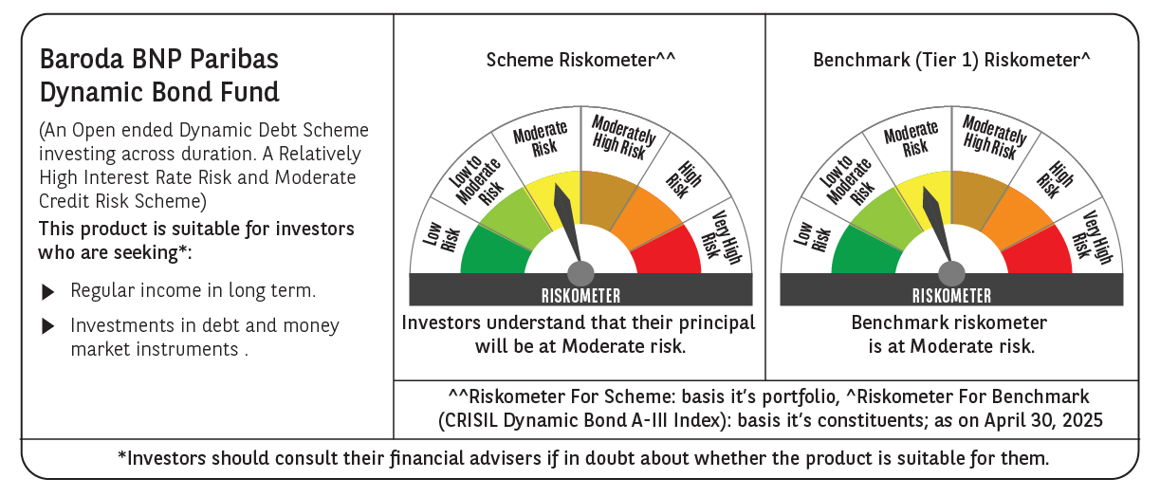

 | Baroda BNP Paribas Dynamic Bond Fund

 | Monthly Portfolio Statement as on April 30, 2025
 | Name of the Instrument | ISIN | Rating | Quantity | Market/Fair Value (Rs. in Lakhs) | % to Net Assets | YTM~ | YTC^ | null
 | Debt Instruments
 | (a) Listed / awaiting listing on Stock Exchange
GOI5728 | 7.34% Government of India (22/04/2064) | IN0020240035 | Sovereign | 5,800,000 | 6,217.62 | 33.41% | 6.93%
GOI6226 | 6.92% Government of India (18/11/2039) | IN0020240134 | Sovereign | 5,500,000 | 5,741.73 | 30.86% | 6.55%
GOI5228 | 7.18% Government of India (14/08/2033) | IN0020230085 | Sovereign | 3,000,000 | 3,157.97 | 16.97% | 6.45%
GOI6156 | 6.79% Government of India (07/10/2034) | IN0020240126 | Sovereign | 1,300,000 | 1,339.26 | 7.20% | 6.46%
GOI5713 | 7.1% Government of India (08/04/2034) | IN0020240019 | Sovereign | 700,000 | 734.54 | 3.95% | 6.47%
GOI5379 | 7.32% Government of India (13/11/2030) | IN0020230135 | Sovereign | 100,000 | 105.51 | 0.57% | 6.22%
GOI2174 | 8.26% State Government Securities (02/01/2029) | IN2220180060 | Sovereign | 500 | 0.53 | $0.00% | 6.57%
GOI1830 | 7.64% State Government Securities (29/03/2027) | IN1620160292 | Sovereign | 300 | 0.31 | $0.00% | 6.42%
 | Sub Total |  |  |  | 17,297.47 | 92.96%
 | (b) Privately placed / Unlisted |  |  |  | NIL | NIL
 | Sub Total |  |  |  | NIL | NIL
 | Total |  |  |  | 17,297.47 | 92.96%
 | Others
 | Corporate Debt Market Development Fund
CDMD50ME | Corporate Debt Market Development Fund # | INF0RQ622028 |  | 437 | 48.56 | 0.26%
 | Sub Total |  |  |  | 48.56 | 0.26%
 | Total |  |  |  | 48.56 | 0.26%
 | Reverse Repo / TREPS
TRP_020525 | Clearing Corporation of India Ltd |  |  |  | 529.50 | 2.85% | 5.94%
 | Sub Total |  |  |  | 529.50 | 2.85%
 | (b) Privately placed / Unlisted |  |  |  | NIL | NIL
 | Sub Total |  |  |  | NIL | NIL
 | Total |  |  |  | 529.50 | 2.85%
 | Net Receivables / (Payables) |  |  |  | 732.25 | 3.93%
 | GRAND TOTAL |  |  |  | 18,607.78 | 100.00%

 | # Unlisted Security
 | $ Less Than 0.01% of Net Asset Value
 | ~ YTM as on April 30, 2025
 | ^ YTC represents Yield to Call provided by valuation agencies as on April 30, 2025. It is disclosed for Perpetual Bond issued by Banks (i.e. AT-1 Bond / Tier 1 Bond / Tier 2 Bond), as per AMFI Best Practices Guidelines Circular no. 135/BP/91/2020-21 read with SEBI circular No. SEBI/HO/IMD/DF4/CIR/P/2021/034 on Valuation of AT-1 Bonds and Tier 2 Bonds.

