T0MD12
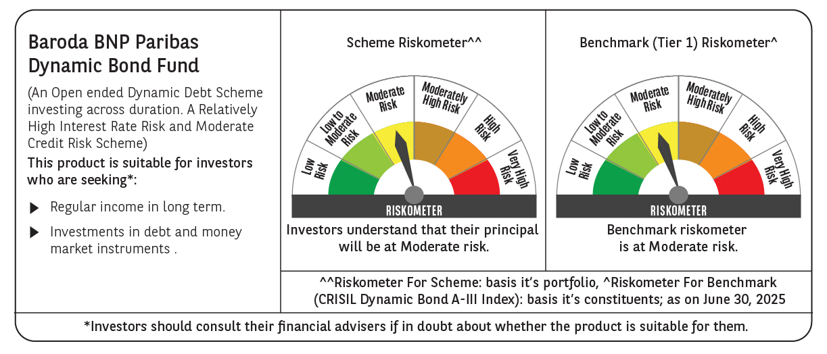

 | Baroda BNP Paribas Dynamic Bond Fund

 | Monthly Portfolio Statement as on June 30, 2025
 | Name of the Instrument | ISIN | Rating | Quantity | Market/Fair Value (Rs. in Lakhs) | % to Net Assets | YTM~ | YTC^ | null
 | Debt Instruments
 | (a) Listed / awaiting listing on Stock Exchange
GOI5228 | 7.18% Government of India (14/08/2033) | IN0020230085 | Sovereign | 5,900,000 | 6,185.37 | 29.01% | 6.51%
GOI5728 | 7.34% Government of India (22/04/2064) | IN0020240035 | Sovereign | 3,800,000 | 3,914.14 | 18.36% | 7.24%
GOI6156 | 6.79% Government of India (07/10/2034) | IN0020240126 | Sovereign | 3,500,000 | 3,598.68 | 16.88% | 6.48%
GOI6226 | 6.92% Government of India (18/11/2039) | IN0020240134 | Sovereign | 3,500,000 | 3,579.50 | 16.79% | 6.78%
GOI6320 | 6.79% Government of India (30/12/2031) | IN0020240191 | Sovereign | 1,700,000 | 1,748.55 | 8.20% | 6.35%
GOI6703 | 6.33% Government of India (05/05/2035) | IN0020250026 | Sovereign | 1,500,000 | 1,501.32 | 7.04% | 6.42%
GOI2174 | 8.26% State Government Securities (02/01/2029) | IN2220180060 | Sovereign | 500 | 0.53 | 0.00% | 6.45%
GOI1830 | 7.64% State Government Securities (29/03/2027) | IN1620160292 | Sovereign | 300 | 0.31 | 0.00% | 6.16%
 | Sub Total |  |  |  | 20,528.40 | 96.28%
 | (b) Privately placed / Unlisted |  |  |  | NIL | NIL
 | Sub Total |  |  |  | NIL | NIL
 | Total |  |  |  | 20,528.40 | 96.28%
 | Others
 | Corporate Debt Market Development Fund
CDMD50ME | Corporate Debt Market Development Fund # | INF0RQ622028 |  | 437 | 49.11 | 0.23%
 | Sub Total |  |  |  | 49.11 | 0.23%
 | Total |  |  |  | 49.11 | 0.23%
 | Reverse Repo / TREPS
TRP_010725 | Clearing Corporation of India Ltd |  |  |  | 448.03 | 2.10% | 5.47%
 | Sub Total |  |  |  | 448.03 | 2.10%
 | (b) Privately placed / Unlisted |  |  |  | NIL | NIL
 | Sub Total |  |  |  | NIL | NIL
 | Total |  |  |  | 448.03 | 2.10%
 | Net Receivables / (Payables) |  |  |  | 294.51 | 1.39%
 | GRAND TOTAL |  |  |  | 21,320.05 | 100.00%

 | # Unlisted Security
 | $ Less Than 0.01% of Net Asset Value
 | ~ YTM as on June 30, 2025
 | ^ YTC represents Yield to Call provided by valuation agencies as on June 30, 2025. It is disclosed for Perpetual Bond issued by Banks (i.e. AT-1 Bond / Tier 1 Bond / Tier 2 Bond), as per AMFI Best Practices Guidelines Circular no. 135/BP/91/2020-21 read with SEBI circular No. SEBI/HO/IMD/DF4/CIR/P/2021/034 on Valuation of AT-1 Bonds and Tier 2 Bonds.

