T0MD12
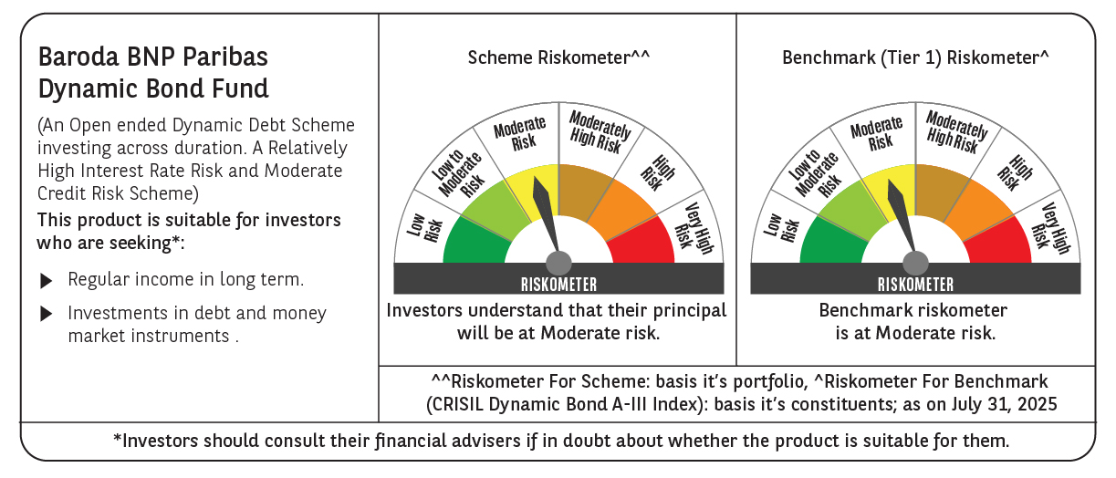

 | Baroda BNP Paribas Dynamic Bond Fund

 | Monthly Portfolio Statement as on July 31, 2025
 | Name of the Instrument | ISIN | Rating | Quantity | Market/Fair Value (Rs. in Lakhs) | % to Net Assets | YTM~ | YTC^ | null
 | Debt Instruments
 | (a) Listed / awaiting listing on Stock Exchange
GOI5228 | 7.18% Government of India (14/08/2033) | IN0020230085 | Sovereign | 5,700,000 | 5,962.94 | 26.06% | 6.54%
GOI6156 | 6.79% Government of India (07/10/2034) | IN0020240126 | Sovereign | 5,500,000 | 5,638.75 | 24.64% | 6.52%
GOI5728 | 7.34% Government of India (22/04/2064) | IN0020240035 | Sovereign | 4,300,000 | 4,427.57 | 19.35% | 7.24%
GOI6638 | 6.9% Government of India (15/04/2065) | IN0020250018 | Sovereign | 3,000,000 | 2,927.57 | 12.79% | 7.21%
GOI6919 | 6.01% Government of India (21/07/2030) | IN0020250067 | Sovereign | 2,000,000 | 1,997.65 | 8.73% | 6.13%
GOI5196 | 7.18% Government of India (24/07/2037) | IN0020230077 | Sovereign | 500,000 | 522.00 | 2.28% | 6.75%
GOI6320 | 6.79% Government of India (30/12/2031) | IN0020240191 | Sovereign | 230,000 | 236.57 | 1.03% | 6.34%
GOI6703 | 6.33% Government of India (05/05/2035) | IN0020250026 | Sovereign | 200,000 | 199.32 | 0.87% | 6.48%
GOI2174 | 8.26% State Government Securities (02/01/2029) | IN2220180060 | Sovereign | 500 | 0.53 | 0.00% | 6.40%
GOI1830 | 7.64% State Government Securities (29/03/2027) | IN1620160292 | Sovereign | 300 | 0.31 | 0.00% | 6.08%
 | Sub Total |  |  |  | 21,913.21 | 95.75%
 | (b) Privately placed / Unlisted |  |  |  | NIL | NIL
 | Sub Total |  |  |  | NIL | NIL
 | Total |  |  |  | 21,913.21 | 95.75%
 | Others
 | Corporate Debt Market Development Fund
CDMD50ME | Corporate Debt Market Development Fund # | INF0RQ622028 |  | 516 | 58.26 | 0.25% | 5.58%
 | Sub Total |  |  |  | 58.26 | 0.25%
 | Total |  |  |  | 58.26 | 0.25%
 | Reverse Repo / TREPS
TRP_010825 | Clearing Corporation of India Ltd |  |  |  | 467.42 | 2.04% | 5.42%
 | Sub Total |  |  |  | 467.42 | 2.04%
 | (b) Privately placed / Unlisted |  |  |  | NIL | NIL
 | Sub Total |  |  |  | NIL | NIL
 | Total |  |  |  | 467.42 | 2.04%
 | Net Receivables / (Payables) |  |  |  | 445.04 | 1.96%
 | GRAND TOTAL |  |  |  | 22,883.93 | 100.00%

 | # Unlisted Security
 | $ Less Than 0.01% of Net Asset Value
 | ~ YTM as on July 31, 2025
 | ^ YTC represents Yield to Call provided by valuation agencies as on July 31, 2025. It is disclosed for Perpetual Bond issued by Banks (i.e. AT-1 Bond / Tier 1 Bond / Tier 2 Bond), as per AMFI Best Practices Guidelines Circular no. 135/BP/91/2020-21 read with SEBI circular No. SEBI/HO/IMD/DF4/CIR/P/2021/034 on Valuation of AT-1 Bonds and Tier 2 Bonds.

