T0MD12
 | Baroda BNP Paribas Dynamic Bond Fund

 | Monthly Portfolio Statement as on August 31, 2025
 | Name of the Instrument | ISIN | Rating | Quantity | Market/Fair Value (Rs. in Lakhs) | % to Net Assets | YTM~ | YTC^ | null
 | Debt Instruments
 | (a) Listed / awaiting listing on Stock Exchange
GOI5228 | 7.18% Government of India (14/08/2033) | IN0020230085 | Sovereign | 2,900,000 | 2,987.17 | 13.89% | 6.80%
GOI6638 | 6.9% Government of India (15/04/2065) | IN0020250018 | Sovereign | 3,000,000 | 2,815.14 | 13.09% | 7.52%
GOI5728 | 7.34% Government of India (22/04/2064) | IN0020240035 | Sovereign | 2,800,000 | 2,778.75 | 12.92% | 7.54%
GOI6156 | 6.79% Government of India (07/10/2034) | IN0020240126 | Sovereign | 2,500,000 | 2,519.08 | 11.71% | 6.79%
GOI6703 | 6.33% Government of India (05/05/2035) | IN0020250026 | Sovereign | 1,600,000 | 1,570.24 | 7.30% | 6.70%
GOI6919 | 6.01% Government of India (21/07/2030) | IN0020250067 | Sovereign | 1,500,000 | 1,482.08 | 6.89% | 6.39%
EXIM794 | 7.35% Export Import Bank of India (27/07/2028) | INE514E08GE8 | CRISIL AAA | 1,000 | 1,015.27 | 4.72% | 6.75%
IRLY383 | 7.37% Indian Railway Finance Corporation Limited (31/07/2029) | INE053F08411 | CRISIL AAA | 1,000 | 1,014.45 | 4.72% | 6.93%
SIDB591 | 7.42% Small Industries Dev Bank of India (12/03/2029) ** | INE556F08KW0 | CRISIL AAA | 1,000 | 1,013.65 | 4.71% | 6.95%
RECL478 | 6.60% REC Limited (30/06/2027) ** | INE020B08FZ9 | ICRA AAA | 1,000 | 998.50 | 4.64% | 6.67%
NBAR805 | 7.53% National Bank For Agriculture and Rural Development (24/03/2028) | INE261F08EM1 | ICRA AAA | 700 | 711.22 | 3.31% | 6.80%
NHBA334 | 7.20% National Housing Bank (03/10/2031) ** | INE557F08GB0 | CARE AAA | 700 | 705.90 | 3.28% | 7.02%
NBAR838 | 7.48% National Bank For Agriculture and Rural Development (15/09/2028) | INE261F08EO7 | CRISIL AAA | 500 | 508.12 | 2.36% | 6.87%
GOI6019 | 7.09% Government of India (05/08/2054) | IN0020240118 | Sovereign | 500,000 | 486.44 | 2.26% | 7.45%
GOI6320 | 6.79% Government of India (30/12/2031) | IN0020240191 | Sovereign | 115,000 | 116.39 | 0.54% | 6.66%
GOI2174 | 8.26% State Government Securities (02/01/2029) | IN2220180060 | Sovereign | 500 | 0.52 | 0.00% | 6.91%
GOI1830 | 7.64% State Government Securities (29/03/2027) | IN1620160292 | Sovereign | 300 | 0.31 | 0.00% | 6.30%
 | Sub Total |  |  |  | 20,723.23 | 96.34%
 | (b) Privately placed / Unlisted |  |  |  | NIL | NIL
 | Sub Total |  |  |  | NIL | NIL
 | Total |  |  |  | 20,723.23 | 96.34%
 | Others
 | Corporate Debt Market Development Fund
CDMD50ME | Corporate Debt Market Development Fund # | INF0RQ622028 |  | 516 | 58.47 | 0.27% | 5.66%
 | Sub Total |  |  |  | 58.47 | 0.27%
 | Total |  |  |  | 58.47 | 0.27%
 | Reverse Repo / TREPS
TRP_010925 | Clearing Corporation of India Ltd |  |  |  | 300.11 | 1.39% | 5.39%
 | Sub Total |  |  |  | 300.11 | 1.39%
 | (b) Privately placed / Unlisted |  |  |  | NIL | NIL
 | Sub Total |  |  |  | NIL | NIL
 | Total |  |  |  | 300.11 | 1.39%
 | Net Receivables / (Payables) |  |  |  | 431.80 | 2.00%
 | GRAND TOTAL |  |  |  | 21,513.61 | 100.00%

 | ** Thinly Traded / Non Traded Security
 | # Unlisted Security
 | $ Less Than 0.01% of Net Asset Value
 | ~ YTM as on August 31, 2025
 | ^ YTC represents Yield to Call provided by valuation agencies as on August 31, 2025. It is disclosed for Perpetual Bond issued by Banks (i.e. AT-1 Bond / Tier 1 Bond / Tier 2 Bond), as per AMFI Best Practices Guidelines Circular no. 135/BP/91/2020-21 read with SEBI circular No. SEBI/HO/IMD/DF4/CIR/P/2021/034 on Valuation of AT-1 Bonds and Tier 2 Bonds.

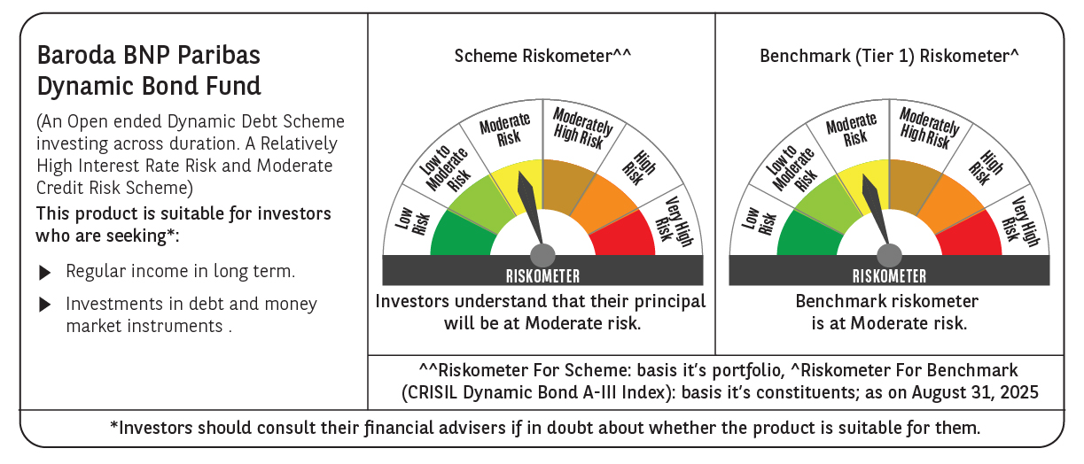



 | Monthly Performance Link: https://www.barodabnpparibasmf.in/assets/download_documents/Performance_of_Schemes_14126.pdf

