Monthly Portfolio
 | Baroda BNP Paribas Dynamic Bond Fund

 | Monthly Portfolio Statement as on September 30, 2025
 | Name of the Instrument | ISIN | Rating | Quantity | Market/Fair Value (Rs. in Lakhs) | % to Net Assets | YTM~ | YTC^ | null
 | Debt Instruments
 | (a) Listed / awaiting listing on Stock Exchange
GOI6638 | 6.9% Government of India (15/04/2065) | IN0020250018 | Sovereign | 6,000,000 | 5,726.66 | 29.97% | 7.38%
GOI5728 | 7.34% Government of India (22/04/2064) | IN0020240035 | Sovereign | 1,800,000 | 1,813.80 | 9.49% | 7.41%
GOI5228 | 7.18% Government of India (14/08/2033) | IN0020230085 | Sovereign | 1,550,000 | 1,601.08 | 8.38% | 6.74%
GOI6889 | 6.68% Government of India (07/07/2040) | IN0020250042 | Sovereign | 1,500,000 | 1,473.51 | 7.71% | 6.99%
EXIM794 | 7.35% Export Import Bank of India (27/07/2028) ** | INE514E08GE8 | CRISIL AAA | 1,000 | 1,017.76 | 5.33% | 6.64%
IRLY383 | 7.37% Indian Railway Finance Corporation Limited (31/07/2029) | INE053F08411 | CRISIL AAA | 1,000 | 1,016.79 | 5.32% | 6.85%
GOI6156 | 6.79% Government of India (07/10/2034) | IN0020240126 | Sovereign | 1,000,000 | 1,009.90 | 5.29% | 6.75%
RECL478 | 6.60% REC Limited (30/06/2027) | INE020B08FZ9 | ICRA AAA | 1,000 | 1,000.00 | 5.23% | 6.57%
NTPC257 | 6.84% NTPC Limited (09/05/2035) ** | INE733E08270 | CRISIL AAA | 1,000 | 983.79 | 5.15% | 7.07%
NHBA334 | 7.20% National Housing Bank (03/10/2031) ** | INE557F08GB0 | CARE AAA | 700 | 704.56 | 3.69% | 7.06%
NBAR838 | 7.48% National Bank For Agriculture and Rural Development (15/09/2028) | INE261F08EO7 | CRISIL AAA | 500 | 508.66 | 2.66% | 6.81%
GOI6919 | 6.01% Government of India (21/07/2030) | IN0020250067 | Sovereign | 500,000 | 495.91 | 2.60% | 6.30%
GOI6019 | 7.09% Government of India (05/08/2054) | IN0020240118 | Sovereign | 500,000 | 492.77 | 2.58% | 7.34%
GOI6703 | 6.33% Government of India (05/05/2035) | IN0020250026 | Sovereign | 350,000 | 344.02 | 1.80% | 6.68%
GOI2174 | 8.26% State Government Securities (02/01/2029) | IN2220180060 | Sovereign | 500 | 0.52 | 0.00% | 6.75%
GOI1830 | 7.64% State Government Securities (29/03/2027) | IN1620160292 | Sovereign | 300 | 0.31 | 0.00% | 6.26%
 | Sub Total |  |  |  | 18,190.04 | 95.20%
 | (b) Privately placed / Unlisted |  |  |  | NIL | NIL
 | Sub Total |  |  |  | NIL | NIL
 | Total |  |  |  | 18,190.04 | 95.20%
 | Others
 | Corporate Debt Market Development Fund
CDMD50ME | Corporate Debt Market Development Fund # | INF0RQ622028 |  | 516 | 58.75 | 0.31% | 5.62%
 | Sub Total |  |  |  | 58.75 | 0.31%
 | Total |  |  |  | 58.75 | 0.31%
 | Reverse Repo / TREPS
TRP_011025 | Clearing Corporation of India Ltd |  |  |  | 669.36 | 3.50% | 5.53%
 | Sub Total |  |  |  | 669.36 | 3.50%
 | (b) Privately placed / Unlisted |  |  |  | NIL | NIL
 | Sub Total |  |  |  | NIL | NIL
 | Total |  |  |  | 669.36 | 3.50%
 | Net Receivables / (Payables) |  |  |  | 190.31 | 0.99%
 | GRAND TOTAL |  |  |  | 19,108.46 | 100.00%

 | ** Thinly Traded / Non Traded Security
 | # Unlisted Security
 | $ Less Than 0.01% of Net Asset Value
 | ~ YTM as on September 30, 2025
 | ^ YTC represents Yield to Call provided by valuation agencies as on September 30, 2025. It is disclosed for Perpetual Bond issued by Banks (i.e. AT-1 Bond / Tier 1 Bond / Tier 2 Bond), as per AMFI Best Practices Guidelines Circular no. 135/BP/91/2020-21 read with SEBI circular No. SEBI/HO/IMD/DF4/CIR/P/2021/034 on Valuation of AT-1 Bonds and Tier 2 Bonds.

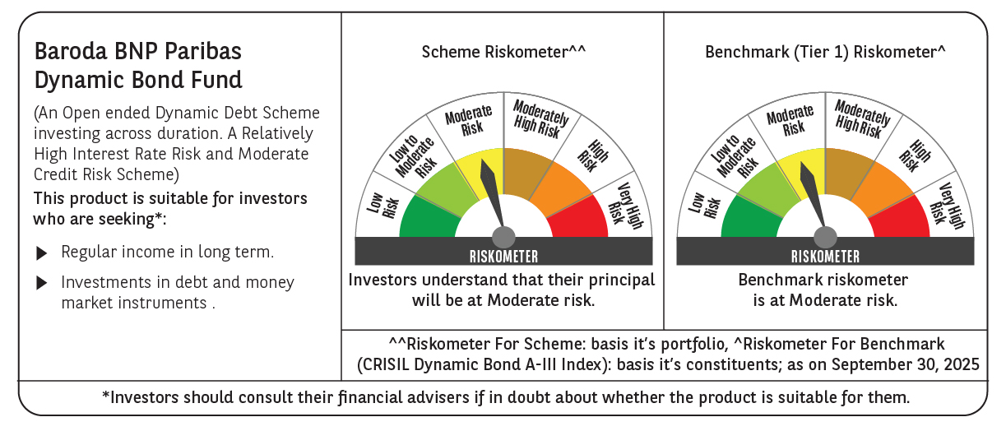



 | Monthly Performance Link: https://www.barodabnpparibasmf.in/assets/download_documents/Performance_of_Schemes_September_14618.pdf

