T0MD12
 | Baroda BNP Paribas Dynamic Bond Fund

 | Monthly Portfolio Statement as on October 31, 2025
 | Name of the Instrument | ISIN | Rating | Quantity | Market/Fair Value (Rs. in Lakhs) | % to Net Assets | YTM~ | YTC^ | null
 | Debt Instruments
 | (a) Listed / awaiting listing on Stock Exchange
GOI6638 | 6.9% Government of India (15/04/2065) | IN0020250018 | Sovereign | 6,000,000 | 5,696.50 | 28.29% | 7.42%
GOI5728 | 7.34% Government of India (22/04/2064) | IN0020240035 | Sovereign | 1,800,000 | 1,805.28 | 8.97% | 7.45%
GOI5228 | 7.18% Government of India (14/08/2033) | IN0020230085 | Sovereign | 1,350,000 | 1,399.77 | 6.95% | 6.67%
GOI6156 | 6.79% Government of India (07/10/2034) | IN0020240126 | Sovereign | 1,300,000 | 1,317.65 | 6.54% | 6.69%
EXIM794 | 7.35% Export Import Bank of India (27/07/2028) | INE514E08GE8 | CRISIL AAA | 1,000 | 1,021.01 | 5.07% | 6.49%
IRLY383 | 7.37% Indian Railway Finance Corporation Limited (31/07/2029) ** | INE053F08411 | CRISIL AAA | 1,000 | 1,020.13 | 5.07% | 6.74%
NTPC257 | 6.84% NTPC Limited (09/05/2035) ** | INE733E08270 | CRISIL AAA | 1,000 | 992.37 | 4.93% | 6.94%
GOI6889 | 6.68% Government of India (07/07/2040) | IN0020250042 | Sovereign | 1,000,000 | 980.42 | 4.87% | 7.01%
GOI7094 | 6.48% Government of India (06/10/2035) | IN0020250091 | Sovereign | 800,000 | 800.63 | 3.98% | 6.57%
NHBA334 | 7.20% National Housing Bank (03/10/2031) ** | INE557F08GB0 | CARE AAA | 700 | 710.43 | 3.53% | 6.89%
NBAR838 | 7.48% National Bank For Agriculture and Rural Development (15/09/2028) | INE261F08EO7 | CRISIL AAA | 500 | 509.20 | 2.53% | 6.74%
RECL473 | 6.87% REC Limited (31/05/2030) | INE020B08FU0 | ICRA AAA | 500 | 502.30 | 2.49% | 6.73%
GOI6919 | 6.01% Government of India (21/07/2030) | IN0020250067 | Sovereign | 500,000 | 496.57 | 2.47% | 6.27%
GOI6019 | 7.09% Government of India (05/08/2054) | IN0020240118 | Sovereign | 500,000 | 490.98 | 2.44% | 7.37%
GOI6703 | 6.33% Government of India (05/05/2035) | IN0020250026 | Sovereign | 350,000 | 345.02 | 1.71% | 6.64%
RECL470 | 7.32% REC Limited (28/02/2035) ** | INE020B08FQ8 | CRISIL AAA | 300 | 303.80 | 1.51% | 7.12%
GOI2174 | 8.26% State Government Securities (02/01/2029) | IN2220180060 | Sovereign | 500 | 0.52 | 0.00% | 6.69%
GOI1830 | 7.64% State Government Securities (29/03/2027) | IN1620160292 | Sovereign | 300 | 0.31 | 0.00% | 6.12%
 | Sub Total |  |  |  | 18,392.89 | 91.35%
 | (b) Privately placed / Unlisted |  |  |  | NIL | NIL
 | Sub Total |  |  |  | NIL | NIL
 | Total |  |  |  | 18,392.89 | 91.35%
 | Others
 | Corporate Debt Market Development Fund
CDMD50ME | Corporate Debt Market Development Fund # | INF0RQ622028 |  | 516 | 59.04 | 0.29% | 5.58%
 | Sub Total |  |  |  | 59.04 | 0.29%
 | Total |  |  |  | 59.04 | 0.29%
 | Reverse Repo / TREPS
TRP_031125 | Clearing Corporation of India Ltd |  |  |  | 1,389.88 | 6.90% | 5.59%
 | Sub Total |  |  |  | 1,389.88 | 6.90%
 | (b) Privately placed / Unlisted |  |  |  | NIL | NIL
 | Sub Total |  |  |  | NIL | NIL
 | Total |  |  |  | 1,389.88 | 6.90%
 | Net Receivables / (Payables) |  |  |  | 291.32 | 1.46%
 | GRAND TOTAL |  |  |  | 20,133.13 | 100.00%

 | ** Thinly Traded / Non Traded Security
 | # Unlisted Security
 | $ Less Than 0.01% of Net Asset Value
 | ~ YTM as on October 31, 2025
 | ^ YTC represents Yield to Call provided by valuation agencies as on October 31, 2025. It is disclosed for Perpetual Bond issued by Banks (i.e. AT-1 Bond / Tier 1 Bond / Tier 2 Bond), as per AMFI Best Practices Guidelines Circular no. 135/BP/91/2020-21 read with SEBI circular No. SEBI/HO/IMD/DF4/CIR/P/2021/034 on Valuation of AT-1 Bonds and Tier 2 Bonds.

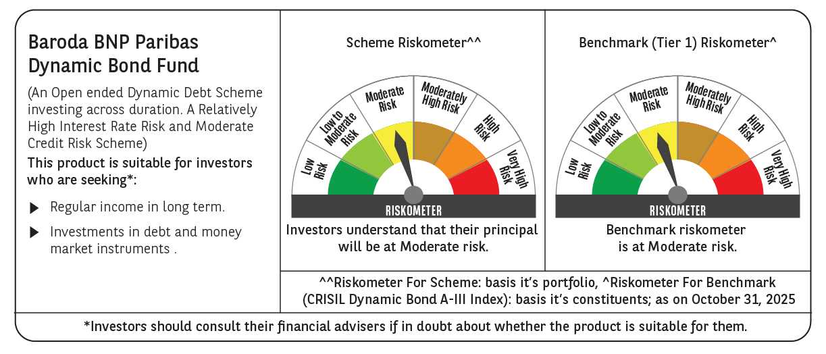



 | Monthly Performance Link: https://www.barodabnpparibasmf.in/assets/download_documents/Performance_of_Schemes-October_2025_15267.pdf

