T0MD13
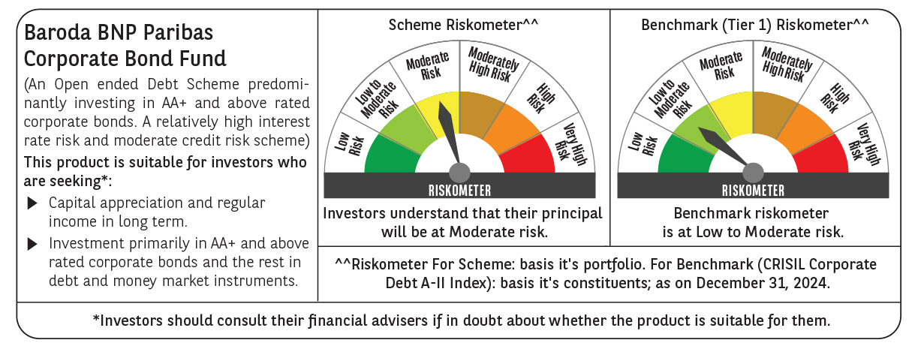

 | Baroda BNP Paribas Corporate Bond Fund

 | Monthly Portfolio Statement as on December 31, 2024
 | Name of the Instrument | ISIN | Industry / Rating | Quantity | Market/Fair Value (Rs. in Lakhs) | % to Net Assets | YTM~ | YTC^ | null
 | Equity & Equity related
 | (b) Reits
EOPR01 | Embassy Office Parks REIT | INE041025011 | Realty | 81,000 | 299.30 | 1.40%
BRFI01 | Brookfield India Real Estate Trust | INE0FDU25010 | Realty | 72,993 | 200.52 | 0.94%
 | Sub Total |  |  |  | 499.82 | 2.34%
 | Total |  |  |  | 499.82 | 2.34%
 | Debt Instruments
 | (a) Listed / awaiting listing on Stock Exchange
GOI5713 | 7.1% Government of India (08/04/2034) | IN0020240019 | Sovereign | 2,000,000 | 2,041.73 | 9.55% | 6.91%
GOI5379 | 7.32% Government of India (13/11/2030) | IN0020230135 | Sovereign | 1,500,000 | 1,538.92 | 7.20% | 6.89%
RECL457 | 7.58% REC Limited (31/05/2029) ** | INE020B08FD6 | ICRA AAA | 1,200 | 1,205.10 | 5.64% | 7.45%
IRLY365 | 7.65% Indian Railway Finance Corporation Limited (30/12/2032) ** | INE053F08221 | CRISIL AAA | 110 | 1,125.14 | 5.27% | 7.26%
EXIM570 | 8.25% Export Import Bank of India (23/06/2031) ** | INE514E08FE0 | CRISIL AAA | 100 | 1,053.19 | 4.93% | 7.18%
POWF505 | 7.7% Power Finance Corporation Limited (15/04/2033) ** | INE134E08MI4 | CRISIL AAA | 1,000 | 1,026.60 | 4.80% | 7.25%
HPEC301 | 7.54% Hindustan Petroleum Corporation Limited (15/04/2033) ** | INE094A08143 | CRISIL AAA | 100 | 1,024.52 | 4.79% | 7.14%
SUHF259 | 8.31% Sundaram Home Finance Limited (20/03/2026) ** | INE667F07IK6 | ICRA AAA | 1,000 | 1,004.38 | 4.70% | 7.87%
TCFS658 | 8.30% Tata Capital Limited (13/03/2026) ** | INE306N07NL3 | ICRA AAA | 1,000 | 1,003.18 | 4.69% | 7.97%
GAIL40 | 7.34% GAIL (India) Limited (20/12/2027) ** | INE129A08014 | CARE AAA | 100 | 1,001.02 | 4.68% | 7.30%
BAFL943 | 7.7951% Bajaj Finance Limited (10/12/2027) ** | INE296A07TF2 | CRISIL AAA | 1,000 | 999.71 | 4.68% | 7.80%
HDFB901 | 7.77% HDFC Bank Limited (28/06/2027) ** | INE040A08823 | CRISIL AAA | 100 | 998.97 | 4.67% | 7.79%
NBAR695 | 7.62% National Bank For Agriculture and Rural Development (31/01/2028) ** | INE261F08DV4 | CRISIL AAA | 900 | 902.68 | 4.22% | 7.50%
PGCI455 | 7.52% Power Grid Corporation of India Limited (23/03/2033) ** | INE752E08684 | CRISIL AAA | 1,000 | 864.75 | 4.05% | 7.21%
BSNL21 | 6.79% Bharat Sanchar Nigam Limited (23/09/2030) ** | INE103D08021 | CRISIL AAA(CE) | 60 | 580.38 | 2.72% | 7.64%
SIDB534 | 7.79% Small Industries Dev Bank of India (19/04/2027) ** | INE556F08KK5 | CRISIL AAA | 500 | 502.72 | 2.35% | 7.53%
SIDB543 | 7.75% Small Industries Dev Bank of India (10/06/2027) ** | INE556F08KN9 | CRISIL AAA | 500 | 502.58 | 2.35% | 7.53%
NBAR796 | 7.44% National Bank For Agriculture and Rural Development (24/02/2028) | INE261F08EK5 | CRISIL AAA | 500 | 499.21 | 2.34% | 7.50%
RIND263 | 8.65% Reliance Industries Limited (11/12/2028) ** | INE002A08567 | CRISIL AAA | 30 | 312.84 | 1.46% | 7.36%
GOI1955 | 7.76% State Government Securities (13/12/2027) | IN1920170116 | Sovereign | 300,000 | 305.88 | 1.43% | 7.13%
HURD210 | 8.41% Housing & Urban Development Corporation Limited (15/03/2029) ** | INE031A08699 | ICRA AAA | 25 | 260.24 | 1.22% | 7.40%
GOI5081 | 7.17% Government of India (17/04/2030) | IN0020230036 | Sovereign | 100,000 | 101.73 | 0.48% | 6.89%
GOI4485 | 7.38% Government of India (20/06/2027) | IN0020220037 | Sovereign | 100,000 | 101.47 | 0.47% | 6.83%
 | Sub Total |  |  |  | 18,956.94 | 88.69%
 | (b) Privately placed / Unlisted |  |  |  | NIL | NIL
 | Sub Total |  |  |  | NIL | NIL
 | (d) Securitised Debt
IUNT24 | India Universal Trust (21/11/2027) ** | INE1CBK15029 | CRISIL AAA(SO) | 5 | 490.25 | 2.29% | 8.38%
SATR47 | Sansar Trust (25/09/2029) ** | INE17O215012 | CRISIL AAA(SO) | 30,000,000 | 300.00 | 1.40% | 9.22%
 | Sub Total |  |  |  | 790.25 | 3.69%
 | (b) Privately placed / Unlisted |  |  |  | NIL | NIL
 | Sub Total |  |  |  | NIL | NIL
 | Total |  |  |  | 19,747.19 | 92.38%
 | Others
 | Corporate Debt Market Development Fund
CDMD50ME | Corporate Debt Market Development Fund # | INF0RQ622028 |  | 371 | 40.21 | 0.19%
 | Sub Total |  |  |  | 40.21 | 0.19%
 | Total |  |  |  | 40.21 | 0.19%
 | Reverse Repo / TREPS
TRP_010125 | Clearing Corporation of India Ltd |  |  |  | 530.79 | 2.48% | 6.58%
 | Sub Total |  |  |  | 530.79 | 2.48%
 | (b) Privately placed / Unlisted |  |  |  | NIL | NIL
 | Sub Total |  |  |  | NIL | NIL
 | Total |  |  |  | 530.79 | 2.48%
 | Net Receivables / (Payables) |  |  |  | 551.54 | 2.61%
 | GRAND TOTAL |  |  |  | 21,369.55 | 100.00%

 | ** Thinly Traded / Non Traded Security
 | # Unlisted Security
 | ~ YTM as on December 31, 2024
 | ^ YTC represents Yield to Call provided by valuation agencies as on December 31, 2024. It is disclosed for Perpetual Bond issued by Banks (i.e. AT-1 Bond / Tier 1 Bond / Tier 2 Bond), as per AMFI Best Practices Guidelines Circular no. 135/BP/91/2020-21 re

