T0MD13
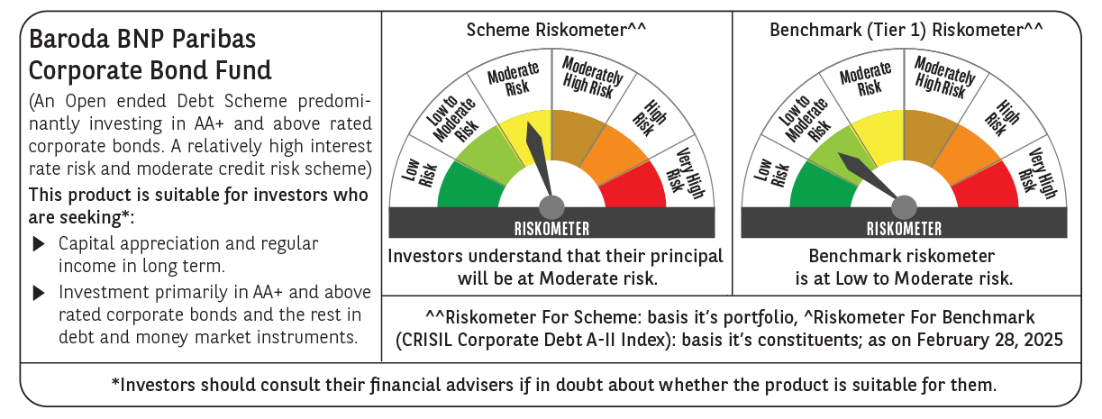

 | Baroda BNP Paribas Corporate Bond Fund

 | Monthly Portfolio Statement as on February 28, 2025
 | Name of the Instrument | ISIN | Industry / Rating | Quantity | Market/Fair Value (Rs. in Lakhs) | % to Net Assets | YTM~ | YTC^ | null
 | Equity & Equity related
 | (b) Reits
EOPR01 | Embassy Office Parks REIT | INE041025011 | Realty | 81,000 | 295.03 | 1.40%
BRFI01 | Brookfield India Real Estate Trust | INE0FDU25010 | Realty | 72,993 | 218.37 | 1.04%
 | Sub Total |  |  |  | 513.40 | 2.44%
 | Total |  |  |  | 513.40 | 2.44%
 | Debt Instruments
 | (a) Listed / awaiting listing on Stock Exchange
GOI5713 | 7.1% Government of India (08/04/2034) | IN0020240019 | Sovereign | 1,500,000 | 1,532.03 | 7.29% | 6.90%
RECL457 | 7.58% REC Limited (31/05/2029) ** | INE020B08FD6 | ICRA AAA | 1,200 | 1,204.37 | 5.73% | 7.46%
IRLY365 | 7.65% Indian Railway Finance Corporation Limited (30/12/2032) ** | INE053F08221 | CRISIL AAA | 110 | 1,120.53 | 5.33% | 7.32%
EXIM570 | 8.25% Export Import Bank of India (23/06/2031) ** | INE514E08FE0 | CRISIL AAA | 100 | 1,046.10 | 4.98% | 7.30%
POWF505 | 7.7% Power Finance Corporation Limited (15/04/2033) ** | INE134E08MI4 | CRISIL AAA | 1,000 | 1,018.47 | 4.85% | 7.39%
HPEC301 | 7.54% Hindustan Petroleum Corporation Limited (15/04/2033) ** | INE094A08143 | CRISIL AAA | 100 | 1,017.17 | 4.84% | 7.25%
SUHF259 | 8.31% Sundaram Home Finance Limited (20/03/2026) ** | INE667F07IK6 | ICRA AAA | 1,000 | 1,005.19 | 4.78% | 7.76%
LICH680 | 7.74% LIC Housing Finance Limited (11/02/2028) | INE115A07QW5 | CRISIL AAA | 1,000 | 1,001.66 | 4.77% | 7.67%
HDFB901 | 7.77% HDFC Bank Limited (28/06/2027) ** | INE040A08823 | CRISIL AAA | 100 | 1,000.96 | 4.76% | 7.70%
BAFL943 | 7.7951% Bajaj Finance Limited (10/12/2027) | INE296A07TF2 | CRISIL AAA | 1,000 | 1,000.20 | 4.76% | 7.77%
GAIL40 | 7.34% GAIL (India) Limited (20/12/2027) ** | INE129A08014 | CARE AAA | 100 | 999.66 | 4.76% | 7.34%
NBAR695 | 7.62% National Bank For Agriculture and Rural Development (31/01/2028) ** | INE261F08DV4 | CRISIL AAA | 900 | 902.63 | 4.30% | 7.49%
PGCI455 | 7.52% Power Grid Corporation of India Limited (23/03/2033) ** | INE752E08684 | CRISIL AAA | 1,000 | 834.43 | 3.97% | 7.39%
RIND263 | 8.65% Reliance Industries Limited (11/12/2028) ** | INE002A08567 | CRISIL AAA | 80 | 833.39 | 3.97% | 7.33%
BSNL21 | 6.79% Bharat Sanchar Nigam Limited (23/09/2030) ** | INE103D08021 | CRISIL AAA(CE) | 60 | 581.20 | 2.77% | 7.63%
GOI6156 | 6.79% Government of India (07/10/2034) | IN0020240126 | Sovereign | 500,000 | 502.30 | 2.39% | 6.84%
SIDB534 | 7.79% Small Industries Dev Bank of India (19/04/2027) ** | INE556F08KK5 | CRISIL AAA | 500 | 502.22 | 2.39% | 7.56%
SIDB543 | 7.75% Small Industries Dev Bank of India (10/06/2027) ** | INE556F08KN9 | CRISIL AAA | 500 | 502.12 | 2.39% | 7.56%
TCFS658 | 8.30% Tata Capital Limited (13/03/2026) ** | INE306N07NL3 | ICRA AAA | 500 | 501.98 | 2.39% | 7.88%
POWF541 | 7.42% Power Finance Corporation Limited (15/04/2028) | INE134E08NL6 | CRISIL AAA | 500 | 499.68 | 2.38% | 7.45%
NBAR796 | 7.44% National Bank For Agriculture and Rural Development (24/02/2028) ** | INE261F08EK5 | CRISIL AAA | 500 | 499.34 | 2.38% | 7.49%
GOI1955 | 7.76% State Government Securities (13/12/2027) | IN1920170116 | Sovereign | 300,000 | 306.78 | 1.46% | 6.96%
HURD210 | 8.41% Housing & Urban Development Corporation Limited (15/03/2029) ** | INE031A08699 | ICRA AAA | 25 | 259.72 | 1.24% | 7.42%
GOI4485 | 7.38% Government of India (20/06/2027) | IN0020220037 | Sovereign | 100,000 | 101.70 | 0.48% | 6.68%
 | Sub Total |  |  |  | 18,773.83 | 89.36%
 | (b) Privately placed / Unlisted |  |  |  | NIL | NIL
 | Sub Total |  |  |  | NIL | NIL
 | (d) Securitised Debt
IUNT24 | India Universal Trust (21/11/2027) ** | INE1CBK15029 | CRISIL AAA(SO) | 5 | 470.57 | 2.24% | 8.33%
SATR47 | Sansar Trust (25/09/2029) ** | INE17O215012 | CRISIL AAA(SO) | 30,000,000 | 299.97 | 1.43% | 9.24%
 | Sub Total |  |  |  | 770.54 | 3.67%
 | (b) Privately placed / Unlisted |  |  |  | NIL | NIL
 | Sub Total |  |  |  | NIL | NIL
 | Total |  |  |  | 19,544.37 | 93.03%
 | Others
 | Corporate Debt Market Development Fund
CDMD50ME | Corporate Debt Market Development Fund # | INF0RQ622028 |  | 518 | 56.80 | 0.27%
 | Sub Total |  |  |  | 56.80 | 0.27%
 | Total |  |  |  | 56.80 | 0.27%
 | Reverse Repo / TREPS
TRP_030325 | Clearing Corporation of India Ltd |  |  |  | 312.15 | 1.49% | 6.24%
 | Sub Total |  |  |  | 312.15 | 1.49%
 | (b) Privately placed / Unlisted |  |  |  | NIL | NIL
 | Sub Total |  |  |  | NIL | NIL
 | Total |  |  |  | 312.15 | 1.49%
 | Net Receivables / (Payables) |  |  |  | 583.14 | 2.77%
 | GRAND TOTAL |  |  |  | 21,009.86 | 100.00%

 | ** Thinly Traded / Non Traded Security
 | # Unlisted Security
 | ~ YTM as on February 28, 2025
 | ^ YTC represents Yield to Call provided by valuation agencies as on February 28, 2025. It is disclosed for Perpetual Bond issued by Banks (i.e. AT-1 Bond / Tier 1 Bond / Tier 2 Bond), as per AMFI Best Practices Guidelines Circular no. 135/BP/91/2020-21 read with SEBI circular No. SEBI/HO/IMD/DF4/CIR/P/2021/034 on Valuation of AT-1 Bonds and Tier 2 Bonds.

