Monthly Portfolio
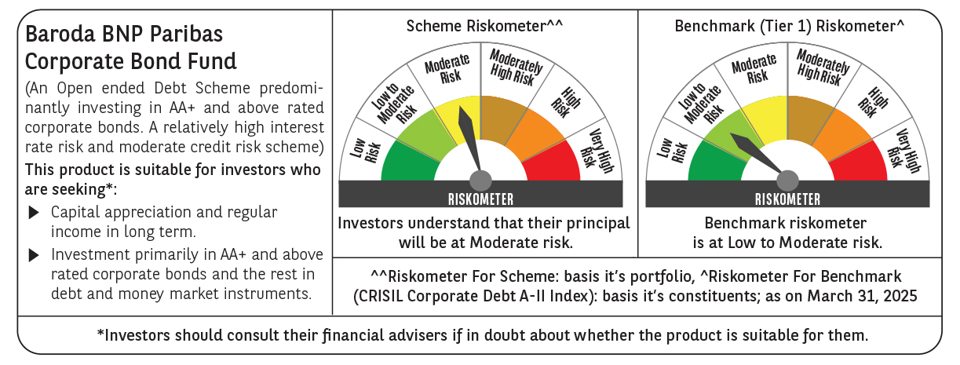

 | Baroda BNP Paribas Corporate Bond Fund

 | Monthly Portfolio Statement as on March 31, 2025
 | Name of the Instrument | ISIN | Industry / Rating | Quantity | Market/Fair Value (Rs. in Lakhs) | % to Net Assets | YTM~ | YTC^ | null
 | Equity & Equity related
 | (b) Reits
EOPR01 | Embassy Office Parks REIT | INE041025011 | Realty | 81,000 | 296.05 | 1.51%
BRFI01 | Brookfield India Real Estate Trust | INE0FDU25010 | Realty | 72,993 | 211.41 | 1.08%
 | Sub Total |  |  |  | 507.46 | 2.59%
 | Total |  |  |  | 507.46 | 2.59%
 | Debt Instruments
 | (a) Listed / awaiting listing on Stock Exchange
GOI6156 | 6.79% Government of India (07/10/2034) | IN0020240126 | Sovereign | 1,700,000 | 1,725.06 | 8.82% | 6.69%
RECL457 | 7.58% REC Limited (31/05/2029) ** | INE020B08FD6 | ICRA AAA | 1,200 | 1,217.60 | 6.22% | 7.15%
NHBA336 | 7.35% National Housing Bank (02/01/2032) ** | INE557F08GD6 | CARE AAA | 1,100 | 1,112.79 | 5.69% | 7.13%
EXIM570 | 8.25% Export Import Bank of India (23/06/2031) ** | INE514E08FE0 | CRISIL AAA | 100 | 1,057.08 | 5.40% | 7.08%
POWF505 | 7.7% Power Finance Corporation Limited (15/04/2033) ** | INE134E08MI4 | CRISIL AAA | 1,000 | 1,034.49 | 5.29% | 7.12%
HPEC301 | 7.54% Hindustan Petroleum Corporation Limited (15/04/2033) ** | INE094A08143 | CRISIL AAA | 100 | 1,029.95 | 5.27% | 7.04%
SUHF259 | 8.31% Sundaram Home Finance Limited (20/03/2026) ** | INE667F07IK6 | ICRA AAA | 1,000 | 1,007.26 | 5.15% | 7.48%
GAIL40 | 7.34% GAIL (India) Limited (20/12/2027) ** | INE129A08014 | CARE AAA | 100 | 1,005.67 | 5.14% | 7.08%
LICH680 | 7.74% LIC Housing Finance Limited (11/02/2028) ** | INE115A07QW5 | CRISIL AAA | 1,000 | 1,005.67 | 5.14% | 7.50%
HDFB901 | 7.77% HDFC Bank Limited (28/06/2027) | INE040A08823 | CRISIL AAA | 100 | 1,003.60 | 5.13% | 7.57%
BAFL943 | 7.7951% Bajaj Finance Limited (10/12/2027) | INE296A07TF2 | CRISIL AAA | 1,000 | 1,002.33 | 5.12% | 7.67%
NBAR695 | 7.62% National Bank For Agriculture and Rural Development (31/01/2028) ** | INE261F08DV4 | CRISIL AAA | 900 | 906.67 | 4.63% | 7.30%
PGCI455 | 7.52% Power Grid Corporation of India Limited (23/03/2033) ** | INE752E08684 | CRISIL AAA | 1,000 | 840.30 | 4.30% | 7.16%
RIND263 | 8.65% Reliance Industries Limited (11/12/2028) ** | INE002A08567 | CRISIL AAA | 80 | 838.78 | 4.29% | 7.09%
BSNL21 | 6.79% Bharat Sanchar Nigam Limited (23/09/2030) ** | INE103D08021 | CRISIL AAA(CE) | 60 | 587.91 | 3.01% | 7.37%
IRLY368 | 7.75% Indian Railway Finance Corporation Limited (15/04/2033) ** | INE053F08270 | CRISIL AAA | 500 | 519.26 | 2.65% | 7.10%
SIDB543 | 7.75% Small Industries Dev Bank of India (10/06/2027) ** | INE556F08KN9 | CRISIL AAA | 500 | 504.77 | 2.58% | 7.27%
POWF541 | 7.42% Power Finance Corporation Limited (15/04/2028) ** | INE134E08NL6 | CRISIL AAA | 500 | 502.39 | 2.57% | 7.24%
HURD210 | 8.41% Housing & Urban Development Corporation Limited (15/03/2029) ** | INE031A08699 | ICRA AAA | 25 | 262.42 | 1.34% | 7.07%
IRLY365 | 7.65% Indian Railway Finance Corporation Limited (30/12/2032) ** | INE053F08221 | CRISIL AAA | 10 | 102.92 | 0.53% | 7.14%
GOI4485 | 7.38% Government of India (20/06/2027) | IN0020220037 | Sovereign | 100,000 | 101.94 | 0.52% | 6.53%
 | Sub Total |  |  |  | 17,368.86 | 88.79%
 | (b) Privately placed / Unlisted |  |  |  | NIL | NIL
 | Sub Total |  |  |  | NIL | NIL
 | (d) Securitised Debt
IUNT24 | India Universal Trust (21/11/2027) ** | INE1CBK15029 | CRISIL AAA(SO) | 5 | 461.46 | 2.36% | 8.22%
SATR47 | Sansar Trust (25/09/2029) ** | INE17O215012 | CRISIL AAA(SO) | 30,000,000 | 300.36 | 1.54% | 9.07%
 | Sub Total |  |  |  | 761.82 | 3.90%
 | (b) Privately placed / Unlisted |  |  |  | NIL | NIL
 | Sub Total |  |  |  | NIL | NIL
 | Total |  |  |  | 18,130.68 | 92.69%
 | Others
 | Corporate Debt Market Development Fund
CDMD50ME | Corporate Debt Market Development Fund # | INF0RQ622028 |  | 518 | 57.13 | 0.29%
 | Sub Total |  |  |  | 57.13 | 0.29%
 | Total |  |  |  | 57.13 | 0.29%
 | Reverse Repo / TREPS
TRP_020425 | Clearing Corporation of India Ltd |  |  |  | 432.14 | 2.21% | 6.68%
 | Sub Total |  |  |  | 432.14 | 2.21%
 | (b) Privately placed / Unlisted |  |  |  | NIL | NIL
 | Sub Total |  |  |  | NIL | NIL
 | Total |  |  |  | 432.14 | 2.21%
 | Net Receivables / (Payables) |  |  |  | 434.71 | 2.22%
 | GRAND TOTAL |  |  |  | 19,562.12 | 100.00%

 | ** Thinly Traded / Non Traded Security
 | # Unlisted Security
 | ~ YTM as on March 31, 2025
 | ^ YTC represents Yield to Call provided by valuation agencies as on March 31, 2025. It is disclosed for Perpetual Bond issued by Banks (i.e. AT-1 Bond / Tier 1 Bond / Tier 2 Bond), as per AMFI Best Practices Guidelines Circular no. 135/BP/91/2020-21 read with SEBI circular No. SEBI/HO/IMD/DF4/CIR/P/2021/034 on Valuation of AT-1 Bonds and Tier 2 Bonds.

