T0MD13
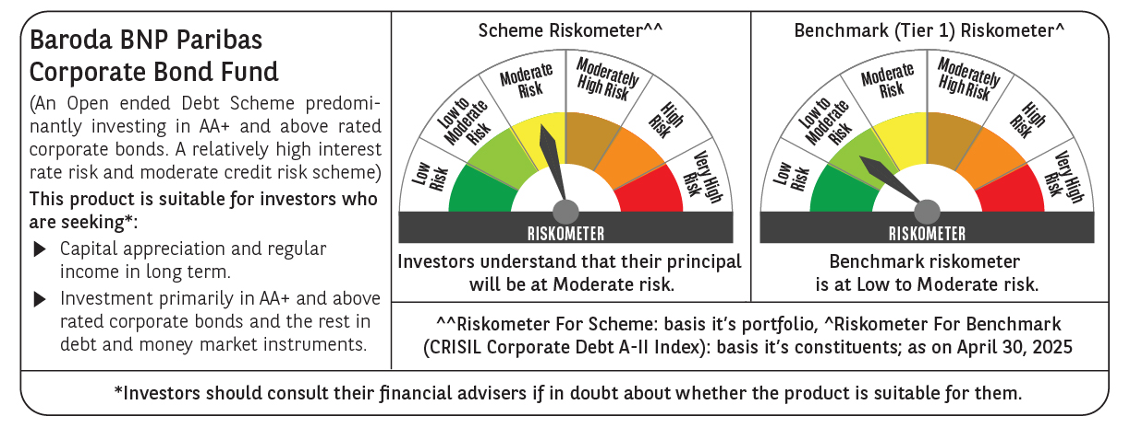

 | Baroda BNP Paribas Corporate Bond Fund

 | Monthly Portfolio Statement as on April 30, 2025
 | Name of the Instrument | ISIN | Industry / Rating | Quantity | Market/Fair Value (Rs. in Lakhs) | % to Net Assets | YTM~ | YTC^ | null
 | Equity & Equity related
 | (b) Reits
EOPR01 | Embassy Office Parks REIT | INE041025011 | Realty | 56,000 | 213.79 | 0.96%
BRFI01 | Brookfield India Real Estate Trust | INE0FDU25010 | Realty | 72,993 | 211.28 | 0.95%
 | Sub Total |  |  |  | 425.07 | 1.91%
 | (c) Invits
PIIT01 | Powergrid Infrastructure Investment Trust | INE0GGX23010 | Power | 151,229 | 121.01 | 0.54%
 | Sub Total |  |  |  | 121.01 | 0.54%
 | Total |  |  |  | 546.08 | 2.45%
 | Debt Instruments
 | (a) Listed / awaiting listing on Stock Exchange
RECL457 | 7.58% REC Limited (31/05/2029) ** | INE020B08FD6 | ICRA AAA | 1,200 | 1,229.23 | 5.50% | 6.87%
NHBA336 | 7.35% National Housing Bank (02/01/2032) | INE557F08GD6 | CARE AAA | 1,100 | 1,129.42 | 5.05% | 6.84%
EXIM570 | 8.25% Export Import Bank of India (23/06/2031) ** | INE514E08FE0 | CRISIL AAA | 100 | 1,068.75 | 4.78% | 6.84%
POWF505 | 7.7% Power Finance Corporation Limited (15/04/2033) ** | INE134E08MI4 | CRISIL AAA | 1,000 | 1,046.70 | 4.68% | 6.91%
HPEC301 | 7.54% Hindustan Petroleum Corporation Limited (15/04/2033) ** | INE094A08143 | CRISIL AAA | 100 | 1,045.33 | 4.68% | 6.78%
GAIL40 | 7.34% GAIL (India) Limited (20/12/2027) ** | INE129A08014 | CARE AAA | 100 | 1,015.73 | 4.54% | 6.65%
LICH680 | 7.74% LIC Housing Finance Limited (11/02/2028) ** | INE115A07QW5 | CRISIL AAA | 1,000 | 1,014.85 | 4.54% | 7.12%
HDFB901 | 7.77% HDFC Bank Limited (28/06/2027) | INE040A08823 | CRISIL AAA | 100 | 1,013.35 | 4.53% | 7.06%
BAFL943 | 7.7951% Bajaj Finance Limited (10/12/2027) ** | INE296A07TF2 | CRISIL AAA | 1,000 | 1,011.45 | 4.53% | 7.27%
TCHF414 | 7.712% Tata Capital Housing Finance Limited (14/01/2028) ** | INE033L07IK9 | CRISIL AAA | 1,000 | 1,010.67 | 4.52% | 7.24%
IRLY392 | 6.78% Indian Railway Finance Corporation Limited (30/04/2030) | INE053F08494 | CRISIL AAA | 1,000 | 999.61 | 4.47% | 6.79%
GOI5228 | 7.18% Government of India (14/08/2033) | IN0020230085 | Sovereign | 900,000 | 947.39 | 4.24% | 6.45%
NBAR695 | 7.62% National Bank For Agriculture and Rural Development (31/01/2028) ** | INE261F08DV4 | CRISIL AAA | 900 | 914.57 | 4.09% | 6.93%
PGCI455 | 7.52% Power Grid Corporation of India Limited (23/03/2033) ** | INE752E08684 | CRISIL AAA | 1,000 | 847.41 | 3.79% | 6.88%
RIND263 | 8.65% Reliance Industries Limited (11/12/2028) ** | INE002A08567 | CRISIL AAA | 80 | 843.97 | 3.78% | 6.86%
GOI6156 | 6.79% Government of India (07/10/2034) | IN0020240126 | Sovereign | 650,000 | 669.63 | 3.00% | 6.46%
SIDB573 | 7.34% Small Industries Dev Bank of India (26/02/2029) | INE556F08KS8 | CRISIL AAA | 600 | 607.86 | 2.72% | 6.93%
BSNL21 | 6.79% Bharat Sanchar Nigam Limited (23/09/2030) ** | INE103D08021 | CRISIL AAA(CE) | 60 | 591.74 | 2.65% | 7.23%
IRLY368 | 7.75% Indian Railway Finance Corporation Limited (15/04/2033) ** | INE053F08270 | CRISIL AAA | 500 | 526.01 | 2.35% | 6.88%
GOI6226 | 6.92% Government of India (18/11/2039) | IN0020240134 | Sovereign | 500,000 | 521.98 | 2.34% | 6.55%
RUPL50 | 7.90% Jamnagar Utilities & Power Private Limited (10/08/2028) ** | INE936D07182 | CRISIL AAA | 500 | 510.28 | 2.28% | 7.16%
POWF541 | 7.42% Power Finance Corporation Limited (15/04/2028) | INE134E08NL6 | CRISIL AAA | 500 | 507.54 | 2.27% | 6.84%
GOI5713 | 7.1% Government of India (08/04/2034) | IN0020240019 | Sovereign | 300,000 | 314.80 | 1.41% | 6.47%
HURD210 | 8.41% Housing & Urban Development Corporation Limited (15/03/2029) ** | INE031A08699 | ICRA AAA | 25 | 264.26 | 1.18% | 6.82%
SIDB598 | 7.39% Small Industries Dev Bank of India (21/03/2030) ** | INE556F08KY6 | CRISIL AAA | 200 | 203.81 | 0.91% | 6.91%
IRLY365 | 7.65% Indian Railway Finance Corporation Limited (30/12/2032) ** | INE053F08221 | CRISIL AAA | 10 | 104.54 | 0.47% | 6.86%
GOI4485 | 7.38% Government of India (20/06/2027) | IN0020220037 | Sovereign | 100,000 | 102.68 | 0.46% | 6.11%
 | Sub Total |  |  |  | 20,063.56 | 89.76%
 | (b) Privately placed / Unlisted |  |  |  | NIL | NIL
 | Sub Total |  |  |  | NIL | NIL
 | (e) Securitised Debt
IUNT24 | India Universal Trust (21/11/2027) ** | INE1CBK15029 | CRISIL AAA(SO) | 5 | 453.78 | 2.03% | 7.83%
SATR47 | Sansar Trust (25/09/2029) ** | INE17O215012 | CRISIL AAA(SO) | 30,000,000 | 300.90 | 1.35% | 8.79%
 | Sub Total |  |  |  | 754.68 | 3.38%
 | (b) Privately placed / Unlisted |  |  |  | NIL | NIL
 | Sub Total |  |  |  | NIL | NIL
 | Total |  |  |  | 20,818.24 | 93.14%
 | Others
 | Corporate Debt Market Development Fund
CDMD50ME | Corporate Debt Market Development Fund # | INF0RQ622028 |  | 518 | 57.57 | 0.26%
 | Sub Total |  |  |  | 57.57 | 0.26%
 | Total |  |  |  | 57.57 | 0.26%
 | Reverse Repo / TREPS
TRP_020525 | Clearing Corporation of India Ltd |  |  |  | 48.37 | 0.22% | 5.94%
 | Sub Total |  |  |  | 48.37 | 0.22%
 | (b) Privately placed / Unlisted |  |  |  | NIL | NIL
 | Sub Total |  |  |  | NIL | NIL
 | Total |  |  |  | 48.37 | 0.22%
 | Net Receivables / (Payables) |  |  |  | 879.35 | 3.93%
 | GRAND TOTAL |  |  |  | 22,349.61 | 100.00%

 | ** Thinly Traded / Non Traded Security
 | # Unlisted Security
 | ~ YTM as on April 30, 2025
 | ^ YTC represents Yield to Call provided by valuation agencies as on April 30, 2025. It is disclosed for Perpetual Bond issued by Banks (i.e. AT-1 Bond / Tier 1 Bond / Tier 2 Bond), as per AMFI Best Practices Guidelines Circular no. 135/BP/91/2020-21 read with SEBI circular No. SEBI/HO/IMD/DF4/CIR/P/2021/034 on Valuation of AT-1 Bonds and Tier 2 Bonds.

