T0MD13
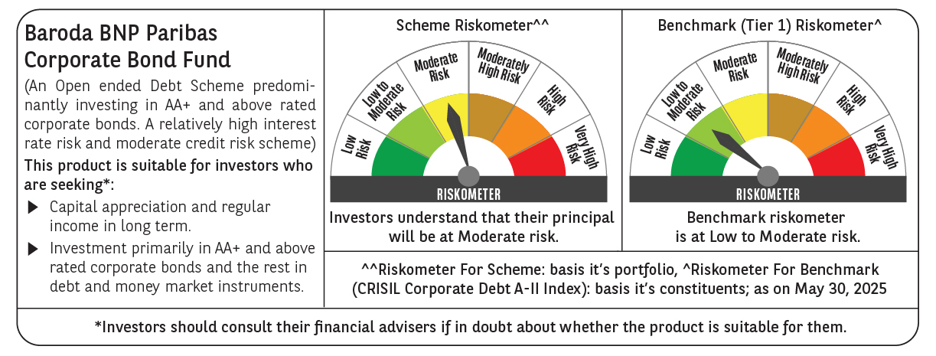

 | Baroda BNP Paribas Corporate Bond Fund

 | Monthly Portfolio Statement as on May 31, 2025
 | Name of the Instrument | ISIN | Industry / Rating | Quantity | Market/Fair Value (Rs. in Lakhs) | % to Net Assets | YTM~ | YTC^ | null
 | Equity & Equity related
 | (b) Reits
BRFI01 | Brookfield India Real Estate Trust | INE0FDU25010 | Realty | 72,993 | 223.31 | 0.75%
EOPR01 | Embassy Office Parks REIT | INE041025011 | Realty | 56,000 | 213.58 | 0.72%
 | Sub Total |  |  |  | 436.89 | 1.47%
 | (c) Invits
PIIT01 | Powergrid Infrastructure Investment Trust | INE0GGX23010 | Power | 301,229 | 246.95 | 0.83%
 | Sub Total |  |  |  | 246.95 | 0.83%
 | Total |  |  |  | 683.84 | 2.30%
 | Debt Instruments
 | (a) Listed / awaiting listing on Stock Exchange
GOI5228 | 7.18% Government of India (14/08/2033) | IN0020230085 | Sovereign | 3,150,000 | 3,332.81 | 11.16% | 6.36%
RECL474 | 6.52% REC Limited (31/01/2028) | INE020B08FW6 | ICRA AAA | 1,900 | 1,899.79 | 6.36% | 6.54%
NTPC257 | 6.84% NTPC Limited (09/05/2035) | INE733E08270 | CRISIL AAA | 1,500 | 1,509.21 | 5.05% | 6.75%
SIDB598 | 7.39% Small Industries Dev Bank of India (21/03/2030) | INE556F08KY6 | CRISIL AAA | 1,200 | 1,234.09 | 4.13% | 6.67%
NHBA336 | 7.35% National Housing Bank (02/01/2032) ** | INE557F08GD6 | CARE AAA | 1,100 | 1,138.06 | 3.81% | 6.68%
EXIM570 | 8.25% Export Import Bank of India (23/06/2031) ** | INE514E08FE0 | CRISIL AAA | 100 | 1,081.16 | 3.62% | 6.58%
HPEC301 | 7.54% Hindustan Petroleum Corporation Limited (15/04/2033) ** | INE094A08143 | CRISIL AAA | 100 | 1,057.58 | 3.54% | 6.58%
POWF505 | 7.7% Power Finance Corporation Limited (15/04/2033) ** | INE134E08MI4 | CRISIL AAA | 1,000 | 1,056.28 | 3.54% | 6.75%
GAIL40 | 7.34% GAIL (India) Limited (20/12/2027) ** | INE129A08014 | CARE AAA | 100 | 1,022.30 | 3.42% | 6.34%
LICH680 | 7.74% LIC Housing Finance Limited (11/02/2028) ** | INE115A07QW5 | CRISIL AAA | 1,000 | 1,019.16 | 3.41% | 6.92%
BAFL943 | 7.7951% Bajaj Finance Limited (10/12/2027) ** | INE296A07TF2 | CRISIL AAA | 1,000 | 1,015.59 | 3.40% | 7.07%
TCHF414 | 7.712% Tata Capital Housing Finance Limited (14/01/2028) ** | INE033L07IK9 | CRISIL AAA | 1,000 | 1,013.92 | 3.40% | 7.09%
IRLY392 | 6.78% Indian Railway Finance Corporation Limited (30/04/2030) | INE053F08494 | CRISIL AAA | 1,000 | 1,007.81 | 3.38% | 6.59%
EOPR38 | 7.21% Embassy Office Parks REIT (17/03/2028) ** | INE041007167 | CRISIL AAA | 1,000 | 1,003.30 | 3.36% | 7.26%
POWF551 | 6.64% Power Finance Corporation Limited (15/07/2030) | INE134E08NR3 | CRISIL AAA | 1,000 | 1,000.15 | 3.35% | 6.64%
GOI6226 | 6.92% Government of India (18/11/2039) | IN0020240134 | Sovereign | 900,000 | 942.36 | 3.16% | 6.52%
NBAR695 | 7.62% National Bank For Agriculture and Rural Development (31/01/2028) ** | INE261F08DV4 | CRISIL AAA | 900 | 921.00 | 3.08% | 6.61%
RIND263 | 8.65% Reliance Industries Limited (11/12/2028) | INE002A08567 | CRISIL AAA | 80 | 850.90 | 2.85% | 6.55%
PGCI455 | 7.52% Power Grid Corporation of India Limited (23/03/2033) ** | INE752E08684 | CRISIL AAA | 1,000 | 827.71 | 2.77% | 6.67%
SIDB573 | 7.34% Small Industries Dev Bank of India (26/02/2029) | INE556F08KS8 | CRISIL AAA | 600 | 613.28 | 2.05% | 6.65%
RUPL50 | 7.90% Jamnagar Utilities & Power Private Limited (10/08/2028) ** | INE936D07182 | CRISIL AAA | 500 | 514.41 | 1.72% | 6.85%
POWF541 | 7.42% Power Finance Corporation Limited (15/04/2028) | INE134E08NL6 | CRISIL AAA | 500 | 510.83 | 1.71% | 6.56%
GOI6703 | 6.33% Government of India (05/05/2035) | IN0020250026 | Sovereign | 300,000 | 302.48 | 1.01% | 6.31%
BSNL21 | 6.79% Bharat Sanchar Nigam Limited (23/09/2030) ** | INE103D08021 | CRISIL AAA(CE) | 30 | 299.71 | 1.00% | 6.93%
HURD210 | 8.41% Housing & Urban Development Corporation Limited (15/03/2029) | INE031A08699 | ICRA AAA | 25 | 265.61 | 0.89% | 6.62%
IRLY365 | 7.65% Indian Railway Finance Corporation Limited (30/12/2032) ** | INE053F08221 | CRISIL AAA | 10 | 105.53 | 0.35% | 6.69%
GOI4485 | 7.38% Government of India (20/06/2027) | IN0020220037 | Sovereign | 100,000 | 103.19 | 0.35% | 5.79%
 | Sub Total |  |  |  | 25,648.22 | 85.87%
 | (b) Privately placed / Unlisted |  |  |  | NIL | NIL
 | Sub Total |  |  |  | NIL | NIL
 | (e) Securitised Debt
VAJR29 | Vajra Trust (20/06/2031) ** | INP4VAJR2705 | CRISIL AAA(SO) | 5 | 497.15 | 1.67% | 9.88%
IUNT24 | India Universal Trust (21/11/2027) ** | INE1CBK15029 | CRISIL AAA(SO) | 5 | 445.03 | 1.49% | 7.59%
VAJR28 | Vajra Trust (20/01/2029) ** | INP3VAJR2705 | CRISIL AAA(SO) | 3 | 298.36 | 1.00% | 9.93%
SATR47 | Sansar Trust (25/09/2029) ** | INE17O215012 | CRISIL AAA(SO) | 30,000,000 | 280.95 | 0.94% | 8.64%
 | Sub Total |  |  |  | 1,521.49 | 5.10%
 | (b) Privately placed / Unlisted |  |  |  | NIL | NIL
 | Sub Total |  |  |  | NIL | NIL
 | Total |  |  |  | 27,169.71 | 90.97%
 | Others
 | Corporate Debt Market Development Fund
CDMD50ME | Corporate Debt Market Development Fund # | INF0RQ622028 |  | 518 | 57.94 | 0.19%
 | Sub Total |  |  |  | 57.94 | 0.19%
 | Total |  |  |  | 57.94 | 0.19%
 | Reverse Repo / TREPS
TRP_020625 | Clearing Corporation of India Ltd |  |  |  | 1,962.07 | 6.57% | 5.77%
 | Sub Total |  |  |  | 1,962.07 | 6.57%
 | (b) Privately placed / Unlisted |  |  |  | NIL | NIL
 | Sub Total |  |  |  | NIL | NIL
 | Total |  |  |  | 1,962.07 | 6.57%
 | Net Receivables / (Payables) |  |  |  | (16.60) | (0.03)%
 | GRAND TOTAL |  |  |  | 29,856.96 | 100.00%

 | ** Thinly Traded / Non Traded Security
 | # Unlisted Security
 | ~ YTM as on May 31, 2025
 | ^ YTC represents Yield to Call provided by valuation agencies as on May 31, 2025. It is disclosed for Perpetual Bond issued by Banks (i.e. AT-1 Bond / Tier 1 Bond / Tier 2 Bond), as per AMFI Best Practices Guidelines Circular no. 135/BP/91/2020-21 read with SEBI circular No. SEBI/HO/IMD/DF4/CIR/P/2021/034 on Valuation of AT-1 Bonds and Tier 2 Bonds.

