T0MD13
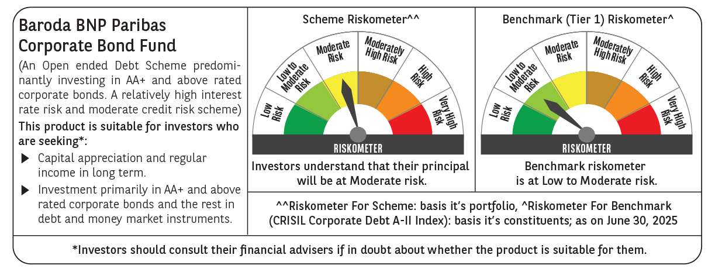

 | Baroda BNP Paribas Corporate Bond Fund

 | Monthly Portfolio Statement as on June 30, 2025
 | Name of the Instrument | ISIN | Industry / Rating | Quantity | Market/Fair Value (Rs. in Lakhs) | % to Net Assets | YTM~ | YTC^ | null
 | Equity & Equity related
 | (b) Reits
BRFI01 | Brookfield India Real Estate Trust | INE0FDU25010 | Realty | 72,993 | 229.87 | 0.64%
EOPR01 | Embassy Office Parks REIT | INE041025011 | Realty | 56,000 | 218.12 | 0.61%
 | Sub Total |  |  |  | 447.99 | 1.25%
 | (c) Invits
PIIT01 | Powergrid Infrastructure Investment Trust | INE0GGX23010 | Power | 301,229 | 272.94 | 0.76%
 | Sub Total |  |  |  | 272.94 | 0.76%
 | Total |  |  |  | 720.93 | 2.01%
 | Debt Instruments
 | (a) Listed / awaiting listing on Stock Exchange
GOI5228 | 7.18% Government of India (14/08/2033) | IN0020230085 | Sovereign | 2,600,000 | 2,725.76 | 7.63% | 6.51%
BAFL943 | 7.7951% Bajaj Finance Limited (10/12/2027) ** | INE296A07TF2 | CRISIL AAA | 2,500 | 2,536.40 | 7.10% | 7.10%
RECL474 | 6.52% REC Limited (31/01/2028) ** | INE020B08FW6 | ICRA AAA | 1,900 | 1,894.74 | 5.30% | 6.65%
GOI6156 | 6.79% Government of India (07/10/2034) | IN0020240126 | Sovereign | 1,500,000 | 1,542.29 | 4.32% | 6.48%
NTPC257 | 6.84% NTPC Limited (09/05/2035) ** | INE733E08270 | CRISIL AAA | 1,500 | 1,494.58 | 4.18% | 6.89%
GOI6226 | 6.92% Government of India (18/11/2039) | IN0020240134 | Sovereign | 1,400,000 | 1,431.80 | 4.01% | 6.78%
SIDB598 | 7.39% Small Industries Dev Bank of India (21/03/2030) ** | INE556F08KY6 | CRISIL AAA | 1,200 | 1,224.33 | 3.43% | 6.86%
NHBA336 | 7.35% National Housing Bank (02/01/2032) ** | INE557F08GD6 | CARE AAA | 1,100 | 1,124.33 | 3.15% | 6.91%
EXIM570 | 8.25% Export Import Bank of India (23/06/2031) ** | INE514E08FE0 | CRISIL AAA | 100 | 1,069.03 | 2.99% | 6.81%
HPEC301 | 7.54% Hindustan Petroleum Corporation Limited (15/04/2033) ** | INE094A08143 | CRISIL AAA | 100 | 1,045.47 | 2.93% | 6.77%
POWF505 | 7.7% Power Finance Corporation Limited (15/04/2033) ** | INE134E08MI4 | CRISIL AAA | 1,000 | 1,041.74 | 2.92% | 6.98%
HPEC303 | 7.74% Hindustan Petroleum Corporation Limited (02/03/2028) ** | INE094A08150 | CRISIL AAA | 1,000 | 1,028.24 | 2.88% | 6.53%
ULCC169 | 7.34% UltraTech Cement Limited (03/03/2028) ** | INE481G08123 | CRISIL AAA | 1,000 | 1,020.37 | 2.86% | 6.46%
GAIL40 | 7.34% GAIL (India) Limited (20/12/2027) ** | INE129A08014 | CARE AAA | 100 | 1,019.80 | 2.85% | 6.42%
LICH680 | 7.74% LIC Housing Finance Limited (11/02/2028) | INE115A07QW5 | CRISIL AAA | 1,000 | 1,017.24 | 2.85% | 6.97%
TCHF414 | 7.712% Tata Capital Housing Finance Limited (14/01/2028) ** | INE033L07IK9 | CRISIL AAA | 1,000 | 1,014.09 | 2.84% | 7.06%
LICH678 | 7.8650% LIC Housing Finance Limited (20/08/2026) ** | INE115A07QT1 | CRISIL AAA | 1,000 | 1,011.30 | 2.83% | 6.77%
EOPR38 | 7.21% Embassy Office Parks REIT (17/03/2028) ** | INE041007167 | CRISIL AAA | 1,000 | 1,004.49 | 2.81% | 7.21%
IRLY392 | 6.78% Indian Railway Finance Corporation Limited (30/04/2030) | INE053F08494 | CRISIL AAA | 1,000 | 999.02 | 2.80% | 6.80%
POWF551 | 6.64% Power Finance Corporation Limited (15/07/2030) | INE134E08NR3 | CRISIL AAA | 1,000 | 992.93 | 2.78% | 6.81%
NBAR695 | 7.62% National Bank For Agriculture and Rural Development (31/01/2028) ** | INE261F08DV4 | CRISIL AAA | 900 | 917.82 | 2.57% | 6.73%
RIND263 | 8.65% Reliance Industries Limited (11/12/2028) ** | INE002A08567 | CRISIL AAA | 80 | 848.71 | 2.38% | 6.60%
PGCI455 | 7.52% Power Grid Corporation of India Limited (23/03/2033) ** | INE752E08684 | CRISIL AAA | 1,000 | 822.60 | 2.30% | 6.84%
SIDB573 | 7.34% Small Industries Dev Bank of India (26/02/2029) ** | INE556F08KS8 | CRISIL AAA | 600 | 609.25 | 1.71% | 6.85%
RUPL50 | 7.90% Jamnagar Utilities & Power Private Limited (10/08/2028) ** | INE936D07182 | CRISIL AAA | 500 | 512.76 | 1.44% | 6.95%
NBAR838 | 7.48% National Bank For Agriculture and Rural Development (15/09/2028) | INE261F08EO7 | CRISIL AAA | 500 | 510.42 | 1.43% | 6.74%
POWF541 | 7.42% Power Finance Corporation Limited (15/04/2028) ** | INE134E08NL6 | CRISIL AAA | 500 | 508.78 | 1.42% | 6.70%
GOI6703 | 6.33% Government of India (05/05/2035) | IN0020250026 | Sovereign | 300,000 | 300.26 | 0.84% | 6.42%
BSNL21 | 6.79% Bharat Sanchar Nigam Limited (23/09/2030) ** | INE103D08021 | CRISIL AAA(CE) | 30 | 297.52 | 0.83% | 7.10%
HURD210 | 8.41% Housing & Urban Development Corporation Limited (15/03/2029) ** | INE031A08699 | ICRA AAA | 25 | 263.69 | 0.74% | 6.82%
IRLY365 | 7.65% Indian Railway Finance Corporation Limited (30/12/2032) ** | INE053F08221 | CRISIL AAA | 10 | 104.12 | 0.29% | 6.92%
GOI4485 | 7.38% Government of India (20/06/2027) | IN0020220037 | Sovereign | 100,000 | 102.96 | 0.29% | 5.85%
 | Sub Total |  |  |  | 32,036.84 | 89.70%
 | (b) Privately placed / Unlisted |  |  |  | NIL | NIL
 | Sub Total |  |  |  | NIL | NIL
 | (e) Securitised Debt
VAJR29 | Vajra Trust (20/06/2031) ** | INE20NI15047 | CRISIL AAA(SO) | 5 | 497.80 | 1.39% | 9.84%
IUNT24 | India Universal Trust (21/11/2027) ** | INE1CBK15029 | CRISIL AAA(SO) | 5 | 433.75 | 1.21% | 7.75%
VAJR28 | Vajra Trust (20/01/2029) ** | INE20NI15039 | CRISIL AAA(SO) | 3 | 299.06 | 0.84% | 9.82%
SATR47 | Sansar Trust (25/09/2029) ** | INE17O215012 | CRISIL AAA(SO) | 30,000,000 | 261.33 | 0.73% | 8.65%
 | Sub Total |  |  |  | 1,491.94 | 4.17%
 | (b) Privately placed / Unlisted |  |  |  | NIL | NIL
 | Sub Total |  |  |  | NIL | NIL
 | Total |  |  |  | 33,528.78 | 93.87%
 | Others
 | Corporate Debt Market Development Fund
CDMD50ME | Corporate Debt Market Development Fund # | INF0RQ622028 |  | 518 | 58.21 | 0.16%
 | Sub Total |  |  |  | 58.21 | 0.16%
 | Total |  |  |  | 58.21 | 0.16%
 | Reverse Repo / TREPS
TRP_010725 | Clearing Corporation of India Ltd |  |  |  | 1,153.93 | 3.23% | 5.47%
 | Sub Total |  |  |  | 1,153.93 | 3.23%
 | (b) Privately placed / Unlisted |  |  |  | NIL | NIL
 | Sub Total |  |  |  | NIL | NIL
 | Total |  |  |  | 1,153.93 | 3.23%
 | Net Receivables / (Payables) |  |  |  | 270.30 | 0.73%
 | GRAND TOTAL |  |  |  | 35,732.15 | 100.00%

 | ** Thinly Traded / Non Traded Security
 | # Unlisted Security
 | ~ YTM as on June 30, 2025
 | ^ YTC represents Yield to Call provided by valuation agencies as on June 30, 2025. It is disclosed for Perpetual Bond issued by Banks (i.e. AT-1 Bond / Tier 1 Bond / Tier 2 Bond), as per AMFI Best Practices Guidelines Circular no. 135/BP/91/2020-21 read with SEBI circular No. SEBI/HO/IMD/DF4/CIR/P/2021/034 on Valuation of AT-1 Bonds and Tier 2 Bonds.

