T0MD13
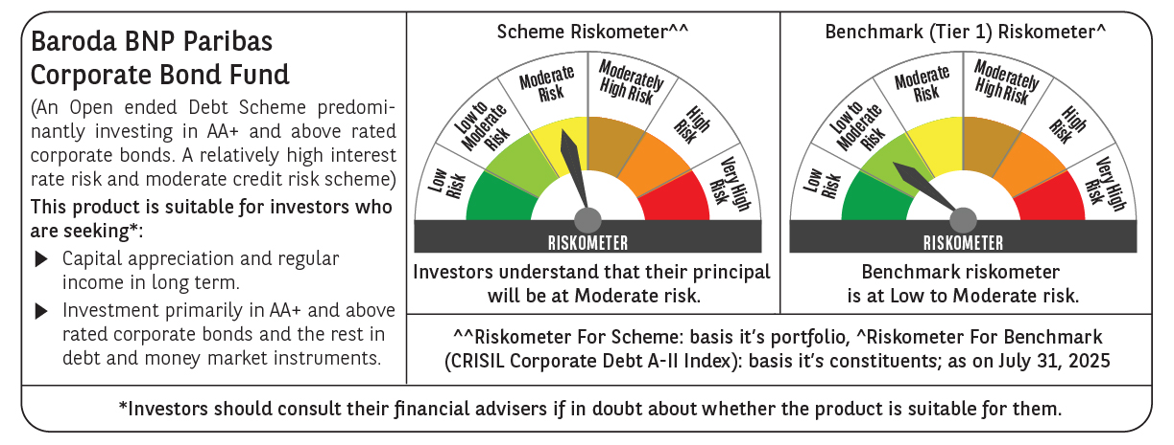

 | Baroda BNP Paribas Corporate Bond Fund

 | Monthly Portfolio Statement as on July 31, 2025
 | Name of the Instrument | ISIN | Industry / Rating | Quantity | Market/Fair Value (Rs. in Lakhs) | % to Net Assets | YTM~ | YTC^ | null
 | Equity & Equity related
 | (b) Reits
EOPR01 | Embassy Office Parks REIT | INE041025011 | Realty | 121,000 | 478.78 | 1.14%
BRFI01 | Brookfield India Real Estate Trust | INE0FDU25010 | Realty | 72,993 | 229.69 | 0.54%
 | Sub Total |  |  |  | 708.47 | 1.68%
 | (c) Invits
PIIT01 | Powergrid Infrastructure Investment Trust | INE0GGX23010 | Power | 301,229 | 275.68 | 0.65%
NHIT01 | National Highways Infra Trust | INE0H7R23014 | Transport Infrastructure | 100,000 | 133.50 | 0.32%
 | Sub Total |  |  |  | 409.18 | 0.97%
 | Total |  |  |  | 1,117.65 | 2.65%
 | Debt Instruments
 | (a) Listed / awaiting listing on Stock Exchange
GOI6226 | 6.92% Government of India (18/11/2039) | IN0020240134 | Sovereign | 2,900,000 | 2,958.33 | 7.02% | 6.81%
BAFL943 | 7.7951% Bajaj Finance Limited (10/12/2027) ** | INE296A07TF2 | CRISIL AAA | 2,500 | 2,538.76 | 6.02% | 7.03%
GOI5228 | 7.18% Government of India (14/08/2033) | IN0020230085 | Sovereign | 2,400,000 | 2,510.71 | 5.96% | 6.54%
NBAR805 | 7.53% National Bank For Agriculture and Rural Development (24/03/2028) | INE261F08EM1 | ICRA AAA | 2,000 | 2,039.56 | 4.84% | 6.67%
RECL474 | 6.52% REC Limited (31/01/2028) ** | INE020B08FW6 | ICRA AAA | 1,900 | 1,896.54 | 4.50% | 6.61%
GOI6156 | 6.79% Government of India (07/10/2034) | IN0020240126 | Sovereign | 1,500,000 | 1,537.84 | 3.65% | 6.52%
NTPC257 | 6.84% NTPC Limited (09/05/2035) ** | INE733E08270 | CRISIL AAA | 1,500 | 1,495.75 | 3.55% | 6.88%
BHFL139 | 7.08% Bajaj Housing Finance Limited (12/06/2030) ** | INE377Y07573 | CRISIL AAA | 1,500 | 1,495.38 | 3.55% | 7.15%
SIDB598 | 7.39% Small Industries Dev Bank of India (21/03/2030) | INE556F08KY6 | CRISIL AAA | 1,200 | 1,227.17 | 2.91% | 6.79%
NHBA336 | 7.35% National Housing Bank (02/01/2032) ** | INE557F08GD6 | CARE AAA | 1,100 | 1,128.54 | 2.68% | 6.83%
HPEC301 | 7.54% Hindustan Petroleum Corporation Limited (15/04/2033) ** | INE094A08143 | CRISIL AAA | 100 | 1,043.02 | 2.47% | 6.80%
POWF505 | 7.7% Power Finance Corporation Limited (15/04/2033) ** | INE134E08MI4 | CRISIL AAA | 1,000 | 1,040.11 | 2.47% | 7.00%
HPEC303 | 7.74% Hindustan Petroleum Corporation Limited (02/03/2028) ** | INE094A08150 | CRISIL AAA | 1,000 | 1,029.31 | 2.44% | 6.45%
ULCC169 | 7.34% UltraTech Cement Limited (03/03/2028) ** | INE481G08123 | CRISIL AAA | 1,000 | 1,020.29 | 2.42% | 6.44%
GAIL40 | 7.34% GAIL (India) Limited (20/12/2027) ** | INE129A08014 | CARE AAA | 100 | 1,020.16 | 2.42% | 6.38%
LICH680 | 7.74% LIC Housing Finance Limited (11/02/2028) ** | INE115A07QW5 | CRISIL AAA | 1,000 | 1,020.11 | 2.42% | 6.82%
EXIM803 | 7.12% Export Import Bank of India (27/06/2030) | INE514E08GF5 | CRISIL AAA | 1,000 | 1,016.66 | 2.41% | 6.71%
TCHF414 | 7.712% Tata Capital Housing Finance Limited (14/01/2028) ** | INE033L07IK9 | CRISIL AAA | 1,000 | 1,016.25 | 2.41% | 6.94%
LICH678 | 7.8650% LIC Housing Finance Limited (20/08/2026) ** | INE115A07QT1 | CRISIL AAA | 1,000 | 1,012.09 | 2.40% | 6.63%
EOPR38 | 7.21% Embassy Office Parks REIT (17/03/2028) | INE041007167 | CRISIL AAA | 1,000 | 1,007.48 | 2.39% | 7.07%
IRLY392 | 6.78% Indian Railway Finance Corporation Limited (30/04/2030) ** | INE053F08494 | CRISIL AAA | 1,000 | 1,001.39 | 2.38% | 6.74%
LICH700 | 7.07% LIC Housing Finance Limited (29/04/2030) ** | INE115A07RG6 | CRISIL AAA | 1,000 | 1,001.31 | 2.38% | 7.03%
NBAR695 | 7.62% National Bank For Agriculture and Rural Development (31/01/2028) ** | INE261F08DV4 | CRISIL AAA | 900 | 918.55 | 2.18% | 6.67%
RIND263 | 8.65% Reliance Industries Limited (11/12/2028) ** | INE002A08567 | CRISIL AAA | 80 | 849.00 | 2.01% | 6.54%
PGCI455 | 7.52% Power Grid Corporation of India Limited (23/03/2033) ** | INE752E08684 | CRISIL AAA | 1,000 | 821.66 | 1.95% | 6.87%
SIDB573 | 7.34% Small Industries Dev Bank of India (26/02/2029) | INE556F08KS8 | CRISIL AAA | 600 | 611.05 | 1.45% | 6.75%
RUPL50 | 7.90% Jamnagar Utilities & Power Private Limited (10/08/2028) | INE936D07182 | CRISIL AAA | 500 | 513.89 | 1.22% | 6.85%
NBAR838 | 7.48% National Bank For Agriculture and Rural Development (15/09/2028) ** | INE261F08EO7 | CRISIL AAA | 500 | 510.76 | 1.21% | 6.70%
POWF541 | 7.42% Power Finance Corporation Limited (15/04/2028) ** | INE134E08NL6 | CRISIL AAA | 500 | 508.72 | 1.21% | 6.68%
GOI6900 | 6.28% Government of India (14/07/2032) | IN0020250059 | Sovereign | 500,000 | 500.09 | 1.19% | 6.37%
BSNL21 | 6.79% Bharat Sanchar Nigam Limited (23/09/2030) ** | INE103D08021 | CRISIL AAA(CE) | 30 | 297.93 | 0.71% | 7.07%
HURD210 | 8.41% Housing & Urban Development Corporation Limited (15/03/2029) ** | INE031A08699 | ICRA AAA | 25 | 264.32 | 0.63% | 6.71%
IRLY365 | 7.65% Indian Railway Finance Corporation Limited (30/12/2032) ** | INE053F08221 | CRISIL AAA | 10 | 104.02 | 0.25% | 6.93%
GOI4485 | 7.38% Government of India (20/06/2027) | IN0020220037 | Sovereign | 100,000 | 102.94 | 0.24% | 5.79%
 | Sub Total |  |  |  | 37,059.69 | 87.94%
 | (b) Privately placed / Unlisted |  |  |  | NIL | NIL
 | Sub Total |  |  |  | NIL | NIL
 | (e) Securitised Debt
VAJR29 | Vajra Trust (20/06/2031) ** | INE20NI15047 | CRISIL AAA(SO) | 5 | 498.87 | 1.18% | 9.75%
IUNT24 | India Universal Trust (21/11/2027) ** | INE1CBK15029 | CRISIL AAA(SO) | 5 | 424.29 | 1.01% | 7.63%
VAJR28 | Vajra Trust (20/01/2029) ** | INE20NI15039 | CRISIL AAA(SO) | 3 | 299.47 | 0.71% | 9.75%
SATR47 | Sansar Trust (25/09/2029) ** | INE17O215012 | CRISIL AAA(SO) | 30,000,000 | 242.25 | 0.57% | 8.48%
 | Sub Total |  |  |  | 1,464.88 | 3.47%
 | (b) Privately placed / Unlisted |  |  |  | NIL | NIL
 | Sub Total |  |  |  | NIL | NIL
 | Total |  |  |  | 38,524.57 | 91.41%
 | Others
 | Corporate Debt Market Development Fund
CDMD50ME | Corporate Debt Market Development Fund # | INF0RQ622028 |  | 827 | 93.33 | 0.22% | 5.58%
 | Sub Total |  |  |  | 93.33 | 0.22%
 | Total |  |  |  | 93.33 | 0.22%
 | Reverse Repo / TREPS
TRP_010825 | Clearing Corporation of India Ltd |  |  |  | 3,610.29 | 8.56% | 5.42%
 | Sub Total |  |  |  | 3,610.29 | 8.56%
 | (b) Privately placed / Unlisted |  |  |  | NIL | NIL
 | Sub Total |  |  |  | NIL | NIL
 | Total |  |  |  | 3,610.29 | 8.56%
 | Net Receivables / (Payables) |  |  |  | (1,187.02) | (2.84)%
 | GRAND TOTAL |  |  |  | 42,158.82 | 100.00%

 | ** Thinly Traded / Non Traded Security
 | # Unlisted Security
 | ~ YTM as on July 31, 2025
 | ^ YTC represents Yield to Call provided by valuation agencies as on July 31, 2025. It is disclosed for Perpetual Bond issued by Banks (i.e. AT-1 Bond / Tier 1 Bond / Tier 2 Bond), as per AMFI Best Practices Guidelines Circular no. 135/BP/91/2020-21 read with SEBI circular No. SEBI/HO/IMD/DF4/CIR/P/2021/034 on Valuation of AT-1 Bonds and Tier 2 Bonds.

