Monthly Portfolio
 | Baroda BNP Paribas Corporate Bond Fund

 | Monthly Portfolio Statement as on September 30, 2025
 | Name of the Instrument | ISIN | Industry / Rating | Quantity | Market/Fair Value (Rs. in Lakhs) | % to Net Assets | YTM~ | YTC^ | null
 | Equity & Equity related
 | (b) Reits
EOPR01 | Embassy Office Parks REIT | INE041025011 | Realty | 121,000 | 510.54 | 1.18%
BRFI01 | Brookfield India Real Estate Trust | INE0FDU25010 | Realty | 72,993 | 250.41 | 0.58%
 | Sub Total |  |  |  | 760.95 | 1.76%
 | (c) Invits
PIIT01 | Powergrid Infrastructure Investment Trust | INE0GGX23010 | Power | 301,229 | 287.13 | 0.66%
NHIT01 | National Highways Infra Trust | INE0H7R23014 | Transport Infrastructure | 100,000 | 140.27 | 0.32%
 | Sub Total |  |  |  | 427.40 | 0.98%
 | Total |  |  |  | 1,188.35 | 2.74%
 | Debt Instruments
 | (a) Listed / awaiting listing on Stock Exchange
NBAR805 | 7.53% National Bank For Agriculture and Rural Development (24/03/2028) | INE261F08EM1 | ICRA AAA | 3,000 | 3,048.73 | 7.02% | 6.77%
GOI6703 | 6.33% Government of India (05/05/2035) | IN0020250026 | Sovereign | 2,650,000 | 2,604.70 | 6.00% | 6.68%
BAFL943 | 7.7951% Bajaj Finance Limited (10/12/2027) ** | INE296A07TF2 | CRISIL AAA | 2,500 | 2,533.87 | 5.83% | 7.09%
GOI6156 | 6.79% Government of India (07/10/2034) | IN0020240126 | Sovereign | 2,100,000 | 2,120.78 | 4.88% | 6.75%
RECL474 | 6.52% REC Limited (31/01/2028) ** | INE020B08FW6 | ICRA AAA | 1,900 | 1,892.74 | 4.36% | 6.70%
GOI5228 | 7.18% Government of India (14/08/2033) | IN0020230085 | Sovereign | 1,500,000 | 1,549.43 | 3.57% | 6.74%
IRLY383 | 7.37% Indian Railway Finance Corporation Limited (31/07/2029) | INE053F08411 | CRISIL AAA | 1,500 | 1,525.18 | 3.51% | 6.85%
BHFL139 | 7.08% Bajaj Housing Finance Limited (12/06/2030) ** | INE377Y07573 | CRISIL AAA | 1,500 | 1,490.38 | 3.43% | 7.23%
NTPC257 | 6.84% NTPC Limited (09/05/2035) ** | INE733E08270 | CRISIL AAA | 1,500 | 1,475.69 | 3.40% | 7.07%
SIDB598 | 7.39% Small Industries Dev Bank of India (21/03/2030) ** | INE556F08KY6 | CRISIL AAA | 1,200 | 1,217.15 | 2.80% | 6.99%
NHBA336 | 7.35% National Housing Bank (02/01/2032) ** | INE557F08GD6 | CARE AAA | 1,100 | 1,115.27 | 2.57% | 7.06%
HPEC301 | 7.54% Hindustan Petroleum Corporation Limited (15/04/2033) ** | INE094A08143 | CRISIL AAA | 100 | 1,033.73 | 2.38% | 6.95%
POWF505 | 7.7% Power Finance Corporation Limited (15/04/2033) ** | INE134E08MI4 | CRISIL AAA | 1,000 | 1,029.76 | 2.37% | 7.17%
HPEC303 | 7.74% Hindustan Petroleum Corporation Limited (02/03/2028) ** | INE094A08150 | CRISIL AAA | 1,000 | 1,026.08 | 2.36% | 6.51%
LICH693 | 7.645% LIC Housing Finance Limited (21/02/2030) ** | INE115A07RD3 | CRISIL AAA | 1,000 | 1,017.48 | 2.34% | 7.15%
LICH680 | 7.74% LIC Housing Finance Limited (11/02/2028) ** | INE115A07QW5 | CRISIL AAA | 1,000 | 1,015.88 | 2.34% | 6.96%
GAIL40 | 7.34% GAIL (India) Limited (20/12/2027) ** | INE129A08014 | CARE AAA | 100 | 1,015.54 | 2.34% | 6.55%
ULCC169 | 7.34% UltraTech Cement Limited (03/03/2028) ** | INE481G08123 | CRISIL AAA | 1,000 | 1,013.68 | 2.33% | 6.68%
TCHF414 | 7.712% Tata Capital Housing Finance Limited (14/01/2028) ** | INE033L07IK9 | CRISIL AAA | 1,000 | 1,012.39 | 2.33% | 7.08%
EXIM803 | 7.12% Export Import Bank of India (27/06/2030) | INE514E08GF5 | CRISIL AAA | 1,000 | 1,012.34 | 2.33% | 6.80%
LICH678 | 7.8650% LIC Housing Finance Limited (20/08/2026) ** | INE115A07QT1 | CRISIL AAA | 1,000 | 1,009.01 | 2.32% | 6.73%
EOPR38 | 7.21% Embassy Office Parks REIT (17/03/2028) ** | INE041007167 | CRISIL AAA | 1,000 | 1,003.97 | 2.31% | 7.22%
MEBP36 | 7% Mindspace Business Parks REIT (14/09/2027) | INE0CCU07165 | CRISIL AAA | 1,000 | 1,001.32 | 2.31% | 7.11%
IRLY392 | 6.78% Indian Railway Finance Corporation Limited (30/04/2030) | INE053F08494 | CRISIL AAA | 1,000 | 994.82 | 2.29% | 6.91%
RIND263 | 8.65% Reliance Industries Limited (11/12/2028) ** | INE002A08567 | CRISIL AAA | 80 | 841.13 | 1.94% | 6.79%
PGCI455 | 7.52% Power Grid Corporation of India Limited (23/03/2033) ** | INE752E08684 | CRISIL AAA | 1,000 | 791.66 | 1.82% | 7.04%
SIDB573 | 7.34% Small Industries Dev Bank of India (26/02/2029) ** | INE556F08KS8 | CRISIL AAA | 600 | 608.49 | 1.40% | 6.88%
RUPL50 | 7.90% Jamnagar Utilities & Power Private Limited (10/08/2028) ** | INE936D07182 | CRISIL AAA | 500 | 510.12 | 1.17% | 7.08%
EXIM794 | 7.35% Export Import Bank of India (27/07/2028) ** | INE514E08GE8 | CRISIL AAA | 500 | 508.88 | 1.17% | 6.64%
NBAR695 | 7.62% National Bank For Agriculture and Rural Development (31/01/2028) | INE261F08DV4 | CRISIL AAA | 400 | 406.54 | 0.94% | 6.81%
NHBA334 | 7.20% National Housing Bank (03/10/2031) ** | INE557F08GB0 | CARE AAA | 300 | 301.96 | 0.70% | 7.06%
GOI6900 | 6.28% Government of India (14/07/2032) | IN0020250059 | Sovereign | 300,000 | 297.31 | 0.68% | 6.55%
BSNL21 | 6.79% Bharat Sanchar Nigam Limited (23/09/2030) ** | INE103D08021 | CRISIL AAA(CE) | 30 | 295.23 | 0.68% | 7.30%
HURD210 | 8.41% Housing & Urban Development Corporation Limited (15/03/2029) ** | INE031A08699 | ICRA AAA | 25 | 262.68 | 0.60% | 6.85%
IRLY365 | 7.65% Indian Railway Finance Corporation Limited (30/12/2032) ** | INE053F08221 | CRISIL AAA | 10 | 103.56 | 0.24% | 7.01%
GOI4485 | 7.38% Government of India (20/06/2027) | IN0020220037 | Sovereign | 100,000 | 102.66 | 0.24% | 5.81%
GOI6919 | 6.01% Government of India (21/07/2030) | IN0020250067 | Sovereign | 100,000 | 99.18 | 0.23% | 6.30%
 | Sub Total |  |  |  | 38,889.32 | 89.53%
 | (b) Privately placed / Unlisted |  |  |  | NIL | NIL
 | Sub Total |  |  |  | NIL | NIL
 | (e) Securitised Debt
VAJR29 | Vajra Trust (20/06/2031) ** | INE20NI15047 | CRISIL AAA(SO) | 5 | 497.60 | 1.15% | 9.87%
IUNT24 | India Universal Trust (21/11/2027) ** | INE1CBK15029 | CRISIL AAA(SO) | 5 | 403.29 | 0.93% | 7.68%
VAJR28 | Vajra Trust (20/01/2029) ** | INE20NI15039 | CRISIL AAA(SO) | 3 | 298.72 | 0.69% | 9.91%
SATR47 | Sansar Trust (25/09/2029) ** | INE17O215012 | CRISIL AAA(SO) | 30,000,000 | 203.97 | 0.47% | 8.49%
 | Sub Total |  |  |  | 1,403.58 | 3.24%
 | (b) Privately placed / Unlisted |  |  |  | NIL | NIL
 | Sub Total |  |  |  | NIL | NIL
 | Total |  |  |  | 40,292.90 | 92.77%
 | Others
 | Corporate Debt Market Development Fund
CDMD50ME | Corporate Debt Market Development Fund # | INF0RQ622028 |  | 827 | 94.12 | 0.22% | 5.62%
 | Sub Total |  |  |  | 94.12 | 0.22%
 | Total |  |  |  | 94.12 | 0.22%
 | Reverse Repo / TREPS
TRP_011025 | Clearing Corporation of India Ltd |  |  |  | 537.54 | 1.24% | 5.53%
 | Sub Total |  |  |  | 537.54 | 1.24%
 | (b) Privately placed / Unlisted |  |  |  | NIL | NIL
 | Sub Total |  |  |  | NIL | NIL
 | Total |  |  |  | 537.54 | 1.24%
 | Net Receivables / (Payables) |  |  |  | 1,314.31 | 3.03%
 | GRAND TOTAL |  |  |  | 43,427.22 | 100.00%

 | ** Thinly Traded / Non Traded Security
 | # Unlisted Security
 | ~ YTM as on September 30, 2025
 | ^ YTC represents Yield to Call provided by valuation agencies as on September 30, 2025. It is disclosed for Perpetual Bond issued by Banks (i.e. AT-1 Bond / Tier 1 Bond / Tier 2 Bond), as per AMFI Best Practices Guidelines Circular no. 135/BP/91/2020-21 read with SEBI circular No. SEBI/HO/IMD/DF4/CIR/P/2021/034 on Valuation of AT-1 Bonds and Tier 2 Bonds.

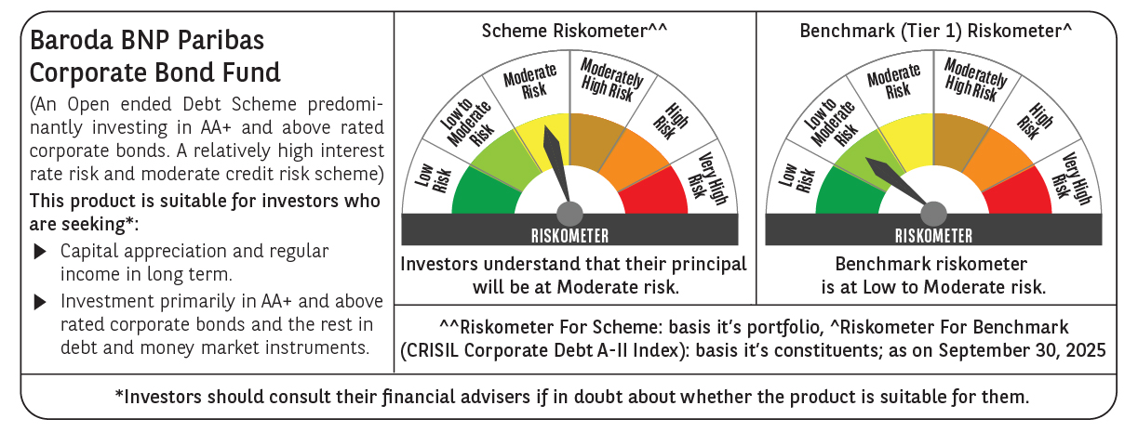



 | Monthly Performance Link: https://www.barodabnpparibasmf.in/assets/download_documents/Performance_of_Schemes_September_14618.pdf

