T0MD13
 | Baroda BNP Paribas Corporate Bond Fund

 | Monthly Portfolio Statement as on October 31, 2025
 | Name of the Instrument | ISIN | Industry / Rating | Quantity | Market/Fair Value (Rs. in Lakhs) | % to Net Assets | YTM~ | YTC^ | null
 | Equity & Equity related
 | (b) Invits
NHIT01 | National Highways Infra Trust | INE0H7R23014 | Transport Infrastructure | 450,000 | 634.95 | 1.45%
PIIT01 | Powergrid Infrastructure Investment Trust | INE0GGX23010 | Power | 301,229 | 293.85 | 0.67%
 | Sub Total |  |  |  | 928.80 | 2.12%
 | Total |  |  |  | 928.80 | 2.12%
 | Debt Instruments
 | (a) Listed / awaiting listing on Stock Exchange
NBAR805 | 7.53% National Bank For Agriculture and Rural Development (24/03/2028) | INE261F08EM1 | ICRA AAA | 3,000 | 3,055.58 | 6.98% | 6.64%
GOI6889 | 6.68% Government of India (07/07/2040) | IN0020250042 | Sovereign | 2,400,000 | 2,353.01 | 5.38% | 7.01%
RECL474 | 6.52% REC Limited (31/01/2028) ** | INE020B08FW6 | ICRA AAA | 1,900 | 1,894.46 | 4.33% | 6.66%
GOI5228 | 7.18% Government of India (14/08/2033) | IN0020230085 | Sovereign | 1,500,000 | 1,555.30 | 3.56% | 6.67%
IRLY383 | 7.37% Indian Railway Finance Corporation Limited (31/07/2029) ** | INE053F08411 | CRISIL AAA | 1,500 | 1,530.20 | 3.50% | 6.74%
EXIM803 | 7.12% Export Import Bank of India (27/06/2030) ** | INE514E08GF5 | CRISIL AAA | 1,500 | 1,522.96 | 3.48% | 6.72%
BHFL139 | 7.08% Bajaj Housing Finance Limited (12/06/2030) ** | INE377Y07573 | CRISIL AAA | 1,500 | 1,493.69 | 3.41% | 7.18%
NTPC257 | 6.84% NTPC Limited (09/05/2035) ** | INE733E08270 | CRISIL AAA | 1,500 | 1,488.56 | 3.40% | 6.94%
SIDB598 | 7.39% Small Industries Dev Bank of India (21/03/2030) ** | INE556F08KY6 | CRISIL AAA | 1,200 | 1,223.07 | 2.80% | 6.85%
NHBA336 | 7.35% National Housing Bank (02/01/2032) ** | INE557F08GD6 | CARE AAA | 1,100 | 1,120.58 | 2.56% | 6.96%
HPEC301 | 7.54% Hindustan Petroleum Corporation Limited (15/04/2033) ** | INE094A08143 | CRISIL AAA | 100 | 1,037.29 | 2.37% | 6.88%
POWF505 | 7.7% Power Finance Corporation Limited (15/04/2033) ** | INE134E08MI4 | CRISIL AAA | 1,000 | 1,035.28 | 2.37% | 7.07%
HPEC303 | 7.74% Hindustan Petroleum Corporation Limited (02/03/2028) ** | INE094A08150 | CRISIL AAA | 1,000 | 1,027.77 | 2.35% | 6.40%
LICH693 | 7.645% LIC Housing Finance Limited (21/02/2030) ** | INE115A07RD3 | CRISIL AAA | 1,000 | 1,022.37 | 2.34% | 7.01%
LICH680 | 7.74% LIC Housing Finance Limited (11/02/2028) ** | INE115A07QW5 | CRISIL AAA | 1,000 | 1,018.63 | 2.33% | 6.81%
GAIL40 | 7.34% GAIL (India) Limited (20/12/2027) ** | INE129A08014 | CARE AAA | 100 | 1,017.06 | 2.32% | 6.45%
ULCC169 | 7.34% UltraTech Cement Limited (03/03/2028) ** | INE481G08123 | CRISIL AAA | 1,000 | 1,016.52 | 2.32% | 6.53%
BAFL943 | 7.7951% Bajaj Finance Limited (10/12/2027) ** | INE296A07TF2 | CRISIL AAA | 1,000 | 1,013.68 | 2.32% | 7.06%
TCHF414 | 7.712% Tata Capital Housing Finance Limited (14/01/2028) ** | INE033L07IK9 | CRISIL AAA | 1,000 | 1,013.06 | 2.32% | 7.03%
LICH678 | 7.8650% LIC Housing Finance Limited (20/08/2026) ** | INE115A07QT1 | CRISIL AAA | 1,000 | 1,008.09 | 2.30% | 6.70%
EOPR38 | 7.21% Embassy Office Parks REIT (17/03/2028) ** | INE041007167 | CRISIL AAA | 1,000 | 1,003.60 | 2.29% | 7.22%
MEBP36 | 7% Mindspace Business Parks REIT (14/09/2027) ** | INE0CCU07165 | CRISIL AAA | 1,000 | 1,002.11 | 2.29% | 7.06%
IRLY392 | 6.78% Indian Railway Finance Corporation Limited (30/04/2030) | INE053F08494 | CRISIL AAA | 1,000 | 998.83 | 2.28% | 6.80%
BAFL990 | 7.07% Bajaj Finance Limited (21/09/2028) | INE296A07TN6 | CRISIL AAA | 1,000 | 997.89 | 2.28% | 7.12%
RIND263 | 8.65% Reliance Industries Limited (11/12/2028) ** | INE002A08567 | CRISIL AAA | 80 | 844.57 | 1.93% | 6.60%
RECL473 | 6.87% REC Limited (31/05/2030) | INE020B08FU0 | ICRA AAA | 800 | 803.68 | 1.84% | 6.73%
PGCI455 | 7.52% Power Grid Corporation of India Limited (23/03/2033) ** | INE752E08684 | CRISIL AAA | 1,000 | 794.21 | 1.82% | 6.92%
RECL470 | 7.32% REC Limited (28/02/2035) ** | INE020B08FQ8 | CRISIL AAA | 700 | 708.86 | 1.62% | 7.12%
GOI6703 | 6.33% Government of India (05/05/2035) | IN0020250026 | Sovereign | 650,000 | 640.76 | 1.46% | 6.64%
RUPL50 | 7.90% Jamnagar Utilities & Power Private Limited (10/08/2028) ** | INE936D07182 | CRISIL AAA | 500 | 512.45 | 1.17% | 6.87%
EXIM794 | 7.35% Export Import Bank of India (27/07/2028) | INE514E08GE8 | CRISIL AAA | 500 | 510.50 | 1.17% | 6.49%
POWF556 | 6.73% Power Finance Corporation Limited (15/10/2027) ** | INE134E08NW3 | CRISIL AAA | 500 | 501.29 | 1.15% | 6.58%
GOI7094 | 6.48% Government of India (06/10/2035) | IN0020250091 | Sovereign | 500,000 | 500.39 | 1.14% | 6.57%
NBAR695 | 7.62% National Bank For Agriculture and Rural Development (31/01/2028) ** | INE261F08DV4 | CRISIL AAA | 400 | 407.75 | 0.93% | 6.64%
NHBA334 | 7.20% National Housing Bank (03/10/2031) ** | INE557F08GB0 | CARE AAA | 300 | 304.47 | 0.70% | 6.89%
BSNL21 | 6.79% Bharat Sanchar Nigam Limited (23/09/2030) ** | INE103D08021 | CRISIL AAA(CE) | 30 | 296.80 | 0.68% | 7.17%
HURD210 | 8.41% Housing & Urban Development Corporation Limited (15/03/2029) ** | INE031A08699 | ICRA AAA | 25 | 263.17 | 0.60% | 6.75%
GOI6156 | 6.79% Government of India (07/10/2034) | IN0020240126 | Sovereign | 200,000 | 202.72 | 0.46% | 6.69%
IRLY365 | 7.65% Indian Railway Finance Corporation Limited (30/12/2032) ** | INE053F08221 | CRISIL AAA | 10 | 103.89 | 0.24% | 6.95%
GOI4485 | 7.38% Government of India (20/06/2027) | IN0020220037 | Sovereign | 100,000 | 102.56 | 0.23% | 5.80%
 | Sub Total |  |  |  | 38,947.66 | 89.02%
 | (b) Privately placed / Unlisted |  |  |  | NIL | NIL
 | Sub Total |  |  |  | NIL | NIL
 | (d) Securitised Debt
VAJR29 | Vajra Trust (20/06/2031) ** | INE20NI15047 | CRISIL AAA(SO) | 5 | 498.08 | 1.14% | 9.83%
IUNT24 | India Universal Trust (21/11/2027) ** | INE1CBK15029 | CRISIL AAA(SO) | 5 | 393.19 | 0.90% | 7.66%
VAJR28 | Vajra Trust (20/01/2029) ** | INE20NI15039 | CRISIL AAA(SO) | 3 | 299.06 | 0.68% | 9.85%
SATR47 | Sansar Trust (25/09/2029) ** | INE17O215012 | CRISIL AAA(SO) | 30,000,000 | 184.05 | 0.42% | 8.44%
 | Sub Total |  |  |  | 1,374.38 | 3.14%
 | (b) Privately placed / Unlisted |  |  |  | NIL | NIL
 | Sub Total |  |  |  | NIL | NIL
 | Total |  |  |  | 40,322.04 | 92.16%
 | Others
 | Corporate Debt Market Development Fund
CDMD50ME | Corporate Debt Market Development Fund # | INF0RQ622028 |  | 827 | 94.58 | 0.22% | 5.58%
 | Sub Total |  |  |  | 94.58 | 0.22%
 | Total |  |  |  | 94.58 | 0.22%
 | Reverse Repo / TREPS
TRP_031125 | Clearing Corporation of India Ltd |  |  |  | 959.03 | 2.19% | 5.59%
 | Sub Total |  |  |  | 959.03 | 2.19%
 | (b) Privately placed / Unlisted |  |  |  | NIL | NIL
 | Sub Total |  |  |  | NIL | NIL
 | Total |  |  |  | 959.03 | 2.19%
 | Net Receivables / (Payables) |  |  |  | 1,443.70 | 3.31%
 | GRAND TOTAL |  |  |  | 43,748.15 | 100.00%

 | ** Thinly Traded / Non Traded Security
 | # Unlisted Security
 | ~ YTM as on October 31, 2025
 | ^ YTC represents Yield to Call provided by valuation agencies as on October 31, 2025. It is disclosed for Perpetual Bond issued by Banks (i.e. AT-1 Bond / Tier 1 Bond / Tier 2 Bond), as per AMFI Best Practices Guidelines Circular no. 135/BP/91/2020-21 read with SEBI circular No. SEBI/HO/IMD/DF4/CIR/P/2021/034 on Valuation of AT-1 Bonds and Tier 2 Bonds.

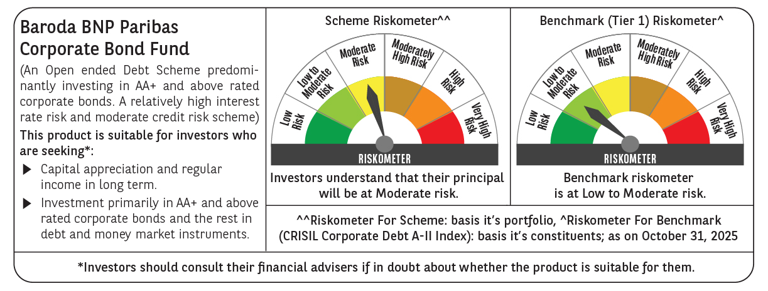



 | Monthly Performance Link: https://www.barodabnpparibasmf.in/assets/download_documents/Performance_of_Schemes-October_2025_15267.pdf

