T0MD13
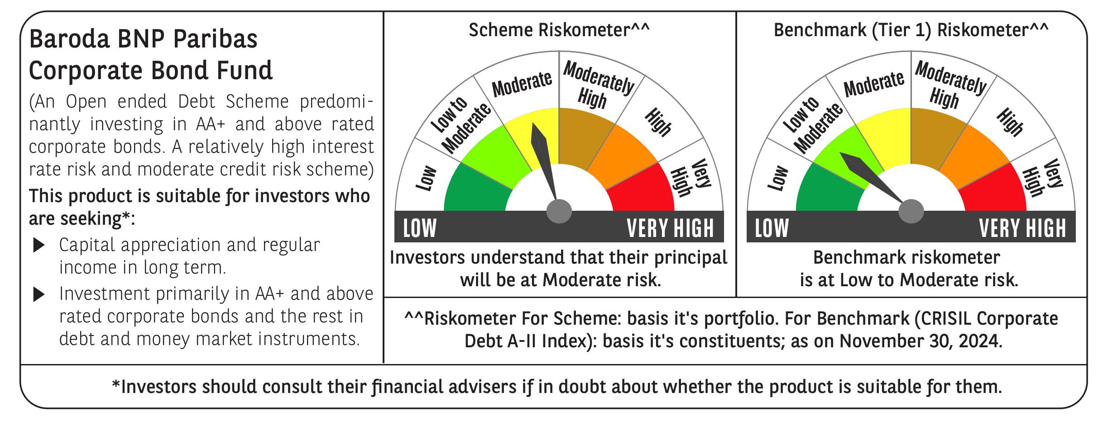

 | Baroda BNP Paribas Corporate Bond Fund

 | Monthly Portfolio Statement as on November 30, 2024
 | Name of the Instrument | ISIN | Rating | Quantity | Market/Fair Value (Rs. in Lakhs) | % to Net Assets | YTM~ | YTC^ | null
 | Debt Instruments
 | (a) Listed / awaiting listing on Stock Exchange
GOI5713 | 7.1% Government of India (08/04/2034) | IN0020240019 | Sovereign | 2,500,000 | 2,554.37 | 12.33% | 6.90%
GOI5379 | 7.32% Government of India (13/11/2030) | IN0020230135 | Sovereign | 1,200,000 | 1,232.76 | 5.95% | 6.87%
RECL457 | 7.58% REC Limited (31/05/2029) ** | INE020B08FD6 | ICRA AAA | 1,200 | 1,208.31 | 5.83% | 7.37%
IRLY365 | 7.65% Indian Railway Finance Corporation Limited (30/12/2032) ** | INE053F08221 | CRISIL AAA | 110 | 1,126.49 | 5.44% | 7.25%
EXIM570 | 8.25% Export Import Bank of India (23/06/2031) ** | INE514E08FE0 | CRISIL AAA | 100 | 1,052.70 | 5.08% | 7.20%
POWF505 | 7.7% Power Finance Corporation Limited (15/04/2033) ** | INE134E08MI4 | CRISIL AAA | 1,000 | 1,023.28 | 4.94% | 7.31%
HPEC301 | 7.54% Hindustan Petroleum Corporation Limited (15/04/2033) ** | INE094A08143 | CRISIL AAA | 100 | 1,022.85 | 4.94% | 7.17%
SUHF259 | 8.31% Sundaram Home Finance Limited (20/03/2026) ** | INE667F07IK6 | ICRA AAA | 1,000 | 1,004.76 | 4.85% | 7.86%
TCFS658 | 8.30% Tata Capital Limited (13/03/2026) ** | INE306N07NL3 | ICRA AAA | 1,000 | 1,004.36 | 4.85% | 7.88%
GAIL40 | 7.34% GAIL (India) Limited (20/12/2027) ** | INE129A08014 | CARE AAA | 100 | 1,001.46 | 4.83% | 7.28%
HDFB901 | 7.77% HDFC Bank Limited (28/06/2027) ** | INE040A08823 | CRISIL AAA | 100 | 1,000.92 | 4.83% | 7.71%
BAFL943 | 7.7951% Bajaj Finance Limited (10/12/2027) ** | INE296A07TF2 | CRISIL AAA | 1,000 | 1,000.05 | 4.83% | 7.80%
NBAR695 | 7.62% National Bank For Agriculture and Rural Development (31/01/2028) ** | INE261F08DV4 | CRISIL AAA | 900 | 903.64 | 4.36% | 7.46%
PGCI455 | 7.52% Power Grid Corporation of India Limited (23/03/2033) ** | INE752E08684 | CRISIL AAA | 1,000 | 864.16 | 4.17% | 7.24%
BSNL21 | 6.79% Bharat Sanchar Nigam Limited (23/09/2030) | INE103D08021 | CRISIL AAA(CE) | 60 | 577.42 | 2.79% | 7.74%
SIDB534 | 7.79% Small Industries Dev Bank of India (19/04/2027) ** | INE556F08KK5 | CRISIL AAA | 500 | 502.73 | 2.43% | 7.55%
SIDB543 | 7.75% Small Industries Dev Bank of India (10/06/2027) ** | INE556F08KN9 | CRISIL AAA | 500 | 502.39 | 2.42% | 7.55%
NBAR796 | 7.44% National Bank For Agriculture and Rural Development (24/02/2028) | INE261F08EK5 | CRISIL AAA | 500 | 499.91 | 2.41% | 7.45%
RIND263 | 8.65% Reliance Industries Limited (11/12/2028) ** | INE002A08567 | CRISIL AAA | 30 | 313.79 | 1.51% | 7.29%
GOI1955 | 7.76% State Government Securities (13/12/2027) | IN1920170116 | Sovereign | 300,000 | 306.37 | 1.48% | 7.09%
HURD210 | 8.41% Housing & Urban Development Corporation Limited (15/03/2029) ** | INE031A08699 | ICRA AAA | 25 | 260.76 | 1.26% | 7.36%
GOI5081 | 7.17% Government of India (17/04/2030) | IN0020230036 | Sovereign | 100,000 | 101.84 | 0.49% | 6.87%
GOI4485 | 7.38% Government of India (20/06/2027) | IN0020220037 | Sovereign | 100,000 | 101.61 | 0.49% | 6.79%
 | Sub Total |  |  |  | 19,166.93 | 92.51%
 | (b) Privately placed / Unlisted |  |  |  | NIL | NIL
 | Sub Total |  |  |  | NIL | NIL
 | (c) Securitised Debt
IUNT24 | India Universal Trust AL1 (21/11/2027) ** | INE1CBK15029 | CRISIL AAA(SO) | 5 | 500.35 | 2.41% | 8.35%
 | Sub Total |  |  |  | 500.35 | 2.41%
 | (b) Privately placed / Unlisted |  |  |  | NIL | NIL
 | Sub Total |  |  |  | NIL | NIL
 | Total |  |  |  | 19,667.28 | 94.92%
 | Others
 | Corporate Debt Market Development Fund
CDMD50ME | Corporate Debt Market Development Fund # | INF0RQ622028 |  | 371 | 38.81 | 0.19%
 | Sub Total |  |  |  | 38.81 | 0.19%
 | Total |  |  |  | 38.81 | 0.19%
 | Reverse Repo / TREPS
TRP_021224 | Clearing Corporation of India Ltd |  |  |  | 375.23 | 1.81% | 6.69%
 | Sub Total |  |  |  | 375.23 | 1.81%
 | (b) Privately placed / Unlisted |  |  |  | NIL | NIL
 | Sub Total |  |  |  | NIL | NIL
 | Total |  |  |  | 375.23 | 1.81%
 | Net Receivables / (Payables) |  |  |  | 637.34 | 3.08%
 | GRAND TOTAL |  |  |  | 20,718.66 | 100.00%

 | ** Thinly Traded / Non Traded Security
 | # Unlisted Security
 | ~ YTM as on November 30, 2024
 | ^ YTC represents Yield to Call provided by valuation agencies as on November 30, 2024. It is disclosed for Perpetual Bond issued by Banks (i.e. AT-1 Bond / Tier 1 Bond / Tier 2 Bond), as per AMFI Best Practices Guidelines Circular no. 135/BP/91/2020-21 re

