T0MD27
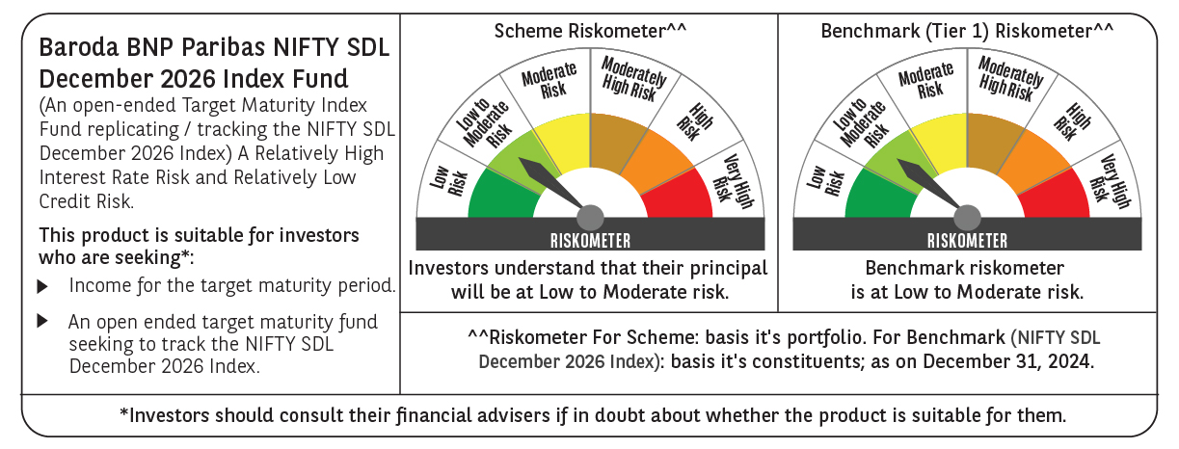

 | Baroda BNP Paribas NIFTY SDL December 2026 Index Fund

 | Monthly Portfolio Statement as on December 31, 2024
 | Name of the Instrument | ISIN | Rating | Quantity | Market/Fair Value (Rs. in Lakhs) | % to Net Assets | YTM~ | YTC^ | null
 | Debt Instruments
 | (a) Listed / awaiting listing on Stock Exchange
GOI2505 | 7.24% State Government Securities (28/12/2026) | IN1520160160 | Sovereign | 5,000,000 | 5,025.58 | 43.99% | 7.08%
GOI1677 | 7.28% State Government Securities (28/12/2026) | IN1620160243 | Sovereign | 3,000,000 | 3,017.16 | 26.41% | 7.09%
GOI1686 | 7.25% State Government Securities (28/12/2026) | IN2220160120 | Sovereign | 2,000,000 | 2,010.72 | 17.60% | 7.08%
GOI2070 | 7.27% State Government Securities (28/12/2026) | IN1920160067 | Sovereign | 500,000 | 502.91 | 4.40% | 7.07%
GOI2529 | 7.07% State Government Securities (14/12/2026) | IN3120160152 | Sovereign | 500,000 | 501.03 | 4.39% | 7.07%
 | Sub Total |  |  |  | 11,057.40 | 96.79%
 | (b) Privately placed / Unlisted |  |  |  | NIL | NIL
 | Sub Total |  |  |  | NIL | NIL
 | Total |  |  |  | 11,057.40 | 96.79%
 | Reverse Repo / TREPS
TRP_010125 | Clearing Corporation of India Ltd |  |  |  | 362.88 | 3.18% | 6.58%
 | Sub Total |  |  |  | 362.88 | 3.18%
 | (b) Privately placed / Unlisted |  |  |  | NIL | NIL
 | Sub Total |  |  |  | NIL | NIL
 | Total |  |  |  | 362.88 | 3.18%
 | Net Receivables / (Payables) |  |  |  | 4.97 | 0.03%
 | GRAND TOTAL |  |  |  | 11,425.25 | 100.00%

 | ~ YTM as on December 31, 2024
 | ^ YTC represents Yield to Call provided by valuation agencies as on December 31, 2024. It is disclosed for Perpetual Bond issued by Banks (i.e. AT-1 Bond / Tier 1 Bond / Tier 2 Bond), as per AMFI Best Practices Guidelines Circular no. 135/BP/91/2020-21 re

