Monthly Portfolio
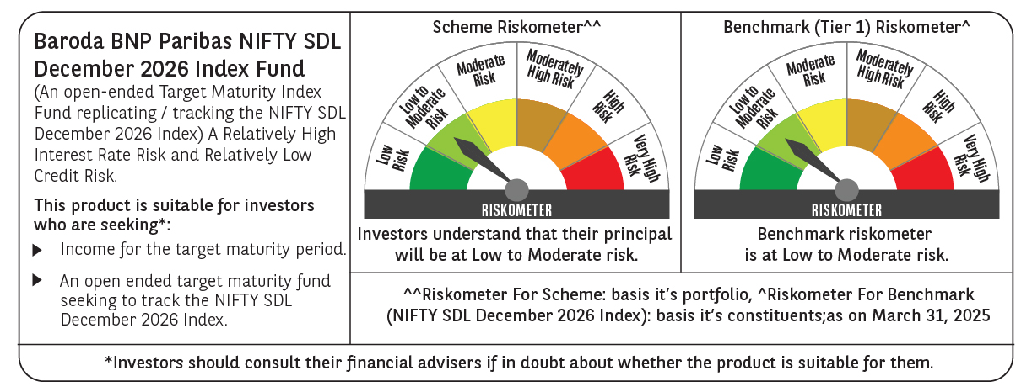

 | Baroda BNP Paribas NIFTY SDL December 2026 Index Fund

 | Monthly Portfolio Statement as on March 31, 2025
 | Name of the Instrument | ISIN | Rating | Quantity | Market/Fair Value (Rs. in Lakhs) | % to Net Assets | YTM~ | YTC^ | null
 | Debt Instruments
 | (a) Listed / awaiting listing on Stock Exchange
GOI2505 | 7.24% State Government Securities (28/12/2026) | IN1520160160 | Sovereign | 5,000,000 | 5,046.99 | 41.80% | 6.76%
GOI1677 | 7.28% State Government Securities (28/12/2026) | IN1620160243 | Sovereign | 3,000,000 | 3,028.93 | 25.09% | 6.79%
GOI1686 | 7.25% State Government Securities (28/12/2026) | IN2220160120 | Sovereign | 2,000,000 | 2,019.29 | 16.73% | 6.76%
GOI3565 | 7.39% State Government Securities (09/11/2026) | IN3120160137 | Sovereign | 500,000 | 505.50 | 4.19% | 6.76%
GOI2070 | 7.27% State Government Securities (28/12/2026) | IN1920160067 | Sovereign | 500,000 | 504.94 | 4.18% | 6.76%
GOI2529 | 7.07% State Government Securities (14/12/2026) | IN3120160152 | Sovereign | 500,000 | 503.26 | 4.17% | 6.76%
 | Sub Total |  |  |  | 11,608.91 | 96.16%
 | (b) Privately placed / Unlisted |  |  |  | NIL | NIL
 | Sub Total |  |  |  | NIL | NIL
 | Total |  |  |  | 11,608.91 | 96.16%
 | Reverse Repo / TREPS
TRP_020425 | Clearing Corporation of India Ltd |  |  |  | 251.74 | 2.09% | 6.68%
 | Sub Total |  |  |  | 251.74 | 2.09%
 | (b) Privately placed / Unlisted |  |  |  | NIL | NIL
 | Sub Total |  |  |  | NIL | NIL
 | Total |  |  |  | 251.74 | 2.09%
 | Net Receivables / (Payables) |  |  |  | 212.55 | 1.75%
 | GRAND TOTAL |  |  |  | 12,073.20 | 100.00%

 | Issuer | Index Weight | Portfolio Weight | Replication Factor
 | G-Secs / T-Bills | 0% | 0% | 0%
 | SDLs | 100% | 96% | 96%
 | Cash & Cash Equivalents | 0% | 4% | 0%
 | Total | 100% | 100% | 96%

 | ~ YTM as on March 31, 2025
 | ^ YTC represents Yield to Call provided by valuation agencies as on March 31, 2025. It is disclosed for Perpetual Bond issued by Banks (i.e. AT-1 Bond / Tier 1 Bond / Tier 2 Bond), as per AMFI Best Practices Guidelines Circular no. 135/BP/91/2020-21 read with SEBI circular No. SEBI/HO/IMD/DF4/CIR/P/2021/034 on Valuation of AT-1 Bonds and Tier 2 Bonds.

