T0MD28
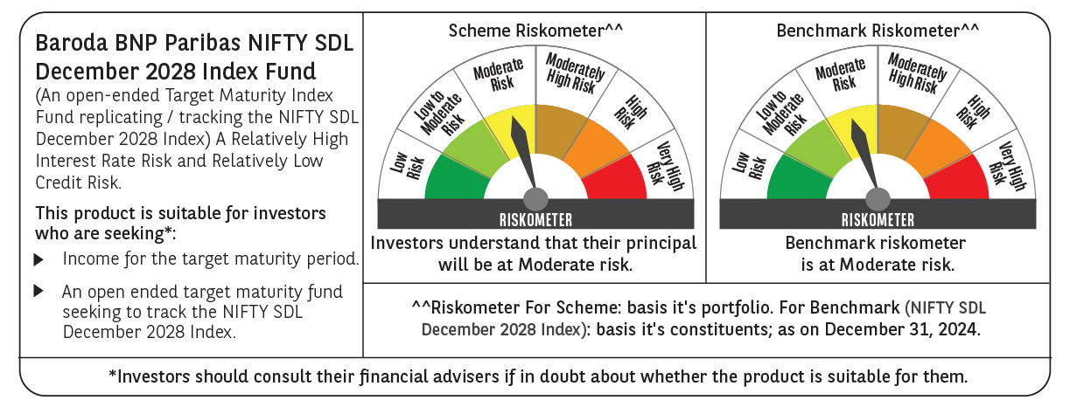

 | Baroda BNP Paribas NIFTY SDL December 2028 Index Fund

 | Monthly Portfolio Statement as on December 31, 2024
 | Name of the Instrument | ISIN | Rating | Quantity | Market/Fair Value (Rs. in Lakhs) | % to Net Assets | YTM~ | YTC^ | null
 | Debt Instruments
 | (a) Listed / awaiting listing on Stock Exchange
GOI2167 | 8.08% State Government Securities (26/12/2028) | IN2220180052 | Sovereign | 1,100,000 | 1,139.15 | 36.59% | 7.16%
GOI2168 | 8.08% State Government Securities (26/12/2028) | IN1520180234 | Sovereign | 715,000 | 740.45 | 23.78% | 7.16%
GOI2183 | 8.08% State Government Securities (26/12/2028) | IN3120180200 | Sovereign | 700,000 | 724.78 | 23.28% | 7.17%
GOI2171 | 8.08% State Government Securities (26/12/2028) | IN1920180115 | Sovereign | 350,000 | 362.34 | 11.64% | 7.17%
 | Sub Total |  |  |  | 2,966.72 | 95.29%
 | (b) Privately placed / Unlisted |  |  |  | NIL | NIL
 | Sub Total |  |  |  | NIL | NIL
 | Total |  |  |  | 2,966.72 | 95.29%
 | Reverse Repo / TREPS
TRP_010125 | Clearing Corporation of India Ltd |  |  |  | 17.12 | 0.55% | 6.58%
 | Sub Total |  |  |  | 17.12 | 0.55%
 | (b) Privately placed / Unlisted |  |  |  | NIL | NIL
 | Sub Total |  |  |  | NIL | NIL
 | Total |  |  |  | 17.12 | 0.55%
 | Net Receivables / (Payables) |  |  |  | 129.57 | 4.16%
 | GRAND TOTAL |  |  |  | 3,113.41 | 100.00%

 | ~ YTM as on December 31, 2024
 | ^ YTC represents Yield to Call provided by valuation agencies as on December 31, 2024. It is disclosed for Perpetual Bond issued by Banks (i.e. AT-1 Bond / Tier 1 Bond / Tier 2 Bond), as per AMFI Best Practices Guidelines Circular no. 135/BP/91/2020-21 re

